Performance_전체
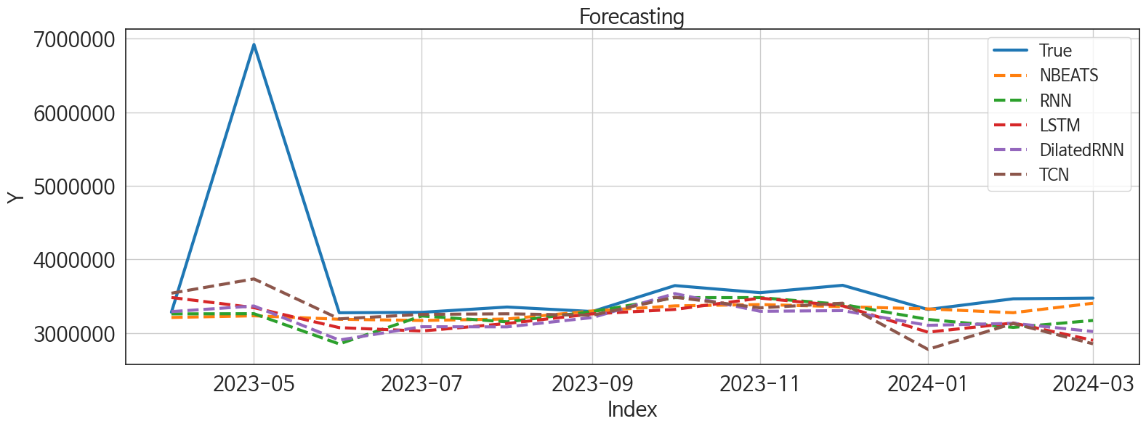
 | MSE | RMSE | MSPE | MAE | MAPE | MedAE | MedAPE
NBEATS | 1.157089949E+12 | 1075681.155833138 | 0.026 | 426980.4375 | 0.079 | 135843.875 | 0.040
RNN | 1.1649867116E+12 | 1079345.501489649 | 0.027 | 473149.4375 | 0.093 | 182582.125 | 0.053
TCN | 9.3048905249E+11 | 964618.6046769366 | 0.025 | 483955.4791666667 | 0.102 | 224826 | 0.062
DilatedRNN | 1.1213667534E+12 | 1058946.057815491 | 0.028 | 516069.625 | 0.107 | 261496.375 | 0.076
LSTM | 1.1432871848E+12 | 1069246.08245284 | 0.029 | 531642.8958333334 | 0.111 | 267081.875 | 0.077
NBEATSx | 1.2652017965E+12 | 1124811.893826975 | 0.031 | 555399.5833333334 | 0.115 | 255664.25 | 0.075
GRU | 1.1123452257E+12 | 1054677.78286616 | 0.029 | 538433.9583333334 | 0.114 | 279583.75 | 0.081
LightGBM | 1.2774333218E+12 | 1130235.958477221 | 0.033 | 595641.4547499317 | 0.127 | 316222.0204516479 | 0.095
CatBoost | 1.3843160317E+12 | 1176569.603402221 | 0.036 | 622691.2118016741 | 0.134 | 324730.0743766392 | 0.093
RandomForest | 1.3774034514E+12 | 1173628.327630058 | 0.036 | 626222.808807028 | 0.135 | 337036.8149114356 | 0.095
XGBoost | 1.4273754106E+12 | 1194728.174335243 | 0.039 | 662948.6458333334 | 0.146 | 380843.125 | 0.110
TiDE | 1.7247678416E+12 | 1313304.169486768 | 0.065 | 844594.0625 | 0.199 | 759860.25 | 0.216
MLP | 4.3773433099E+14 | 20922101.49553533 | 37.289 | 17995916.5 | 5.223 | 17303556.5 | 5.228
NHITS | 7.2634574871E+15 | 85225920.27707948 | 601.840 | 72753837.72916667 | 20.989 | 100752447.5 | 29.127

Forecasting_전체
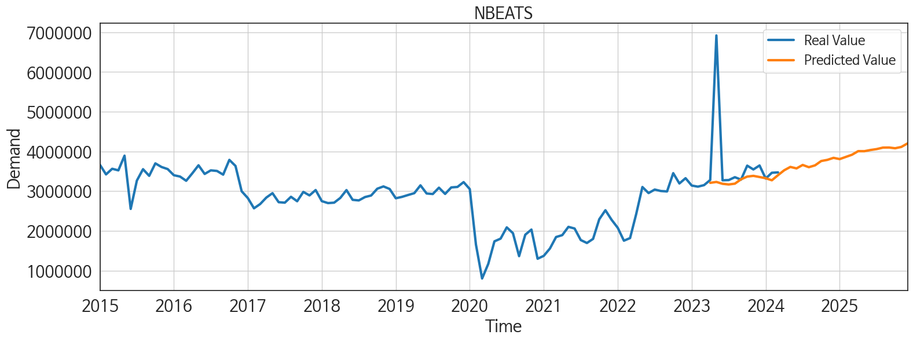
ds | unique_id | y | NBEATS | RNN | TCN | DilatedRNN | LSTM | NBEATSx | GRU | LightGBM | CatBoost | RandomForest | XGBoost | TiDE | MLP | NHITS
2023-04-01 | 1 | 3281372 | 3209957.25 | 3258838 | 3539814 | 3289878.75 | 3481501 | 3152503.25 | 3261566.75 | 3045828.4413 | 3038521.3409 | 3034036.2076 | 3036068 | 3284764.75 | 20735746 | 3855968.5
2023-05-01 | 1 | 6921600 | 3232945.5 | 3261638.25 | 3734033.75 | 3366070.75 | 3343712.25 | 3152502 | 3421346.25 | 3175931.1734 | 3006871.6796 | 3016364.4997 | 2988830.5 | 3009060.75 | 11040195 | 3855968.75
2023-06-01 | 1 | 3274361 | 3186083.75 | 2849845.5 | 3190951.75 | 2902823.5 | 3071801.75 | 3152500.25 | 2896296.75 | 2964375.2769 | 2843418.2335 | 2826964.2819 | 2723026.75 | 2984163.75 | 20427100 | 15538996
2023-07-01 | 1 | 3279768 | 3169345.25 | 3231049.5 | 3251846.75 | 3084344.5 | 3025482.75 | 3152502.5 | 3138413.25 | 3298366.9616 | 2803389.9855 | 2899719.0796 | 2710981 | 2959548.25 | -11633962 | 42243048
2023-08-01 | 1 | 3352224 | 3189311.5 | 3150890.5 | 3260218.5 | 3082306 | 3128388.75 | 3152503 | 2944453.75 | 3029765.6822 | 3121161.0241 | 3107651.991 | 3126357.25 | 2689189.5 | 7336411 | 68947104
2023-09-01 | 1 | 3291100 | 3298762.75 | 3289611 | 3240298.75 | 3208788.5 | 3258934.75 | 3152508.5 | 3140186 | 3196109.7515 | 2920011.5778 | 3020569.773 | 2891302 | 2378297.5 | 28087778 | 95651152
2023-10-01 | 1 | 3643417 | 3367579.25 | 3479586.25 | 3485431.5 | 3534617 | 3319504.25 | 3152508.5 | 3477792 | 3174340.9154 | 3402293.7235 | 3281773.3216 | 3399107 | 2786731 | -4305740 | 113977200
2023-11-01 | 1 | 3547176 | 3385911 | 3480132.75 | 3341179.5 | 3294101.25 | 3473312 | 3152504 | 3416129 | 3107160.521 | 3251232.7112 | 3222848.9784 | 3251039.5 | 3507192.5 | 36957760 | 113871616
2023-12-01 | 1 | 3647548 | 3357167.25 | 3386870.75 | 3403892.5 | 3303223.75 | 3367669.5 | 3152505.25 | 3392587.75 | 3089986.5019 | 3119984.14 | 3123754.3917 | 3111612.75 | 3704303.5 | 22677224 | 113766048
2024-01-01 | 1 | 3318669 | 3326395.75 | 3183416.5 | 2776882.5 | 3103313 | 3009929 | 3152505.75 | 3014461.75 | 3029765.6822 | 3121161.0241 | 3107651.991 | 3126357.25 | 2415989.25 | -22577924 | 113660488
2024-02-01 | 1 | 3464111 | 3274700 | 3075627.75 | 3127707.75 | 3130676.25 | 3135444.5 | 3152503.5 | 3092085.75 | 3182730.0568 | 3274522.878 | 3215084.3872 | 3063168.5 | 2317435.75 | 42178848 | 113423704
2024-03-01 | 1 | 3473501 | 3403701.5 | 3169547 | 2852008 | 3018881.75 | 2899709.75 | 3152505.5 | 2838320.5 | 3089986.5019 | 3119984.14 | 3123754.3917 | 3111612.75 | 2443338.25 | 12003449 | 112618344
2024-04-01 | 1 | 0 | 3526623 | 3374755 | 2876143.75 | 3032989.25 | 3014639.5 | 3152504.75 | 3048552.5 | 2992599.1168 | 2995768.8609 | 2962004.7487 | 2994144.5 | 2641866.5 | 51113040 | 111813000
2024-05-01 | 1 | 0 | 3611019 | 3498677.5 | 3141576.25 | 3260436.5 | 3201052 | 3152506 | 3287177.75 | 3174340.9154 | 3319000.9779 | 3150543.2468 | 3048502.5 | 2128025 | 4005618.75 | 111007656
2024-06-01 | 1 | 0 | 3573648.5 | 3102312.5 | 2829048.25 | 2926503.5 | 3069817.5 | 3152505.25 | 2937790.25 | 2931267.0372 | 2844134.4475 | 2880851.3576 | 2862347.75 | 1864228.125 | 9367581 | 110150976
2024-07-01 | 1 | 0 | 3660756.75 | 3029362.75 | 2816993 | 2945979 | 3039840.5 | 3152504.5 | 2921767.75 | 3144327.0863 | 2962143.92 | 2973403.5162 | 2928666.25 | 1764958.125 | -2558830.5 | 108524640
2024-08-01 | 1 | 0 | 3604046.75 | 3114090 | 2978655.75 | 3073702 | 3180951.75 | 3152505.75 | 3065045.5 | 3183805.5575 | 3173222.2952 | 3163673.2682 | 3178981.75 | 1647075.125 | -3740749.25 | 106898320
2024-09-01 | 1 | 0 | 3650265.25 | 2912035.25 | 2871410 | 2918403.5 | 2846737.75 | 3152504.25 | 2913751.75 | 3181139.7988 | 3162482.0836 | 3149964.007 | 3173879 | 1475093.5 | 1188960.75 | 105271984
2024-10-01 | 1 | 0 | 3759440.5 | 3298610 | 2989991.25 | 3015770.75 | 3101098.75 | 3152504.25 | 3116996 | 3175931.1734 | 3070615.408 | 3095912.5285 | 3078906.5 | 1660089.625 | 7557280.5 | 103645648
2024-11-01 | 1 | 0 | 3788538.5 | 3121636 | 3026225.5 | 3028548.25 | 3117392.75 | 3152503.5 | 3060277.5 | 3045828.4413 | 3038521.3409 | 3034036.2076 | 3036068 | 1021819.6875 | 34157576 | 106083456
2024-12-01 | 1 | 0 | 3839723 | 3134558.25 | 3084073.5 | 3056794.25 | 3087475.25 | 3152506.25 | 3073241 | 3028175.4242 | 3081610.1273 | 3053199.2381 | 3080256.25 | 2776739.75 | -8384226 | 108792208
2025-01-01 | 1 | 0 | 3808182.75 | 2929051 | 2858329 | 2911244.25 | 2866580.5 | 3152505.75 | 2885790 | 3174340.9154 | 2926258.8613 | 2962192.5156 | 2904348.75 | 1745138.875 | 20047352 | 111500960
2025-02-01 | 1 | 0 | 3862500.25 | 2583194.25 | 2555042 | 2581631.5 | 2578434 | 3152505.25 | 2656169.5 | 2956167.5795 | 2592751.5705 | 2772963.621 | 2568852 | 1965849.875 | 14935515 | 114209712
2025-03-01 | 1 | 0 | 3918111.25 | 2757423 | 2717595.75 | 2851193 | 2692782.25 | 3152505.5 | 2837897 | 3415105.2144 | 3733914.7996 | 3690216.4507 | 3744437 | 2999298.75 | 43609472 | 114724656
2025-04-01 | 1 | 0 | 4008163 | 2876342.5 | 2829397.25 | 2869141.5 | 2854586.75 | 3152505.25 | 2919249.75 | 3107160.521 | 3251232.7112 | 3222848.9784 | 3251039.5 | 2433135.5 | 30191742 | 114733344
2025-05-01 | 1 | 0 | 4007408 | 3116436.25 | 3067165 | 3077904.5 | 3097529 | 3152505.5 | 3003520.5 | 3415105.2144 | 3695588.4998 | 3675044.955 | 3745085.5 | 3129182 | 9551012 | 114742048
2025-06-01 | 1 | 0 | 4037032.5 | 2873568.5 | 2845461.25 | 2827514.25 | 2688094 | 3152505 | 2811249.25 | 2964375.2769 | 2843418.2335 | 2826964.2819 | 2723026.75 | 1959059.125 | -9201879 | 114750736
2025-07-01 | 1 | 0 | 4060179.25 | 2919278 | 2970636.75 | 2914482 | 3146182.5 | 3152505.25 | 2946728.75 | 3144327.0863 | 2962143.92 | 2973403.5162 | 2928666.25 | 2575035 | -15676979 | 113378864
2025-08-01 | 1 | 0 | 4097172.25 | 2998322.25 | 2954715 | 3020056.5 | 2938642.25 | 3152505.5 | 2906150.25 | 3089986.5019 | 3119984.14 | 3123754.3917 | 3111612.75 | 2798417.5 | -9709959 | 111379488
2025-09-01 | 1 | 0 | 4099446.75 | 2487346.5 | 2607382.25 | 2632360 | 2606315.25 | 3152506 | 2619548.75 | 3107160.521 | 3251232.7112 | 3222848.9784 | 3251039.5 | 2192415.25 | 177773504 | 109380080
2025-10-01 | 1 | 0 | 4081235 | 3112693.75 | 3048347.75 | 3112652 | 3124526.5 | 3152505.5 | 3005371.5 | 3174340.9154 | 2926258.8613 | 2962192.5156 | 2904348.75 | 2939235.5 | 289711104 | 107380704
2025-11-01 | 1 | 0 | 4114394.75 | 2883694.25 | 2892056 | 2854536 | 2905329.75 | 3152505.75 | 2905323.5 | 3045828.4413 | 3038521.3409 | 3034036.2076 | 3036068 | 2405180.25 | 653034112 | 106505968
2025-12-01 | 1 | 0 | 4202335.5 | 3077447.5 | 3026379.75 | 2859218.25 | 2925047 | 3152505.5 | 2934237.75 | 3029765.6822 | 3121161.0241 | 3107651.991 | 3126357.25 | 1744085.75 | 886212608 | 106505968

Performance_주말
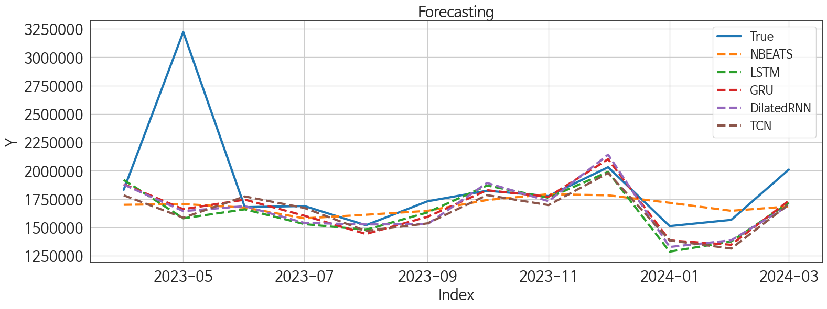
 | MSE | RMSE | MSPE | MAE | MAPE | MedAE | MedAPE
GRU | 2.1841347783E+11 | 467347.27755 | 0.024570151673 | 223098.39583 | 0.094324587704 | 81325.125 | 0.050699930705
TCN | 2.4275747492E+11 | 492704.24691 | 0.02790162688 | 241392.94792 | 0.10292833732 | 86835.5 | 0.050425442016
LSTM | 2.4301309024E+11 | 492963.57902 | 0.027837059992 | 238034.625 | 0.10135113609 | 92496.4375 | 0.052065804776
NBEATS | 2.1380112569E+11 | 462386.33813 | 0.02507193854 | 241069.21875 | 0.1035800111 | 100352.125 | 0.062462498295
DilatedRNN | 2.2845732859E+11 | 477972.10022 | 0.02664816016 | 241195.6875 | 0.10336650773 | 129680.25 | 0.071287258273
RNN | 2.376892339E+11 | 487533.82846 | 0.02721092314 | 231430.53125 | 0.098475830828 | 127109.9375 | 0.077718708563
NBEATSx | 2.4719967063E+11 | 497191.78455 | 0.030360694539 | 282766.8125 | 0.12353497722 | 132180.1875 | 0.080376767082
NHITS | 2.4569915943E+11 | 495680.50137 | 0.030323594586 | 282554.91667 | 0.12349938233 | 136108.1875 | 0.082544806428
TiDE | 3.3800969947E+11 | 581386.01589 | 0.054886900279 | 379622.71875 | 0.18222436755 | 257982.625 | 0.14555640837
RandomForest | 3.9876166822E+11 | 631475.78593 | 0.05899126159 | 427519.69018 | 0.20207097816 | 264222.56978 | 0.15561206476
XGBoost | 4.5602060269E+11 | 675292.97545 | 0.065346794373 | 448327.48958 | 0.21063778076 | 269849.3125 | 0.1556169209
CatBoost | 3.8199296721E+11 | 618055.79619 | 0.060208331971 | 441586.35639 | 0.21200499203 | 272799.7787 | 0.16813379559
LightGBM | 4.3095842701E+11 | 656474.23941 | 0.063096380848 | 449890.06999 | 0.21207913104 | 289863.07555 | 0.17972107948
MLP | 1.6806396649E+14 | 12963948.723 | 48.355277675 | 9602327.25 | 5.1801636853 | 7142389.75 | 3.8907236258

Forecasting_주말
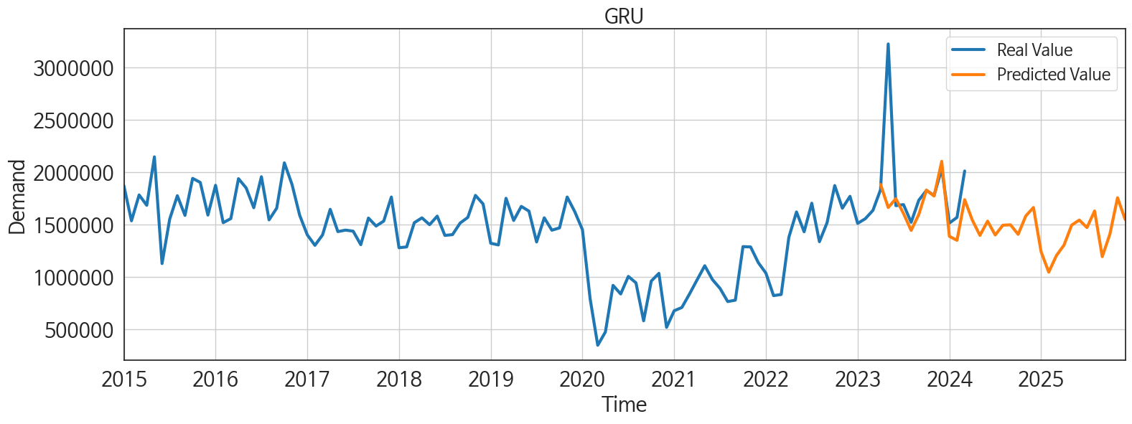
ds | unique_id | y | GRU | TCN | LSTM | NBEATS | DilatedRNN | RNN | NBEATSx | NHITS | TiDE | RandomForest | XGBoost | CatBoost | LightGBM | MLP
2023-04-01 | 1 | 1831775 | 1881027.875 | 1783042 | 1918696.5 | 1699556.5 | 1877148.5 | 1828108.125 | 1633390.625 | 1644402.375 | 1692501 | 1577056.3732 | 1573084.5 | 1573140.7881 | 1585893.3939 | 6841545
2023-05-01 | 1 | 3222240 | 1660794.25 | 1586031.25 | 1580643 | 1706143.25 | 1643963.75 | 1598326.875 | 1633388.625 | 1641869.875 | 1524739.375 | 1311097.9657 | 1147885 | 1407300.0918 | 1235633.8377 | -7156669
2023-06-01 | 1 | 1678704 | 1744866.625 | 1772906 | 1659510.875 | 1674776.375 | 1687529.5 | 1672841.125 | 1633387 | 1636493.125 | 1599459.25 | 1404977.4873 | 1397695.875 | 1397348.8951 | 1430026.0112 | 1782819
2023-07-01 | 1 | 1688805 | 1603415.125 | 1671789.25 | 1529770.25 | 1580422.125 | 1539802.75 | 1641789 | 1633388.625 | 1634116.625 | 1588335.25 | 1577056.3732 | 1573084.5 | 1573140.7881 | 1585893.3939 | -22982858
2023-08-01 | 1 | 1519750 | 1442489.625 | 1468622.25 | 1479210.625 | 1612071.375 | 1526710.625 | 1413417.25 | 1633393.25 | 1635933.625 | 1194480.5 | 1294574.8831 | 1301152.25 | 1301223.0948 | 1296976.7704 | -5624222.5
2023-09-01 | 1 | 1730278 | 1593462.875 | 1535988.625 | 1632206.625 | 1646030 | 1529132.125 | 1582390.875 | 1633395.875 | 1634799.125 | 1454097.25 | 1616382.6416 | 1920173.375 | 1259751.8974 | 1505980.4848 | 458287.5
2023-10-01 | 1 | 1823506 | 1827731.875 | 1784449 | 1869152 | 1741602.25 | 1891940.625 | 1831194 | 1633393.125 | 1628088.75 | 1583721.5 | 1404977.4873 | 1397695.875 | 1397348.8951 | 1430026.0112 | 8964313
2023-11-01 | 1 | 1776440 | 1769922.25 | 1696971 | 1761180.5 | 1792734.625 | 1731571.625 | 1621454.25 | 1633389.875 | 1624657.5 | 1854001.25 | 1294574.8831 | 1301152.25 | 1301223.0948 | 1296976.7704 | 7857252.5
2023-12-01 | 1 | 2030693 | 2101399.5 | 1979209 | 1989082 | 1783036.375 | 2141051.25 | 2020832 | 1633390.75 | 1629664.75 | 2095700 | 1782518.6936 | 1805938.75 | 1805096.8003 | 1585893.3939 | 9880277
2024-01-01 | 1 | 1512083 | 1385665.375 | 1385649.375 | 1286823 | 1717228.25 | 1328095.125 | 1301476.375 | 1633393.25 | 1632516.875 | 1171223.875 | 1294574.8831 | 1301152.25 | 1301223.0948 | 1296976.7704 | 9322751
2024-02-01 | 1 | 1566682 | 1347644.625 | 1314378.875 | 1376366.125 | 1646643.125 | 1386669.75 | 1390440.25 | 1633390.5 | 1627587.75 | 1092843.125 | 1226555.371 | 1199544.875 | 1302437.5475 | 1235633.8377 | 8224925.5
2024-03-01 | 1 | 2009616 | 1735667 | 1703224 | 1716650 | 1684941.875 | 1692513.125 | 1726511.5 | 1633392.75 | 1624829.125 | 1269133.5 | 1475988.6759 | 1471873.375 | 1472300.7355 | 1505980.4848 | -29097776
2024-04-01 | 1 | 0 | 1540944.125 | 1429018.625 | 1434985.75 | 1780438.75 | 1390547.375 | 1445237 | 1633393.375 | 1633533.125 | 1522083.75 | 1294574.8831 | 1301152.25 | 1301223.0948 | 1296976.7704 | -13558821
2024-05-01 | 1 | 0 | 1394782.25 | 1508875.5 | 1480049.5 | 1918910.625 | 1412659.625 | 1511017.75 | 1633392.75 | 1641354.625 | 1080884.25 | 1010955.7823 | 1006218.875 | 1008050.3385 | 1357112.0148 | 11437883
2024-06-01 | 1 | 0 | 1530657.625 | 1515144.125 | 1569171.375 | 1857128 | 1454143.5 | 1484779.625 | 1633391.875 | 1640620.375 | 992963.5625 | 1577056.3732 | 1573084.5 | 1573140.7881 | 1585893.3939 | -27280610
2024-07-01 | 1 | 0 | 1398590.375 | 1355384 | 1393931.75 | 1790162 | 1368704.25 | 1468301.5 | 1633391.75 | 1639933.25 | 850355.0625 | 1294574.8831 | 1301152.25 | 1301223.0948 | 1296976.7704 | 26875498
2024-08-01 | 1 | 0 | 1491929.75 | 1547049.625 | 1532928.125 | 1677914.5 | 1434320.625 | 1490651.125 | 1633392.75 | 1640090.5 | 668145.8125 | 1577056.3732 | 1573084.5 | 1573140.7881 | 1585893.3939 | 8046869
2024-09-01 | 1 | 0 | 1495680.875 | 1450477.375 | 1483242.125 | 1754288.25 | 1413129.75 | 1515870.125 | 1633391.625 | 1640254.375 | 742420.125 | 1404977.4873 | 1397695.875 | 1397348.8951 | 1430026.0112 | -20636708
2024-10-01 | 1 | 0 | 1404560.375 | 1422774.125 | 1376159.625 | 1894333.125 | 1339671.625 | 1196800 | 1633391.25 | 1640099 | 725525.4375 | 1294574.8831 | 1301152.25 | 1301223.0948 | 1296976.7704 | 75854240
2024-11-01 | 1 | 0 | 1580654.125 | 1555675.375 | 1650532.5 | 2038888.25 | 1607548 | 1641508 | 1633390.5 | 1639910.125 | 633554 | 1577056.3732 | 1573084.5 | 1573140.7881 | 1585893.3939 | 94693184
2024-12-01 | 1 | 0 | 1660990.25 | 1624822 | 1638336.125 | 2125874.75 | 1601672.875 | 1417777.875 | 1633392 | 1637093.875 | 1335752.25 | 1404977.4873 | 1397695.875 | 1397348.8951 | 1430026.0112 | 71228328
2025-01-01 | 1 | 0 | 1238764.25 | 1294978.625 | 1304571.75 | 2057758.75 | 1262013.375 | 1191125.875 | 1633392.75 | 1633993 | 863679.4375 | 1404977.4873 | 1397695.875 | 1397348.8951 | 1430026.0112 | 80643512
2025-02-01 | 1 | 0 | 1043854.5 | 1201762.75 | 1133242.625 | 2058446.75 | 1083041.75 | 1054246.875 | 1633392.5 | 1633229.25 | 1175357.5 | 1294574.8831 | 1301152.25 | 1301223.0948 | 1296976.7704 | 77911320
2025-03-01 | 1 | 0 | 1201386 | 1528198.625 | 1454060.25 | 2031496.875 | 1221429.875 | 1358636.125 | 1633392.75 | 1632915.625 | 1388723.625 | 1532445.604 | 1521003.625 | 1520934.0128 | 1505980.4848 | 86174936
2025-04-01 | 1 | 0 | 1302534.25 | 1433418.875 | 1477456.875 | 2138915.25 | 1418916.625 | 1419496.625 | 1633392.75 | 1635721.875 | 1264234.75 | 1294574.8831 | 1301152.25 | 1301223.0948 | 1296976.7704 | 98695368
2025-05-01 | 1 | 0 | 1492914.125 | 1659548 | 1578131.75 | 2198296.5 | 1483176.75 | 1605559 | 1633392.5 | 1639407.625 | 1644044.75 | 1577056.3732 | 1573084.5 | 1573140.7881 | 1585893.3939 | 82349008
2025-06-01 | 1 | 0 | 1540859.125 | 1621589.625 | 1546813.875 | 2161330.5 | 1550611.375 | 1468671.625 | 1633392.875 | 1635500.625 | 976551.1875 | 1010955.7823 | 1006218.875 | 1008050.3385 | 1357112.0148 | 72016864
2025-07-01 | 1 | 0 | 1469352.5 | 1532251 | 1521049.5 | 2102161.75 | 1474670 | 1415956.625 | 1633393 | 1628646.625 | 1381574 | 1294574.8831 | 1301152.25 | 1301223.0948 | 1296976.7704 | 86760872
2025-08-01 | 1 | 0 | 1627652.75 | 1651757.5 | 1793065.25 | 2118349.25 | 1704974 | 1711299 | 1633393.25 | 1627046.375 | 1563135.5 | 1475988.6759 | 1471873.375 | 1472300.7355 | 1505980.4848 | 55034808
2025-09-01 | 1 | 0 | 1191998.25 | 1298321.5 | 1244180.5 | 2126174.5 | 1387105.75 | 1257652 | 1633393.625 | 1628222.625 | 908942.0625 | 1294574.8831 | 1301152.25 | 1301223.0948 | 1296976.7704 | 78570952
2025-10-01 | 1 | 0 | 1406125.625 | 1411642.25 | 1444677.25 | 2095500.375 | 1452085.125 | 1485792.25 | 1633393.25 | 1630837.875 | 1383477.875 | 1657209.0871 | 1444086.5 | 1519225.7991 | 1357112.0148 | 124557400
2025-11-01 | 1 | 0 | 1754309.375 | 1867259.75 | 1739429.125 | 2036192.625 | 1859886.375 | 1708508.25 | 1633393.25 | 1634457.75 | 1218730.125 | 1577056.3732 | 1573084.5 | 1573140.7881 | 1585893.3939 | 130749320
2025-12-01 | 1 | 0 | 1546482.375 | 1603145.375 | 1592069 | 2123972 | 1641362.5 | 1415491.375 | 1633393.25 | 1636208.375 | 957974.5625 | 1294574.8831 | 1301152.25 | 1301223.0948 | 1296976.7704 | 270904832

Performance_주중
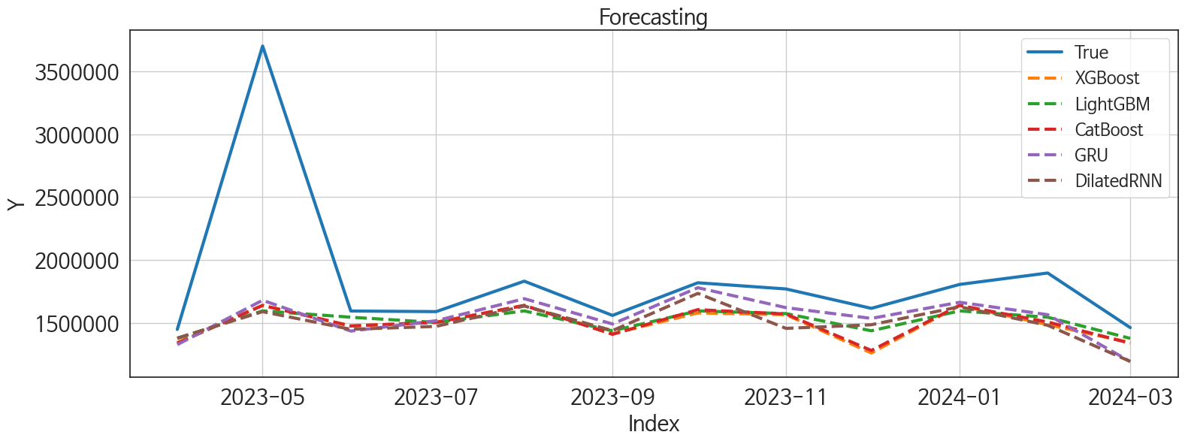
 | MSE | RMSE | MSPE | MAE | MAPE | MedAE | MedAPE
GRU | 3.6456912722E+11 | 603795.60053 | 0.0337234642 | 298957.27083 | 0.12378467031 | 140273.25 | 0.080887988901
DilatedRNN | 4.1143162102E+11 | 641429.35778 | 0.040781584176 | 345507.91667 | 0.14758198914 | 161197.5 | 0.094539640206
LightGBM | 4.001530951E+11 | 632576.55276 | 0.036889497678 | 325944.76372 | 0.13439473408 | 186858.17101 | 0.11031555862
CatBoost | 3.9362456916E+11 | 627395.06625 | 0.039247663588 | 345082.78751 | 0.14829483333 | 179157.79046 | 0.10054445967
XGBoost | 3.9711491095E+11 | 630170.54116 | 0.040286476475 | 349738.05208 | 0.1507479434 | 179465 | 0.098969494647
LSTM | 4.0512132047E+11 | 636491.4143 | 0.041316206779 | 340521.19792 | 0.14451349976 | 193215.875 | 0.1065590399
NBEATS | 4.6050126329E+11 | 678602.43389 | 0.043184535546 | 350929.36458 | 0.14426896246 | 187916.5 | 0.11033214017
TCN | 3.510447996E+11 | 592490.33714 | 0.03709552348 | 319428.66667 | 0.13676029295 | 191723.8125 | 0.1193651766
RandomForest | 4.0197955609E+11 | 634018.57708 | 0.04102043544 | 357281.50974 | 0.15515195831 | 191346.59641 | 0.11163609814
RNN | 4.4101361923E+11 | 664088.56279 | 0.043529145359 | 365531.22917 | 0.15847558668 | 209226.9375 | 0.13011478364
TiDE | 5.4051614227E+11 | 735198.02929 | 0.074944889911 | 483692.5 | 0.22539833367 | 384984.75 | 0.23478175932
NHITS | 4.8261217225E+11 | 694702.93813 | 0.14095327393 | 535822.5625 | 0.29091406373 | 335568.3125 | 0.19940964649
MLP | 6.178803329E+13 | 7860536.4506 | 22.286413641 | 6496255.25 | 3.7857813209 | 5110328.5 | 2.5053559725
NBEATSx | 8.8874541121E+15 | 94273294.798 | 3064.5134203 | 68265883.724 | 39.589469046 | 65143566.5 | 36.299212676

Forecasting_주중
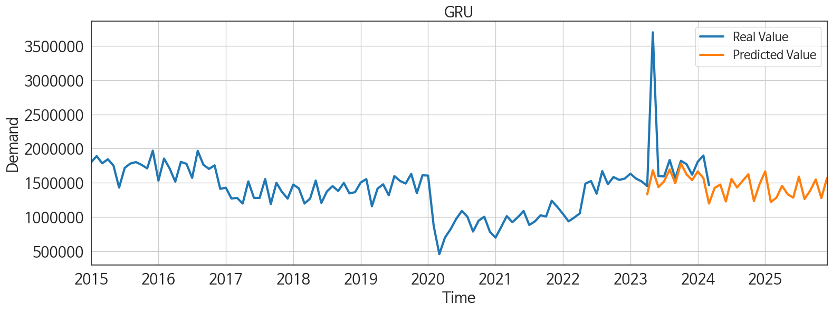
ds | unique_id | y | GRU | DilatedRNN | LightGBM | CatBoost | XGBoost | LSTM | NBEATS | TCN | RandomForest | RNN | TiDE | NHITS | MLP | NBEATSx
2023-04-01 | 1 | 1449597 | 1328690.625 | 1380547.75 | 1378359.3834 | 1339828.0495 | 1345837 | 1451339.625 | 1479137.5 | 1475726.875 | 1338782.533 | 1310229.875 | 1575083.375 | 2383940 | 15293461 | -987129.5625
2023-05-01 | 1 | 3699360 | 1681071.5 | 1590697 | 1596554.2525 | 1640372.2095 | 1640065 | 1620456.625 | 1453901.125 | 1775381.25 | 1628183.4036 | 1509774.75 | 1504796.125 | 2213917.5 | 9082177 | 13916060
2023-06-01 | 1 | 1595657 | 1436250.125 | 1450464 | 1546412.3365 | 1477479.0229 | 1476213.5 | 1366534.5 | 1459812.25 | 1404104.375 | 1467276.5032 | 1378072.875 | 1404782.25 | 1760110.875 | 12946664 | 2012810.875
2023-07-01 | 1 | 1590963 | 1518463.375 | 1473732.125 | 1504682.2425 | 1504988.8002 | 1506749.25 | 1502570.25 | 1487305.375 | 1603508.375 | 1502384.6008 | 1412151.875 | 1419519.5 | 1434444.875 | -1371941.5 | 2456744.25
2023-08-01 | 1 | 1832474 | 1693508 | 1635202.875 | 1596554.2525 | 1640372.2095 | 1640065 | 1678705.875 | 1477078.75 | 1734241.375 | 1628183.4036 | 1605486.625 | 1380327.875 | 1172302.125 | 5026757.5 | -4780149.5
2023-09-01 | 1 | 1560822 | 1492780 | 1440081.125 | 1438620.4853 | 1410581.9771 | 1415760.125 | 1579334.25 | 1479298.375 | 1546132.625 | 1386339.7275 | 1345127.625 | 1071674.5 | 1231421 | 3419108.25 | 2311755.5
2023-10-01 | 1 | 1819911 | 1780575.75 | 1735575.5 | 1596554.2525 | 1606497.7583 | 1580430.625 | 1626568.75 | 1548621 | 1736598 | 1543929.7895 | 1696989.375 | 1397771 | 1478175.375 | 2363527.25 | 130822256
2023-11-01 | 1 | 1770736 | 1622337 | 1457861.875 | 1575254.1726 | 1572121.2707 | 1566701.125 | 1566773 | 1530747.75 | 1469062.25 | 1553785.75 | 1527252.125 | 1732088.75 | 1625959 | 6608576 | 134128480
2023-12-01 | 1 | 1616855 | 1537221.625 | 1486726.75 | 1438620.4853 | 1282394.1171 | 1262399.25 | 1465478.625 | 1560215.875 | 1424960 | 1268739.1781 | 1459337.625 | 1707009 | 1365956.75 | 5301029 | 121687288
2024-01-01 | 1 | 1806586 | 1665005.5 | 1629384 | 1596554.2525 | 1640372.2095 | 1640065 | 1613496.5 | 1556453.375 | 1493227.75 | 1628183.4036 | 1702015.875 | 1250486.875 | 1389012 | -9722884 | 142371872
2024-02-01 | 1 | 1897429 | 1566386.25 | 1482327.625 | 1546412.3365 | 1508445.876 | 1487295.5 | 1419399.625 | 1561701.125 | 1526799.875 | 1532326.0572 | 1510336.125 | 1171651 | 2146234 | 14690363 | 132800768
2024-03-01 | 1 | 1463885 | 1194498 | 1195579.375 | 1378359.3834 | 1339828.0495 | 1345837 | 1167872.75 | 1569838.875 | 1158738.75 | 1338782.533 | 1261125.5 | 1116055.5 | 2759635.5 | 7437751.5 | 146455424
2024-04-01 | 1 | 0 | 1422745 | 1329392.125 | 1596554.2525 | 1569121.2165 | 1565038.5 | 1390872.125 | 1618884.625 | 1348740.75 | 1544383.1546 | 1541492.125 | 1243974.375 | 1970588.875 | 16527379 | 136785376
2024-05-01 | 1 | 0 | 1472937.25 | 1549449.625 | 1596554.2525 | 1562658.0534 | 1532964.75 | 1481293.5 | 1653967.25 | 1445671.5 | 1542203.9286 | 1576750 | 1085094 | 1167170.75 | 205027.51562 | 142870976
2024-06-01 | 1 | 0 | 1225282 | 1267762.25 | 1438620.4853 | 1282394.1171 | 1262399.25 | 1282929.5 | 1653076.625 | 1207465.625 | 1268739.1781 | 1336539.125 | 980263.0625 | 962435.4375 | 9928529 | 293456608
2024-07-01 | 1 | 0 | 1555136.25 | 1532316.5 | 1575254.1726 | 1766827.6152 | 1782602.25 | 1514133 | 1643904.5 | 1453376 | 1748760.0845 | 1641193 | 1051196.5 | 687161.5 | 10185617 | 273027904
2024-08-01 | 1 | 0 | 1429345.125 | 1439301.625 | 1546412.3365 | 1477479.0229 | 1476213.5 | 1477752 | 1636456.5 | 1337294.375 | 1467276.5032 | 1535619.25 | 892654.4375 | 1061205.625 | -4351012 | 287368288
2024-09-01 | 1 | 0 | 1528997.875 | 1524660.125 | 1546412.3365 | 1658769.7507 | 1642793.625 | 1491644.75 | 1643381.5 | 1500764.375 | 1673671.0877 | 1522459.875 | 871919.625 | 1473049.625 | 3659847.25 | 298429984
2024-10-01 | 1 | 0 | 1623493.875 | 1532784.125 | 1596554.2525 | 1543912.4556 | 1543780.25 | 1598196.625 | 1706926.5 | 1497675.25 | 1543377.1427 | 1730338.875 | 854393 | 1747433 | 3232072 | 283822336
2024-11-01 | 1 | 0 | 1230325.375 | 1241317.625 | 1378359.3834 | 1339828.0495 | 1345837 | 1247096.375 | 1704767.375 | 1234285.375 | 1338782.533 | 1439710.125 | 556519.1875 | 2054743.125 | 8596320 | 296268960
2024-12-01 | 1 | 0 | 1478268 | 1475677.75 | 1596554.2525 | 1569121.2165 | 1565038.5 | 1428162.375 | 1781129.25 | 1489919.75 | 1544383.1546 | 1520919.5 | 1336936.375 | 1723835.5 | -3550176.5 | 300575456
2025-01-01 | 1 | 0 | 1665515.5 | 1625172.25 | 1596554.2525 | 1503131.8628 | 1497759.25 | 1643148.375 | 1848869 | 1650303.5 | 1566455.6937 | 1570840.25 | 958947.375 | 1282912 | 2632624.25 | 300648448
2025-02-01 | 1 | 0 | 1218281.375 | 1171355.75 | 1378359.3834 | 1339828.0495 | 1345837 | 1182302.875 | 1830492.5 | 1180420.125 | 1338782.533 | 1248537 | 901143.1875 | 1548237.5 | 1677979.625 | 296946272
2025-03-01 | 1 | 0 | 1279479.375 | 1266059 | 1546412.3365 | 1477479.0229 | 1476213.5 | 1251418 | 1894801.75 | 1261504.625 | 1467276.5032 | 1441777.625 | 1531727.25 | 2120306.5 | 22908874 | 300306400
2025-04-01 | 1 | 0 | 1453774.125 | 1525388 | 1575254.1726 | 1572121.2707 | 1566701.125 | 1451268 | 1866472.5 | 1498478.75 | 1553785.75 | 1415214.75 | 1173178.75 | 2177519.5 | 56430204 | 289549984
2025-05-01 | 1 | 0 | 1330766.125 | 1387719.625 | 1546412.3365 | 1631605.2277 | 1604845.125 | 1432584 | 1914133 | 1397579 | 1595892.8481 | 1431621.5 | 1614120 | 2180051.5 | 54097484 | 291768992
2025-06-01 | 1 | 0 | 1281141.75 | 1248790.125 | 1504682.2425 | 1504988.8002 | 1506749.25 | 1276447.125 | 1940886.375 | 1292324.625 | 1502384.6008 | 1368776 | 1115957 | 9726269 | 42709128 | 285953280
2025-07-01 | 1 | 0 | 1589247.375 | 1563802.5 | 1575254.1726 | 1766827.6152 | 1782602.25 | 1603027.375 | 1922808.125 | 1601338.25 | 1748760.0845 | 1608152 | 1159392 | 20214856 | 82174832 | 301344288
2025-08-01 | 1 | 0 | 1261300.375 | 1353133.5 | 1378359.3834 | 1339828.0495 | 1345837 | 1308017.875 | 1934629.5 | 1325626.625 | 1338782.533 | 1280568.25 | 1342543.375 | 23622322 | 87658120 | 290629856
2025-09-01 | 1 | 0 | 1381939 | 1422106.5 | 1575254.1726 | 1572121.2707 | 1566701.125 | 1400183.75 | 1979692.625 | 1408591.625 | 1553785.75 | 1512714.5 | 1174583.125 | 23375644 | 129366952 | 286611424
2025-10-01 | 1 | 0 | 1546653.875 | 1542300.625 | 1596554.2525 | 1612944.1476 | 1497917.875 | 1577465.875 | 1951668.875 | 1585878.375 | 1707805.9964 | 1490703.875 | 1383379.75 | 23452094 | 142557232 | 279126464
2025-11-01 | 1 | 0 | 1274487.125 | 1312618.375 | 1378359.3834 | 1339828.0495 | 1345837 | 1268912.875 | 1930463.875 | 1279707.375 | 1338782.533 | 1323343.625 | 1100130.5 | 23754140 | 148238752 | 291537568
2025-12-01 | 1 | 0 | 1567245 | 1618451.375 | 1596554.2525 | 1640372.2095 | 1640065 | 1554193.75 | 1940879.125 | 1643444.125 | 1628183.4036 | 1611915.125 | 770656.3125 | 23899872 | 251126880 | 274643072

