Performance_전체
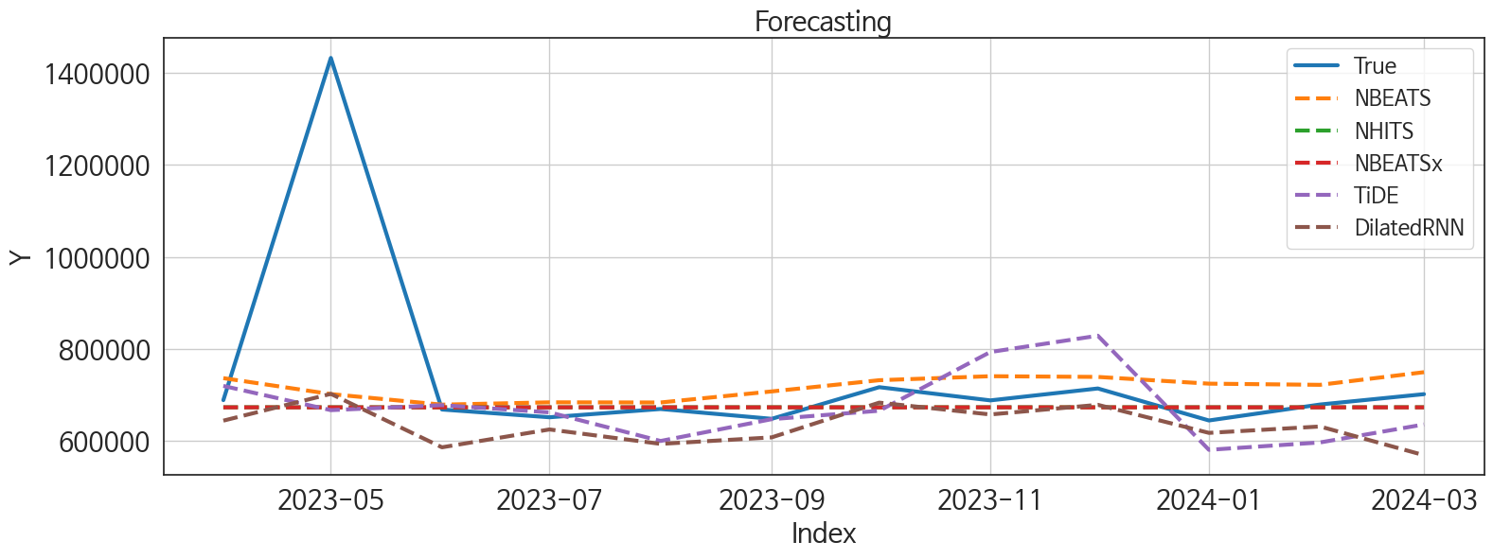
 | MSE | RMSE | MSPE | MAE | MAPE | MedAE | MedAPE
NBEATSx | 48630132247 | 220522.40759 | 0.024620901415 | 82756.557292 | 0.072622515701 | 23272.34375 | 0.035823250514
NHITS | 48611187950 | 220479.45018 | 0.024609135884 | 82719.067708 | 0.072582501415 | 23424.78125 | 0.03605789796
NBEATS | 46257337433 | 215075.19018 | 0.025675530559 | 96545.479167 | 0.09550584918 | 45273.65625 | 0.065531129481
DilatedRNN | 47817281716 | 218671.62988 | 0.028876586733 | 108875.35938 | 0.11297312558 | 42426.46875 | 0.063440721558
TiDE | 52834411216 | 229857.37146 | 0.032204198164 | 114170.03646 | 0.11783661621 | 64813.09375 | 0.096400534178
RNN | 50507231979 | 224738.14091 | 0.03744948609 | 128573.46094 | 0.14273943846 | 64864.34375 | 0.094758239719
GRU | 56051220683 | 236751.39003 | 0.041882527251 | 136871.97656 | 0.15256244115 | 63363.78125 | 0.093701602383
LSTM | 55347280823 | 235260.0281 | 0.038179189149 | 135580.56771 | 0.150142687 | 71272.9375 | 0.10186383162
TCN | 84561012723 | 290793.76321 | 0.109896767 | 208082.28776 | 0.25943360731 | 101905.3125 | 0.14885044105
LightGBM | 1.18329284E+11 | 343990.23824 | 0.12757844806 | 273912.73046 | 0.341246451 | 216829.87973 | 0.33020461137
RandomForest | 1.1206791125E+11 | 334765.45707 | 0.1268296073 | 271566.50855 | 0.3409647176 | 223822.95617 | 0.33454806474
CatBoost | 1.1409870519E+11 | 337784.99846 | 0.13186363968 | 275585.37347 | 0.34703965094 | 226621.17174 | 0.34470913048
XGBoost | 1.1485261163E+11 | 338899.11718 | 0.13343746416 | 276594.86458 | 0.34858043955 | 226919.25 | 0.34516300597
MLP | 4.2697985958E+11 | 653436.95915 | 0.75129362934 | 556909.05583 | 0.74907889835 | 586624.04688 | 0.78704295017

Forecasting_전체
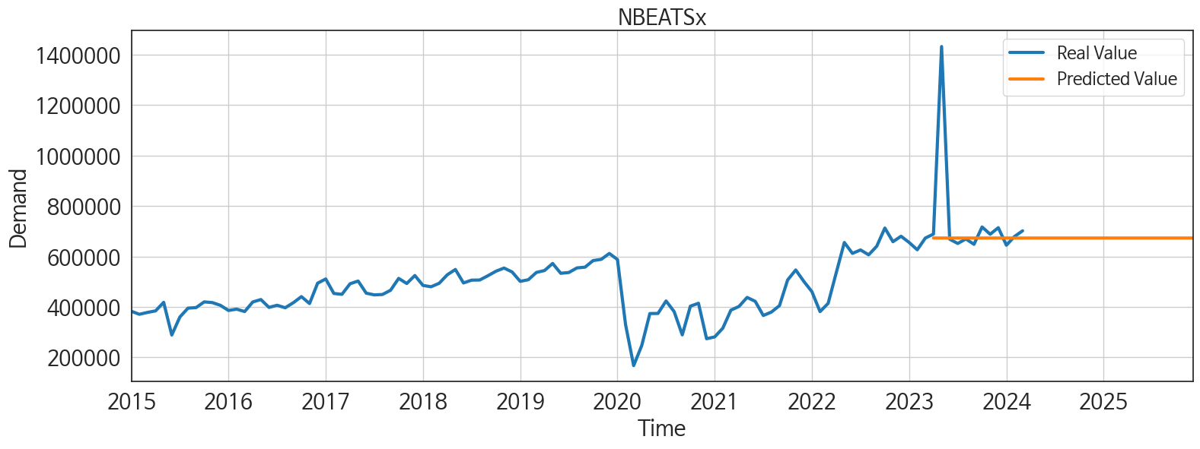
ds | unique_id | y | NBEATSx | NHITS | NBEATS | DilatedRNN | TiDE | RNN | GRU | LSTM | TCN | LightGBM | RandomForest | CatBoost | XGBoost | MLP
2023-04-01 | 1 | 688648 | 673042 | 673193.0625 | 736484.0625 | 644118.125 | 719597 | 671030.4375 | 662325.6875 | 632414.875 | 693360.8125 | 484619.83758 | 502502.63614 | 500195.32406 | 500206.03125 | 818041.3125
2023-05-01 | 1 | 1432442 | 673039.3125 | 673171.75 | 701859.25 | 702327.4375 | 666948.875 | 717423.5 | 680720 | 668917.5 | 711101.4375 | 474485.7617 | 523583.3565 | 525985.49586 | 525370.875 | 340913.96875
2023-06-01 | 1 | 668339 | 673035.1875 | 673123.6875 | 678896.3125 | 586184.75 | 677804.4375 | 592097.5 | 584699.125 | 578063.375 | 639699.8125 | 443352.63581 | 450876.11256 | 460413.9 | 454283.875 | -137411.46875
2023-07-01 | 1 | 651454 | 673038.875 | 673180.375 | 683958.5 | 624973.875 | 662157.625 | 611971.5 | 610744.125 | 601060.4375 | 573386.4375 | 473870.19541 | 421270.97511 | 408418.58359 | 406705.875 | 10374.966797
2023-08-01 | 1 | 669451 | 673039.875 | 673181.8125 | 683603 | 593629.375 | 599932 | 624251.875 | 576063.5 | 537247.0625 | 578235.1875 | 435829.60473 | 434004.29106 | 430355.82826 | 430057.75 | 207230.03125
2023-09-01 | 1 | 648086 | 673045.8125 | 673209.1875 | 707643.25 | 607762.9375 | 647340.125 | 593117.75 | 600945.1875 | 595137.5 | 571183.9375 | 490403.24559 | 513811.712 | 523430.21404 | 523300.96875 | 226665
2023-10-01 | 1 | 716861 | 673046.125 | 673221.375 | 732002.1875 | 683278.125 | 665612.125 | 664118.75 | 657956.75 | 647317.9375 | 624147.5 | 534265.48272 | 534541.06881 | 539725.10352 | 551939.3125 | 134711.90625
2023-11-01 | 1 | 688137 | 673043.3125 | 673210.9375 | 740693.75 | 657567 | 793293.6875 | 656128.75 | 646450.375 | 649325.375 | 577039.875 | 482086.95572 | 507739.53575 | 507068.44336 | 506478.625 | 584376.375
2023-12-01 | 1 | 714043 | 673039.4375 | 673215.75 | 739158.75 | 678520 | 828721.3125 | 639282.5625 | 658810.25 | 637842.375 | 529673 | 458238.90695 | 437567.61057 | 432748.70321 | 431928.5625 | 54596.269531
2024-01-01 | 1 | 644503 | 673042.1875 | 673207 | 724497.875 | 617531.5625 | 580709.8125 | 563434.875 | 576679.6875 | 571500.1875 | 350399.125 | 435829.60473 | 434004.29106 | 430355.82826 | 430057.75 | 1235602
2024-02-01 | 1 | 679183 | 673042.1875 | 673208.625 | 721966.1875 | 631404.5 | 596728.6875 | 544384.8125 | 534438.625 | 614894.875 | 254305.85938 | 444663.09659 | 446569.69723 | 404366.39102 | 391440.4375 | 636677.875
2024-03-01 | 1 | 701690 | 673041.875 | 673222.75 | 749454.125 | 569035 | 635857 | 482713.15625 | 470539.96875 | 542148.6875 | 312742.1875 | 458238.90695 | 437567.61057 | 432748.70321 | 431928.5625 | -450865.28125
2024-04-01 | 1 | 0 | 673042.25 | 673228.3125 | 783607.125 | 635577.9375 | 633289.875 | 498378.96875 | 491994.0625 | 587126.125 | 253854.4375 | 408242.08676 | 389911.58217 | 389295.12133 | 390216.875 | 125951.95312
2024-05-01 | 1 | 0 | 673043.1875 | 673224.8125 | 798869.5 | 705284.3125 | 565703.875 | 575605.75 | 493604.25 | 672256 | 328403.6875 | 534265.48272 | 555700.16154 | 538179.15434 | 551820.1875 | 47817.21875
2024-06-01 | 1 | 0 | 673042.1875 | 673235.375 | 791261 | 542576.625 | 581130.1875 | 425775.5625 | 436986.15625 | 523246.0625 | 297096.1875 | 461136.67337 | 508919.19676 | 512427.21572 | 514065.4375 | -534142.5625
2024-07-01 | 1 | 0 | 673040.1875 | 673270.6875 | 781742.25 | 491973.21875 | 591895.625 | 445148.9375 | 379187.6875 | 552397.375 | 346753.1875 | 482823.80986 | 518166.68284 | 532127.55847 | 536309.8125 | 33534.324219
2024-08-01 | 1 | 0 | 673041.875 | 673276.8125 | 771656.5 | 460575.4375 | 485764.6875 | 444986.625 | 441943.8125 | 544485.875 | 378661.96875 | 457868.90498 | 488963.65228 | 489948.11132 | 489894.8125 | 227300.17188
2024-09-01 | 1 | 0 | 673042.4375 | 673277.1875 | 791282.8125 | 426555.28125 | 478464.78125 | 466376.1875 | 403478.40625 | 530370.875 | 363154.8125 | 504442.81761 | 531509.36583 | 537685.87042 | 538237.625 | -193859.82812
2024-10-01 | 1 | 0 | 673040.625 | 673260.1875 | 821463.875 | 412891.5 | 657013.375 | 429999.46875 | 432522.9375 | 529954.4375 | 414262.1875 | 474485.7617 | 546131.80304 | 560751.47179 | 562508.625 | 156011.90625
2024-11-01 | 1 | 0 | 673040.0625 | 673260.4375 | 843247.75 | 301822.4375 | 445469.84375 | 376339.09375 | 415430.90625 | 432117.34375 | 329930.875 | 484619.83758 | 502502.63614 | 500195.32406 | 500206.03125 | 1209013.5
2024-12-01 | 1 | 0 | 673042.75 | 673275.375 | 847031.75 | 437287.84375 | 728677.8125 | 485052.84375 | 481750.40625 | 509516 | 360273.4375 | 471483.98147 | 463560.99901 | 458466.68823 | 458362.09375 | -147448.48438
2025-01-01 | 1 | 0 | 673040.875 | 673276.8125 | 853233.875 | 482260.9375 | 533624.75 | 505070.84375 | 487938.9375 | 501856.1875 | 387024.125 | 534265.48272 | 566360.15711 | 567127.46972 | 566717.375 | 67139.570312
2025-02-01 | 1 | 0 | 673042.0625 | 673267.0625 | 867088.8125 | 247141.79688 | 629500.8125 | 296175.75 | 309650.9375 | 305112.75 | 299059.6875 | 481534.35057 | 530909.54467 | 539566.89831 | 539874.5625 | 15944.584961
2025-03-01 | 1 | 0 | 673042.5625 | 673281.0625 | 896171.375 | 144100.59375 | 755823.625 | 210060.04688 | 235805.70312 | 248503.1875 | 278612.71875 | 506587.78886 | 514627.7485 | 523824.08249 | 524325.0625 | -36714.867188
2025-04-01 | 1 | 0 | 673042.75 | 673299.6875 | 905652.4375 | 192882.54688 | 676161.4375 | 245159.875 | 215787.1875 | 276807.5 | 296002.6875 | 482086.95572 | 507739.53575 | 507068.44336 | 506478.625 | 1387760.75
2025-05-01 | 1 | 0 | 673040.9375 | 673300.5625 | 909658.5 | 289527.8125 | 829232.4375 | 422082.28125 | 381884.59375 | 377837.75 | 407432.15625 | 506587.78886 | 466775.34567 | 443492.98714 | 437499.75 | 2279894.75
2025-06-01 | 1 | 0 | 673041.5 | 673378.6875 | 929042.5 | 306096.9375 | 565252.4375 | 398538.3125 | 388852.6875 | 310238.8125 | 343572.9375 | 443352.63581 | 450876.11256 | 460413.9 | 454283.875 | 998920.875
2025-07-01 | 1 | 0 | 673042.125 | 673367.5 | 907766.1875 | 411071.8125 | 755780.375 | 441044.625 | 432504.625 | 355647.25 | 439380.65625 | 482823.80986 | 518166.68284 | 532127.55847 | 536309.8125 | 2150070.25
2025-08-01 | 1 | 0 | 673043.6875 | 673371.875 | 918895.75 | 367873.9375 | 758323.9375 | 423749.0625 | 366817.9375 | 293448.75 | 388156.875 | 458238.90695 | 437567.61057 | 432748.70321 | 431928.5625 | 2322319
2025-09-01 | 1 | 0 | 673041.25 | 673373.8125 | 933487.75 | 291370.3125 | 582078.3125 | 340579.71875 | 304984.8125 | 175615.0625 | 339481.6875 | 482086.95572 | 507739.53575 | 507068.44336 | 506478.625 | 4398287
2025-10-01 | 1 | 0 | 673042.125 | 673353.125 | 927315.625 | 432123.21875 | 748836.5625 | 464268.28125 | 439333.8125 | 343998.34375 | 411694 | 534265.48272 | 566360.15711 | 567127.46972 | 566717.375 | 4194003
2025-11-01 | 1 | 0 | 673042.375 | 673362.0625 | 914967.4375 | 451010.15625 | 589107.1875 | 530616.875 | 513397.375 | 408388.96875 | 493980.34375 | 484619.83758 | 502502.63614 | 500195.32406 | 500206.03125 | 6472980
2025-12-01 | 1 | 0 | 673042.1875 | 673361.375 | 940858.875 | 360837.71875 | 572830.875 | 449562.8125 | 404840.625 | 213246.92188 | 515093.1875 | 435829.60473 | 434004.29106 | 430355.82826 | 430057.75 | 10490070

Performance_주말
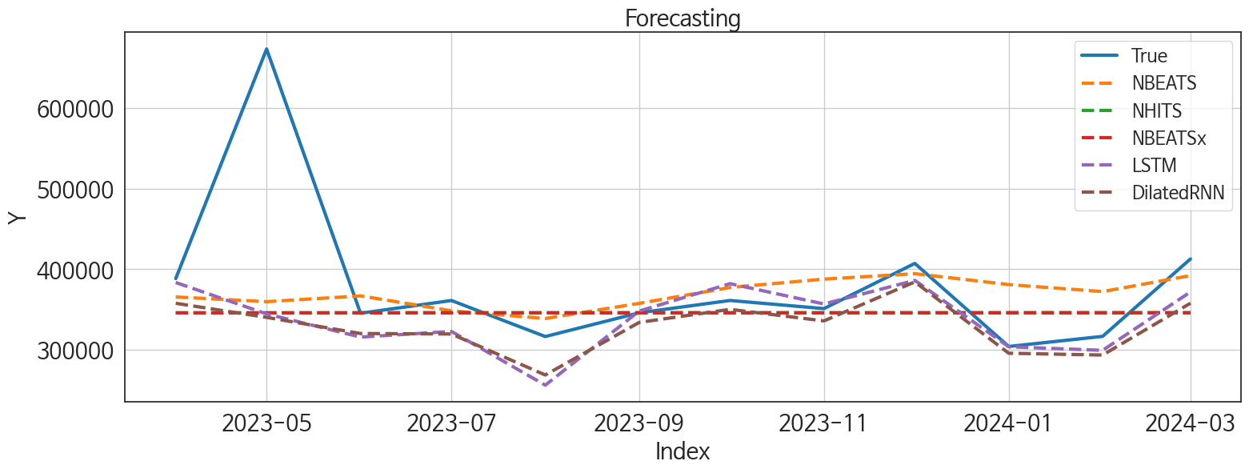
 | MSE | RMSE | MSPE | MAE | MAPE | MedAE | MedAPE
LSTM | 9741637815.6 | 98699.735641 | 0.026042966326 | 47520.954427 | 0.097521661143 | 20965.1875 | 0.056208281425
NBEATS | 9266207651.4 | 96261.142999 | 0.028522287305 | 51924.458333 | 0.11537286532 | 21957.609375 | 0.060577037172
DilatedRNN | 10088563383 | 100441.8408 | 0.026917533774 | 52136.898438 | 0.10921419236 | 24143.953125 | 0.072933986681
NHITS | 10094935163 | 100473.55455 | 0.028090979775 | 52904.401042 | 0.11100098438 | 29336.46875 | 0.092655821173
NBEATSx | 10093463823 | 100466.23225 | 0.028092813821 | 52902.927083 | 0.11101358733 | 29425.421875 | 0.092936755158
TiDE | 10637545631 | 103138.47794 | 0.032541788889 | 59230.945312 | 0.1295564212 | 32385.125 | 0.098893485303
GRU | 11065706308 | 105193.66097 | 0.034478302046 | 61156.949219 | 0.13561060567 | 47475.453125 | 0.13827388475
RNN | 11519519523 | 107329.02461 | 0.036484612317 | 68772.609375 | 0.15547419087 | 45908.265625 | 0.13591898734
TCN | 14904868885 | 122085.49826 | 0.066679356249 | 85912.720052 | 0.20545495205 | 54304.4375 | 0.16271847506
RandomForest | 31561113688 | 177654.47838 | 0.13760357407 | 144291.45257 | 0.35108285527 | 113091.43619 | 0.3051416621
CatBoost | 30356766801 | 174231.93393 | 0.13582815665 | 143621.69116 | 0.35089995565 | 116274.26552 | 0.308634177
LightGBM | 31792249952 | 178303.81362 | 0.13861320598 | 145100.09742 | 0.35333890482 | 117806.95653 | 0.31480172527
XGBoost | 32967220491 | 181568.7762 | 0.14461738968 | 147522.28255 | 0.35953284576 | 116058.38281 | 0.31320162074
MLP | 1.5473390987E+11 | 393362.31374 | 0.99999264482 | 382024.90488 | 0.9999963224 | 356207.65501 | 0.99999621346

Forecasting_주말
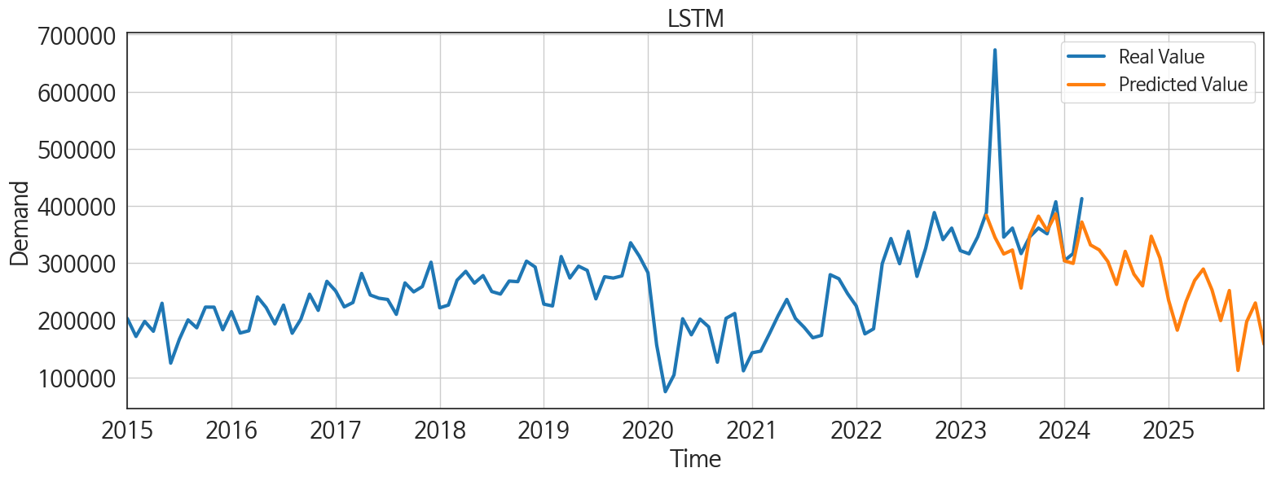
ds | unique_id | y | LSTM | NBEATS | DilatedRNN | NHITS | NBEATSx | TiDE | GRU | RNN | TCN | RandomForest | CatBoost | LightGBM | XGBoost | MLP
2023-04-01 | 1 | 388460 | 383548.75 | 365628.8125 | 357769.375 | 345926.5 | 345928.65625 | 377809.75 | 377176.625 | 362721.1875 | 395237.90625 | 266028.34929 | 265661.97757 | 263707.72979 | 265650.03125 | 1.8302817345
2023-05-01 | 1 | 673228 | 344602.25 | 359793.28125 | 340299.28125 | 345902 | 345922.46875 | 345876.8125 | 339427.4375 | 336018.25 | 361565.125 | 196664.81355 | 215125.62222 | 192546.6077 | 186149.73438 | 2.6256239414
2023-06-01 | 1 | 345414 | 315865.9375 | 366961.09375 | 320275.25 | 345931.4375 | 345987.6875 | 358072.875 | 320723.25 | 316511.75 | 323452.84375 | 243478.35978 | 241864.27743 | 249833.47924 | 241963.64062 | 1.4866797924
2023-07-01 | 1 | 361238 | 322866.1875 | 348469.71875 | 319682.875 | 345939.40625 | 345995.71875 | 355169.71875 | 309296.46875 | 311180.15625 | 323072.15625 | 266028.34929 | 265661.97757 | 263707.72979 | 265650.03125 | 1.8600633144
2023-08-01 | 1 | 316512 | 256201.01562 | 338880.125 | 268844.5 | 345934.34375 | 346010.21875 | 277192.375 | 257699.45312 | 259385.59375 | 264672.3125 | 223233.6672 | 223818.21081 | 222046.61638 | 223807.90625 | 1.0145688057
2023-09-01 | 1 | 345989 | 348122.53125 | 357670.3125 | 334035.34375 | 345959.46875 | 346017.4375 | 371439.625 | 348904.09375 | 322442.1875 | 312483.3125 | 247619.25917 | 223268.86205 | 250545.80928 | 238643.3125 | 1.2708289623
2023-10-01 | 1 | 361270 | 382140.5 | 377411.75 | 350269.28125 | 345947.46875 | 346009.46875 | 351376.21875 | 360500.46875 | 318069.28125 | 343632.28125 | 243478.35978 | 241864.27743 | 249833.47924 | 241963.64062 | 1.1390997171
2023-11-01 | 1 | 351180 | 356931.125 | 387737.78125 | 335904.4375 | 345936.34375 | 346003.5625 | 427051.59375 | 332167.875 | 302564.1875 | 294410.8125 | 223233.6672 | 223818.21081 | 222046.61638 | 223807.90625 | 0.82991039753
2023-12-01 | 1 | 407266 | 386206.125 | 394494.6875 | 384332.4375 | 345963.59375 | 346017.0625 | 472652.75 | 353197.28125 | 334006.125 | 317736.5 | 292353.28155 | 294123.19153 | 263707.72979 | 294455.59375 | 1.2226355076
2024-01-01 | 1 | 304207 | 303850.46875 | 380981.25 | 295799.0625 | 345973.96875 | 346077.4375 | 287163.5625 | 255110.46875 | 263625.0625 | 225033.60938 | 223233.6672 | 223818.21081 | 222046.61638 | 223807.90625 | 0.44948530197
2024-02-01 | 1 | 316724 | 299416.0625 | 372280.28125 | 293574.84375 | 345974.59375 | 346076.625 | 267079.96875 | 270869.625 | 287587.65625 | 207894.9375 | 205453.84607 | 221341.49657 | 192546.6077 | 187843.07812 | 1.260381341
2024-03-01 | 1 | 412828 | 371823.90625 | 392166.59375 | 357886.53125 | 345988.75 | 346081.34375 | 341395.09375 | 331189.75 | 344933.25 | 197727.375 | 222012.94912 | 220489.39121 | 250545.80928 | 220305.82812 | 2.1518564224
2024-04-01 | 1 | 0 | 331675.8125 | 397983.21875 | 328366.25 | 345980.75 | 346075.96875 | 351227.6875 | 278186.21875 | 250563.4375 | 124352.34375 | 223233.6672 | 223818.21081 | 222046.61638 | 223807.90625 | 1.497841835
2024-05-01 | 1 | 0 | 323070.96875 | 419213.5625 | 311237.09375 | 346007.71875 | 346073.90625 | 301151.125 | 197685.29688 | 247357.40625 | 114528.99219 | 179011.23131 | 172552.49043 | 237145.08161 | 172125.53125 | 0.55643081665
2024-06-01 | 1 | 0 | 302604.5625 | 425513.40625 | 276659.78125 | 345992.84375 | 346074.40625 | 308800.6875 | 223976.82812 | 192180.96875 | 176761.21875 | 266028.34929 | 265661.97757 | 263707.72979 | 265650.03125 | 1.6696122885
2024-07-01 | 1 | 0 | 262556.25 | 412672.65625 | 251892.0625 | 346001.4375 | 346078.625 | 278785.84375 | 176776.95312 | 153884.45312 | 146102.4375 | 223233.6672 | 223818.21081 | 222046.61638 | 223807.90625 | 1.9961465597
2024-08-01 | 1 | 0 | 320479.09375 | 405053 | 285856.875 | 346016.4375 | 346074.0625 | 212473.67188 | 191488.96875 | 195269.4375 | 189987.98438 | 266028.34929 | 265661.97757 | 263707.72979 | 265650.03125 | 1.5293502808
2024-09-01 | 1 | 0 | 280625.03125 | 415028.03125 | 280093.53125 | 346011.125 | 346075.375 | 248837.67188 | 186371.04688 | 162802.78125 | 150752.96875 | 243478.35978 | 241864.27743 | 249833.47924 | 241963.64062 | 1.7618682384
2024-10-01 | 1 | 0 | 260022.64062 | 426171.78125 | 251189.67188 | 345999.25 | 346079.5625 | 299450.8125 | 168164.15625 | 168315.75 | 152697.51562 | 223233.6672 | 223818.21081 | 222046.61638 | 223807.90625 | 0.5458574295
2024-11-01 | 1 | 0 | 347016.46875 | 445933.40625 | 304250.0625 | 346013.25 | 346067.6875 | 242367.04688 | 208529.89062 | 217841.6875 | 195675 | 266028.34929 | 265661.97757 | 263707.72979 | 265650.03125 | 2.9407918453
2024-12-01 | 1 | 0 | 308594.8125 | 457654.5625 | 299622.6875 | 346228.0625 | 346081.5625 | 375915.8125 | 211381.9375 | 189858.8125 | 167107.01562 | 243478.35978 | 241864.27743 | 249833.47924 | 241963.64062 | 1.6414041519
2025-01-01 | 1 | 0 | 234918.14062 | 449305.125 | 191123.23438 | 346238.03125 | 346079.21875 | 251445.10938 | 154245.3125 | 136164.07812 | 170927.17188 | 243478.35978 | 241864.27743 | 249833.47924 | 241963.64062 | 0.38331222534
2025-02-01 | 1 | 0 | 182446.75 | 453446.28125 | 162604.34375 | 346226.65625 | 346078.21875 | 343380.53125 | 146177.15625 | 91610.34375 | 180552.78125 | 223233.6672 | 223818.21081 | 222046.61638 | 223807.90625 | 2.4405155182
2025-03-01 | 1 | 0 | 232150 | 458085.8125 | 172560.25 | 346222.1875 | 346081.15625 | 357470.1875 | 148812.60938 | 125540.42188 | 179473.64062 | 264534.4664 | 264113.54973 | 250545.80928 | 264125.71875 | 1.8557690382
2025-04-01 | 1 | 0 | 269586.21875 | 467337.125 | 199888.46875 | 346224.40625 | 346073.78125 | 344638.09375 | 166385.34375 | 149043.71875 | 215415.78125 | 223233.6672 | 223818.21081 | 222046.61638 | 223807.90625 | 1.012062788
2025-05-01 | 1 | 0 | 289512.34375 | 483639.34375 | 247641.5625 | 346224.46875 | 346081.0625 | 430319.28125 | 222550.71875 | 225632.60938 | 230837.23438 | 266028.34929 | 265661.97757 | 263707.72979 | 265650.03125 | 5.3944516182
2025-06-01 | 1 | 0 | 253006.9375 | 483007.375 | 218311.67188 | 346232.03125 | 346083.71875 | 283096.28125 | 223560.90625 | 194248.90625 | 251708.07812 | 179011.23131 | 172552.49043 | 237145.08161 | 172125.53125 | 5.9512939453
2025-07-01 | 1 | 0 | 199286.73438 | 475186.0625 | 164521.75 | 346274.59375 | 346083.0625 | 380469.875 | 198954.21875 | 196598.25 | 239606.23438 | 223233.6672 | 223818.21081 | 222046.61638 | 223807.90625 | 7.9557752609
2025-08-01 | 1 | 0 | 251894.9375 | 481966.34375 | 215921.96875 | 346272.1875 | 346082.75 | 400501.8125 | 245431.09375 | 227908.5625 | 248619.26562 | 222012.94912 | 220489.39121 | 250545.80928 | 220305.82812 | 10.577740669
2025-09-01 | 1 | 0 | 112048.44531 | 483679.21875 | 110742.17969 | 346264.3125 | 346078.59375 | 260248.23438 | 148117.29688 | 153357.75 | 220489.70312 | 223233.6672 | 223818.21081 | 222046.61638 | 223807.90625 | 11.770687103
2025-10-01 | 1 | 0 | 197409.375 | 491309.96875 | 195791.75 | 346271.84375 | 346074.875 | 363715.65625 | 231961.60938 | 218053.84375 | 261064.625 | 282665.57111 | 278833.16038 | 237145.08161 | 279698.5625 | 14.98306179
2025-11-01 | 1 | 0 | 230112.92188 | 489890.03125 | 239666.78125 | 346283.8125 | 346076.46875 | 309125.96875 | 289280.4375 | 263201.78125 | 299522.3125 | 266028.34929 | 265661.97757 | 263707.72979 | 265650.03125 | 31.128742218
2025-12-01 | 1 | 0 | 157945.76562 | 499760.78125 | 184892.40625 | 346292.15625 | 346173.5625 | 293895.15625 | 250134.84375 | 232568.4375 | 307376.40625 | 223233.6672 | 223818.21081 | 222046.61638 | 223807.90625 | 82.981269836

Performance_주중
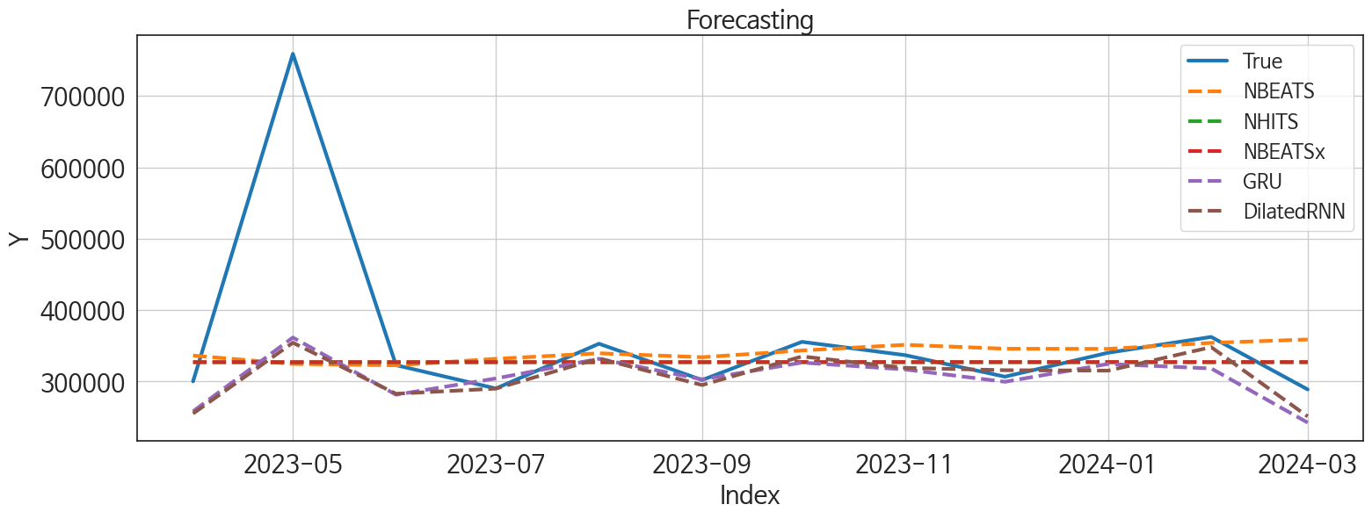
 | MSE | RMSE | MSPE | MAE | MAPE | MedAE | MedAPE
DilatedRNN | 14257291326 | 119403.89996 | 0.029781860601 | 53533.983073 | 0.10616647628 | 20560.03125 | 0.058037357862
GRU | 13986373508 | 118263.99921 | 0.030814229924 | 56635.135417 | 0.11636348991 | 25079.15625 | 0.070751262246
NBEATS | 16667025822 | 129100.83587 | 0.037848679012 | 58953.291667 | 0.12221718357 | 23210.703125 | 0.074352563862
NBEATSx | 16191723412 | 127246.70295 | 0.03339429277 | 58017.203125 | 0.11657006785 | 26365.03125 | 0.08132240225
NHITS | 16192802452 | 127250.94283 | 0.033394113932 | 58031.908854 | 0.11659990161 | 26374.296875 | 0.081446425324
RNN | 13608558877 | 116655.72801 | 0.032766881871 | 58254.345052 | 0.12255651794 | 24239.71875 | 0.07990673234
TiDE | 17965548970 | 134035.62575 | 0.041335090204 | 67488.34375 | 0.1406291784 | 36233.921875 | 0.11011218684
LSTM | 16133971311 | 127019.57058 | 0.039639972695 | 68697.247396 | 0.14996595534 | 39300.453125 | 0.1172902657
TCN | 21876359370 | 147906.59002 | 0.10129650749 | 110161.10286 | 0.27834404572 | 80922.601562 | 0.24448756823
LightGBM | 29225901856 | 170955.84768 | 0.11169013107 | 126623.48133 | 0.31543815446 | 89602.193055 | 0.28075680888
RandomForest | 29869502461 | 172827.95625 | 0.11305636753 | 127433.74982 | 0.31709764137 | 91660.500483 | 0.28196718185
XGBoost | 30289826855 | 174039.72781 | 0.1154181926 | 128779.1263 | 0.32075490503 | 93658.382812 | 0.29263462574
CatBoost | 30378625627 | 174294.65174 | 0.11614434914 | 129247.92998 | 0.32207744368 | 93620.529749 | 0.29260431267
MLP | 2.5511356941E+11 | 505087.68487 | 2.4148883713 | 447127.32552 | 1.3259601399 | 406413.11328 | 1.1685573665

Forecasting_주중
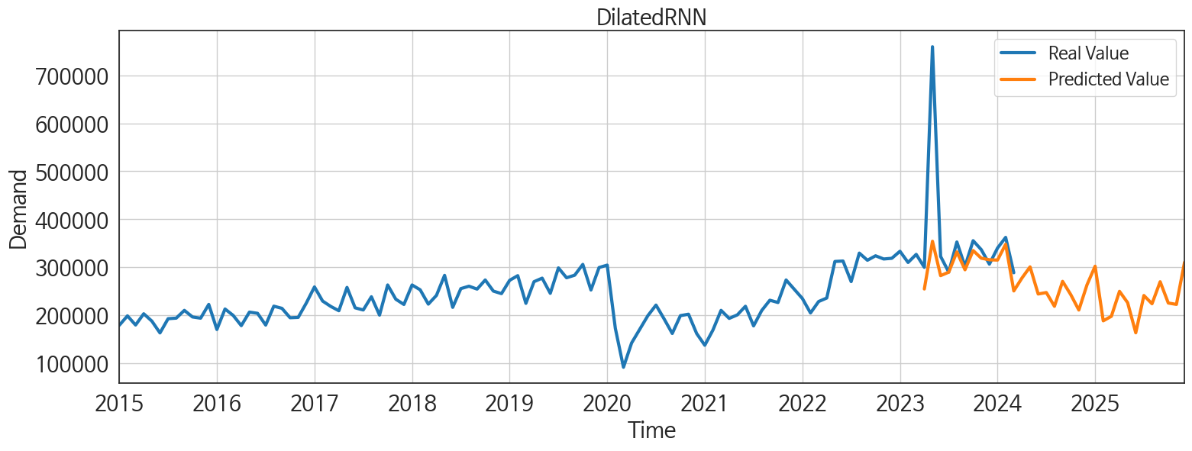
ds | unique_id | y | DilatedRNN | GRU | NBEATS | NBEATSx | NHITS | RNN | TiDE | LSTM | TCN | LightGBM | RandomForest | XGBoost | CatBoost | MLP
2023-04-01 | 1 | 300188 | 255066.8125 | 258204.98438 | 336350.46875 | 327124.875 | 327115.8125 | 275237.28125 | 331841.28125 | 245462.25 | 260958.73438 | 215382.34913 | 214188.67555 | 214523.15625 | 214514.6294 | 394213.09375
2023-05-01 | 1 | 759214 | 354381.5625 | 361644.875 | 324614.84375 | 327125.71875 | 327115.875 | 373303.15625 | 313247.3125 | 340019.0625 | 361149.46875 | 255582.47869 | 247692.25151 | 245551.26562 | 245601.19547 | 266168.03125
2023-06-01 | 1 | 322925 | 282878.3125 | 281499.53125 | 322657.03125 | 327143.46875 | 327116.6875 | 283075.6875 | 310320.40625 | 258252.5 | 275902.8125 | 232419.55676 | 234779.53112 | 237476.17188 | 237469.19768 | -270002.5625
2023-07-01 | 1 | 290216 | 290052.5 | 304253.1875 | 331815.15625 | 327139.90625 | 327117.4375 | 293235.5625 | 314504.53125 | 283332.40625 | 276384.96875 | 223471.9748 | 223259.54499 | 224373.4375 | 224373.56729 | -689488.3125
2023-08-01 | 1 | 352939 | 332302.75 | 331817 | 339548.71875 | 327145.8125 | 327118.21875 | 345423.40625 | 303904.8125 | 318391.96875 | 306178.125 | 255582.47869 | 247692.25151 | 245551.26562 | 245601.19547 | -416272.78125
2023-09-01 | 1 | 302097 | 295059.75 | 303008.84375 | 334038.40625 | 327141.90625 | 327118.875 | 297383.46875 | 297320.5625 | 277685.375 | 236411.5 | 218078.05713 | 218280.34462 | 211498.53125 | 211525.42729 | -86025.070312
2023-10-01 | 1 | 355591 | 335107.1875 | 326554.6875 | 343469.6875 | 327235.71875 | 327120.40625 | 334559.875 | 314776.4375 | 308770.875 | 285244.21875 | 255582.47869 | 264873.74753 | 260086.60938 | 254287.33049 | -51622.453125
2023-11-01 | 1 | 336957 | 319145.40625 | 316885.875 | 351437 | 327230.5625 | 327123.40625 | 330117.78125 | 362533.09375 | 302280.0625 | 245458.57812 | 221477.40848 | 220348.87428 | 220269.01562 | 220288.37248 | 609338.25
2023-12-01 | 1 | 306777 | 315837.90625 | 299612.625 | 345921.875 | 327233.8125 | 327126.46875 | 283248.28125 | 373408.90625 | 293414.75 | 212529.125 | 218078.05713 | 214165.75159 | 214204.96875 | 214230.74504 | 52669.921875
2024-01-01 | 1 | 340296 | 315231.28125 | 324628.125 | 345709.875 | 327232.59375 | 327129.59375 | 281246.8125 | 299010.65625 | 293638.5625 | 171589.85938 | 255582.47869 | 247692.25151 | 245551.26562 | 245601.19547 | -65316.773438
2024-02-01 | 1 | 362459 | 348135.1875 | 318293.78125 | 354161.15625 | 327231.21875 | 327132.75 | 297469.6875 | 298858.875 | 327968.1875 | 188361.4375 | 232419.55676 | 242154.10246 | 239562.64062 | 239538.35479 | 140434.8125
2024-03-01 | 1 | 288862 | 251036.35938 | 242393.92188 | 358883.15625 | 327233.09375 | 327136.875 | 231206.98438 | 285233.625 | 244938.03125 | 176418.9375 | 215382.34913 | 214188.67555 | 214523.15625 | 214514.6294 | -198290.375
2024-04-01 | 1 | 0 | 277795.78125 | 200219.40625 | 370131.65625 | 327234.25 | 327141.09375 | 213544.46875 | 276973.15625 | 253516.10938 | 123302.24219 | 255582.47869 | 263948.47682 | 260799.0625 | 260739.43735 | 161212.23438
2024-05-01 | 1 | 0 | 301101.625 | 249440.35938 | 380230.09375 | 327233.90625 | 327145.375 | 263205.25 | 263396.15625 | 319326.375 | 218544.5625 | 255582.47869 | 261465.81986 | 252333.73438 | 249783.86805 | -725125.375
2024-06-01 | 1 | 0 | 244656.03125 | 200112.125 | 374693.40625 | 327257.625 | 327148.9375 | 228576.26562 | 297400.34375 | 250293.60938 | 187542.40625 | 218078.05713 | 214165.75159 | 214204.96875 | 214230.74504 | -631818.8125
2024-07-01 | 1 | 0 | 247698.8125 | 230529.53125 | 380195.09375 | 327260.78125 | 327149.03125 | 224739.51562 | 311828.65625 | 286816.78125 | 217714.42188 | 221477.40848 | 231168.98955 | 228131.01562 | 228110.5367 | -33274.089844
2024-08-01 | 1 | 0 | 219069.85938 | 215909.70312 | 387047.4375 | 327256.78125 | 327150.03125 | 233769.375 | 251710.6875 | 272474.125 | 204451.875 | 232419.55676 | 234779.53112 | 237476.17188 | 237469.19768 | 421163.8125
2024-09-01 | 1 | 0 | 270956.71875 | 228843.25 | 386568.625 | 327261.3125 | 327150.96875 | 231979.96875 | 268882.84375 | 295830.6875 | 222173.95312 | 232419.55676 | 250291.0705 | 266750.25 | 245275.8437 | -389351.75
2024-10-01 | 1 | 0 | 243508.17188 | 212671.29688 | 396086.03125 | 327257.78125 | 327151.28125 | 200952.76562 | 326543.90625 | 254815.54688 | 222901.5625 | 255582.47869 | 280896.349 | 280480.9375 | 280466.08544 | 204605.125
2024-11-01 | 1 | 0 | 211302.875 | 191792.20312 | 403376.875 | 327257.3125 | 327152.71875 | 172184.5 | 232344.8125 | 191975.76562 | 176743.01562 | 215382.34913 | 214188.67555 | 214523.15625 | 214514.6294 | 494228.03125
2024-12-01 | 1 | 0 | 263638.5625 | 216837.35938 | 403439.53125 | 327259.21875 | 327154.3125 | 228443.39062 | 353310.90625 | 266359.4375 | 209661.07812 | 255582.47869 | 263948.47682 | 260799.0625 | 260739.43735 | 139876.42188
2025-01-01 | 1 | 0 | 302473.8125 | 237527.90625 | 411771.84375 | 327259.3125 | 327156 | 253942.75 | 270804.78125 | 291035.375 | 229970.67188 | 255582.47869 | 258178.8825 | 263422.90625 | 263343.34705 | -357290.28125
2025-02-01 | 1 | 0 | 188801.59375 | 174208.54688 | 422131.625 | 327258.15625 | 327157.40625 | 192990.1875 | 299778.1875 | 188278.9375 | 199990.70312 | 215382.34913 | 214188.67555 | 214523.15625 | 214514.6294 | -2872.3493652
2025-03-01 | 1 | 0 | 198284.5 | 197128.07812 | 424277.75 | 327263.65625 | 327158.71875 | 195755.35938 | 375258.9375 | 203101.03125 | 218689.67188 | 232419.55676 | 234779.53112 | 237476.17188 | 237469.19768 | -339664.84375
2025-04-01 | 1 | 0 | 250196.1875 | 198181.98438 | 427843.28125 | 327257.15625 | 327160.40625 | 243601.70312 | 327355.75 | 244203.10938 | 237341.54688 | 221477.40848 | 220348.87428 | 220269.01562 | 220288.37248 | 272849.0625
2025-05-01 | 1 | 0 | 226595.26562 | 217851.35938 | 433416.65625 | 327254 | 327162.28125 | 236383.5 | 414368.5 | 226462.85938 | 232591.57812 | 232419.55676 | 229058.73131 | 266750.25 | 214338.98144 | 1562039.125
2025-06-01 | 1 | 0 | 163924.89062 | 178817.42188 | 439008.03125 | 327265.53125 | 327163.8125 | 209529.54688 | 300376.875 | 161123.3125 | 209955.375 | 223471.9748 | 223259.54499 | 224373.4375 | 224373.56729 | 1330063.25
2025-07-01 | 1 | 0 | 241504.15625 | 247850.32812 | 439256.5625 | 327258.625 | 327164.84375 | 241960.53125 | 365478.1875 | 201357.03125 | 263720.9375 | 221477.40848 | 231168.98955 | 228131.01562 | 228110.5367 | 3047780.25
2025-08-01 | 1 | 0 | 224357.125 | 223950 | 444300.9375 | 327267.09375 | 327165.78125 | 245514.15625 | 357572.59375 | 170577.40625 | 251538.125 | 215382.34913 | 214188.67555 | 214523.15625 | 214514.6294 | 3104006
2025-09-01 | 1 | 0 | 270188.375 | 266250.65625 | 446321.21875 | 327261.625 | 327166.84375 | 291809.03125 | 310132.03125 | 203588.9375 | 306661.625 | 221477.40848 | 220348.87428 | 220269.01562 | 220288.37248 | 4818665.5
2025-10-01 | 1 | 0 | 225869.65625 | 243981.32812 | 449819.3125 | 327258.625 | 327167.6875 | 259894.78125 | 350776.21875 | 189923.98438 | 254273.34375 | 255582.47869 | 238973.90335 | 231716.04688 | 236422.00001 | 8267716
2025-11-01 | 1 | 0 | 223002.07812 | 232177.625 | 449343.875 | 327263.75 | 327167.875 | 228474.79688 | 276230.3125 | 200929.03125 | 256140.59375 | 215382.34913 | 214188.67555 | 214523.15625 | 214514.6294 | 10414168
2025-12-01 | 1 | 0 | 310751.125 | 322976.75 | 456865.0625 | 327263.1875 | 327167.78125 | 346005.1875 | 281029.75 | 274796.8125 | 334966.375 | 255582.47869 | 247692.25151 | 245551.26562 | 245601.19547 | 13293556

