Performance_전체
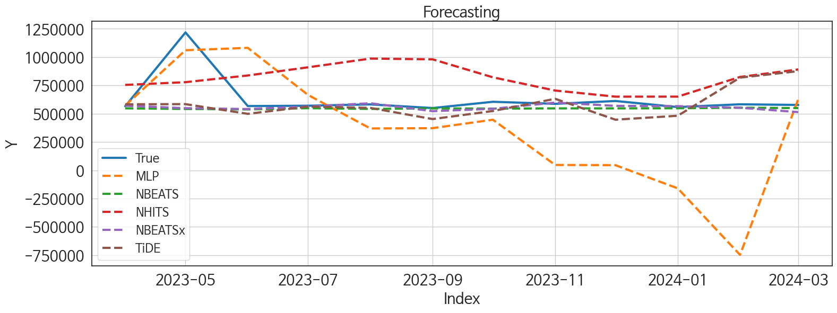
 | MSE | RMSE | MSPE | MAE | MAPE | MedAE | MedAPE
NBEATSx | 38392804686 | 195940.81935 | 0.028156292316 | 80247.898438 | 0.087630085855 | 26853.375 | 0.048085697564
NBEATS | 39330184608 | 198318.39201 | 0.029118349388 | 85233.151042 | 0.095379679226 | 29818.9375 | 0.051834334878
TiDE | 50305053484 | 224287.88082 | 0.072251200002 | 146470.13542 | 0.20448212823 | 79110.609375 | 0.13598109711
NHITS | 82834734152 | 287810.23983 | 0.21541801796 | 257811.06771 | 0.41562435801 | 256037.75 | 0.38776366123
MLP | 2.7529807023E+11 | 524688.54593 | 0.81230851146 | 377569.89746 | 0.63905413056 | 195157.17188 | 0.34411389383
TCN | 1.4707556541E+11 | 383504.32254 | 0.27933197114 | 338777.78646 | 0.51614013982 | 299953.65625 | 0.52302268126
DilatedRNN | 1.9505248591E+11 | 441647.46791 | 0.44763363018 | 415658.30599 | 0.65455758738 | 400872.66406 | 0.65236552958
GRU | 2.9034565306E+11 | 538837.31595 | 0.68027178027 | 513355.61393 | 0.81251795924 | 496781.39062 | 0.8267549455
LSTM | 2.7860068188E+11 | 527826.37475 | 0.66421158404 | 504023.15039 | 0.80031390425 | 510146.75781 | 0.87483240188
RNN | 3.2619245172E+11 | 571132.60432 | 0.77066362888 | 545367.31305 | 0.86466100147 | 548760.73535 | 0.93495399367
LightGBM | 4.2248952592E+11 | 649991.94296 | 0.97955824308 | 625278.62833 | 0.98970237827 | 576342.52613 | 0.98978425136
CatBoost | 4.3027410686E+11 | 655952.82366 | 0.9995289568 | 631405.83264 | 0.99976402462 | 579426.08848 | 0.99998613533
RandomForest | 430433207564 | 656074.08695 | 1 | 631541.83333 | 1 | 579940 | 1
XGBoost | 4.3043320758E+11 | 656074.08696 | 1 | 631541.83335 | 1 | 579940.00001 | 1

Forecasting_전체
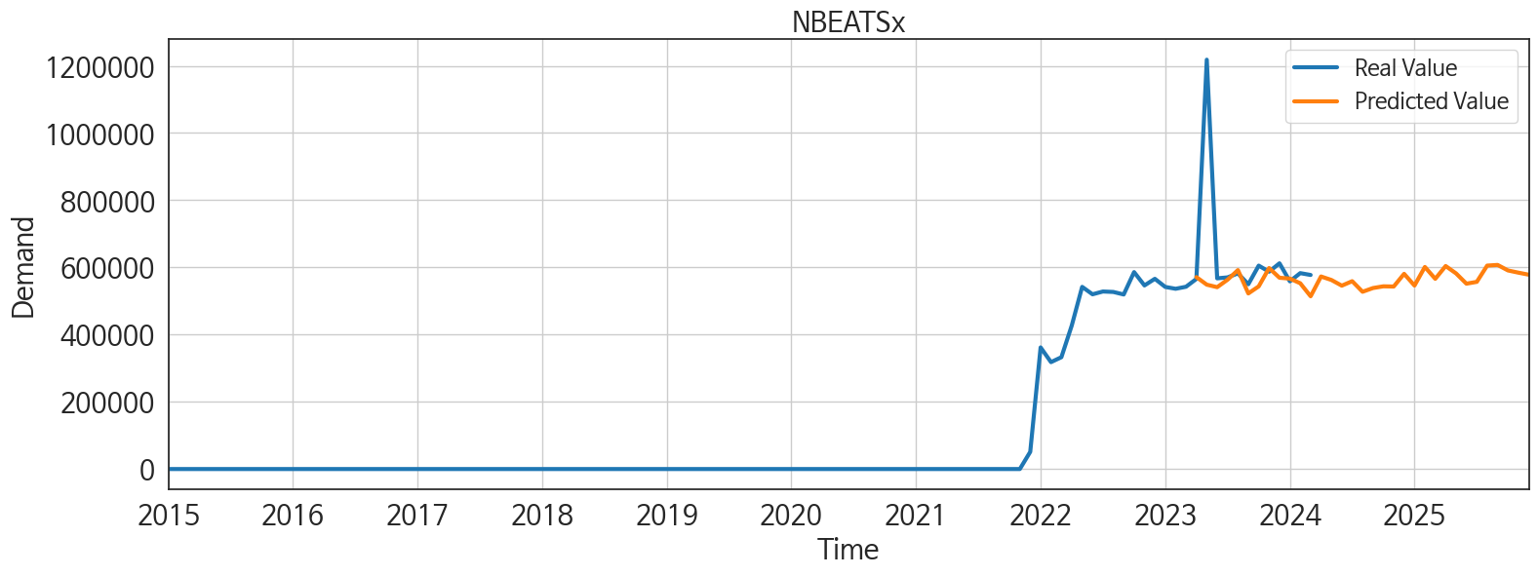
ds | unique_id | y | NBEATSx | NBEATS | TiDE | NHITS | MLP | TCN | DilatedRNN | GRU | LSTM | RNN | LightGBM | CatBoost | RandomForest | XGBoost
2023-04-01 | 1 | 565822 | 571227.6875 | 547445.75 | 583123.0625 | 754543.125 | 571843.1875 | 202360.01562 | 330983.6875 | 264741.625 | 298520.1875 | 284201.40625 | 2340.0126106 | -195.98486123 | 0 | -1.4321562048E-05
2023-05-01 | 1 | 1218256 | 548698 | 541959.25 | 584595.6875 | 778692.75 | 1060968.75 | 312965.15625 | 401958.65625 | 248367.5 | 299616.5625 | 203868.95312 | 7014.2719268 | 47.415768896 | 0 | -1.4321562048E-05
2023-06-01 | 1 | 567550 | 541242.875 | 538011.375 | 498774.875 | 837822.0625 | 1082025.625 | 276197.4375 | 307461.15625 | 228285.375 | 236387.67188 | 192487.79688 | 11122.019825 | 48.714684433 | 0 | -1.4321562048E-05
2023-07-01 | 1 | 570404 | 563428.75 | 548922.8125 | 563220.0625 | 910089.8125 | 665716.625 | 322751.875 | 283973.5625 | 181605.59375 | 211761.10938 | 148789.25 | 11864.668138 | 184.40201542 | 0 | -1.4321562048E-05
2023-08-01 | 1 | 582320 | 592145.5625 | 542314.125 | 551182.3125 | 987259.9375 | 369796.15625 | 335891.78125 | 246346.04688 | 130363.14844 | 133468.01562 | 85298.273438 | 6448.7218082 | 7.9059515299 | 0 | -1.4321562048E-05
2023-09-01 | 1 | 549980 | 522580.375 | 546989 | 452672.03125 | 980517.25 | 372189.5 | 353651.375 | 200920.32812 | 108300.64844 | 72514.75 | 37581.546875 | 2849.8666821 | 389.9059244 | 0 | -1.4321562048E-05
2023-10-01 | 1 | 605377 | 543600.375 | 544951.25 | 523835.25 | 821578.625 | 446814.5625 | 313132.4375 | 154550.09375 | 90547.859375 | 64294.777344 | 37387.746094 | 12760.956941 | -520.55066487 | 0 | -1.4321562048E-05
2023-11-01 | 1 | 587287 | 598182.8125 | 547077.875 | 631631.25 | 704787 | 46955.765625 | 239631.75 | 133788.40625 | 11243.475586 | 25458.728516 | 3585.3984375 | 7360.8869837 | -88.63639155 | 0 | -1.4321562048E-05
2023-12-01 | 1 | 612267 | 569279.5625 | 547111.0625 | 447060.4375 | 650722.0625 | 45097.871094 | 267401.3125 | 96525.96875 | 46854.554688 | 51508.648438 | 6244.1748047 | 746.22592765 | -17.893137697 | 0 | -1.4321562048E-05
2024-01-01 | 1 | 558618 | 566796.9375 | 548290.5 | 481938.53125 | 651018.0625 | -159597.5 | 373103.21875 | 207699.57812 | 79884.359375 | 66188.078125 | 25611.796875 | 6448.7218082 | 7.9059515299 | 0 | -1.4321562048E-05
2024-02-01 | 1 | 583061 | 552843.3125 | 552961.75 | 818844.625 | 824864.4375 | -747689.125 | 246184.95312 | 128236.35156 | 10336.850586 | 20809.259766 | -4006.8317871 | 5455.8814507 | 1786.7161822 | 0 | -1.4321562048E-05
2024-03-01 | 1 | 577560 | 514112.96875 | 549669.4375 | 876279.875 | 891213.1875 | 629959.3125 | 269897.25 | 98158.492188 | 17703.642578 | 49696.40625 | 13044.732422 | 746.22592765 | -17.893137697 | 0 | -1.4321562048E-05
2024-04-01 | 1 | 0 | 573061.125 | 553265.4375 | 1137818 | 858990.8125 | -499868.5 | 581435.1875 | 135832.17188 | 68064.5625 | 78463.007812 | 8731.5722656 | 7424.6555557 | -18.19213248 | 0 | -1.4321562048E-05
2024-05-01 | 1 | 0 | 562676.375 | 551639.8125 | 1129696.875 | 833117.25 | 991886.1875 | 931676.25 | 225927.96875 | 205518.53125 | 156178.35938 | 77882.117188 | 12760.956941 | 186.56451933 | 0 | -1.4321562048E-05
2024-06-01 | 1 | 0 | 545735.0625 | 560512 | 447966.125 | 876349.625 | -1211377.5 | 225135 | 77126.273438 | 94924.882812 | 6290.0703125 | 24551.675781 | 1722.1596752 | -11.827512784 | 0 | -1.4321562048E-05
2024-07-01 | 1 | 0 | 559108.9375 | 558366.25 | -21895.392578 | 1026641.125 | -51211.699219 | -5423.8071289 | 2792.0681152 | -3587.7875977 | -5617.5385742 | -3272.4545898 | 6384.9532362 | 706.96246976 | 0 | -1.4321562048E-05
2024-08-01 | 1 | 0 | 527564.875 | 558767.875 | 7080.2382812 | 897900.875 | 507164.84375 | 4839.5024414 | 14762.4375 | -913.73864746 | 20387.941406 | 4201.5029297 | 11246.815203 | 99.373843887 | 0 | -1.4321562048E-05
2024-09-01 | 1 | 0 | 538649.125 | 558735.75 | -17564.578125 | 769160.5625 | 842750.625 | 17853.628906 | 16276.619141 | -156.85522461 | -1977.8994141 | 1199.4504395 | 11202.566465 | -280.09149411 | 0 | -1.4321562048E-05
2024-10-01 | 1 | 0 | 543802.5 | 562099.25 | -270144.03125 | 983361.5 | 623346.625 | 10394.250977 | -2271.3227539 | 6849.3955078 | -3132.546875 | 1403.175415 | 7014.2719268 | 15.072811331 | 0 | -1.4321562048E-05
2024-11-01 | 1 | 0 | 543197.8125 | 563202.5 | 185649.73438 | 1169731.125 | -624278.125 | -1223.137085 | -2934.2441406 | 6048.6943359 | 6264.5786133 | 4325.9267578 | 2340.0126106 | -195.98486123 | 0 | -1.4321562048E-05
2024-12-01 | 1 | 0 | 580945.25 | 562012.3125 | 121747.875 | 1160897.625 | 845329 | -5163.246582 | -3745.3400879 | -7323.4008789 | 3631.2836914 | 165.05891418 | 12195.406823 | -88.056830434 | 0 | -1.4321562048E-05
2025-01-01 | 1 | 0 | 546079.9375 | 560284.625 | -40041.023438 | 1132139.375 | 1932998.75 | -8745.7617188 | -10717.361328 | 6035.7675781 | 3650.4230957 | 1704.2509766 | 12760.956941 | 324.87878538 | 0 | -1.4321562048E-05
2025-02-01 | 1 | 0 | 601437.125 | 561698.8125 | -241653.07812 | 1159138.625 | -792435.8125 | 792.24853516 | 2696.8808594 | 11700.373047 | 9406.0595703 | 24337.486328 | 4168.8856565 | 552.23515925 | 0 | -1.4321562048E-05
2025-03-01 | 1 | 0 | 566088.6875 | 561246.625 | 30104.984375 | 1228540.375 | 116632.42188 | -11362.635742 | -376.08599854 | 42406.476562 | 22414.916016 | 31238.707031 | 12859.525689 | -237.92213338 | 0 | -1.4321562048E-05
2025-04-01 | 1 | 0 | 604146.3125 | 565118.5625 | -23133.314453 | 1217455.625 | 2245020.5 | -10308.945312 | -2770.4758301 | -3229.8937988 | 2392.105957 | 1037.9615479 | 7360.8869837 | -88.63639155 | 0 | -1.4321562048E-05
2025-05-01 | 1 | 0 | 582296.1875 | 565561.5625 | -37860.390625 | 1181762.125 | -288375.75 | -10223.527344 | -5577.6533203 | 13680.304688 | 6886.7260742 | 32062.167969 | 12859.525689 | -200.5260141 | 0 | -1.4321562048E-05
2025-06-01 | 1 | 0 | 551641.1875 | 563952.5625 | -143646.71875 | 1345315.5 | 1250027.875 | -7598.9765625 | -2881.2145996 | 8485.1279297 | 3575.9726562 | 9726.8144531 | 11122.019825 | 48.714684433 | 0 | -1.4321562048E-05
2025-07-01 | 1 | 0 | 557122.6875 | 570359.5625 | -113513.92188 | 1644454.875 | 2148256.25 | -18062.648438 | -7103.1376953 | 3177.5168457 | -1120.6455078 | 915.16876221 | 6384.9532362 | 706.96246976 | 0 | -1.4321562048E-05
2025-08-01 | 1 | 0 | 605481.3125 | 568557.75 | 87490.3125 | 1675096.5 | 1763655.25 | 5128.3681641 | -5420.7089844 | -5825.8344727 | 2044.8375244 | -732.95288086 | 746.22592765 | -17.893137697 | 0 | -1.4321562048E-05
2025-09-01 | 1 | 0 | 607473.5 | 570113.625 | -344493.75 | 1551379 | -318887.09375 | 8699.4208984 | -4043.6506348 | 15893.819336 | -352.44842529 | 13951.095703 | 7360.8869837 | -88.63639155 | 0 | -1.4321562048E-05
2025-10-01 | 1 | 0 | 591043.4375 | 572738.6875 | 67546.828125 | 1598964.375 | 1071817.25 | 431.68045044 | -5961.9916992 | 4378.4448242 | 3976.229248 | 3951.5585938 | 12760.956941 | 324.87878538 | 0 | -1.4321562048E-05
2025-11-01 | 1 | 0 | 584470.8125 | 572729.4375 | 43835.75 | 1685704.875 | -1013693.0625 | 2009.7203369 | -3661.3583984 | -9866.5332031 | 8.2668991089 | -4246.1323242 | 2340.0126106 | -195.98486123 | 0 | -1.4321562048E-05
2025-12-01 | 1 | 0 | 578407.25 | 574375.3125 | -171347.07812 | 1697908.375 | 941244 | -33458.652344 | -2294.0537109 | -1171.2005615 | 2488.5073242 | -1534.0522461 | 6448.7218082 | 7.9059515299 | 0 | -1.4321562048E-05

Performance_주말
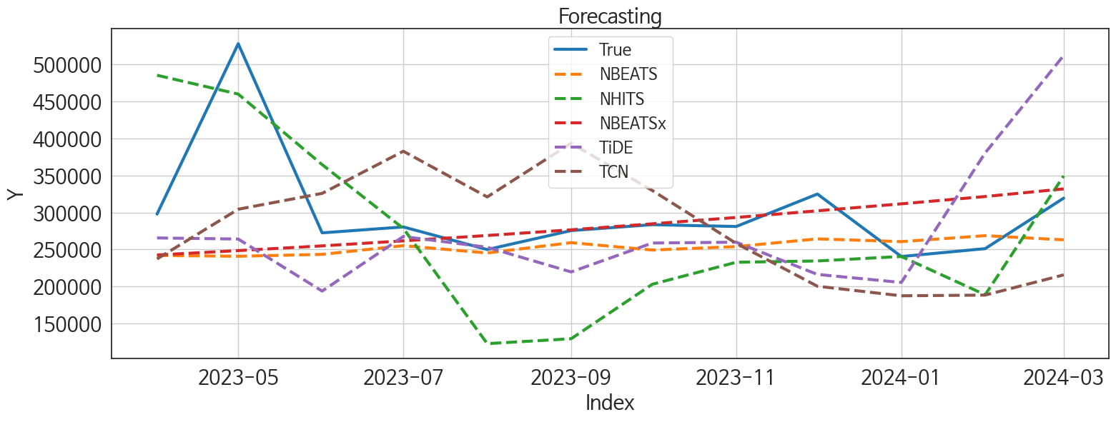
 | MSE | RMSE | MSPE | MAE | MAPE | MedAE | MedAPE
NBEATSx | 7739883581 | 87976.608147 | 0.041915267114 | 48398.980469 | 0.13815817991 | 18869.703125 | 0.068340835869
NBEATS | 8055513477.5 | 89752.512375 | 0.037976447367 | 52821.335938 | 0.14491947962 | 28094.414062 | 0.10160079388
TiDE | 12326982934 | 111026.94688 | 0.096923506951 | 79810.563802 | 0.24315868357 | 45407.085938 | 0.17407892907
NHITS | 8953228280.8 | 94621.500098 | 0.11035048709 | 77830.865885 | 0.26814361992 | 74216.484375 | 0.26306409245
TCN | 10119687953 | 100596.65975 | 0.087647267709 | 86763.174479 | 0.27672903285 | 66863.15625 | 0.26694687502
DilatedRNN | 38934180838 | 197317.46207 | 0.38767296265 | 183196.61458 | 0.60298114613 | 175149.89258 | 0.62803816662
MLP | 64724578829 | 254410.25693 | 0.80064143621 | 219324.19246 | 0.75776743515 | 203247.20312 | 0.63930039303
GRU | 54817935186 | 234132.30274 | 0.55734520555 | 221477.74406 | 0.73299243129 | 208732.28516 | 0.76506551217
LSTM | 55087234619 | 234706.69914 | 0.57924807515 | 224557.16081 | 0.74882707514 | 224567.16016 | 0.78811746762
RNN | 64480539980 | 253930.18722 | 0.67988602426 | 242313.81269 | 0.80803684276 | 241052.18433 | 0.87832937183
LightGBM | 93787480923 | 306247.41782 | 0.97691656926 | 297119.61945 | 0.98831323349 | 277013.17892 | 0.99139227128
CatBoost | 95350756875 | 308789.17869 | 0.99791051412 | 300052.68464 | 0.99895191973 | 280715.13102 | 0.99994686976
XGBoost | 95507560761 | 309042.97559 | 0.99999999988 | 300335.08332 | 0.99999999994 | 280708.49998 | 0.99999999994
RandomForest | 95507560771 | 309042.97561 | 1 | 300335.08333 | 1 | 280708.5 | 1

Forecasting_주말
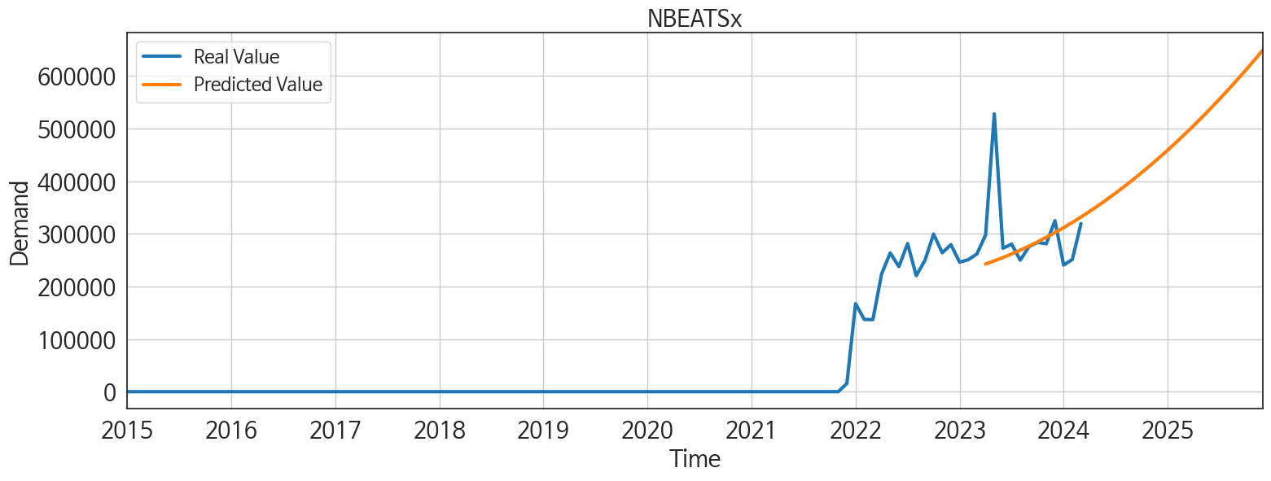
ds | unique_id | y | NBEATSx | NBEATS | TiDE | NHITS | TCN | DilatedRNN | MLP | GRU | LSTM | RNN | LightGBM | CatBoost | XGBoost | RandomForest
2023-04-01 | 1 | 297771 | 242563.78125 | 241886.85938 | 265577.125 | 485190.90625 | 237204.21875 | 171813.04688 | 480657.78125 | 130971.11719 | 131733.5 | 145101.125 | 2486.1324756 | -27.317262204 | 1.675988824E-05 | 0
2023-05-01 | 1 | 527740 | 248482.9375 | 240830.92188 | 264071.15625 | 459766.15625 | 304313.34375 | 151786.9375 | 211798.17188 | 92261.921875 | 106875.08594 | 85420.085938 | -2227.8297012 | 198.28377622 | 1.675988824E-05 | 0
2023-06-01 | 1 | 272448 | 254839.95312 | 243385.20312 | 193807.29688 | 364570.34375 | 325730.3125 | 181626.5 | 144248.57812 | 143155.21875 | 130387.28125 | 122350.0625 | 999.29777547 | 2.1329109584 | 1.675988824E-05 | 0
2023-07-01 | 1 | 280402 | 261634.59375 | 255144.29688 | 267520.15625 | 278442.8125 | 382604.03125 | 180290.21875 | 342426.75 | 133458.04688 | 128238.45312 | 120531.55469 | 2486.1324756 | -27.317262204 | 1.675988824E-05 | 0
2023-08-01 | 1 | 249895 | 268867 | 245267.82812 | 252972.65625 | 122875 | 320902.5 | 108907.92188 | 473502.625 | 70454.507812 | 49271.4375 | 18479.777344 | 4904.5096889 | 14.055229291 | 1.675988824E-05 | 0
2023-09-01 | 1 | 275474 | 276540.9375 | 259205.78125 | 219685 | 129466.48438 | 393345.65625 | 120440.74219 | 411817.03125 | 68611.242188 | 51049.898438 | 27088.277344 | 9435.35196 | 856.79278958 | 1.675988824E-05 | 0
2023-10-01 | 1 | 283487 | 284650.0625 | 249237.625 | 258681.95312 | 203027.875 | 329606.5 | 103951.52344 | 46521.0625 | 89844.960938 | 75487.765625 | 72057.5625 | 999.29777547 | 2.1329109584 | 1.675988824E-05 | 0
2023-11-01 | 1 | 281015 | 293197.1875 | 253888.96875 | 259837.59375 | 232718.59375 | 258203.10938 | 106008.64062 | 750561.875 | 52413.109375 | 56304.78125 | 32571.134766 | 4904.5096889 | 14.055229291 | 1.675988824E-05 | 0
2023-12-01 | 1 | 324842 | 302183.84375 | 264304.25 | 216301.03125 | 234496 | 200367.64062 | 88467.445312 | 316721.09375 | 71726.039062 | 82930.25 | 41396.542969 | 2486.1324756 | 274.41446797 | 1.675988824E-05 | 0
2024-01-01 | 1 | 240495 | 311607.6875 | 260594.35938 | 205469.82812 | 240549.625 | 187452.09375 | 65201.574219 | -155165.48438 | 29893.1875 | 13744.318359 | 6776.3540039 | 4904.5096889 | 14.055229291 | 1.675988824E-05 | 0
2024-02-01 | 1 | 251132 | 321471.71875 | 268629.65625 | 380440.96875 | 188849.9375 | 188413.1875 | 36864.730469 | 417987.8125 | 11328.954102 | 12662.619141 | 965.87023926 | -2227.8297012 | 2094.1052799 | 1.675988824E-05 | 0
2024-03-01 | 1 | 319320 | 331773.28125 | 262983.25 | 511937.28125 | 349349.375 | 215686.3125 | 90302.34375 | 13583.143555 | 52169.765625 | 70649.679688 | 23516.900391 | 9435.35196 | -26.608936014 | 1.675988824E-05 | 0
2024-04-01 | 1 | 0 | 342512.90625 | 261533.51562 | 605389.5625 | 382384.4375 | 451195.6875 | 86602.648438 | -339491.03125 | 70673.671875 | 75544.4375 | 31770.242188 | 4904.5096889 | 14.055229291 | 1.675988824E-05 | 0
2024-05-01 | 1 | 0 | 353691.5625 | 260116.125 | 539760.0625 | 386562.125 | 709406.25 | 71835.40625 | -7031.5561523 | 72641.0625 | 82788.578125 | 7272.1118164 | 7733.383746 | -134.12277466 | 1.675988824E-05 | 0
2024-06-01 | 1 | 0 | 365307.90625 | 295795.96875 | 215429.96875 | 487529.5625 | 24219.570312 | 34278.457031 | 1467267 | 5716.387207 | 10875.799805 | 4792.4174805 | 2486.1324756 | -27.317262204 | 1.675988824E-05 | 0
2024-07-01 | 1 | 0 | 377362.34375 | 270018.3125 | -16727.140625 | 524823.1875 | 415.39486694 | 1959.3808594 | 590535.625 | 1673.8826904 | 2024.7404785 | -1103.8265381 | 4904.5096889 | 14.055229291 | 1.675988824E-05 | 0
2024-08-01 | 1 | 0 | 389855.28125 | 270940.875 | -42.35030365 | 809652.5625 | 3078.0944824 | 30902.148438 | -615146.75 | 14475.549805 | 11832.369141 | 10509.213867 | 2486.1324756 | -27.317262204 | 1.675988824E-05 | 0
2024-09-01 | 1 | 0 | 402786.4375 | 269025.375 | -11589.496094 | 1111633.625 | 2450.1870117 | 21605.300781 | 409365.15625 | 27092.050781 | 4423.8969727 | 1659.6109619 | 999.29777547 | 2.1329109584 | 1.675988824E-05 | 0
2024-10-01 | 1 | 0 | 416156.8125 | 271081.125 | -131284.10938 | 976847 | 11806.262695 | 5423.5874023 | 736990.0625 | 6013.8388672 | -345.64266968 | -927.92889404 | 4904.5096889 | 14.055229291 | 1.675988824E-05 | 0
2024-11-01 | 1 | 0 | 429964.28125 | 269341 | 91481.421875 | 635633.3125 | 1300.4014893 | 2971.409668 | 1350790.875 | 4062.2414551 | 3446.2246094 | -3268.986084 | 2486.1324756 | -27.317262204 | 1.675988824E-05 | 0
2024-12-01 | 1 | 0 | 444210.59375 | 282276.09375 | 57529.550781 | 586367.875 | 22492.181641 | 14300.942383 | -546331.625 | 11591.193359 | 5923.0712891 | 8221.7167969 | 999.29777547 | 2.1329109584 | 1.675988824E-05 | 0
2025-01-01 | 1 | 0 | 458895.53125 | 271262.84375 | -10344.689453 | 556235 | 33845.308594 | 7036.3876953 | 775914.25 | 8200.0908203 | 2217.4350586 | 4511.0615234 | 999.29777547 | 2.1329109584 | 1.675988824E-05 | 0
2025-02-01 | 1 | 0 | 474018.40625 | 272525.59375 | -114066.05469 | 465347.78125 | 17640.238281 | 16048.329102 | -222175.01562 | 20744.773438 | 5144.3974609 | 22541.388672 | 4904.5096889 | 14.055229291 | 1.675988824E-05 | 0
2025-03-01 | 1 | 0 | 489579.78125 | 281394.75 | 12468.02832 | 653963.8125 | -13590.625977 | -1086.557373 | 759823.25 | 17193.337891 | -334.16464233 | 5287.1347656 | 9435.35196 | -137.79841203 | 1.675988824E-05 | 0
2025-04-01 | 1 | 0 | 505578.84375 | 277069.71875 | -19118.822266 | 680268 | -9697.0175781 | 1048.7423096 | 240308.96875 | 12222.015625 | 1250.0183105 | 2988.0983887 | 4904.5096889 | 14.055229291 | 1.675988824E-05 | 0
2025-05-01 | 1 | 0 | 522016.5 | 280205.03125 | -13792.938477 | 668955 | -4568.4272461 | 5924.2084961 | 317804.5 | 24077.837891 | 6460.355957 | 24746.34375 | 2486.1324756 | -27.317262204 | 1.675988824E-05 | 0
2025-06-01 | 1 | 0 | 538892.8125 | 280058.90625 | -72888.320312 | 797147.25 | 6201.0073242 | -1983.8740234 | 579934.0625 | 6867.0029297 | 11956.875 | 8081.0361328 | 7733.383746 | -134.12277466 | 1.675988824E-05 | 0
2025-07-01 | 1 | 0 | 556207.125 | 276079.65625 | -58135.453125 | 857539.1875 | -12682.360352 | -721.17999268 | -74985.976562 | 2088.8679199 | -633.02868652 | -883.17260742 | 4904.5096889 | 14.055229291 | 1.675988824E-05 | 0
2025-08-01 | 1 | 0 | 573960.25 | 279958.46875 | 39849.117188 | 904723 | -13444.858398 | -2615.2612305 | -625919.125 | 8475.7333984 | 475.03152466 | 7921.21875 | 9435.35196 | -26.608936014 | 1.675988824E-05 | 0
2025-09-01 | 1 | 0 | 592151.375 | 282300.21875 | -170830.70312 | 975335.125 | 11775.039062 | 4929.3720703 | 809296.8125 | 13969.106445 | 13993.455078 | 14542.09082 | 4904.5096889 | 14.055229291 | 1.675988824E-05 | 0
2025-10-01 | 1 | 0 | 610780.375 | 285367.8125 | 30167.029297 | 1000942.3125 | 8674.1884766 | 777.4833374 | -145632.98438 | 3448.7050781 | 2615.7697754 | 1026.2670898 | 7733.383746 | -272.0042962 | 1.675988824E-05 | 0
2025-11-01 | 1 | 0 | 629848.5 | 283862.28125 | 16570.443359 | 1000087.625 | -8924.6875 | 51.262817383 | -61400.328125 | 4402.7524414 | 6679.0400391 | 2544.1105957 | 2486.1324756 | -27.317262204 | 1.675988824E-05 | 0
2025-12-01 | 1 | 0 | 649354.3125 | 283708.90625 | -75457.390625 | 1010999.5625 | -22962.542969 | -4348.9873047 | -1247700.875 | 3849.4069824 | 1366.7416992 | 314.4286499 | 4904.5096889 | 14.055229291 | 1.675988824E-05 | 0

Performance_주중
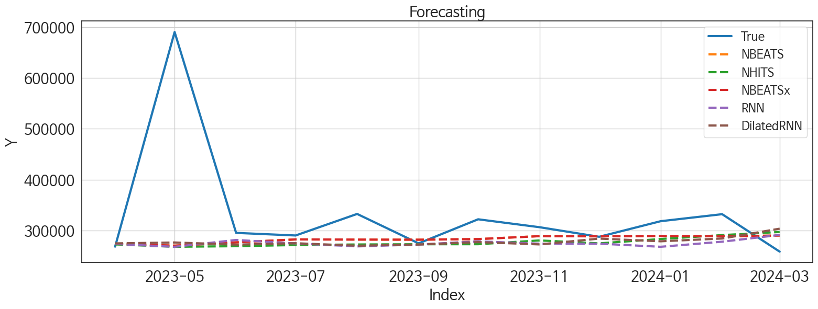
 | MSE | RMSE | MSPE | MAE | MAPE | MedAE | MedAPE
NBEATS | 15459628606 | 124336.75485 | 0.038203483312 | 55987.838542 | 0.1186854009 | 23833.890625 | 0.077202661797
NBEATSx | 15459628606 | 124336.75485 | 0.038203483312 | 55987.838542 | 0.1186854009 | 23833.890625 | 0.077202661797
NHITS | 15902784273 | 126106.24201 | 0.041722295657 | 61279.669271 | 0.13575726925 | 30510.75 | 0.098728159339
DilatedRNN | 15453548031 | 124312.3004 | 0.041970235354 | 61576.338542 | 0.13812626924 | 36708.765625 | 0.11745071982
RNN | 16081200239 | 126811.67233 | 0.04307571059 | 62543.700521 | 0.13916540901 | 32608.34375 | 0.11643588485
TiDE | 23882504724 | 154539.65421 | 0.12287142099 | 105238.6276 | 0.28189588699 | 76949.109375 | 0.2407385545
TCN | 24895173191 | 157782.04331 | 0.1037745123 | 110300.00521 | 0.28884826065 | 76411.210938 | 0.25607676491
GRU | 27917769674 | 167086.11454 | 0.13929850343 | 128727.44792 | 0.35182690192 | 103587.83594 | 0.34944801339
LSTM | 34377678567 | 185412.18559 | 0.17441813634 | 144110.1901 | 0.39673549797 | 117035.85938 | 0.37101889922
MLP | 2.7536944859E+11 | 524756.56127 | 3.182366343 | 499086.92188 | 1.6836490538 | 547058.8125 | 1.6778577909

Forecasting_주중
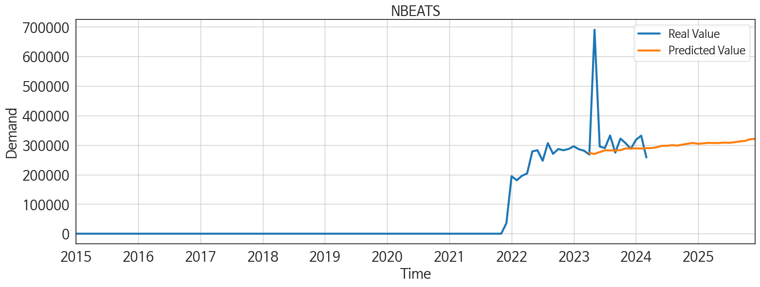
ds | unique_id | y | NBEATS | NBEATSx | NHITS | DilatedRNN | RNN | TiDE | TCN | GRU | LSTM | MLP
2023-04-01 | 1 | 268051 | 273565.71875 | 273565.71875 | 272737.1875 | 274443.71875 | 273250.09375 | 241424.6875 | 232653.46875 | 223482.51562 | 151203.95312 | 707919.625
2023-05-01 | 1 | 690516 | 269914.75 | 269914.75 | 268014.8125 | 276220.125 | 267727.4375 | 260261.28125 | 218102.0625 | 221903.15625 | 169528.10938 | 675956.9375
2023-06-01 | 1 | 295102 | 276487.75 | 276487.75 | 269432.84375 | 272027.25 | 281202 | 267399.53125 | 225676.9375 | 221741.67188 | 184866.85938 | 724137.8125
2023-07-01 | 1 | 290002 | 282261.625 | 282261.625 | 270778.4375 | 274771.875 | 274345.46875 | 293301.28125 | 218065.39062 | 206984.03125 | 184470.35938 | 760872.0625
2023-08-01 | 1 | 332425 | 281937.78125 | 281937.78125 | 271991.28125 | 269853.03125 | 268500.78125 | 250627.8125 | 222107.51562 | 198448.64062 | 179588.57812 | 857375
2023-09-01 | 1 | 274506 | 281716.875 | 281716.875 | 273654.40625 | 272118.21875 | 272167.71875 | 232543.15625 | 210208.20312 | 190654.40625 | 187448.6875 | 869574
2023-10-01 | 1 | 321890 | 282932.875 | 282932.875 | 272434.59375 | 276962.5625 | 278463.1875 | 223508.79688 | 202117.9375 | 188864.70312 | 184652.3125 | 814039.6875
2023-11-01 | 1 | 306272 | 288702.25 | 288702.25 | 280394.28125 | 272416.4375 | 273880.5625 | 234170.96875 | 225386.1875 | 203967.67188 | 182433.39062 | 916811.8125
2023-12-01 | 1 | 287425 | 288293.71875 | 288293.71875 | 274490.59375 | 283855.90625 | 273888.09375 | 193955.75 | 225225.34375 | 182553.65625 | 189580.59375 | 888707
2024-01-01 | 1 | 318123 | 289069.46875 | 289069.46875 | 282979.21875 | 278561.03125 | 267755.71875 | 85566.515625 | 216416.78125 | 192276.92188 | 200898.32812 | 893732.375
2024-02-01 | 1 | 331929 | 288357 | 288357 | 289676.65625 | 284047.3125 | 277758.96875 | 285130.3125 | 220897.1875 | 198331.4375 | 213426.60938 | 901096.625
2024-03-01 | 1 | 258240 | 289904.25 | 289904.25 | 294566.96875 | 303407.09375 | 291065.25 | 366154.0625 | 234023.92188 | 200542.8125 | 217060.9375 | 924183
2024-04-01 | 1 | 0 | 289813.71875 | 289813.71875 | 296293.09375 | 322156.28125 | 309138.28125 | 578201.6875 | 226584.6875 | 234427.92188 | 238517.79688 | 939073.8125
2024-05-01 | 1 | 0 | 292790.375 | 292790.375 | 300140.9375 | 323336.3125 | 249132.375 | 512962.125 | 202451.96875 | 238695.10938 | 256525.26562 | 968328.25
2024-06-01 | 1 | 0 | 297582.28125 | 297582.28125 | 310192.21875 | 277402.4375 | 290071.96875 | 302403.125 | 280442.375 | 299357.0625 | 295855.25 | 1087346.75
2024-07-01 | 1 | 0 | 297696.375 | 297696.375 | 314005.59375 | 328122.625 | 10281.287109 | -40145.523438 | 530.7510376 | 124385.30469 | 157614.07812 | 70583056
2024-08-01 | 1 | 0 | 299861.625 | 299861.625 | 315910.375 | 299447 | 25292.873047 | -14244.228516 | 7303.8774414 | 115084.54688 | 226951.67188 | 71929632
2024-09-01 | 1 | 0 | 298261.8125 | 298261.8125 | 318529.375 | 320139.875 | 17918.080078 | -102945.14844 | 18904.449219 | 142875.09375 | 166469.5 | 72617096
2024-10-01 | 1 | 0 | 301662.5625 | 301662.5625 | 318691.6875 | 318428.75 | 22688.589844 | -60358.363281 | 8668.1347656 | 145852.42188 | 192715.125 | 72695592
2024-11-01 | 1 | 0 | 304752.65625 | 304752.65625 | 319902.03125 | 349942.1875 | 17837.410156 | 84880.40625 | 26948.564453 | 118356.60938 | 234604.6875 | 73079616
2024-12-01 | 1 | 0 | 307189.4375 | 307189.4375 | 322404.53125 | 349530.78125 | 6576.1274414 | 53384.203125 | 17963.630859 | 126011.27344 | 227379.98438 | 73135656
2025-01-01 | 1 | 0 | 304304.5 | 304304.5 | 319966.78125 | 337713.5625 | 24444.578125 | 72372.695312 | 25789.306641 | 121052.52344 | 253096.85938 | 73173760
2025-02-01 | 1 | 0 | 305909.96875 | 305909.96875 | 321232.5625 | 339783.40625 | 22863.349609 | -100062.14062 | 62210.972656 | 151992.07812 | 275882.28125 | 73144920
2025-03-01 | 1 | 0 | 307575.90625 | 307575.90625 | 322132.75 | 343960.75 | 30879.296875 | 33747.910156 | 50880.675781 | 124994.57812 | 268473.84375 | 73932048
2025-04-01 | 1 | 0 | 306960.875 | 306960.875 | 324130.25 | 344760.3125 | 29122.888672 | 29047.662109 | 43609.363281 | 138550.28125 | 284757.125 | 73943424
2025-05-01 | 1 | 0 | 307245.15625 | 307245.15625 | 320539.3125 | 322852.125 | 45510.664062 | -120659.21875 | 64811.160156 | 131489.57812 | 259842.98438 | 74183056
2025-06-01 | 1 | 0 | 308418.40625 | 308418.40625 | 322580.40625 | 311310.125 | 26105.601562 | -37991.15625 | 78640.476562 | 119502.78906 | 310443.375 | 73965624
2025-07-01 | 1 | 0 | 307738.0625 | 307738.0625 | 322242.59375 | 298408.59375 | 2746.9619141 | -33795.574219 | 44092.9375 | 146731.21875 | 260745.5 | 74201872
2025-08-01 | 1 | 0 | 309752.8125 | 309752.8125 | 319792.09375 | 283613.625 | 23121.666016 | 173259.71875 | 87539.695312 | 114678.75781 | 236384.26562 | 73962400
2025-09-01 | 1 | 0 | 312617.8125 | 312617.8125 | 319519.75 | 285477.1875 | 48963.972656 | 54207.597656 | 186638.40625 | 164229.67188 | 243462.76562 | 74231000
2025-10-01 | 1 | 0 | 314122.03125 | 314122.03125 | 321469.71875 | 280366.53125 | 24588.753906 | 39826.175781 | 79476.398438 | 164931.79688 | 260824.84375 | 73997952
2025-11-01 | 1 | 0 | 319834.9375 | 319834.9375 | 322477.4375 | 283079.1875 | 26054.648438 | 35068.871094 | 93864.039062 | 131462.67188 | 270004.5625 | 73363648
2025-12-01 | 1 | 0 | 321097.375 | 321097.375 | 321857.125 | 258729 | 17830.054688 | -24341.117188 | 119027.15625 | 137635.84375 | 259003.70312 | 72707904

