Performance_전체
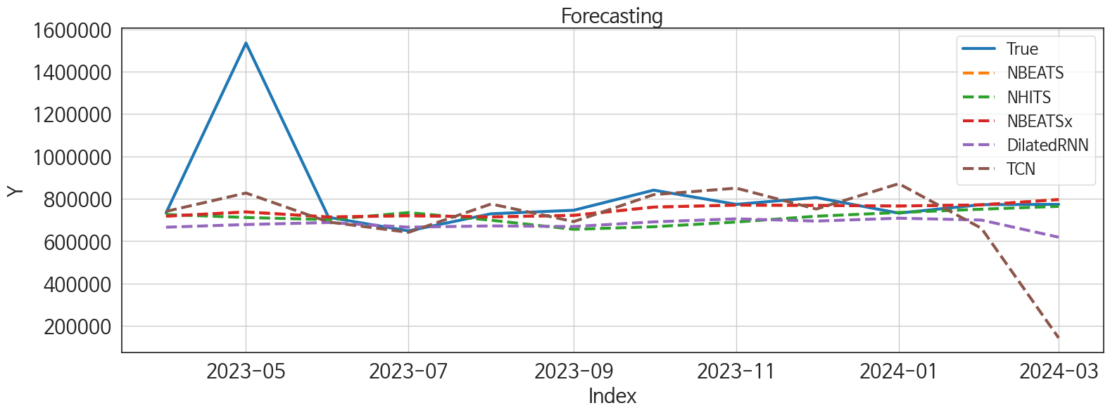
 | MSE | RMSE | MSPE | MAE | MAPE | MedAE | MedAPE
NBEATS | 54236011274 | 232886.26253 | 0.02482377155 | 91871.479167 | 0.077317052638 | 23287.03125 | 0.03067446102
NBEATSx | 54236011274 | 232886.26253 | 0.02482377155 | 91871.479167 | 0.077317052638 | 23287.03125 | 0.03067446102
NHITS | 62792238665 | 250583.79569 | 0.032742337904 | 120978.27604 | 0.11262094117 | 59729.09375 | 0.078862081562
DilatedRNN | 68119111055 | 260996.38131 | 0.037248282654 | 140058.9375 | 0.13534475678 | 70438.21875 | 0.092910975191
TCN | 78720197704 | 280571.19899 | 0.079840380616 | 156344.875 | 0.1656162146 | 54010.96875 | 0.069694704633
TiDE | 52428011706 | 228971.63952 | 0.03465132024 | 139732.18229 | 0.14488556692 | 84754.59375 | 0.1057326141
MLP | 64413310850 | 253797.7755 | 0.037353698049 | 145771.80729 | 0.14543154042 | 88798.90625 | 0.11834255118
GRU | 70846258187 | 266169.60418 | 0.042500653332 | 152927.85417 | 0.15199343627 | 93889.625 | 0.12358846314
RNN | 1.1316384807E+11 | 336398.3473 | 0.10092658248 | 244616.53646 | 0.2700636991 | 158883.53125 | 0.20453931952
LSTM | 1.1362933919E+11 | 337089.51213 | 0.11441733322 | 248369.72656 | 0.27555704481 | 233854.90625 | 0.29008042602

Forecasting_전체
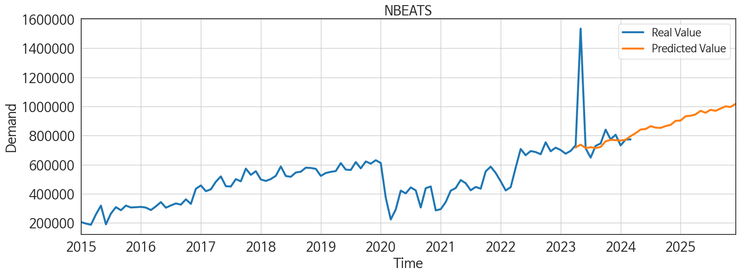
ds | unique_id | y | NBEATS | NBEATSx | NHITS | DilatedRNN | TCN | TiDE | MLP | GRU | RNN | LSTM
2023-04-01 | 1 | 733238 | 717939.5 | 717939.5 | 725127.0625 | 665994.8125 | 740571.0625 | 834562.9375 | 746676.25 | 674821.4375 | 558246.75 | 690992.625
2023-05-01 | 1 | 1534990 | 737984.625 | 737984.625 | 702376.6875 | 678537.75 | 827239.6875 | 816470.6875 | 712964.375 | 682675.625 | 610335.9375 | 691558.375
2023-06-01 | 1 | 712496 | 714080.375 | 714080.375 | 697507.125 | 687907.625 | 690454 | 748038.9375 | 677606.75 | 699281.8125 | 606601.625 | 689904.5625
2023-07-01 | 1 | 648470 | 720170.75 | 720170.75 | 729878.75 | 666092.1875 | 641732.6875 | 678972.4375 | 682740.5 | 661563.25 | 565030.875 | 652497.75
2023-08-01 | 1 | 729354 | 714426.8125 | 714426.8125 | 686908.5 | 672109.9375 | 775533.375 | 656642.4375 | 641116.9375 | 681063.5625 | 622429.9375 | 645961.1875
2023-09-01 | 1 | 745932 | 721942.5625 | 721942.5625 | 652222.3125 | 669086.5625 | 692263.1875 | 606497.875 | 615470.1875 | 652688.6875 | 597690.75 | 613841.9375
2023-10-01 | 1 | 840753 | 760817.8125 | 760817.8125 | 671510.75 | 691075.625 | 819471.125 | 757730.625 | 715666.1875 | 693177.0625 | 642855.9375 | 597535.0625
2023-11-01 | 1 | 773778 | 770357.0625 | 770357.0625 | 696765.3125 | 705587.625 | 850194 | 860264.8125 | 664762.3125 | 679242.0625 | 640099.5 | 484000.53125
2023-12-01 | 1 | 805939 | 768675.75 | 768675.75 | 722220.4375 | 694802.875 | 751585.875 | 813739.4375 | 654893.5625 | 674791.875 | 636413.1875 | 309629.5
2024-01-01 | 1 | 732365 | 766095 | 766095 | 730667.9375 | 708382.125 | 871225.75 | 604992.1875 | 662054.75 | 693445.5 | 630785.875 | 376722.0625
2024-02-01 | 1 | 772313 | 771294.875 | 771294.875 | 742566.1875 | 699626.9375 | 661056.6875 | 574193.875 | 682952.25 | 610132.25 | 460972.875 | 529667.4375
2024-03-01 | 1 | 773749 | 796333.625 | 796333.625 | 756704.125 | 618710.0625 | 143489.4375 | 697799.6875 | 692628.75 | 591546.125 | 296515.3125 | 548684.75
2024-04-01 | 1 | 0 | 816603.6875 | 816603.6875 | 771339.6875 | 443173.84375 | 266821.375 | 771283.625 | 700138 | 340749.625 | 254136.96875 | 540756.5625
2024-05-01 | 1 | 0 | 841476.3125 | 841476.3125 | 774754.5625 | 244785.59375 | 654412.1875 | 809192.5 | 733562.125 | 309062.5 | 406152.9375 | 653552.0625
2024-06-01 | 1 | 0 | 844972.1875 | 844972.1875 | 803131.6875 | 324513.0625 | 580706.4375 | 685271.375 | 701855.875 | 426957.53125 | 415691.875 | 595391.8125
2024-07-01 | 1 | 0 | 864543.5 | 864543.5 | 828397.8125 | 467260.78125 | 495769.9375 | 654038.5 | 816993.375 | 416079.4375 | 434172.625 | 617353.875
2024-08-01 | 1 | 0 | 854875.1875 | 854875.1875 | 832552.75 | 493320.59375 | 117373.4375 | 684747.125 | 801916.3125 | 508749.3125 | 469842.5 | 533794.5625
2024-09-01 | 1 | 0 | 852564.0625 | 852564.0625 | 827696.25 | 501193.71875 | -356286.9375 | 525231.375 | 702048.75 | 498055.6875 | 333200.65625 | 526571.4375
2024-10-01 | 1 | 0 | 865379.625 | 865379.625 | 798626.1875 | 539318 | 181082.96875 | 837080.0625 | 692233.875 | 608088.9375 | 414370.8125 | 526663.8125
2024-11-01 | 1 | 0 | 873475 | 873475 | 775755.9375 | 426218.875 | 399226.15625 | 946906.9375 | 626091.4375 | 553072.0625 | 456542.59375 | 553177.6875
2024-12-01 | 1 | 0 | 901319.5 | 901319.5 | 800531.6875 | 446589.84375 | 95610.46875 | 693514.0625 | 702924.1875 | 488630.84375 | 312725.6875 | 553365.875
2025-01-01 | 1 | 0 | 903129.3125 | 903129.3125 | 856964.75 | 549427.125 | 123743.6875 | 793212.3125 | 807624.5 | 502238.5 | 320258.875 | 529093.875
2025-02-01 | 1 | 0 | 932767.75 | 932767.75 | 878831.0625 | 458880.53125 | 11737.375 | 640536.8125 | 803018.9375 | 445922.3125 | 343636.96875 | 563189
2025-03-01 | 1 | 0 | 936219.6875 | 936219.6875 | 880156.9375 | 490912.96875 | 117610.84375 | 865690.25 | 922821.1875 | 464025 | 435572.09375 | 568367.625
2025-04-01 | 1 | 0 | 945596.1875 | 945596.1875 | 892821.9375 | 495631.03125 | 368759.5625 | 798032.25 | 880950 | 470398.4375 | 424134.5625 | 563760.9375
2025-05-01 | 1 | 0 | 970026.5625 | 970026.5625 | 886750.75 | 484997.5625 | 475795.46875 | 855736.375 | 888929.5 | 469568.5625 | 482160.71875 | 478064.09375
2025-06-01 | 1 | 0 | 956736.125 | 956736.125 | 884933.75 | 453387.6875 | 66090 | 851167.9375 | 877761.875 | 493110.1875 | 490268.34375 | 296700.5625
2025-07-01 | 1 | 0 | 977081.625 | 977081.625 | 897758.625 | 443331.875 | 149315.25 | 664191.5 | 902735.8125 | 417851.4375 | 410980.09375 | 392618.1875
2025-08-01 | 1 | 0 | 969903.1875 | 969903.1875 | 895210.5 | 537957.3125 | 316946.5625 | 908739.8125 | 947762.1875 | 563319.5625 | 461717.625 | 409964.46875
2025-09-01 | 1 | 0 | 985819.625 | 985819.625 | 906010.5 | 512110.03125 | 279787.5 | 865324.5 | 998527.75 | 538183.75 | 437157.96875 | 470706.4375
2025-10-01 | 1 | 0 | 1000836.875 | 1000836.875 | 891910.0625 | 634196.25 | 566462.6875 | 837250 | 991469.0625 | 643065.125 | 533313.5 | 605747.625
2025-11-01 | 1 | 0 | 996412 | 996412 | 880762.1875 | 634661.375 | 729578.375 | 769754.5625 | 919533 | 585337.3125 | 569124.625 | 616118
2025-12-01 | 1 | 0 | 1017692.1875 | 1017692.1875 | 881146.8125 | 627664.75 | 590390.5 | 726422.8125 | 955660.4375 | 648740.25 | 546907.5 | 649259.625

Performance_주말
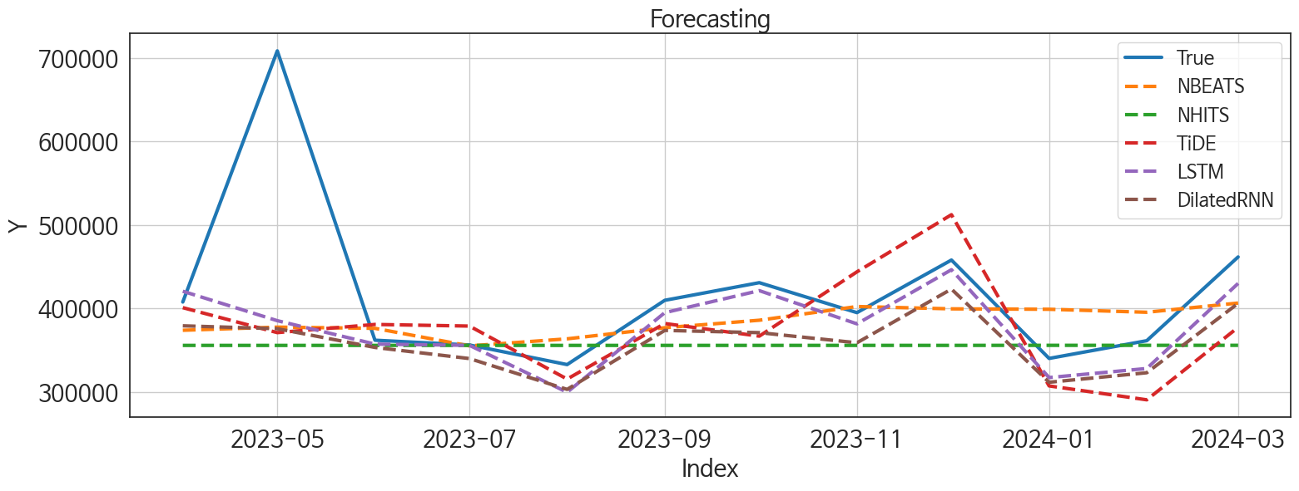
 | MSE | RMSE | MSPE | MAE | MAPE | MedAE | MedAPE
LSTM | 9097158908.5 | 95379.027613 | 0.020065184142 | 42665.382812 | 0.078997767351 | 14131.15625 | 0.035108837675
DilatedRNN | 10480649085 | 102375.04132 | 0.025882866126 | 58821.416667 | 0.11705459241 | 35455.65625 | 0.088756626731
NBEATS | 10519960398 | 102566.85818 | 0.026894342917 | 58601.203125 | 0.117001498 | 33975.359375 | 0.093564810665
TiDE | 11562732933 | 107530.14895 | 0.031200513888 | 65569.770833 | 0.13303645585 | 40926.265625 | 0.10782163088
NHITS | 13335344655 | 115478.76279 | 0.036025085399 | 69402.140625 | 0.13616108924 | 45637.3125 | 0.11351401839
NBEATSx | 13336407798 | 115483.36589 | 0.03603103736 | 69410.192708 | 0.13617855728 | 45644.03125 | 0.1135311622
RNN | 11976883774 | 109438.94999 | 0.032502993095 | 69922.903646 | 0.14256275823 | 47522.03125 | 0.12580930514
GRU | 12586069802 | 112187.65441 | 0.039208630123 | 73701.403646 | 0.15676062855 | 53432.765625 | 0.13776869273
TCN | 12480172454 | 111714.6922 | 0.042643837211 | 80667.580729 | 0.17311628091 | 55827.171875 | 0.13930714647
CatBoost | 40244167616 | 200609.49034 | 0.16569038711 | 173441.95277 | 0.39152354323 | 148630.09318 | 0.36129732261
RandomForest | 42564892374 | 206312.60837 | 0.17035255644 | 175606.41015 | 0.39470846773 | 153751.4391 | 0.36277649626
XGBoost | 44819037838 | 211705.07277 | 0.18182486498 | 180750.23698 | 0.40717554126 | 162220.3125 | 0.38289295384
LightGBM | 44306452669 | 210490.98002 | 0.17744273149 | 179199.85467 | 0.40312278605 | 163543.24606 | 0.39650978517
MLP | 8.3002484392E+11 | 911056.99269 | 5.6480821429 | 761481.42448 | 1.919959932 | 649388.5 | 1.713095154

Forecasting_주말
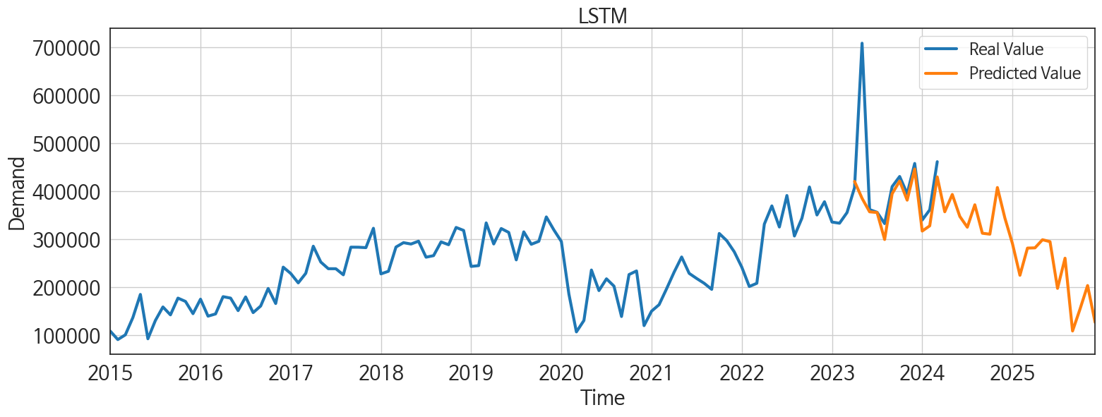
ds | unique_id | y | LSTM | DilatedRNN | NBEATS | TiDE | NHITS | NBEATSx | RNN | GRU | TCN | CatBoost | RandomForest | XGBoost | LightGBM | MLP
2023-04-01 | 1 | 407613 | 420513 | 379082.53125 | 373751.03125 | 400851.5625 | 355605.75 | 355609.03125 | 362585.1875 | 398994.46875 | 459899.625 | 270750.79473 | 270795.90963 | 270722.8125 | 268480.42491 | -717703.6875
2023-05-01 | 1 | 708674 | 385241.1875 | 375610.4375 | 377520.3125 | 370924.15625 | 355597.375 | 355605.75 | 367748.8125 | 370260.9375 | 398614.40625 | 230414.51644 | 199689.75685 | 190499.59375 | 184621.07629 | 1260011.75
2023-06-01 | 1 | 361826 | 357165.125 | 353173.5625 | 376066.28125 | 380722.65625 | 355612.46875 | 355607.90625 | 345646.1875 | 334295.71875 | 354539.625 | 249355.71321 | 250677.99981 | 249408.51562 | 257539.12078 | -467082.84375
2023-07-01 | 1 | 356106 | 355672.5625 | 339822.625 | 355014.75 | 378769.15625 | 355602.84375 | 355606.8125 | 347353.5 | 347845.53125 | 372493.125 | 270750.79473 | 270795.90963 | 270722.8125 | 268480.42491 | 1103545.25
2023-08-01 | 1 | 332612 | 299482.5 | 302875.59375 | 363466.75 | 315242.9375 | 355606.03125 | 355612.15625 | 306658.8125 | 276239.65625 | 301898.875 | 230512.20002 | 230621.70212 | 230520.4375 | 227914.05925 | 703900.9375
2023-09-01 | 1 | 409660 | 394849.375 | 373564.625 | 376799.75 | 381844.15625 | 355610 | 355613.5 | 354369.875 | 386301.0625 | 365395.1875 | 239117.37498 | 254288.19375 | 236420.21875 | 249551.44864 | 414931.9375
2023-10-01 | 1 | 430802 | 421268 | 370891.875 | 385776.34375 | 366697.40625 | 355613.9375 | 355613.3125 | 365804.3125 | 386385.875 | 382921.59375 | 249355.71321 | 250677.99981 | 249408.51562 | 257539.12078 | 1540889.75
2023-11-01 | 1 | 394892 | 381440.3125 | 358760.15625 | 402216.75 | 443783.65625 | 355624.625 | 355607.90625 | 346208.59375 | 329625.90625 | 335524.28125 | 230512.20002 | 230621.70212 | 230520.4375 | 227914.05925 | 732594.3125
2023-12-01 | 1 | 457940 | 446335 | 423124.0625 | 399423.28125 | 512295.6875 | 355619.03125 | 355612.21875 | 381623.625 | 407446.8125 | 363848.3125 | 297542.01891 | 299363.23129 | 297870.9375 | 268480.42491 | 835924.0625
2024-01-01 | 1 | 339988 | 317032.8125 | 311404.90625 | 398919.5 | 307027.125 | 355687.875 | 355608.8125 | 303575.46875 | 257776.9375 | 256684.46875 | 230512.20002 | 230621.70212 | 230520.4375 | 227914.05925 | 2222309
2024-02-01 | 1 | 361245 | 327911.46875 | 322829.8125 | 395333.75 | 290360.46875 | 355689.15625 | 355613.5625 | 314884.34375 | 282435.875 | 275876.125 | 226740.90537 | 209113.92805 | 181418.40625 | 184621.07629 | 840713.5
2024-03-01 | 1 | 461647 | 429909.0625 | 406007.8125 | 406382.125 | 377263.09375 | 355698.03125 | 355613.65625 | 387471.4375 | 360979.375 | 324645.90625 | 216137.13513 | 218460.04303 | 215969.03125 | 249551.44864 | -859003.0625
2024-04-01 | 1 | 0 | 357187.1875 | 348455.5625 | 421505.40625 | 372181.40625 | 355691.28125 | 355611.40625 | 295172.46875 | 278949.125 | 230596.51562 | 230512.20002 | 230621.70212 | 230520.4375 | 227914.05925 | 197198.0625
2024-05-01 | 1 | 0 | 393312.34375 | 353965.96875 | 445135.8125 | 373925.28125 | 355693.46875 | 355613.46875 | 330425.375 | 263790.15625 | 216030 | 173403.89769 | 182496.67057 | 172320.53125 | 237648.40861 | 994981.125
2024-06-01 | 1 | 0 | 347583.25 | 318729.96875 | 447562.53125 | 385948.4375 | 355688.09375 | 355611.53125 | 283034.28125 | 270525.84375 | 240527.89062 | 270750.79473 | 270795.90963 | 270722.8125 | 268480.42491 | 390082.75
2024-07-01 | 1 | 0 | 325072.09375 | 294625.125 | 430407.09375 | 342703.21875 | 355683.125 | 355611.34375 | 235639.48438 | 216450.78125 | 233079.28125 | 230512.20002 | 230621.70212 | 230520.4375 | 227914.05925 | 139039.01562
2024-08-01 | 1 | 0 | 371835.0625 | 312428.78125 | 432097.6875 | 238018.4375 | 355703.5 | 355611.5 | 275854.3125 | 264814.53125 | 246497.98438 | 270750.79473 | 270795.90963 | 270722.8125 | 268480.42491 | 1009061.25
2024-09-01 | 1 | 0 | 312500.0625 | 320472.3125 | 430613.28125 | 286899.21875 | 355694.28125 | 355613.125 | 227303.60938 | 214789.59375 | 217819.59375 | 249355.71321 | 250677.99981 | 249408.51562 | 257539.12078 | 701383.875
2024-10-01 | 1 | 0 | 310505.25 | 272531.375 | 449169.65625 | 393534 | 355689.65625 | 355611.125 | 215062.625 | 208329.59375 | 218992.125 | 230512.20002 | 230621.70212 | 230520.4375 | 227914.05925 | 554028.875
2024-11-01 | 1 | 0 | 407798.375 | 329782.53125 | 468058.90625 | 308476.40625 | 355692.28125 | 355610.125 | 288030.84375 | 213335.42188 | 219252.6875 | 270750.79473 | 270795.90963 | 270722.8125 | 268480.42491 | 447638.46875
2024-12-01 | 1 | 0 | 344012.625 | 295349.5625 | 473272.75 | 494712.78125 | 355697.75 | 355611.5625 | 233905.96875 | 248306.14062 | 202827.64062 | 249355.71321 | 250677.99981 | 249408.51562 | 257539.12078 | 1301159.625
2025-01-01 | 1 | 0 | 291137.25 | 188924.21875 | 465779.625 | 295879.84375 | 355692.09375 | 355610.625 | 181097.21875 | 196031.28125 | 177879.70312 | 249355.71321 | 250677.99981 | 249408.51562 | 257539.12078 | 1346708.75
2025-02-01 | 1 | 0 | 224786.29688 | 190276.5 | 485329.75 | 411633 | 355687.96875 | 355610.40625 | 145431.3125 | 189829.14062 | 165034.6875 | 230512.20002 | 230621.70212 | 230520.4375 | 227914.05925 | 1495405.25
2025-03-01 | 1 | 0 | 281513.46875 | 182376.96875 | 475154.09375 | 399336.71875 | 355687.78125 | 355612.625 | 169303.625 | 186519.5625 | 196176.23438 | 261442.16821 | 261097.65817 | 261493.98438 | 249551.44864 | 56630.476562
2025-04-01 | 1 | 0 | 282001.1875 | 200338.71875 | 491280 | 370275.6875 | 355687.15625 | 355612.625 | 189694.34375 | 191830.34375 | 231433.5 | 230512.20002 | 230621.70212 | 230520.4375 | 227914.05925 | 609141
2025-05-01 | 1 | 0 | 298931.78125 | 283178.96875 | 506157.03125 | 517799.375 | 355682.96875 | 355612.78125 | 270094.90625 | 235413.48438 | 247145.51562 | 270750.79473 | 270795.90963 | 270722.8125 | 268480.42491 | 1237652.25
2025-06-01 | 1 | 0 | 294951.03125 | 249117.4375 | 499025.59375 | 323554.03125 | 355694.40625 | 355613.4375 | 216612.28125 | 239569.01562 | 240587.98438 | 173403.89769 | 182496.67057 | 172320.53125 | 237648.40861 | 36731.714844
2025-07-01 | 1 | 0 | 197563.95312 | 184634.53125 | 501652.3125 | 441366.6875 | 355691.8125 | 355612.4375 | 202928.20312 | 217717.34375 | 229985.23438 | 230512.20002 | 230621.70212 | 230520.4375 | 227914.05925 | 2132014.25
2025-08-01 | 1 | 0 | 260435.04688 | 227919.875 | 509456.28125 | 482870.8125 | 355718.75 | 355612.03125 | 277406.59375 | 297811.71875 | 246715.65625 | 216137.13513 | 218460.04303 | 215969.03125 | 249551.44864 | 457949.625
2025-09-01 | 1 | 0 | 108690.51562 | 150509.64062 | 509330.71875 | 301612.3125 | 355760.65625 | 355613.84375 | 200711.0625 | 196142.375 | 242904.67188 | 230512.20002 | 230621.70212 | 230520.4375 | 227914.05925 | -1127191.75
2025-10-01 | 1 | 0 | 154684.17188 | 181767.90625 | 511132.875 | 384794.1875 | 355752.625 | 355611.8125 | 241225.8125 | 246319.15625 | 233824.59375 | 268328.16883 | 278792.082 | 280532.09375 | 237648.40861 | 1861651.125
2025-11-01 | 1 | 0 | 203470.46875 | 252981.35938 | 514856.78125 | 347067.9375 | 355735.5 | 355612.8125 | 301937.0625 | 306263.09375 | 260352.5 | 270750.79473 | 270795.90963 | 270722.8125 | 268480.42491 | 2282722.25
2025-12-01 | 1 | 0 | 126532.39062 | 225566.89062 | 527009.625 | 375141.125 | 355738.8125 | 355612.59375 | 236596.84375 | 251635.59375 | 282126.375 | 230512.20002 | 230621.70212 | 230520.4375 | 227914.05925 | -1668144.625

Performance_주중
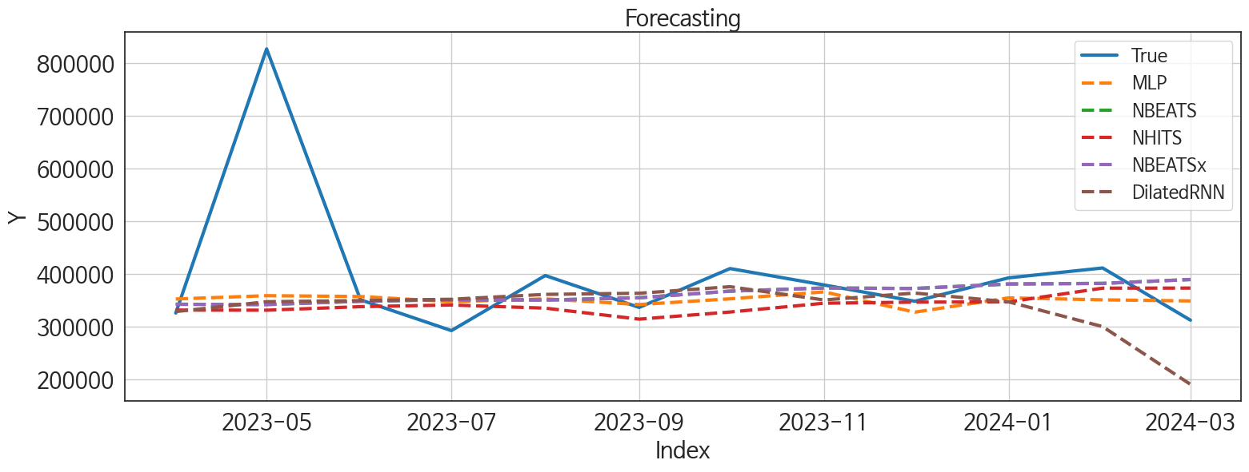
 | MSE | RMSE | MSPE | MAE | MAPE | MedAE | MedAPE
NBEATS | 20867008404 | 144454.17406 | 0.040529503857 | 68175.395833 | 0.12953429749 | 26729.015625 | 0.070360098585
NBEATSx | 20867008404 | 144454.17406 | 0.040529503857 | 68175.395833 | 0.12953429749 | 26729.015625 | 0.070360098585
MLP | 19572909643 | 139903.21527 | 0.037026308562 | 69278.057292 | 0.13133023473 | 37217.765625 | 0.10417703349
NHITS | 22119408023 | 148725.94939 | 0.043216355914 | 74505.59375 | 0.14171664667 | 41726.625 | 0.10468730469
DilatedRNN | 22220204908 | 149064.43207 | 0.053776963356 | 80176.007812 | 0.16211930371 | 35068.46875 | 0.086994362052
TiDE | 17821872382 | 133498.58569 | 0.040882027572 | 78481.419271 | 0.16075546931 | 43161.34375 | 0.12458383948
GRU | 26025550356 | 161324.3638 | 0.074948368396 | 100697.04427 | 0.21405298177 | 68123.59375 | 0.17290227987
TCN | 40849455382 | 202112.48201 | 0.18285435689 | 130683.37435 | 0.29947646829 | 54076.28125 | 0.15482929262
RNN | 32515162595 | 180319.61234 | 0.094189971864 | 124164.21745 | 0.26614620296 | 98556.9375 | 0.26327674528
LSTM | 34340872942 | 185312.90549 | 0.11059886529 | 122591.16797 | 0.26186014292 | 105412 | 0.27198002369

Forecasting_주중
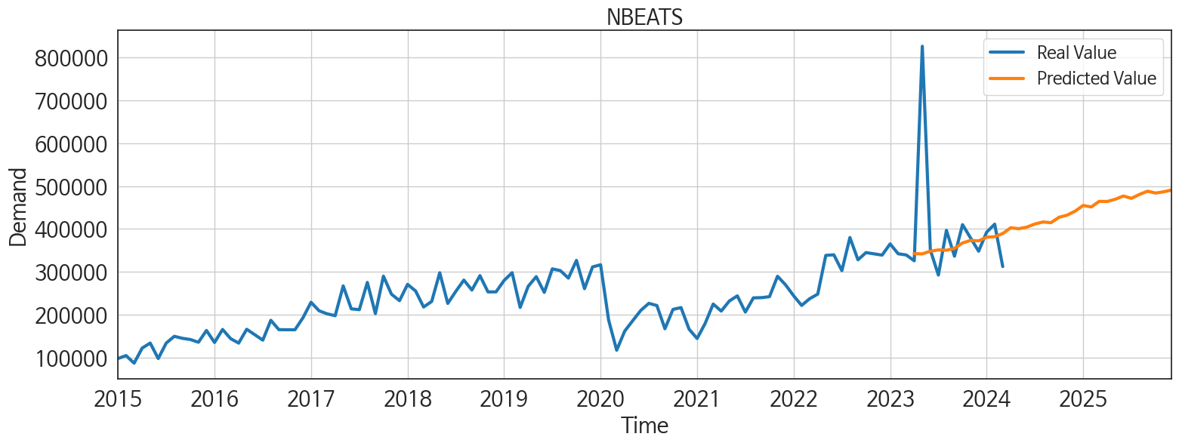
ds | unique_id | y | NBEATS | NBEATSx | MLP | NHITS | DilatedRNN | TiDE | GRU | TCN | RNN | LSTM
2023-04-01 | 1 | 325625 | 342253.40625 | 342253.40625 | 352245.6875 | 328343.96875 | 328412.03125 | 391271.53125 | 351778.875 | 343114.9375 | 302045.71875 | 321126.78125
2023-05-01 | 1 | 826316 | 341750.09375 | 341750.09375 | 358534.46875 | 332143.03125 | 347098 | 398502.96875 | 333503.03125 | 311609.4375 | 292981.0625 | 303865.875
2023-06-01 | 1 | 350670 | 347997.5625 | 347997.5625 | 356980.65625 | 339271.1875 | 349213.90625 | 344780.375 | 335351.8125 | 299246.5625 | 290335.40625 | 343988.8125
2023-07-01 | 1 | 292364 | 350960.8125 | 350960.8125 | 347231.96875 | 338516.03125 | 351748.96875 | 324929.84375 | 325529.6875 | 377902.125 | 283804.875 | 316147.5
2023-08-01 | 1 | 396742 | 350269.0625 | 350269.0625 | 352469.25 | 335518.15625 | 361002.0625 | 358366.5 | 310496.09375 | 350370.53125 | 283816.78125 | 291753.9375
2023-09-01 | 1 | 336272 | 354627.25 | 354627.25 | 341778.25 | 316520.40625 | 363116.875 | 303364.5 | 345961.1875 | 328654.90625 | 273600.3125 | 312507.5
2023-10-01 | 1 | 409951 | 367159.28125 | 367159.28125 | 352591.125 | 330987.25 | 375554 | 374865.71875 | 340976.8125 | 414079.0625 | 277888.4375 | 292590.96875
2023-11-01 | 1 | 378886 | 373114.96875 | 373114.96875 | 365753.90625 | 346870.21875 | 350427.90625 | 431380.3125 | 311613 | 343611.625 | 265724.4375 | 273050.0625
2023-12-01 | 1 | 347999 | 372208.34375 | 372208.34375 | 327316.53125 | 347436.0625 | 363484.9375 | 395946.1875 | 305579.09375 | 291269.875 | 263810.34375 | 311339.9375
2024-01-01 | 1 | 392377 | 380676.90625 | 380676.90625 | 354409.3125 | 345828.375 | 346825.6875 | 325221.125 | 321136.5 | 261944.14062 | 257108.125 | 238768.20312
2024-02-01 | 1 | 411068 | 381819.3125 | 381819.3125 | 350701.125 | 373766.78125 | 299919.46875 | 305378.4375 | 273529.28125 | 97441.304688 | 253888.01562 | 162045
2024-03-01 | 1 | 312102 | 389194.125 | 389194.125 | 348569.84375 | 375358.59375 | 190461.6875 | 342308.78125 | 154569.59375 | 7239.25 | 245397.875 | 189660.40625
2024-04-01 | 1 | 0 | 402637.25 | 402637.25 | 376723.84375 | 374477 | 166308.8125 | 388204.78125 | 103927.08594 | -11155.484375 | 243402 | 205029.57812
2024-05-01 | 1 | 0 | 400509.5625 | 400509.5625 | 367657.875 | 397845.34375 | 210268.73438 | 390058.125 | 252438.29688 | 136681.6875 | 249997.4375 | 235054.57812
2024-06-01 | 1 | 0 | 404242.25 | 404242.25 | 409046.78125 | 384985.71875 | 230468.5625 | 352431.375 | 250565.21875 | 195443.79688 | 246059.9375 | 239152.73438
2024-07-01 | 1 | 0 | 411518.40625 | 411518.40625 | 413254.625 | 405409.15625 | 269850.625 | 328904.53125 | 249079.40625 | 167856.26562 | 231547.96875 | 258506.57812
2024-08-01 | 1 | 0 | 416116.40625 | 416116.40625 | 411577.21875 | 414470 | 279600 | 366121.1875 | 241007 | 134824.29688 | 229337.45312 | 160346.84375
2024-09-01 | 1 | 0 | 414572.34375 | 414572.34375 | 428652.59375 | 404317.65625 | 212631.78125 | 291916.875 | 227601.07812 | 123401.1875 | 232055.10938 | 217141.5625
2024-10-01 | 1 | 0 | 427115.1875 | 427115.1875 | 348494.25 | 401514.75 | 223164.8125 | 426963.25 | 220138.46875 | 159212.09375 | 225878.5625 | 252723.9375
2024-11-01 | 1 | 0 | 432056.5 | 432056.5 | 360534.8125 | 391015.21875 | 252432.17188 | 490397.03125 | 230890.95312 | 142316.40625 | 225609.60938 | 191440.75
2024-12-01 | 1 | 0 | 441413.0625 | 441413.0625 | 408776.375 | 394236.3125 | 201589.35938 | 338004.375 | 210974.82812 | 108164.92969 | 221461.09375 | 186701.8125
2025-01-01 | 1 | 0 | 454738.21875 | 454738.21875 | 427942.59375 | 422320.21875 | 183490.5 | 434232.03125 | 258824.0625 | 94449.890625 | 225651.14062 | 186857.23438
2025-02-01 | 1 | 0 | 451215.9375 | 451215.9375 | 452770.71875 | 422374.375 | 222234.23438 | 324330.3125 | 232418.82812 | 185768.0625 | 237418.57812 | 202305.3125
2025-03-01 | 1 | 0 | 464345.96875 | 464345.96875 | 466520.34375 | 429155.9375 | 224962.34375 | 413924.71875 | 279644.84375 | 214144.73438 | 243675.6875 | 232889.625
2025-04-01 | 1 | 0 | 464064.40625 | 464064.40625 | 498698.40625 | 436583.1875 | 249928.03125 | 382670.96875 | 269475.6875 | 234324.89062 | 245373.65625 | 258559.85938
2025-05-01 | 1 | 0 | 469268.75 | 469268.75 | 482079.8125 | 445104.6875 | 244215.34375 | 421451.4375 | 232395.4375 | 220322.64062 | 238784.25 | 224531.21875
2025-06-01 | 1 | 0 | 476763.71875 | 476763.71875 | 469034.9375 | 439826.40625 | 243022.64062 | 431685.65625 | 210287.64062 | 224858.9375 | 246432.17188 | 186038.125
2025-07-01 | 1 | 0 | 471429.5625 | 471429.5625 | 485471.78125 | 433112.21875 | 230148.75 | 348009.84375 | 250007.29688 | 199692.03125 | 239848.28125 | 229451.59375
2025-08-01 | 1 | 0 | 480419.09375 | 480419.09375 | 510600.3125 | 441550.0625 | 229519.76562 | 463131.46875 | 248807.67188 | 271845.625 | 235092.54688 | 232278.53125
2025-09-01 | 1 | 0 | 488068.8125 | 488068.8125 | 535478.375 | 440143.21875 | 255266.98438 | 435068.5625 | 282798.0625 | 243861.48438 | 229482.01562 | 224120.85938
2025-10-01 | 1 | 0 | 483621 | 483621 | 516562.25 | 439248.84375 | 263665.6875 | 416660.125 | 351926.1875 | 285508.28125 | 230084.4375 | 246591.59375
2025-11-01 | 1 | 0 | 486630.25 | 486630.25 | 526601.25 | 435949.9375 | 285288.375 | 382260.28125 | 353530.375 | 353318.46875 | 231661.70312 | 259333.28125
2025-12-01 | 1 | 0 | 490735.5 | 490735.5 | 508471.53125 | 435059.6875 | 302373.53125 | 355848.53125 | 360434.875 | 328065.03125 | 240483.15625 | 250189.23438

