Performance_전체
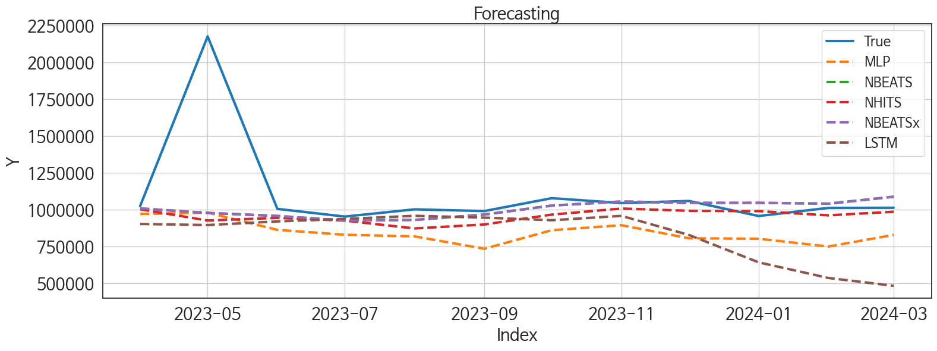
 | MSE | RMSE | MSPE | MAE | MAPE | MedAE | MedAPE
NBEATS | 1.216469803E+11 | 348779.27161 | 0.027420469012 | 137516.98438 | 0.083443880166 | 38305.46875 | 0.03742030376
NBEATSx | 1.216469803E+11 | 348779.27161 | 0.027420469012 | 137516.98438 | 0.083443880166 | 38305.46875 | 0.03742030376
NHITS | 1.3344547274E+11 | 365301.8926 | 0.031452676578 | 157977.73438 | 0.1009030032 | 53207.53125 | 0.051214109559
LSTM | 1.9597287999E+11 | 442688.24243 | 0.087099630275 | 281423.34375 | 0.22130646515 | 135750.875 | 0.12874801402
MLP | 1.5214326598E+11 | 390055.46526 | 0.057088807658 | 264610.57812 | 0.20824607378 | 183805.40625 | 0.18226069852
TiDE | 1.5475353493E+11 | 393387.25822 | 0.062682113645 | 261593.98958 | 0.20786573057 | 188156.71875 | 0.19172468042
RNN | 1.8693605071E+11 | 432361.01895 | 0.064479962405 | 285322.15625 | 0.22087804871 | 185632.625 | 0.1831720775
TCN | 1.7348274751E+11 | 416512.60186 | 0.078900023775 | 284350.69271 | 0.22661651189 | 274309.125 | 0.27092689119
DilatedRNN | 2.2170779158E+11 | 470858.56855 | 0.1222088453 | 341687.20573 | 0.28262929914 | 316406.40625 | 0.2961032055
GRU | 3.9399487695E+11 | 627690.11219 | 0.20359052636 | 493891.94531 | 0.41303980143 | 430006.6875 | 0.41784538281

Forecasting_전체
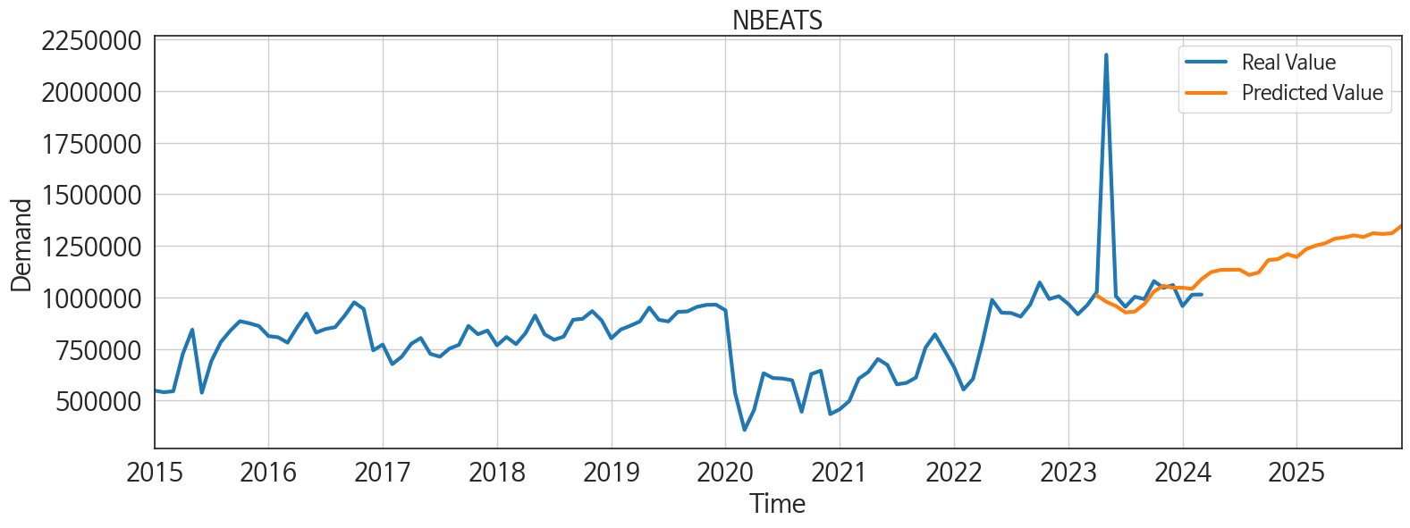
ds | unique_id | y | NBEATS | NBEATSx | NHITS | LSTM | MLP | TiDE | RNN | TCN | DilatedRNN | GRU
2023-04-01 | 1 | 1025955 | 1009081.25 | 1009081.25 | 1002048.9375 | 903989.875 | 971312.3125 | 1120945.625 | 826266.625 | 972232.8125 | 934282.5 | 978742.3125
2023-05-01 | 1 | 2176084 | 978737.6875 | 978737.6875 | 931535.6875 | 896490.375 | 981031.375 | 992077.1875 | 821026.8125 | 997217.9375 | 966856.1875 | 498976.71875
2023-06-01 | 1 | 1006231 | 958222.0625 | 958222.0625 | 943140.1875 | 921227.4375 | 863861.1875 | 925089.6875 | 824396.625 | 954367.6875 | 992811.9375 | 358632.9375
2023-07-01 | 1 | 954043 | 927141.9375 | 927141.9375 | 943403.375 | 937974.625 | 830697.25 | 792273.625 | 826706.4375 | 944383 | 971463.625 | 488102.65625
2023-08-01 | 1 | 1003070 | 931413.8125 | 931413.8125 | 874533.125 | 959332.875 | 819769.5625 | 788525.9375 | 829614.875 | 940965.3125 | 951887.5 | 668385
2023-09-01 | 1 | 991399 | 967818.9375 | 967818.9375 | 894375.625 | 946883.375 | 735828.3125 | 712458.75 | 828317.1875 | 927674.375 | 807881.75 | 702902
2023-10-01 | 1 | 1078780 | 1028504.1875 | 1028504.1875 | 970766.3125 | 929243.375 | 861680.125 | 946782.5 | 827329.375 | 819390.875 | 784178.5 | 595609.5
2023-11-01 | 1 | 1045942 | 1056136.5 | 1056136.5 | 1003936.0625 | 958796.25 | 895494.375 | 1158142.875 | 817102.5625 | 645376.0625 | 683943.9375 | 631294.5
2023-12-01 | 1 | 1059829 | 1046735.875 | 1046735.875 | 999685.4375 | 829290.6875 | 806832.875 | 1048479.4375 | 812412.375 | 661593.875 | 721617.6875 | 490118.84375
2024-01-01 | 1 | 957778 | 1046905.5625 | 1046905.5625 | 1000449.4375 | 643527.9375 | 803683.375 | 693101.8125 | 833337.5 | 668548.875 | 575420.0625 | 671171.625
2024-02-01 | 1 | 1012952 | 1041554 | 1041554 | 966680.5 | 537673.5625 | 750855.6875 | 650990.9375 | 828370.5 | 707641.125 | 488267.09375 | 746789.4375
2024-03-01 | 1 | 1013909 | 1088453.5 | 1088453.5 | 985027.375 | 484461.5 | 829598.625 | 772358.75 | 827225.25 | 674371.75 | 381956 | 568543.125
2024-04-01 | 1 | 0 | 1122139.5 | 1122139.5 | 1037634.625 | 511345.0625 | 805442 | 939076.4375 | 835347.5625 | 674811.125 | 447099.03125 | 596277.5
2024-05-01 | 1 | 0 | 1133236.375 | 1133236.375 | 1051407.875 | 482532.875 | 930083.4375 | 1011803.3125 | 827821.125 | 767270.4375 | 572514.6875 | 548571.125
2024-06-01 | 1 | 0 | 1133940 | 1133940 | 1081054.375 | 490639.34375 | 845368.3125 | 860415.5 | 825452.125 | 779975 | 615850 | 656260.4375
2024-07-01 | 1 | 0 | 1134382.25 | 1134382.25 | 1073763 | 572856.625 | 949023.4375 | 754951.1875 | 822851.375 | 819643.375 | 644215.125 | 681252.75
2024-08-01 | 1 | 0 | 1108786.5 | 1108786.5 | 1047342.5 | 620359.5625 | 893929 | 730764 | 824582.875 | 714806.375 | 576590 | 717279.25
2024-09-01 | 1 | 0 | 1120666.375 | 1120666.375 | 1031592.6875 | 631932.125 | 760935.75 | 502626.1875 | 828160.9375 | 691550.75 | 458591.9375 | 757910.0625
2024-10-01 | 1 | 0 | 1180209.875 | 1180209.875 | 1060548.625 | 535692.375 | 805158.4375 | 833510.875 | 820675.5625 | 691992.5 | 591299.9375 | 736079.6875
2024-11-01 | 1 | 0 | 1185161.75 | 1185161.75 | 1071628.25 | 454545.71875 | 748227 | 932603.0625 | 823546.9375 | 807177.6875 | 732979.1875 | 655269
2024-12-01 | 1 | 0 | 1209640.375 | 1209640.375 | 1148226.375 | 474668.875 | 826344.875 | 675609.8125 | 818603.75 | 793605.25 | 742089.0625 | 664239.875
2025-01-01 | 1 | 0 | 1195656 | 1195656 | 1164763.25 | 539412.125 | 933258.875 | 934135.75 | 826831.5 | 733408.625 | 646138.5625 | 849522.75
2025-02-01 | 1 | 0 | 1234132.375 | 1234132.375 | 1166828.25 | 672403.625 | 1147279.875 | 680242.625 | 814695.875 | 815063.625 | 625264.3125 | 875483.25
2025-03-01 | 1 | 0 | 1251246.375 | 1251246.375 | 1192854.625 | 682526.75 | 1171113.125 | 882388.8125 | 823483.625 | 745266.75 | 648905.625 | 778145.6875
2025-04-01 | 1 | 0 | 1262408.75 | 1262408.75 | 1214799.625 | 666639.625 | 1174250.875 | 1022273.4375 | 819429.4375 | 750924.3125 | 748653 | 607685.25
2025-05-01 | 1 | 0 | 1284597.125 | 1284597.125 | 1244382.25 | 621696.5625 | 1194352.25 | 834977.9375 | 811343 | 787580.5 | 835917.75 | 590166.375
2025-06-01 | 1 | 0 | 1291120.5 | 1291120.5 | 1235823.75 | 613447.75 | 1217133.75 | 821613.9375 | 814624.6875 | 805299.75 | 845311.25 | 698943.875
2025-07-01 | 1 | 0 | 1300758.625 | 1300758.625 | 1256152.625 | 680898.5 | 1342227 | 812768.4375 | 797029.0625 | 825795 | 796669.75 | 849310.625
2025-08-01 | 1 | 0 | 1292561 | 1292561 | 1218288.25 | 734421 | 1216324.75 | 1165523.5 | 806495.625 | 778103.125 | 659508.9375 | 932656.3125
2025-09-01 | 1 | 0 | 1310865 | 1310865 | 1215095.5 | 768316.625 | 1317118.25 | 1013340.3125 | 785769.875 | 784848.75 | 645565.1875 | 924563.4375
2025-10-01 | 1 | 0 | 1307370.125 | 1307370.125 | 1192331.25 | 791907.9375 | 1263245.375 | 1046687 | 808070.625 | 844773.4375 | 732616.5 | 895153.3125
2025-11-01 | 1 | 0 | 1310645 | 1310645 | 1192777.75 | 719944.4375 | 1152193.625 | 714231.6875 | 795399 | 881288.4375 | 909066.4375 | 955367.375
2025-12-01 | 1 | 0 | 1346747.375 | 1346747.375 | 1188235.625 | 695756.3125 | 1215072.25 | 876022.8125 | 775989.375 | 877860.125 | 920747.25 | 967525.125

Performance_주말
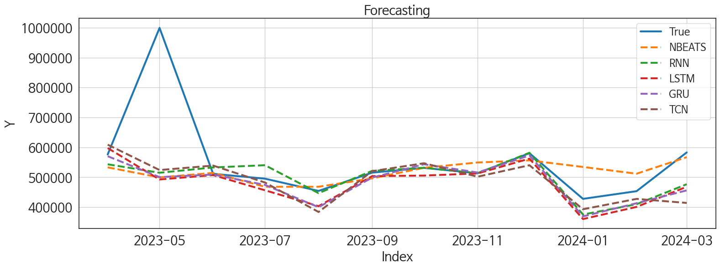
 | MSE | RMSE | MSPE | MAE | MAPE | MedAE | MedAPE
GRU | 22858312978 | 151189.65896 | 0.028453792355 | 70607.390625 | 0.099372653766 | 18728.25 | 0.037155632952
RNN | 21200368533 | 145603.46333 | 0.025518194377 | 66802.763021 | 0.092258915707 | 27131.125 | 0.049406125659
NBEATS | 22508767553 | 150029.22233 | 0.028946964965 | 70657.122396 | 0.1017847976 | 25593.765625 | 0.048120996552
TCN | 22124519681 | 148743.13322 | 0.02976543192 | 76737.416667 | 0.11049324144 | 30071.65625 | 0.056841462422
LSTM | 23613940329 | 153668.28017 | 0.029879092403 | 76153.90625 | 0.10983769264 | 32195.453125 | 0.063256508172
NBEATSx | 24146527912 | 155391.53102 | 0.031073655649 | 84522.914062 | 0.12331187163 | 38897.71875 | 0.085696857867
DilatedRNN | 25121477692 | 158497.56368 | 0.037839565895 | 89790.763021 | 0.13747966781 | 43097.4375 | 0.080223137829
TiDE | 28601409499 | 169119.51247 | 0.044636180987 | 109167.17969 | 0.17239416791 | 71703.84375 | 0.14446879754
RandomForest | 47712558995 | 218432.04663 | 0.079165181493 | 154307.179 | 0.2467508517 | 110279.18602 | 0.2286239146
CatBoost | 43655267195 | 208938.4292 | 0.076522720055 | 153174.43174 | 0.24757805421 | 125770.97845 | 0.23809134241
XGBoost | 49486892158 | 222456.49498 | 0.082746757916 | 157824.7474 | 0.25298041153 | 118112.23438 | 0.2380182609
LightGBM | 50293922612 | 224263.06564 | 0.084104482021 | 160270.32085 | 0.25699371062 | 125386.0884 | 0.24171506263
NHITS | 1.3214798361E+11 | 363521.64118 | 0.36937184711 | 317773.11198 | 0.56624043041 | 320143.1875 | 0.61448833176
MLP | 2.8681765933E+12 | 1693569.1876 | 11.361442671 | 1250301.8594 | 2.4814065626 | 1182588.2812 | 2.3343713259

Forecasting_주말
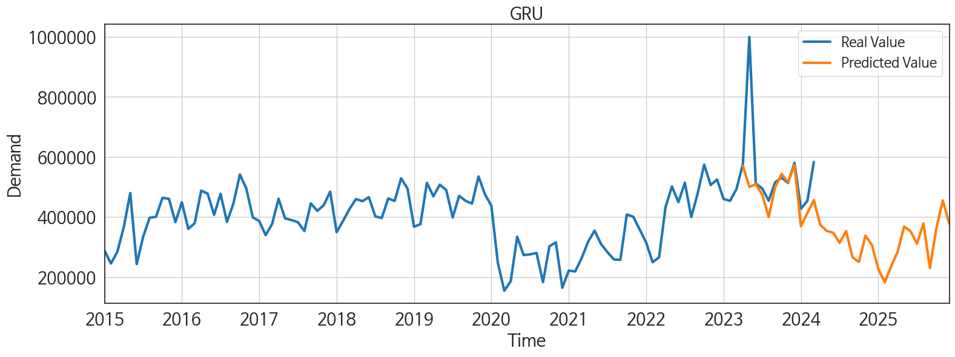
ds | unique_id | y | GRU | RNN | NBEATS | TCN | LSTM | NBEATSx | DilatedRNN | TiDE | RandomForest | CatBoost | XGBoost | LightGBM | NHITS | MLP
2023-04-01 | 1 | 576373 | 570431.375 | 543328.5 | 533098.5 | 609005.5 | 597694.625 | 492769.34375 | 530871.4375 | 528953 | 435658.37378 | 435662.94496 | 435625.875 | 436016.87549 | 208966.76562 | 692182
2023-05-01 | 1 | 999630 | 500429.46875 | 515105.3125 | 499622.6875 | 524135.375 | 492544.8125 | 492768.6875 | 498620.5625 | 474916.1875 | 346104.87974 | 390935.67945 | 335167.59375 | 330180.44969 | 216499.28125 | 1158605.125
2023-06-01 | 1 | 511512 | 509037 | 532729.75 | 514574.4375 | 539022.8125 | 507227.3125 | 492769.8125 | 500031.53125 | 482021.625 | 395141.87394 | 392814.36873 | 392922.03125 | 403809.37351 | 224784.70312 | 2418935.5
2023-07-01 | 1 | 495253 | 474440.46875 | 540274.0625 | 468078.65625 | 482418.375 | 456454.9375 | 492765.34375 | 431802.625 | 451604.59375 | 435658.37378 | 435662.94496 | 435625.875 | 436016.87549 | 212729.29688 | -2369513.5
2023-08-01 | 1 | 454314 | 399947.375 | 446853.34375 | 468221.34375 | 383838.1875 | 403254.6875 | 492773.21875 | 388588.125 | 364321.59375 | 369295.35507 | 370737.19346 | 370720.28125 | 368187.66332 | 185573 | 772715
2023-09-01 | 1 | 515497 | 498853.03125 | 521367.90625 | 496311.96875 | 520351.40625 | 503790.1875 | 492774.25 | 486104 | 472725.3125 | 436743.33667 | 382652.67437 | 416159.6875 | 419131.44348 | 165606.09375 | 623394.1875
2023-10-01 | 1 | 531268 | 543492.125 | 531798.3125 | 531619.5625 | 546902.1875 | 505675.15625 | 492831.78125 | 527858.5625 | 481183.09375 | 395141.87394 | 392814.36873 | 392922.03125 | 403809.37351 | 219107.625 | -950838.6875
2023-11-01 | 1 | 513516 | 515828.59375 | 513545.4375 | 549413.5625 | 501885.375 | 512694.53125 | 492822.5625 | 500467.75 | 601069.5 | 369295.35507 | 370737.19346 | 370720.28125 | 368187.66332 | 402055.84375 | 4116775
2023-12-01 | 1 | 580416 | 573001.75 | 581847.625 | 556402.8125 | 540217.75 | 562272.625 | 492824.46875 | 539722.6875 | 655755.875 | 486592.01511 | 491887.40087 | 492008.9375 | 436016.87549 | 579922.5625 | 2091953.625
2024-01-01 | 1 | 427738 | 369165.9375 | 375277.78125 | 534461.5 | 393002.40625 | 360228.03125 | 492820.1875 | 305186.53125 | 359670.1875 | 369295.35507 | 370737.19346 | 370720.28125 | 368187.66332 | 755864 | 1310807.875
2024-02-01 | 1 | 453494 | 413143.65625 | 409860.78125 | 511865.8125 | 427614.9375 | 400837.0625 | 492830.21875 | 416533.5 | 350123.59375 | 349305.75401 | 369573.67264 | 335859.5 | 330180.44969 | 781676 | -1590165.125
2024-03-01 | 1 | 583089 | 456113.96875 | 476680.21875 | 567172.125 | 414120.5 | 468222.40625 | 492830.40625 | 438823.53125 | 435536.03125 | 402181.30585 | 399791.18399 | 399750.65625 | 419131.44348 | 188653.48438 | 589806.6875
2024-04-01 | 1 | 0 | 373888 | 401726.59375 | 567809.75 | 346614 | 412898.21875 | 492834.59375 | 323074.4375 | 502022.9375 | 369295.35507 | 370737.19346 | 370720.28125 | 368187.66332 | -393912.625 | -677707.25
2024-05-01 | 1 | 0 | 353532.4375 | 411648.625 | 587717.375 | 258265 | 425073.0625 | 492830.71875 | 343681.5 | 392351.5625 | 272804.55867 | 264472.62585 | 263834.8125 | 387631.09308 | -976304.875 | 1588286.875
2024-06-01 | 1 | 0 | 347490.3125 | 427681.09375 | 591529.625 | 337282.90625 | 449707.5 | 492827.09375 | 402394.21875 | 386755.4375 | 435658.37378 | 435662.94496 | 435625.875 | 436016.87549 | -1437167 | -2429651.25
2024-07-01 | 1 | 0 | 313968.28125 | 351480.21875 | 560641.6875 | 281308.34375 | 368617.15625 | 492829.4375 | 343054 | 346356.4375 | 369295.35507 | 370737.19346 | 370720.28125 | 368187.66332 | -100921.625 | 1826999
2024-08-01 | 1 | 0 | 353344.59375 | 396475.21875 | 548846.3125 | 294564.6875 | 419750.6875 | 492831.34375 | 365493.71875 | 230824.23438 | 435658.37378 | 435662.94496 | 435625.875 | 436016.87549 | 1219386.75 | 3370743.75
2024-09-01 | 1 | 0 | 265855.875 | 374355.625 | 572977.875 | 189835.78125 | 442620.28125 | 492828.84375 | 395115.09375 | 245070.89062 | 395141.87394 | 392814.36873 | 392922.03125 | 403809.37351 | 2539697.5 | 979200.75
2024-10-01 | 1 | 0 | 249882.25 | 335673.6875 | 608891.9375 | 213129.01562 | 380330.875 | 492828.96875 | 368331.1875 | 323167.21875 | 369295.35507 | 370737.19346 | 370720.28125 | 368187.66332 | 3879098.25 | 1455637.5
2024-11-01 | 1 | 0 | 337668.84375 | 435336.625 | 633439.8125 | 306830.1875 | 471182.5 | 492827.25 | 477320 | 269272.1875 | 435658.37378 | 435662.94496 | 435625.875 | 436016.87549 | 4672143 | -629432
2024-12-01 | 1 | 0 | 307448.46875 | 391578.375 | 659208.3125 | 209688.95312 | 466231.125 | 492830.96875 | 465409.34375 | 446973.90625 | 395141.87394 | 392814.36873 | 392922.03125 | 403809.37351 | 5423005 | 1117205.875
2025-01-01 | 1 | 0 | 226884.60938 | 303425.625 | 616160.1875 | 185819.71875 | 373446.5625 | 492828.28125 | 337747.25 | 324936.5625 | 395141.87394 | 392814.36873 | 392922.03125 | 403809.37351 | 6173277.5 | 334016.9375
2025-02-01 | 1 | 0 | 182339.875 | 290115.21875 | 647682.8125 | 152021.39062 | 337781.6875 | 492827.71875 | 325991.9375 | 434503.4375 | 369295.35507 | 370737.19346 | 370720.28125 | 368187.66332 | 6916854 | 324630.34375
2025-03-01 | 1 | 0 | 236265.8125 | 340805.125 | 655487.5625 | 187123.20312 | 398661.96875 | 492834.75 | 372846.25 | 452780.71875 | 425441.6499 | 423211.98466 | 423298.59375 | 419131.44348 | 7737484 | 238654.17188
2025-04-01 | 1 | 0 | 284221.9375 | 338102.125 | 669360.1875 | 226012.76562 | 441749.34375 | 492831.59375 | 429939.625 | 462360.15625 | 369295.35507 | 370737.19346 | 370720.28125 | 368187.66332 | 8574884 | 3429987.25
2025-05-01 | 1 | 0 | 368054.15625 | 448587.75 | 689715.375 | 313715.96875 | 455927.59375 | 492824.0625 | 442339.0625 | 599204.9375 | 435658.37378 | 435662.94496 | 435625.875 | 436016.87549 | 9411921 | 3097945
2025-06-01 | 1 | 0 | 352588.625 | 394008.9375 | 675465.0625 | 280973.65625 | 469872.1875 | 492833.46875 | 469230.1875 | 359003.4375 | 272804.55867 | 264472.62585 | 263834.8125 | 387631.09308 | 10259327 | 843311.875
2025-07-01 | 1 | 0 | 311353.9375 | 380299.5625 | 665633.25 | 258035.10938 | 437894.96875 | 492827.8125 | 449276.9375 | 508308.40625 | 369295.35507 | 370737.19346 | 370720.28125 | 368187.66332 | 9569681 | 1722694.75
2025-08-01 | 1 | 0 | 378729.0625 | 417342.5 | 672133.5625 | 304784.625 | 506695.4375 | 492831.625 | 537328.875 | 532995.875 | 402181.30585 | 399791.18399 | 399750.65625 | 419131.44348 | 8170527.5 | 3024893.5
2025-09-01 | 1 | 0 | 229918.07812 | 240898.23438 | 680005.75 | 202669.32812 | 373634.09375 | 492826.71875 | 389312.1875 | 295813.96875 | 369295.35507 | 370737.19346 | 370720.28125 | 368187.66332 | 6766651 | 5293526
2025-10-01 | 1 | 0 | 362295 | 359157.09375 | 679015 | 313519.90625 | 419581.3125 | 492826.5 | 450745.15625 | 435561.59375 | 490539.41599 | 480832.88899 | 453883.96875 | 387631.09308 | 5370446 | 2403462.75
2025-11-01 | 1 | 0 | 455430.125 | 405718.0625 | 670211.3125 | 395553.78125 | 512409.65625 | 492832.09375 | 567528.625 | 424639.40625 | 435658.37378 | 435662.94496 | 435625.875 | 436016.87549 | 4768037.5 | -626266
2025-12-01 | 1 | 0 | 378300.125 | 378707 | 700905.625 | 360486.75 | 491946.5 | 492830.75 | 527482.0625 | 357321.46875 | 369295.35507 | 370737.19346 | 370720.28125 | 368187.66332 | 4773150 | 1700502.875

Performance_주중
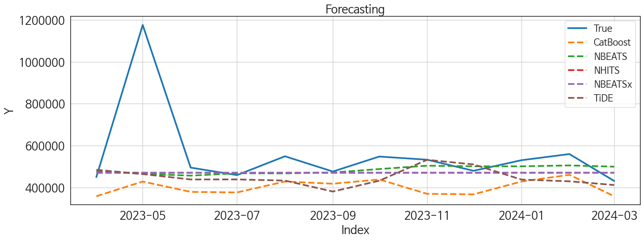
 | MSE | RMSE | MSPE | MAE | MAPE | MedAE | MedAPE
NBEATS | 44050659328 | 209882.48933 | 0.037733272468 | 94579.361979 | 0.120115273 | 33863.015625 | 0.069815495017
NBEATSx | 44129447070 | 210070.10037 | 0.038938923647 | 98777.734375 | 0.12654592568 | 49612.34375 | 0.1021191121
NHITS | 44130295089 | 210072.11878 | 0.038940331089 | 98780.510417 | 0.12655064358 | 49611.859375 | 0.10211772301
TiDE | 47965428777 | 219010.11113 | 0.050711591526 | 118756.86719 | 0.16523820916 | 74641.25 | 0.14464006071
CatBoost | 56963022777 | 238669.27489 | 0.07363382082 | 156457.10846 | 0.23986809706 | 105724.66545 | 0.20218213465
LightGBM | 56253828768 | 237178.89613 | 0.072522160304 | 156578.33314 | 0.24019612004 | 96648.712745 | 0.20316882969
XGBoost | 57565761500 | 239928.65919 | 0.074564846389 | 156842.17448 | 0.24028689758 | 107158.15625 | 0.21409890046
RandomForest | 58064156655 | 240965.05277 | 0.075973240537 | 158895.60232 | 0.24409960236 | 107894.10054 | 0.2132292689
RNN | 52888813359 | 229975.67993 | 0.076002763542 | 161192.53906 | 0.2533508906 | 103211.1875 | 0.21089516415
DilatedRNN | 57355554923 | 239490.19797 | 0.08244759394 | 166734.44792 | 0.26281456717 | 109149.8125 | 0.23723901717
TCN | 57710614357 | 240230.33605 | 0.085601288341 | 170441.34635 | 0.27043474983 | 122653.875 | 0.2434545685
LSTM | 61124338806 | 247233.36912 | 0.091277098134 | 176253.32812 | 0.27994945198 | 118043.1875 | 0.25273092658
GRU | 63939352986 | 252862.32022 | 0.1006065489 | 184808.23958 | 0.29664899835 | 130911.90625 | 0.271106276
MLP | 3.1872819941E+11 | 564560.18227 | 1.0308296016 | 400374.64225 | 0.71912753646 | 239887.60938 | 0.54699380781

Forecasting_주중
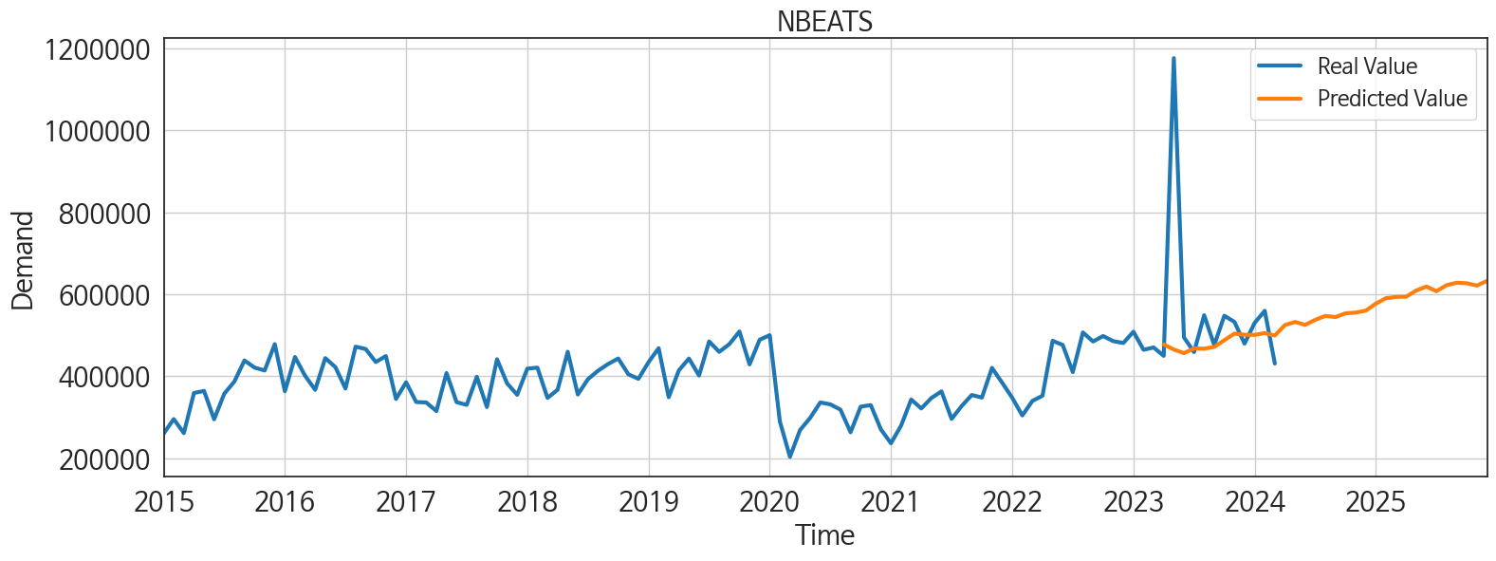
ds | unique_id | y | NBEATS | NBEATSx | NHITS | TiDE | CatBoost | LightGBM | XGBoost | RandomForest | RNN | DilatedRNN | TCN | LSTM | GRU | MLP
2023-04-01 | 1 | 449582 | 477399.59375 | 470020.25 | 470019.8125 | 484225.15625 | 357757.33583 | 357573.36023 | 356599.5 | 355328.88973 | 354752.1875 | 344757.28125 | 350772 | 341878.96875 | 333438.125 | 246777.09375
2023-05-01 | 1 | 1176454 | 464952.84375 | 470023.6875 | 470019.09375 | 463763.25 | 428158.62794 | 433432.46518 | 424741.75 | 423619.73748 | 477808.59375 | 445247.375 | 449767.03125 | 430982.625 | 426650.875 | 372676.40625
2023-06-01 | 1 | 494719 | 456251.3125 | 470023 | 470017.25 | 438027.71875 | 378551.75413 | 412045.67871 | 371691.875 | 368806.42039 | 397428.75 | 373185.09375 | 353388.8125 | 343912.375 | 345109.6875 | 863965.375
2023-07-01 | 1 | 458790 | 467614.15625 | 470020.34375 | 470017.3125 | 438170.15625 | 375986.09757 | 375132.98333 | 381003.9375 | 380418.19202 | 380951.6875 | 367627.34375 | 367311.71875 | 364013.03125 | 345292.90625 | 268612.03125
2023-08-01 | 1 | 548756 | 467077.6875 | 470026.21875 | 470020.875 | 432626.8125 | 428158.62794 | 433432.46518 | 424741.75 | 423619.73748 | 415590.28125 | 416331.5 | 434997.5625 | 402842.1875 | 392977.84375 | 378427.46875
2023-09-01 | 1 | 475902 | 471226.5625 | 470024.0625 | 470022.1875 | 380246.8125 | 417677.06521 | 382723.10933 | 420725.65625 | 419337.48962 | 376323 | 386985.5 | 398193.59375 | 388689.65625 | 395051.8125 | 505613.9375
2023-10-01 | 1 | 547512 | 487753.90625 | 470028.25 | 470020.09375 | 431977.28125 | 437944.04115 | 433432.46518 | 426304.9375 | 428804.58531 | 440668.625 | 453380.34375 | 422395.75 | 427111.3125 | 434925.625 | 503999.4375
2023-11-01 | 1 | 532426 | 503820.96875 | 470025.21875 | 470018.90625 | 531908.3125 | 369161.14556 | 391384.86177 | 366046.34375 | 365729.40067 | 385723.8125 | 360697.96875 | 364456.0625 | 369568.09375 | 349989.375 | 2006279.375
2023-12-01 | 1 | 479413 | 500971.78125 | 470022.84375 | 470020.1875 | 509805.375 | 366947.17795 | 382723.10933 | 370394.9375 | 370045.06144 | 381082.78125 | 373601 | 358453.53125 | 365650.90625 | 360867.28125 | 1150043.75
2024-01-01 | 1 | 530040 | 500781.65625 | 470023.0625 | 470021.84375 | 437448.78125 | 428158.62794 | 433432.46518 | 424741.75 | 423619.73748 | 411522.5625 | 434030.625 | 405691.71875 | 423336.78125 | 395523.6875 | 56070.480469
2024-02-01 | 1 | 559458 | 505067.75 | 470027.1875 | 470024.125 | 429224.25 | 460128.86138 | 412045.67871 | 478173.96875 | 462466.63076 | 387732.59375 | 408882.21875 | 417695.25 | 395711.8125 | 382833.40625 | 658969.875
2024-03-01 | 1 | 430820 | 499237.5 | 470027.75 | 470025.5625 | 411436.75 | 357757.33583 | 357573.36023 | 356599.5 | 355328.88973 | 339976.65625 | 318332.375 | 315452.8125 | 315134.3125 | 303512.5 | 707790.3125
2024-04-01 | 1 | 0 | 524770.375 | 470026.0625 | 470023.03125 | 409083.59375 | 422733.08187 | 433432.46518 | 424475.5 | 421581.06134 | 393157.5625 | 369161.875 | 358953.71875 | 386641.6875 | 368241.84375 | 1005523.375
2024-05-01 | 1 | 0 | 532324.875 | 470027.78125 | 470020.6875 | 374586.59375 | 436186.82376 | 433432.46518 | 419567.59375 | 430667.87867 | 411482.3125 | 409555.71875 | 410194.5625 | 399473.09375 | 391491.625 | 672978.125
2024-06-01 | 1 | 0 | 525195.25 | 470028.34375 | 470018.4375 | 392776.03125 | 366947.17795 | 382723.10933 | 370394.9375 | 370045.06144 | 363552.96875 | 334161.28125 | 327101.28125 | 338530.15625 | 341791.9375 | 1160284.625
2024-07-01 | 1 | 0 | 537460.1875 | 470023.25 | 470016.375 | 407528.3125 | 473755.56965 | 391384.86177 | 481375.53125 | 472667.49954 | 405423.6875 | 387334.46875 | 399760.9375 | 397880.40625 | 396541.3125 | 1792456.5
2024-08-01 | 1 | 0 | 547009.8125 | 470025.1875 | 470018.375 | 366804.5 | 378551.75413 | 412045.67871 | 371691.875 | 368806.42039 | 402252.5 | 360252.28125 | 357577.125 | 383506.8125 | 380779.59375 | 757105.75
2024-09-01 | 1 | 0 | 544275 | 470025.5 | 470020.34375 | 354177.5 | 461943.2382 | 412045.67871 | 462242.75 | 456316.462 | 450358.3125 | 444856.3125 | 449102.375 | 451910.4375 | 462318.8125 | -77702.453125
2024-10-01 | 1 | 0 | 553493.125 | 470024.21875 | 470032.4375 | 390346.21875 | 452538.24631 | 433432.46518 | 454769.15625 | 455344.69156 | 449033.3125 | 444429.09375 | 425125.84375 | 445276.375 | 447545.90625 | 580482.8125
2024-11-01 | 1 | 0 | 555211.25 | 470026.03125 | 470044.71875 | 300990.21875 | 357757.33583 | 357573.36023 | 356599.5 | 355328.88973 | 380333.65625 | 359370.8125 | 340812.8125 | 351998.34375 | 380048.5625 | 2219939.25
2024-12-01 | 1 | 0 | 559924.6875 | 470026.9375 | 470046.15625 | 451983.90625 | 422733.08187 | 433432.46518 | 424475.5 | 421581.06134 | 423419.9375 | 414940.375 | 415032.90625 | 410865.15625 | 417918.5 | -836511.5625
2025-01-01 | 1 | 0 | 576997.9375 | 470025.5 | 470046.5 | 410686.90625 | 442813.75336 | 433432.46518 | 441280.09375 | 444484.6515 | 480626.125 | 503437.28125 | 483024.0625 | 521585.5 | 511353.0625 | 1436494.125
2025-02-01 | 1 | 0 | 590313.1875 | 470026.75 | 470046.28125 | 420187.59375 | 357757.33583 | 357573.36023 | 356599.5 | 355328.88973 | 355670.1875 | 334623.5625 | 336252.65625 | 336425.03125 | 365130.9375 | 1434763.75
2025-03-01 | 1 | 0 | 593313.3125 | 470028.09375 | 470046.125 | 519262.9375 | 378551.75413 | 412045.67871 | 371691.875 | 368806.42039 | 391069.375 | 360392.84375 | 368252.5 | 356293.40625 | 372852.46875 | 1066647.125
2025-04-01 | 1 | 0 | 594020.3125 | 470026.71875 | 470045.84375 | 438492.28125 | 369161.14556 | 391384.86177 | 366046.34375 | 365729.40067 | 434551.5625 | 435948.8125 | 443985.09375 | 428093.84375 | 449588.5625 | 841202
2025-05-01 | 1 | 0 | 609099.0625 | 470025 | 470045.40625 | 580161.8125 | 408230.08491 | 412045.67871 | 369487.78125 | 386154.91859 | 396681.8125 | 405216.75 | 416625.21875 | 420164.65625 | 409611.8125 | 2181454.5
2025-06-01 | 1 | 0 | 618635.125 | 470026.5625 | 470045.9375 | 431684.5625 | 375986.09757 | 375132.98333 | 381003.9375 | 380418.19202 | 362949.28125 | 385850.125 | 379030.15625 | 376840.3125 | 377621.375 | 166318.85938
2025-07-01 | 1 | 0 | 607444.125 | 470024.75 | 470046.625 | 469235.21875 | 473755.56965 | 391384.86177 | 481375.53125 | 472667.49954 | 434816.1875 | 445737.40625 | 465625.21875 | 472980.53125 | 469341.625 | 219854.59375
2025-08-01 | 1 | 0 | 622109.0625 | 470025.46875 | 470046.28125 | 492073.6875 | 357757.33583 | 357573.36023 | 356599.5 | 355328.88973 | 376166.0625 | 394805.15625 | 377041.84375 | 394653.59375 | 390460.59375 | 1036207.25
2025-09-01 | 1 | 0 | 628017.8125 | 470026.25 | 470045.46875 | 439789.9375 | 369161.14556 | 391384.86177 | 366046.34375 | 365729.40067 | 447387.03125 | 450824.09375 | 432788.40625 | 432554 | 436074.3125 | 554329.875
2025-10-01 | 1 | 0 | 626800.5 | 470025.78125 | 470044.5 | 444964.15625 | 448841.7812 | 433432.46518 | 443428.53125 | 444682.89283 | 435100.78125 | 467685.9375 | 450233.0625 | 502482.03125 | 501176.0625 | 1420566.125
2025-11-01 | 1 | 0 | 621119.9375 | 470027.125 | 470043.375 | 391684.4375 | 357757.33583 | 357573.36023 | 356599.5 | 355328.88973 | 383427.5 | 386616.125 | 369318.75 | 401756.15625 | 410614 | -656444.125
2025-12-01 | 1 | 0 | 632496.0625 | 470051.59375 | 470042.90625 | 331816.65625 | 428158.62794 | 433432.46518 | 424741.75 | 423619.73748 | 455185.9375 | 472701.40625 | 467615.4375 | 481263.6875 | 482228.75 | 1550200.875

