Performance_전체
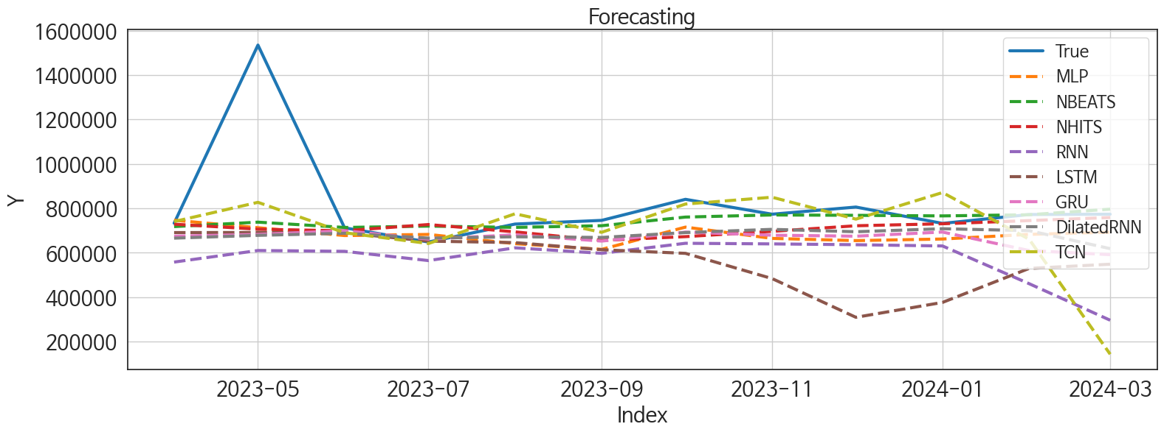
 | MSE | RMSE | MSPE | MAE | MAPE | MedAE | MedAPE
NBEATS | 54236011274 | 232886.26253 | 0.02482377155 | 91871.479167 | 0.077317052638 | 23287.03125 | 0.03067446102
NHITS | 62086589738 | 249171.80767 | 0.032171845735 | 118666.28646 | 0.10968655851 | 56162.1875 | 0.073963431295
DilatedRNN | 68119111055 | 260996.38131 | 0.037248282654 | 140058.9375 | 0.13534475678 | 70438.21875 | 0.092910975191
TCN | 78720197704 | 280571.19899 | 0.079840380616 | 156344.875 | 0.1656162146 | 54010.96875 | 0.069694704633
MLP | 64413310850 | 253797.7755 | 0.037353698049 | 145771.80729 | 0.14543154042 | 88798.90625 | 0.11834255118
GRU | 70846258187 | 266169.60418 | 0.042500653332 | 152927.85417 | 0.15199343627 | 93889.625 | 0.12358846314
RNN | 1.1316384807E+11 | 336398.3473 | 0.10092658248 | 244616.53646 | 0.2700636991 | 158883.53125 | 0.20453931952
LSTM | 1.1362933919E+11 | 337089.51213 | 0.11441733322 | 248369.72656 | 0.27555704481 | 233854.90625 | 0.29008042602

Forecasting_전체
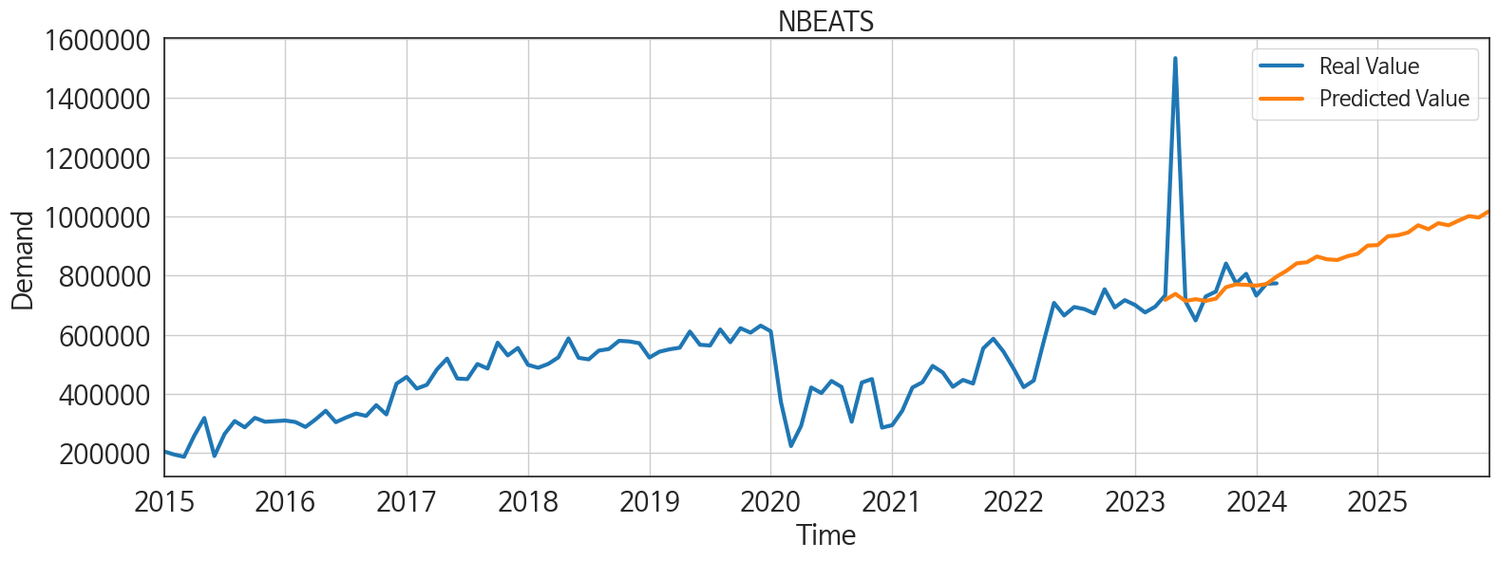
ds | unique_id | y | NBEATS | NHITS | DilatedRNN | TCN | MLP | GRU | RNN | LSTM
2023-04-01 | 1 | 733238 | 717939.5 | 728873.0625 | 665994.8125 | 740571.0625 | 746676.25 | 674821.4375 | 558246.75 | 690992.625
2023-05-01 | 1 | 1534990 | 737984.625 | 706109.25 | 678537.75 | 827239.6875 | 712964.375 | 682675.625 | 610335.9375 | 691558.375
2023-06-01 | 1 | 712496 | 714080.375 | 698989.6875 | 687907.625 | 690454 | 677606.75 | 699281.8125 | 606601.625 | 689904.5625
2023-07-01 | 1 | 648470 | 720170.75 | 727233.5625 | 666092.1875 | 641732.6875 | 682740.5 | 661563.25 | 565030.875 | 652497.75
2023-08-01 | 1 | 729354 | 714426.8125 | 694249.375 | 672109.9375 | 775533.375 | 641116.9375 | 681063.5625 | 622429.9375 | 645961.1875
2023-09-01 | 1 | 745932 | 721942.5625 | 655856.8125 | 669086.5625 | 692263.1875 | 615470.1875 | 652688.6875 | 597690.75 | 613841.9375
2023-10-01 | 1 | 840753 | 760817.8125 | 672767.5 | 691075.625 | 819471.125 | 715666.1875 | 693177.0625 | 642855.9375 | 597535.0625
2023-11-01 | 1 | 773778 | 770357.0625 | 696558.25 | 705587.625 | 850194 | 664762.3125 | 679242.0625 | 640099.5 | 484000.53125
2023-12-01 | 1 | 805939 | 768675.75 | 721733.375 | 694802.875 | 751585.875 | 654893.5625 | 674791.875 | 636413.1875 | 309629.5
2024-01-01 | 1 | 732365 | 766095 | 730691.875 | 708382.125 | 871225.75 | 662054.75 | 693445.5 | 630785.875 | 376722.0625
2024-02-01 | 1 | 772313 | 771294.875 | 744950.75 | 699626.9375 | 661056.6875 | 682952.25 | 610132.25 | 460972.875 | 529667.4375
2024-03-01 | 1 | 773749 | 796333.625 | 758895.1875 | 618710.0625 | 143489.4375 | 692628.75 | 591546.125 | 296515.3125 | 548684.75
2024-04-01 | 1 | 0 | 816603.6875 | 773363.375 | 443173.84375 | 266821.375 | 700138 | 340749.625 | 254136.96875 | 540756.5625
2024-05-01 | 1 | 0 | 841476.3125 | 783997.1875 | 244785.59375 | 654412.1875 | 733562.125 | 309062.5 | 406152.9375 | 653552.0625
2024-06-01 | 1 | 0 | 844972.1875 | 807324.25 | 324513.0625 | 580706.4375 | 701855.875 | 426957.53125 | 415691.875 | 595391.8125
2024-07-01 | 1 | 0 | 864543.5 | 835693.5 | 467260.78125 | 495769.9375 | 816993.375 | 416079.4375 | 434172.625 | 617353.875
2024-08-01 | 1 | 0 | 854875.1875 | 842111.0625 | 493320.59375 | 117373.4375 | 801916.3125 | 508749.3125 | 469842.5 | 533794.5625
2024-09-01 | 1 | 0 | 852564.0625 | 828846.5625 | 501193.71875 | -356286.9375 | 702048.75 | 498055.6875 | 333200.65625 | 526571.4375
2024-10-01 | 1 | 0 | 865379.625 | 804285.3125 | 539318 | 181082.96875 | 692233.875 | 608088.9375 | 414370.8125 | 526663.8125
2024-11-01 | 1 | 0 | 873475 | 778224 | 426218.875 | 399226.15625 | 626091.4375 | 553072.0625 | 456542.59375 | 553177.6875
2024-12-01 | 1 | 0 | 901319.5 | 800351.3125 | 446589.84375 | 95610.46875 | 702924.1875 | 488630.84375 | 312725.6875 | 553365.875
2025-01-01 | 1 | 0 | 903129.3125 | 858368.875 | 549427.125 | 123743.6875 | 807624.5 | 502238.5 | 320258.875 | 529093.875
2025-02-01 | 1 | 0 | 932767.75 | 880104.75 | 458880.53125 | 11737.375 | 803018.9375 | 445922.3125 | 343636.96875 | 563189
2025-03-01 | 1 | 0 | 936219.6875 | 881864.125 | 490912.96875 | 117610.84375 | 922821.1875 | 464025 | 435572.09375 | 568367.625
2025-04-01 | 1 | 0 | 945596.1875 | 891383.75 | 495631.03125 | 368759.5625 | 880950 | 470398.4375 | 424134.5625 | 563760.9375
2025-05-01 | 1 | 0 | 970026.5625 | 891520.875 | 484997.5625 | 475795.46875 | 888929.5 | 469568.5625 | 482160.71875 | 478064.09375
2025-06-01 | 1 | 0 | 956736.125 | 886902.1875 | 453387.6875 | 66090 | 877761.875 | 493110.1875 | 490268.34375 | 296700.5625
2025-07-01 | 1 | 0 | 977081.625 | 902498.875 | 443331.875 | 149315.25 | 902735.8125 | 417851.4375 | 410980.09375 | 392618.1875
2025-08-01 | 1 | 0 | 969903.1875 | 897851 | 537957.3125 | 316946.5625 | 947762.1875 | 563319.5625 | 461717.625 | 409964.46875
2025-09-01 | 1 | 0 | 985819.625 | 911338.375 | 512110.03125 | 279787.5 | 998527.75 | 538183.75 | 437157.96875 | 470706.4375
2025-10-01 | 1 | 0 | 1000836.875 | 901508.5 | 634196.25 | 566462.6875 | 991469.0625 | 643065.125 | 533313.5 | 605747.625
2025-11-01 | 1 | 0 | 996412 | 887499 | 634661.375 | 729578.375 | 919533 | 585337.3125 | 569124.625 | 616118
2025-12-01 | 1 | 0 | 1017692.1875 | 890026.8125 | 627664.75 | 590390.5 | 955660.4375 | 648740.25 | 546907.5 | 649259.625

Performance_주말
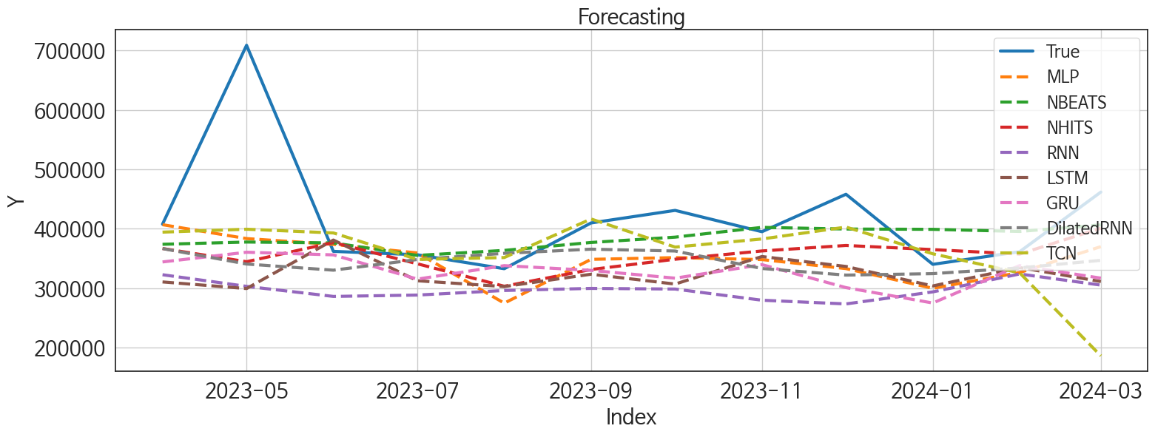
 | MSE | RMSE | MSPE | MAE | MAPE | MedAE | MedAPE
NBEATS | 10519960398 | 102566.85818 | 0.026894342917 | 58601.203125 | 0.117001498 | 33975.359375 | 0.093564810665
TCN | 15169004225 | 123162.51144 | 0.050689093187 | 70458.126302 | 0.14108041134 | 24901.609375 | 0.071103393698
NHITS | 13449252514 | 115970.91236 | 0.035303407112 | 69465.169271 | 0.13792792468 | 36674.015625 | 0.094598224566
DilatedRNN | 15177607697 | 123197.43381 | 0.04280994525 | 78594.208333 | 0.15824495803 | 42617.296875 | 0.10428274847
MLP | 12380385778 | 111267.18195 | 0.037542697536 | 73259.398438 | 0.15146533901 | 52440.234375 | 0.13417384159
GRU | 16669480576 | 129110.34264 | 0.055381555445 | 91982.361979 | 0.19230480568 | 64358.71875 | 0.17378268827
LSTM | 20361563520 | 142693.95054 | 0.062412032193 | 98898.388021 | 0.20490486466 | 65017.796875 | 0.16674098487
RNN | 24055940283 | 155099.77525 | 0.085223299349 | 121171.1276 | 0.26185160229 | 97637.84375 | 0.23923589668

Forecasting_주말
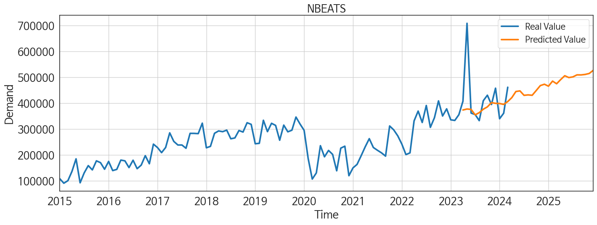
ds | unique_id | y | NBEATS | TCN | NHITS | DilatedRNN | MLP | GRU | LSTM | RNN
2023-04-01 | 1 | 407613 | 373751.03125 | 394182.8125 | 366633.375 | 366523.59375 | 406711.34375 | 344026.09375 | 310381.09375 | 322489.5
2023-05-01 | 1 | 708674 | 377520.3125 | 399103.59375 | 344420.15625 | 340515.71875 | 383350.71875 | 360369.4375 | 299235.28125 | 302946.75
2023-06-01 | 1 | 361826 | 376066.28125 | 392833.1875 | 376696.0625 | 330139.1875 | 373608.46875 | 355922.65625 | 380894.875 | 285992.71875
2023-07-01 | 1 | 356106 | 355014.75 | 348250.28125 | 340883.96875 | 348141.65625 | 359187.9375 | 315103.65625 | 312361.5625 | 288275.5
2023-08-01 | 1 | 332612 | 363466.75 | 351408.03125 | 303122.34375 | 358503.3125 | 274635.46875 | 337807.375 | 302564.40625 | 295968.03125
2023-09-01 | 1 | 409660 | 376799.75 | 416349.8125 | 331287.5625 | 365514.8125 | 348386.71875 | 329821.625 | 323368.84375 | 299507.8125
2023-10-01 | 1 | 430802 | 385776.34375 | 369034.71875 | 348553.28125 | 362406.875 | 351316.59375 | 316696.28125 | 306757.40625 | 298401.375
2023-11-01 | 1 | 394892 | 402216.75 | 382685 | 362523.59375 | 333001.875 | 347988.0625 | 339491.34375 | 353141 | 279586.1875
2023-12-01 | 1 | 457940 | 399423.28125 | 402737.28125 | 371765.28125 | 321870.25 | 332833.78125 | 300822.46875 | 336421.8125 | 273340.5
2024-01-01 | 1 | 339988 | 398919.5 | 357728.03125 | 364780.96875 | 324327.59375 | 299656.625 | 274857.46875 | 303626.46875 | 293639.09375
2024-02-01 | 1 | 361245 | 395333.75 | 325700.1875 | 357236.09375 | 333971.46875 | 326150.65625 | 337945.75 | 334590.875 | 323770.6875
2024-03-01 | 1 | 461647 | 406382.125 | 185960.67188 | 400846.34375 | 346740.78125 | 369794.65625 | 316743.25 | 311018.46875 | 305033.3125
2024-04-01 | 1 | 0 | 421505.40625 | 160729.71875 | 393545.75 | 355309.21875 | 373408.5625 | 207314.42188 | 324973.03125 | 290758.375
2024-05-01 | 1 | 0 | 445135.8125 | 282503.75 | 403700.3125 | 333911.65625 | 371026.96875 | 214039.10938 | 364288.0625 | 279176.5
2024-06-01 | 1 | 0 | 447562.53125 | 300393.15625 | 434496.90625 | 194124.15625 | 376518.78125 | 146334.28125 | 264360.75 | 273574.25
2024-07-01 | 1 | 0 | 430407.09375 | 181727.25 | 410062.65625 | 154006.625 | 360223.03125 | 170210.84375 | 133538.9375 | 306400.71875
2024-08-01 | 1 | 0 | 432097.6875 | 68533.234375 | 403183.3125 | 169957.375 | 371749.84375 | 241259.79688 | 256400.5625 | 333721.6875
2024-09-01 | 1 | 0 | 430613.28125 | 18251.875 | 412810.0625 | 190401.375 | 389796.0625 | 211108.29688 | 156314.0625 | 294004.8125
2024-10-01 | 1 | 0 | 449169.65625 | 2908.734375 | 399209.03125 | 254205.23438 | 319108.375 | 220436.8125 | 206900.375 | 303998.0625
2024-11-01 | 1 | 0 | 468058.90625 | 80369.1875 | 401134.90625 | 263028.6875 | 334986.8125 | 229365.15625 | 246027.85938 | 260749.5
2024-12-01 | 1 | 0 | 473272.75 | 59541.546875 | 459276.625 | 186831.17188 | 382179.0625 | 208184.59375 | 183710.64062 | 271888.59375
2025-01-01 | 1 | 0 | 465779.625 | 62661.0625 | 462159.46875 | 190058.25 | 369128.34375 | 212368.10938 | 251898.35938 | 307015.15625
2025-02-01 | 1 | 0 | 485329.75 | 105829.83594 | 455771.15625 | 218435.51562 | 403856.8125 | 256336.70312 | 236654.71875 | 340588.28125
2025-03-01 | 1 | 0 | 475154.09375 | 112631.20312 | 482094.09375 | 181439.85938 | 471265.6875 | 202153.51562 | 97579.703125 | 272265.59375
2025-04-01 | 1 | 0 | 491280 | 176934.59375 | 445086.375 | 206502.51562 | 427525.59375 | 195282.89062 | 166057.26562 | 227500.39062
2025-05-01 | 1 | 0 | 506157.03125 | 225648.95312 | 473480.5 | 139114.79688 | 398510.5625 | 230799.15625 | 146422.29688 | 209162.8125
2025-06-01 | 1 | 0 | 499025.59375 | 134123.0625 | 484688.46875 | 172460.15625 | 467902.4375 | 219366.28125 | 87794.3125 | 196051.01562
2025-07-01 | 1 | 0 | 501652.3125 | 91945.21875 | 464955.1875 | 185789.76562 | 418272.28125 | 234178.29688 | 187058.90625 | 247894.01562
2025-08-01 | 1 | 0 | 509456.28125 | 145131.1875 | 467109.3125 | 243646.59375 | 450146.90625 | 285269 | 221204.0625 | 245376.3125
2025-09-01 | 1 | 0 | 509330.71875 | 169527.34375 | 451216.34375 | 319265.9375 | 464224.09375 | 272314.125 | 203965.75 | 217881.09375
2025-10-01 | 1 | 0 | 511132.875 | 185277.1875 | 456009.375 | 318446.3125 | 444406.8125 | 271903.1875 | 239056.4375 | 203819.125
2025-11-01 | 1 | 0 | 514856.78125 | 294605.0625 | 452050.75 | 293389.34375 | 465137.25 | 244504.90625 | 229526.0625 | 168341.89062
2025-12-01 | 1 | 0 | 527009.625 | 247235.28125 | 453343.375 | 254062.48438 | 481344.65625 | 251543.3125 | 198815.10938 | 153754.3125

Performance_주중
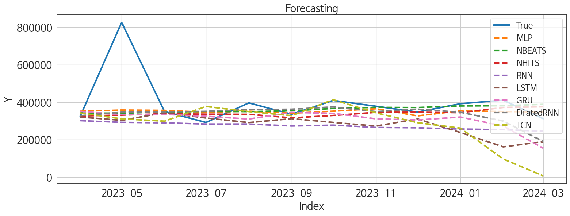
 | MSE | RMSE | MSPE | MAE | MAPE | MedAE | MedAPE
NBEATS | 20867008404 | 144454.17406 | 0.040529503857 | 68175.395833 | 0.12953429749 | 26729.015625 | 0.070360098585
MLP | 19572909643 | 139903.21527 | 0.037026308562 | 69278.057292 | 0.13133023473 | 37217.765625 | 0.10417703349
DilatedRNN | 22220204908 | 149064.43207 | 0.053776963356 | 80176.007812 | 0.16211930371 | 35068.46875 | 0.086994362052
NHITS | 22195755766 | 148982.40086 | 0.043426794747 | 74759.286458 | 0.14213068781 | 41337.109375 | 0.10806773586
GRU | 26025550356 | 161324.3638 | 0.074948368396 | 100697.04427 | 0.21405298177 | 68123.59375 | 0.17290227987
TCN | 40849455382 | 202112.48201 | 0.18285435689 | 130683.37435 | 0.29947646829 | 54076.28125 | 0.15482929262
RNN | 32515162595 | 180319.61234 | 0.094189971864 | 124164.21745 | 0.26614620296 | 98556.9375 | 0.26327674528
LSTM | 34340872942 | 185312.90549 | 0.11059886529 | 122591.16797 | 0.26186014292 | 105412 | 0.27198002369

Forecasting_주중
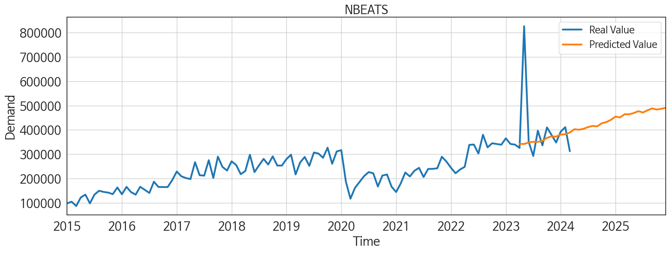
ds | unique_id | y | NBEATS | MLP | DilatedRNN | NHITS | GRU | TCN | RNN | LSTM
2023-04-01 | 1 | 325625 | 342253.40625 | 352245.6875 | 328412.03125 | 326963.1875 | 351778.875 | 343114.9375 | 302045.71875 | 321126.78125
2023-05-01 | 1 | 826316 | 341750.09375 | 358534.46875 | 347098 | 331603.28125 | 333503.03125 | 311609.4375 | 292981.0625 | 303865.875
2023-06-01 | 1 | 350670 | 347997.5625 | 356980.65625 | 349213.90625 | 338666.09375 | 335351.8125 | 299246.5625 | 290335.40625 | 343988.8125
2023-07-01 | 1 | 292364 | 350960.8125 | 347231.96875 | 351748.96875 | 336399.4375 | 325529.6875 | 377902.125 | 283804.875 | 316147.5
2023-08-01 | 1 | 396742 | 350269.0625 | 352469.25 | 361002.0625 | 335661.71875 | 310496.09375 | 350370.53125 | 283816.78125 | 291753.9375
2023-09-01 | 1 | 336272 | 354627.25 | 341778.25 | 363116.875 | 316892.8125 | 345961.1875 | 328654.90625 | 273600.3125 | 312507.5
2023-10-01 | 1 | 409951 | 367159.28125 | 352591.125 | 375554 | 329651.3125 | 340976.8125 | 414079.0625 | 277888.4375 | 292590.96875
2023-11-01 | 1 | 378886 | 373114.96875 | 365753.90625 | 350427.90625 | 346300.53125 | 311613 | 343611.625 | 265724.4375 | 273050.0625
2023-12-01 | 1 | 347999 | 372208.34375 | 327316.53125 | 363484.9375 | 347046.21875 | 305579.09375 | 291269.875 | 263810.34375 | 311339.9375
2024-01-01 | 1 | 392377 | 380676.90625 | 354409.3125 | 346825.6875 | 344452.3125 | 321136.5 | 261944.14062 | 257108.125 | 238768.20312
2024-02-01 | 1 | 411068 | 381819.3125 | 350701.125 | 299919.46875 | 372429.21875 | 273529.28125 | 97441.304688 | 253888.01562 | 162045
2024-03-01 | 1 | 312102 | 389194.125 | 348569.84375 | 190461.6875 | 376262.3125 | 154569.59375 | 7239.25 | 245397.875 | 189660.40625
2024-04-01 | 1 | 0 | 402637.25 | 376723.84375 | 166308.8125 | 373948.71875 | 103927.08594 | -11155.484375 | 243402 | 205029.57812
2024-05-01 | 1 | 0 | 400509.5625 | 367657.875 | 210268.73438 | 398187.8125 | 252438.29688 | 136681.6875 | 249997.4375 | 235054.57812
2024-06-01 | 1 | 0 | 404242.25 | 409046.78125 | 230468.5625 | 385865.09375 | 250565.21875 | 195443.79688 | 246059.9375 | 239152.73438
2024-07-01 | 1 | 0 | 411518.40625 | 413254.625 | 269850.625 | 406062.53125 | 249079.40625 | 167856.26562 | 231547.96875 | 258506.57812
2024-08-01 | 1 | 0 | 416116.40625 | 411577.21875 | 279600 | 414324.9375 | 241007 | 134824.29688 | 229337.45312 | 160346.84375
2024-09-01 | 1 | 0 | 414572.34375 | 428652.59375 | 212631.78125 | 401900.625 | 227601.07812 | 123401.1875 | 232055.10938 | 217141.5625
2024-10-01 | 1 | 0 | 427115.1875 | 348494.25 | 223164.8125 | 399955.9375 | 220138.46875 | 159212.09375 | 225878.5625 | 252723.9375
2024-11-01 | 1 | 0 | 432056.5 | 360534.8125 | 252432.17188 | 389883.75 | 230890.95312 | 142316.40625 | 225609.60938 | 191440.75
2024-12-01 | 1 | 0 | 441413.0625 | 408776.375 | 201589.35938 | 395167.71875 | 210974.82812 | 108164.92969 | 221461.09375 | 186701.8125
2025-01-01 | 1 | 0 | 454738.21875 | 427942.59375 | 183490.5 | 422278.125 | 258824.0625 | 94449.890625 | 225651.14062 | 186857.23438
2025-02-01 | 1 | 0 | 451215.9375 | 452770.71875 | 222234.23438 | 421787.625 | 232418.82812 | 185768.0625 | 237418.57812 | 202305.3125
2025-03-01 | 1 | 0 | 464345.96875 | 466520.34375 | 224962.34375 | 432858.53125 | 279644.84375 | 214144.73438 | 243675.6875 | 232889.625
2025-04-01 | 1 | 0 | 464064.40625 | 498698.40625 | 249928.03125 | 436942.78125 | 269475.6875 | 234324.89062 | 245373.65625 | 258559.85938
2025-05-01 | 1 | 0 | 469268.75 | 482079.8125 | 244215.34375 | 445586.65625 | 232395.4375 | 220322.64062 | 238784.25 | 224531.21875
2025-06-01 | 1 | 0 | 476763.71875 | 469034.9375 | 243022.64062 | 437894.34375 | 210287.64062 | 224858.9375 | 246432.17188 | 186038.125
2025-07-01 | 1 | 0 | 471429.5625 | 485471.78125 | 230148.75 | 432698.71875 | 250007.29688 | 199692.03125 | 239848.28125 | 229451.59375
2025-08-01 | 1 | 0 | 480419.09375 | 510600.3125 | 229519.76562 | 441008.59375 | 248807.67188 | 271845.625 | 235092.54688 | 232278.53125
2025-09-01 | 1 | 0 | 488068.8125 | 535478.375 | 255266.98438 | 439719.1875 | 282798.0625 | 243861.48438 | 229482.01562 | 224120.85938
2025-10-01 | 1 | 0 | 483621 | 516562.25 | 263665.6875 | 438620.71875 | 351926.1875 | 285508.28125 | 230084.4375 | 246591.59375
2025-11-01 | 1 | 0 | 486630.25 | 526601.25 | 285288.375 | 435033.75 | 353530.375 | 353318.46875 | 231661.70312 | 259333.28125
2025-12-01 | 1 | 0 | 490735.5 | 508471.53125 | 302373.53125 | 435723.15625 | 360434.875 | 328065.03125 | 240483.15625 | 250189.23438

