18F_MH.MZ(構造)
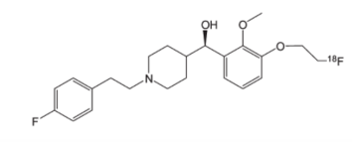

C23H28F2NO3

BioAssay Results
Activity Value, nM | Activity Type | BioAssay Name | BioAssay AID | Substance SID | 論文DOI
3 | Ki | cloned human receptors, vs 未記入 |  |  | 10.1016/j.nucmedbio.2009.01.012

