11C_TASP457(compound)
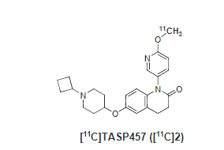
http://dx.doi.org/10.1016/j.nucmedbio.2016.08.004

