Financial Overview
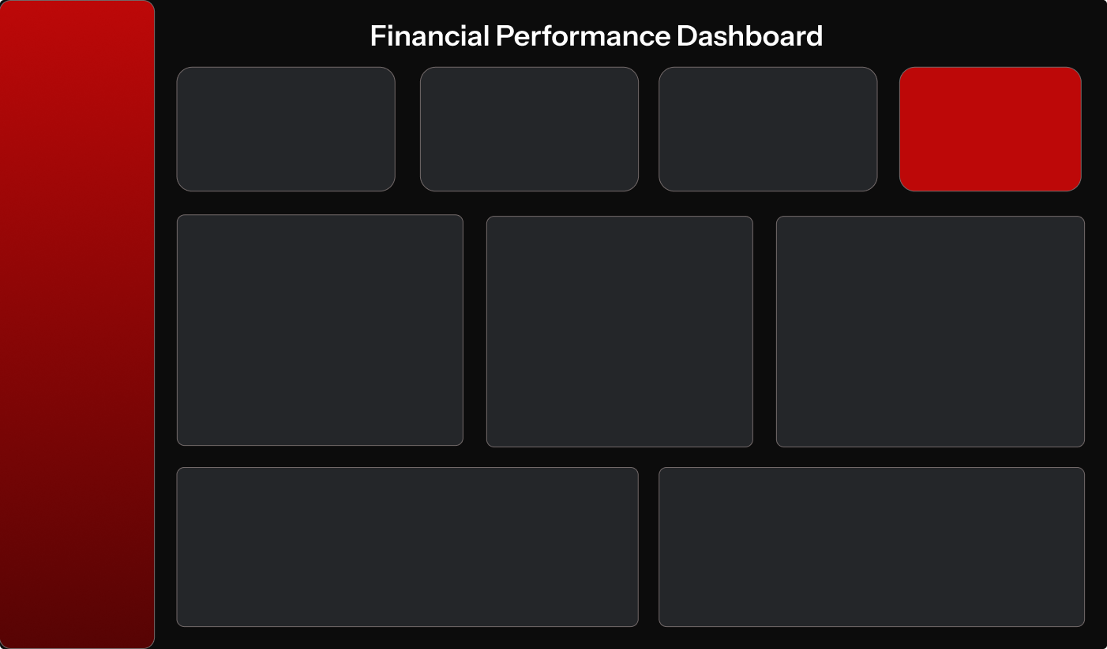
$17.96M

Actual Revenue
Profit
Budget Variance
Total Budget
42%
Financial Overview
$17.96M
-$1.45M
-$441.58K
$36.92M
▲ +42.1%
▼ -122.0%
▲-1.2%
▲ +42.1%
-$1.45M
-122%
Expense Analysis
▼ -122.0%

Total Budget Vs. Actual Yearly
 | Total Budget | Total Transactions
2022 | $6,500,555.00 | $6,740,940.00
2023 | $13,125,607.50 | $13,573,600.00
2024 | $17,297,695.00 | $17,050,900.00
Revenue Vs. Yearly Expenses
 | Actual Revenue | Actual Expenses
2022 | $3,177,870.00 | $3,563,070.00
2023 | $6,105,200.00 | $7,468,400.00
2024 | $8,675,400.00 | $8,375,500.00
Profit by Year
 | Total
2022 | ($385,200.00)
2023 | ($1,363,200.00)
2024 | $299,900.00
$36.92M
Insights
#REF!

#REF!

 | -1% | ▲-1.2%
$19.41M

$19.95M

Monthly Financial Alignment (Budget Vs. Actual)
 | Total Budget | Total Transactions
Jan | $2,478,202.50 | $2,449,150.00
Feb | $2,511,415.00 | $2,476,620.00
Mar | $2,545,430.00 | $2,547,920.00
Apr | $2,611,300.00 | $2,580,090.00
May | $2,687,545.00 | $2,653,710.00
Jun | $2,723,690.00 | $2,751,380.00
Jul | $3,142,590.00 | $3,435,150.00
Aug | $3,459,310.00 | $3,511,680.00
Sep | $3,520,020.00 | $3,615,930.00
Oct | $3,574,885.00 | $3,694,770.00
Nov | $3,815,010.00 | $3,785,670.00
Dec | $3,854,460.00 | $3,863,370.00
Top Revenue Sources
 | Total
Interest Income | $58,870.00
Product Revenue | $3,610,000.00
SaaS Revenue | $14,289,600.00
-$441.58K
 |  |  | ▼ +42.1%
12.15%
▲ +12.1%
Adedeji Tunmise
Data Analyst
$541.92K
2.7%
▼ +2.7% | ▼ +2.7%

Expense Analysis
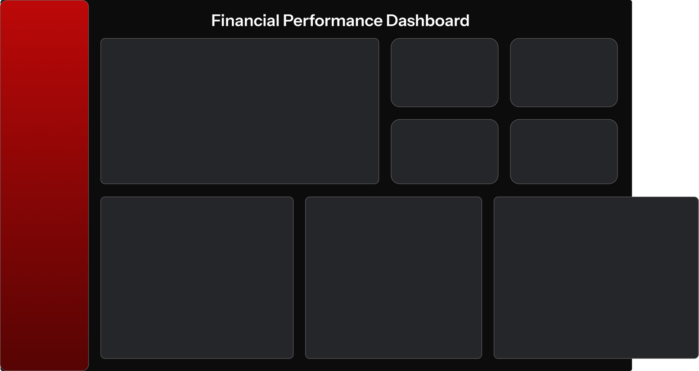

Financial Overview
Actual Expense Vs. Budgeted Expense Over Time
 | Budgeted Expenses | Actual Expenses
Jan | $1,371,002.50 | $1,303,300.00
Feb | $1,346,665.00 | $1,277,420.00
Mar | $1,373,080.00 | $1,302,170.00
Apr | $1,426,430.00 | $1,308,720.00
May | $1,420,105.00 | $1,324,870.00
Jun | $1,448,730.00 | $1,351,520.00
Jul | $1,744,190.00 | $1,860,450.00
Aug | $1,903,410.00 | $1,875,880.00
Sep | $1,906,570.00 | $1,902,380.00
Oct | $1,953,885.00 | $1,933,070.00
Nov | $2,011,460.00 | $1,972,420.00
Dec | $2,043,360.00 | $1,994,770.00
Actual Expenses
Total Budget

$19.41M
$36.92M

▲ +12.1%
Expense Analysis

Budgeted Expenses
Expense Variance
$19.95M
$541.92K
Insights

▼ +2.7%

Expense Variance by Category
 | Total
Customer Support | ($119,295.00)
General & Administrative | $2,222,810.00
Research & Development | ($297,985.00)
Sales & Marketing | ($1,263,612.50)
Vendors Expense Analysis
 | Total
ADP | $10,614,220.00
Hardware Inc | $2,200,500.00
UnitedHealth | $1,627,200.00
Top Expense Categories
 | Total
Commissions Expense | $1,238,500.00
Web Domain & Hosting Fees | $1,270,850.00
Health Insurance | $1,627,200.00
Product Costs | $2,200,500.00
Salary & Wages | $8,593,500.00

Adedeji Tunmise
Data Analyst

Insights
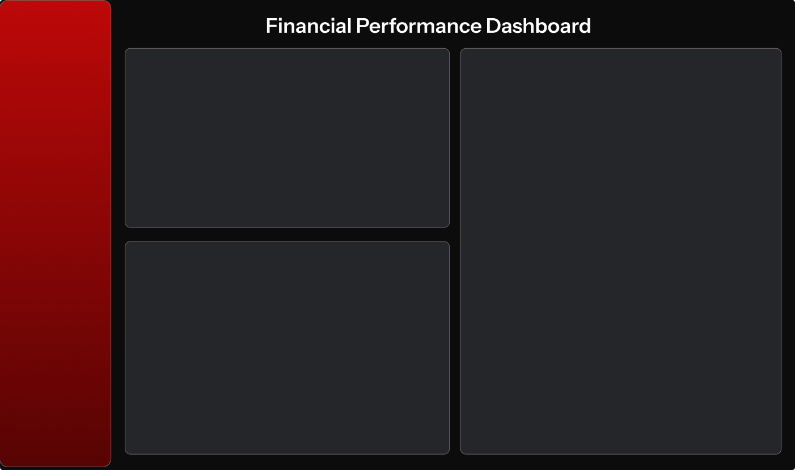

Financial Performance Summary
Key Insights
Financial Overview
The financial overview revealed that actual revenue totaled $17.96M, while the company recorded a loss of $1.45M during the reporting period. The overall budget stood at $36.92M, with a negative budget variance of $441.58K, indicating that actual performance fell below planned expectations.
Actual expenses totaled 19.41M, reflecting a 12.1% YoY increase in spending. Budgeted expenses stood at 19.95M, resulting in a favorable expense variance of approximately 541.92K (2.7%), indicating that actual spending remained below the allocated budget.
.
The analysis shows that 2024 was the only year the company operated within its allocated budget, while 2022 and 2023 recorded budget overruns and negative profitability. In these years, expenses also exceeded revenue, resulting in losses of -0.4M and -1.4M respectively. However, 2024 marked an improvement, with a positive profit of 0.30M as revenue
exceeded expenses.
Monthly analysis indicates that spending was largely within budget in January, February, April, and May. From June onward, expenses generally exceeded budgeted amounts, with July recording the only clear budget overrun, while November remained within budget.
Variance analysis shows that only the General & Administrative category stayed within budget, retaining approximately 1.2M of allocated funds. In contrast, Research & Development, Customer Support, and Sales & Marketing exceeded their respective budgets.
Vendor analysis highlights ADP, United Health, and Hardware Inc as the top recipients of company spending, with ADP accounting for the highest expense at approximately 10.6M. Additionally, Salary & Wages represented the largest expense category, totaling approximately 8.6M.
Revenue analysis further reveals that SaaS Revenue was the dominant source of income at approximately 14.3M, followed by Product Revenue and Interest Income.

Expense Analysis

Insights

Actionable Insights

The company should investigate the recurring expense spike in July and strengthen budget monitoring to ensure spending remains aligned with financial plans.
Since SaaS Revenue is the main revenue driver, continued focus on this stream is recommended to sustain growth.
Departments such as Customer Support, Research & Development, and Sales & Marketing should review their spending, especially Sales & Marketing which recorded the highest variance.
Given that Salary & Wages is the largest expense category, the company should continue monitoring workforce-related costs to ensure efficiency and sustainability.
Finally, improved budget control is needed to ensure expenses do not consistently exceed revenue, in order to enhance overall profitability.

Adedeji Tunmise
Data Analyst

