Question 1
1. What is the average number of orders per customer? Are there high-value repeat customers?

Insight:
A notable group of customers demonstrates both high value and repeat purchasing behaviour
Pivot Table:
Row Labels | Count of OrderID
SAVEA | 31 | Solution: |  |  |  | Result Chart:
High-value Customers
ERNSH | 30 | Avg of Order count
QUICK | 28 | 9.3258426966
HUNGO | 19
FOLKO | 19 | SQL Query: | SQL Query:
select
avg(order_count) as avg_cust_order
from (
select customerid,
count(orderid) as order_count
from orders
group by customerid
) a;
RATTC | 18
select o.customerid,
count(o.orderid) as order_count,
round(sum(od.unitprice * od.quantity * (1-od.discount)),2) as total_amount
from orders o
join order_details od using (orderid)
group by o.customerid
having order_count>=20 and total_amount>=40000;
BERGS | 18
HILAA | 18
BONAP | 17
FRANK | 15
WARTH | 15
LEHMS | 15
HANAR | 14
WHITC | 14
LAMAI | 14
BOTTM | 14 | SQL Output: | SQL Output: |  |  | SQL Screenshot:
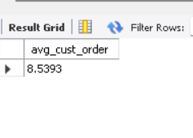
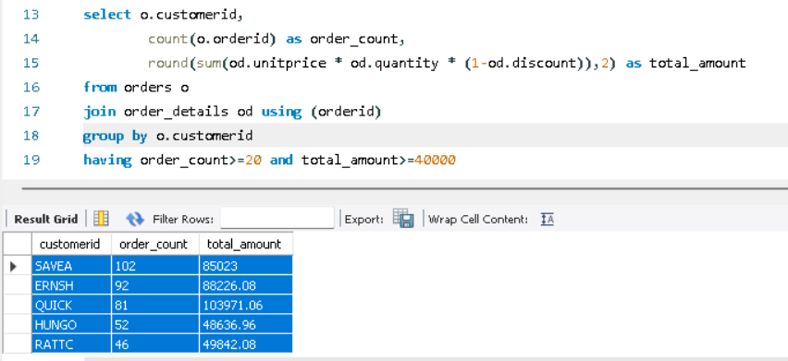
KOENE | 14 |  | customerid | order_count | total_amount
LILAS | 14 |  | SAVEA | 102 | 85023
AROUT | 13 |  | ERNSH | 92 | 88226.08
QUEEN | 13 |  | QUICK | 81 | 103971.06
MEREP | 13 |  | HUNGO | 52 | 48636.96
REGGC | 12 |  | RATTC | 46 | 49842.08
SUPRD | 12
LINOD | 12
GREAL | 11
VAFFE | 11
BLONP | 11
RICAR | 11
BSBEV | 10
GODOS | 10
ISLAT | 10
RICSU | 10
MAGAA | 10
TORTU | 10
WANDK | 10
VICTE | 10
OTTIK | 10
PICCO | 10
OLDWO | 10
QUEDE | 9
GOURL | 9
SEVES | 9
SPLIR | 9
WELLI | 9
FURIB | 8
LONEP | 8
EASTC | 8
CHOPS | 8
WOLZA | 7
SIMOB | 7
BLAUS | 7
MAISD | 7
FAMIA | 7
WILMK | 7
ANTON | 7
TRADH | 6
TOMSP | 6
PERIC | 6
DRACD | 6
SANTG | 6
FRANS | 6
ALFKI | 6
CACTU | 6
VINET | 5
MORGK | 5
COMMI | 5
ROMEY | 5
FOLIG | 5
GALED | 5
RANCH | 5
PRINI | 5
HUNGC | 5
OCEAN | 5
DUMON | 4
THEBI | 4
LACOR | 4
LETSS | 4
SPECD | 4
ANATR | 4
CONSH | 3
FRANR | 3
NORTS | 3
LAUGB | 3
TRAIH | 3
BOLID | 3
THECR | 3
LAZYK | 2
GROSR | 2
CENTC | 1
Grand Total | 830

Question 2
2. How do customer order patterns vary by city or country?

select c.country,
c.city,
count(distinct c.customerid) as customer_count,
count(o.orderid) as order_count
from orders o
join customers c using (customerid)
group by c.country,c.city
order by order_count desc;
 | SQL Query:
 |  |  |  |  |  |  |  |  | Result Chart:
Insight:
Order volume is concentrated in a few countries
(USA,Germany,France), despite a broader customer
distribution.
Customer Pattern

 | SQL Output:
 | country | city | customer_count | order_count
 | UK | London | 6 | 40
 | Brazil | Rio de Janeiro | 3 | 31
 | Brazil | São Paulo | 4 | 29 | SQL Screenshot:
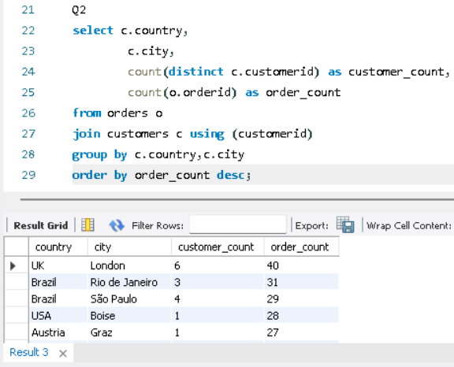
 | USA | Boise | 1 | 28
 | Austria | Graz | 1 | 27
 | Germany | Cunewalde | 1 | 27
 | Mexico | México D.F. | 5 | 26
 | Sweden | Bräcke | 1 | 18
 | Sweden | Luleå | 1 | 18
 | Ireland | Cork | 1 | 18
 | USA | Albuquerque | 1 | 17
 | Venezuela | San Cristóbal | 1 | 17
 | France | Marseille | 1 | 16
 | Argentina | Buenos Aires | 3 | 14
 | Germany | Frankfurt a.M. | 1 | 14
 | Germany | München | 1 | 14
 | Finland | Oulu | 1 | 14
 | France | Toulouse | 1 | 13
 | Portugal | Lisboa | 2 | 13
 | Canada | Montréal | 1 | 13 |  | city | (All)
 | Germany | Brandenburg | 1 | 13 |  | Pivot Table:
 | USA | Seattle | 1 | 12 |  | Row Labels | Sum of order_count | Sum of customer_count
 | Venezuela | Barquisimeto | 1 | 12 |  | Argentina | 14 | 3
 | Canada | Tsawassen | 1 | 11 |  | Austria | 36 | 2
 | USA | Portland | 2 | 11 |  | Belgium | 17 | 2
 | Denmark | Århus | 1 | 11 |  | Brazil | 77 | 9
 | France | Strasbourg | 1 | 11 |  | Canada | 27 | 3
 | Venezuela | I. de Margarita | 1 | 10 |  | Denmark | 17 | 2
 | Belgium | Charleroi | 1 | 10 |  | Finland | 21 | 2
 | Italy | Reggio Emilia | 1 | 10 |  | France | 74 | 10
 | Italy | Bergamo | 1 | 10 |  | Germany | 112 | 11
 | France | Lyon | 1 | 10 |  | Ireland | 18 | 1
 | UK | Cowes | 1 | 10 |  | Italy | 24 | 3
 | Brazil | Resende | 1 | 9 |  | Mexico | 26 | 5
 | USA | Anchorage | 1 | 9 |  | Norway | 5 | 1
 | Austria | Salzburg | 1 | 9 |  | Poland | 6 | 1
 | Germany | Stuttgart | 1 | 9 |  | Portugal | 13 | 2
 | Germany | Köln | 1 | 9 |  | Spain | 20 | 4
 | USA | Lander | 1 | 9 |  | Sweden | 36 | 2
 | USA | Eugene | 1 | 9 |  | Switzerland | 14 | 2
 | Brazil | Campinas | 1 | 8 |  | UK | 50 | 7
 | Switzerland | Genève | 1 | 8 |  | USA | 112 | 13
 | Spain | Sevilla | 1 | 8 |  | Venezuela | 41 | 4
 | Belgium | Bruxelles | 1 | 7 |  | Grand Total | 760 | 89
 | Finland | Helsinki | 1 | 7
 | France | Nantes | 2 | 7
 | Spain | Madrid | 2 | 7
 | Denmark | København | 1 | 6
 | Germany | Münster | 1 | 6
 | Switzerland | Bern | 1 | 6
 | Germany | Mannheim | 1 | 6
 | Poland | Warszawa | 1 | 6
 | France | Lille | 1 | 5
 | USA | Elgin | 1 | 5
 | France | Reims | 1 | 5
 | Germany | Berlin | 1 | 5
 | Norway | Stavern | 1 | 5
 | Germany | Leipzig | 1 | 5
 | Spain | Barcelona | 1 | 5
 | France | Versailles | 1 | 4
 | USA | San Francisco | 1 | 4
 | Germany | Aachen | 1 | 4
 | Italy | Torino | 1 | 4
 | USA | Kirkland | 1 | 3
 | France | Paris | 1 | 3
 | Canada | Vancouver | 1 | 3
 | USA | Butte | 1 | 3
 | USA | Walla Walla | 1 | 2
 | Venezuela | Caracas | 1 | 2

Question 3
3. Can we cluster customers based on total spend, order count, and preferred categories?

 | SQL Query:
with ts as (
select o.customerid,
c.categoryname,
count(o.orderid) as order_count,
round(sum(od.unitprice * od.quantity * (1-od.discount)),2) as total_spend,
rank() over (partition by o.customerid order by count(c.categoryid) desc) as rn
from orders o
join order_details od using (orderid)
join products p using (productid)
join categories c using (categoryid)
group by o.customerid,c.categoryname
)
select customerid,order_count,total_spend,categoryname,
case
when total_spend>=15000 and order_count>=10 then "Premium Customers"
when total_spend>=5000 and total_spend<15000 and order_count>=5 and order_count< 10 then "Standard Customers"
else "Basic Customers"
end as Cust_Cluster
from ts
where rn=1;

Insight:
Customer base is dominated by Basic Customers,
with very few Premium and Standard segments.

 |  |  |  |  |  |  |  |  | Result Chart:
Customer Clusters

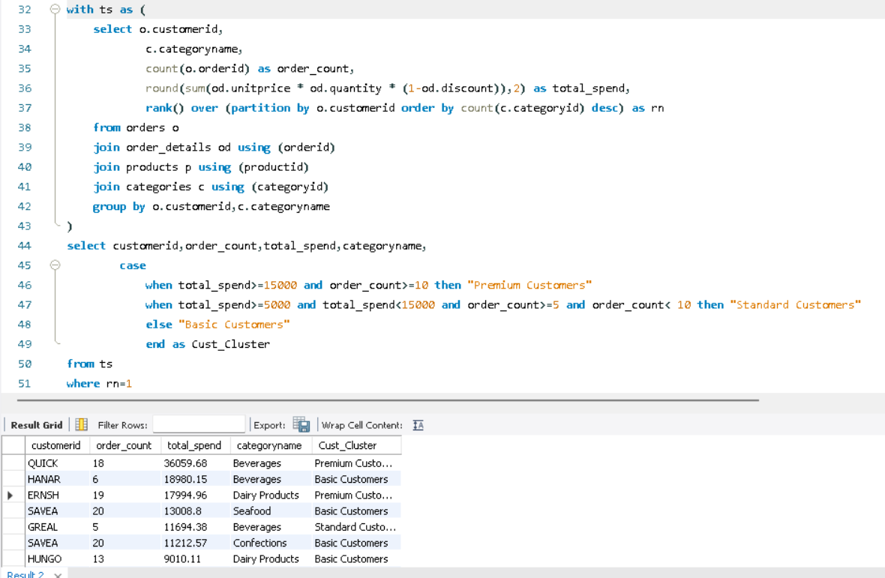
 | SQL Output:
 | Customerid | Order_count | Total_spend | Categoryname | Cust_Cluster | SQL Screenshot:
 | QUICK | 18 | 36059.68 | Beverages | Premium Customers
 | HANAR | 6 | 18980.15 | Beverages | Basic Customers
 | ERNSH | 19 | 17994.96 | Dairy Products | Premium Customers
 | SAVEA | 20 | 13008.8 | Seafood | Basic Customers
 | GREAL | 5 | 11694.38 | Beverages | Standard Customers
 | SAVEA | 20 | 11212.57 | Confections | Basic Customers
 | HUNGO | 13 | 9010.11 | Dairy Products | Basic Customers
 | BERGS | 13 | 8298.67 | Beverages | Basic Customers
 | RATTC | 10 | 7686.75 | Dairy Products | Basic Customers
 | LILAS | 10 | 7360.83 | Dairy Products | Basic Customers
 | BONAP | 10 | 5368.58 | Seafood | Basic Customers
 | LEHMS | 9 | 5224 | Dairy Products | Standard Customers |  | Pivot Table:
 | TORTU | 8 | 5070.2 | Beverages | Standard Customers |  | Row Labels | Count of Customerid
 | FRANK | 10 | 4868.45 | Seafood | Basic Customers |  | Basic Customers | 125
 | WARTH | 9 | 4856.11 | Dairy Products | Basic Customers |  | Premium Customers | 2
 | BOTTM | 7 | 4753.05 | Dairy Products | Basic Customers |  | Standard Customers | 3
 | KOENE | 9 | 4751.46 | Confections | Basic Customers |  | Grand Total | 130
 | SEVES | 5 | 4540 | Dairy Products | Basic Customers
 | HANAR | 6 | 4425.75 | Seafood | Basic Customers
 | WHITC | 6 | 4174.13 | Condiments | Basic Customers
 | BLONP | 6 | 3975.92 | Beverages | Basic Customers
 | QUEEN | 8 | 3655.24 | Confections | Basic Customers
 | OLDWO | 4 | 3630.88 | Confections | Basic Customers
 | VAFFE | 8 | 3505.15 | Condiments | Basic Customers
 | WHITC | 6 | 3275.38 | Confections | Basic Customers
 | CHOPS | 4 | 3097.6 | Grains/Cereals | Basic Customers
 | HILAA | 10 | 3068.85 | Beverages | Basic Customers
 | FOLKO | 11 | 3055.32 | Beverages | Basic Customers
 | BOLID | 2 | 3026.85 | Meat/Poultry | Basic Customers
 | SUPRD | 7 | 3025.68 | Beverages | Basic Customers
 | PICCO | 5 | 2970.28 | Dairy Products | Basic Customers
 | MEREP | 8 | 2915.6 | Confections | Basic Customers
 | WANDK | 6 | 2833.5 | Dairy Products | Basic Customers
 | SEVES | 5 | 2820.51 | Seafood | Basic Customers
 | THEBI | 2 | 2775 | Beverages | Basic Customers
 | OTTIK | 5 | 2757.27 | Confections | Basic Customers
 | SANTG | 5 | 2756 | Beverages | Basic Customers
 | MAISD | 5 | 2659.38 | Confections | Basic Customers
 | QUEDE | 6 | 2491.04 | Condiments | Basic Customers
 | VICTE | 4 | 2396.7 | Confections | Basic Customers
 | LINOD | 8 | 2373.61 | Confections | Basic Customers
 | OTTIK | 5 | 2315.25 | Dairy Products | Basic Customers
 | FOLIG | 4 | 2232 | Confections | Basic Customers
 | FURIB | 6 | 2203.17 | Condiments | Basic Customers
 | ANTON | 5 | 2182.7 | Dairy Products | Basic Customers
 | OLDWO | 4 | 2146 | Grains/Cereals | Basic Customers
 | AROUT | 6 | 2128 | Grains/Cereals | Basic Customers
 | GREAL | 5 | 2101.07 | Dairy Products | Basic Customers
 | REGGC | 5 | 2080.94 | Dairy Products | Basic Customers
 | RICSU | 7 | 2050.91 | Seafood | Basic Customers
 | TRADH | 3 | 1990.4 | Confections | Basic Customers
 | VICTE | 4 | 1989.5 | Beverages | Basic Customers
 | RICAR | 7 | 1963.72 | Confections | Basic Customers
 | PERIC | 3 | 1938.4 | Produce | Basic Customers
 | MORGK | 4 | 1921.8 | Confections | Basic Customers
 | LAMAI | 9 | 1867.15 | Beverages | Basic Customers
 | WELLI | 5 | 1760.15 | Beverages | Basic Customers
 | EASTC | 4 | 1751 | Dairy Products | Basic Customers
 | TRADH | 3 | 1679.8 | Dairy Products | Basic Customers
 | GODOS | 6 | 1588.95 | Confections | Basic Customers
 | PRINI | 2 | 1485.12 | Condiments | Basic Customers
 | SPECD | 2 | 1426 | Beverages | Basic Customers
 | ISLAT | 7 | 1417.2 | Beverages | Basic Customers
 | BSBEV | 4 | 1405.4 | Grains/Cereals | Basic Customers
 | ALFKI | 4 | 1338.8 | Condiments | Basic Customers
 | VICTE | 4 | 1243.4 | Seafood | Basic Customers
 | AROUT | 6 | 1227 | Beverages | Basic Customers
 | SIMOB | 3 | 1187.8 | Dairy Products | Basic Customers
 | FAMIA | 6 | 1157.87 | Beverages | Basic Customers
 | GOURL | 4 | 1085.78 | Seafood | Basic Customers
 | ANATR | 5 | 1078.8 | Dairy Products | Basic Customers
 | TOMSP | 4 | 1076.84 | Confections | Basic Customers
 | SIMOB | 3 | 1069.84 | Seafood | Basic Customers
 | PRINI | 2 | 1047.2 | Grains/Cereals | Basic Customers
 | LACOR | 3 | 1000.15 | Confections | Basic Customers
 | GROSR | 1 | 990 | Meat/Poultry | Basic Customers
 | VICTE | 4 | 936.3 | Produce | Basic Customers
 | LETSS | 4 | 931.37 | Condiments | Basic Customers
 | OCEAN | 3 | 914 | Dairy Products | Basic Customers
 | VINET | 4 | 880.6 | Dairy Products | Basic Customers
 | BSBEV | 4 | 875 | Confections | Basic Customers
 | WELLI | 5 | 863.94 | Seafood | Basic Customers
 | WOLZA | 6 | 828.5 | Beverages | Basic Customers
 | CACTU | 4 | 811 | Beverages | Basic Customers
 | MAGAA | 5 | 809.94 | Beverages | Basic Customers
 | OTTIK | 5 | 786.26 | Seafood | Basic Customers
 | RANCH | 4 | 709.1 | Confections | Basic Customers
 | SIMOB | 3 | 694.88 | Confections | Basic Customers
 | FRANR | 2 | 667.5 | Confections | Basic Customers
 | PERIC | 3 | 654.8 | Beverages | Basic Customers
 | DRACD | 2 | 620 | Dairy Products | Basic Customers
 | LONEP | 4 | 602 | Beverages | Basic Customers
 | WILMK | 4 | 582 | Beverages | Basic Customers
 | WILMK | 4 | 562.75 | Confections | Basic Customers
 | LACOR | 3 | 497.5 | Beverages | Basic Customers
 | BOLID | 2 | 473.6 | Grains/Cereals | Basic Customers
 | BSBEV | 4 | 465 | Seafood | Basic Customers
 | DUMON | 2 | 445.1 | Seafood | Basic Customers
 | COMMI | 2 | 444 | Condiments | Basic Customers
 | SPLIR | 4 | 442.35 | Confections | Basic Customers
 | PRINI | 2 | 432 | Beverages | Basic Customers
 | TRAIH | 3 | 425 | Beverages | Basic Customers
 | THECR | 2 | 370 | Seafood | Basic Customers
 | ROMEY | 3 | 357.09 | Seafood | Basic Customers
 | CONSH | 2 | 352.8 | Grains/Cereals | Basic Customers
 | GALED | 2 | 338.2 | Grains/Cereals | Basic Customers
 | THEBI | 2 | 336 | Confections | Basic Customers
 | BLAUS | 3 | 333 | Confections | Basic Customers
 | NORTS | 2 | 328 | Dairy Products | Basic Customers
 | GROSR | 1 | 310 | Seafood | Basic Customers
 | DRACD | 2 | 247.2 | Beverages | Basic Customers
 | NORTS | 2 | 234 | Beverages | Basic Customers
 | LAZYK | 1 | 210 | Dairy Products | Basic Customers
 | LAUGB | 2 | 196 | Seafood | Basic Customers
 | DUMON | 2 | 194 | Beverages | Basic Customers
 | PRINI | 2 | 194 | Confections | Basic Customers
 | COMMI | 2 | 156 | Seafood | Basic Customers
 | HUNGC | 3 | 151.2 | Meat/Poultry | Basic Customers
 | LAZYK | 1 | 147 | Seafood | Basic Customers
 | FRANS | 3 | 143.3 | Confections | Basic Customers
 | GALED | 2 | 136 | Condiments | Basic Customers
 | DUMON | 2 | 130.2 | Grains/Cereals | Basic Customers
 | GALED | 2 | 117.5 | Confections | Basic Customers
 | THECR | 2 | 114 | Beverages | Basic Customers
 | GROSR | 1 | 111.2 | Dairy Products | Basic Customers
 | LAUGB | 2 | 107 | Grains/Cereals | Basic Customers
 | LAUGB | 2 | 97.5 | Beverages | Basic Customers
 | CENTC | 1 | 80 | Confections | Basic Customers
 | GROSR | 1 | 77.5 | Beverages | Basic Customers
 | CENTC | 1 | 20.8 | Seafood | Basic Customers

Question 4
4. Which product categories or products contribute most to order revenue?

 | SQL Query:
select p.productname,
c.categoryname,
round(sum(od.unitprice * od.quantity * (1-od.discount)),2) as total_amount,
round(sum(od.unitprice * od.quantity * (1-od.discount))/(select sum(unitprice * quantity * (1-discount)) as total_revenue from order_details),2) contribution
from order_details od
join products p using (productid)
join categories c using (categoryid)
group by p.productname,c.categoryname
order by contribution desc;
Insight:
Revenue is heavenly driven by a few top products
like Beverages,Condiments,Meat/Poultry.

 |  |  |  |  |  |  |  | Result Chart:
Overall Contributions of Products

 | SQL Output:
 | Productname | Categoryname | Total_amount | Contribution
 | Côte de Blaye | Beverages | 141396.73 | 0.11
 | Thüringer Rostbratwurst | Meat/Poultry | 80368.67 | 0.06 | SQL Screenshot:

 | Raclette Courdavault | Dairy Products | 71155.7 | 0.06
 | Camembert Pierrot | Dairy Products | 46825.48 | 0.04
 | Tarte au sucre | Confections | 47234.97 | 0.04
 | Manjimup Dried Apples | Produce | 41819.65 | 0.03
 | Alice Mutton | Meat/Poultry | 32698.38 | 0.03
 | Gnocchi di nonna Alice | Grains/Cereals | 42593.06 | 0.03
 | Sir Rodney's Marmalade | Confections | 22563.36 | 0.02
 | Ipoh Coffee | Beverages | 23526.7 | 0.02
 | Mozzarella di Giovanni | Dairy Products | 24900.13 | 0.02
 | Ikura | Seafood | 20867.34 | 0.02
 | Uncle Bob's Organic Dried Pears | Produce | 22044.3 | 0.02
 | Wimmers gute Semmelknödel | Grains/Cereals | 21957.97 | 0.02 |  | Productname | (All)
 | Rössle Sauerkraut | Produce | 25696.64 | 0.02 |  | Pivot Table:
 | Perth Pasties | Meat/Poultry | 20574.17 | 0.02 |  | Row Labels | Sum of Contribution
 | Fløtemysost | Dairy Products | 19551.02 | 0.02 |  | Beverages | 0.21
 | Carnarvon Tigers | Seafood | 29171.88 | 0.02 |  | Condiments | 0.08
 | Gudbrandsdalsost | Dairy Products | 21942.36 | 0.02 |  | Confections | 0.13
 | Gumbär Gummibärchen | Confections | 19849.14 | 0.02 |  | Dairy Products | 0.2
 | Gustaf's Knäckebröd | Grains/Cereals | 7122.36 | 0.01 |  | Grains/Cereals | 0.08
 | Ravioli Angelo | Grains/Cereals | 7661.55 | 0.01 |  | Meat/Poultry | 0.13
 | Gorgonzola Telino | Dairy Products | 14920.88 | 0.01 |  | Produce | 0.08
 | Chartreuse verte | Beverages | 12294.54 | 0.01 |  | Seafood | 0.08
 | Maxilaku | Confections | 9244.6 | 0.01 |  | Grand Total | 0.99
 | Pâté chinois | Meat/Poultry | 17426.4 | 0.01
 | Chang | Beverages | 16355.96 | 0.01
 | Pavlova | Confections | 17215.78 | 0.01
 | Inlagd Sill | Seafood | 13458.46 | 0.01
 | Original Frankfurter grüne Soße | Condiments | 9171.63 | 0.01
 | Schoggi Schokolade | Confections | 15099.88 | 0.01
 | Mascarpone Fabioli | Dairy Products | 8404.16 | 0.01
 | Sir Rodney's Scones | Confections | 9104 | 0.01
 | Outback Lager | Beverages | 10672.65 | 0.01
 | Steeleye Stout | Beverages | 13644 | 0.01
 | Nord-Ost Matjeshering | Seafood | 13424.2 | 0.01
 | Queso Manchego La Pastora | Dairy Products | 12257.66 | 0.01
 | Boston Crab Meat | Seafood | 17910.63 | 0.01
 | Queso Cabrales | Dairy Products | 12901.77 | 0.01
 | Gula Malacca | Condiments | 9915.95 | 0.01
 | Vegie-spread | Condiments | 16701.1 | 0.01
 | Rhönbräu Klosterbier | Beverages | 8177.49 | 0.01
 | Chai | Beverages | 12788.1 | 0.01
 | Sasquatch Ale | Beverages | 6350.4 | 0.01
 | Scottish Longbreads | Confections | 8714 | 0.01
 | Singaporean Hokkien Fried Mee | Grains/Cereals | 8575 | 0.01
 | Tofu | Produce | 7991.49 | 0.01
 | Jack's New England Clam Chowder | Seafood | 8680.35 | 0.01
 | Chef Anton's Cajun Seasoning | Condiments | 8567.9 | 0.01
 | Grandma's Boysenberry Spread | Condiments | 7137 | 0.01
 | Lakkalikööri | Beverages | 15760.44 | 0.01
 | Louisiana Fiery Hot Pepper Sauce | Condiments | 13869.89 | 0.01
 | Northwoods Cranberry Sauce | Condiments | 12772 | 0.01
 | Sirop d'érable | Condiments | 14352.6 | 0.01
 | Mishi Kobe Niku | Meat/Poultry | 7226.5 | 0.01
 | Tourtière | Meat/Poultry | 4728.24 | 0
 | Geitost | Dairy Products | 1648.12 | 0
 | Aniseed Syrup | Condiments | 3044 | 0
 | Gravad lax | Seafood | 2688.4 | 0
 | Chef Anton's Gumbo Mix | Condiments | 5347.2 | 0
 | Röd Kaviar | Seafood | 3997.2 | 0
 | Louisiana Hot Spiced Okra | Condiments | 3383 | 0
 | Longlife Tofu | Produce | 2432.5 | 0
 | Teatime Chocolate Biscuits | Confections | 5862.62 | 0
 | Escargots de Bourgogne | Seafood | 5881.67 | 0
 | Filo Mix | Grains/Cereals | 3232.95 | 0
 | NuNuCa Nuß-Nougat-Creme | Confections | 3704.4 | 0
 | Genen Shouyu | Condiments | 1784.82 | 0
 | Laughing Lumberjack Lager | Beverages | 2396.8 | 0
 | Zaanse koeken | Confections | 3958.08 | 0
 | Tunnbröd | Grains/Cereals | 4601.7 | 0
 | Guaraná Fantástica | Beverages | 4504.36 | 0
 | Valkoinen suklaa | Confections | 3437.69 | 0
 | Røgede sild | Seafood | 4338.18 | 0
 | Chocolade | Confections | 1368.71 | 0
 | Konbu | Seafood | 4960.44 | 0
 | Spegesild | Seafood | 5883 | 0

Question 5
5 .Are there any correlations between orders and customer location or product category?

select cu.country,cu.city,c.categoryname,p.productname,
count(od.orderid) as order_count
from orders o
join customers cu using (customerid)
join order_details od using (orderid)
join products p using (productid)
join categories c using (categoryid)
group by c.categoryname,p.productname,cu.country,cu.city;
 | SQL Query:
 |  |  |  |  |  |  |  | Result Chart:
Correlation of Orders and Country/Category
Insight:
Order Volume varies by category,
with Beverages leading across
most locations.

 | SQL Output:
 | Country | City | Category | Product | Order_count
 | Brazil | Rio de Janeiro | Seafood | Jack's New England Clam Chowder | 3
 | Brazil | Rio de Janeiro | Produce | Manjimup Dried Apples | 2 | SQL Screenshot:
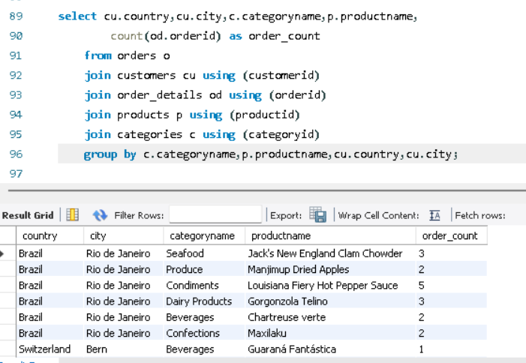
 | Brazil | Rio de Janeiro | Condiments | Louisiana Fiery Hot Pepper Sauce | 5
 | Brazil | Rio de Janeiro | Dairy Products | Gorgonzola Telino | 3
 | Brazil | Rio de Janeiro | Beverages | Chartreuse verte | 2
 | Brazil | Rio de Janeiro | Confections | Maxilaku | 2
 | Switzerland | Bern | Beverages | Guaraná Fantástica | 1
 | Switzerland | Bern | Meat/Poultry | Pâté chinois | 1
 | Switzerland | Bern | Produce | Longlife Tofu | 2
 | Venezuela | San Cristóbal | Confections | Schoggi Schokolade | 1 | Product | (All)
 | Venezuela | San Cristóbal | Beverages | Chartreuse verte | 1 | Pivot Table:
 | Venezuela | San Cristóbal | Condiments | Original Frankfurter grüne Soße | 1 | Row Labels | Sum of Order_count
 | Austria | Graz | Beverages | Chang | 1 | Beverages | 281
 | Austria | Graz | Condiments | Chef Anton's Gumbo Mix | 2 | Condiments | 141
 | Austria | Graz | Dairy Products | Mascarpone Fabioli | 1 | Confections | 233
 | Mexico | México D.F. | Confections | Sir Rodney's Scones | 1 | Dairy Products | 228
 | Mexico | México D.F. | Seafood | Gravad lax | 1 | Grains/Cereals | 134
 | Austria | Graz | Confections | Pavlova | 3 | Meat/Poultry | 125
 | Austria | Graz | Beverages | Guaraná Fantástica | 4 | Produce | 78
 | Austria | Graz | Seafood | Nord-Ost Matjeshering | 1 | Seafood | 214
 | Austria | Graz | Produce | Longlife Tofu | 2 | Grand Total | 1434
 | Sweden | Bräcke | Beverages | Chang | 3
 | Sweden | Bräcke | Seafood | Jack's New England Clam Chowder | 3
 | France | Strasbourg | Meat/Poultry | Alice Mutton | 1
 | France | Strasbourg | Beverages | Outback Lager | 1
 | Germany | München | Seafood | Boston Crab Meat | 1
 | Germany | München | Dairy Products | Raclette Courdavault | 2
 | Germany | München | Beverages | Lakkalikööri | 1
 | Venezuela | Caracas | Meat/Poultry | Thüringer Rostbratwurst | 1
 | Venezuela | Caracas | Dairy Products | Mozzarella di Giovanni | 1
 | Sweden | Luleå | Condiments | Gula Malacca | 1
 | Sweden | Luleå | Dairy Products | Raclette Courdavault | 1
 | Sweden | Luleå | Condiments | Vegie-spread | 1
 | Sweden | Luleå | Seafood | Röd Kaviar | 1
 | Germany | Frankfurt a.M. | Meat/Poultry | Alice Mutton | 1
 | Sweden | Luleå | Beverages | Guaraná Fantástica | 2
 | Sweden | Luleå | Meat/Poultry | Pâté chinois | 1
 | Sweden | Luleå | Beverages | Rhönbräu Klosterbier | 3
 | Germany | Frankfurt a.M. | Confections | Schoggi Schokolade | 1
 | Germany | Frankfurt a.M. | Condiments | Gula Malacca | 1
 | Germany | Frankfurt a.M. | Dairy Products | Camembert Pierrot | 2
 | Germany | Frankfurt a.M. | Beverages | Laughing Lumberjack Lager | 1
 | UK | London | Condiments | Aniseed Syrup | 1
 | UK | London | Grains/Cereals | Wimmers gute Semmelknödel | 1
 | Brazil | São Paulo | Condiments | Chef Anton's Gumbo Mix | 1
 | Brazil | São Paulo | Meat/Poultry | Thüringer Rostbratwurst | 2
 | Brazil | São Paulo | Confections | Maxilaku | 2
 | Brazil | São Paulo | Condiments | Original Frankfurter grüne Soße | 1
 | France | Strasbourg | Beverages | Chartreuse verte | 1
 | France | Strasbourg | Dairy Products | Mozzarella di Giovanni | 1
 | Ireland | Cork | Beverages | Chang | 2
 | Ireland | Cork | Seafood | Inlagd Sill | 2
 | Ireland | Cork | Dairy Products | Raclette Courdavault | 3
 | Ireland | Cork | Confections | Tarte au sucre | 1
 | Spain | Sevilla | Seafood | Boston Crab Meat | 1
 | Spain | Sevilla | Condiments | Louisiana Fiery Hot Pepper Sauce | 2
 | Spain | Sevilla | Confections | Scottish Longbreads | 2
 | Mexico | México D.F. | Dairy Products | Gudbrandsdalsost | 1
 | Mexico | México D.F. | Beverages | Outback Lager | 2
 | Ireland | Cork | Condiments | Chef Anton's Cajun Seasoning | 1
 | Ireland | Cork | Condiments | Grandma's Boysenberry Spread | 1
 | Ireland | Cork | Grains/Cereals | Singaporean Hokkien Fried Mee | 2
 | Ireland | Cork | Beverages | Ipoh Coffee | 1
 | Ireland | Cork | Dairy Products | Fløtemysost | 4
 | France | Nantes | Grains/Cereals | Singaporean Hokkien Fried Mee | 1
 | France | Nantes | Dairy Products | Gudbrandsdalsost | 1
 | UK | Cowes | Beverages | Sasquatch Ale | 1
 | UK | Cowes | Beverages | Outback Lager | 2
 | UK | Cowes | Seafood | Jack's New England Clam Chowder | 1
 | UK | Cowes | Beverages | Lakkalikööri | 2
 | UK | Cowes | Beverages | Steeleye Stout | 1
 | Germany | Brandenburg | Condiments | Genen Shouyu | 1
 | Germany | Brandenburg | Confections | NuNuCa Nuß-Nougat-Creme | 2
 | Germany | Brandenburg | Beverages | Chartreuse verte | 1
 | Germany | Leipzig | Produce | Rössle Sauerkraut | 1
 | Finland | Oulu | Produce | Tofu | 3
 | Portugal | Lisboa | Condiments | Chef Anton's Cajun Seasoning | 2
 | UK | London | Beverages | Steeleye Stout | 3
 | Germany | Köln | Dairy Products | Queso Cabrales | 1
 | Austria | Graz | Condiments | Louisiana Hot Spiced Okra | 1
 | Mexico | México D.F. | Produce | Tofu | 2
 | France | Lyon | Beverages | Steeleye Stout | 1
 | Denmark | Århus | Condiments | Original Frankfurter grüne Soße | 4
 | Venezuela | I. de Margarita | Beverages | Steeleye Stout | 1
 | Argentina | Buenos Aires | Condiments | Sirop d'érable | 1
 | Brazil | Rio de Janeiro | Dairy Products | Fløtemysost | 3
 | USA | Boise | Beverages | Sasquatch Ale | 2
 | USA | Eugene | Confections | Tarte au sucre | 1
 | USA | Portland | Beverages | Guaraná Fantástica | 1
 | UK | London | Dairy Products | Gorgonzola Telino | 3
 | Venezuela | I. de Margarita | Dairy Products | Gorgonzola Telino | 1
 | UK | London | Dairy Products | Mozzarella di Giovanni | 3
 | Brazil | Rio de Janeiro | Beverages | Sasquatch Ale | 1
 | Germany | Cunewalde | Confections | Scottish Longbreads | 1
 | UK | London | Produce | Manjimup Dried Apples | 4
 | USA | Eugene | Dairy Products | Fløtemysost | 1
 | USA | Boise | Meat/Poultry | Perth Pasties | 1
 | Brazil | São Paulo | Seafood | Boston Crab Meat | 4
 | UK | Cowes | Dairy Products | Raclette Courdavault | 1
 | France | Versailles | Beverages | Outback Lager | 1
 | Brazil | Rio de Janeiro | Seafood | Ikura | 1
 | Germany | Brandenburg | Meat/Poultry | Thüringer Rostbratwurst | 1
 | Italy | Reggio Emilia | Confections | Maxilaku | 1
 | France | Lyon | Grains/Cereals | Gustaf's Knäckebröd | 1
 | USA | Lander | Grains/Cereals | Gnocchi di nonna Alice | 2
 | France | Strasbourg | Meat/Poultry | Tourtière | 1
 | Canada | Tsawassen | Dairy Products | Raclette Courdavault | 2
 | Brazil | Rio de Janeiro | Condiments | Original Frankfurter grüne Soße | 4
 | Austria | Graz | Grains/Cereals | Gnocchi di nonna Alice | 2
 | Venezuela | Barquisimeto | Dairy Products | Queso Manchego La Pastora | 1
 | Germany | Berlin | Seafood | Spegesild | 1
 | Austria | Salzburg | Dairy Products | Gorgonzola Telino | 1
 | UK | Cowes | Dairy Products | Camembert Pierrot | 1
 | Poland | Warszawa | Produce | Manjimup Dried Apples | 1
 | France | Marseille | Meat/Poultry | Alice Mutton | 1
 | USA | Butte | Grains/Cereals | Filo Mix | 1
 | Venezuela | Barquisimeto | Confections | Gumbär Gummibärchen | 2
 | Germany | Cunewalde | Meat/Poultry | Pâté chinois | 1
 | Mexico | México D.F. | Confections | Chocolade | 1
 | UK | London | Beverages | Outback Lager | 4
 | Argentina | Buenos Aires | Confections | Scottish Longbreads | 1
 | Mexico | México D.F. | Dairy Products | Queso Cabrales | 4
 | USA | Walla Walla | Dairy Products | Queso Cabrales | 1
 | France | Toulouse | Beverages | Rhönbräu Klosterbier | 1
 | Germany | Stuttgart | Dairy Products | Geitost | 1
 | Italy | Bergamo | Condiments | Chef Anton's Cajun Seasoning | 2
 | USA | Eugene | Condiments | Gula Malacca | 1
 | USA | Portland | Dairy Products | Raclette Courdavault | 1
 | Venezuela | San Cristóbal | Dairy Products | Gorgonzola Telino | 1
 | USA | Portland | Condiments | Chef Anton's Gumbo Mix | 1
 | USA | Boise | Dairy Products | Gorgonzola Telino | 3
 | UK | London | Seafood | Ikura | 1
 | France | Lyon | Beverages | Chang | 1
 | Portugal | Lisboa | Beverages | Chai | 1
 | Venezuela | San Cristóbal | Beverages | Rhönbräu Klosterbier | 3
 | Germany | Cunewalde | Produce | Manjimup Dried Apples | 1
 | Brazil | Resende | Seafood | Carnarvon Tigers | 2
 | Brazil | São Paulo | Seafood | Jack's New England Clam Chowder | 1
 | Spain | Sevilla | Meat/Poultry | Pâté chinois | 2
 | USA | San Francisco | Condiments | Louisiana Fiery Hot Pepper Sauce | 1
 | Italy | Bergamo | Beverages | Chang | 1
 | Austria | Graz | Dairy Products | Queso Manchego La Pastora | 3
 | USA | Boise | Grains/Cereals | Ravioli Angelo | 1
 | USA | Boise | Confections | Pavlova | 3
 | USA | Lander | Seafood | Nord-Ost Matjeshering | 1
 | Canada | Montréal | Meat/Poultry | Alice Mutton | 1
 | Germany | Brandenburg | Beverages | Lakkalikööri | 1
 | Brazil | São Paulo | Confections | Valkoinen suklaa | 1
 | Sweden | Luleå | Condiments | Chef Anton's Cajun Seasoning | 1
 | France | Marseille | Produce | Manjimup Dried Apples | 2
 | Italy | Torino | Confections | Teatime Chocolate Biscuits | 1
 | USA | Anchorage | Grains/Cereals | Gnocchi di nonna Alice | 2
 | Mexico | México D.F. | Beverages | Chang | 1
 | Argentina | Buenos Aires | Beverages | Lakkalikööri | 1
 | Brazil | Rio de Janeiro | Confections | Pavlova | 2
 | Canada | Montréal | Grains/Cereals | Singaporean Hokkien Fried Mee | 1
 | Brazil | São Paulo | Confections | Sir Rodney's Marmalade | 2
 | France | Lille | Meat/Poultry | Tourtière | 1
 | USA | Lander | Meat/Poultry | Tourtière | 2
 | Canada | Montréal | Confections | Pavlova | 2
 | France | Toulouse | Produce | Rössle Sauerkraut | 1
 | UK | London | Confections | Sir Rodney's Scones | 2
 | Sweden | Bräcke | Condiments | Gula Malacca | 1
 | USA | San Francisco | Beverages | Rhönbräu Klosterbier | 1
 | Venezuela | I. de Margarita | Seafood | Røgede sild | 2
 | Denmark | Århus | Seafood | Ikura | 2
 | Sweden | Bräcke | Dairy Products | Raclette Courdavault | 1
 | Germany | München | Dairy Products | Gudbrandsdalsost | 1
 | Switzerland | Genève | Confections | Gumbär Gummibärchen | 2
 | Venezuela | Caracas | Beverages | Rhönbräu Klosterbier | 1
 | Argentina | Buenos Aires | Beverages | Ipoh Coffee | 1
 | Venezuela | San Cristóbal | Beverages | Chai | 1
 | Spain | Madrid | Seafood | Nord-Ost Matjeshering | 3
 | France | Toulouse | Grains/Cereals | Singaporean Hokkien Fried Mee | 1
 | Germany | Cunewalde | Meat/Poultry | Perth Pasties | 2
 | UK | London | Grains/Cereals | Ravioli Angelo | 3
 | UK | London | Dairy Products | Camembert Pierrot | 2
 | Italy | Bergamo | Confections | Maxilaku | 1
 | France | Lille | Seafood | Gravad lax | 1
 | Spain | Barcelona | Grains/Cereals | Wimmers gute Semmelknödel | 1
 | Belgium | Charleroi | Beverages | Lakkalikööri | 1
 | Brazil | São Paulo | Confections | Gumbär Gummibärchen | 2
 | Austria | Salzburg | Grains/Cereals | Ravioli Angelo | 1
 | Canada | Montréal | Dairy Products | Fløtemysost | 1
 | Germany | Cunewalde | Seafood | Carnarvon Tigers | 2
 | Brazil | Rio de Janeiro | Beverages | Guaraná Fantástica | 3
 | Belgium | Charleroi | Seafood | Escargots de Bourgogne | 1
 | Switzerland | Genève | Seafood | Jack's New England Clam Chowder | 1
 | Germany | Cunewalde | Seafood | Inlagd Sill | 2
 | USA | Boise | Beverages | Steeleye Stout | 3
 | Brazil | Rio de Janeiro | Confections | Teatime Chocolate Biscuits | 4
 | France | Marseille | Seafood | Boston Crab Meat | 2
 | Germany | Cunewalde | Grains/Cereals | Singaporean Hokkien Fried Mee | 4
 | Canada | Montréal | Beverages | Chai | 1
 | France | Reims | Seafood | Jack's New England Clam Chowder | 1
 | Norway | Stavern | Beverages | Ipoh Coffee | 1
 | Germany | Frankfurt a.M. | Grains/Cereals | Filo Mix | 1
 | Germany | München | Confections | Sir Rodney's Scones | 3
 | Switzerland | Genève | Beverages | Rhönbräu Klosterbier | 1
 | USA | Boise | Confections | Gumbär Gummibärchen | 2
 | Portugal | Lisboa | Confections | Sir Rodney's Scones | 2
 | Sweden | Luleå | Beverages | Chartreuse verte | 2
 | Mexico | México D.F. | Beverages | Guaraná Fantástica | 2
 | Austria | Graz | Condiments | Sirop d'érable | 2
 | Sweden | Luleå | Dairy Products | Camembert Pierrot | 2
 | Germany | München | Confections | Pavlova | 1
 | Ireland | Cork | Beverages | Chartreuse verte | 1
 | Mexico | México D.F. | Condiments | Louisiana Hot Spiced Okra | 1
 | USA | Boise | Meat/Poultry | Alice Mutton | 2
 | Germany | Brandenburg | Confections | Tarte au sucre | 2
 | Sweden | Luleå | Grains/Cereals | Filo Mix | 1
 | Belgium | Bruxelles | Beverages | Ipoh Coffee | 1
 | France | Lyon | Produce | Longlife Tofu | 1
 | Mexico | México D.F. | Beverages | Ipoh Coffee | 2
 | Germany | Cunewalde | Seafood | Boston Crab Meat | 3
 | Germany | Brandenburg | Seafood | Konbu | 2
 | USA | Lander | Confections | Scottish Longbreads | 2
 | Argentina | Buenos Aires | Confections | Sir Rodney's Scones | 2
 | Canada | Tsawassen | Dairy Products | Geitost | 1
 | Germany | Frankfurt a.M. | Condiments | Genen Shouyu | 1
 | Austria | Salzburg | Beverages | Guaraná Fantástica | 1
 | Canada | Montréal | Dairy Products | Camembert Pierrot | 1
 | France | Marseille | Dairy Products | Fløtemysost | 1
 | Canada | Tsawassen | Dairy Products | Camembert Pierrot | 2
 | Belgium | Bruxelles | Beverages | Lakkalikööri | 1
 | USA | Eugene | Meat/Poultry | Thüringer Rostbratwurst | 1
 | France | Toulouse | Confections | Valkoinen suklaa | 1
 | Portugal | Lisboa | Beverages | Ipoh Coffee | 1
 | Austria | Graz | Confections | Sir Rodney's Marmalade | 1
 | UK | London | Dairy Products | Mascarpone Fabioli | 1
 | Denmark | København | Dairy Products | Mozzarella di Giovanni | 1
 | UK | Cowes | Dairy Products | Fløtemysost | 2
 | Germany | München | Meat/Poultry | Thüringer Rostbratwurst | 1
 | Brazil | Rio de Janeiro | Seafood | Inlagd Sill | 3
 | Switzerland | Bern | Seafood | Gravad lax | 1
 | Sweden | Bräcke | Meat/Poultry | Thüringer Rostbratwurst | 1
 | Ireland | Cork | Dairy Products | Camembert Pierrot | 1
 | France | Strasbourg | Seafood | Ikura | 1
 | Austria | Graz | Condiments | Louisiana Fiery Hot Pepper Sauce | 3
 | Germany | Cunewalde | Confections | Gumbär Gummibärchen | 1
 | USA | Albuquerque | Meat/Poultry | Alice Mutton | 4
 | Canada | Montréal | Confections | Sir Rodney's Scones | 1
 | France | Paris | Confections | Pavlova | 1
 | Belgium | Charleroi | Grains/Cereals | Singaporean Hokkien Fried Mee | 2
 | USA | Eugene | Seafood | Inlagd Sill | 1
 | USA | Anchorage | Produce | Manjimup Dried Apples | 1
 | Poland | Warszawa | Beverages | Rhönbräu Klosterbier | 1
 | USA | Portland | Confections | Pavlova | 1
 | Portugal | Lisboa | Confections | Scottish Longbreads | 1
 | Finland | Oulu | Confections | Sir Rodney's Scones | 1
 | USA | Albuquerque | Seafood | Nord-Ost Matjeshering | 1
 | Canada | Tsawassen | Condiments | Gula Malacca | 2
 | Canada | Tsawassen | Meat/Poultry | Alice Mutton | 2
 | UK | London | Seafood | Boston Crab Meat | 1
 | Spain | Sevilla | Meat/Poultry | Alice Mutton | 2
 | Spain | Sevilla | Meat/Poultry | Thüringer Rostbratwurst | 1
 | Brazil | São Paulo | Meat/Poultry | Perth Pasties | 1
 | Germany | Cunewalde | Dairy Products | Camembert Pierrot | 4
 | Germany | Frankfurt a.M. | Dairy Products | Raclette Courdavault | 1
 | Brazil | Campinas | Grains/Cereals | Gnocchi di nonna Alice | 1
 | Brazil | São Paulo | Beverages | Chartreuse verte | 2
 | Sweden | Bräcke | Grains/Cereals | Tunnbröd | 1
 | USA | Boise | Meat/Poultry | Pâté chinois | 2
 | USA | Albuquerque | Dairy Products | Gorgonzola Telino | 3
 | France | Reims | Dairy Products | Mozzarella di Giovanni | 2
 | USA | Portland | Confections | Tarte au sucre | 2
 | USA | Albuquerque | Confections | Tarte au sucre | 4
 | Canada | Montréal | Grains/Cereals | Wimmers gute Semmelknödel | 2
 | USA | Eugene | Dairy Products | Mozzarella di Giovanni | 1
 | UK | London | Grains/Cereals | Filo Mix | 4
 | Germany | München | Meat/Poultry | Tourtière | 2
 | Venezuela | I. de Margarita | Confections | Valkoinen suklaa | 1
 | Ireland | Cork | Condiments | Louisiana Fiery Hot Pepper Sauce | 2
 | USA | Boise | Grains/Cereals | Wimmers gute Semmelknödel | 1
 | Finland | Oulu | Produce | Longlife Tofu | 1
 | France | Nantes | Beverages | Lakkalikööri | 1
 | France | Marseille | Confections | Pavlova | 3
 | Sweden | Luleå | Confections | Maxilaku | 1
 | Italy | Bergamo | Beverages | Laughing Lumberjack Lager | 1
 | Germany | Cunewalde | Seafood | Konbu | 2
 | France | Versailles | Dairy Products | Geitost | 1
 | Finland | Helsinki | Beverages | Chai | 1
 | Germany | Stuttgart | Meat/Poultry | Perth Pasties | 1
 | Portugal | Lisboa | Beverages | Guaraná Fantástica | 1
 | Sweden | Luleå | Confections | Sir Rodney's Marmalade | 1
 | Austria | Graz | Confections | Chocolade | 1
 | Denmark | København | Beverages | Côte de Blaye | 1
 | Germany | Brandenburg | Beverages | Ipoh Coffee | 1
 | Canada | Vancouver | Condiments | Original Frankfurter grüne Soße | 1
 | USA | Seattle | Condiments | Sirop d'érable | 1
 | Germany | Stuttgart | Condiments | Sirop d'érable | 1
 | Austria | Salzburg | Beverages | Ipoh Coffee | 1
 | USA | Seattle | Seafood | Escargots de Bourgogne | 1
 | Mexico | México D.F. | Dairy Products | Mozzarella di Giovanni | 1
 | USA | Albuquerque | Beverages | Chai | 1
 | Denmark | København | Dairy Products | Raclette Courdavault | 1
 | Austria | Graz | Produce | Rössle Sauerkraut | 2
 | Germany | München | Confections | Tarte au sucre | 1
 | France | Strasbourg | Beverages | Lakkalikööri | 1
 | Poland | Warszawa | Confections | Scottish Longbreads | 1
 | Brazil | Rio de Janeiro | Meat/Poultry | Alice Mutton | 1
 | Germany | Köln | Grains/Cereals | Ravioli Angelo | 1
 | Austria | Graz | Beverages | Côte de Blaye | 1
 | Brazil | São Paulo | Confections | Zaanse koeken | 1
 | Sweden | Luleå | Seafood | Nord-Ost Matjeshering | 2
 | USA | Seattle | Grains/Cereals | Gnocchi di nonna Alice | 2
 | Ireland | Cork | Condiments | Original Frankfurter grüne Soße | 1
 | Ireland | Cork | Seafood | Escargots de Bourgogne | 2
 | France | Nantes | Beverages | Sasquatch Ale | 1
 | Belgium | Bruxelles | Confections | Gumbär Gummibärchen | 1
 | Mexico | México D.F. | Seafood | Carnarvon Tigers | 1
 | USA | Albuquerque | Dairy Products | Mascarpone Fabioli | 1
 | France | Lyon | Grains/Cereals | Filo Mix | 1
 | Austria | Graz | Confections | Sir Rodney's Scones | 3
 | France | Strasbourg | Grains/Cereals | Wimmers gute Semmelknödel | 1
 | Germany | Brandenburg | Meat/Poultry | Tourtière | 1
 | Germany | Münster | Beverages | Sasquatch Ale | 2
 | France | Toulouse | Seafood | Inlagd Sill | 3
 | France | Strasbourg | Beverages | Chai | 1
 | Brazil | Resende | Seafood | Spegesild | 1
 | Switzerland | Genève | Meat/Poultry | Thüringer Rostbratwurst | 1
 | Italy | Reggio Emilia | Meat/Poultry | Alice Mutton | 1
 | Denmark | København | Seafood | Nord-Ost Matjeshering | 1
 | France | Lyon | Confections | NuNuCa Nuß-Nougat-Creme | 1
 | Brazil | São Paulo | Beverages | Steeleye Stout | 1
 | Finland | Helsinki | Confections | Sir Rodney's Scones | 1
 | Germany | München | Condiments | Original Frankfurter grüne Soße | 1
 | Mexico | México D.F. | Beverages | Chai | 2
 | Austria | Graz | Dairy Products | Raclette Courdavault | 1
 | Germany | Münster | Dairy Products | Gorgonzola Telino | 1
 | Germany | Cunewalde | Condiments | Original Frankfurter grüne Soße | 2
 | Germany | Cunewalde | Beverages | Outback Lager | 2
 | Sweden | Bräcke | Grains/Cereals | Gnocchi di nonna Alice | 1
 | France | Lille | Grains/Cereals | Gustaf's Knäckebröd | 1
 | Spain | Madrid | Meat/Poultry | Alice Mutton | 1
 | Venezuela | I. de Margarita | Confections | NuNuCa Nuß-Nougat-Creme | 2
 | USA | Boise | Dairy Products | Fløtemysost | 2
 | Spain | Sevilla | Seafood | Ikura | 1
 | Norway | Stavern | Confections | Pavlova | 1
 | Norway | Stavern | Seafood | Jack's New England Clam Chowder | 1
 | UK | Cowes | Condiments | Sirop d'érable | 1
 | UK | London | Confections | Pavlova | 1
 | Venezuela | San Cristóbal | Dairy Products | Gudbrandsdalsost | 3
 | Switzerland | Genève | Dairy Products | Camembert Pierrot | 1
 | Finland | Oulu | Dairy Products | Gudbrandsdalsost | 1
 | Denmark | Århus | Condiments | Aniseed Syrup | 1
 | USA | Butte | Meat/Poultry | Thüringer Rostbratwurst | 1
 | UK | London | Beverages | Chai | 2
 | Germany | Leipzig | Confections | Pavlova | 1
 | Brazil | São Paulo | Condiments | Northwoods Cranberry Sauce | 1
 | France | Lyon | Condiments | Louisiana Fiery Hot Pepper Sauce | 2
 | USA | Anchorage | Beverages | Lakkalikööri | 1
 | France | Toulouse | Beverages | Guaraná Fantástica | 1
 | Ireland | Cork | Seafood | Nord-Ost Matjeshering | 2
 | UK | London | Confections | Maxilaku | 3
 | Venezuela | I. de Margarita | Condiments | Aniseed Syrup | 2
 | France | Strasbourg | Grains/Cereals | Filo Mix | 1
 | Finland | Helsinki | Meat/Poultry | Pâté chinois | 1
 | USA | Seattle | Dairy Products | Gudbrandsdalsost | 1
 | Brazil | Campinas | Produce | Manjimup Dried Apples | 1
 | France | Reims | Seafood | Inlagd Sill | 1
 | Austria | Graz | Meat/Poultry | Alice Mutton | 4
 | Germany | Aachen | Meat/Poultry | Perth Pasties | 1
 | Belgium | Charleroi | Dairy Products | Raclette Courdavault | 1
 | Spain | Sevilla | Confections | Tarte au sucre | 1
 | Brazil | São Paulo | Seafood | Escargots de Bourgogne | 2
 | Denmark | Århus | Beverages | Guaraná Fantástica | 2
 | Denmark | Århus | Confections | Scottish Longbreads | 1
 | Denmark | Århus | Dairy Products | Fløtemysost | 1
 | Germany | Mannheim | Produce | Rössle Sauerkraut | 1
 | USA | Boise | Dairy Products | Queso Manchego La Pastora | 1
 | Austria | Graz | Beverages | Rhönbräu Klosterbier | 2
 | Brazil | Rio de Janeiro | Meat/Poultry | Tourtière | 1
 | USA | Albuquerque | Grains/Cereals | Gnocchi di nonna Alice | 4
 | Belgium | Charleroi | Dairy Products | Camembert Pierrot | 1
 | Brazil | São Paulo | Beverages | Côte de Blaye | 1
 | Belgium | Charleroi | Produce | Rössle Sauerkraut | 2
 | Portugal | Lisboa | Dairy Products | Camembert Pierrot | 2
 | UK | London | Produce | Uncle Bob's Organic Dried Pears | 2
 | Finland | Oulu | Grains/Cereals | Gnocchi di nonna Alice | 2
 | Portugal | Lisboa | Beverages | Steeleye Stout | 1
 | France | Lille | Confections | Scottish Longbreads | 1
 | Brazil | São Paulo | Confections | Scottish Longbreads | 1
 | Poland | Warszawa | Condiments | Sirop d'érable | 2
 | Finland | Helsinki | Condiments | Sirop d'érable | 1
 | France | Lille | Dairy Products | Raclette Courdavault | 1
 | Brazil | São Paulo | Dairy Products | Camembert Pierrot | 4
 | Germany | Brandenburg | Dairy Products | Queso Cabrales | 1
 | USA | Kirkland | Confections | Tarte au sucre | 2
 | France | Strasbourg | Dairy Products | Gorgonzola Telino | 2
 | Brazil | Rio de Janeiro | Confections | Gumbär Gummibärchen | 2
 | Venezuela | San Cristóbal | Seafood | Konbu | 2
 | Spain | Sevilla | Grains/Cereals | Wimmers gute Semmelknödel | 2
 | USA | Boise | Dairy Products | Camembert Pierrot | 3
 | Germany | Stuttgart | Grains/Cereals | Wimmers gute Semmelknödel | 1
 | Brazil | Resende | Confections | Teatime Chocolate Biscuits | 1
 | France | Marseille | Seafood | Ikura | 2
 | France | Toulouse | Condiments | Gula Malacca | 1
 | USA | Anchorage | Dairy Products | Gorgonzola Telino | 2
 | UK | London | Grains/Cereals | Tunnbröd | 2
 | USA | Boise | Condiments | Vegie-spread | 1
 | Venezuela | Barquisimeto | Seafood | Ikura | 1
 | Mexico | México D.F. | Produce | Rössle Sauerkraut | 2
 | Switzerland | Bern | Seafood | Ikura | 1
 | Germany | Cunewalde | Beverages | Côte de Blaye | 2
 | Germany | Brandenburg | Meat/Poultry | Pâté chinois | 1
 | Austria | Graz | Confections | Gumbär Gummibärchen | 1
 | USA | Elgin | Confections | Sir Rodney's Marmalade | 1
 | USA | Portland | Produce | Manjimup Dried Apples | 1
 | Venezuela | I. de Margarita | Seafood | Escargots de Bourgogne | 1
 | USA | Portland | Beverages | Côte de Blaye | 1
 | Italy | Bergamo | Dairy Products | Mascarpone Fabioli | 1
 | UK | Cowes | Beverages | Chang | 1
 | Sweden | Bräcke | Condiments | Vegie-spread | 1
 | Germany | Köln | Condiments | Original Frankfurter grüne Soße | 2
 | Finland | Helsinki | Dairy Products | Raclette Courdavault | 1
 | Norway | Stavern | Dairy Products | Fløtemysost | 1
 | Argentina | Buenos Aires | Beverages | Steeleye Stout | 1
 | France | Strasbourg | Seafood | Jack's New England Clam Chowder | 1
 | Brazil | São Paulo | Meat/Poultry | Pâté chinois | 3
 | USA | Boise | Meat/Poultry | Tourtière | 2
 | Denmark | Århus | Beverages | Sasquatch Ale | 2
 | Sweden | Luleå | Beverages | Chai | 1
 | Canada | Montréal | Seafood | Ikura | 1
 | Argentina | Buenos Aires | Beverages | Rhönbräu Klosterbier | 1
 | France | Marseille | Grains/Cereals | Wimmers gute Semmelknödel | 2
 | Finland | Helsinki | Condiments | Louisiana Fiery Hot Pepper Sauce | 1
 | Belgium | Charleroi | Beverages | Guaraná Fantástica | 1
 | France | Nantes | Seafood | Jack's New England Clam Chowder | 1
 | Ireland | Cork | Confections | Pavlova | 1
 | France | Marseille | Beverages | Ipoh Coffee | 1
 | Austria | Graz | Seafood | Carnarvon Tigers | 1
 | France | Marseille | Seafood | Carnarvon Tigers | 2
 | Germany | Cunewalde | Condiments | Chef Anton's Cajun Seasoning | 1
 | Brazil | Rio de Janeiro | Beverages | Steeleye Stout | 3
 | Belgium | Bruxelles | Confections | NuNuCa Nuß-Nougat-Creme | 1
 | Mexico | México D.F. | Confections | Scottish Longbreads | 1
 | USA | Albuquerque | Dairy Products | Queso Cabrales | 1
 | Denmark | Århus | Beverages | Steeleye Stout | 1
 | Germany | Cunewalde | Dairy Products | Gudbrandsdalsost | 1
 | Sweden | Bräcke | Confections | Zaanse koeken | 2
 | USA | Boise | Grains/Cereals | Singaporean Hokkien Fried Mee | 2
 | Germany | Cunewalde | Dairy Products | Gorgonzola Telino | 2
 | USA | Elgin | Dairy Products | Geitost | 1
 | Germany | Cunewalde | Grains/Cereals | Wimmers gute Semmelknödel | 2
 | Venezuela | Barquisimeto | Produce | Rössle Sauerkraut | 1
 | UK | London | Condiments | Louisiana Hot Spiced Okra | 1
 | France | Nantes | Seafood | Ikura | 1
 | Ireland | Cork | Meat/Poultry | Perth Pasties | 2
 | Sweden | Bräcke | Beverages | Chartreuse verte | 2
 | Brazil | Rio de Janeiro | Beverages | Côte de Blaye | 3
 | Germany | Cunewalde | Seafood | Escargots de Bourgogne | 1
 | Switzerland | Bern | Beverages | Chai | 1
 | France | Lille | Confections | Tarte au sucre | 1
 | Canada | Montréal | Beverages | Steeleye Stout | 1
 | USA | Seattle | Beverages | Chang | 2
 | Venezuela | I. de Margarita | Condiments | Louisiana Fiery Hot Pepper Sauce | 1
 | USA | Boise | Seafood | Jack's New England Clam Chowder | 3
 | USA | Boise | Seafood | Ikura | 2
 | France | Lille | Confections | Sir Rodney's Scones | 1
 | Brazil | Rio de Janeiro | Seafood | Carnarvon Tigers | 2
 | USA | Seattle | Dairy Products | Mozzarella di Giovanni | 1
 | Italy | Reggio Emilia | Confections | Scottish Longbreads | 1
 | Austria | Salzburg | Dairy Products | Gudbrandsdalsost | 2
 | Finland | Oulu | Dairy Products | Fløtemysost | 3
 | Mexico | México D.F. | Meat/Poultry | Perth Pasties | 2
 | UK | London | Meat/Poultry | Perth Pasties | 2
 | Italy | Reggio Emilia | Grains/Cereals | Filo Mix | 2
 | Switzerland | Bern | Confections | Sir Rodney's Scones | 1
 | Argentina | Buenos Aires | Beverages | Côte de Blaye | 1
 | France | Lyon | Produce | Manjimup Dried Apples | 1
 | Austria | Salzburg | Grains/Cereals | Gustaf's Knäckebröd | 1
 | Finland | Helsinki | Beverages | Lakkalikööri | 1
 | Mexico | México D.F. | Condiments | Vegie-spread | 1
 | Brazil | São Paulo | Beverages | Rhönbräu Klosterbier | 3
 | Finland | Oulu | Beverages | Chartreuse verte | 1
 | Germany | Frankfurt a.M. | Seafood | Nord-Ost Matjeshering | 3
 | Sweden | Bräcke | Seafood | Röd Kaviar | 2
 | Austria | Salzburg | Confections | Gumbär Gummibärchen | 1
 | USA | Lander | Produce | Manjimup Dried Apples | 1
 | France | Paris | Dairy Products | Gudbrandsdalsost | 1
 | USA | Boise | Seafood | Spegesild | 3
 | Switzerland | Bern | Grains/Cereals | Wimmers gute Semmelknödel | 1
 | UK | London | Grains/Cereals | Gustaf's Knäckebröd | 3
 | Belgium | Charleroi | Confections | Gumbär Gummibärchen | 1
 | Germany | Stuttgart | Beverages | Outback Lager | 1
 | Germany | Cunewalde | Dairy Products | Raclette Courdavault | 2
 | USA | Albuquerque | Confections | NuNuCa Nuß-Nougat-Creme | 1
 | Denmark | Århus | Grains/Cereals | Filo Mix | 1
 | France | Versailles | Confections | Schoggi Schokolade | 1
 | Spain | Madrid | Dairy Products | Camembert Pierrot | 1
 | Portugal | Lisboa | Dairy Products | Raclette Courdavault | 1
 | Germany | Aachen | Seafood | Konbu | 1
 | Germany | Frankfurt a.M. | Dairy Products | Geitost | 1
 | Poland | Warszawa | Beverages | Chai | 1
 | Germany | Stuttgart | Grains/Cereals | Gustaf's Knäckebröd | 1
 | Canada | Vancouver | Confections | NuNuCa Nuß-Nougat-Creme | 1
 | Brazil | São Paulo | Seafood | Nord-Ost Matjeshering | 4
 | Germany | Cunewalde | Beverages | Chartreuse verte | 2
 | UK | London | Confections | Scottish Longbreads | 1
 | Canada | Tsawassen | Grains/Cereals | Gnocchi di nonna Alice | 1
 | Canada | Tsawassen | Seafood | Ikura | 2
 | USA | Lander | Beverages | Côte de Blaye | 1
 | France | Toulouse | Beverages | Sasquatch Ale | 1
 | UK | London | Produce | Rössle Sauerkraut | 2
 | UK | London | Grains/Cereals | Gnocchi di nonna Alice | 2
 | Brazil | São Paulo | Condiments | Chef Anton's Cajun Seasoning | 3
 | Poland | Warszawa | Beverages | Chang | 2
 | Canada | Montréal | Grains/Cereals | Gustaf's Knäckebröd | 1
 | France | Nantes | Confections | Tarte au sucre | 1
 | Ireland | Cork | Meat/Poultry | Mishi Kobe Niku | 1
 | Venezuela | I. de Margarita | Confections | Sir Rodney's Scones | 1
 | USA | Portland | Meat/Poultry | Perth Pasties | 1
 | Argentina | Buenos Aires | Seafood | Konbu | 1
 | Brazil | Rio de Janeiro | Beverages | Outback Lager | 1
 | Canada | Montréal | Seafood | Carnarvon Tigers | 1
 | Portugal | Lisboa | Meat/Poultry | Tourtière | 1
 | USA | Lander | Meat/Poultry | Thüringer Rostbratwurst | 1
 | France | Strasbourg | Grains/Cereals | Gnocchi di nonna Alice | 1
 | Germany | Münster | Grains/Cereals | Ravioli Angelo | 1
 | France | Toulouse | Condiments | Genen Shouyu | 1
 | Mexico | México D.F. | Dairy Products | Raclette Courdavault | 2
 | Austria | Graz | Dairy Products | Gudbrandsdalsost | 2
 | Canada | Montréal | Condiments | Grandma's Boysenberry Spread | 1
 | Canada | Montréal | Grains/Cereals | Gnocchi di nonna Alice | 2
 | Austria | Graz | Seafood | Konbu | 2
 | USA | Albuquerque | Beverages | Rhönbräu Klosterbier | 2
 | Sweden | Luleå | Beverages | Lakkalikööri | 1
 | Venezuela | San Cristóbal | Seafood | Nord-Ost Matjeshering | 1
 | Finland | Oulu | Beverages | Ipoh Coffee | 1
 | USA | Lander | Dairy Products | Camembert Pierrot | 1
 | Finland | Oulu | Confections | Teatime Chocolate Biscuits | 1
 | UK | London | Beverages | Chang | 2
 | Venezuela | Barquisimeto | Meat/Poultry | Pâté chinois | 1
 | Germany | Köln | Confections | Tarte au sucre | 2
 | Italy | Reggio Emilia | Dairy Products | Geitost | 1
 | USA | Boise | Seafood | Boston Crab Meat | 2
 | Sweden | Luleå | Meat/Poultry | Tourtière | 3
 | USA | San Francisco | Meat/Poultry | Tourtière | 1
 | Sweden | Bräcke | Dairy Products | Gorgonzola Telino | 1
 | Brazil | Campinas | Grains/Cereals | Singaporean Hokkien Fried Mee | 2
 | USA | Seattle | Confections | Sir Rodney's Scones | 2
 | Brazil | Resende | Beverages | Outback Lager | 2
 | Brazil | Rio de Janeiro | Confections | Scottish Longbreads | 2
 | Argentina | Buenos Aires | Confections | Pavlova | 1
 | Brazil | São Paulo | Grains/Cereals | Filo Mix | 2
 | Spain | Madrid | Grains/Cereals | Filo Mix | 1
 | France | Strasbourg | Confections | Tarte au sucre | 1
 | USA | Seattle | Condiments | Gula Malacca | 1
 | Germany | Frankfurt a.M. | Condiments | Northwoods Cranberry Sauce | 1
 | Spain | Sevilla | Confections | Sir Rodney's Scones | 1
 | Germany | München | Beverages | Steeleye Stout | 1
 | Germany | Brandenburg | Dairy Products | Queso Manchego La Pastora | 1
 | France | Lyon | Confections | Chocolade | 1
 | UK | London | Seafood | Spegesild | 2
 | Venezuela | I. de Margarita | Confections | Pavlova | 2
 | USA | Albuquerque | Produce | Uncle Bob's Organic Dried Pears | 2
 | Germany | Stuttgart | Dairy Products | Gudbrandsdalsost | 2
 | Denmark | København | Condiments | Original Frankfurter grüne Soße | 1
 | Germany | Münster | Grains/Cereals | Filo Mix | 1
 | Germany | Frankfurt a.M. | Grains/Cereals | Gnocchi di nonna Alice | 1
 | Germany | Mannheim | Meat/Poultry | Tourtière | 1
 | Germany | Frankfurt a.M. | Dairy Products | Gorgonzola Telino | 1
 | UK | London | Dairy Products | Queso Cabrales | 3
 | France | Marseille | Dairy Products | Gudbrandsdalsost | 1
 | USA | Kirkland | Beverages | Outback Lager | 1
 | France | Versailles | Produce | Uncle Bob's Organic Dried Pears | 1
 | USA | Albuquerque | Condiments | Chef Anton's Cajun Seasoning | 1
 | Brazil | Rio de Janeiro | Seafood | Spegesild | 2
 | Germany | Leipzig | Dairy Products | Raclette Courdavault | 1
 | Germany | Mannheim | Beverages | Lakkalikööri | 1
 | France | Marseille | Dairy Products | Gorgonzola Telino | 1
 | Germany | Mannheim | Seafood | Carnarvon Tigers | 1
 | Sweden | Luleå | Meat/Poultry | Thüringer Rostbratwurst | 1
 | Belgium | Bruxelles | Dairy Products | Raclette Courdavault | 1
 | Belgium | Bruxelles | Seafood | Røgede sild | 1
 | Switzerland | Genève | Seafood | Konbu | 1
 | USA | Lander | Condiments | Vegie-spread | 1
 | Canada | Tsawassen | Beverages | Rhönbräu Klosterbier | 1
 | Germany | Köln | Beverages | Outback Lager | 1
 | UK | London | Meat/Poultry | Thüringer Rostbratwurst | 1
 | Germany | Münster | Grains/Cereals | Gnocchi di nonna Alice | 1
 | France | Marseille | Grains/Cereals | Singaporean Hokkien Fried Mee | 1
 | Portugal | Lisboa | Seafood | Ikura | 1
 | UK | Cowes | Grains/Cereals | Tunnbröd | 2
 | Switzerland | Bern | Produce | Manjimup Dried Apples | 1
 | Finland | Oulu | Meat/Poultry | Tourtière | 1
 | USA | San Francisco | Confections | Sir Rodney's Scones | 1
 | Norway | Stavern | Produce | Uncle Bob's Organic Dried Pears | 1
 | Belgium | Charleroi | Meat/Poultry | Pâté chinois | 1
 | Germany | Frankfurt a.M. | Condiments | Grandma's Boysenberry Spread | 1
 | USA | Albuquerque | Beverages | Guaraná Fantástica | 1
 | Brazil | Rio de Janeiro | Seafood | Konbu | 2
 | Germany | Cunewalde | Beverages | Chang | 2
 | USA | Lander | Confections | Gumbär Gummibärchen | 1
 | Belgium | Charleroi | Grains/Cereals | Gnocchi di nonna Alice | 2
 | Germany | Münster | Seafood | Jack's New England Clam Chowder | 1
 | Mexico | México D.F. | Beverages | Sasquatch Ale | 1
 | Brazil | São Paulo | Dairy Products | Gorgonzola Telino | 2
 | Germany | München | Beverages | Rhönbräu Klosterbier | 2
 | USA | Seattle | Seafood | Røgede sild | 1
 | Austria | Graz | Grains/Cereals | Singaporean Hokkien Fried Mee | 2
 | Venezuela | I. de Margarita | Seafood | Boston Crab Meat | 2
 | UK | London | Confections | Valkoinen suklaa | 2
 | Germany | Cunewalde | Beverages | Ipoh Coffee | 2
 | Finland | Oulu | Dairy Products | Queso Manchego La Pastora | 1
 | Brazil | Rio de Janeiro | Condiments | Gula Malacca | 1
 | Germany | Cunewalde | Confections | Teatime Chocolate Biscuits | 2
 | Sweden | Bräcke | Beverages | Lakkalikööri | 1
 | USA | Boise | Condiments | Sirop d'érable | 1
 | Argentina | Buenos Aires | Dairy Products | Raclette Courdavault | 1
 | USA | Portland | Beverages | Laughing Lumberjack Lager | 1
 | USA | Boise | Confections | Teatime Chocolate Biscuits | 3
 | Brazil | Campinas | Seafood | Nord-Ost Matjeshering | 2
 | Austria | Graz | Produce | Manjimup Dried Apples | 1
 | Venezuela | Barquisimeto | Dairy Products | Mascarpone Fabioli | 1
 | Germany | Brandenburg | Confections | Maxilaku | 1
 | USA | Boise | Confections | Zaanse koeken | 2
 | Sweden | Luleå | Seafood | Konbu | 1
 | USA | Portland | Dairy Products | Mozzarella di Giovanni | 1
 | France | Toulouse | Dairy Products | Gudbrandsdalsost | 2
 | Austria | Graz | Grains/Cereals | Wimmers gute Semmelknödel | 3
 | USA | Boise | Produce | Rössle Sauerkraut | 1
 | Germany | Brandenburg | Confections | Sir Rodney's Scones | 1
 | Portugal | Lisboa | Beverages | Chartreuse verte | 1
 | Venezuela | San Cristóbal | Produce | Longlife Tofu | 1
 | Venezuela | San Cristóbal | Grains/Cereals | Singaporean Hokkien Fried Mee | 1
 | Ireland | Cork | Seafood | Jack's New England Clam Chowder | 1
 | USA | Boise | Beverages | Lakkalikööri | 1
 | Germany | München | Confections | Teatime Chocolate Biscuits | 1
 | Germany | Köln | Dairy Products | Gorgonzola Telino | 1
 | Canada | Tsawassen | Beverages | Chai | 1
 | Canada | Tsawassen | Condiments | Grandma's Boysenberry Spread | 1
 | USA | Butte | Seafood | Boston Crab Meat | 1
 | Brazil | São Paulo | Confections | NuNuCa Nuß-Nougat-Creme | 1
 | UK | London | Beverages | Guaraná Fantástica | 2
 | Switzerland | Genève | Seafood | Röd Kaviar | 2
 | Poland | Warszawa | Dairy Products | Camembert Pierrot | 1
 | USA | Eugene | Beverages | Côte de Blaye | 2
 | Brazil | Rio de Janeiro | Beverages | Chang | 3
 | USA | Seattle | Seafood | Spegesild | 1
 | France | Toulouse | Beverages | Ipoh Coffee | 1
 | Belgium | Bruxelles | Confections | Sir Rodney's Scones | 1
 | Germany | Köln | Seafood | Jack's New England Clam Chowder | 3
 | Canada | Montréal | Condiments | Chef Anton's Cajun Seasoning | 1
 | Austria | Graz | Meat/Poultry | Thüringer Rostbratwurst | 2
 | Canada | Tsawassen | Confections | Tarte au sucre | 2
 | Germany | Münster | Confections | Teatime Chocolate Biscuits | 3
 | Germany | Cunewalde | Condiments | Louisiana Fiery Hot Pepper Sauce | 2
 | Venezuela | Barquisimeto | Seafood | Nord-Ost Matjeshering | 1
 | Mexico | México D.F. | Grains/Cereals | Ravioli Angelo | 1
 | Finland | Oulu | Grains/Cereals | Gustaf's Knäckebröd | 1
 | Italy | Reggio Emilia | Confections | Tarte au sucre | 1
 | Germany | Stuttgart | Confections | Teatime Chocolate Biscuits | 1
 | USA | Boise | Grains/Cereals | Gnocchi di nonna Alice | 4
 | Austria | Graz | Beverages | Outback Lager | 1
 | Italy | Reggio Emilia | Dairy Products | Raclette Courdavault | 1
 | France | Reims | Grains/Cereals | Filo Mix | 1
 | USA | Boise | Dairy Products | Geitost | 3
 | Belgium | Charleroi | Beverages | Outback Lager | 2
 | Brazil | Rio de Janeiro | Confections | NuNuCa Nuß-Nougat-Creme | 1
 | Venezuela | San Cristóbal | Produce | Rössle Sauerkraut | 1
 | USA | Albuquerque | Condiments | Original Frankfurter grüne Soße | 1
 | Germany | München | Dairy Products | Gorgonzola Telino | 1
 | Germany | Stuttgart | Grains/Cereals | Tunnbröd | 1
 | Denmark | Århus | Meat/Poultry | Tourtière | 2
 | Italy | Bergamo | Confections | Gumbär Gummibärchen | 1
 | France | Toulouse | Beverages | Chai | 1
 | France | Lyon | Seafood | Spegesild | 1
 | Switzerland | Genève | Dairy Products | Mozzarella di Giovanni | 1
 | Austria | Graz | Beverages | Steeleye Stout | 3
 | Germany | Leipzig | Confections | Zaanse koeken | 1
 | Sweden | Luleå | Seafood | Ikura | 2
 | Venezuela | Barquisimeto | Condiments | Genen Shouyu | 1
 | France | Strasbourg | Confections | Maxilaku | 1
 | UK | London | Dairy Products | Fløtemysost | 2
 | Germany | Köln | Dairy Products | Gudbrandsdalsost | 1
 | Finland | Oulu | Meat/Poultry | Perth Pasties | 3
 | Canada | Vancouver | Grains/Cereals | Tunnbröd | 1
 | Germany | Stuttgart | Meat/Poultry | Pâté chinois | 2
 | Germany | München | Grains/Cereals | Tunnbröd | 3
 | Germany | Cunewalde | Meat/Poultry | Thüringer Rostbratwurst | 1
 | Venezuela | I. de Margarita | Beverages | Outback Lager | 2
 | USA | Boise | Dairy Products | Raclette Courdavault | 2
 | UK | London | Meat/Poultry | Tourtière | 1
 | Germany | Berlin | Condiments | Original Frankfurter grüne Soße | 1
 | Sweden | Bräcke | Condiments | Sirop d'érable | 1
 | Germany | Stuttgart | Beverages | Rhönbräu Klosterbier | 1
 | France | Strasbourg | Produce | Rössle Sauerkraut | 1
 | Germany | Brandenburg | Seafood | Nord-Ost Matjeshering | 2
 | UK | Cowes | Dairy Products | Geitost | 1
 | France | Lyon | Produce | Uncle Bob's Organic Dried Pears | 2
 | Germany | Frankfurt a.M. | Beverages | Rhönbräu Klosterbier | 1
 | France | Strasbourg | Dairy Products | Queso Cabrales | 1
 | Italy | Bergamo | Seafood | Boston Crab Meat | 1
 | Germany | Cunewalde | Beverages | Steeleye Stout | 2
 | Germany | Brandenburg | Confections | Gumbär Gummibärchen | 2
 | Denmark | Århus | Beverages | Lakkalikööri | 1
 | Finland | Oulu | Dairy Products | Camembert Pierrot | 1
 | Sweden | Bräcke | Beverages | Outback Lager | 2
 | Belgium | Charleroi | Produce | Longlife Tofu | 1
 | Germany | Münster | Produce | Manjimup Dried Apples | 1
 | Mexico | México D.F. | Seafood | Konbu | 2
 | Brazil | São Paulo | Confections | Teatime Chocolate Biscuits | 2
 | Canada | Montréal | Beverages | Côte de Blaye | 1
 | Italy | Reggio Emilia | Produce | Rössle Sauerkraut | 1
 | Denmark | Århus | Confections | Valkoinen suklaa | 1
 | Brazil | São Paulo | Beverages | Guaraná Fantástica | 3
 | Sweden | Luleå | Beverages | Ipoh Coffee | 1
 | Sweden | Bräcke | Dairy Products | Mozzarella di Giovanni | 1
 | Germany | Köln | Confections | Zaanse koeken | 1
 | Switzerland | Bern | Grains/Cereals | Singaporean Hokkien Fried Mee | 1
 | Switzerland | Genève | Seafood | Nord-Ost Matjeshering | 1
 | Venezuela | Barquisimeto | Beverages | Outback Lager | 1
 | Norway | Stavern | Beverages | Steeleye Stout | 1
 | Venezuela | I. de Margarita | Dairy Products | Camembert Pierrot | 1
 | Argentina | Buenos Aires | Confections | Sir Rodney's Marmalade | 2
 | France | Marseille | Confections | NuNuCa Nuß-Nougat-Creme | 1
 | Germany | Frankfurt a.M. | Dairy Products | Queso Manchego La Pastora | 1
 | USA | Portland | Produce | Rössle Sauerkraut | 1
 | UK | Cowes | Confections | Teatime Chocolate Biscuits | 1
 | Germany | Cunewalde | Produce | Uncle Bob's Organic Dried Pears | 2
 | UK | Cowes | Condiments | Northwoods Cranberry Sauce | 1
 | USA | Anchorage | Confections | Pavlova | 3
 | Switzerland | Genève | Grains/Cereals | Ravioli Angelo | 1
 | Brazil | Resende | Grains/Cereals | Tunnbröd | 1
 | Belgium | Bruxelles | Condiments | Gula Malacca | 1
 | Argentina | Buenos Aires | Dairy Products | Queso Cabrales | 1
 | Austria | Graz | Beverages | Sasquatch Ale | 1
 | Portugal | Lisboa | Condiments | Northwoods Cranberry Sauce | 1
 | Germany | Cunewalde | Meat/Poultry | Mishi Kobe Niku | 1
 | Brazil | São Paulo | Grains/Cereals | Gnocchi di nonna Alice | 2
 | Denmark | København | Condiments | Sirop d'érable | 1
 | USA | Anchorage | Beverages | Ipoh Coffee | 1
 | Austria | Salzburg | Seafood | Jack's New England Clam Chowder | 1
 | Poland | Warszawa | Beverages | Guaraná Fantástica | 1
 | Sweden | Bräcke | Meat/Poultry | Pâté chinois | 2
 | Sweden | Bräcke | Dairy Products | Queso Cabrales | 2
 | Austria | Graz | Seafood | Jack's New England Clam Chowder | 1
 | Argentina | Buenos Aires | Confections | Gumbär Gummibärchen | 1
 | Belgium | Bruxelles | Meat/Poultry | Pâté chinois | 1
 | USA | Albuquerque | Dairy Products | Fløtemysost | 2
 | USA | Eugene | Beverages | Outback Lager | 1
 | Germany | München | Seafood | Escargots de Bourgogne | 1
 | Brazil | São Paulo | Confections | Chocolade | 1
 | Poland | Warszawa | Beverages | Steeleye Stout | 1
 | USA | Butte | Beverages | Chai | 1
 | France | Lyon | Confections | Scottish Longbreads | 1
 | Brazil | São Paulo | Beverages | Sasquatch Ale | 1
 | Germany | Köln | Dairy Products | Fløtemysost | 1
 | Germany | Köln | Seafood | Konbu | 1
 | USA | San Francisco | Condiments | Original Frankfurter grüne Soße | 1
 | Germany | Cunewalde | Beverages | Rhönbräu Klosterbier | 1
 | France | Lille | Beverages | Steeleye Stout | 1
 | Venezuela | I. de Margarita | Beverages | Chartreuse verte | 1
 | Finland | Helsinki | Confections | Maxilaku | 1
 | France | Marseille | Seafood | Konbu | 1
 | Venezuela | San Cristóbal | Seafood | Jack's New England Clam Chowder | 2
 | Austria | Graz | Dairy Products | Gorgonzola Telino | 4
 | Ireland | Cork | Seafood | Carnarvon Tigers | 2
 | UK | London | Beverages | Ipoh Coffee | 1
 | Venezuela | Barquisimeto | Seafood | Spegesild | 1
 | Spain | Barcelona | Condiments | Original Frankfurter grüne Soße | 1
 | Denmark | Århus | Condiments | Louisiana Fiery Hot Pepper Sauce | 1
 | Spain | Barcelona | Grains/Cereals | Gnocchi di nonna Alice | 1
 | Belgium | Charleroi | Dairy Products | Fløtemysost | 1
 | Italy | Bergamo | Beverages | Guaraná Fantástica | 2
 | Canada | Montréal | Condiments | Original Frankfurter grüne Soße | 1
 | France | Lille | Seafood | Carnarvon Tigers | 2
 | Germany | München | Seafood | Röd Kaviar | 2
 | USA | Anchorage | Dairy Products | Raclette Courdavault | 1
 | Sweden | Luleå | Produce | Tofu | 1
 | Austria | Graz | Beverages | Chartreuse verte | 2
 | Brazil | São Paulo | Dairy Products | Mozzarella di Giovanni | 2
 | USA | Boise | Seafood | Gravad lax | 1
 | Belgium | Bruxelles | Grains/Cereals | Gnocchi di nonna Alice | 1
 | France | Reims | Dairy Products | Queso Cabrales | 1
 | Italy | Bergamo | Confections | Scottish Longbreads | 1
 | Mexico | México D.F. | Confections | Maxilaku | 1
 | Poland | Warszawa | Seafood | Escargots de Bourgogne | 1
 | Canada | Tsawassen | Confections | NuNuCa Nuß-Nougat-Creme | 1
 | France | Toulouse | Condiments | Louisiana Fiery Hot Pepper Sauce | 1
 | Argentina | Buenos Aires | Seafood | Jack's New England Clam Chowder | 1
 | Austria | Graz | Produce | Tofu | 1
 | Belgium | Charleroi | Seafood | Ikura | 1
 | USA | Albuquerque | Condiments | Chef Anton's Gumbo Mix | 1
 | Canada | Montréal | Confections | Scottish Longbreads | 2
 | Denmark | Århus | Seafood | Boston Crab Meat | 2
 | Austria | Graz | Confections | Tarte au sucre | 1
 | Austria | Salzburg | Meat/Poultry | Alice Mutton | 2
 | France | Reims | Seafood | Konbu | 1
 | Germany | Köln | Produce | Uncle Bob's Organic Dried Pears | 2
 | Austria | Graz | Dairy Products | Camembert Pierrot | 2
 | USA | Boise | Beverages | Chai | 2
 | Spain | Barcelona | Confections | NuNuCa Nuß-Nougat-Creme | 1
 | France | Nantes | Meat/Poultry | Thüringer Rostbratwurst | 1
 | Belgium | Bruxelles | Condiments | Northwoods Cranberry Sauce | 1
 | USA | Albuquerque | Seafood | Escargots de Bourgogne | 1
 | USA | Anchorage | Meat/Poultry | Alice Mutton | 1
 | Germany | Aachen | Beverages | Rhönbräu Klosterbier | 1
 | Portugal | Lisboa | Grains/Cereals | Gnocchi di nonna Alice | 3
 | USA | Seattle | Meat/Poultry | Perth Pasties | 1
 | France | Strasbourg | Meat/Poultry | Pâté chinois | 1
 | USA | Butte | Condiments | Gula Malacca | 1
 | Italy | Torino | Produce | Longlife Tofu | 1
 | Germany | Leipzig | Confections | Tarte au sucre | 2
 | Spain | Sevilla | Produce | Manjimup Dried Apples | 1
 | Sweden | Bräcke | Seafood | Nord-Ost Matjeshering | 1
 | Germany | Cunewalde | Condiments | Sirop d'érable | 1
 | Germany | Cunewalde | Confections | Sir Rodney's Scones | 1
 | Brazil | São Paulo | Beverages | Outback Lager | 1
 | USA | San Francisco | Seafood | Nord-Ost Matjeshering | 1
 | Germany | Köln | Confections | Scottish Longbreads | 1
 | Sweden | Bräcke | Condiments | Louisiana Hot Spiced Okra | 1
 | Venezuela | San Cristóbal | Condiments | Gula Malacca | 1
 | Brazil | São Paulo | Condiments | Grandma's Boysenberry Spread | 1
 | USA | Seattle | Confections | Tarte au sucre | 2
 | Brazil | São Paulo | Dairy Products | Geitost | 2
 | USA | Elgin | Seafood | Konbu | 1
 | Belgium | Charleroi | Dairy Products | Gorgonzola Telino | 1
 | USA | Walla Walla | Seafood | Boston Crab Meat | 1
 | Canada | Montréal | Confections | Tarte au sucre | 2
 | Germany | Frankfurt a.M. | Confections | Gumbär Gummibärchen | 1
 | Brazil | Campinas | Condiments | Northwoods Cranberry Sauce | 1
 | Germany | Frankfurt a.M. | Beverages | Lakkalikööri | 2
 | Germany | Aachen | Beverages | Lakkalikööri | 1
 | USA | Elgin | Meat/Poultry | Tourtière | 2
 | France | Toulouse | Beverages | Lakkalikööri | 2
 | Germany | Frankfurt a.M. | Condiments | Original Frankfurter grüne Soße | 1
 | Germany | Köln | Produce | Tofu | 1
 | USA | Anchorage | Seafood | Escargots de Bourgogne | 1
 | Germany | Brandenburg | Seafood | Inlagd Sill | 2
 | Sweden | Bräcke | Produce | Manjimup Dried Apples | 3
 | Venezuela | Caracas | Seafood | Ikura | 1
 | Italy | Bergamo | Seafood | Jack's New England Clam Chowder | 1
 | Venezuela | Barquisimeto | Beverages | Chartreuse verte | 1
 | Ireland | Cork | Meat/Poultry | Thüringer Rostbratwurst | 3
 | Germany | Stuttgart | Beverages | Ipoh Coffee | 1
 | Germany | München | Seafood | Gravad lax | 1
 | Portugal | Lisboa | Condiments | Original Frankfurter grüne Soße | 1
 | USA | Eugene | Beverages | Steeleye Stout | 1
 | USA | Elgin | Seafood | Röd Kaviar | 1
 | France | Lille | Beverages | Rhönbräu Klosterbier | 1
 | Venezuela | San Cristóbal | Seafood | Boston Crab Meat | 2
 | Belgium | Bruxelles | Produce | Rössle Sauerkraut | 1
 | Brazil | São Paulo | Meat/Poultry | Tourtière | 2
 | USA | Seattle | Meat/Poultry | Mishi Kobe Niku | 1
 | USA | Boise | Confections | Scottish Longbreads | 3
 | UK | Cowes | Grains/Cereals | Gnocchi di nonna Alice | 1
 | Germany | München | Seafood | Jack's New England Clam Chowder | 1
 | Brazil | Resende | Confections | NuNuCa Nuß-Nougat-Creme | 1
 | USA | Boise | Seafood | Røgede sild | 2
 | Germany | Brandenburg | Beverages | Guaraná Fantástica | 2
 | Spain | Sevilla | Beverages | Chai | 1
 | UK | London | Confections | Sir Rodney's Marmalade | 2
 | Portugal | Lisboa | Grains/Cereals | Singaporean Hokkien Fried Mee | 1
 | Venezuela | Barquisimeto | Dairy Products | Mozzarella di Giovanni | 2
 | Canada | Montréal | Confections | Zaanse koeken | 1
 | UK | London | Seafood | Jack's New England Clam Chowder | 2
 | Venezuela | Barquisimeto | Grains/Cereals | Tunnbröd | 1
 | Austria | Salzburg | Condiments | Vegie-spread | 1
 | Italy | Torino | Seafood | Boston Crab Meat | 1
 | Spain | Sevilla | Beverages | Chang | 1
 | France | Versailles | Confections | Sir Rodney's Marmalade | 1
 | Finland | Oulu | Seafood | Inlagd Sill | 1
 | France | Strasbourg | Meat/Poultry | Thüringer Rostbratwurst | 1
 | Canada | Montréal | Dairy Products | Queso Manchego La Pastora | 1
 | UK | London | Meat/Poultry | Alice Mutton | 1
 | Finland | Oulu | Seafood | Escargots de Bourgogne | 1
 | USA | Lander | Seafood | Carnarvon Tigers | 1
 | USA | Lander | Dairy Products | Gudbrandsdalsost | 1
 | Germany | Cunewalde | Beverages | Lakkalikööri | 3
 | Germany | Frankfurt a.M. | Confections | Scottish Longbreads | 1
 | USA | Seattle | Condiments | Chef Anton's Cajun Seasoning | 1
 | France | Marseille | Grains/Cereals | Tunnbröd | 1
 | Finland | Oulu | Dairy Products | Queso Cabrales | 1
 | Canada | Montréal | Beverages | Guaraná Fantástica | 1
 | Sweden | Luleå | Confections | Pavlova | 1
 | Germany | Cunewalde | Beverages | Chai | 2
 | USA | Boise | Confections | Tarte au sucre | 3
 | Denmark | Århus | Seafood | Jack's New England Clam Chowder | 1
 | Italy | Bergamo | Beverages | Chartreuse verte | 1
 | UK | Cowes | Dairy Products | Mozzarella di Giovanni | 1
 | Canada | Vancouver | Beverages | Outback Lager | 1
 | Venezuela | I. de Margarita | Grains/Cereals | Tunnbröd | 1
 | Belgium | Charleroi | Condiments | Original Frankfurter grüne Soße | 2
 | Spain | Sevilla | Beverages | Laughing Lumberjack Lager | 1
 | Belgium | Charleroi | Confections | Sir Rodney's Marmalade | 1
 | France | Strasbourg | Seafood | Carnarvon Tigers | 1
 | USA | Seattle | Condiments | Vegie-spread | 1
 | Germany | München | Dairy Products | Camembert Pierrot | 1
 | Germany | Cunewalde | Condiments | Gula Malacca | 3
 | Austria | Graz | Dairy Products | Queso Cabrales | 2
 | France | Lyon | Condiments | Sirop d'érable | 1
 | Germany | Aachen | Confections | Gumbär Gummibärchen | 1
 | Germany | Berlin | Dairy Products | Raclette Courdavault | 1
 | UK | London | Meat/Poultry | Mishi Kobe Niku | 1
 | USA | Boise | Seafood | Konbu | 3
 | Italy | Bergamo | Grains/Cereals | Singaporean Hokkien Fried Mee | 1
 | Sweden | Luleå | Confections | Gumbär Gummibärchen | 2
 | Mexico | México D.F. | Beverages | Rhönbräu Klosterbier | 3
...

Question 6
6. How frequently do different customer segments place orders?

 | SQL Query: |  | Result Chart:
with cte as (
select c.country,o.customerid,o.orderdate,
lead(o.orderdate) over (partition by o.customerid order by orderdate) as next_order,
datediff((lead(o.orderdate) over (partition by o.customerid order by orderdate)),o.orderdate) as datedif
from orders o
join customers c using (customerid)
group by c.country,o.customerid,o.orderdate
)
select country,avg(datedif) as Avg_Purchase_Interval from cte
group by country;
Average Purchase Interval

 | SQL Output:
 | Country | Avg_Purchase_Interval
 | Germany | 54.15
Insight:
Purchase frequency varies by country,
with Spain showing the longest repeat interval
 | Mexico | 98.6667
 | UK | 71.4651 | SQL Screenshot:
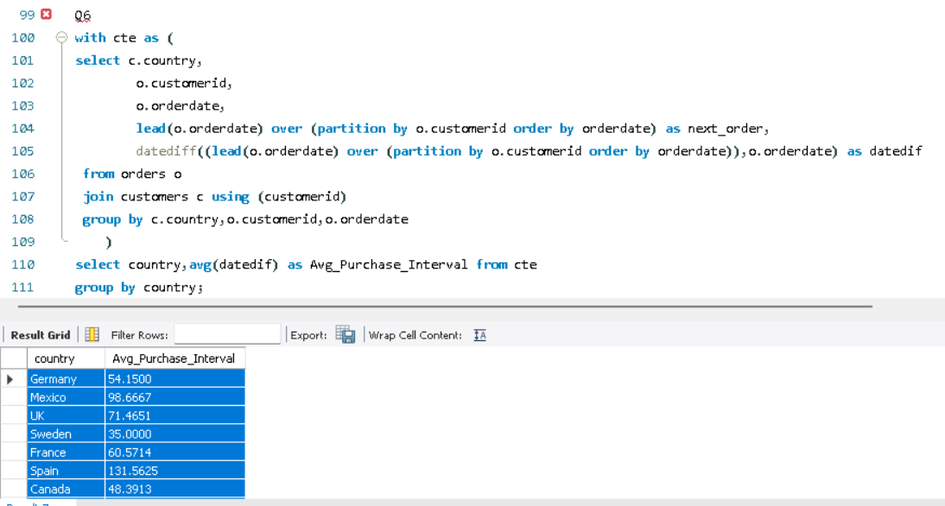
 | Sweden | 35
 | France | 60.5714
 | Spain | 131.5625
 | Canada | 48.3913
 | Argentina | 103.1818
 | Switzerland | 102.4167
 | Brazil | 69.3382
 | Austria | 31.0882
 | Italy | 71.1429
 | Portugal | 95.7273
 | USA | 54.8144
 | Venezuela | 59.8056
...

Question 7
7. What is the geographic and title-wise distribution of employees?

select country,city,title,
count(employeeid)
from employees
group by country,city,title;
Distribution of Employees
Pivot Table: |  |  | SQL Query: | Result Chart:
Row Labels | Count of EmployeeID
UK | 4
London | 4
Sales Manager | 1
Sales Representative | 3
USA | 5
Kirkland | 1
Insight:
SalesRepresentive dominates
the workforce
Sales Representative | 1
Redmond | 1
Sales Representative | 1
Seattle | 2
Inside Sales Coordinator | 1
Sales Representative | 1
Tacoma | 1
Vice President Sales | 1
Grand Total | 9

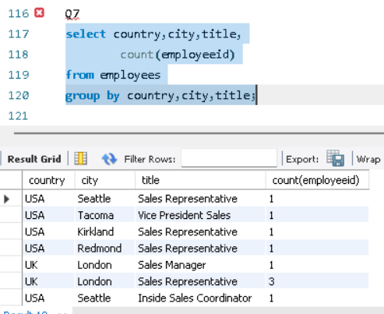
SQL Output: |  |  |  | SQL Screenshot:
Country | City | Title | CountOfEmployeeid
USA | Seattle | Sales Representative | 1
USA | Tacoma | Vice President Sales | 1
USA | Kirkland | Sales Representative | 1
USA | Redmond | Sales Representative | 1
UK | London | Sales Manager | 1
UK | London | Sales Representative | 3
USA | Seattle | Inside Sales Coordinator | 1

Question 8
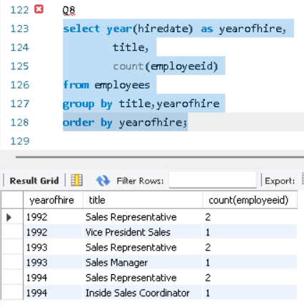
8. What trends can we observe in hire dates across employee titles?

select year(hiredate) as yearofhire,
title,
count(employeeid)
from employees
group by title,yearofhire
order by yearofhire;
Insight:
Hiring remains consistent over time,
indicating stable workforce growth
Pivot Table: |  |  | SQL Query:
Row Labels | Count of EmployeeID
1992 | 3
Sales Representative | 2
Vice President Sales | 1
1993 | 3
1994 | 3
Grand Total | 9

Hire Date Trend
SQL Output: |  |  | Result Chart:
YearofHire | Title | Count of EmployeeID
1992 | Sales Representative | 2
1992 | Vice President Sales | 1
1993 | Sales Representative | 2
1993 | Sales Manager | 1
1994 | Sales Representative | 2
1994 | Inside Sales Coordinator | 1

SQL Screenshot:

Question 9
9. What patterns exist in employee title and courtesy title distributions?

select title,titleofcourtesy,count(employeeid)
from employees
group by title,TitleOfCourtesy;
Title Distribution
Pivot Table: |  |  | SQL Query: | Result Chart:
Row Labels | Count of EmployeeID
Inside Sales Coordinator | 1
Ms. | 1
Sales Manager | 1
Mr. | 1
Sales Representative | 6
Mr. | 2
Insight:
"Miss Sales Representative" accounts
for the largest share in the title distribution
Mrs. | 1
Ms. | 3
Vice President Sales | 1
Dr. | 1
Grand Total | 9


SQL Output:
Title | Title of Courtesy | Count of EmployeeID |  | SQL Screenshot:
Sales Representative | Ms. | 3
Vice President Sales | Dr. | 1
Sales Representative | Mrs. | 1
Sales Manager | Mr. | 1
Sales Representative | Mr. | 2
Inside Sales Coordinator | Ms. | 1

Question 10
10. Are there correlations between product pricing, stock levels, and sales performance?

 | SQL Query: |  |  |  |  | Result Chart:
select p.productid,
p.unitprice,
p.unitsinstock,
sum(od.quantity) as quantities_sold,
round(sum(od.unitprice * od.quantity * (1-od.discount))/sum(od.quantity),2) as Rev_per_prod
from products p
join order_details od using (productid)
group by p.productid,p.unitprice,p.unitsinstock;
 | Sum of Rev_per_prod | Sum of Quantities Sold
1 | 15.44 | 828
2 | 15.47 | 1057
3 | 9.28 | 328
4 | 18.91 | 453
5 | 17.94 | 298
6 | 23.71 | 301
7 | 28.89 | 763
8 | 34.33 | 372
9 | 76.07 | 95
10 | 28.12 | 742
11 | 18.27 | 706
12 | 35.63 | 344
13 | 5.57 | 891
14 | 19.78 | 404
15 | 14.63 | 122
16 | 14.87 | 1158
17 | 33.43 | 978
18 | 54.12 | 539
19 | 8.11 | 723
20 | 72.09 | 313
21 | 8.96 | 1016
22 | 20.47 | 348
23 | 7.93 | 580
24 | 4 | 1125
25 | 11.65 | 318
26 | 26.36 | 753
27 | 41.37 | 365
28 | 40.15 | 640
29 | 107.73 | 746
30 | 21.93 | 612
31 | 10.68 | 1397
32 | 28.3 | 297
33 | 2.18 | 755
34 | 12.55 | 506
35 | 15.45 | 883
36 | 16.72 | 805
37 | 21.51 | 125
38 | 226.96 | 623
39 | 15.5 | 793
40 | 16.24 | 1103
41 | 8.85 | 981
42 | 12.3 | 697
43 | 40.56 | 580
44 | 16.5 | 601
45 | 8.54 | 508
46 | 10.74 | 548
47 | 8.16 | 485
48 | 9.92 | 138
49 | 17.78 | 520
50 | 14.63 | 235
...

Insight:
Lower-priced products sell in
higher quantites, while higher-priced
products generate more revenue per unit
but sell less. Stock availability influences
sales performance.
 | SQL Output:
 | ProductID | Unitprice | UnitsinStock | Quantities Sold | Rev_per_prod
 | 11 | 21 | 22 | 706 | 18.27
 | 42 | 14 | 26 | 697 | 12.3
 | 72 | 34.8 | 14 | 806 | 30.89
 | 14 | 23.25 | 35 | 404 | 19.78
 | 51 | 53 | 20 | 886 | 47.2 | SQL Screenshot:
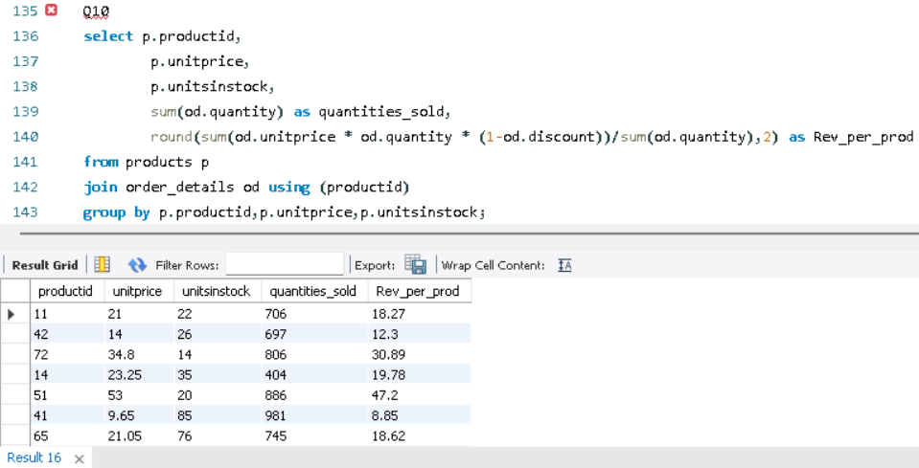
 | 41 | 9.65 | 85 | 981 | 8.85
 | 65 | 21.05 | 76 | 745 | 18.62
 | 22 | 21 | 104 | 348 | 20.47
 | 57 | 19.5 | 36 | 434 | 17.65
 | 20 | 81 | 40 | 313 | 72.09
 | 33 | 2.5 | 112 | 755 | 2.18
 | 60 | 34 | 19 | 1577 | 29.69
 | 31 | 12.5 | 0 | 1397 | 10.68
 | 39 | 18 | 69 | 793 | 15.5
 | 49 | 20 | 10 | 520 | 17.78
 |  |  | 20 | 1125 | 4
 |  |  | 115 | 903 | 19.3
 |  |  | 4 | 297 | 8.19
 |  |  | 17 | 1057 | 15.47
 |  |  | 29 | 1158 | 14.87
 |  |  | 112 | 805 | 16.72
 |  |  | 79 | 1496 | 47.56
 |  |  | 0 | 722 | 28.5
 |  |  | 32 | 791 | 11.59
 |  |  | 49 | 365 | 41.37 | Pivot Table:
 |  |  | 0 | 298 | 17.94 | Row Labels | Sum of Rev_per_prod | Sum of Quantities Sold
 |  |  | 9 | 297 | 28.3 | 1 | 15.44 | 828
 |  |  | 3 | 1016 | 8.96 | 2 | 15.47 | 1057
 |  |  | 11 | 125 | 21.51 | 3 | 9.28 | 328
 |  |  | 17 | 1083 | 43.61 | 4 | 18.91 | 453
 |  |  | 15 | 817 | 13.06 | 5 | 17.94 | 298
 |  |  | 20 | 883 | 15.45 | 6 | 23.71 | 301
 |  |  | 15 | 763 | 28.89 | 7 | 28.89 | 763
 |  |  | 21 | 1263 | 33.72 | 8 | 34.33 | 372
...

Question 11
11. How does product demand change over months or seasons?

 | SQL Query: |  |  | Result Chart:
select concat(month(o.orderdate),"-",year(o.orderdate)) as order_month,
p.productname,
sum(od.quantity) as total_quantity_sold
from orders o
join order_details od using (orderid)
join products p using (productid)
group by p.productname,order_month
order by order_month;
Product Demand
 | Total
Aug-94 | 50
Oct-94 | 50
Dec-94 | 4
Feb-95 | 2
Mar-95 | 70
Apr-95 | 61
May-95 | 30
Jun-95 | 35
Jul-95 | 52
Aug-95 | 42
Oct-95 | 144
Dec-95 | 99
Jan-96 | 1
Feb-96 | 115
Mar-96 | 103
Apr-96 | 30
May-96 | 10

Insight:
Each product varies accordingly
to its demand based on
seasons, festivals, etc
 | SQL Output:
 | Order_month | Productname | Total Quantity Sold
 | Jan-95 | Mozzarella di Giovanni | 87
 | Jan-95 | Raclette Courdavault | 12 | SQL Screenshot:
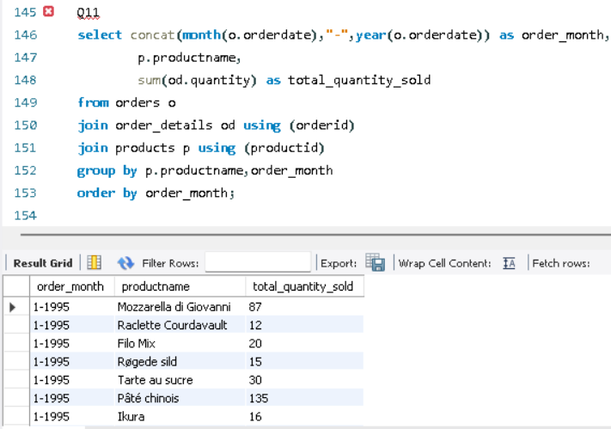
 | Jan-95 | Filo Mix | 20
 | Jan-95 | Røgede sild | 15
 | Jan-95 | Tarte au sucre | 30
 | Jan-95 | Pâté chinois | 135
 | Jan-95 | Ikura | 16
 | Jan-95 | Spegesild | 73
 | Jan-95 | Steeleye Stout | 70
 | Jan-95 | Gudbrandsdalsost | 58
 | Jan-95 | Gumbär Gummibärchen | 70
 | Jan-95 | NuNuCa Nuß-Nougat-Creme | 7
 | Jan-95 | Chang | 25
 | Jan-95 | Tunnbröd | 40
 | Jan-95 | Manjimup Dried Apples | 18
 | Jan-95 | Sir Rodney's Scones | 10 | Productname | Boston Crab Meat
 | Jan-95 | Original Frankfurter grüne Soße | 14 | Pivot Table:
 | Jan-95 | Lakkalikööri | 35 | Row Labels | Sum of Total Quantity Sold
 | Jan-95 | Inlagd Sill | 6 | Aug-94 | 50
 | Jan-95 | Chai | 15 | Oct-94 | 50
 | Jan-95 | Wimmers gute Semmelknödel | 30 | Dec-94 | 4
 | Jan-95 | Thüringer Rostbratwurst | 34 | Feb-95 | 2
 | Jan-95 | Gnocchi di nonna Alice | 38 | Mar-95 | 70
 | Jan-95 | Longlife Tofu | 84 | Apr-95 | 61
 | Jan-95 | Sasquatch Ale | 10 | May-95 | 30
 | Jan-95 | Uncle Bob's Organic Dried Pears | 10 | Jun-95 | 35
...

Question 12
12. Can we identify anomalies in product sales or revenue performance?

 | SQL Query: |  |  |  | Result Chart:
select concat(month(o.orderdate),"-",year(o.orderdate)) as months,
p.productname,
sum(od.quantity) as total_quantity_sold,
round(sum(od.unitprice * od.quantity * (1-od.discount)),2) as total_amount
from orders o
join order_details od using (orderid)
join products p using (productid)
group by p.productname,months;
 | Sum of Total Quantity sold | Sum of Total_amount
Sep-94 | 12 | 600
Oct-94 | 25 | 1125
Nov-94 | 60 | 2550
Jan-95 | 9 | 450
Apr-95 | 30 | 1500
May-95 | 25 | 1406.25
Jul-95 | 18 | 956.25
Aug-95 | 40 | 2000
Sep-95 | 82 | 5100
Nov-95 | 12 | 562.5
Dec-95 | 45 | 2550
Jan-96 | 30 | 1875
Feb-96 | 35 | 1796.88
Mar-96 | 45 | 2812.5

 | SQL Output:
 | Months | Prod name | Total Quantity sold | Total_amount
 | Aug-94 | Mozzarella di Giovanni | 29 | 813.4
Insight:
Some products have peaked
at some months, which indicates there
are some anamolies present in
the revenue perfomance.
 | Aug-94 | Singaporean Hokkien Fried Mee | 10 | 98 |  | SQL Screenshot:
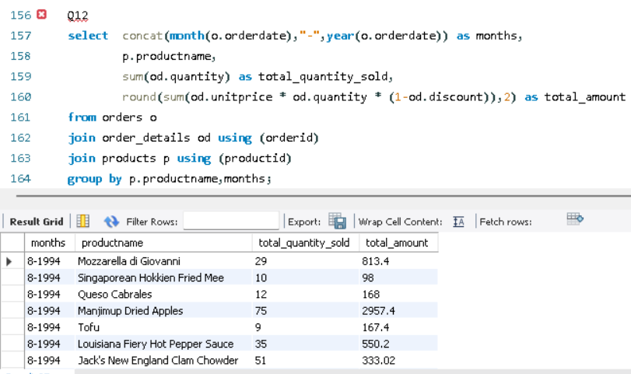
 | Aug-94 | Queso Cabrales | 12 | 168
 | Aug-94 | Manjimup Dried Apples | 75 | 2957.4
 | Aug-94 | Tofu | 9 | 167.4
 | Aug-94 | Louisiana Fiery Hot Pepper Sauce | 35 | 550.2
 | Aug-94 | Jack's New England Clam Chowder | 51 | 333.02
 | Aug-94 | Ravioli Angelo | 65 | 1002.3
 | Aug-94 | Gustaf's Knäckebröd | 6 | 95.76
 | Aug-94 | Camembert Pierrot | 40 | 1088 |  | Prod name | Carnarvon Tigers
 | Aug-94 | Geitost | 85 | 161.5 |  | Pivot Table:
 | Aug-94 | Sir Rodney's Marmalade | 40 | 2462.4 |  | Row Labels | Sum of Total Quantity sold | Sum of Total_amount
 | Aug-94 | Maxilaku | 40 | 640 |  | Sep-94 | 12 | 600
 | Aug-94 | Chartreuse verte | 48 | 691.2 |  | Oct-94 | 25 | 1125
 | Aug-94 | Gorgonzola Telino | 20 | 200 |  | Nov-94 | 60 | 2550
 | Aug-94 | Longlife Tofu | 57 | 384 |  | Jan-95 | 9 | 450
 |  |  | 21 | 342.72 |  | Apr-95 | 30 | 1500
 |  |  | 43 | 146.7 |  | May-95 | 25 | 1406.25
 |  |  | 100 | 3938 |  | Jul-95 | 18 | 956.25
...

Question 13
13. Are there any regional trends in supplier distribution and pricing?

 | SQL Query: |  |  |  | Result Chart 1: |  |  | Result Chart 2:
Query1:
select s.country,
count(s.supplierid) as suppliers_count,
round(avg(p.unitprice),2) as avg_pricing
from suppliers s
join products p using (supplierid)
group by country
Query2:
select s.supplierid,
s.companyname as suppliername,
count(distinct p.categoryid) as category_count
from suppliers s
join products p using (supplierid)
group by s.supplierid,s.companyname
Supplier Distribution & Pricing
Multi-Category Suppliers
 | Category_count
Exotic Liquids | 2
New Orleans Cajun Delights | 1
Grandma Kelly's Homestead | 2
Tokyo Traders | 3
Cooperativa de Quesos 'Las Cabras' | 1
Mayumi's | 3
Pavlova, Ltd. | 5
Specialty Biscuits, Ltd. | 1
PB Knäckebröd | 1
Refrescos Americanas LTDA | 1
Heli Süßwaren GmbH & Co. | 1
Plutzer Lebensmittelgroßmärkte | 5
Nord-Ost-Fisch Handelsgesellschaft mbH | 1
Formaggi Fortini s.r.l. | 1
Norske Meierier | 1
Bigfoot Breweries | 1
Svensk Sjöföda | 1
Aux joyeux ecclésiastique | 1
New England Seafood Cannery | 1
Leka Trading | 3
Lyngbysild | 1
Zaanse Snoepfabriek | 1
Karkki Oy | 2
G'day, Mate | 3
Ma Maison | 1
Pasta Buttini s.r.l. | 1
Escargots Nouveaux | 1
Gai pâturag | 1
Forêts d'érabl | 2

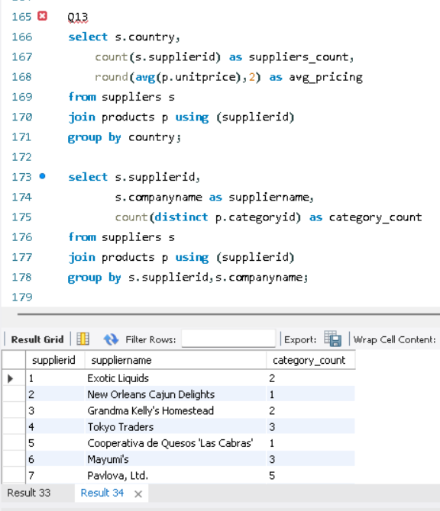
Insight:
Increase in Suppliers count
decreases the average pricing of
the products.
Some are Multi-Category suppliers
which increases product stocks for
the region.
 | SQL Output 1: |  |  | SQL Output 2: |  |  | SQL Screenshot:
 | Country | Suppliers_count | Avg_Pricing | Supplierid | Suppliername | Category_count
 | UK | 7 | 22.81 | 1 | Exotic Liquids | 2
 | USA | 12 | 20.87 | 2 | New Orleans Cajun Delights | 1
 | Japan | 6 | 30.46 | 3 | Grandma Kelly's Homestead | 2
 | Spain | 2 | 29.5 | 4 | Tokyo Traders | 3
 | Australia | 8 | 33.83 | 5 | Cooperativa de Quesos 'Las Cabras' | 1
 | Sweden | 2 | 15 | 6 | Mayumi's | 3
 | Brazil | 1 | 4.5 | 7 | Pavlova, Ltd. | 5
 | Germany | 9 | 37.6 | 8 | Specialty Biscuits, Ltd. | 1
 |  | 5 | 27.36 | 9 | PB Knäckebröd | 1
 |  | 3 | 20 | 10 | Refrescos Americanas LTDA | 1
 |  | 3 | 20 | 11 | Heli Süßwaren GmbH & Co. | 1
 |  | 5 | 76.75 | 12 | Plutzer Lebensmittelgroßmärkte | 5
 |  | 3 | 26.48 | 13 | Nord-Ost-Fisch Handelsgesellschaft mbH | 1
 |  | 2 | 10.75 | 14 | Formaggi Fortini s.r.l. | 1
 |  | 2 | 11.12 | 15 | Norske Meierier | 1
 |  | 3 | 18.08 | 16 | Bigfoot Breweries | 1
 |  | 4 | 27.31 | 17 | Svensk Sjöföda | 1
 |  |  |  |  | Aux joyeux ecclésiastique | 1
 |  |  |  |  | New England Seafood Cannery | 1
 |  |  |  |  | Leka Trading | 3
 |  |  |  |  | Lyngbysild | 1
 |  |  |  |  | Zaanse Snoepfabriek | 1
...

Question 14
14. How are suppliers distributed across different product categories?

 | SQL Query: |  |  | Result Chart: | SQL Screenshot:
select c.categoryid,
c.categoryname,
count(p.supplierid) as suppliers_count
from products p
join categories c using (categoryid)
group by c.categoryid,c.categoryname
order by suppliers_count desc;
sUPPLIERS DISTRIBUTION
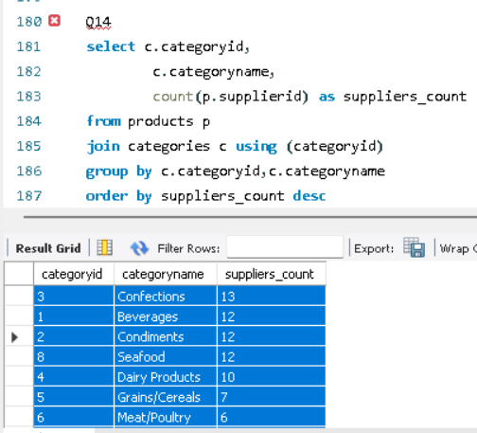

 | SQL Output:
 | Categoryid | Categoryname | Suppliers_count
 | 3 | Confections | 13
 | 1 | Beverages | 12
 | 2 | Condiments | 12
 | 8 | Seafood | 12
Insight:
More Suppliers are concentrated
for the most selling products like
Beverages, Condiments etc.
 | 4 | Dairy Products | 10
 | 5 | Grains/Cereals | 7
 | 6 | Meat/Poultry | 6
 | 7 | Produce | 5

Question 15
15. How do supplier pricing and categories relate across different regions?

 | SQL Query: |  |  |  |  |  | Result Chart:
select s.country,
p.productname,
c.categoryname,
count(s.supplierid) as supplier_count,
round(avg(p.unitprice),2) as avg_pricing
from suppliers s
join products p using (supplierid)
join categories c using (categoryid)
group by s.country,p.productname,c.categoryname

Insight:
Supplier pricing
varies with different regions,
along with their sales performance

 | SQL Output:
 | Country | Productname | Categoryname | Suppliers count | Avg pricing
 | UK | Aniseed Syrup | Condiments | 1 | 10
 | UK | Chang | Beverages | 1 | 19
 | UK | Chai | Beverages | 1 | 18 | Categoryname | Beverages
 | USA | Louisiana Hot Spiced Okra | Condiments | 1 | 17 | Pivot Table: |  |  | SQL Screenshot:
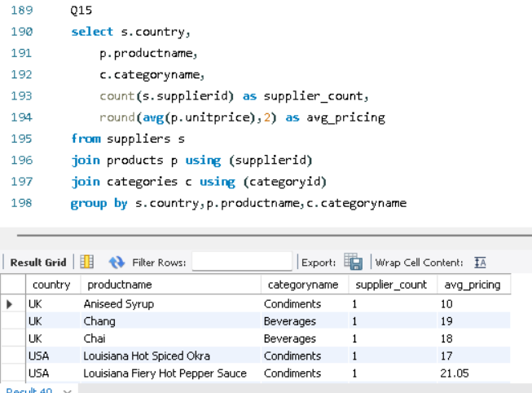
 | USA | Louisiana Fiery Hot Pepper Sauce | Condiments | 1 | 21.05 | Row Labels | Sum of Avg pricing | Sum of Suppliers count
 | USA | Chef Anton's Gumbo Mix | Condiments | 1 | 21.35 | Australia | 15 | 1
 | USA | Chef Anton's Cajun Seasoning | Condiments | 1 | 22 | Brazil | 4.5 | 1
 |  |  | Condiments | 1 | 40 | Finland | 18 | 1
 |  |  | Produce | 1 | 30 | France | 281.5 | 2
 |  |  | Condiments | 1 | 25 | Germany | 7.75 | 1
 |  |  | Produce | 1 | 10 | Singapore | 46 | 1
 |  |  |  |  | 31 | UK | 37 | 2
 |  |  |  |  | 97 | USA | 46 | 3
 |  |  |  |  | 38 | Grand Total | 455.75 | 12
 |  |  |  |  | 21
 |  |  |  |  | 15.5
 |  |  |  |  | 23.25
 |  |  |  |  | 6
 |  |  |  |  | 15
 |  |  |  |  | 43.9
 |  |  |  |  | 62.5
 |  |  |  |  | 39
 |  |  |  |  | 17.45
 |  |  |  |  | 12.5
 |  |  |  |  | 10
...

