Sheet1
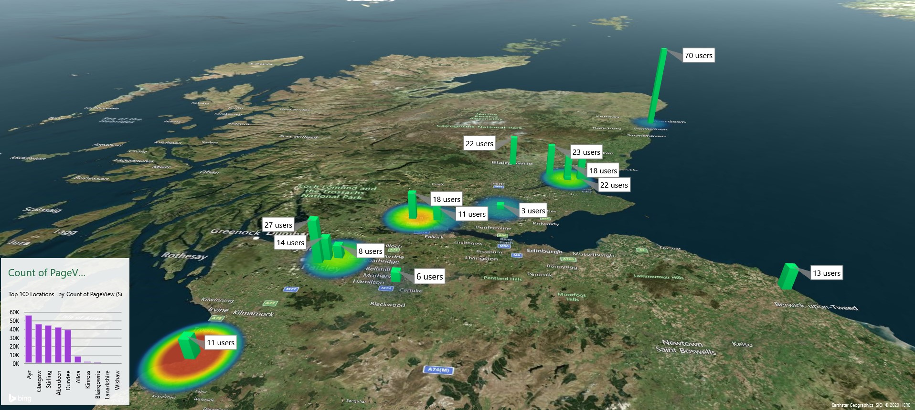
Location | City | longtitude | latitude | Count of PageView | Count of VisitorID | PV per User
Aberdeen | Aberdeen | -2.0937870721 | 57.153420004 | 42556 | 70 | 607.94
Alloa | Alloa | -3.791735235 | 56.115319567 | 8593 | 11 | 781.18
Ayr | Ayr | -4.6288433693 | 55.461047548 | 56388 | 11 | 5126.18
Stirling | Stirling | -3.9376388665 | 56.118413256 | 45230 | 18 | 2512.78
Blairgowrie | Blairgowrie | -3.337891173 | 56.591515464 | 1726 | 22 | 78.45
Broughty Ferry, Dundee | Dundee | -2.8809788292 | 56.470738843 | 2126 | 22 | 96.64
Cardonald, Glasgow | Glasgow | -4.3429461342 | 55.84594417 | 41273 | 27 | 1528.63
Dundee | Dundee | -2.9706113846 | 56.46585714 | 18766 | 18 | 1042.56
3D Maps Tours This workbook has 3D Maps tours available. Open 3D Maps to edit or play the tours.
Dundee West | Dundee | -3.0845503639 | 56.504710919 | 18497 | 23 | 804.22
Glasgow | Glasgow | -4.2523776841 | 55.873875589 | 1041 | 8 | 130.13
Glasgow West | Glasgow | -4.3080829202 | 55.862634277 | 4409 | 14 | 314.93
Kinross | Kinross | -3.4226321488 | 56.207593376 | 2388 | 3 | 796.00
North Lanarkshire | Lanarkshire | -2.078 | 55.829 | 1090 | 13 | 83.85
The center of Dundee | Dundee | -2.9684790253 | 56.460565111 | 292 | 3 | 97.33
Wishaw, North Lanarkshire | Wishaw | -3.919395322 | 55.775605787 | 955 | 6 | 159.17

