Stress Test
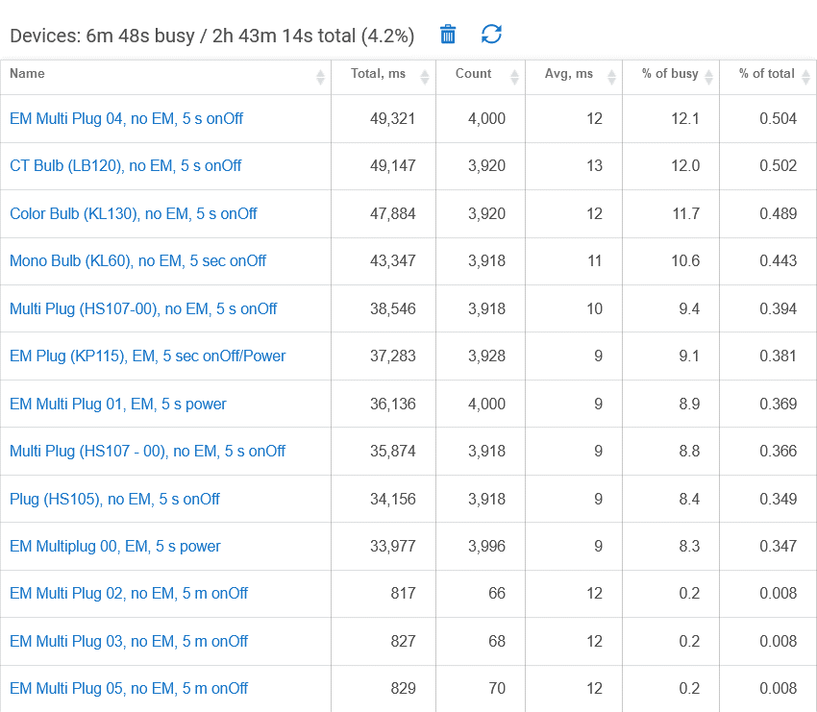
Hubitat Device Stats with high levels of Polling

1 minute test
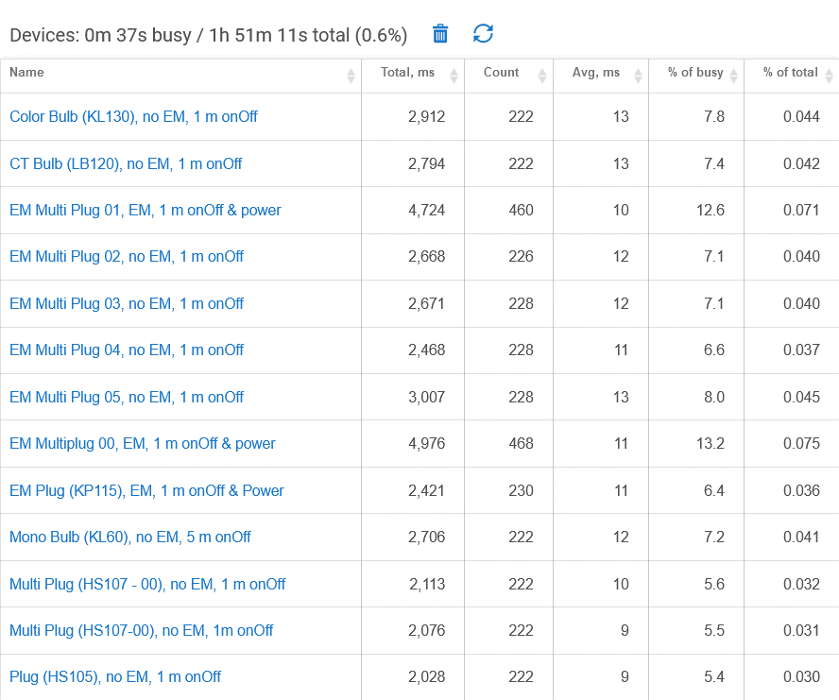
Hubitat Device Stats with high levels of Polling

