Install
You can download this pdf file to your computer/browser and then access the links defined below.

Kasa Integration Installation, Reference, and Troubleshooting
Other Reference Location Links
Installation Instructions |  | https://github.com/DaveGut/HubitatActive/blob/master/KasaDevices/Docs/install.pdf
Update Instructions |  | https://github.com/DaveGut/HubitatActive/blob/master/KasaDevices/Docs/update.pdf
Application Description |  | https://github.com/DaveGut/HubitatActive/blob/master/KasaDevices/Docs/appDesc.pdf
Device Capabilities |  | https://github.com/DaveGut/HubitatActive/blob/master/KasaDevices/Docs/cmdsAttrs.pdf
Device Preferences |  | https://github.com/DaveGut/HubitatActive/blob/master/KasaDevices/Docs/prefs.pdf
Troubleshooting Guide |  | https://github.com/DaveGut/HubitatActive/blob/master/KasaDevices/Docs/trouble.pdf

Installation Instructions
Caution | For the HS300 6-outlet multi-plug, the Kasa names for ALL of the outlets must not exceed 96 characters (about 16 characters per outlet). This is due to Hubitat comms limitation of a single return packet from the device. This limitation does not exist if you choose a cloud implementation.
1 | Install the device per the manufacturer's instructions using the Kasa Phone Application. After installing, verify the device works (simple on-off) using the Phone App.
2 | (Optional) Using your router, assign static IP addresses for your devices.
3 | Load the Application and Driver files a. HPM: Search by Keyword for Kasa", Package is "Kasa Device Integration". b. Manual: From GitHub site: https://github.com/DaveGut/HubitatActive/tree/master/KasaDevices c. Direct link using the Apps Code and Drivers Code edit page "Import" function using the links at the bottom of this page. During the Hubitat application running (below), you will be given a list of required drivers for your device(s). If you do not have the correct driver, the device will not be created.
4 | In Hubita Apps, select "Add User App". Select "Kasa Integration".
Notes on running the Application: a. Most users will not have to use functions other than Install Kasa Devices and Remove Kasa Devices. Exception is users with complex LAN topologies or (in rare cases) where a device is not LAN controllable. The LAN controllable device problem is handled in the troubleshooting section. b. Below describes the intended default installation using LAN for all communications.
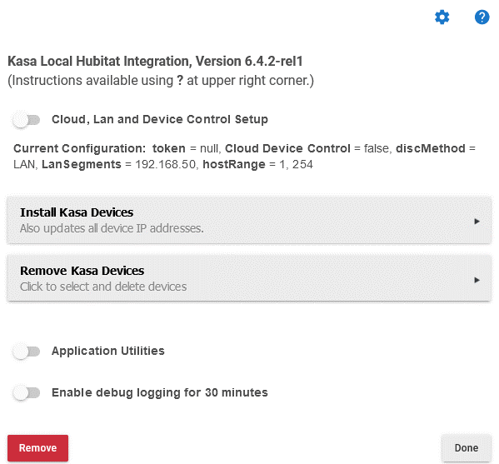 |  |  | Kasa Local Hubitat Integration Page 1. Open a log window in your browser. There should be no error log events (color code red) during the installation. If you encounter and can not install, contact the developer. 2. Select "Install Kasa Devices". 3. After several minutes the next page will appear.

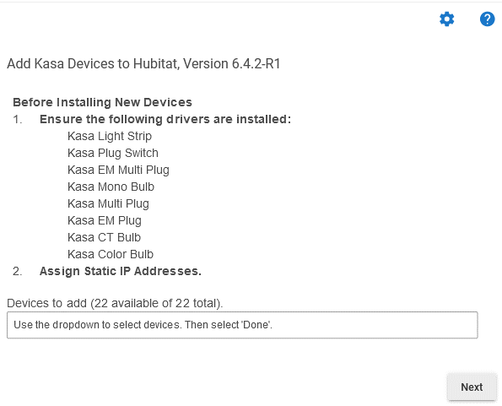 |  |  | Add Kasa Devices Page 1. Verify that the exact drivers from the list are installed into Hubitat. 2. Select your device(s) from the drop down menu. 3. Select Next. Issue: All devices not found. Corrective Attempt: Press Next and then try the "Install Kasa Devices" again. Issue: Devices still do not show up. You may have a non-LAN device. Corrective Attempt: a. Press "Next" b. Select "Cloud, Lan, and Device Control Setup" c. Select "Kasa Login and Token Update" and enter credentials. (More info on these pages at the Application Description link.)

5 | Go to each device and assure you can properly control the device (simple on/off command). Issues on device control: See link to Troubleshooting.
File Location Links
Kasa Integration App |  | https://raw.githubusercontent.com/DaveGut/HubitatActive/master/KasaDevices/Application/KasaIntegrationApp.groovy
Single Plug/Switch without EM |  | https://raw.githubusercontent.com/DaveGut/HubitatActive/master/KasaDevices/DeviceDrivers/Plug-Switch.groovy
Single Plug with Energy Monitor (EM) |  | https://raw.githubusercontent.com/DaveGut/HubitatActive/master/KasaDevices/DeviceDrivers/EM-Plug.groovy
Dimming Switch |  | https://raw.githubusercontent.com/DaveGut/HubitatActive/master/KasaDevices/DeviceDrivers/DimmingSwitch.groovy
Multi Plug without EM |  | https://raw.githubusercontent.com/DaveGut/HubitatActive/master/KasaDevices/DeviceDrivers/Multi-Plug.groovy
Multi Plug with EM |  | https://raw.githubusercontent.com/DaveGut/HubitatActive/master/KasaDevices/DeviceDrivers/EM-Multi-Plug.groovy
Color Bulb |  | https://raw.githubusercontent.com/DaveGut/HubitatActive/master/KasaDevices/DeviceDrivers/ColorBulb.groovy
Color Temperature Bulb |  | https://raw.githubusercontent.com/DaveGut/HubitatActive/master/KasaDevices/DeviceDrivers/CTBulb.groovy
Mono Bulb |  | https://github.com/DaveGut/HubitatActive/blob/master/KasaDevices/DeviceDrivers/WhiteBulb.groovy
Light Strip |  | https://github.com/DaveGut/HubitatActive/blob/master/KasaDevices/DeviceDrivers/LightStrip.groovy

Application Description
Kasa Integration Installation, Reference, and Troubleshooting
Other Reference Location Links
Installation Instructions | https://github.com/DaveGut/HubitatActive/blob/master/KasaDevices/Docs/install.pdf
Update Instructions | https://github.com/DaveGut/HubitatActive/blob/master/KasaDevices/Docs/update.pdf
Application Description | https://github.com/DaveGut/HubitatActive/blob/master/KasaDevices/Docs/appDesc.pdf
Device Capabilities | https://github.com/DaveGut/HubitatActive/blob/master/KasaDevices/Docs/cmdsAttrs.pdf
Device Preferences | https://github.com/DaveGut/HubitatActive/blob/master/KasaDevices/Docs/prefs.pdf
Troubleshooting Guide | https://github.com/DaveGut/HubitatActive/blob/master/KasaDevices/Docs/trouble.pdf

Application Description
Kasa Local Hubitat Integration
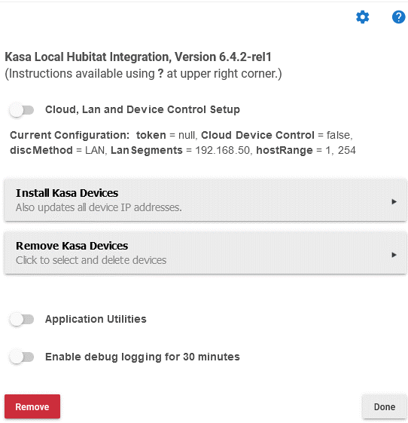 |  | Description
 |  | This is the initial page when the application is started
 |  |  | Goes to the Application Details Page
 |  |  | Application Documentation Link
 |  | Cloud, Lan, and Device Control Setup (discussed later)
 |  | Current Configuration. The current application configuration settings, as set by the above.

 |  | Install Kasa Devices. When selected will search for Kasa devices and provide a list of discovered devices for installation selection. The default Configuration will work if your Hubitat Hub and devices are on the same LAN segment. This is normal for unless you have explicitly set up segments.

 |  | Remove Kasa Devices. List of devices for removal.
 |  | Application Utilities. Some user utilities.
 |  | Remove. Removes the application and all installed devs.
 |  | Done. Done with Application.
 |  | Enable debug logging fo 30 minutes
Cloud, Lan, and Device Control Settings
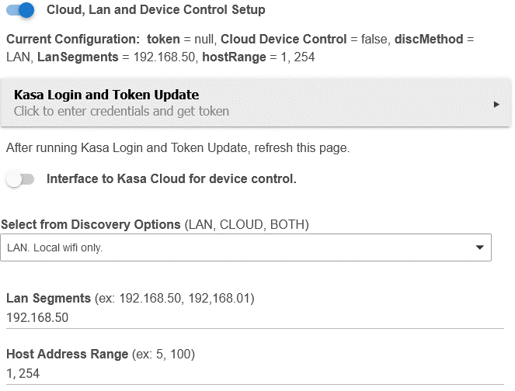 |  | Description
 |  | Kasa Login and Token Update. For LAN control, you will need to provide your Kasa App credentials. Note: Refresh browser when done to see token.

 |  | Interface to Kasa Cloud for device control. This option requires that you have created a Kasa Token (see Kasa Login and Token Update).
 |  | Select from Discovery Options: Allows to select LAN, CLOUD, or BOTH discovery Options a. LAN. Takes several minutes. Can miss devices. B. CLOUD. Requires credentials. Fast.

 |  | LAN Segments: For complex topologies, the segments that will be searched during LAN discovery.

 |  | Host Address Range: Shortens search range from the entire segment to a select subset.

Application Utilities
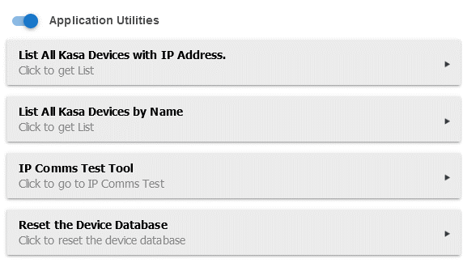 |  | Description
 |  | List All Kasa Device with IP Address.
 |  | List All Kasa Device by Name
 |  | IP Comms Test Tool. Tests a single device comms: a. A ping test of 3 pings b. A system status command to the device. Reports ping results and status command Pass/Fail.

 |  | Reset the Device Database. Zeroizes the device database. It then rediscovers the devices using the discover method defined above.

