Install
Installation Instructions
HS300 | There are currently some limitations on the HS300 installation (being worked for future versions). The following should be followed prior to installation. If not, the plug may not install and if you exceed these value later, the plug state may no longer be maintained. a. The name size total must not exceed 15 characters per individual plug. b. All Kasa Schedules attachments to the HS300 should be removed (use the Hubitat capabilities instead).
1 | Install the device per the manufacturer's instructions using the Kasa Phone Application. After installing, verify the device works (simple on-off) using the Phone App.
2 | Using your router, assign static IP addresses (DHCP reservations) for your devices.
Note | Starting with Hubitat Version 2.3.3, there are two integrations in the Hubitat environment. The Community method requires installation of the Application and required drivers prior to running the App. The integrated driver is embedded in the Hub's database. Once 2.3.3 is released, installation should be used for NEW installations.
3A | After Hubitat 2.3.3 is release, code installation is not requred.
3B | Prior to Hubitat version 2.3.3: Load the Application and Driver files a. HPM: Search by Keyword for Kasa", Package is "Kasa Device Integration". b. Manual: From GitHub site: https://github.com/DaveGut/HubitatActive/tree/master/KasaDevices c. Direct link using the Apps Code and Drivers Code edit page "Import" function using the links at the bottom of this page. During the Hubitat application running (below), you will be given a list of required drivers for your device(s). If you do not have the correct driver, the device will not be created.
4A | Hubitat version 2.3.3 and later. a. Go to Apps b. Select "Add Built-in App" c. Scroll down and select "Kasa Integration"
4B | Hubitat version 2.3.2 and earlier. a. Go to Apps b. Select "Add User App" c. Scroll down and select "Kasa Integration"
Notes on running the Application: a. Most users will not have to use functions other than Install Kasa Devices and Remove Kasa Devices. Exception is users with complex LAN topologies or (in rare cases) where a device is not LAN controllable. The LAN controllable device problem is handled in the troubleshooting section. b. The below describes the intended default installation using LAN for all communications.
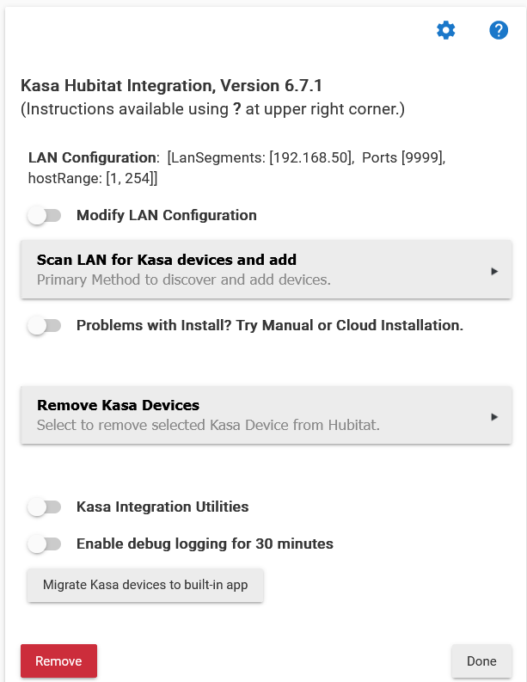 |  |  | 1. LAN Configuration: for advanced LAN configuration users. Allows for segmented LANs, port forwarding as options is set up in router. 2. Modify LAN Configuration. Allows modification of IP Segment(s) and Port(s) for more technical installation; i.e., port forwarding, multi-segment LAN. See application instructions for more information. 3. Scan LAN for Kasa devices and add. NORMAL installation of app using LAN control of devices. 4. Problems with Install?. For use if LAN discovery misses some devices. See application instructions for more information. 5. Kasa Integration Utilities. See application instructions. 6. Remove Kasa Devices. See application instructions. 7. Enable debug logging for 30 minutes. For troubleshooting. 8. Migrate Kasa devices to built-in app. See Community to Hubitat integration instructions.

5 | Select "Scan LAN for Kasa devices and add"
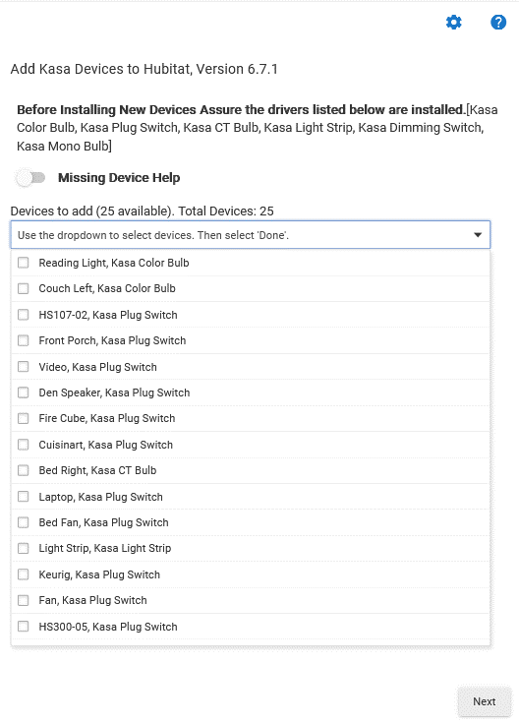 |  |  | 1. Driver list. The list is for use within the Community version of the integration. 2. Missing device help: No longer functional. Will be removed in future versoin. Issue: All devices not found. a. Corrective Attempt: 1) finish install available devices, and then 2) run the Scan devices again. b. If devices still missing, see below on alternate installation methods.

5 | Select the devices to install and then select "Next". a. It can take several minutes for the installation to complete. b. The Installation Status plage will list the devices installed. Review then press "Next" c. The List Kasa Devices page will appear. This is for troubleshooting. Select "Next"
6 | Check each device and assure basic control works (on/off).
Alternate Cloud Installation
If some devices are not discovered (not on the List Kasa Devices page), they can still be connected to Hubitat via the CLOUD interface. a. Adding devices via the cloud interface does NOT affect previously installed devices. b. The cloud interface is secondary because of performance and also loss of local control in-case of Internet failure. NOTE: you must diasble the Kasa App two-factor integration before using the Cloud integration capability.
7 | a. From the Start Page, select "Problems with Install?" b. Then select the new button "Get Kasa Devices from the Kasa Cloud and add.
8 | Select the Kasa Login and Token Update a. Enter your TP-Link Kasa Account E-Mail and Paassword b. Select "Get or Update Kasa Token.
9 | Add Devices a. Verify that the file "Current Kasa Token" is not null. b. Select "Add Devices to the Device Array"
10 | Adding devices is the same as in step 5.

Application and Driver File Links
To use these links, download the XLS version of the file.
Kasa App |  | https://raw.githubusercontent.com/DaveGut/HubitatActive/master/KasaDevices/Application/KasaIntegrationApp.groovy
All Plug Switch except Dimming Switch |  | https://raw.githubusercontent.com/DaveGut/HubitatActive/master/KasaDevices/DeviceDrivers/Plug-Switch.groovy
Dimming Switch |  | https://github.com/DaveGut/HubitatActive/blob/master/KasaDevices/DeviceDrivers/DimmingSwitch.groovy
Color Bulb |  | https://raw.githubusercontent.com/DaveGut/HubitatActive/master/KasaDevices/DeviceDrivers/ColorBulb.groovy
CT Bulb |  | https://raw.githubusercontent.com/DaveGut/HubitatActive/master/KasaDevices/DeviceDrivers/CTBulb.groovy
Mono Bulb |  | https://raw.githubusercontent.com/DaveGut/HubitatActive/master/KasaDevices/DeviceDrivers/WhiteBulb.groovy
Light Strip |  | https://raw.githubusercontent.com/DaveGut/HubitatActive/master/KasaDevices/DeviceDrivers/LightStrip.groovy

Application Description
Application Description
Kasa Local Hubitat Integration
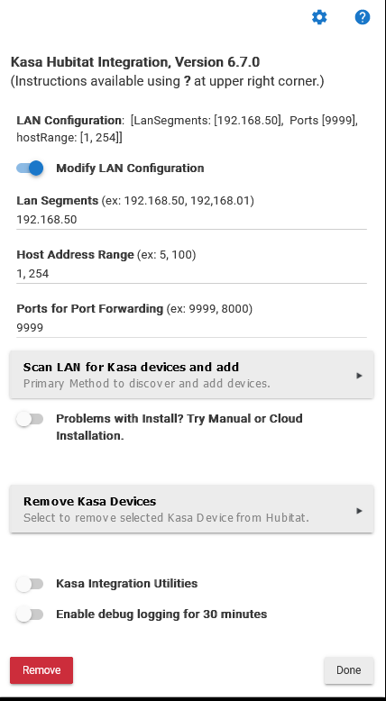 | Description
 | This is the initial page when the application is started
 |  | Goes to the Application Details Page
 |  | Application Documentation Link
 | Modify LAN Configuration: Usually not necessary. Switched on entries below to enable modify the segment, Address Range, and port(s) for unusual LAN configuraitons.
 | Scan Lan for Kasa devices and add: Does a scan of the Lan Segments, Address Range, and Ports. Generates the device database the calls the Add Devices Page.

 | Problems with Install?: Toggles other installation options (illustrated below).
 | Remove Kasa Devices: Generate list of installed devices for removal selection and removal.
 | Kasa Integration: Toggles the utilities (see below).
 | REMOVE: Removes the APP and ALL CHILDREN.

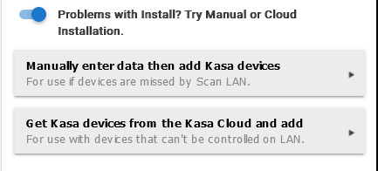
Alternative Methods for Installation
 | Description
 | Manually enter data: Manual Manually entry install sceen.
 | Ge Kasa devices from the Kasa Cloud: Calls Kasa Cloud install screens.

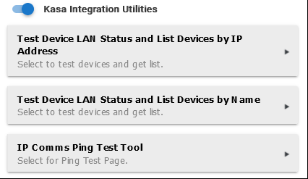
Application Utilities
 | Description
 | List All Kasa Device with IP Address.
 | List All Kasa Device by Name
 | IP Comms Test Tool. Tests a single device comms: a. A ping test of 3 pings b. A system status command to the device. Reports ping results and status command Pass/Fail.

