Renko - Standard Close
high | low | close | volume | up | sma(8)
$216.89 | $212.53 | $215.50 | 1,180,981,564 | TRUE
$218.97 | $213.82 | $218.00 | 850,902,076 | TRUE
 | open | high | low | close
2017-09-12 | $235.50 | $238.46 | $230.58 | $238.00
2017-09-29 | $238.00 | $240.82 | $237.72 | $240.50
2017-10-05 | $240.50 | $244.04 | $240.80 | $243.00
2017-10-20 | $243.00 | $246.40 | $243.05 | $245.50
2017-11-06 | $245.50 | $248.18 | $243.39 | $248.00
2017-11-28 | $248.00 | $251.92 | $244.95 | $250.50
2017-11-30 | $250.50 | $254.94 | $251.25 | $253.00
2017-12-12 | $253.00 | $256.15 | $249.87 | $255.50
2017-12-18 | $255.50 | $258.70 | $254.51 | $258.00
2018-01-03 | $258.00 | $260.66 | $256.81 | $260.50
2018-01-05 | $260.50 | $263.47 | $260.57 | $263.00
2018-01-11 | $263.00 | $265.94 | $262.86 | $265.50
2018-01-17 | $265.50 | $269.76 | $265.90 | $268.00
2018-01-22 | $268.00 | $272.27 | $268.31 | $270.50
2018-01-26 | $270.50 | $276.06 | $271.45 | $273.00
2018-01-26 | $273.00 | $276.06 | $271.45 | $275.50
2018-02-02 | $273.00 | $275.87 | $265.25 | $270.50
2018-02-02 | $270.50 | $275.87 | $265.25 | $268.00
2018-02-02 | $268.00 | $275.87 | $265.25 | $265.50
2018-02-05 | $265.50 | $265.68 | $253.60 | $263.00
2018-02-05 | $263.00 | $265.68 | $253.60 | $260.50
2018-02-05 | $260.50 | $265.68 | $253.60 | $258.00
2018-02-05 | $258.00 | $265.68 | $253.60 | $255.50
2018-02-08 | $255.50 | $262.32 | $248.09 | $253.00
2018-02-08 | $253.00 | $262.32 | $248.09 | $250.50
2018-02-12 | $253.00 | $257.16 | $243.59 | $255.50
2018-02-14 | $255.50 | $260.04 | $253.60 | $258.00
2018-02-15 | $258.00 | $262.97 | $258.86 | $260.50
2018-02-16 | $260.50 | $265.17 | $262.23 | $263.00
2018-02-26 | $263.00 | $267.76 | $259.70 | $265.50
2018-03-01 | $263.00 | $268.63 | $256.19 | $260.50
2018-03-01 | $260.50 | $268.63 | $256.19 | $258.00
2018-03-08 | $260.50 | $264.13 | $255.05 | $263.00
2018-03-09 | $263.00 | $268.59 | $265.19 | $265.50
2018-03-09 | $265.50 | $268.59 | $265.19 | $268.00
2018-03-19 | $265.50 | $270.07 | $259.75 | $263.00
2018-03-22 | $263.00 | $264.25 | $254.66 | $260.50
2018-03-22 | $260.50 | $264.25 | $254.66 | $258.00
2018-03-22 | $258.00 | $264.25 | $254.66 | $255.50
2018-03-23 | $255.50 | $256.27 | $249.32 | $253.00
2018-03-23 | $253.00 | $256.27 | $249.32 | $250.50
2018-03-26 | $253.00 | $256.67 | $250.84 | $255.50
2018-04-02 | $253.00 | $257.96 | $246.26 | $250.50
2018-04-05 | $253.00 | $257.84 | $248.13 | $255.50
2018-04-16 | $255.50 | $259.34 | $249.48 | $258.00
2018-04-17 | $258.00 | $261.93 | $259.88 | $260.50
2018-04-24 | $258.00 | $262.34 | $252.65 | $255.50
2018-05-09 | $258.00 | $260.95 | $250.50 | $260.50
2018-05-10 | $260.50 | $263.40 | $261.30 | $263.00
2018-06-04 | $263.00 | $266.10 | $258.92 | $265.50
...
$220.80 | $219.23 | $220.50 | 133,675,472 | TRUE
$223.62 | $220.50 | $223.00 | 357,401,880 | TRUE
$227.04 | $222.41 | $225.50 | 552,255,760 | TRUE
$228.15 | $219.77 | $228.00 | 4,192,959,240 | TRUE
$230.94 | $223.39 | $230.50 | 959,742,556 | TRUE
$233.35 | $229.58 | $233.00 | 923,504,280 | TRUE | $224.2500
$235.51 | $228.80 | $235.50 | 1,277,529,828 | TRUE | $226.7500
$238.46 | $230.58 | $238.00 | 2,611,583,620 | TRUE | $229.2500
$240.82 | $237.72 | $240.50 | 861,718,216 | TRUE | $231.7500
$244.04 | $240.80 | $243.00 | 256,003,600 | TRUE | $234.2500
$246.40 | $243.05 | $245.50 | 595,680,976 | TRUE | $236.7500
$248.18 | $243.39 | $248.00 | 755,992,240 | TRUE | $239.2500
$251.92 | $244.95 | $250.50 | 981,312,412 | TRUE | $241.7500
$254.94 | $251.25 | $253.00 | 214,361,016 | TRUE | $244.2500
$256.15 | $249.87 | $255.50 | 766,395,016 | TRUE | $246.7500
$258.70 | $254.51 | $258.00 | 449,449,816 | TRUE | $249.2500
$260.66 | $256.81 | $260.50 | 753,518,040 | TRUE | $251.7500
$263.47 | $260.57 | $263.00 | 170,445,432 | TRUE | $254.2500
$265.94 | $262.86 | $265.50 | 255,946,732 | TRUE | $256.7500
$269.76 | $265.90 | $268.00 | 322,522,760 | TRUE | $259.2500
$272.27 | $268.31 | $270.50 | 345,718,576 | TRUE | $261.7500
$276.06 | $271.45 | $273.00 | 220,236,664 | TRUE | $264.2500
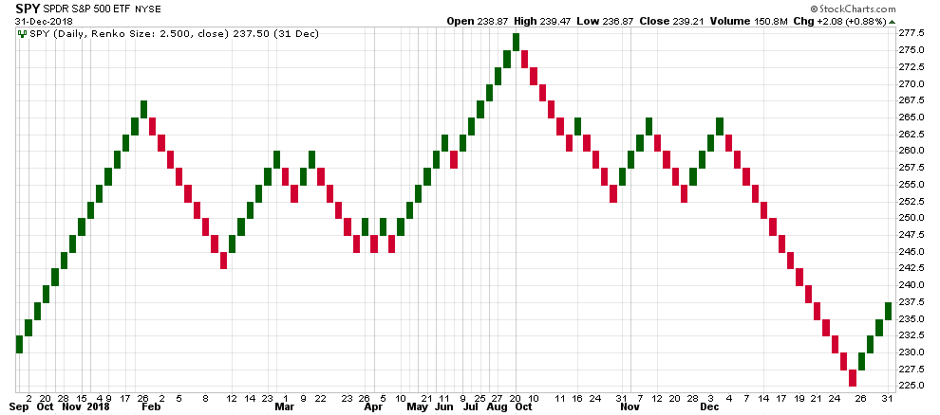
$276.06 | $271.45 | $275.50 | 220,236,664 | TRUE | $266.7500
$275.87 | $265.25 | $270.50 | 209,090,067 | FALSE | $268.3125
$275.87 | $265.25 | $268.00 | 209,090,067 | FALSE | $269.2500
$275.87 | $265.25 | $265.50 | 209,090,067 | FALSE | $269.5625
$265.68 | $253.60 | $263.00 | 76,490,992 | FALSE | $269.2500
$265.68 | $253.60 | $260.50 | 76,490,992 | FALSE | $268.3125
$265.68 | $253.60 | $258.00 | 76,490,992 | FALSE | $266.7500
$265.68 | $253.60 | $255.50 | 76,490,992 | FALSE | $264.5625
$262.32 | $248.09 | $253.00 | 399,144,288 | FALSE | $261.7500
$262.32 | $248.09 | $250.50 | 399,144,288 | FALSE | $259.2500
$257.16 | $243.59 | $255.50 | 443,660,896 | TRUE | $257.6875
$260.04 | $253.60 | $258.00 | 209,691,520 | TRUE | $256.7500
$262.97 | $258.86 | $260.50 | 115,457,688 | TRUE | $256.4375
$265.17 | $262.23 | $263.00 | 166,561,968 | TRUE | $256.7500
$267.76 | $259.70 | $265.50 | 493,209,184 | TRUE | $257.6875
$268.63 | $256.19 | $260.50 | 206,547,256 | FALSE | $258.3125
$268.63 | $256.19 | $258.00 | 206,547,256 | FALSE | $258.9375
$264.13 | $255.05 | $263.00 | 487,546,264 | TRUE | $260.5000
$268.59 | $265.19 | $265.50 | 58,987,792 | TRUE | $261.7500
$268.59 | $265.19 | $268.00 | 58,987,792 | TRUE | $263.0000
$270.07 | $259.75 | $263.00 | 583,452,488 | FALSE | $263.3125
$264.25 | $254.66 | $260.50 | 99,020,323 | FALSE | $263.0000
$264.25 | $254.66 | $258.00 | 99,020,323 | FALSE | $262.0625
$264.25 | $254.66 | $255.50 | 99,020,323 | FALSE | $261.4375
$256.27 | $249.32 | $253.00 | 94,900,760 | FALSE | $260.8125
$256.27 | $249.32 | $250.50 | 94,900,760 | FALSE | $259.2500
$256.67 | $250.84 | $255.50 | 146,803,168 | TRUE | $258.0000
$257.96 | $246.26 | $250.50 | 606,965,336 | FALSE | $255.8125
$257.84 | $248.13 | $255.50 | 337,467,120 | TRUE | $254.8750
$259.34 | $249.48 | $258.00 | 722,922,116 | TRUE | $254.5625
$261.93 | $259.88 | $260.50 | 66,890,592 | TRUE | $254.8750
$262.34 | $252.65 | $255.50 | 427,470,280 | FALSE | $254.8750
$260.95 | $250.50 | $260.50 | 911,479,764 | TRUE | $255.8125
...

