MSFT Example
date | beta
2017-03-01 | 1.0457
2017-04-01 | 1.0434
2017-05-01 | 1.0048
2017-06-01 | 1.0079
2017-07-01 | 1.0167
2017-08-01 | 1.0064
2017-09-01 | 1.0215
2017-10-01 | 1.0232
2017-11-01 | 1.0007
2017-12-01 | 0.9994
2018-01-01 | 1.073
2018-02-01 | 1.0518
2018-03-01 | 1.0738
2018-04-01 | 1.0487
2018-05-01 | 1.0489
2018-06-01 | 1.0474
2018-07-01 | 1.1873
2018-08-01 | 1.2674
2018-09-01 | 1.2913
2018-10-01 | 1.2777
2018-11-01 | 1.2639
2018-12-01 | 1.2497
2019-01-01 | 1.1829
2019-02-01 | 1.2192
2019-03-01 | 1.2227
2019-04-01 | 1.2453
2019-05-01 | 1.2293
2019-06-01 | 1.2186
2019-07-01 | 1.2303
2019-08-01 | 1.2221
2019-09-01 | 1.2268
2019-10-01 | 1.232
2019-11-01 | 1.2381
2019-12-01 | 1.2296
2020-01-01 | 1.1584
2020-02-01 | 1.1101
2020-03-01 | 0.9601
2020-04-01 | 0.9486
2020-05-01 | 0.9375
2020-06-01 | 0.9293
2020-07-01 | 0.8994
2020-08-01 | 0.892
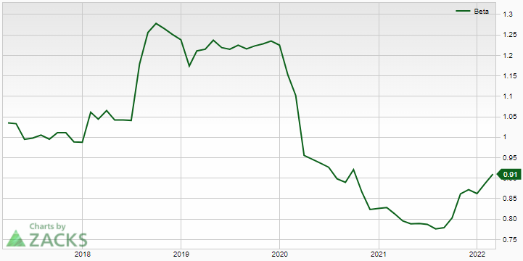
2020-09-01 | 0.923
2020-10-01 | 0.8679
2020-11-01 | 0.8257
2020-12-01 | 0.828
2021-01-01 | 0.8309
2021-02-01 | 0.8142
2021-03-01 | 0.7967
2021-04-01 | 0.7897
2021-05-01 | 0.7908
2021-06-01 | 0.789
2021-07-01 | 0.778
2021-08-01 | 0.7809
2021-09-01 | 0.8049
2021-10-01 | 0.8639
2021-11-01 | 0.873
2021-12-01 | 0.8628
2022-01-01 | 0.8891
2022-02-01 | 0.9105

