dissertation_analysis
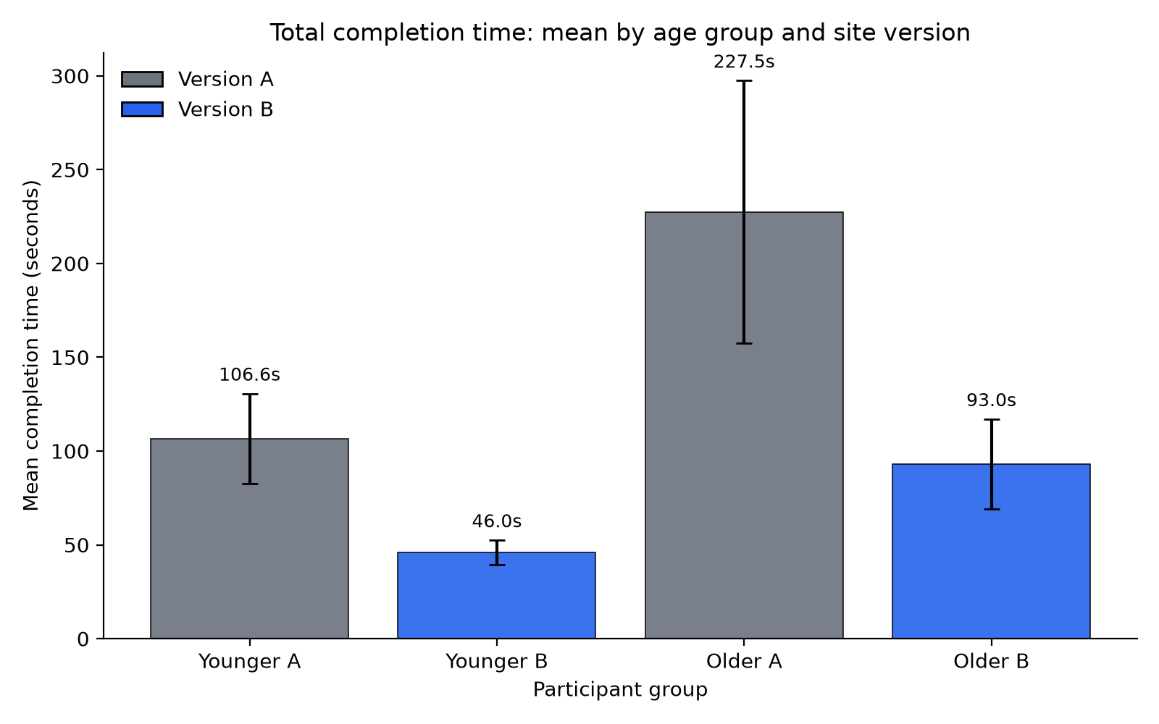
DISSERTATION ANALYSIS SUMMARY

1) Descriptive statistics (mean seconds)
Group | Locate product mean (s) | Add to basket mean (s) | Complete checkout mean (s) | Total mean (s)
Younger / Version A | 12.43 | 5.1 | 89.04 | 106.57
Younger / Version B | 2.5 | 1.83 | 41.69 | 46.02
Older / Version A | 55.11 | 36.93 | 135.48 | 227.52
Older / Version B | 7.62 | 4.7 | 80.68 | 93

2) Significant Welch t-tests (p < .05)
Comparison | Task | t | df | p | Cohen's d
Younger: Version A vs Version B | Locate product | 8.062 | 4.06 | 0.0012 | 5.099
Younger: Version A vs Version B | Add to basket | 6.258 | 4.35 | 0.0025 | 3.958
Younger: Version A vs Version B | Complete checkout | 4.139 | 4.55 | 0.011 | 2.618
Younger: Version A vs Version B | Total completion | 5.431 | 4.57 | 0.0038 | 3.435
Older: Version A vs Version B | Locate product | 3.564 | 4.11 | 0.0225 | 2.254
Older: Version A vs Version B | Total completion | 4.065 | 4.93 | 0.01 | 2.571
Version A: Younger vs Older | Locate product | -3.21 | 4.07 | 0.0318 | -2.03
Version A: Younger vs Older | Total completion | -3.654 | 4.93 | 0.015 | -2.311
Version B: Younger vs Older | Locate product | -3.347 | 4.04 | 0.0282 | -2.117
Version B: Younger vs Older | Add to basket | -2.789 | 4.09 | 0.0482 | -1.764
Version B: Younger vs Older | Complete checkout | -3.424 | 4.55 | 0.0218 | -2.165
Version B: Younger vs Older | Total completion | -4.224 | 4.58 | 0.0101 | -2.671

3) Age performance gap on Version A (older minus younger, seconds)
Task | Younger mean (s) | Older mean (s) | Gap (s) | Older slower by %
Locate product | 12.43 | 55.11 | 42.68 | 343.2
Add to basket | 5.1 | 36.93 | 31.83 | 624.6
Complete checkout | 89.04 | 135.48 | 46.44 | 52.2
Total completion | 106.57 | 227.52 | 120.95 | 113.5

Full detailed tables are in the other sheets. Charts are embedded below and also saved as PNG files.

Figure: Locate product
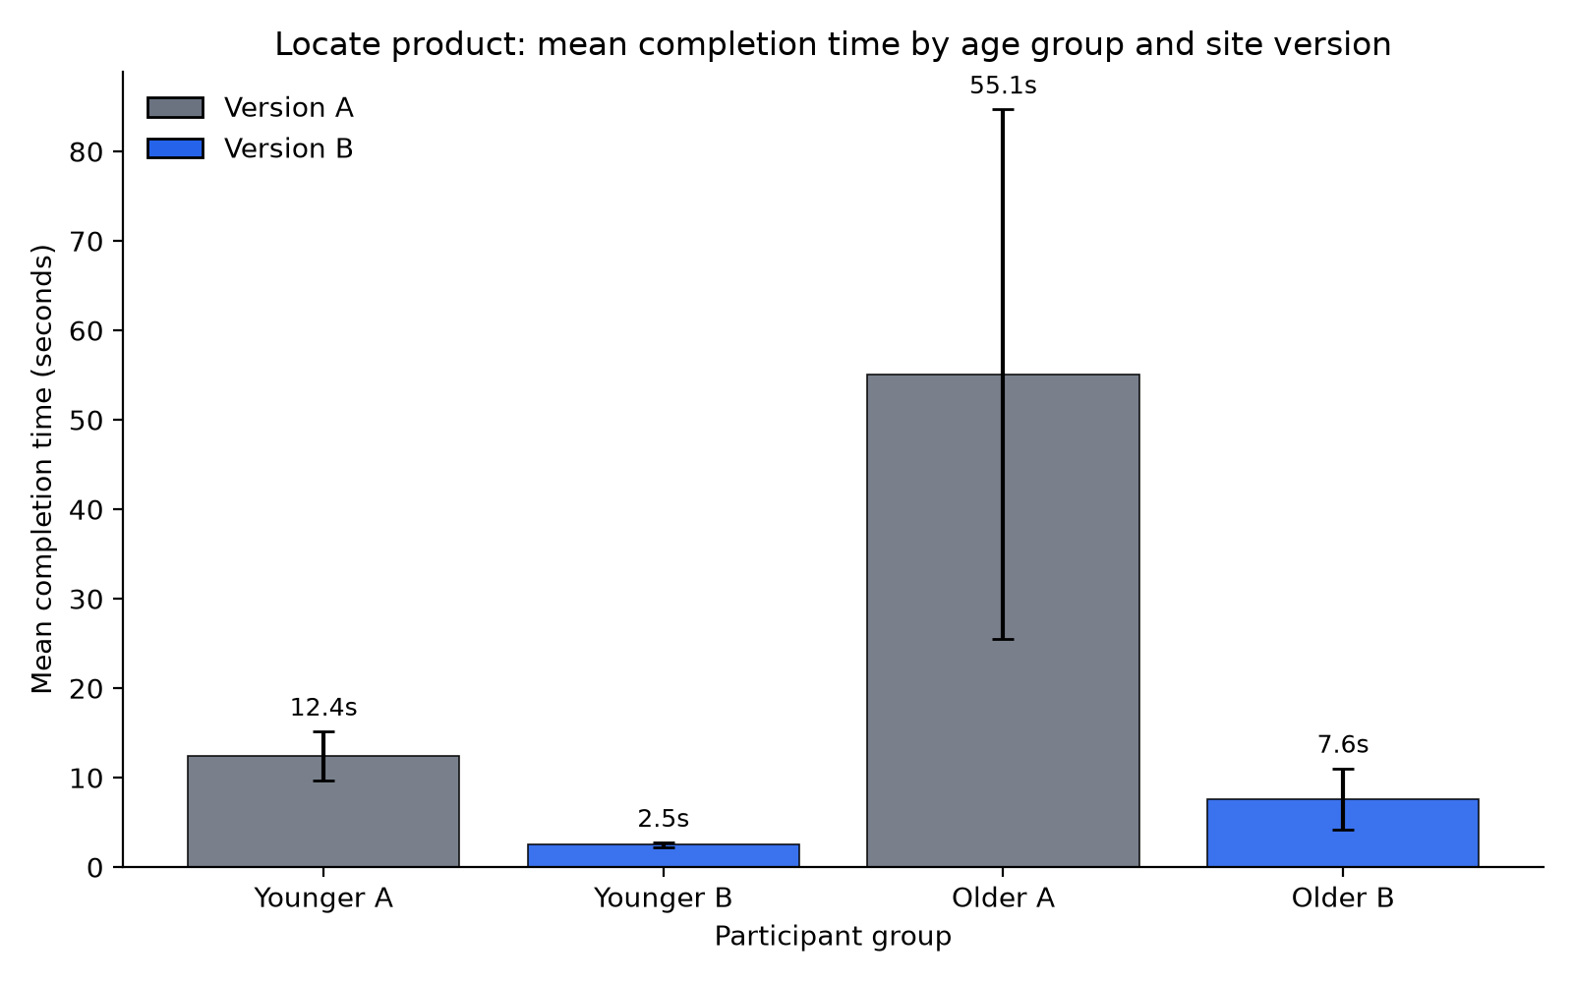

Figure: Add to basket
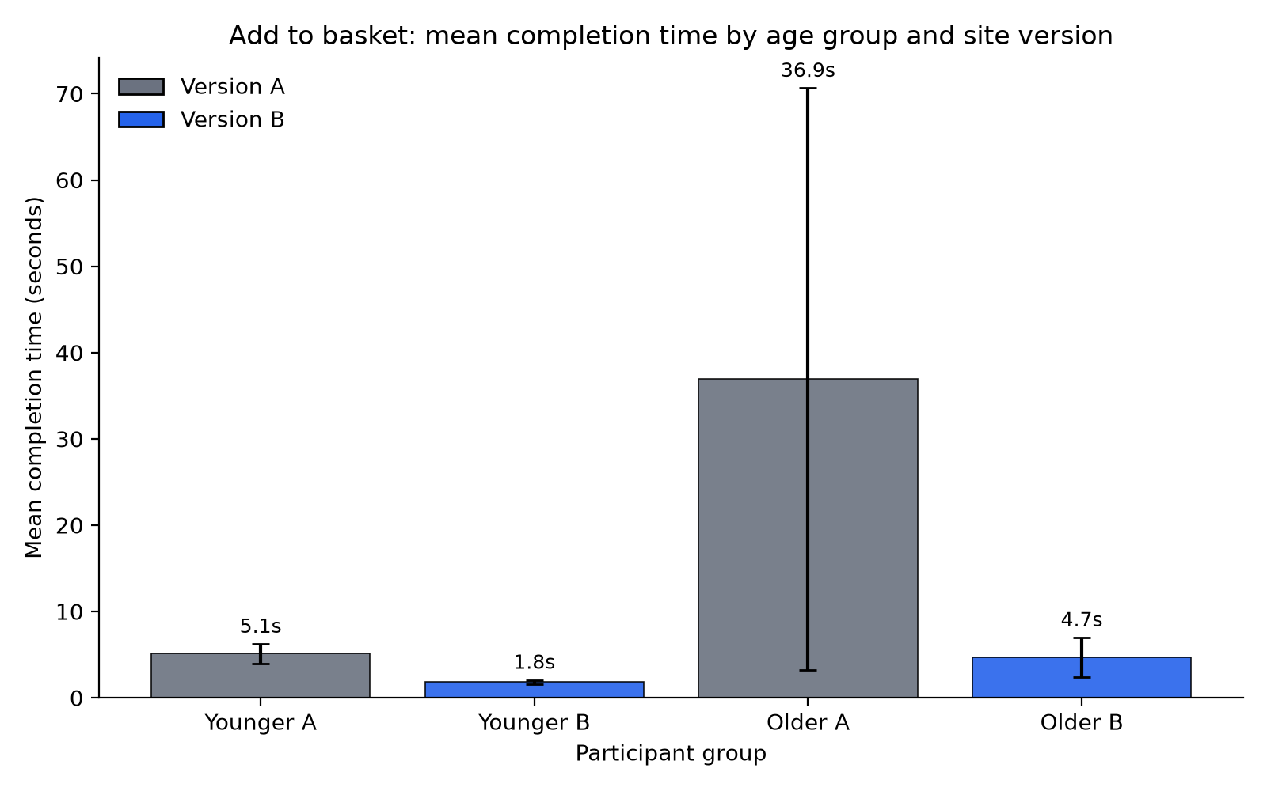

Figure: Complete checkout
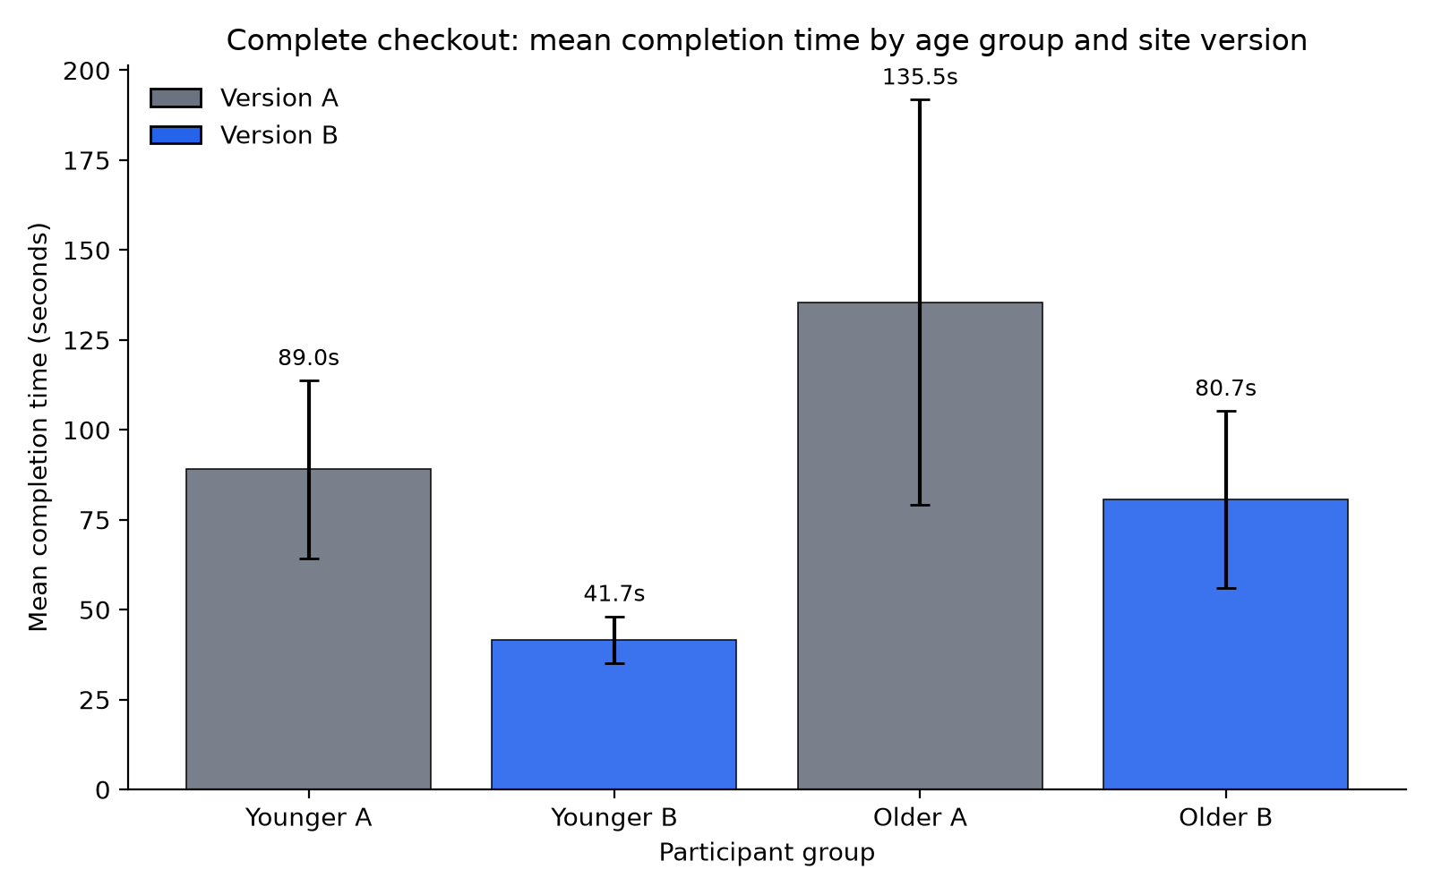

Figure: Total completion

