Hoja1
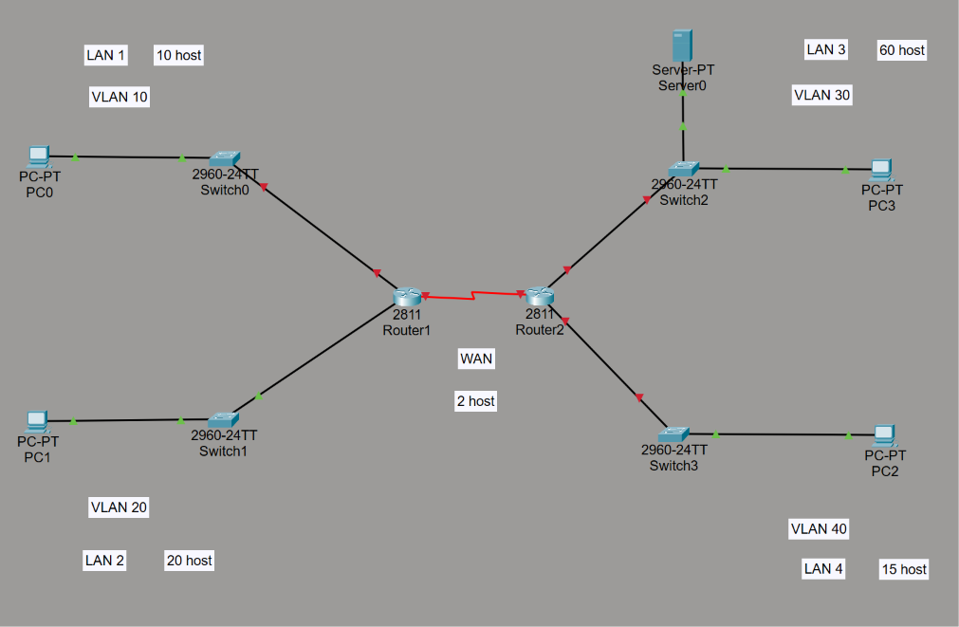
192.168.20.0 | 24

LAN 1 | 10
LAN 2 | 20
LAN 3 | 60
LAN 4 | 15
WAN | 2

LAN 3 | 60 host | 2^n - 2 >= 60 | n = 6 | 2 bits subredes | /26
 | 1100 0000. | 1010 1000. | 0001 0100. | 0000 0000 | 192.168.20.0 | /26 | LAN 3
 | 1100 0000. | 1010 1000. | 0001 0100. | 0100 0000 | 192.168.20.64 | /26 | Subnet LAN 2
 | 1100 0000. | 1010 1000. | 0001 0100. | 1000 0000 | 192.168.20.128 | /26 | Subnet LAN 1
 | 1100 0000. | 1010 1000. | 0001 0100. | 1100 0000 | 192.168.20.192 | /26 | Disponible

LAN 2 | 20 host | 2^n - 2 >= 20 | n = 5 | 1 bits subredes | /27
 | 1100 0000. | 1010 1000. | 0001 0100. | 0100 0000 | 192.168.20.64 | /27 | LAN 2
 | 1100 0000. | 1010 1000. | 0001 0100. | 0110 0000 | 192.168.20.96 | /27 | Subnet LAN 4

LAN 4 | 15 host | 2^n - 2 >= 15 | n = 5 | 0 bits subredes | /27
 | 1100 0000. | 1010 1000. | 0001 0100. | 0110 0000 | 192.168.20.96 | /27 | LAN 4

LAN 1 | 10 host | 2^n - 2 >= 10 | n = 4 | 2 bits subredes | /28
 | 1100 0000. | 1010 1000. | 0001 0100. | 1000 0000 | 192.168.20.128 | /28 | LAN 1
 | 1100 0000. | 1010 1000. | 0001 0100. | 1001 0000 | 192.168.20.144 | /28 | Subnet WAN
 | 1100 0000. | 1010 1000. | 0001 0100. | 1010 0000 | 192.168.20.160 | /28 | Disponible
 | 1100 0000. | 1010 1000. | 0001 0100. | 1011 0000 | 192.168.20.176 | /28 | Disponible

WAN | 2 host | 2^n - 2 >= 2 | n = 2 | 2 bits subredes | /30
 | 1100 0000. | 1010 1000. | 0001 0100. | 1001 0000 | 192.168.20.144 | /30 | WAN
 | 1100 0000. | 1010 1000. | 0001 0100. | 1001 0000 | 192.168.20.144 | /30
 | 1100 0000. | 1010 1000. | 0001 0100. | 1001 0000 | 192.168.20.144 | /30
 | 1100 0000. | 1010 1000. | 0001 0100. | 1001 0000 | 192.168.20.144 | /30

 | Area | ID de red | Mascara /N | Mascara decimal | Primera IP | Ultima IP | IP Broadcast
 | LAN 3 | 192.168.20.0 | /26 | 255.255.255.192 | 192.168.20.1 | 192.168.20.62 | 192.168.20.63
 | LAN 2 | 192.168.20.64 | /27 | 255.255.255.224 | 192.168.20.65 | 192.168.20.94 | 192.168.20.95
 | LAN 4 | 192.168.20.96 | /27 | 255.255.255.224 | 192.168.20.97 | 192.168.20.126 | 192.168.20.127
 | LAN 1 | 192.168.20.128 | /28 | 255.255.255.240 | 192.168.20.129 | 192.168.20.142 | 192.168.20.143
 | WAN | 192.168.20.144 | /30 | 255.255.255.252 | 192.168.20.145 | 192.168.20.146 | 192.168.20.147

Hoja2
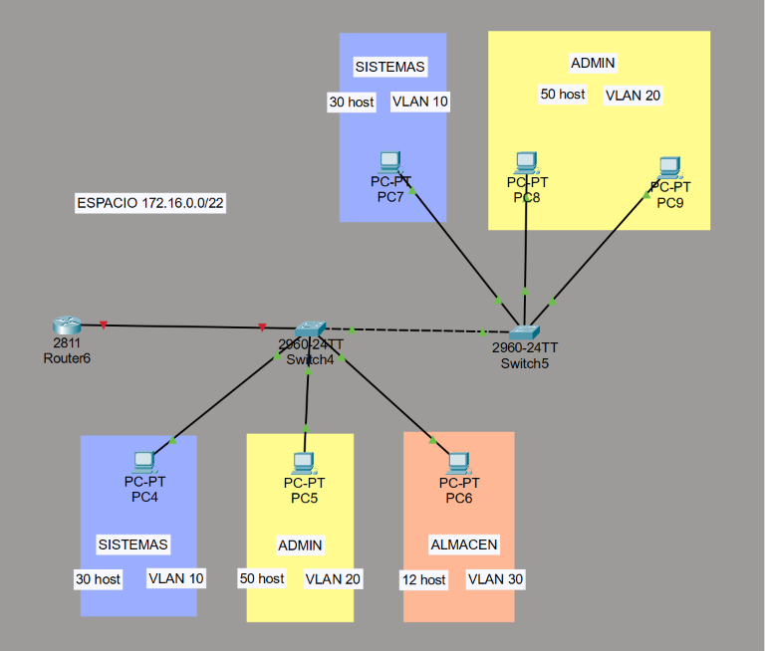
172.16.0.0 | 22

SISTEMAS | 30
ADMIN | 50
ALMACEN | 12

ADMIN | 50 host | 2^n - 2 >= 50 | n = 6 | 4 bit subredes | /26
 | 1010 1100. | 0001 0000. | 0000 0000. | 0000 0000 | 172.16.0.0 | /26 | ADMIN
 | 1010 1100. | 0001 0000. | 0000 0000. | 0100 0000 | 172.16.0.64 | /26 | Subnet SISTEMAS
 | 1010 1100. | 0001 0000. | 0000 0000. | 1000 0000 | 172.16.0.128 | /26 | Disponible
 | 1010 1100. | 0001 0000. | 0000 0000. | 1100 0000 | 172.16.0.192 | /26 | Disponible
 | 1010 1100. | 0001 0000. | 0000 0001. | 0000 0000 | 172.16.1.0 | /26 | Disponible
 | 1010 1100. | 0001 0000. | 0000 0001. | 0100 0000 | 172.16.1.64 | /26 | Disponible
 | (…)

SISTEMAS | 30 host | 2^n - 2 >= 30 | n = 5 | 1 bit subredes | /27
 | 1010 1100. | 0001 0000. | 0000 0000. | 0100 0000 | 172.16.0.64 | /27 | SISTEMAS
 | 1010 1100. | 0001 0000. | 0000 0000. | 0110 0000 | 172.16.0.96 | /27 | Disponible

ALMACEN | 12 host | 2^n - 2 >= 12 | n = 4 | 1 bit subredes | /28
 | 1010 1100. | 0001 0000. | 0000 0000. | 0110 0000 | 172.16.0.96 | /28 | ALMACEN
 | 1010 1100. | 0001 0000. | 0000 0000. | 0111 0000 | 172.16.0.112 | /28 | Disponible

 | Area | ID red | Mascara /N | Mascara decimal | Primera IP | Ultima IP | IP Broadcast
 | ADMIN | 172.16.0.0 | /26 | 255,255,255,192 | 172.16.0.1 | 172.16.0.62 | 172.16.0.63
 | SISTEMAS | 172.16.0.64 | /27 | 255,255,255,224 | 172.16.0.65 | 172.16.0.94 | 172.16.0.95
 | ALMACEN | 172.16.0.96 | /28 | 255,255,255,240 | 172.16.0.97 | 172.16.0.110 | 172.16.0.111

Hoja3
10.12.12.0 | 24

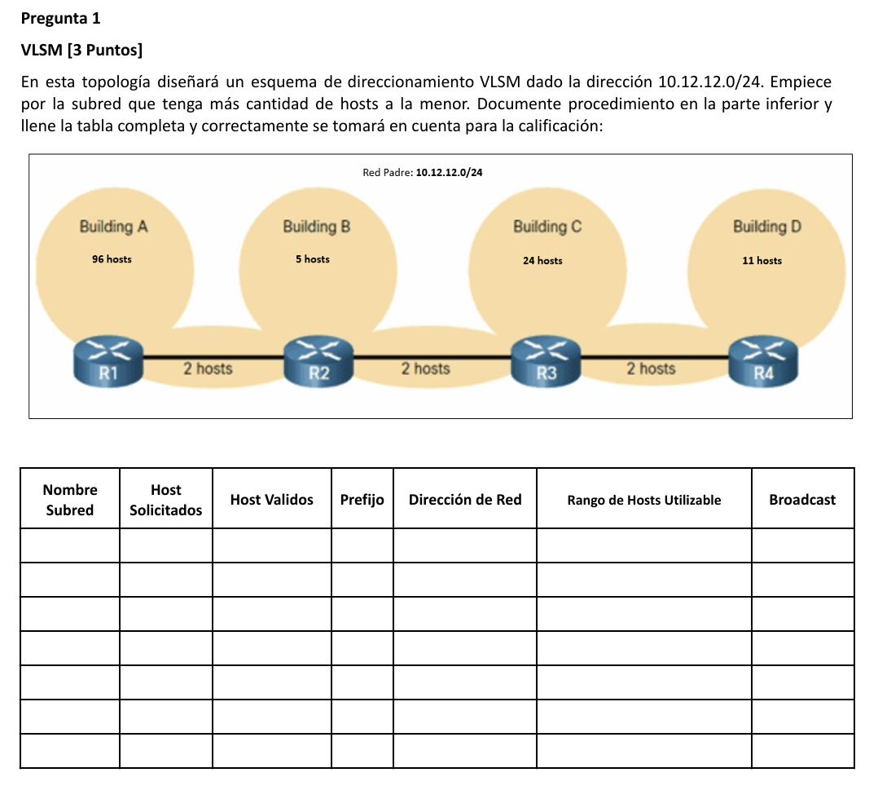
A | 96
B | 5
C | 24
D | 11
R1-R2 | 2
R2-R3 | 2
R3-R4 | 2

 | 96 host | 2^n - 2 >= 96 | n = 7 | 1 bits subredes | /25
 | 0000 1010. | 0000 1100. | 0000 1100. | 0000 0000 | 10.12.12.0 | /25 | A
 | 0000 1010. | 0000 1100. | 0000 1100. | 1000 0000 | 10.12.12.128 | /25 | Subnet C

 | 24 host | 2^n - 2 >= 24 | n = 5 | 2 bits subredes | /27
 | 0000 1010. | 0000 1100. | 0000 1100. | 1000 0000 | 10.12.12.128 | /27 | C
 | 0000 1010. | 0000 1100. | 0000 1100. | 1010 0000 | 10.12.12.160 | /27 | Subnet D
 | 0000 1010. | 0000 1100. | 0000 1100. | 1100 0000 | 10.12.12.192 | /27 | Subnet R3-R4
 | 0000 1010. | 0000 1100. | 0000 1100. | 1110 0000 | 10.12.12.224 | /27

 | 11 host | 2^n - 2 >= 11 | n = 4 | 1 bits subredes | /28
 | 0000 1010. | 0000 1100. | 0000 1100. | 1010 0000 | 10.12.12.160 | /28 | D
 | 0000 1010. | 0000 1100. | 0000 1100. | 1011 0000 | 10.12.12.176 | /28 | Subnet B

 | 5 host | 2^n - 2 >= 5 | n = 3 | 1 bits subredes | /29
 | 0000 1010. | 0000 1100. | 0000 1100. | 1011 0000 | 10.12.12.176 | /29 | B
 | 0000 1010. | 0000 1100. | 0000 1100. | 1011 1000 | 10.12.12.184 | /29 | Subnet R1-R2

 | 2 host | 2^n - 2 >= 2 | n = 2 | 1 bits subredes | /30
 | 0000 1010. | 0000 1100. | 0000 1100. | 1011 1000 | 10.12.12.184 | /30 | R1-R2
 | 0000 1010. | 0000 1100. | 0000 1100. | 1011 1100 | 10.12.12.188 | /30 | Subnet R2-R3

 | 2 host | 2^n - 2 >= 2 | n = 2 | 1 bits subredes | /30
 | 0000 1010. | 0000 1100. | 0000 1100. | 1011 1100 | 10.12.12.188 | /30 | R2-R3

 | 2 host | 2^n - 2 >= 2 | n = 2 | 3 bits subredes | /30
 | 0000 1010. | 0000 1100. | 0000 1100. | 1100 0000 | 10.12.12.192 | /30 | R3-R4
 | (…)

 | Nombre subred | Host solicitados | Host validos | Prefijo | Direccion de red | Rango host utiles | Broadcast
 | A | 96 host | 126 | /25 | 10.12.12.0 | 10.12.12.1 - 10.12.12.126 | 10.12.12.127
 | C | 24 host | 30 | /27 | 10.12.12.128 | 10.12.12.129 - 10.12.12.158 | 10.12.12.159
 | D | 11 host | 14 | /28 | 10.12.12.160 | 10.12.12.161 - 10.12.12.174 | 10.12.12.175
 | B | 5 host | 6 | /29 | 10.12.12.176 | 10.12.12.177 - 10.12.12.182 | 10.12.12.183
 | R1-R2 | 2 host | 2 | /30 | 10.12.12.184 | 10.12.12.185 - 10.12.12.186 | 10.12.12.187
 | R2-R3 | 2 host | 2 | /30 | 10.12.12.188 | 10.12.12.189 - 10.12.12.190 | 10.12.12.191
 | R3-R4 | 2 host | 2 | /30 | 10.12.12.192 | 10.12.12.193 - 10.12.12.194 | 10.12.12.195

Hoja4
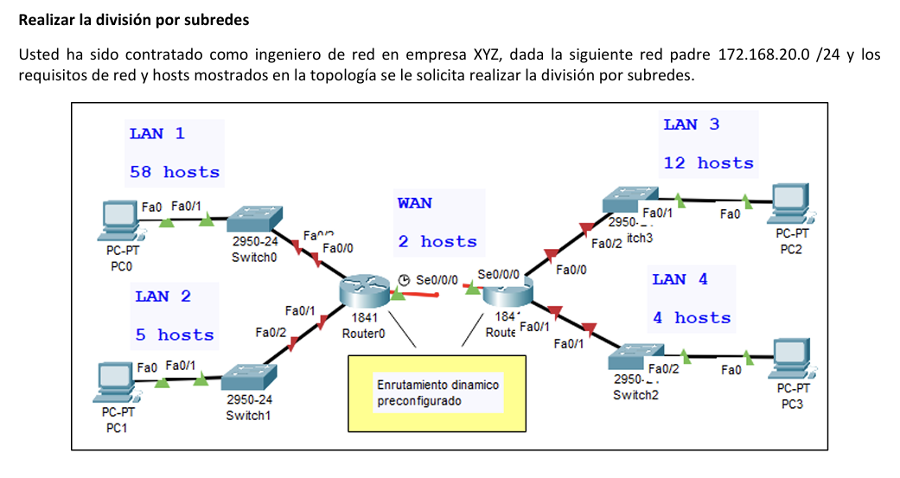
172.168.20.0 | 24

LAN 1 | 58
LAN 2 | 5
LAN 3 | 12
LAN 4 | 4
WAN | 2

 | 58 host | 2^n -2 >= 58 | n = 6 | 2 bits subredes | /26
 | 1010 1100. | 1010 1000. | 0001 0100. | 0000 0000 | 172.168.20.0 | /26 | LAN 1
 | 1010 1100. | 1010 1000. | 0001 0100. | 0100 0000 | 172.168.20.64 | /26 | Subnet LAN 3
 | 1010 1100. | 1010 1000. | 0001 0100. | 1000 0000 | 172.168.20.128 | /26
 | 1010 1100. | 1010 1000. | 0001 0100. | 1100 0000 | 172.168.20.192 | /26

 | 12 host | 2^n -2 >= 12 | n = 4 | 2 bits subredes | /28
 | 1010 1100. | 1010 1000. | 0001 0100. | 0100 0000 | 172.168.20.64 | /28 | LAN 3
 | 1010 1100. | 1010 1000. | 0001 0100. | 0101 0000 | 172.168.20.80 | /28 | Subnet LAN 2
 | 1010 1100. | 1010 1000. | 0001 0100. | 0110 0000 | 172.168.20.96 | /28 | Subnet WAN
 | 1010 1100. | 1010 1000. | 0001 0100. | 0111 0000 | 172.168.20.112 | /28

 | 5 host | 2^n -2 >= 5 | n = 3 | 1 bits subredes | /29
 | 1010 1100. | 1010 1000. | 0001 0100. | 0101 0000 | 172.168.20.80 | /29 | LAN 2
 | 1010 1100. | 1010 1000. | 0001 0100. | 0101 1000 | 172.168.20.88 | /29 | Subnet LAN 4

 | 4 host | 2^n -2 >= 4 | n = 3 | 0 bits subredes | /29
 | 1010 1100. | 1010 1000. | 0001 0100. | 0101 1000 | 172.168.20.88 | /29 | LAN 4

 | 2 host | 2^n -2 >= 2 | n = 2 | 2 bits subredes | /30
 | 1010 1100. | 1010 1000. | 0001 0100. | 0110 0000 | 172.168.20.96 | /30 | WAN
 | (...)

 | Nombre subred | Host requeridos | Host asignados | ID red | Mascara /N | Mascara decimal | Rango de Ips | IP Broadcast
 | LAN 1 | 58 host | 62 | 172.168.20.0 | /26 | 255,255,255,192 | 172.168.20.1 - 172.168.20.62 | 172.168.20.63
 | LAN 3 | 12 host | 14 | 172.168.20.64 | /28 | 255,255,255,240 | 172.168.20.65 - 172.168.20.78 | 172.168.20.79
 | LAN 2 | 5 host | 6 | 172.168.20.80 | /29 | 255,255,255,248 | 172.168.20.81 - 172.168.20.86 | 172.168.20.87
 | LAN 4 | 4 host | 6 | 172.168.20.88 | /29 | 255,255,255,248 | 172.168.20.89 - 172.168.20.94 | 172.168.20.95
 | WAN | 2 host | 2 | 172.168.20.96 | /30 | 255,255,255,252 | 172.168.20.97 - 172.168.20.98 | 172.168.20.99

Hoja6
70.41.100.0 | 21
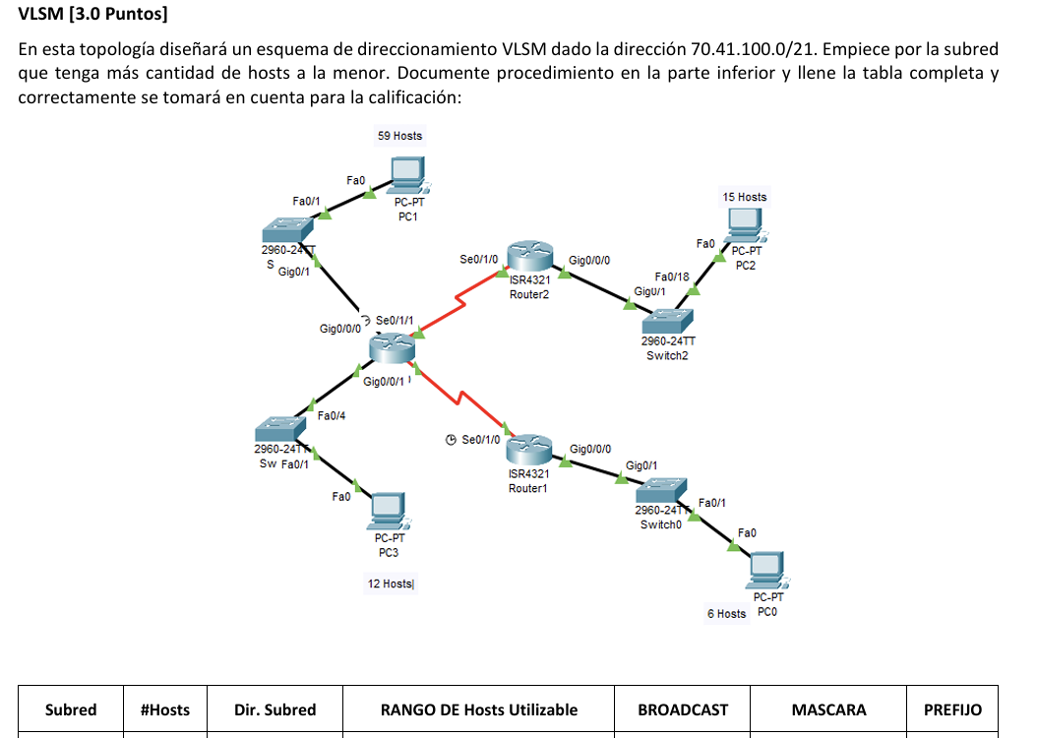
A | 59
B | 12
C | 15
A
D | 6
WAN 1 | 2
C
WAN 2 | 2

WAN1
 | 59 host | 2^n - 2 >= 59 | n = 6 | 5 bits subredes | /26
 | 0100 0110. | 0010 1001. | 0110 0000 | 0000 0000 | 70.41.96.0 | /26 | A
 | 0100 0110. | 0010 1001. | 0110 0000 | 0100 0000 | 70.41.96.64 | /26 | Subnet C
 | 0100 0110. | 0010 1001. | 0110 0000 | 1000 0000 | 70.41.96.128 | /26
 | 0100 0110. | 0010 1001. | 0110 0000 | 1100 0000 | 70.41.96.192 | /26
WAN2
 | 0100 0110. | 0010 1001. | 0110 0001 | 0000 0000 | 70.41.97.0 | /26
 | 0100 0110. | 0010 1001. | 0110 0001 | 0100 0000 | 70.41.97.64 | /26
 | (…)

B
D
 | 15 host | 2^n - 2 >= 15 | n = 5 | 1 bits subredes | /27
 | 0100 0110. | 0010 1001. | 0110 0000 | 0100 0000 | 70.41.96.64 | /27 | C
 | 0100 0110. | 0010 1001. | 0110 0000 | 0110 0000 | 70.41.96.96 | /27 | Subnet B

 | 12 host | 2^n - 2 >= 12 | n = 4 | 1 bits subredes | /28
 | 0100 0110. | 0010 1001. | 0110 0000 | 0110 0000 | 70.41.96.96 | /28 | B
 | 0100 0110. | 0010 1001. | 0110 0000 | 0111 0000 | 70.41.96.112 | /28 | Subnet D

 | 6 host | 2^n - 2 >= 6 | n = 3 | 1 bits subredes | /29
 | 0100 0110. | 0010 1001. | 0110 0000 | 0111 0000 | 70.41.96.112 | /29 | D
 | 0100 0110. | 0010 1001. | 0110 0000 | 0111 1000 | 70.41.96.120 | /29 | Subnet WAN 1

 | 2 host | 2^n - 2 >= 2 | n = 2 | 1 bits subredes | /30
 | 0100 0110. | 0010 1001. | 0110 0000 | 0111 1000 | 70.41.96.120 | /30 | WAN 1
 | 0100 0110. | 0010 1001. | 0110 0000 | 0111 1100 | 70.41.96.124 | /30 | Subnet WAN 2

 | 2 host | 2^n - 2 >= 2 | n = 2 | 0 bits subredes | /30
 | 0100 0110. | 0010 1001. | 0110 0000 | 0111 1100 | 70.41.96.124 | /30 | WAN 2

 | Subred | Host | Direccion subred | Rango de host |  | Broadcast | Mascara | Prefijo
 | A | 59 host | 70.41.96.0 | 70.41.96.1 | 70.41.96.62 | 70.41.96.63 | 255,255,265,192 | /26
 | C | 15 host | 70.41.96.64 | 70.41.96.65 | 70.41.96.94 | 70.41.96.95 | 255,255,255,224 | /27
 | B | 12 host | 70.41.96.96 | 70.41.96.97 | 70.41.96.110 | 70.41.96.111 | 255,255,255,240 | /28
 | D | 6 host | 70.41.96.112 | 70.41.96.113 | 70.41.96.118 | 70.41.96.119 | 255,255,255,248 | /29
 | WAN 1 | 2 host | 70.41.96.120 | 70.41.96.121 | 70.41.96.122 | 70.41.96.123 | 255,255,255,252 | /30
 | WAN 2 | 2 host | 70.41.96.124 | 70.41.96.125 | 70.41.96.126 | 70.41.96.127 | 255,255,255,252 | /30

