1
Aleación 1 | Aleación 2 | Rating | Rank |  | Rank sum:
18.3 | 12.6 | 18.3 | 12 |  | Aleación 1: | 106.5
16.4 | 14.1 | 16.4 | 10 |  | Aleación 2: | 65
22.7 | 20.5 | 22.7 | 16
17.8 | 10.7 | 17.8 | 11 |  | n_1: | 8
18.9 | 15.9 | 18.9 | 13 |  | n_2: | 10
25.3 | 19.6 | 25.3 | 18
16.1 | 12.9 | 16.1 | 9 |  | mu_w: | 76
24.2 | 15.2 | 24.2 | 17 |  | ST_w: | 11.254628677
 | 11.8 | 12.6 | 3
 | 14.7 | 14.1 | 5 |  | z: | 2.7099961157
 |  | 20.5 | 15 |  | p-value: | 0.0033641998042
 |  | 10.7 | 1
 |  | 15.9 | 8 |  | Reject: | reject
 |  | 19.6 | 14
 |  | 12.9 | 4
 |  | 15.2 | 7
 |  | 11.8 | 2
 |  | 14.7 | 6

 | Aleación 1 |  | Aleación 2

 | Mean | 19.9625 | Mean | 14.8
 | Standard Error | 1.268567457 | Standard Error | 1.0091800852
 | Median | 18.6 | Median | 14.4
 | Mode | #N/A | Mode | #N/A
 | Standard Deviation | 3.5880506048 | Standard Deviation | 3.1913076386
 | Sample Variance | 12.874107143 | Sample Variance | 10.184444444
 | Kurtosis | -1.5806294892 | Kurtosis | -0.15569961999
 | Skewness | 0.53572300782 | Skewness | 0.78375398755
 | Range | 9.2 | Range | 9.8
 | Minimum | 16.1 | Minimum | 10.7
 | Maximum | 25.3 | Maximum | 20.5
 | Sum | 159.7 | Sum | 148
 | Count | 8 | Count | 10

2
Clase matinal | Clase vexpertina | Rating | Ranks |  |  | Clase matinal |  | Clase vexpertina
73 | 86 | 73 | 4 | Rank sum matinal | 73
87 | 81 | 87 | 16 | Rank sum vespertina | 158 | Mean | 78 | Mean | 83.416666667
79 | 84 | 79 | 7 |  |  | Standard Error | 2.9767618499 | Standard Error | 2.9347921648
75 | 88 | 75 | 5.5 | matinal | 9 | Median | 75 | Median | 84.5
82 | 90 | 82 | 9 | vespertina | 12 | Mode | 75 | Mode | 84
66 | 85 | 66 | 2 |  |  | Standard Deviation | 8.9302855497 | Standard Deviation | 10.166418278
95 | 84 | 95 | 21 | mu_w | 99 | Sample Variance | 79.75 | Sample Variance | 103.35606061
75 | 92 | 75 | 5.5 | ST_W: | 14.071247279 | Kurtosis | 0.31219931296 | Kurtosis | 8.7569363606
70 | 83 | 70 | 3 |  |  | Skewness | 0.74197667641 | Skewness | -2.7702535575
 | 91 | 86 | 15 | z: | 4.1929474217 | Range | 29 | Range | 39
 | 53 | 81 | 8 | p-value: | 1.3767664035E-05 | Minimum | 66 | Minimum | 53
 | 84 | 84 | 12 |  |  | Maximum | 95 | Maximum | 92
 |  | 88 | 17 | alpha: | 0.05 | Sum | 702 | Sum | 1001
 |  | 90 | 18 |  |  | Count | 9 | Count | 12
 |  | 85 | 14 | Reject: | reject
 |  | 84 | 12
 |  | 92 | 20
 |  | 83 | 10
 |  | 91 | 19
 |  | 53 | 1
 |  | 84 | 12

3
7 | 12 | 15
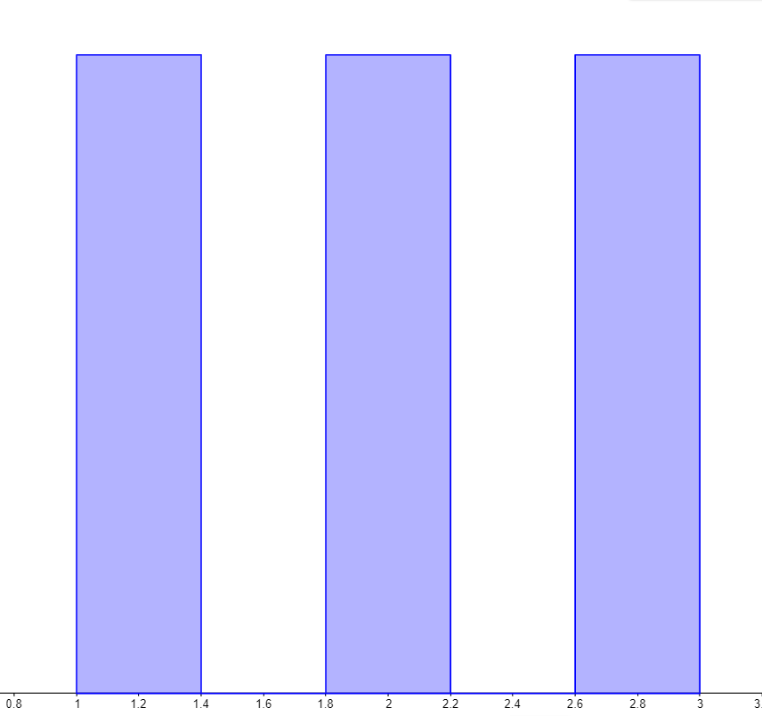
 | Permutación: | 6 |  | Ranks | Dist de muestreo | Promedio ponderado mu_w | Desviación
 | 7 | 12 | 15 | 1 | 0.33333333333 | 0.33333333333 | 0.33333333333
 | 7 | 15 | 12 | 1
 | 12 | 7 | 15 | 2 | 0.33333333333 | 0.66666666667 | 0
 | 12 | 15 | 7 | 2
 | 15 | 7 | 12 | 3 | 0.33333333333 | 1 | 0.33333333333
 | 15 | 12 | 7 | 3
 |  |  |  |  |  | 2 | 0.81649658093

 | 7 | 3.5 |  | n_1: | 1
 | 7 | 3.5 |  | n_2: | 2
 | 7 | 3.5
 | 7 | 3.5 |  | mu_w: | 2
 | 7 | 3.5 |  | SD_w: | 0.81649658093
 | 7 | 3.5
 | 12 | 9.5
 | 12 | 9.5
 | 12 | 9.5
 | 12 | 9.5
 | 12 | 9.5
 | 12 | 9.5
 | 15 | 15.5
 | 15 | 15.5
 | 15 | 15.5
 | 15 | 15.5
 | 15 | 15.5
 | 15 | 15.5

