Sheet2
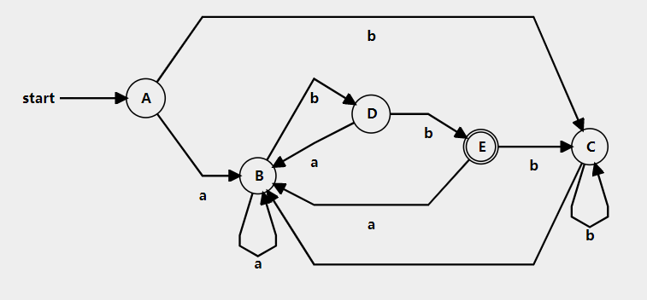
NFA State |  | new dfa states | a |  | b |  | (a|b)*abb
{0,2,4,6,7} | A | {6} | B | {1,9} | C | {3}
{0,1,2,4,5,7,9} | B | {1,9} | B | {1,9} | D | {3,11}
{0,2,3,4,5,7} | C | {3} | B | {1,9} | C | {3}
{0,2,3,4,5,7,11} | D | {3,11} | B | {1,9} | E | {3,13}
{0,2,3,4,5,7,13} | E | {3,13} | B | {1,9} | C | {3} | cual es el accept state?

