Graph
Table 5: Raw data of test compound and control compound in plasma
Cpd | Species | Time(min) | Area Ratio 1 | Area Ratio 2 | Mean | Percent Remaining (%) | Ln(Percent Remaining)
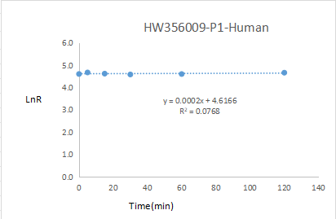
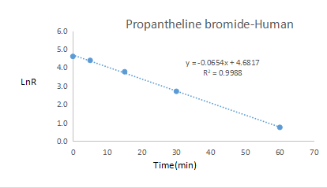
HW356009-P1 | Human | 120 | 5.09E-01 | 4.94E-01 | 0.502 | 106.03 | 4.66
 |  | 60 | 4.97E-01 | 4.47E-01 | 0.472 | 99.79 | 4.60
 |  | 30 | 4.57E-01 | 4.69E-01 | 0.463 | 97.89 | 4.58
 |  | 15 | 4.73E-01 | 4.88E-01 | 0.481 | 101.59 | 4.62
 |  | 5 | 4.98E-01 | 5.15E-01 | 0.507 | 107.08 | 4.67
 |  | 0 | 4.69E-01 | 4.77E-01 | 0.473 | 100.00 | 4.61
Propantheline bromide |  | 120 | 1.44E-02 | 1.11E-02 | 0.013 | 0.14 | -1.95
 |  | 60 | 1.97E-01 | 1.81E-01 | 0.189 | 2.11 | 0.75
 |  | 30 | 1.38E+00 | 1.30E+00 | 1.340 | 14.97 | 2.71
 |  | 15 | 3.85E+00 | 3.92E+00 | 3.885 | 43.41 | 3.77
 |  | 5 | 7.40E+00 | 7.03E+00 | 7.215 | 80.61 | 4.39
 |  | 0 | 8.94E+00 | 8.96E+00 | 8.950 | 100.00 | 4.61
HW356009-P1 | Mouse | 120 | 4.31E-01 | 4.39E-01 | 0.435 | 96.67 | 4.57
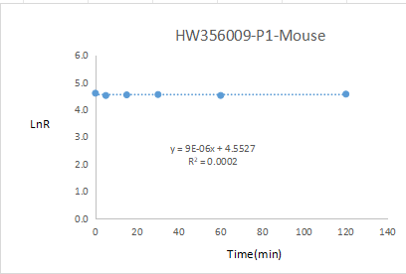
 |  | 60 | 4.18E-01 | 4.10E-01 | 0.414 | 92.00 | 4.52
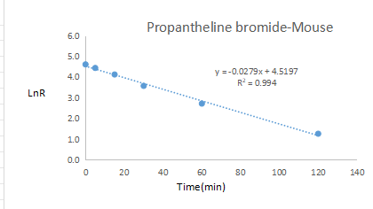
 |  | 30 | 4.29E-01 | 4.28E-01 | 0.429 | 95.22 | 4.56
 |  | 15 | 4.20E-01 | 4.26E-01 | 0.423 | 94.00 | 4.54
 |  | 5 | 4.03E-01 | 4.24E-01 | 0.414 | 91.89 | 4.52
 |  | 0 | 4.48E-01 | 4.52E-01 | 0.450 | 100.00 | 4.61
Propantheline bromide |  | 120 | 3.20E-01 | 2.73E-01 | 0.297 | 3.51 | 1.26
 |  | 60 | 1.31E+00 | 1.23E+00 | 1.270 | 15.05 | 2.71
 |  | 30 | 3.10E+00 | 2.88E+00 | 2.990 | 35.43 | 3.57
 |  | 15 | 5.12E+00 | 5.25E+00 | 5.185 | 61.43 | 4.12
 |  | 5 | 7.16E+00 | 7.05E+00 | 7.105 | 84.18 | 4.43
 |  | 0 | 8.13E+00 | 8.75E+00 | 8.440 | 100.00 | 4.61
HW356009-P1 | Rat | 120 | 3.90E-01 | 3.91E-01 | 0.391 | 106.26 | 4.67
 |  | 60 | 3.69E-01 | 3.77E-01 | 0.373 | 101.50 | 4.62
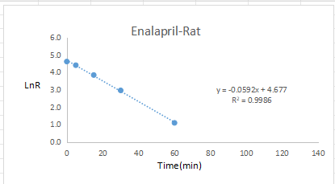
 |  | 30 | 3.89E-01 | 3.81E-01 | 0.385 | 104.76 | 4.65
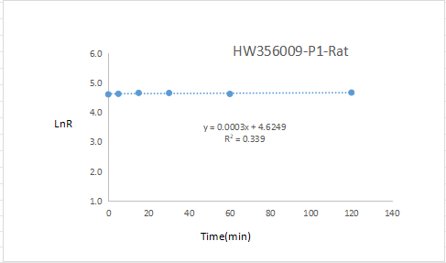
 |  | 15 | 3.92E-01 | 3.80E-01 | 0.386 | 105.03 | 4.65
 |  | 5 | 3.68E-01 | 3.80E-01 | 0.374 | 101.77 | 4.62
 |  | 0 | 3.69E-01 | 3.66E-01 | 0.368 | 100.00 | 4.61
Enalapril |  | 120 | 0.00E+00 | 0.00E+00 | 0.000 | 0.00 | NA
 |  | 60 | 1.15E-01 | 1.36E-01 | 0.126 | 2.97 | 1.09
 |  | 30 | 7.97E-01 | 8.20E-01 | 0.809 | 19.16 | 2.95
 |  | 15 | 1.90E+00 | 2.00E+00 | 1.950 | 46.21 | 3.83
 |  | 5 | 3.36E+00 | 3.49E+00 | 3.425 | 81.16 | 4.40
 |  | 0 | 4.18E+00 | 4.26E+00 | 4.220 | 100.00 | 4.61
HW356009-P1 | Monkey | 120 | 4.66E-01 | 4.69E-01 | 0.468 | 100.86 | 4.61
 |  | 60 | 4.62E-01 | 4.36E-01 | 0.449 | 96.87 | 4.57
 |  | 30 | 4.93E-01 | 4.86E-01 | 0.490 | 105.61 | 4.66
 |  | 15 | 4.78E-01 | 4.92E-01 | 0.485 | 104.64 | 4.65
 |  | 5 | 4.90E-01 | 4.64E-01 | 0.477 | 102.91 | 4.63
 |  | 0 | 4.67E-01 | 4.60E-01 | 0.464 | 100.00 | 4.61
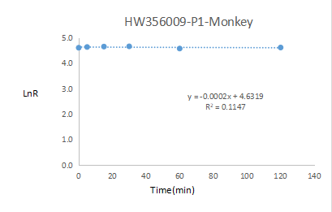
Bisacodyl |  | 120 | 0.00E+00 | 0.00E+00 | 0.000 | 0.00 | NA
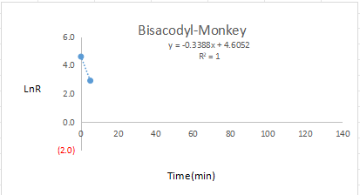
 |  | 60 | 0.00E+00 | 0.00E+00 | 0.000 | 0.00 | NA
 |  | 30 | 0.00E+00 | 0.00E+00 | 0.000 | 0.00 | NA
 |  | 15 | 0.00E+00 | 0.00E+00 | 0.000 | 0.00 | NA
 |  | 5 | 3.89E-01 | 3.81E-01 | 0.385 | 18.38 | 2.91
 |  | 0 | 2.07E+00 | 2.12E+00 | 2.095 | 100.00 | 4.61
HW356009-P1 | Dog | 120 | 4.64E-01 | 4.53E-01 | 0.459 | 100.00 | 4.61
 |  | 60 | 4.18E-01 | 4.80E-01 | 0.449 | 97.93 | 4.58
 |  | 30 | 4.85E-01 | 5.07E-01 | 0.496 | 108.18 | 4.68
 |  | 15 | 4.86E-01 | 4.86E-01 | 0.486 | 106.00 | 4.66
 |  | 5 | 4.44E-01 | 4.89E-01 | 0.467 | 101.74 | 4.62
 |  | 0 | 4.52E-01 | 4.65E-01 | 0.459 | 100.00 | 4.61
Bisacodyl |  | 120 | 0.00E+00 | 0.00E+00 | 0.000 | 0.00 | NA
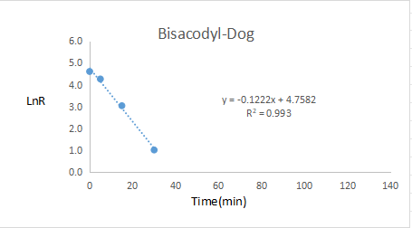
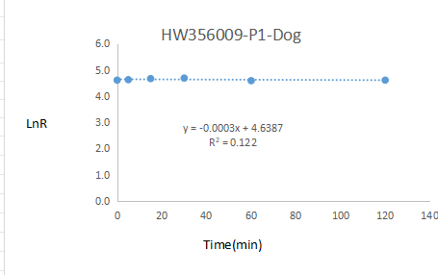
 |  | 60 | 0.00E+00 | 0.00E+00 | 0.000 | 0.00 | NA
 |  | 30 | 5.85E-02 | 6.34E-02 | 0.061 | 2.76 | 1.02
 |  | 15 | 4.82E-01 | 4.40E-01 | 0.461 | 20.91 | 3.04
 |  | 5 | 1.59E+00 | 1.54E+00 | 1.565 | 70.98 | 4.26
 |  | 0 | 2.24E+00 | 2.17E+00 | 2.205 | 100.00 | 4.61

