Graph
Table 5: Raw data of test compound and control compound in plasma
Cpd | Species | Time(min) | Area Ratio 1 | Area Ratio 2 | Mean | Percent Remaining (%) | Ln(Percent Remaining)

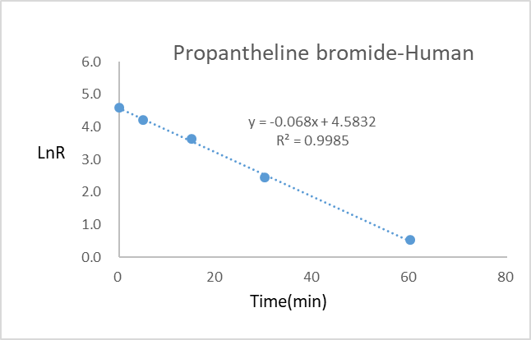
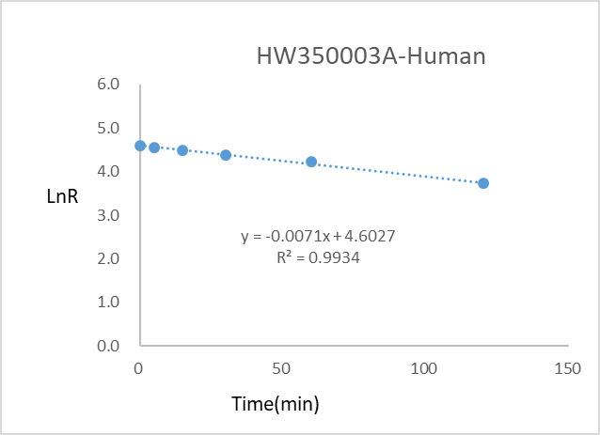
HW350003A | Human | 120 | 8.96E-02 | 9.28E-02 | 0.091 | 41.74 | 3.73
 |  | 60 | 1.43E-01 | 1.56E-01 | 0.150 | 68.42 | 4.23
 |  | 30 | 1.77E-01 | 1.75E-01 | 0.176 | 80.55 | 4.39
 |  | 15 | 1.94E-01 | 1.98E-01 | 0.196 | 89.70 | 4.50
 |  | 5 | 1.99E-01 | 2.11E-01 | 0.205 | 93.82 | 4.54
 |  | 0 | 2.09E-01 | 2.28E-01 | 0.219 | 100.00 | 4.61
Propantheline bromide |  | 120 | 0.00E+00 | 0.00E+00 | 0.000 | 0.00 | NA
 |  | 60 | 1.46E-01 | 1.39E-01 | 0.143 | 1.71 | 0.53
 |  | 30 | 9.55E-01 | 9.73E-01 | 0.964 | 11.54 | 2.45
 |  | 15 | 3.35E+00 | 2.94E+00 | 3.145 | 37.66 | 3.63
 |  | 5 | 5.73E+00 | 5.60E+00 | 5.665 | 67.84 | 4.22
 |  | 0 | 8.00E+00 | 8.70E+00 | 8.350 | 100.00 | 4.61
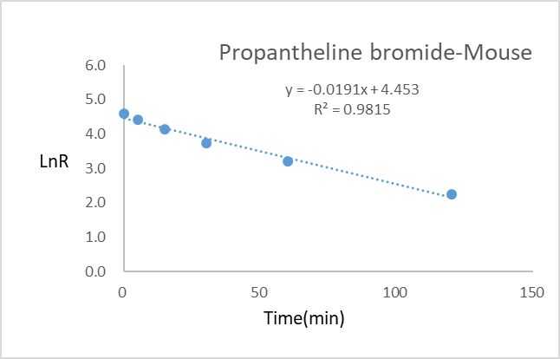
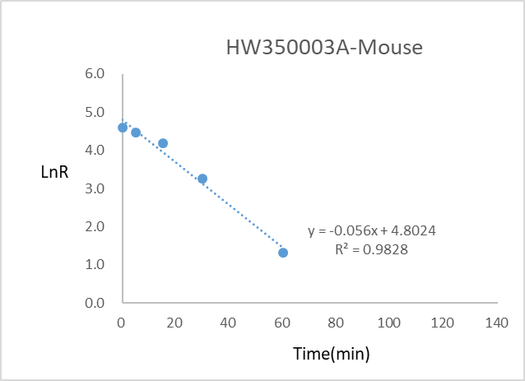
HW350003A | Mouse | 120 | 0.00E+00 | 0.00E+00 | 0.000 | 0.00 | NA
 |  | 60 | 7.83E-03 | 8.41E-03 | 0.008 | 3.73 | 1.32
 |  | 30 | 5.29E-02 | 6.13E-02 | 0.057 | 26.25 | 3.27
 |  | 15 | 1.45E-01 | 1.41E-01 | 0.143 | 65.75 | 4.19
 |  | 5 | 1.89E-01 | 1.93E-01 | 0.191 | 87.82 | 4.48
 |  | 0 | 2.13E-01 | 2.22E-01 | 0.218 | 100.00 | 4.61
Propantheline bromide |  | 120 | 8.21E-01 | 8.99E-01 | 0.860 | 9.60 | 2.26
 |  | 60 | 2.21E+00 | 2.17E+00 | 2.190 | 24.5 | 3.20
 |  | 30 | 3.69E+00 | 3.81E+00 | 3.750 | 41.9 | 3.73
 |  | 15 | 5.14E+00 | 5.98E+00 | 5.560 | 62.1 | 4.13
 |  | 5 | 7.36E+00 | 7.34E+00 | 7.350 | 82.1 | 4.41
 |  | 0 | 8.93E+00 | 8.98E+00 | 8.955 | 100.00 | 4.61
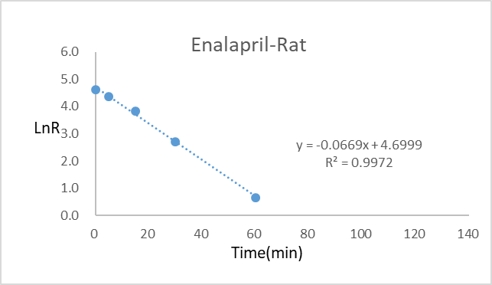
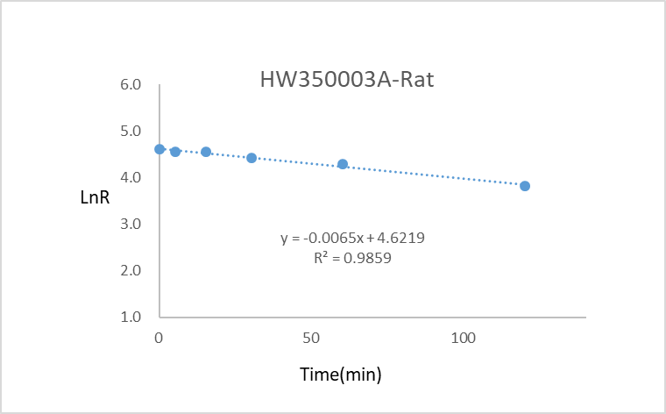
HW350003A | Rat | 120 | 1.05E-01 | 1.14E-01 | 0.110 | 45.44 | 3.82
 |  | 60 | 1.74E-01 | 1.76E-01 | 0.175 | 72.61 | 4.29
 |  | 30 | 2.00E-01 | 2.03E-01 | 0.202 | 83.61 | 4.43
 |  | 15 | 2.32E-01 | 2.27E-01 | 0.230 | 95.23 | 4.56
 |  | 5 | 2.26E-01 | 2.31E-01 | 0.229 | 94.81 | 4.55
 |  | 0 | 2.37E-01 | 2.45E-01 | 0.241 | 100.00 | 4.61
Enalapril |  | 120 | 1.27E-03 | 1.68E-03 | 0.001 | 0.03 | -3.60
 |  | 60 | 9.83E-02 | 1.08E-01 | 0.103 | 1.92 | 0.65
 |  | 30 | 7.72E-01 | 8.15E-01 | 0.794 | 14.76 | 2.69
 |  | 15 | 2.38E+00 | 2.60E+00 | 2.490 | 46.33 | 3.84
 |  | 5 | 4.06E+00 | 4.31E+00 | 4.185 | 77.86 | 4.35
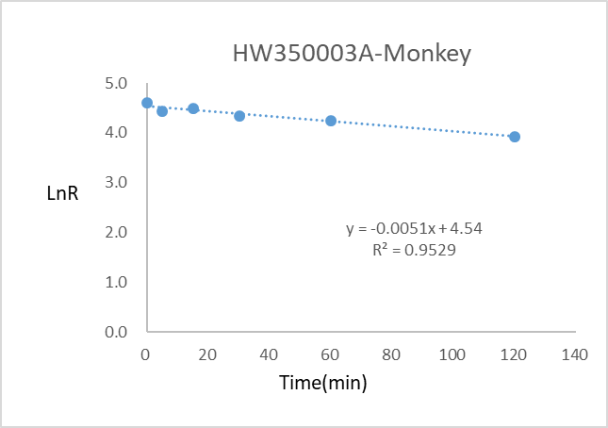
 |  | 0 | 5.39E+00 | 5.36E+00 | 5.375 | 100.00 | 4.61
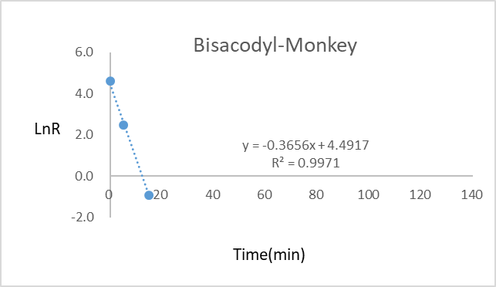
HW350003A | Monkey | 120 | 1.36E-01 | 1.44E-01 | 0.140 | 50.63 | 3.92
 |  | 60 | 1.98E-01 | 1.90E-01 | 0.194 | 70.16 | 4.25
 |  | 30 | 2.04E-01 | 2.20E-01 | 0.212 | 76.67 | 4.34
 |  | 15 | 2.36E-01 | 2.61E-01 | 0.249 | 89.87 | 4.50
 |  | 5 | 2.31E-01 | 2.38E-01 | 0.235 | 84.81 | 4.44
 |  | 0 | 2.56E-01 | 2.97E-01 | 0.277 | 100.00 | 4.61
Bisacodyl |  | 120 | 0.00E+00 | 0.00E+00 | 0.000 | 0.00 | NA
 |  | 60 | 0.00E+00 | 0.00E+00 | 0.000 | 0.00 | NA
 |  | 30 | 0.00E+00 | 0.00E+00 | 0.000 | 0.00 | NA
 |  | 15 | 5.07E-02 | 4.82E-02 | 0.049 | 0.39 | -0.935
 |  | 5 | 1.48E+00 | 1.57E+00 | 1.525 | 12.10 | 2.49
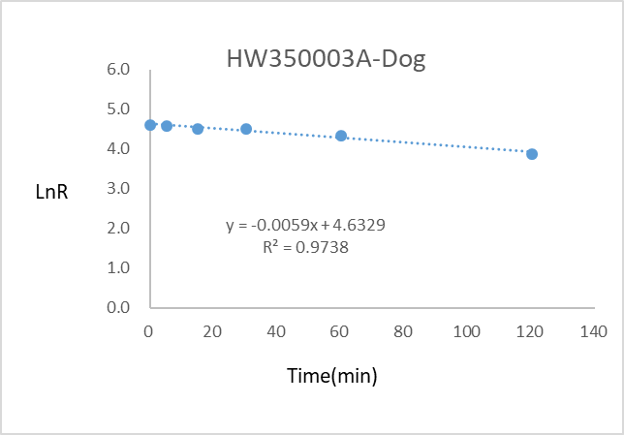
 |  | 0 | 1.28E+01 | 1.24E+01 | 12.600 | 100.00 | 4.61
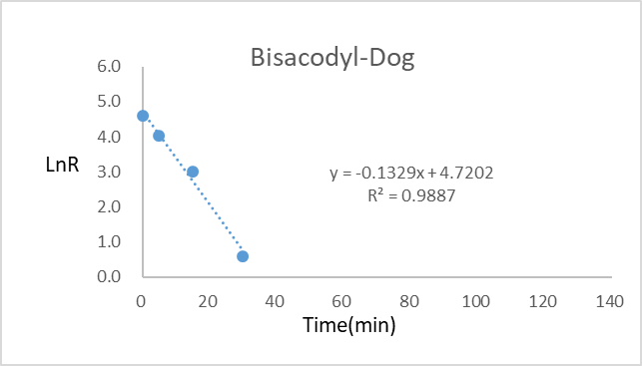
HW350003A | Dog | 120 | 1.07E-01 | 1.07E-01 | 0.107 | 48.53 | 3.88
 |  | 60 | 1.64E-01 | 1.74E-01 | 0.169 | 76.64 | 4.34
 |  | 30 | 2.03E-01 | 1.96E-01 | 0.200 | 90.48 | 4.51
 |  | 15 | 2.01E-01 | 2.02E-01 | 0.202 | 91.38 | 4.52
 |  | 5 | 2.09E-01 | 2.24E-01 | 0.217 | 98.19 | 4.59
 |  | 0 | 2.24E-01 | 2.17E-01 | 0.221 | 100.00 | 4.61
Bisacodyl |  | 120 | 0.00E+00 | 0.00E+00 | 0.000 | 0.00 | NA
 |  | 60 | 2.09E-03 | 2.75E-03 | 0.002 | 0.02 | -3.891
 |  | 30 | 2.09E-01 | 2.24E-01 | 0.217 | 1.83 | 0.60
 |  | 15 | 2.38E+00 | 2.38E+00 | 2.380 | 20.08 | 3.00
 |  | 5 | 6.49E+00 | 6.85E+00 | 6.670 | 56.29 | 4.03
 |  | 0 | 1.16E+01 | 1.21E+01 | 11.850 | 100.00 | 4.61

