Sheet1
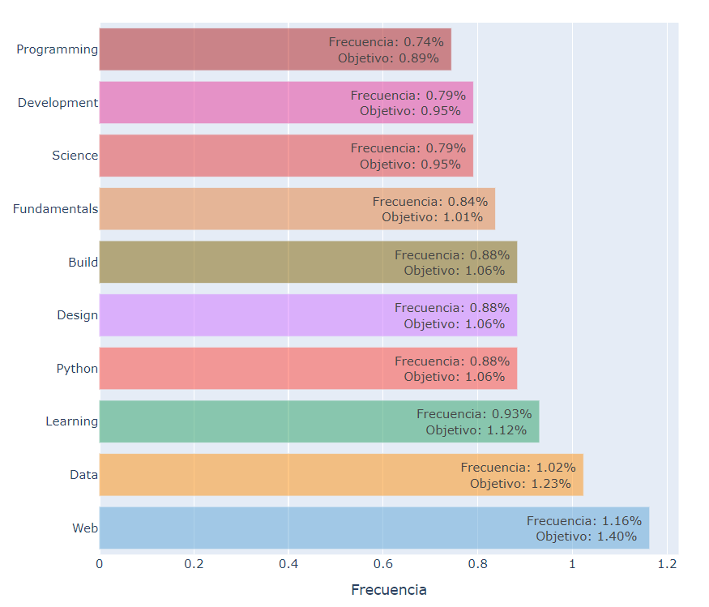

N° | Top-10 Key Words | KPI-02 | Increase | Target
1 | Programming | 0.74 | 0.15 | 0.89
2 | Development | 0.79 | 0.16 | 0.95
3 | Science | 0.79 | 0.16 | 0.95
4 | Fundamentals | 0.84 | 0.17 | 1.01
5 | Build | 0.88 | 0.18 | 1.06
6 | Design | 0.88 | 0.18 | 1.06
7 | Python | 0.88 | 0.18 | 1.06
8 | Learning | 0.93 | 0.19 | 1.12
9 | Data | 1.02 | 0.21 | 1.23
10 | Web | 1.16 | 0.24 | 1.4

Hoja1
Año | 2020 | 2021 | 2022 | 2023
Tasa Incremento | 1795.37 | 1974.907 | 2172.3977 | 2389.63747

Tasa de Incremento

