Arduino R3 Signal
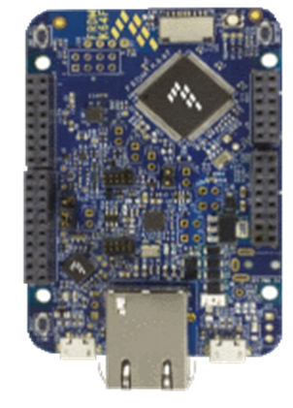
J1 (even)
Pin No | Name | Signal | J4 (even)
2 | D0 | PTC16 | Pin No | Name | Signal
4 | D1 | PTC17 | 2 | A0 | PTB2
6 | D2 | PTB9 | 4 | A1 | PTB3
8 | D3 | PTA1 | 6 | A2 | PTB10
10 | D4 | PTB23 | 8 | A3 | PTB11
12 | D5 | PTA2 | 10 | A4 | PTC11
14 | D6 | PTC2 | 12 | A5 | PTC10
16 | D7 | PTC3

 |  |  | J3 (even)
J2 (even) |  |  | Pin | Name | Signal
Pin | Name | Signal | 2 | - | N.C.
2 | - | PTC12 | 4 | - | IOREF
4 | - | PTC4 | 6 | - | RESET
6 | - | PTD0 | 8 | - | P3.3V
8 | - | PTD2 | 10 | - | P5V_USB
10 | - | PTD3 | 12 | - | GND
12 | - | PTD1 | 14 | - | GND
14 | - | GND | 16 | - | P5-9V VIN
16 | - | AREF
18 | - | PTE25
20 | - | PTE24

