Introduction,_Theory
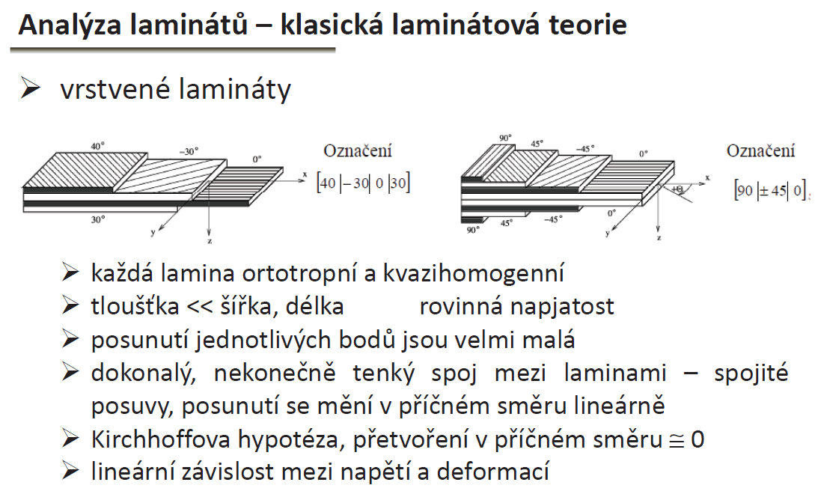
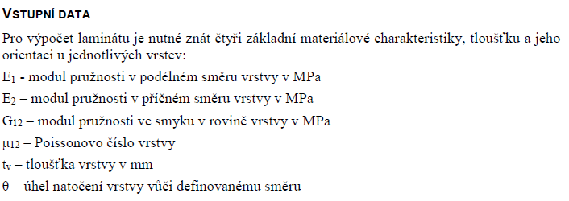
I
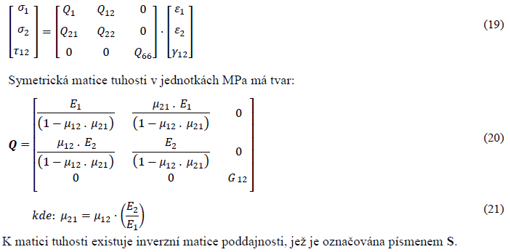
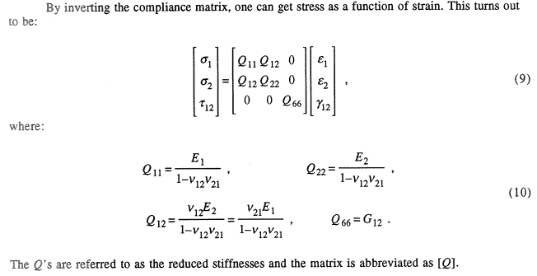
II
Note

 |  | Sandwich theory

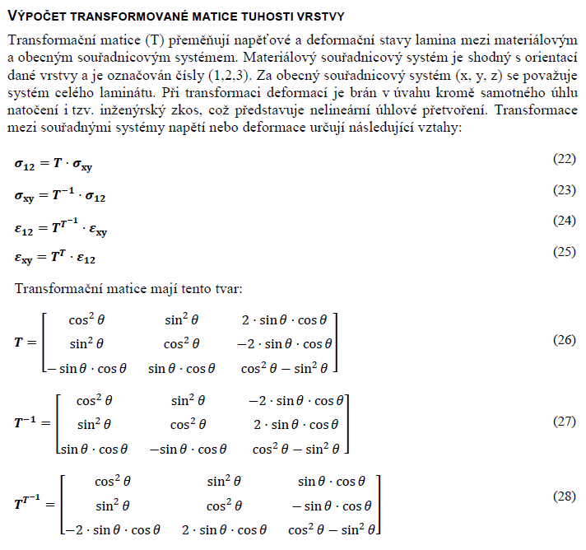
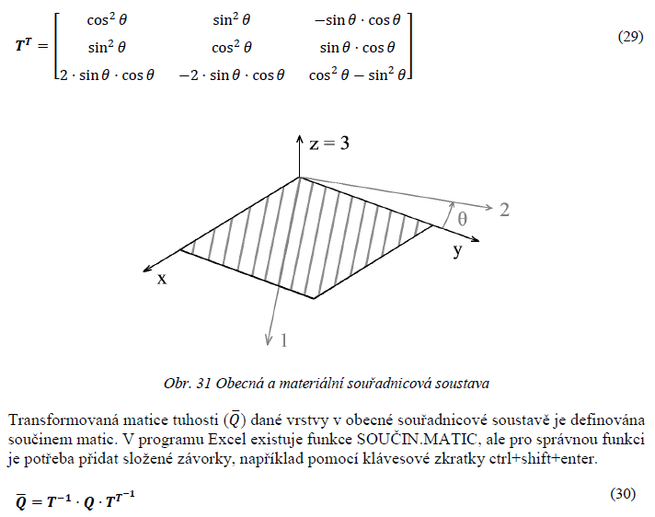
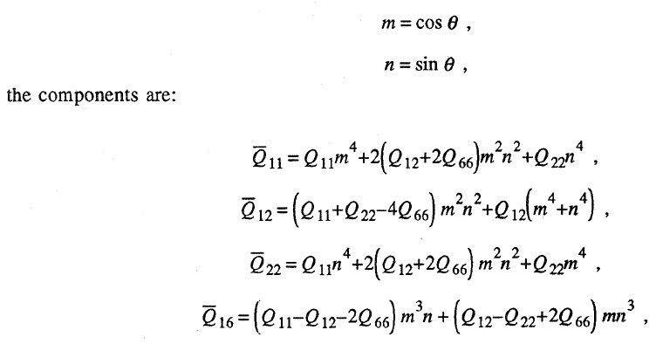
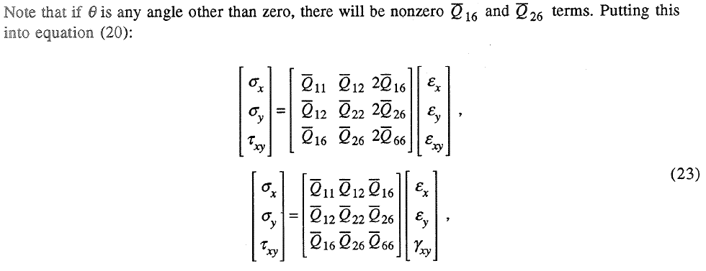
III
Q16,Q26 are for general direction non-zero. If non-zero, there is coupling between tension and shear. for 0 and 90 angle with respect to material coor system those are zeros
 |  | Workflow:
 |  | 1 | Fsae, Fsg rules
 |  | 2 | relevant theory
 |  | 3 | calculation
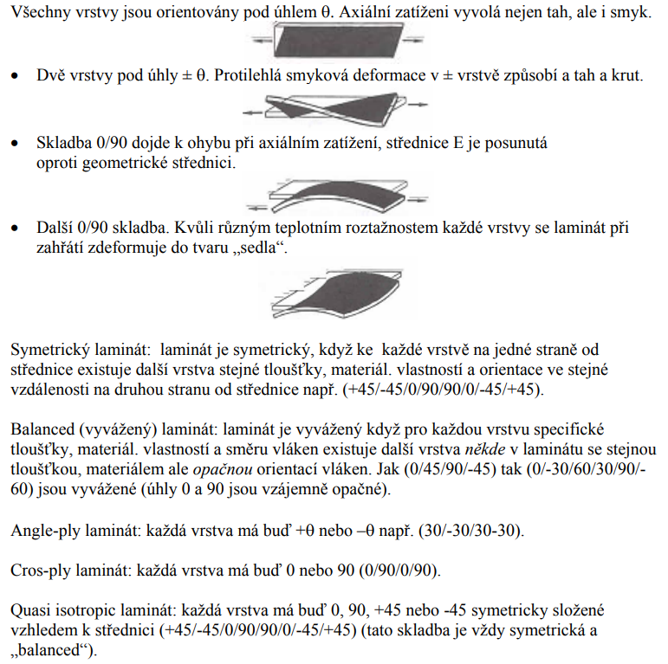
 |  | 4 | panels' design

 |  | References:
 |  | 1 | Zidek, T. Aplikace senvicove konstrukce na formulovy vuz, Brno, VUT, 99s, 2016
 |  | 2
 |  | 3
 |  | 4
 |  | 5

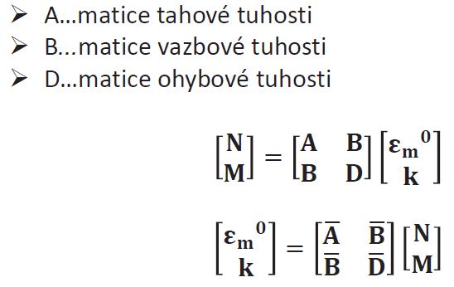
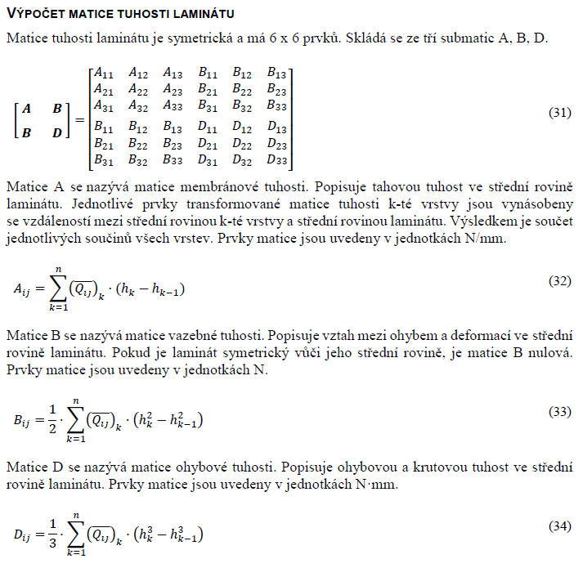
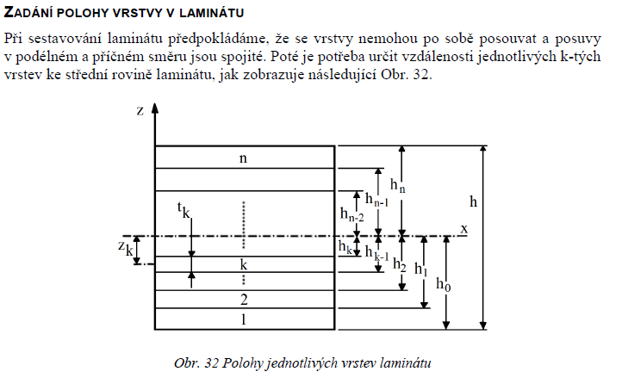
IV

 | Material coordinate system corresponds to orientation of material fibres, numerical indexes (Eps_12, ...)

 | General coordinate system corresponds to orientation of whole laminate plate, letter indexes (Eps_xy,...)

References:
1 | Nettles, A.T., 1994. Basic mechanics of laminated composite plates. (NASA)
2 | Zidek, T. Aplikace senvicove konstrukce na formulovy vuz, Brno, VUT, 99s, 2016

 | information from 2 were confirmed from 1 and/or another international sources not listed here

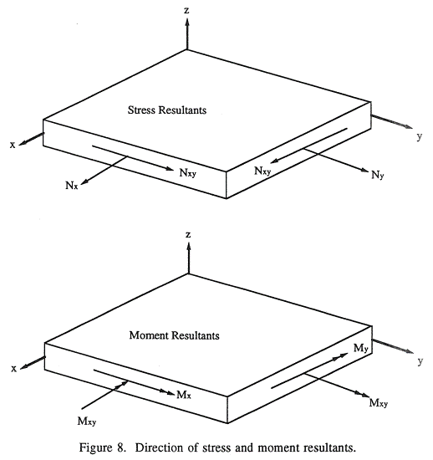
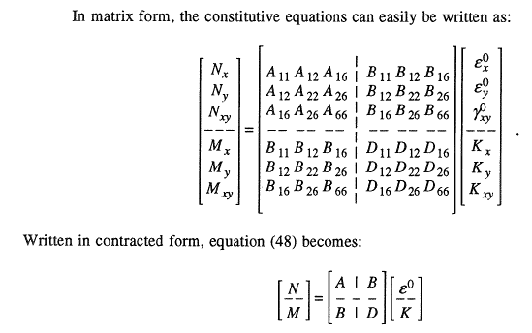
V

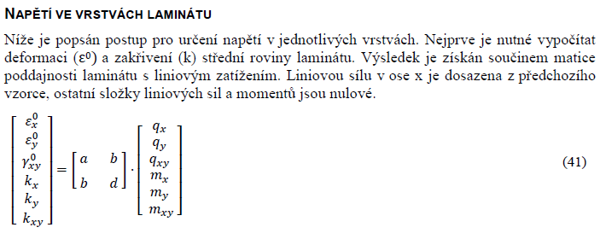
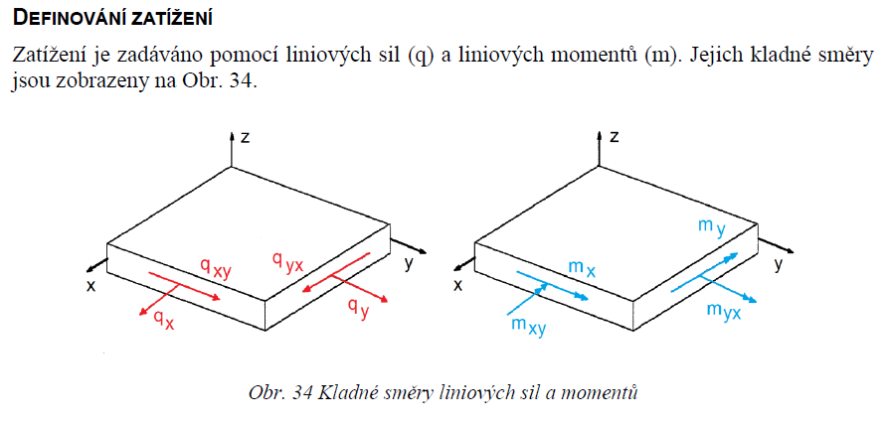
VI
Force [N/mm], Moment [N*mm/mm]

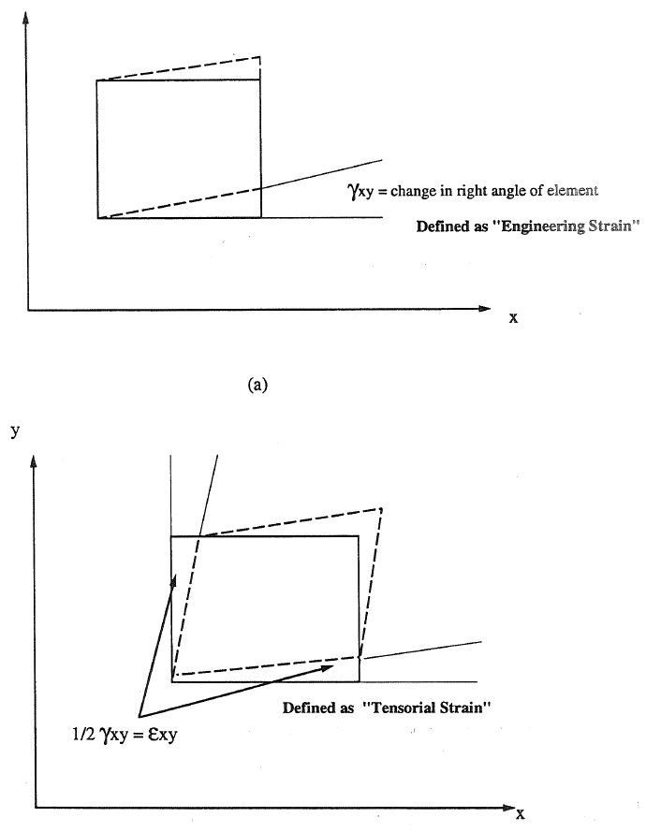
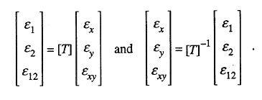
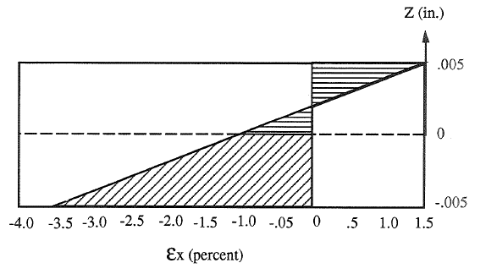
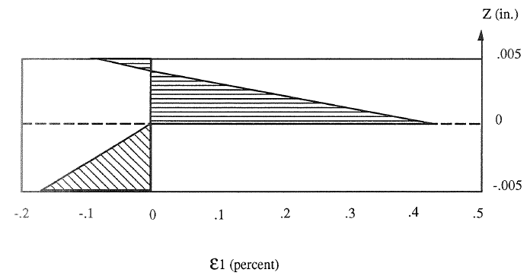
z is dimension of the given plane from horizontal coordinate zero
VII
1)
1) calculate strain in general coor system for each ply top and bottom
2)plot of strain versus thickness , plies
3)transform strains into material coor system
4) plot strain versus thickness, plies
NOTE: when transforming strains, the TENSORIAN strain is used
3)
2)
4)

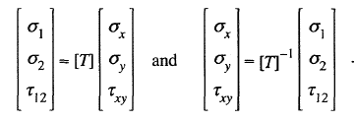
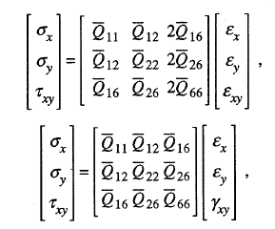
VIII

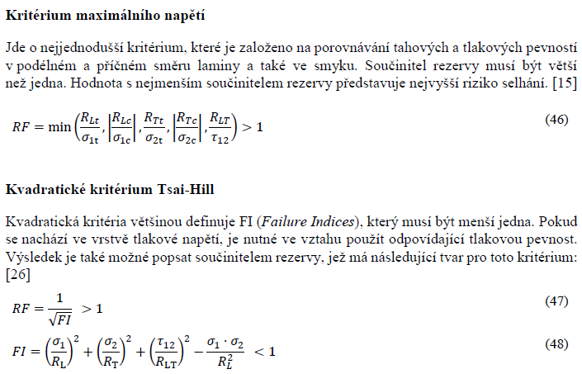
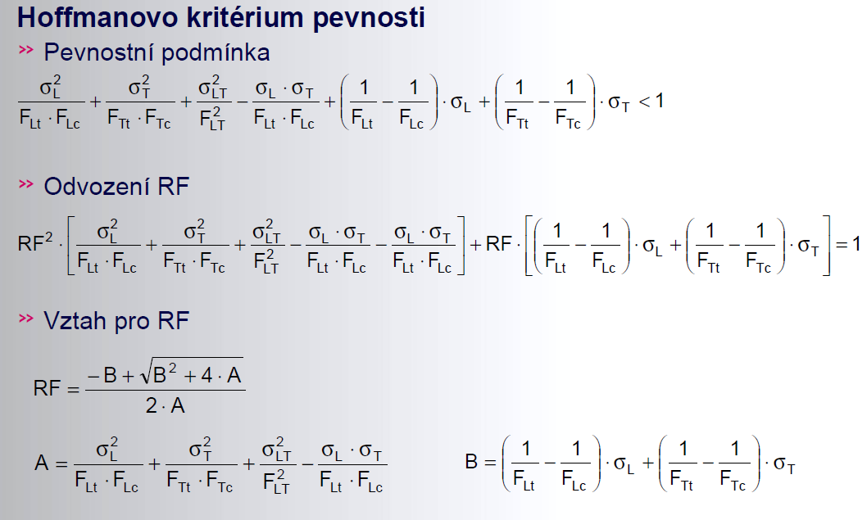
IX

Stacking_sequence
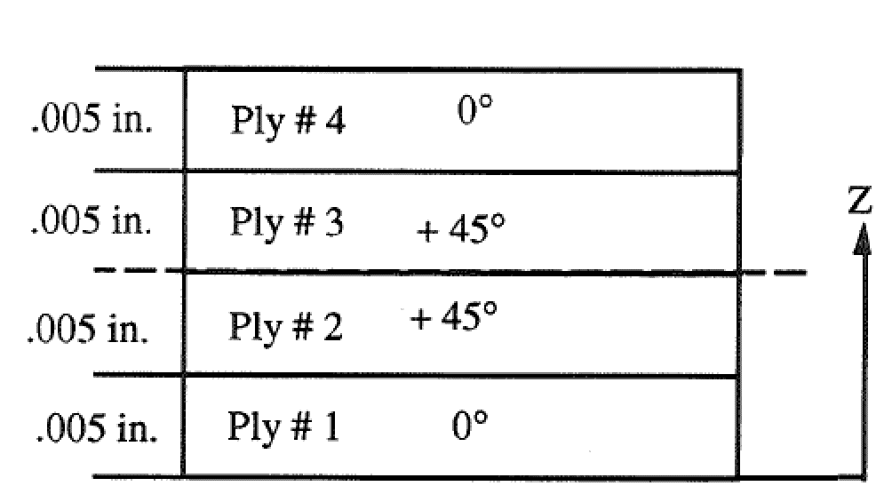
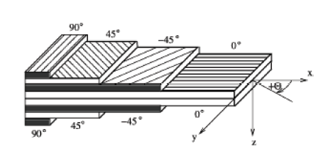
Stacking order
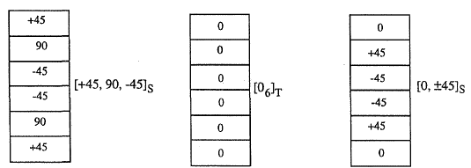
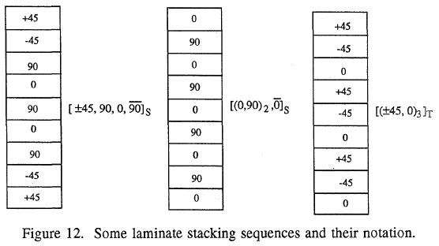
Stacking sequence of laminate

Ply no. |  |  | 1 | 2 | 3 | 4 | 5 | 6 | 7 | 8 | 9 | 10
Material | Select >>>>> |  | C200 | C200 | C200 | Select | Select | Select | Select | Select | Select | Select
Angle | phi | [deg] | 0 | 45 | 0 | 0 | 90 | -45 | 0 | 0 | 0 | 0
Young's Modulus (longitudinal) | E1 | [Mpa] | 57450 | 57450 | 57450 | 0 | 0 | 0 | 0 | 0 | 0 | 0
Young's Modulus (transverse) | E2 | [Mpa] | 57450 | 57450 | 57450 | 0 | 0 | 0 | 0 | 0 | 0 | 0
Shear Modulus | G12 | [Mpa] | 2630 | 2630 | 2630 | 0 | 0 | 0 | 0 | 0 | 0 | 0
Poisson's Ratio | v12 | [-] | 0.037 | 0.037 | 0.037 | 0 | 0 | 0 | 0 | 0 | 0 | 0
Longitudinal Tensile Strength | σtL | [Mpa] | 700 | 700 | 700 | 0 | 0 | 0 | 0 | 0 | 0 | 0
Longitudinal Compressive Strength | σcL | [Mpa] | 350 | 350 | 350 | 0 | 0 | 0 | 0 | 0 | 0 | 0
Transverse Tensile Strength | σtT | [Mpa] | 700 | 700 | 700 | 0 | 0 | 0 | 0 | 0 | 0 | 0
Transverse Compression Strength | σcT | [Mpa] | 350 | 350 | 350 | 0 | 0 | 0 | 0 | 0 | 0 | 0
Shear Strength | τTL | [Mpa] | 70 | 70 | 70 | 0 | 0 | 0 | 0 | 0 | 0 | 0
Thickness | t | [mm] | 0.22 | 0.22 | 0.22 | 0 | 0 | 0 | 0 | 0 | 0 | 0
Density | ρ | [kg/m3] | 1460 | 1460 | 1460 | 0 | 0 | 0 | 0 | 0 | 0 | 0
Plane Weight | mp | [g/m2] | 321.2 | 321.2 | 321.2 | 0 | 0 | 0 | 0 | 0 | 0 | 0

Laminate plane weight |  | 963.6 | [g/m2]

Total thickness |  | 0.66 | [mm]

