Introduction,_Theory
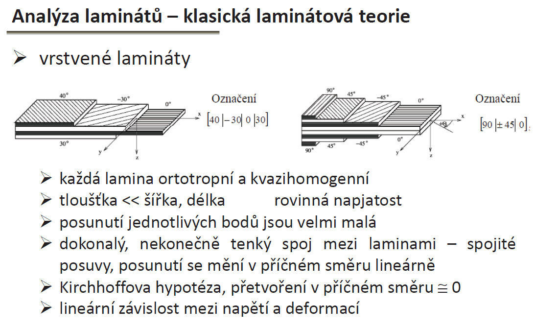
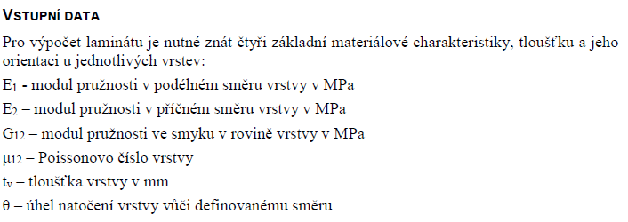
I
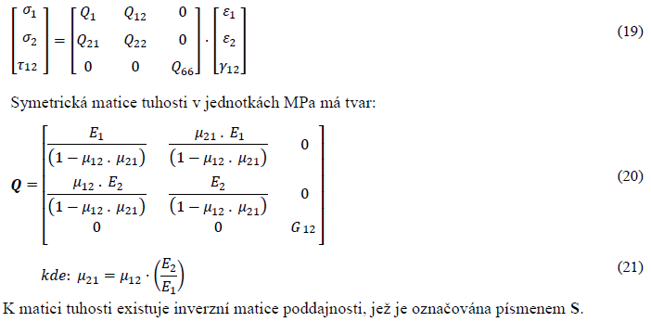
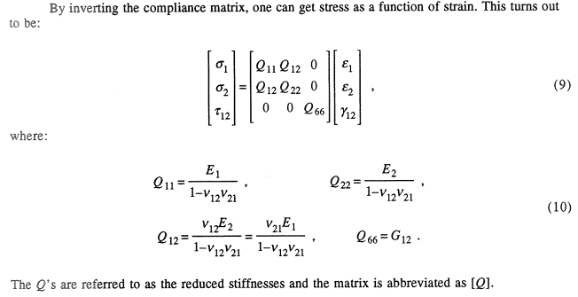
II
Note

 | Sandwich theory

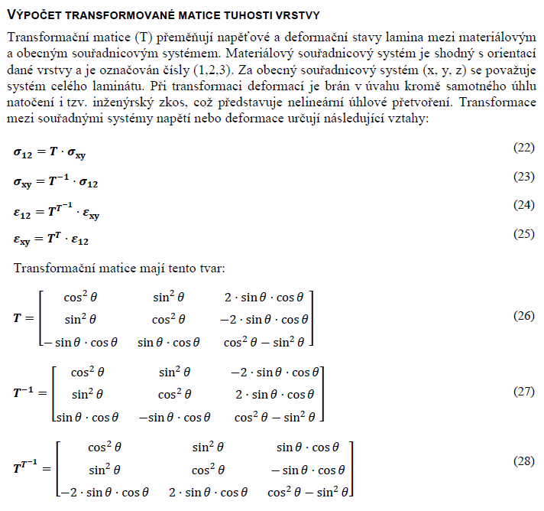
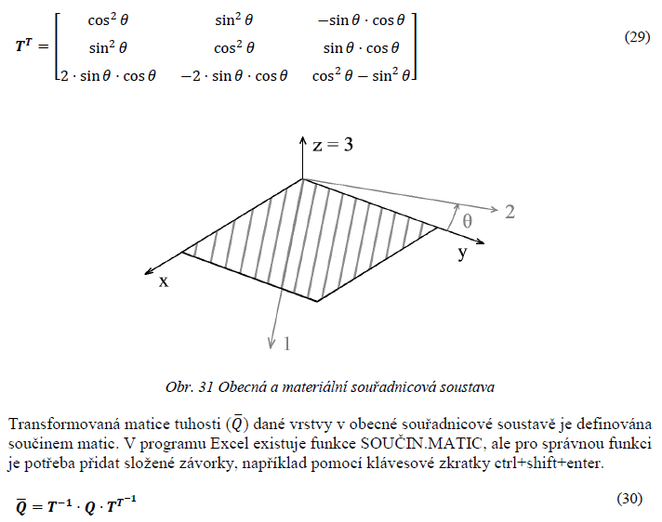
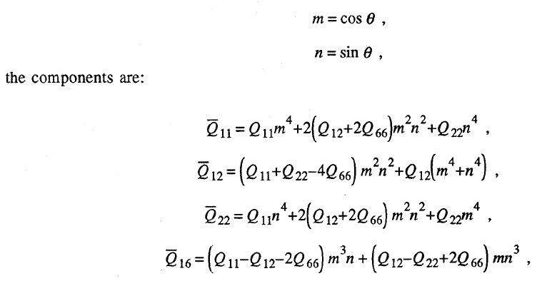
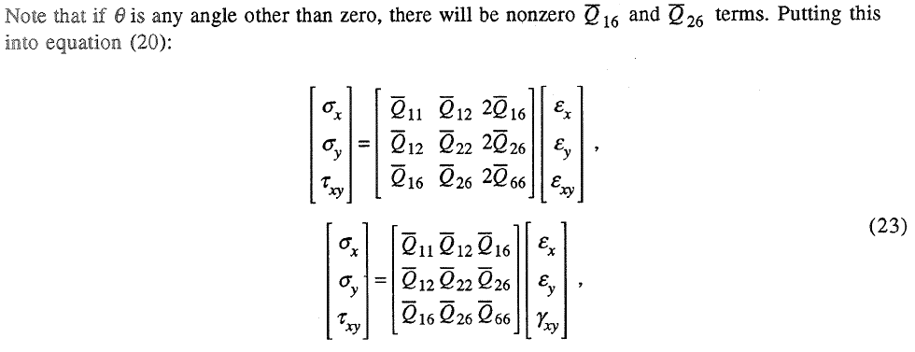
III
Q16,Q26 are for general direction non-zero. If non-zero, there is coupling between tension and shear. for 0 and 90 angle with respect to material coor system those are zeros

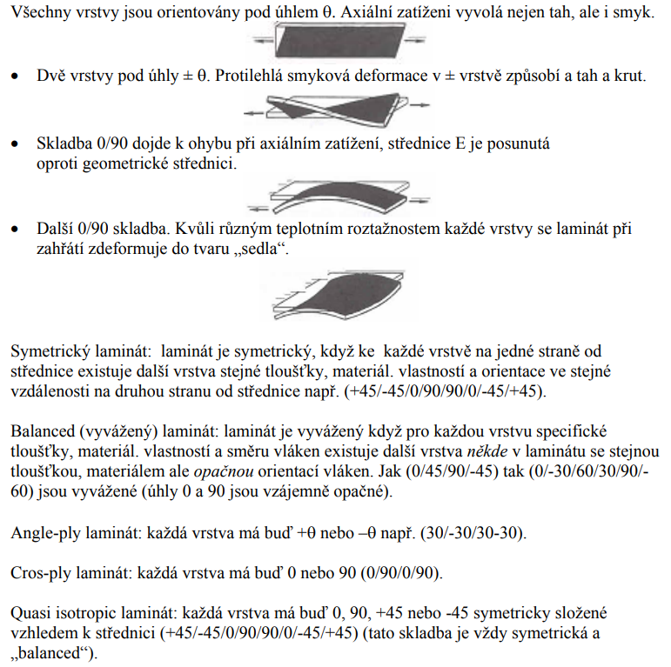

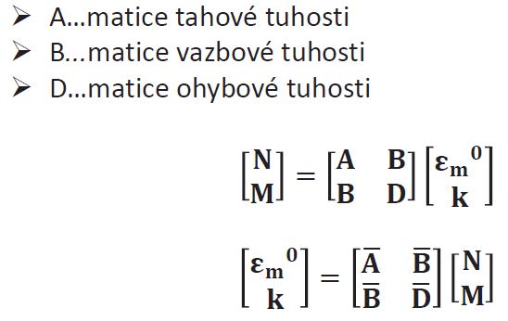
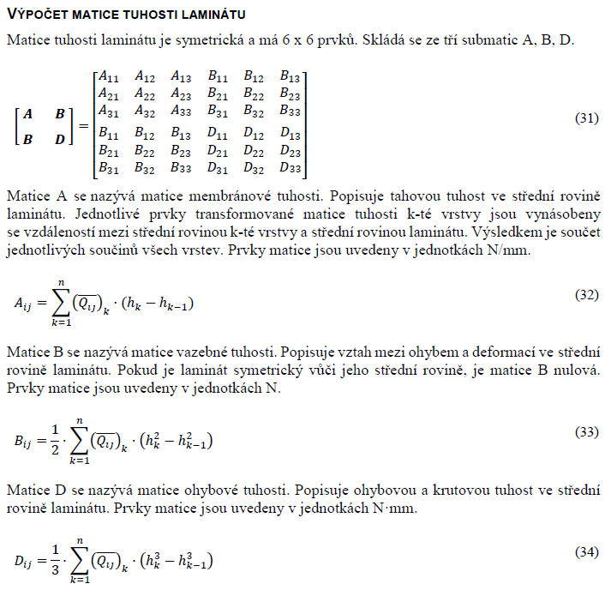
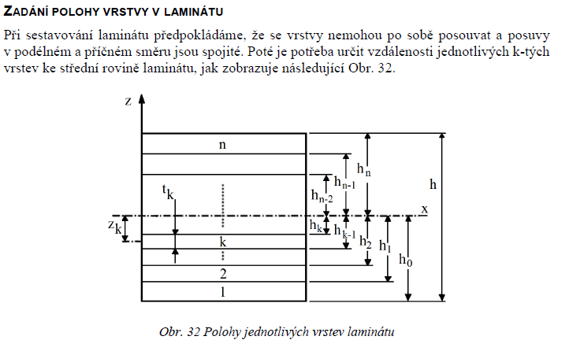
IV

Workflow>
I material input data
II Q matrix for material coordinate system
III transformation of Q according to angle ->Q_bar
IV members A, B, D of global stiffness matrix
V input of loading
VI calculation of deformation epsilon zero and curvature k of middle plane of laminate
(VII strain in plies, general + material coor system)
(VIII stress in plies, general + material coor system)
IX strength criterions

Material coordinate system corresponds to orientation of material fibres
General coordinate system corresponds to orientation of laminate

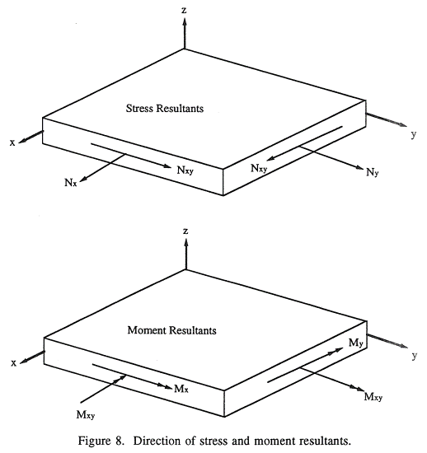
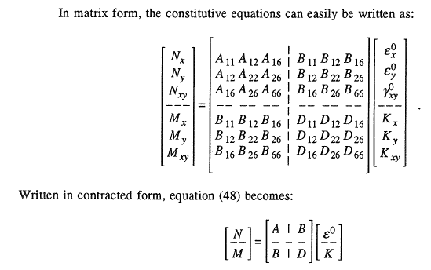
V

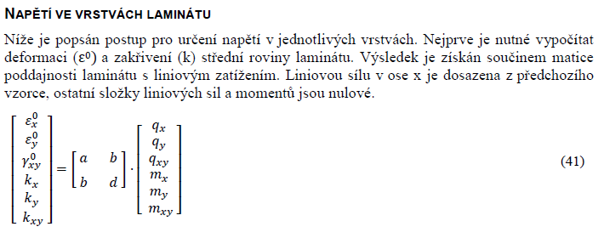
VI

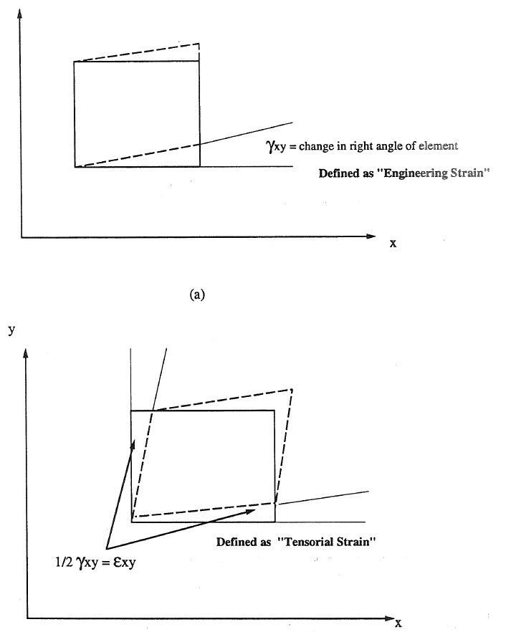
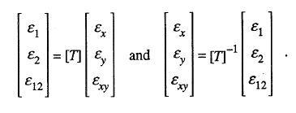
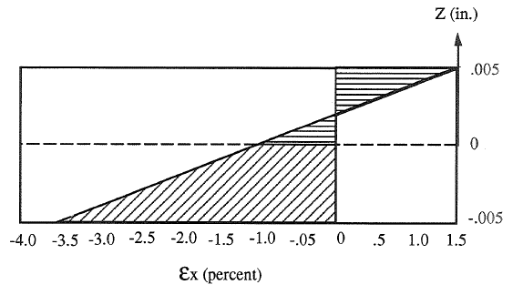
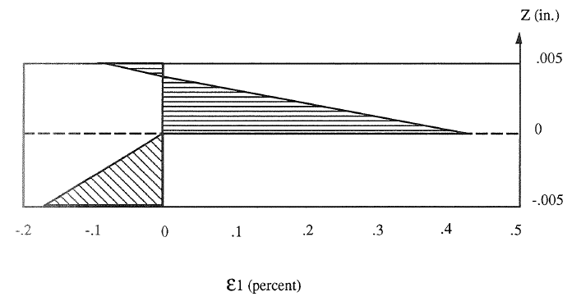
z is dimension of the given plane from horizontal coordinate zero
VII
1)
1) calculate strain in general coor system for each ply top and bottom
2)plot of strain versus thickness , plies
3)transform strains into material coor system
4) plot strain versus thickness, plies
NOTE: when transforming strains, the TENSORIAN strain is used
3)
2)
4)

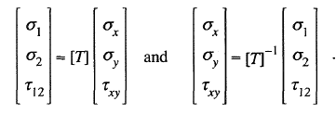
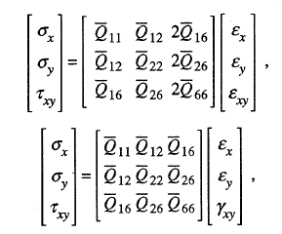
VIII

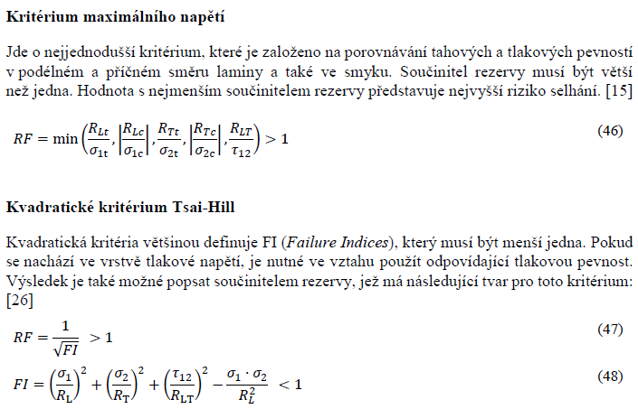
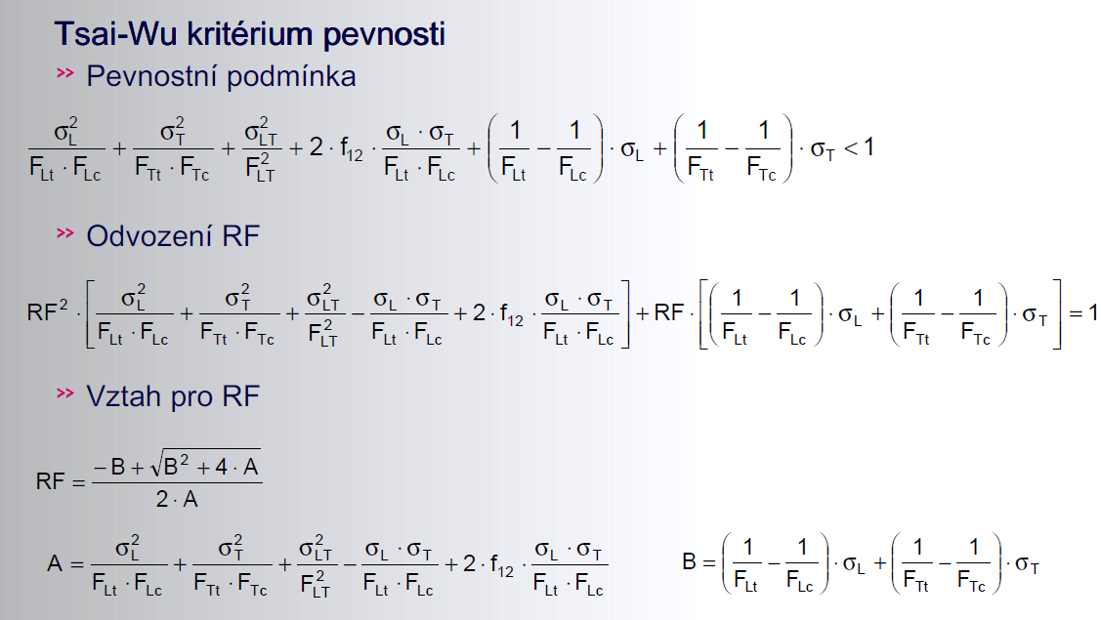
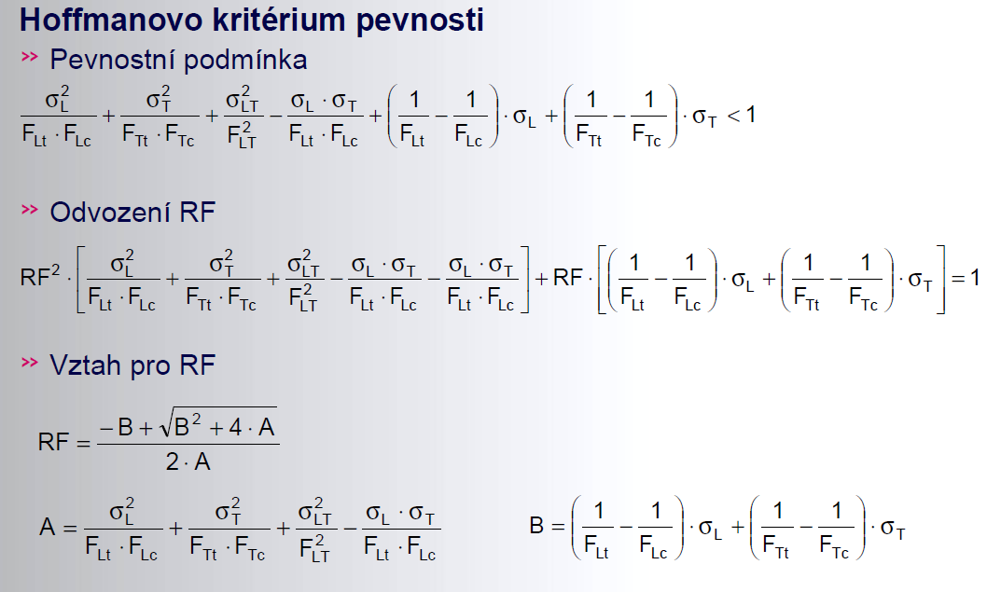
IX
This is not gonna be applied.
Requires biaxial tensile failure test.

Stacking_sequence
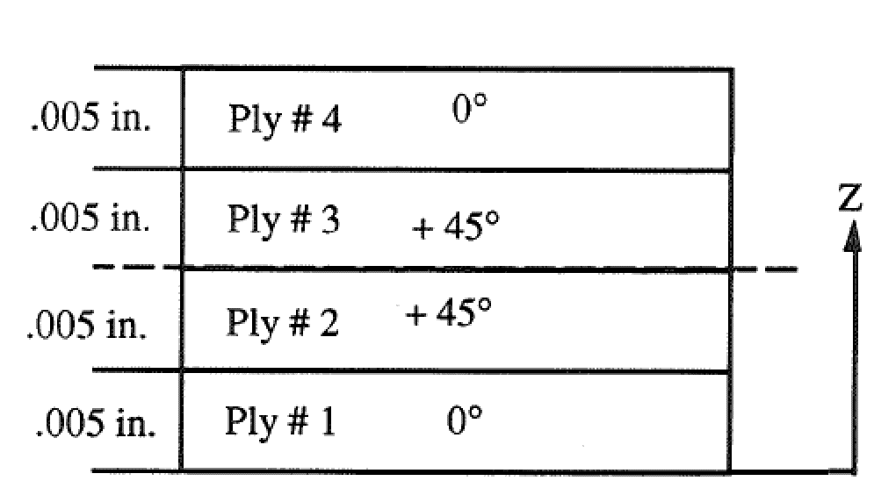
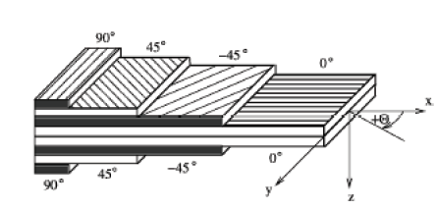
Stacking order
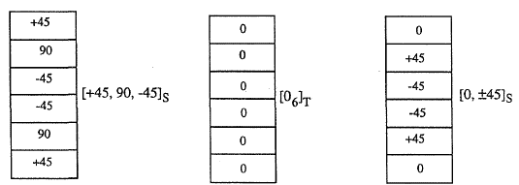
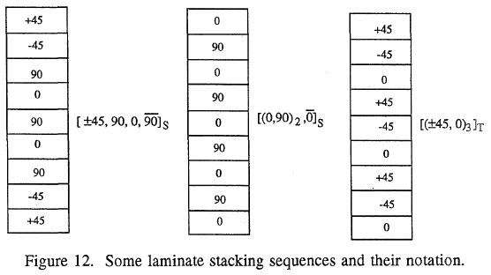
Stacking sequence of laminate

Ply no. |  |  | 1 | 2 | 3 | 4 | 5 | 6 | 7 | 8 | 9 | 10
Material | Select >>>>> |  | C200 | C200 | C200 | Select | Select | Select | Select | Select | Select | Select
Angle | phi | [deg] | 0 | 45 | 0 | 45 | 90 | -45 | 0 | 0 | 0 | 0
Young's Modulus (longitudinal) | E1 | [Mpa] | 57450 | 57450 | 57450 | 0 | 0 | 0 | 0 | 0 | 0 | 0
Young's Modulus (transverse) | E2 | [Mpa] | 57450 | 57450 | 57450 | 0 | 0 | 0 | 0 | 0 | 0 | 0
Shear Modulus | G12 | [Mpa] | 2630 | 2630 | 2630 | 0 | 0 | 0 | 0 | 0 | 0 | 0
Poisson's Ratio | v12 | [-] | 0.037 | 0.037 | 0.037 | 0 | 0 | 0 | 0 | 0 | 0 | 0
Longitudinal Tensile Strength | σtL | [Mpa] | 700 | 700 | 700 | 0 | 0 | 0 | 0 | 0 | 0 | 0
Longitudinal Compressive Strength | σcL | [Mpa] | 350 | 350 | 350 | 0 | 0 | 0 | 0 | 0 | 0 | 0
Transverse Tensile Strength | σtT | [Mpa] | 700 | 700 | 700 | 0 | 0 | 0 | 0 | 0 | 0 | 0
Transverse Compression Strength | σcT | [Mpa] | 350 | 350 | 350 | 0 | 0 | 0 | 0 | 0 | 0 | 0
Shear Strength | τTL | [Mpa] | 70 | 70 | 70 | 0 | 0 | 0 | 0 | 0 | 0 | 0
Thickness | t | [mm] | 0.22 | 0.22 | 0.22 | 0 | 0 | 0 | 0 | 0 | 0 | 0
Density | ρ | [kg/m3] | 1460 | 1460 | 1460 | 0 | 0 | 0 | 0 | 0 | 0 | 0
Plane Weight | mp | [g/m2] | 321.2 | 321.2 | 321.2 | 0 | 0 | 0 | 0 | 0 | 0 | 0

Laminate plane weight |  | 963.6 | [g/m2]

Total thickness |  | 0.66 | [mm]

