Introduction,Theory,Workflow
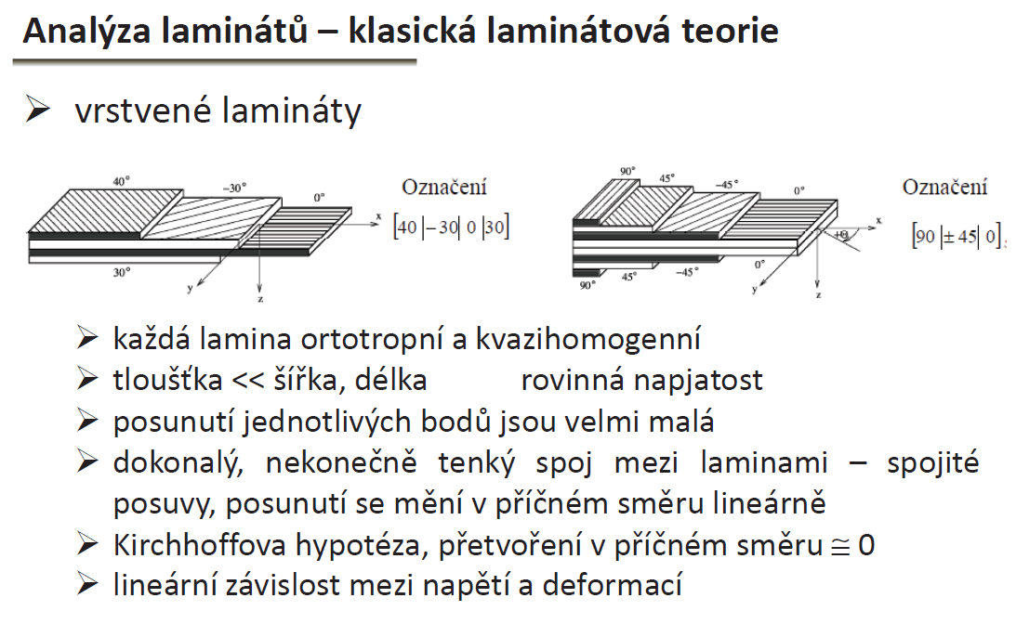
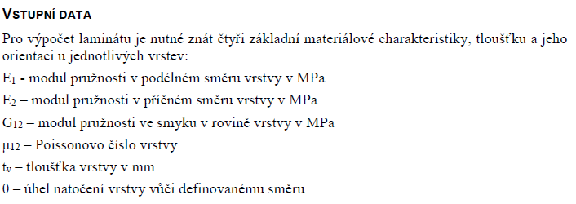
I
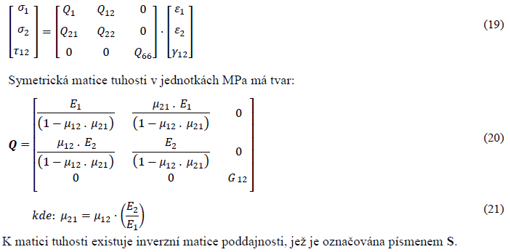
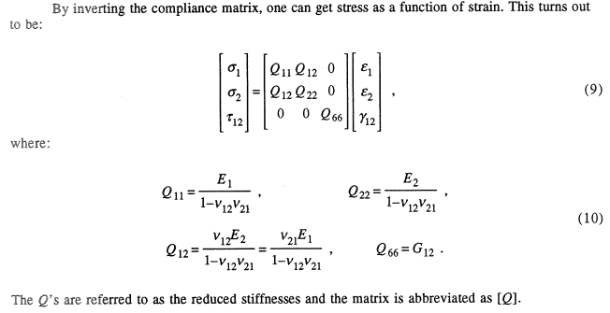
II
Note

 |  | Sandwich design workflow>
0) Determine testing device and test baseline tubes to get RC
1) Input material data into Excel database
2) Select laminate plies stacking, get lamina plane weight
3) Run laminate calculator to get lamina stiffness (E)
4) Iterate 2) and 3) for lamina of second panel face
5) You have E, plane weight and thicknesses of both panel faces --> insert them into panel_stiffness_calculator.m
- insert also estimated real vehicle panel width bf and estimated panel length af
- insert also RC
6) In excel, tab Stacking sequence select core material, core thickness and the structure the panel is for
7) Save excel file
8) run panel_stiffness_calculator.m
9) You get:
Stiffness comparison to baseline rules as precsibed in rules
Total panel thickness
masses of panel

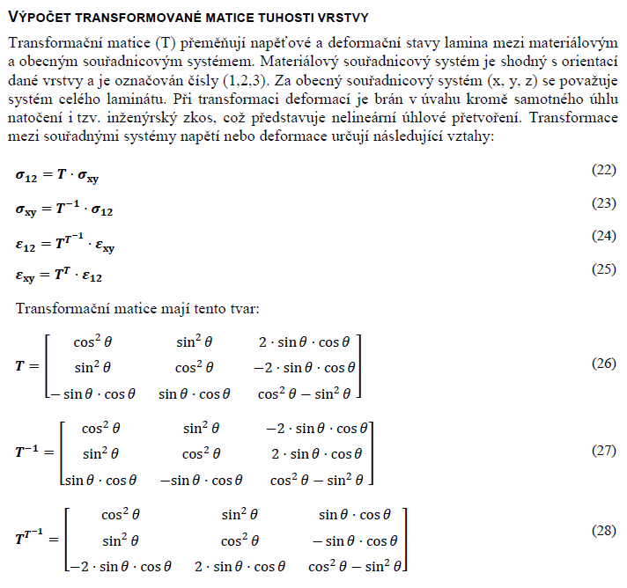
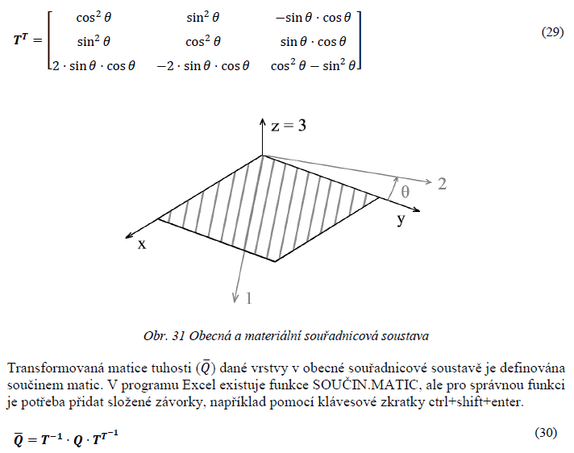
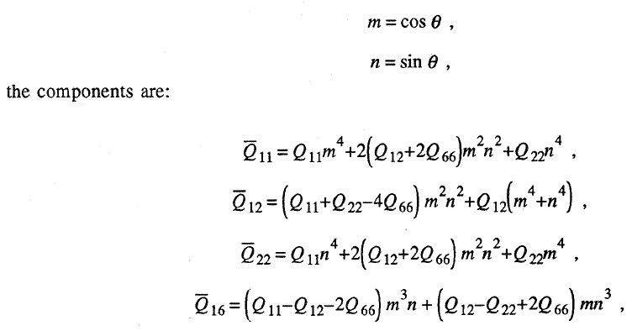
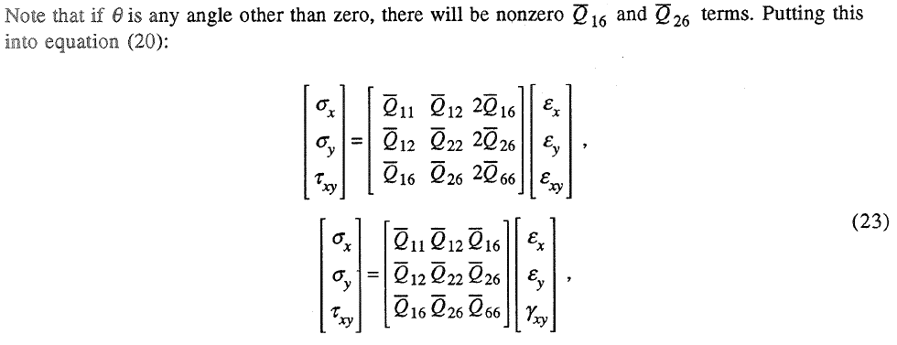
III
Q16,Q26 are for general direction non-zero. If non-zero, there is coupling between tension and shear. for 0 and 90 angle with respect to material coor system those are zeros

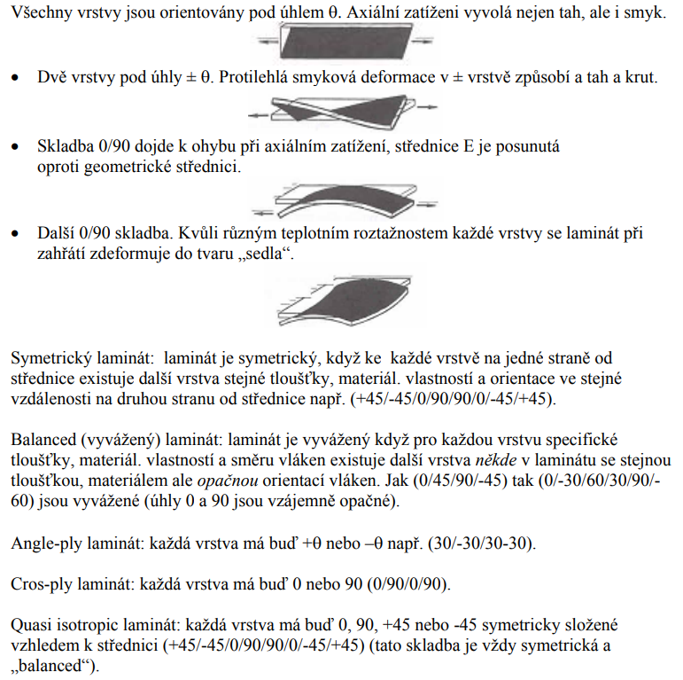

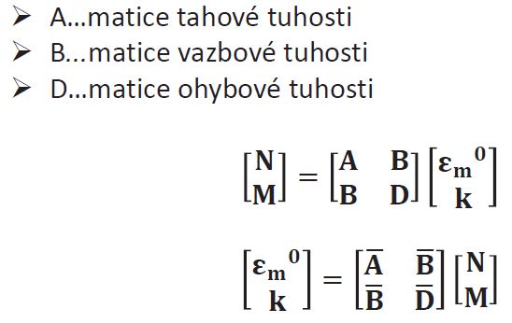
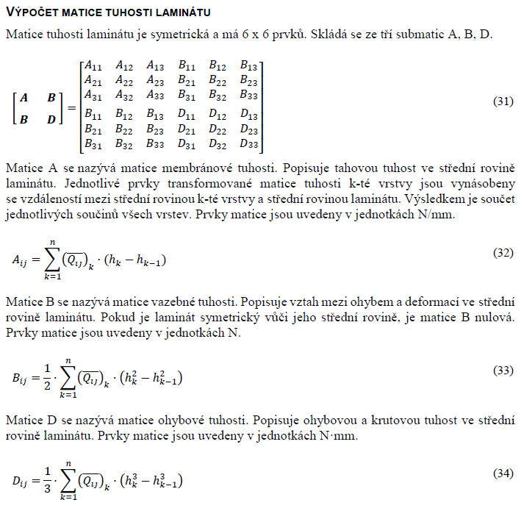
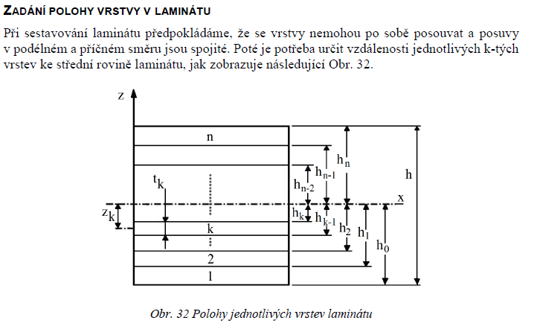
IV

 | Material coordinate system corresponds to orientation of material fibres, numerical indexes (Eps_12, ...)

 | General coordinate system corresponds to orientation of whole laminate plate, letter indexes (Eps_xy,...)

References:
1 | Nettles, A.T., 1994. Basic mechanics of laminated composite plates. (NASA)
2 | Zidek, T. Aplikace senvicove konstrukce na formulovy vuz, Brno, VUT, 99s, 2016

 | information from 2 were confirmed from 1 and/or another international sources not listed here

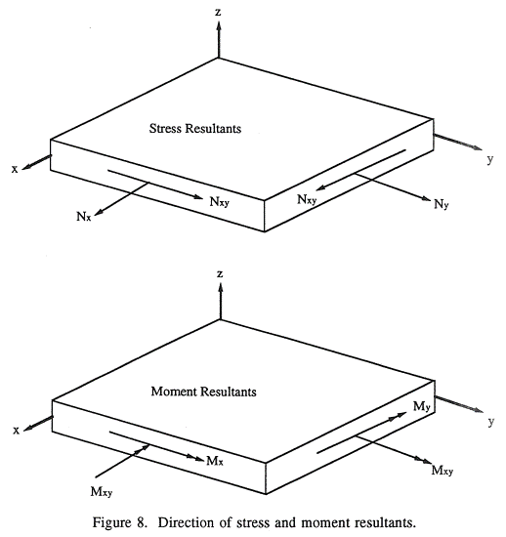
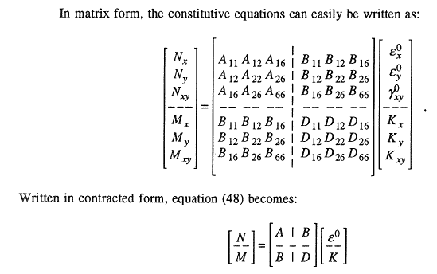
V
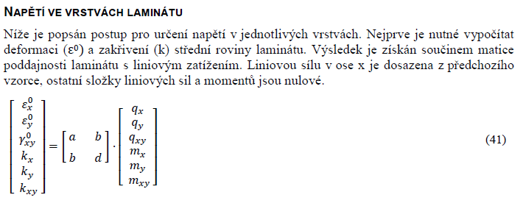
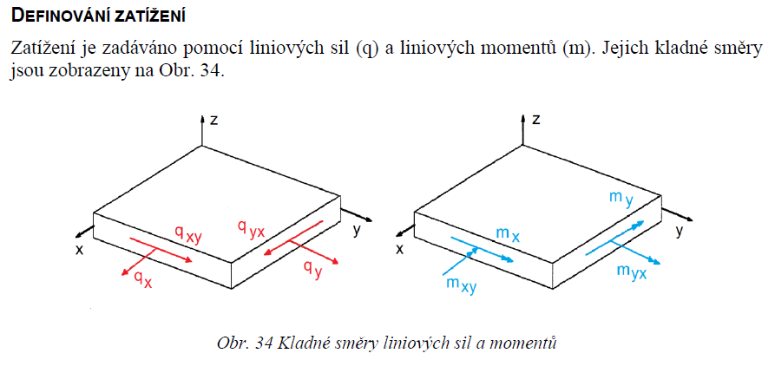
VI
Force [N/mm], Moment [N*mm/mm]
To get a line tensile force from 3-point bending loaded by point force in the middle use:
F - force, L - beam length, b-width,h-total beam height
[N/mm]
To get a line tensile force from bending of simple supported beam and loaded by uniformly distributed load q, use:
$$qx=\frac{q∙L^{2}}{8∙b∙h}$$
q-distrib load [N/mm], L - beam length, b-width,h-total beam height
[N/mm]
Tensile force used in CLT can be also determined in form of a reaction force from FEA

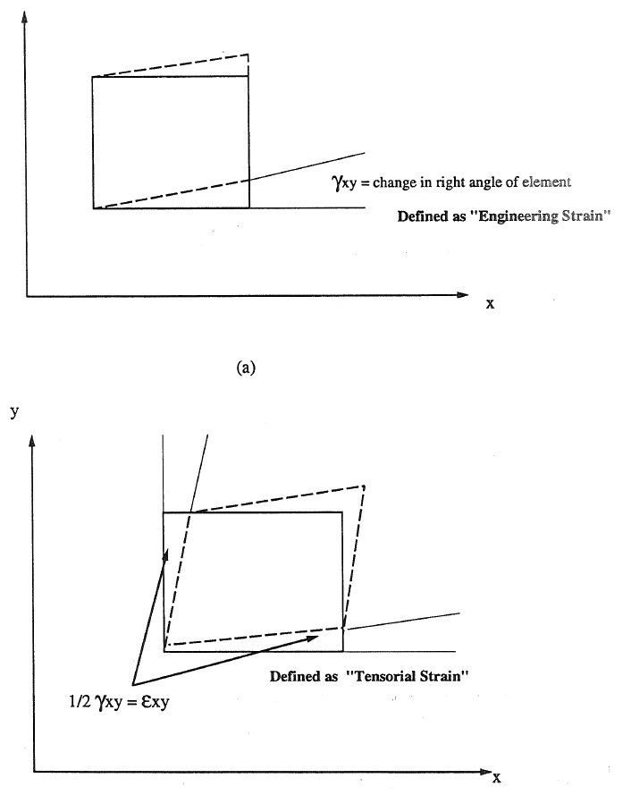
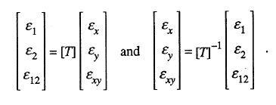
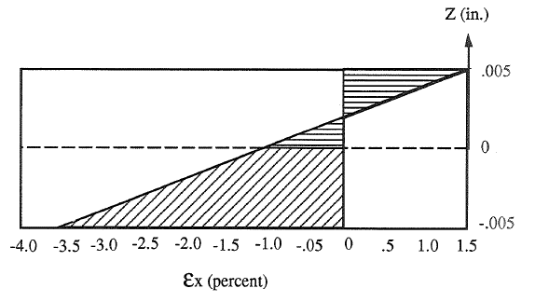
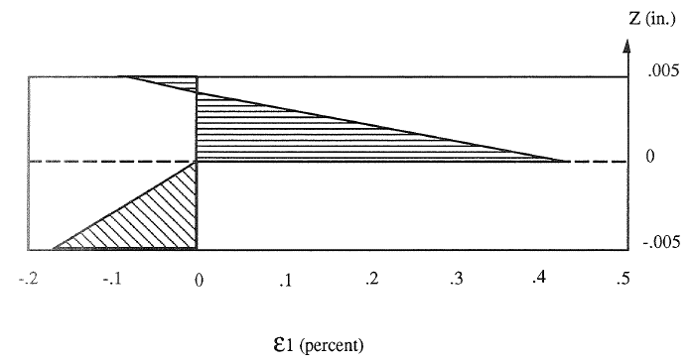
z is dimension of the given plane from horizontal coordinate zero
VII
1)
1) calculate strain in general coor system for each ply top and bottom
2)plot of strain versus thickness , plies
3)transform strains into material coor system
4) plot strain versus thickness, plies
NOTE: when transforming strains, the TENSORIAN strain is used
3)
2)
4)

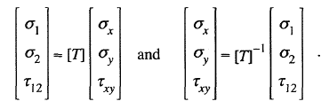
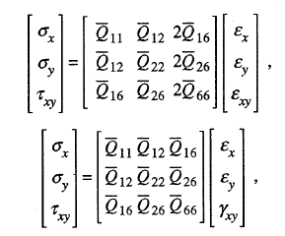
VIII

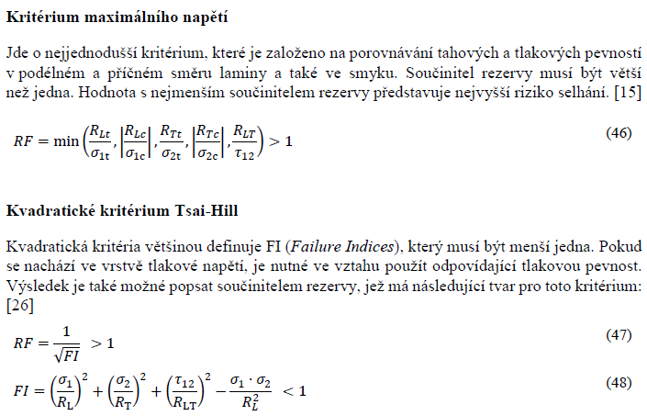
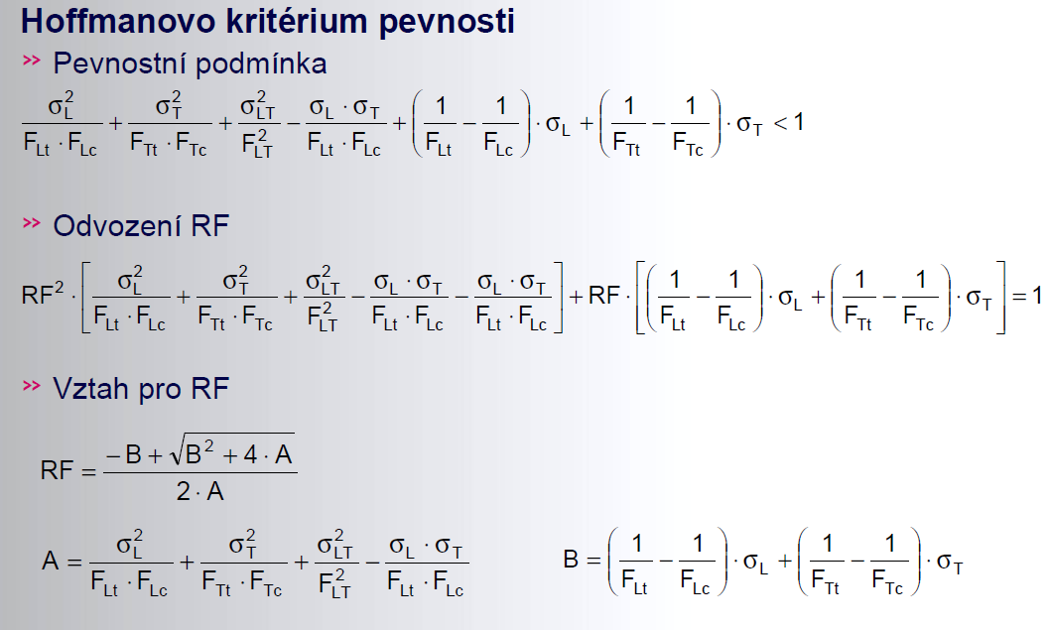
IX

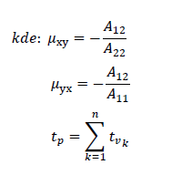
Poznamka: Tuhost laminatu z CLT se pro uhly 0+90,0+45,45+90 predpoklada vyssi okolo 10% vzhledem k realite.
Pro rozmanite skladby (napr 0,20,40,60) dochazi k pridavnemu zatizeni laminatu (torze + ohyb) uz pri jednoosem tahu --> tuhost z CLT se pak predpoklada az o 20% vyssi nez v realite.
--> navrhovat panely alespon o 10 - 20 % tuzsi nez limit

Stacking_sequence
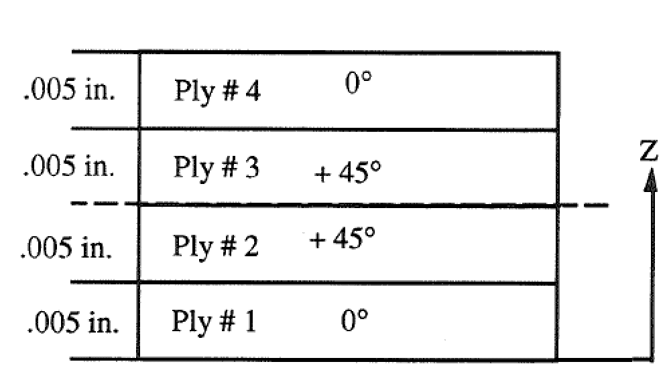
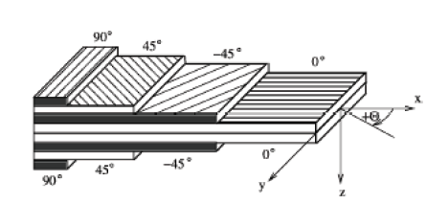
Stacking order
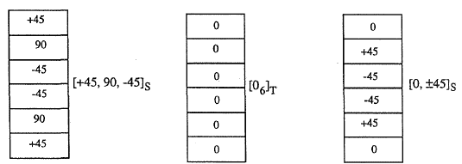
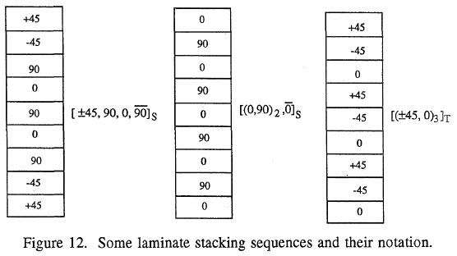
Stacking sequence of laminate

Ply no. |  |  | 1 | 2 | 3 | 4 | 5 | 6 | 7 | 8 | 9 | 10
Material | Select >>>>> |  | C200 | C200 | C200 | C200 | Select | Select | Select | Select | Select | Select
Angle | phi | [deg] | 0 | 0 | 45 | 45 | 90 | -45 | 0 | 0 | 0 | 0
Young's Modulus (longitudinal) | E1 | [Mpa] | 57452 | 57452 | 57452 | 57452 | 0 | 0 | 0 | 0 | 0 | 0
Young's Modulus (transverse) | E2 | [Mpa] | 57452 | 57452 | 57452 | 57452 | 0 | 0 | 0 | 0 | 0 | 0
Shear Modulus | G12 | [Mpa] | 2630 | 2630 | 2630 | 2630 | 0 | 0 | 0 | 0 | 0 | 0
Poisson's Ratio | v12 | [-] | 0.037 | 0.037 | 0.037 | 0.037 | 0 | 0 | 0 | 0 | 0 | 0
Longitudinal Tensile Strength | σtL | [Mpa] | 700 | 700 | 700 | 700 | 0 | 0 | 0 | 0 | 0 | 0
Longitudinal Compressive Strength | σcL | [Mpa] | 350 | 350 | 350 | 350 | 0 | 0 | 0 | 0 | 0 | 0
Transverse Tensile Strength | σtT | [Mpa] | 700 | 700 | 700 | 700 | 0 | 0 | 0 | 0 | 0 | 0
Transverse Compression Strength | σcT | [Mpa] | 350 | 350 | 350 | 350 | 0 | 0 | 0 | 0 | 0 | 0
Shear Strength | τTL | [Mpa] | 70 | 70 | 70 | 70 | 0 | 0 | 0 | 0 | 0 | 0
Thickness | t | [mm] | 0.22 | 0.22 | 0.22 | 0.22 | 0 | 0 | 0 | 0 | 0 | 0
Density | ρ | [kg/m3] | 1460 | 1460 | 1460 | 1460 | 0 | 0 | 0 | 0 | 0 | 0
Plane Weight | mp | [g/m2] | 321 | 321 | 321 | 321 | 0 | 0 | 0 | 0 | 0 | 0
Laminate plane weight | 1284 | [g/m2]
Total laminate thickness | 0.88 | [mm]

Panel core
Material | Select >>>>> |  | pvc foam

Thickness | t | [mm] | 20
Young's Modulus | E | [Mpa] | 212
Shear Modulus | G | [Mpa] | 100
Poisson's Ratio | v | [-] | 0.06
Tensile Strength | σult | [Mpa] | 4
Shear Strength | τult | [Mpa] | 2
Density | ρ | [kg/m3] | 1560

What structure is the panel for?
Parameter | Select >>>>> |  | FBSS
NO. tubes | n | [-] | 3
Outer diameter | DO | [mm] | 25.4
Wall thickness | wt | [mm] | 1.2

Material_Database
Database of material parametres, cloths
Carbon fibres |  |  |  |  |  | Fill in |  | cells only

Material |  |  | C200 | test | test_nasa | com | NA | NA | NA | NA | NA | NA
Young's Modulus (longitudinal) | E1 | [Mpa] | 57452 | 57450 | 20010000 | 47200 | 0 | 0 | 0 | 0 | 0 | 0
Young's Modulus (transverse) | E2 | [Mpa] | 57452 | 57450 | 1301000 | 17322 | 0 | 0 | 0 | 0 | 0 | 0
Shear Modulus | G12 | [Mpa] | 2630 | 2630 | 1001000 | 4699 | 0 | 0 | 0 | 0 | 0 | 0
Poisson's Ratio | v12 | [-] | 0.037 | 0.037 | 0.3 | 0.31 | 0 | 0 | 0 | 0 | 0 | 0
Longitudinal Tensile Strength | σtL | [Mpa] | 700 | 700 | 14 | 1500 | 0 | 0 | 0 | 0 | 0 | 0
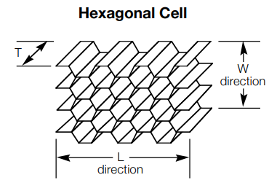
Longitudinal Compressive Strength | σdL | [Mpa] | 350 | 350 | 15 | 800 | 0 | 0 | 0 | 0 | 0 | 0
Transverse Tensile Strength | σtT | [Mpa] | 700 | 700 | 16 | 50 | 0 | 0 | 0 | 0 | 0 | 0
Transverse Compression Strength | σdT | [Mpa] | 350 | 350 | 17 | 75 | 0 | 0 | 0 | 0 | 0 | 0
Shear Strength | τTL | [Mpa] | 70 | 70 | 18 | 10 | 0 | 0 | 0 | 0 | 0 | 0
Thickness | t | [mm] | 0.22 | 0.5 | 0.005 | 0.5 | 0 | 0 | 0 | 0 | 0 | 0
Density | ρ | [kg/m3] | 1460 | 1460 | 20 | 10 | 0 | 0 | 0 | 0 | 0 | 0
Plane Weight | mp | [g/m2] | 321 | 321.2 | 21 | 10 | 0 | 0 | 0 | 0 | 0 | 0

Database of material parametres, cores
Foams |  |  |  |  |  |  |  |  |  |  |  |  | Honeycombs

Material |  |  | pvc foam | NA | NA | NA | NA | NA | NA | NA | NA | NA | ecm 6.4-82 | eca 3.2-48 | NA | NA | NA | NA | NA | NA | NA | NA |  |  | Material
Young's Modulus | E | [Mpa] | 212 | 0 | 0 | 0 | 0 | 0 | 0 | 0 | 0 | 0 | 1020 | 138 | 0 | 0 | 0 | 0 | 0 | 0 | 0 | 0 | [Mpa] | E | Young's Modulus
Shear Modulus | G | [Mpa] | 100 | 0 | 0 | 0 | 0 | 0 | 0 | 0 | 0 | 0 | 220 | 25 | 0 | 0 | 0 | 0 | 0 | 0 | 0 | 0 | [Mpa] | G | Shear Modulus
Poisson's Ratio | v | [-] | 0.06 | 0 | 0 | 0 | 0 | 0 | 0 | 0 | 0 | 0 | 0 | 0 | 0 | 0 | 0 | 0 | 0 | 0 | 0 | 0 | [-] | v | Poisson's Ratio
Tensile Strength | σult | [Mpa] | 4 | 0 | 0 | 0 | 0 | 0 | 0 | 0 | 0 | 0 | 4.5 | 1.8 | 0 | 0 | 0 | 0 | 0 | 0 | 0 | 0 | [Mpa] | σult | Compressive Strength
Shear Strength | τult | [Mpa] | 2 | 0 | 0 | 0 | 0 | 0 | 0 | 0 | 0 | 0 | 0.8 | 0.8 | 0 | 0 | 0 | 0 | 0 | 0 | 0 | 0 | [Mpa] | τult | Shear Strength
Density | ρ | [kg/m3] | 1560 | 0 | 0 | 0 | 0 | 0 | 0 | 0 | 0 | 0 | 82 | 48 | 0 | 0 | 0 | 0 | 0 | 0 | 0 | 0 | [kg/m3] | ρ | Density
 |  |  |  |  |  |  |  |  |  |  |  |  | 430 | 42 | 0 | 0 | 0 | 0 | 0 | 0 | 0 | 0 | [Mpa] | GL | Shear Modulus L
 |  |  |  |  |  |  |  |  |  |  |  |  | 220 | 25 | 0 | 0 | 0 | 0 | 0 | 0 | 0 | 0 | [Mpa] | GW | Shear Modulus W
 |  |  |  |  |  |  |  |  |  |  |  |  | 1.35 | 1.35 | 0 | 0 | 0 | 0 | 0 | 0 | 0 | 0 | [Mpa] | τL | Shear Strength L
 |  |  |  |  |  |  |  |  |  |  |  |  | 0.8 | 0.8 | 0 | 0 | 0 | 0 | 0 | 0 | 0 | 0 | [Mpa] | τW | Shear Strength W

 |  |  |  |  |  |  |  |  |  |  |  |  | settings for far:

 |  |  |  |  |  |  |  |  |  |  |  |  | G chosen the minimal
 |  |  |  |  |  |  |  |  |  |  |  |  | Shear strength chosen the minimal

