FTE_UG_UNI_1Y_INST_FIG
Proportion domestic employed full-time, 2025, with 90% confidence intervals among undergraduates from universities by institution
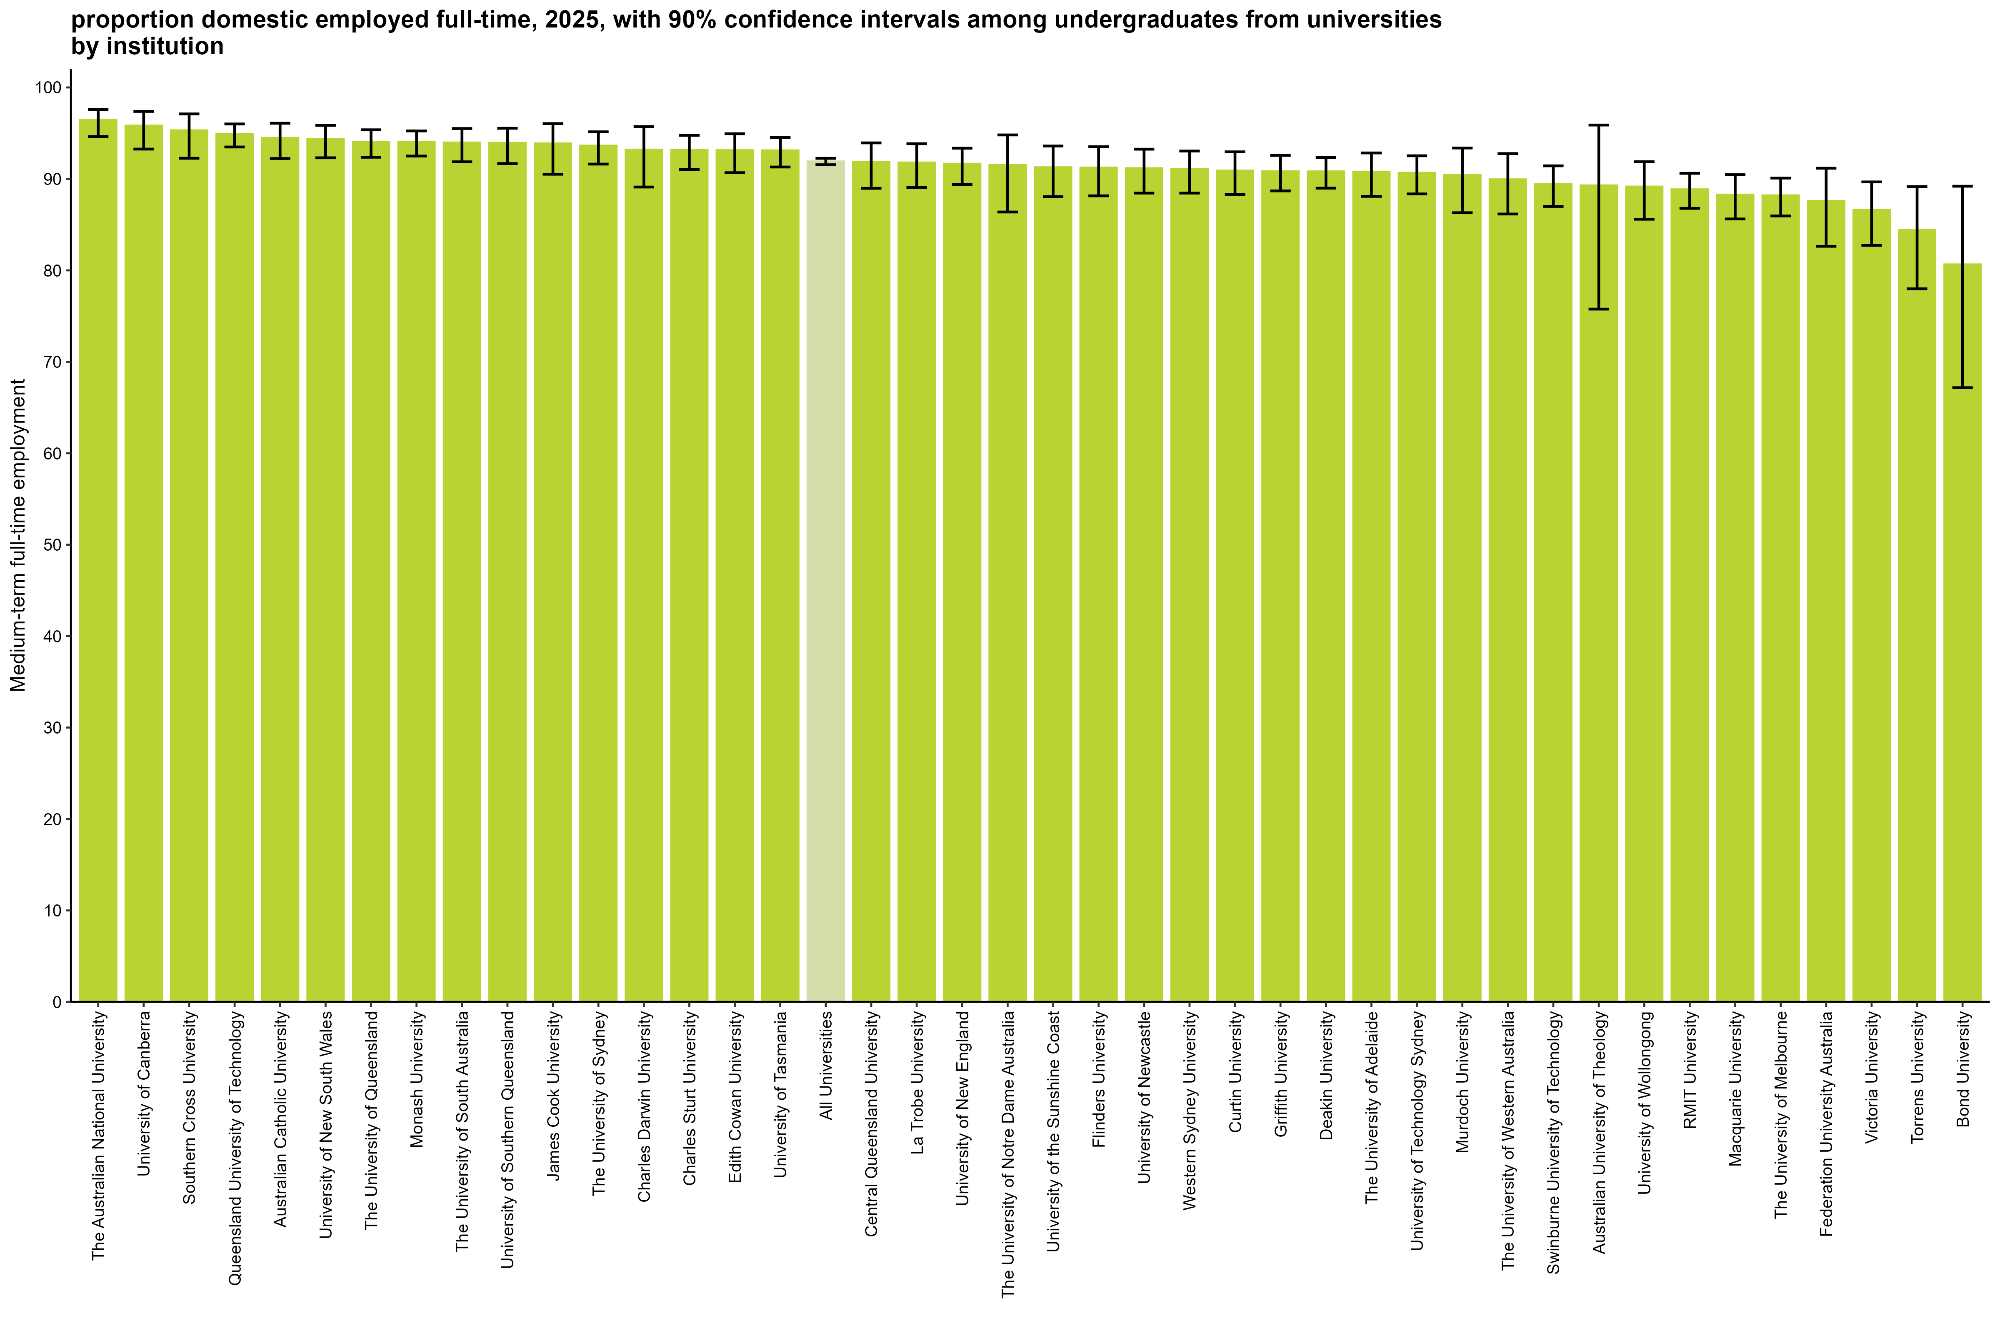

 |  | Medium-term: FTE
 | The Australian National University | 96.4 (94.6, 97.6)
 | University of Canberra | 95.8 (93.3, 97.4)
 | Southern Cross University | 95.3 (92.3, 97.1)
 | Queensland University of Technology | 94.9 (93.5, 96.0)
 | Australian Catholic University | 94.5 (92.2, 96.1)
 | University of New South Wales | 94.4 (92.3, 95.9)
 | The University of Queensland | 94.1 (92.4, 95.4)
 | Monash University | 94.0 (92.5, 95.2)
 | The University of South Australia | 94.0 (91.9, 95.5)
 | University of Southern Queensland | 93.9 (91.7, 95.5)
 | James Cook University | 93.9 (90.5, 96.0)
 | The University of Sydney | 93.6 (91.6, 95.2)
 | Charles Darwin University | 93.2 (89.1, 95.7)
 | Charles Sturt University | 93.2 (91.0, 94.8)
 | Edith Cowan University | 93.1 (90.7, 94.9)
 | University of Tasmania | 93.1 (91.3, 94.5)
 | All Universities | 91.9 (91.6, 92.2)
 | Central Queensland University | 91.8 (89.0, 93.9)
 | La Trobe University | 91.8 (89.1, 93.9)
 | University of New England | 91.6 (89.4, 93.4)
 | The University of Notre Dame Australia | 91.5 (86.4, 94.8)
 | University of the Sunshine Coast | 91.3 (88.1, 93.6)
 | Flinders University | 91.2 (88.2, 93.5)
 | University of Newcastle | 91.2 (88.5, 93.3)
 | Western Sydney University | 91.1 (88.4, 93.0)
 | Curtin University | 90.9 (88.3, 93.0)
 | Griffith University | 90.8 (88.7, 92.6)
 | Deakin University | 90.8 (89.0, 92.4)
 | The University of Adelaide | 90.8 (88.1, 92.8)
 | University of Technology Sydney | 90.7 (88.4, 92.5)
 | Murdoch University | 90.4 (86.3, 93.4)
 | The University of Western Australia | 90.0 (86.2, 92.8)
 | Swinburne University of Technology | 89.4 (87.0, 91.4)
 | Australian University of Theology | 89.3 (75.8, 95.9)
 | University of Wollongong | 89.2 (85.6, 91.9)
 | RMIT University | 88.9 (86.8, 90.6)
 | Macquarie University | 88.3 (85.6, 90.5)
 | The University of Melbourne | 88.2 (86.0, 90.1)
 | Federation University Australia | 87.6 (82.6, 91.2)
 | Victoria University | 86.6 (82.7, 89.7)
 | Torrens University | 84.4 (78.0, 89.2)
 | Bond University | 80.6 (67.2, 89.2)
 | Avondale University | n/a
 | University of Divinity | n/a

Column variables:
FULLEMP(_L)
Column filters:
FTE: AVAILFT(_L) =1
Data for all columns is filtered to: ANALYSIS = 1 & E942 = 0, Undergraduate: LEVEL = 1, University: HEPTYPE = 1

Row variables:
E306

Note:
Australian University of Theology was a NUHEI prior to 2025.

FTE_UG_UNI_3YP_INST_FIG
Proportion domestic employed full-time, 2023-2025, with 90% confidence intervals among undergraduates from universities by institution
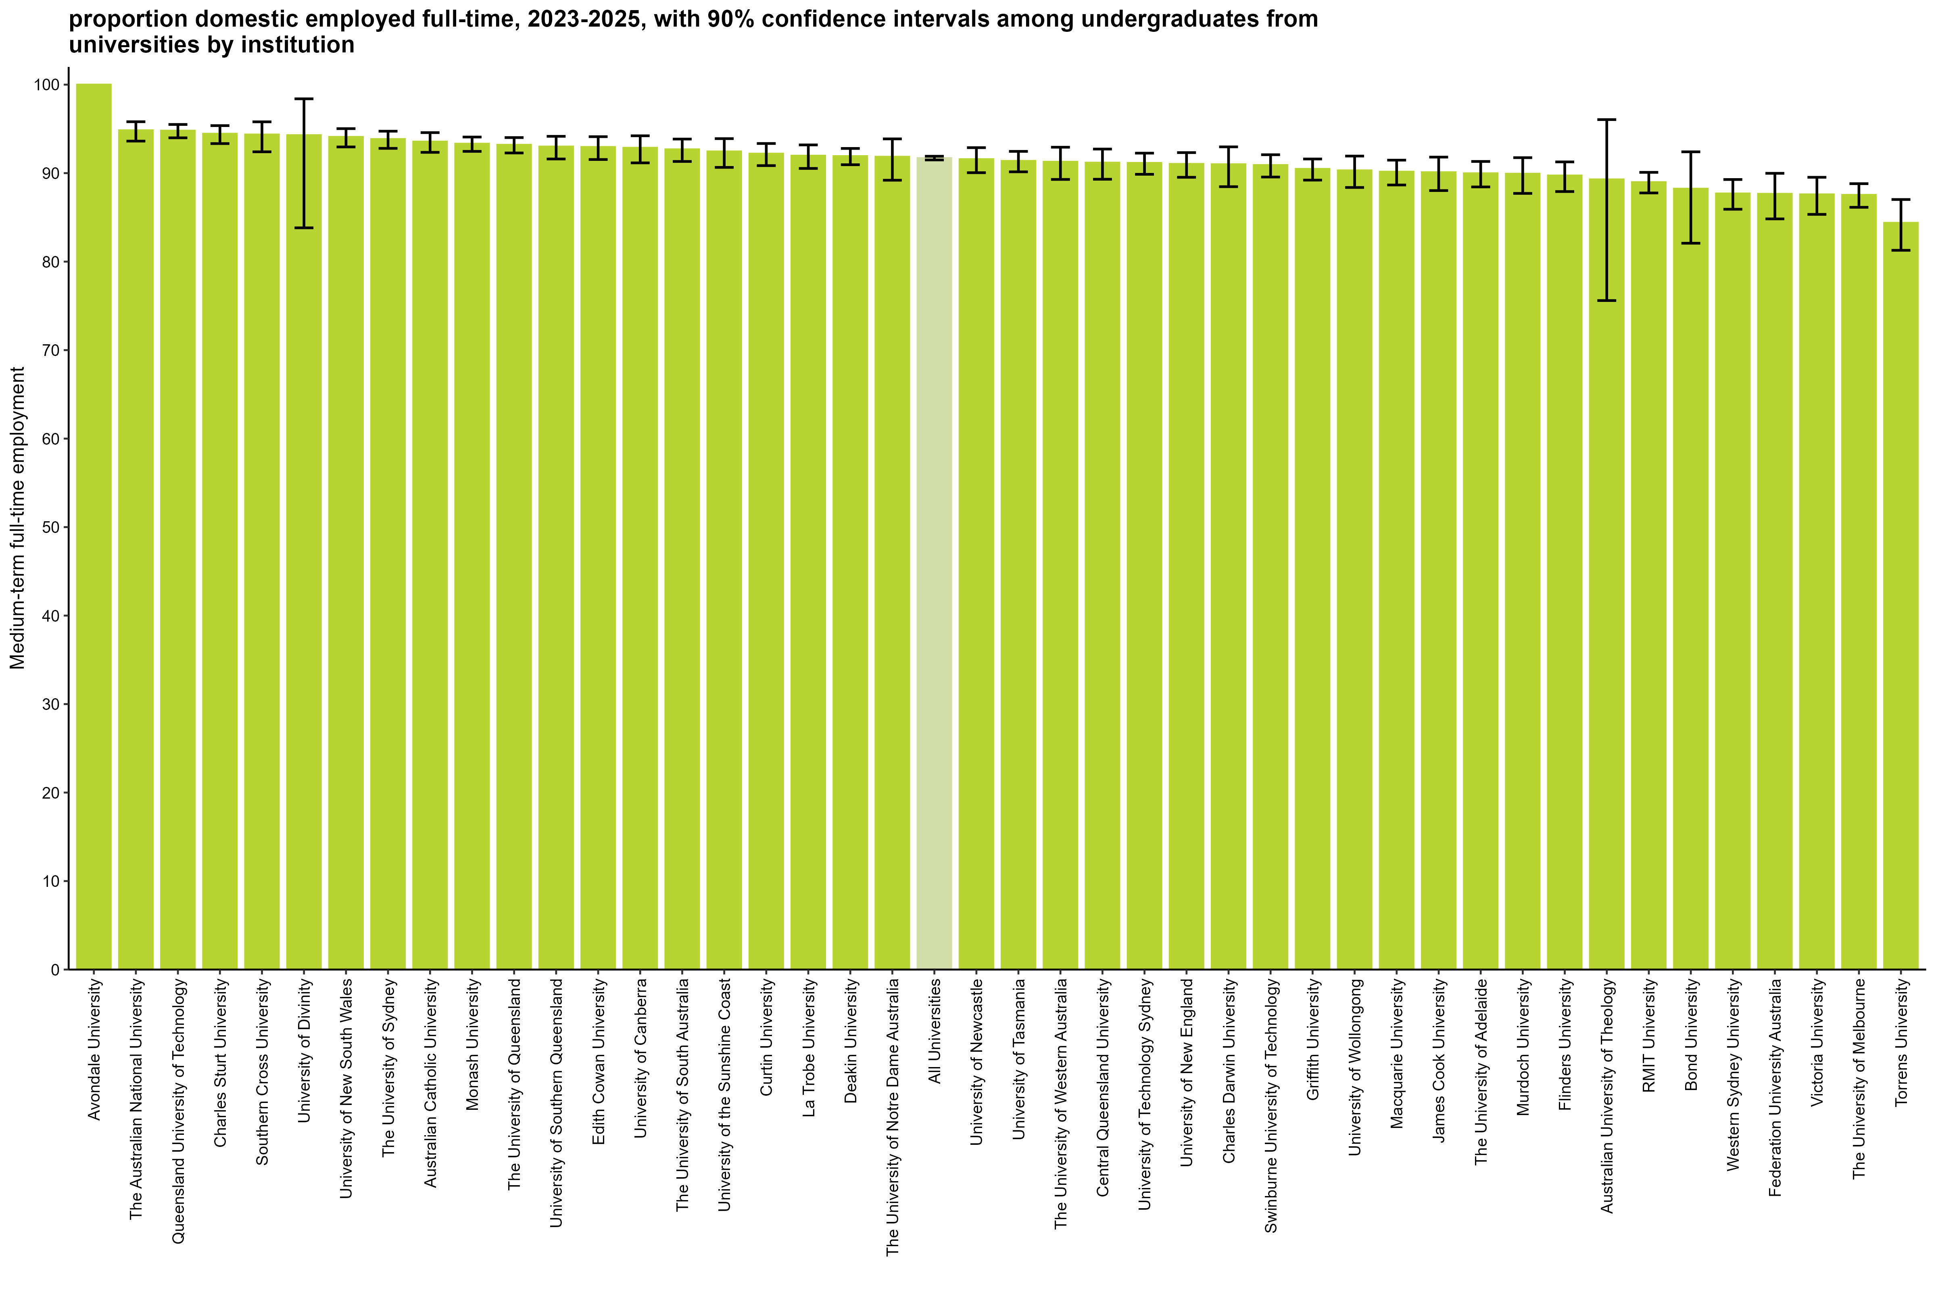

 |  | Medium-term: FTE
 | Avondale University | 100.0 (92.0, 100.0)
 | The Australian National University | 94.8 (93.6, 95.8)
 | Queensland University of Technology | 94.8 (94.0, 95.5)
 | Charles Sturt University | 94.4 (93.3, 95.4)
 | Southern Cross University | 94.4 (92.4, 95.8)
 | University of Divinity | 94.3 (83.8, 98.4)
 | University of New South Wales | 94.1 (93.0, 95.0)
 | The University of Sydney | 93.8 (92.8, 94.7)
 | Australian Catholic University | 93.6 (92.3, 94.6)
 | Monash University | 93.3 (92.5, 94.1)
 | The University of Queensland | 93.2 (92.3, 94.0)
 | University of Southern Queensland | 93.0 (91.6, 94.2)
 | Edith Cowan University | 92.9 (91.5, 94.1)
 | University of Canberra | 92.9 (91.2, 94.2)
 | The University of South Australia | 92.7 (91.3, 93.8)
 | University of the Sunshine Coast | 92.4 (90.6, 93.9)
 | Curtin University | 92.2 (90.9, 93.4)
 | La Trobe University | 92.0 (90.5, 93.2)
 | Deakin University | 91.9 (90.9, 92.8)
 | The University of Notre Dame Australia | 91.9 (89.2, 93.9)
 | All Universities | 91.7 (91.5, 91.9)
 | University of Newcastle | 91.6 (90.0, 92.9)
 | University of Tasmania | 91.4 (90.1, 92.5)
 | The University of Western Australia | 91.3 (89.3, 92.9)
 | Central Queensland University | 91.2 (89.3, 92.7)
 | University of Technology Sydney | 91.1 (89.9, 92.3)
 | University of New England | 91.0 (89.5, 92.3)
 | Charles Darwin University | 91.0 (88.5, 93.0)
 | Swinburne University of Technology | 90.9 (89.6, 92.1)
 | Griffith University | 90.5 (89.2, 91.6)
 | University of Wollongong | 90.3 (88.4, 91.9)
 | Macquarie University | 90.2 (88.7, 91.5)
 | James Cook University | 90.1 (88.0, 91.8)
 | The University of Adelaide | 90.0 (88.4, 91.3)
 | Murdoch University | 89.9 (87.7, 91.8)
 | Flinders University | 89.7 (87.9, 91.3)
 | Australian University of Theology | 89.3 (75.6, 96.1)
 | RMIT University | 89.0 (87.8, 90.1)
 | Bond University | 88.2 (82.1, 92.4)
 | Western Sydney University | 87.7 (85.9, 89.3)
 | Federation University Australia | 87.7 (84.8, 90.0)
 | Victoria University | 87.6 (85.3, 89.5)
 | The University of Melbourne | 87.5 (86.1, 88.8)
 | Torrens University | 84.4 (81.3, 87.0)

Column variables:
FULLEMP(_L)
Column filters:
FTE: AVAILFT(_L) =1
Data for all columns is filtered to: ANALYSIS = 1 & E942 = 0, Undergraduate: LEVEL = 1, University: HEPTYPE = 1

Row variables:
E306

Note:
Australian University of Theology was a NUHEI prior to 2025.

FTE_PGC_UNI_1Y_INST_FIG
Proportion domestic employed full-time, 2025, with 90% confidence intervals among postgraduate coursework graduates from universities by institution
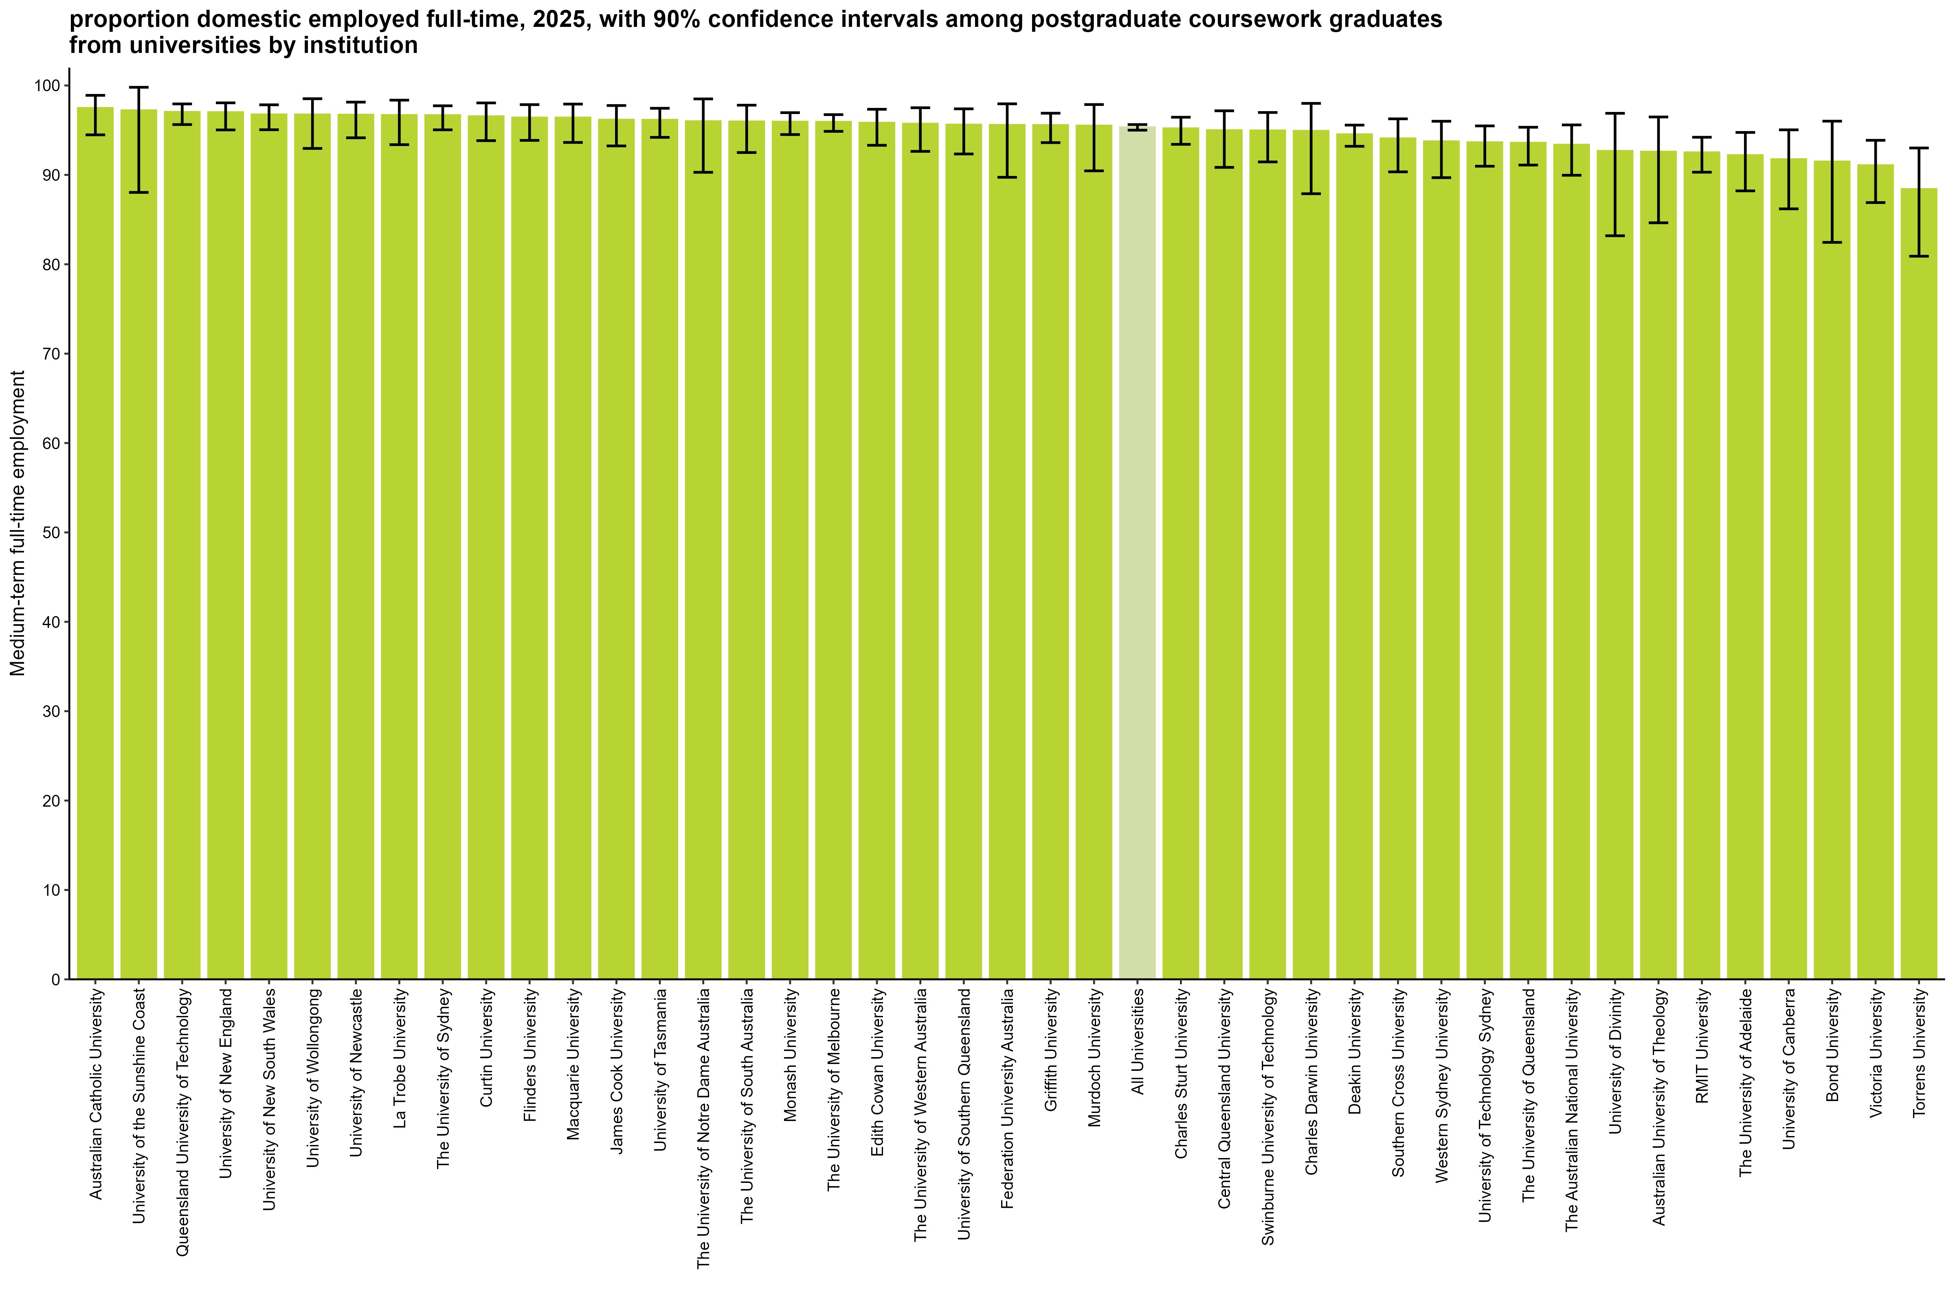

 |  | Medium-term: FTE
 | Australian Catholic University | 97.5 (94.5, 98.9)
 | University of the Sunshine Coast | 97.2 (88.0, 99.8)
 | Queensland University of Technology | 97.0 (95.6, 97.9)
 | University of New England | 97.0 (95.0, 98.1)
 | University of New South Wales | 96.8 (95.0, 97.8)
 | University of Wollongong | 96.7 (93.0, 98.5)
 | University of Newcastle | 96.7 (94.2, 98.1)
 | La Trobe University | 96.7 (93.4, 98.4)
 | The University of Sydney | 96.7 (95.0, 97.7)
 | Curtin University | 96.6 (93.8, 98.0)
 | Flinders University | 96.4 (93.9, 97.9)
 | Macquarie University | 96.4 (93.6, 97.9)
 | James Cook University | 96.2 (93.2, 97.8)
 | University of Tasmania | 96.2 (94.2, 97.5)
 | The University of Notre Dame Australia | 96.0 (90.3, 98.5)
 | The University of South Australia | 96.0 (92.5, 97.8)
 | Monash University | 95.9 (94.5, 97.0)
 | The University of Melbourne | 95.9 (94.9, 96.7)
 | Edith Cowan University | 95.8 (93.3, 97.3)
 | The University of Western Australia | 95.7 (92.6, 97.5)
 | University of Southern Queensland | 95.6 (92.3, 97.4)
 | Federation University Australia | 95.6 (89.7, 98.0)
 | Griffith University | 95.6 (93.6, 96.9)
 | Murdoch University | 95.5 (90.5, 97.9)
 | All Universities | 95.3 (95.0, 95.6)
 | Charles Sturt University | 95.2 (93.4, 96.4)
 | Central Queensland University | 95.0 (90.8, 97.2)
 | Swinburne University of Technology | 95.0 (91.5, 97.0)
 | Charles Darwin University | 94.9 (87.9, 98.0)
 | Deakin University | 94.5 (93.2, 95.6)
 | Southern Cross University | 94.1 (90.3, 96.3)
 | Western Sydney University | 93.8 (89.7, 96.0)
 | University of Technology Sydney | 93.6 (91.0, 95.5)
 | The University of Queensland | 93.6 (91.1, 95.3)
 | The Australian National University | 93.4 (90.0, 95.6)
 | University of Divinity | 92.7 (83.2, 96.9)
 | Australian University of Theology | 92.6 (84.6, 96.5)
 | RMIT University | 92.5 (90.3, 94.2)
 | The University of Adelaide | 92.2 (88.2, 94.7)
 | University of Canberra | 91.8 (86.2, 95.0)
 | Bond University | 91.5 (82.5, 96.0)
 | Victoria University | 91.1 (86.9, 93.9)
 | Torrens University | 88.4 (80.9, 93.0)
 | Avondale University | n/a

Column variables:
FULLEMP(_L)
Column filters:
FTE: AVAILFT(_L) =1
Data for all columns is filtered to: ANALYSIS = 1 & E942 = 0, Postgraduate coursework: LEVEL = 2, University: HEPTYPE = 1

Row variables:
E306

Note:
Australian University of Theology was a NUHEI prior to 2025.

FTE_PGC_UNI_3YP_INST_FIG
Proportion domestic employed full-time, 2023-2025, with 90% confidence intervals among postgraduate coursework graduates from universities by institution
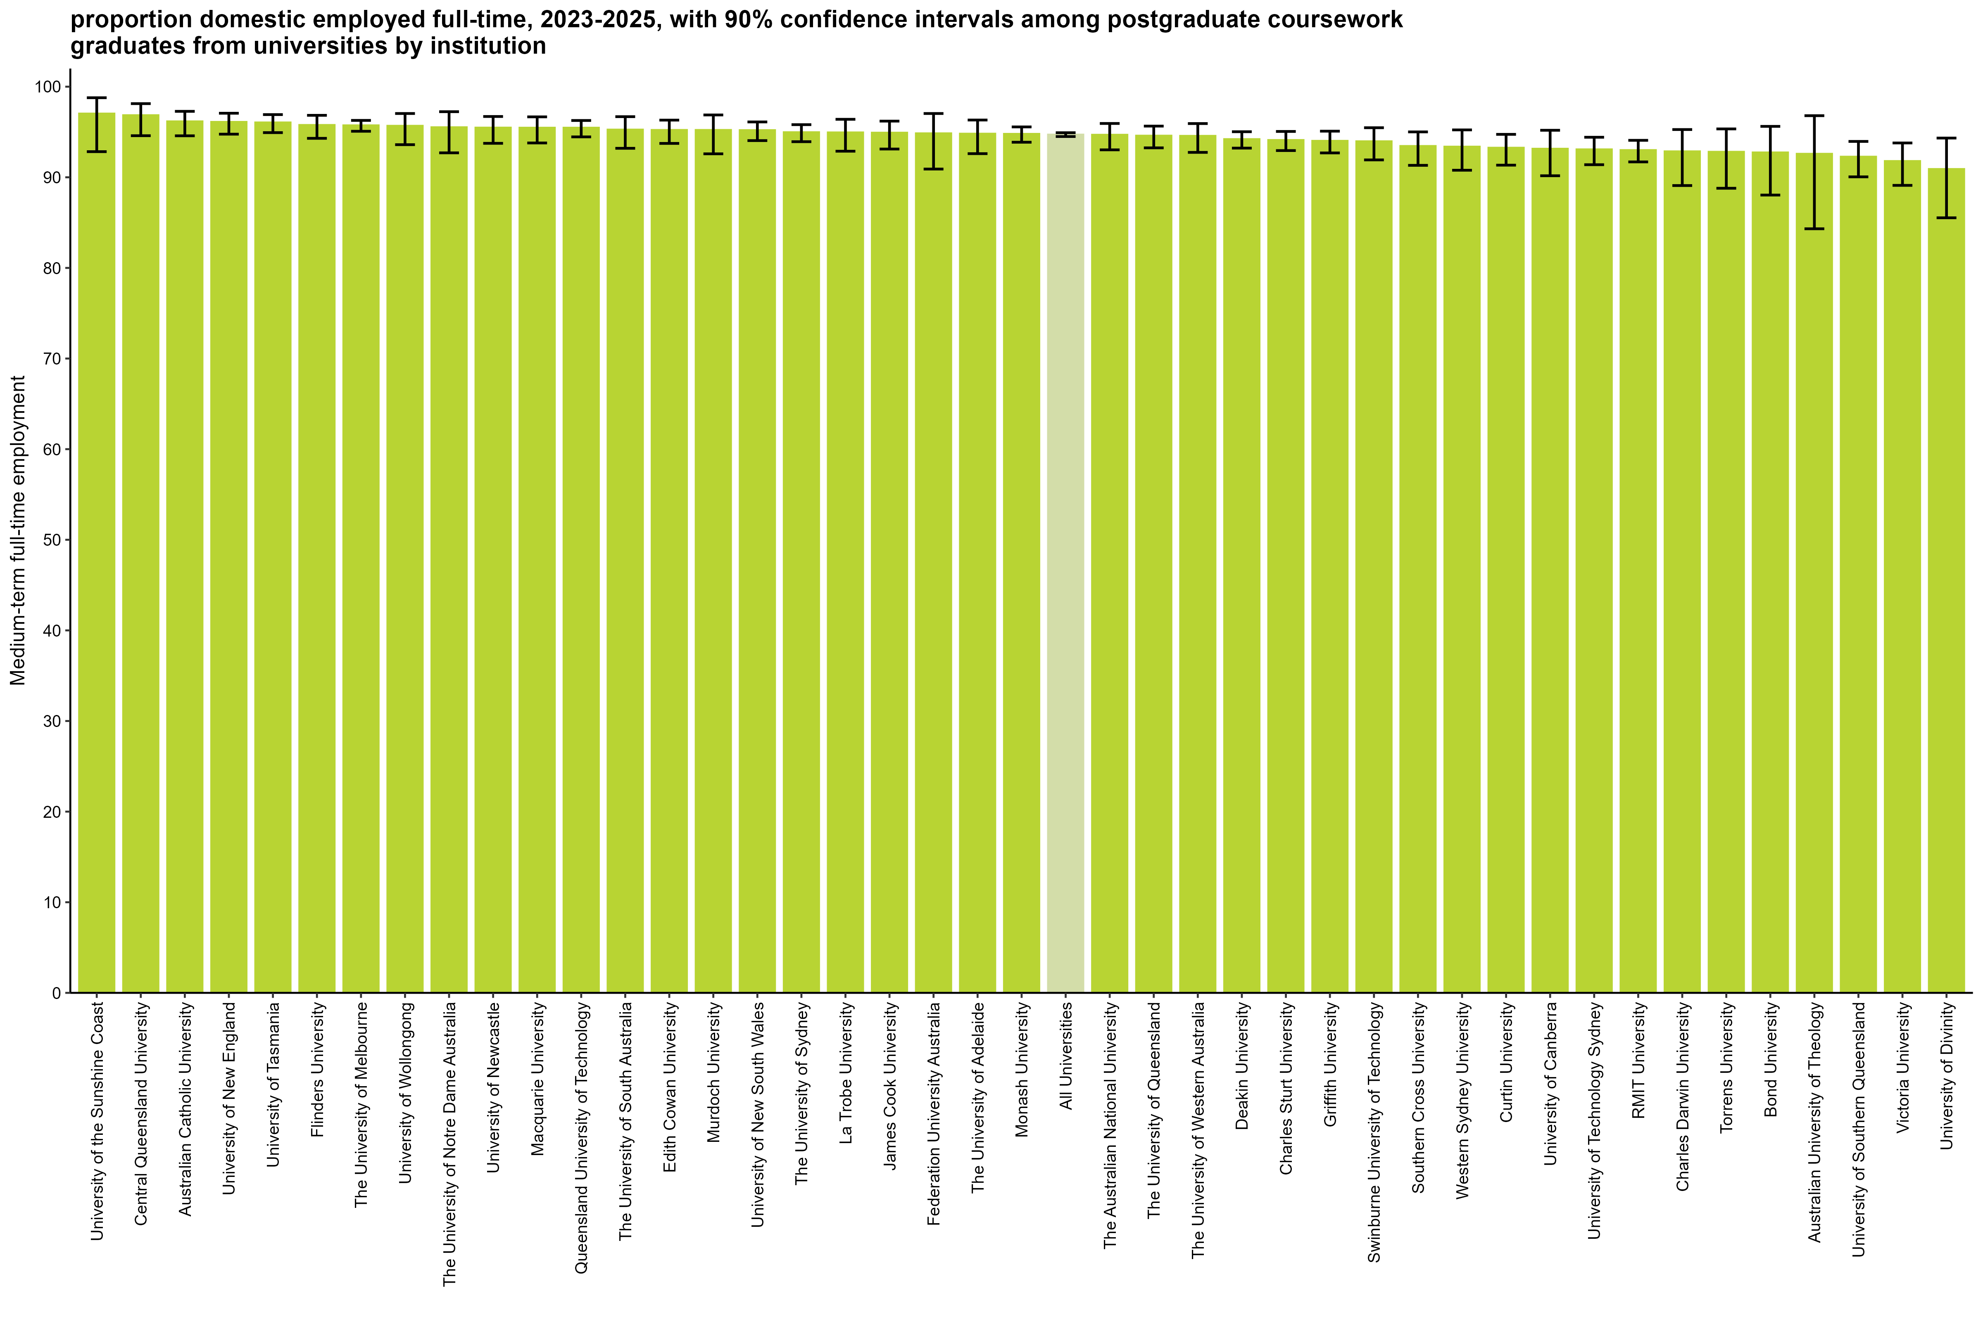

 |  | Medium-term: FTE
 | University of the Sunshine Coast | 97.0 (92.8, 98.8)
 | Central Queensland University | 96.9 (94.6, 98.1)
 | Australian Catholic University | 96.2 (94.6, 97.3)
 | University of New England | 96.1 (94.8, 97.1)
 | University of Tasmania | 96.1 (94.9, 96.9)
 | Flinders University | 95.8 (94.3, 96.8)
 | The University of Melbourne | 95.7 (95.1, 96.3)
 | University of Wollongong | 95.7 (93.6, 97.0)
 | The University of Notre Dame Australia | 95.5 (92.7, 97.2)
 | University of Newcastle | 95.5 (93.7, 96.7)
 | Macquarie University | 95.5 (93.8, 96.7)
 | Queensland University of Technology | 95.5 (94.5, 96.3)
 | The University of South Australia | 95.3 (93.2, 96.7)
 | Murdoch University | 95.2 (92.6, 96.9)
 | Edith Cowan University | 95.2 (93.7, 96.3)
 | University of New South Wales | 95.2 (94.1, 96.1)
 | The University of Sydney | 95.0 (93.9, 95.8)
 | La Trobe University | 94.9 (92.9, 96.4)
 | James Cook University | 94.9 (93.1, 96.2)
 | Federation University Australia | 94.9 (90.9, 97.0)
 | The University of Adelaide | 94.8 (92.6, 96.3)
 | Monash University | 94.8 (93.9, 95.6)
 | All Universities | 94.7 (94.5, 94.9)
 | The Australian National University | 94.7 (93.0, 95.9)
 | The University of Queensland | 94.6 (93.2, 95.6)
 | The University of Western Australia | 94.6 (92.8, 95.9)
 | Deakin University | 94.2 (93.2, 95.0)
 | Charles Sturt University | 94.1 (93.0, 95.1)
 | Griffith University | 94.0 (92.7, 95.1)
 | Swinburne University of Technology | 94.0 (91.9, 95.5)
 | Southern Cross University | 93.4 (91.3, 95.0)
 | Western Sydney University | 93.4 (90.8, 95.2)
 | Curtin University | 93.3 (91.3, 94.7)
 | University of Canberra | 93.1 (90.2, 95.2)
 | University of Technology Sydney | 93.1 (91.4, 94.4)
 | RMIT University | 93.0 (91.7, 94.1)
 | Charles Darwin University | 92.9 (89.1, 95.3)
 | Torrens University | 92.8 (88.8, 95.3)
 | Bond University | 92.7 (88.0, 95.6)
 | Australian University of Theology | 92.6 (84.3, 96.8)
 | University of Southern Queensland | 92.3 (90.1, 94.0)
 | Victoria University | 91.8 (89.1, 93.8)
 | University of Divinity | 90.9 (85.5, 94.3)
 | Avondale University | n/a

Column variables:
FULLEMP(_L)
Column filters:
FTE: AVAILFT(_L) =1
Data for all columns is filtered to: ANALYSIS = 1 & E942 = 0, Postgraduate coursework: LEVEL = 2, University: HEPTYPE = 1

Row variables:
E306

Note:
Australian University of Theology was a NUHEI prior to 2025.

SAL_UG_UNI_1Y_INST_FIG
Medium-term domestic median salaries ($), 2025, with 90% confidence intervals among undergraduates from universities by institution
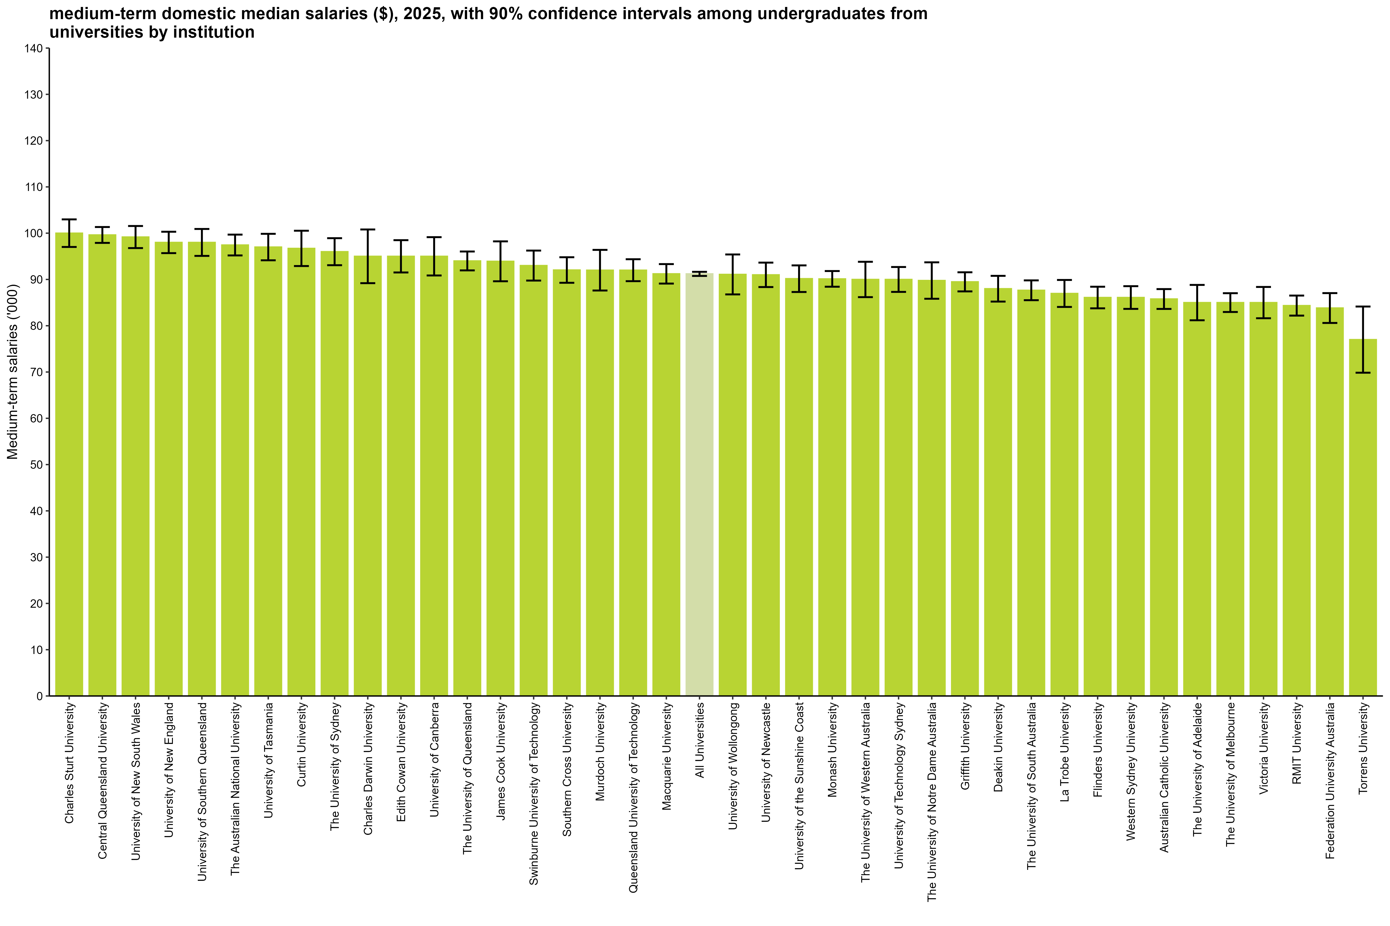

 |  | Salaries ($)
 | Charles Sturt University | 100,000 (97,000, 103,000)
 | Central Queensland University | 99,600 (97,900, 101,300)
 | University of New South Wales | 99,200 (96,800, 101,600)
 | University of New England | 98,000 (95,700, 100,300)
 | University of Southern Queensland | 98,000 (95,100, 100,900)
 | The Australian National University | 97,400 (95,200, 99,700)
 | University of Tasmania | 97,000 (94,100, 99,900)
 | Curtin University | 96,700 (92,900, 100,500)
 | The University of Sydney | 96,000 (93,100, 98,900)
 | Charles Darwin University | 95,000 (89,200, 100,800)
 | Edith Cowan University | 95,000 (91,500, 98,500)
 | University of Canberra | 95,000 (90,900, 99,100)
 | The University of Queensland | 94,000 (92,000, 96,000)
 | James Cook University | 93,900 (89,600, 98,200)
 | Swinburne University of Technology | 93,000 (89,800, 96,200)
 | Southern Cross University | 92,000 (89,300, 94,800)
 | Murdoch University | 92,000 (87,600, 96,400)
 | Queensland University of Technology | 92,000 (89,600, 94,400)
 | Macquarie University | 91,200 (89,100, 93,300)
 | All Universities | 91,200 (90,800, 91,700)
 | University of Wollongong | 91,100 (86,800, 95,400)
 | University of Newcastle | 91,000 (88,400, 93,600)
 | University of the Sunshine Coast | 90,200 (87,300, 93,000)
 | Monash University | 90,100 (88,400, 91,800)
 | The University of Western Australia | 90,000 (86,200, 93,800)
 | University of Technology Sydney | 90,000 (87,300, 92,700)
 | The University of Notre Dame Australia | 89,800 (85,800, 93,700)
 | Griffith University | 89,500 (87,400, 91,600)
 | Deakin University | 88,000 (85,200, 90,800)
 | The University of South Australia | 87,700 (85,500, 89,800)
 | La Trobe University | 87,000 (84,100, 89,900)
 | Flinders University | 86,100 (83,800, 88,400)
 | Western Sydney University | 86,100 (83,600, 88,600)
 | Australian Catholic University | 85,800 (83,600, 87,900)
 | The University of Adelaide | 85,000 (81,200, 88,800)
 | The University of Melbourne | 85,000 (83,000, 87,000)
 | Victoria University | 85,000 (81,600, 88,400)
 | RMIT University | 84,400 (82,200, 86,500)
 | Federation University Australia | 83,800 (80,600, 87,100)
 | Torrens University | 77,000 (69,900, 84,100)
 | Australian University of Theology | n/a
 | Avondale University | n/a
 | Bond University | n/a
 | University of Divinity | n/a

Column variables:
SALARYA(_L)
Column filters:
Salary: TRIMSAL(_L) = 1, FULLEMP(_L) = 1
Data for all columns is filtered to: ANALYSIS = 1 & E942 = 0, Undergraduate: LEVEL = 1, University: HEPTYPE = 1

Row variables:
E306

Note:
Australian University of Theology was a NUHEI prior to 2025.

SAL_UG_UNI_3YP_INST_FIG
Medium-term domestic median salaries ($), 2023-2025, with 90% confidence intervals among undergraduates from universities by institution
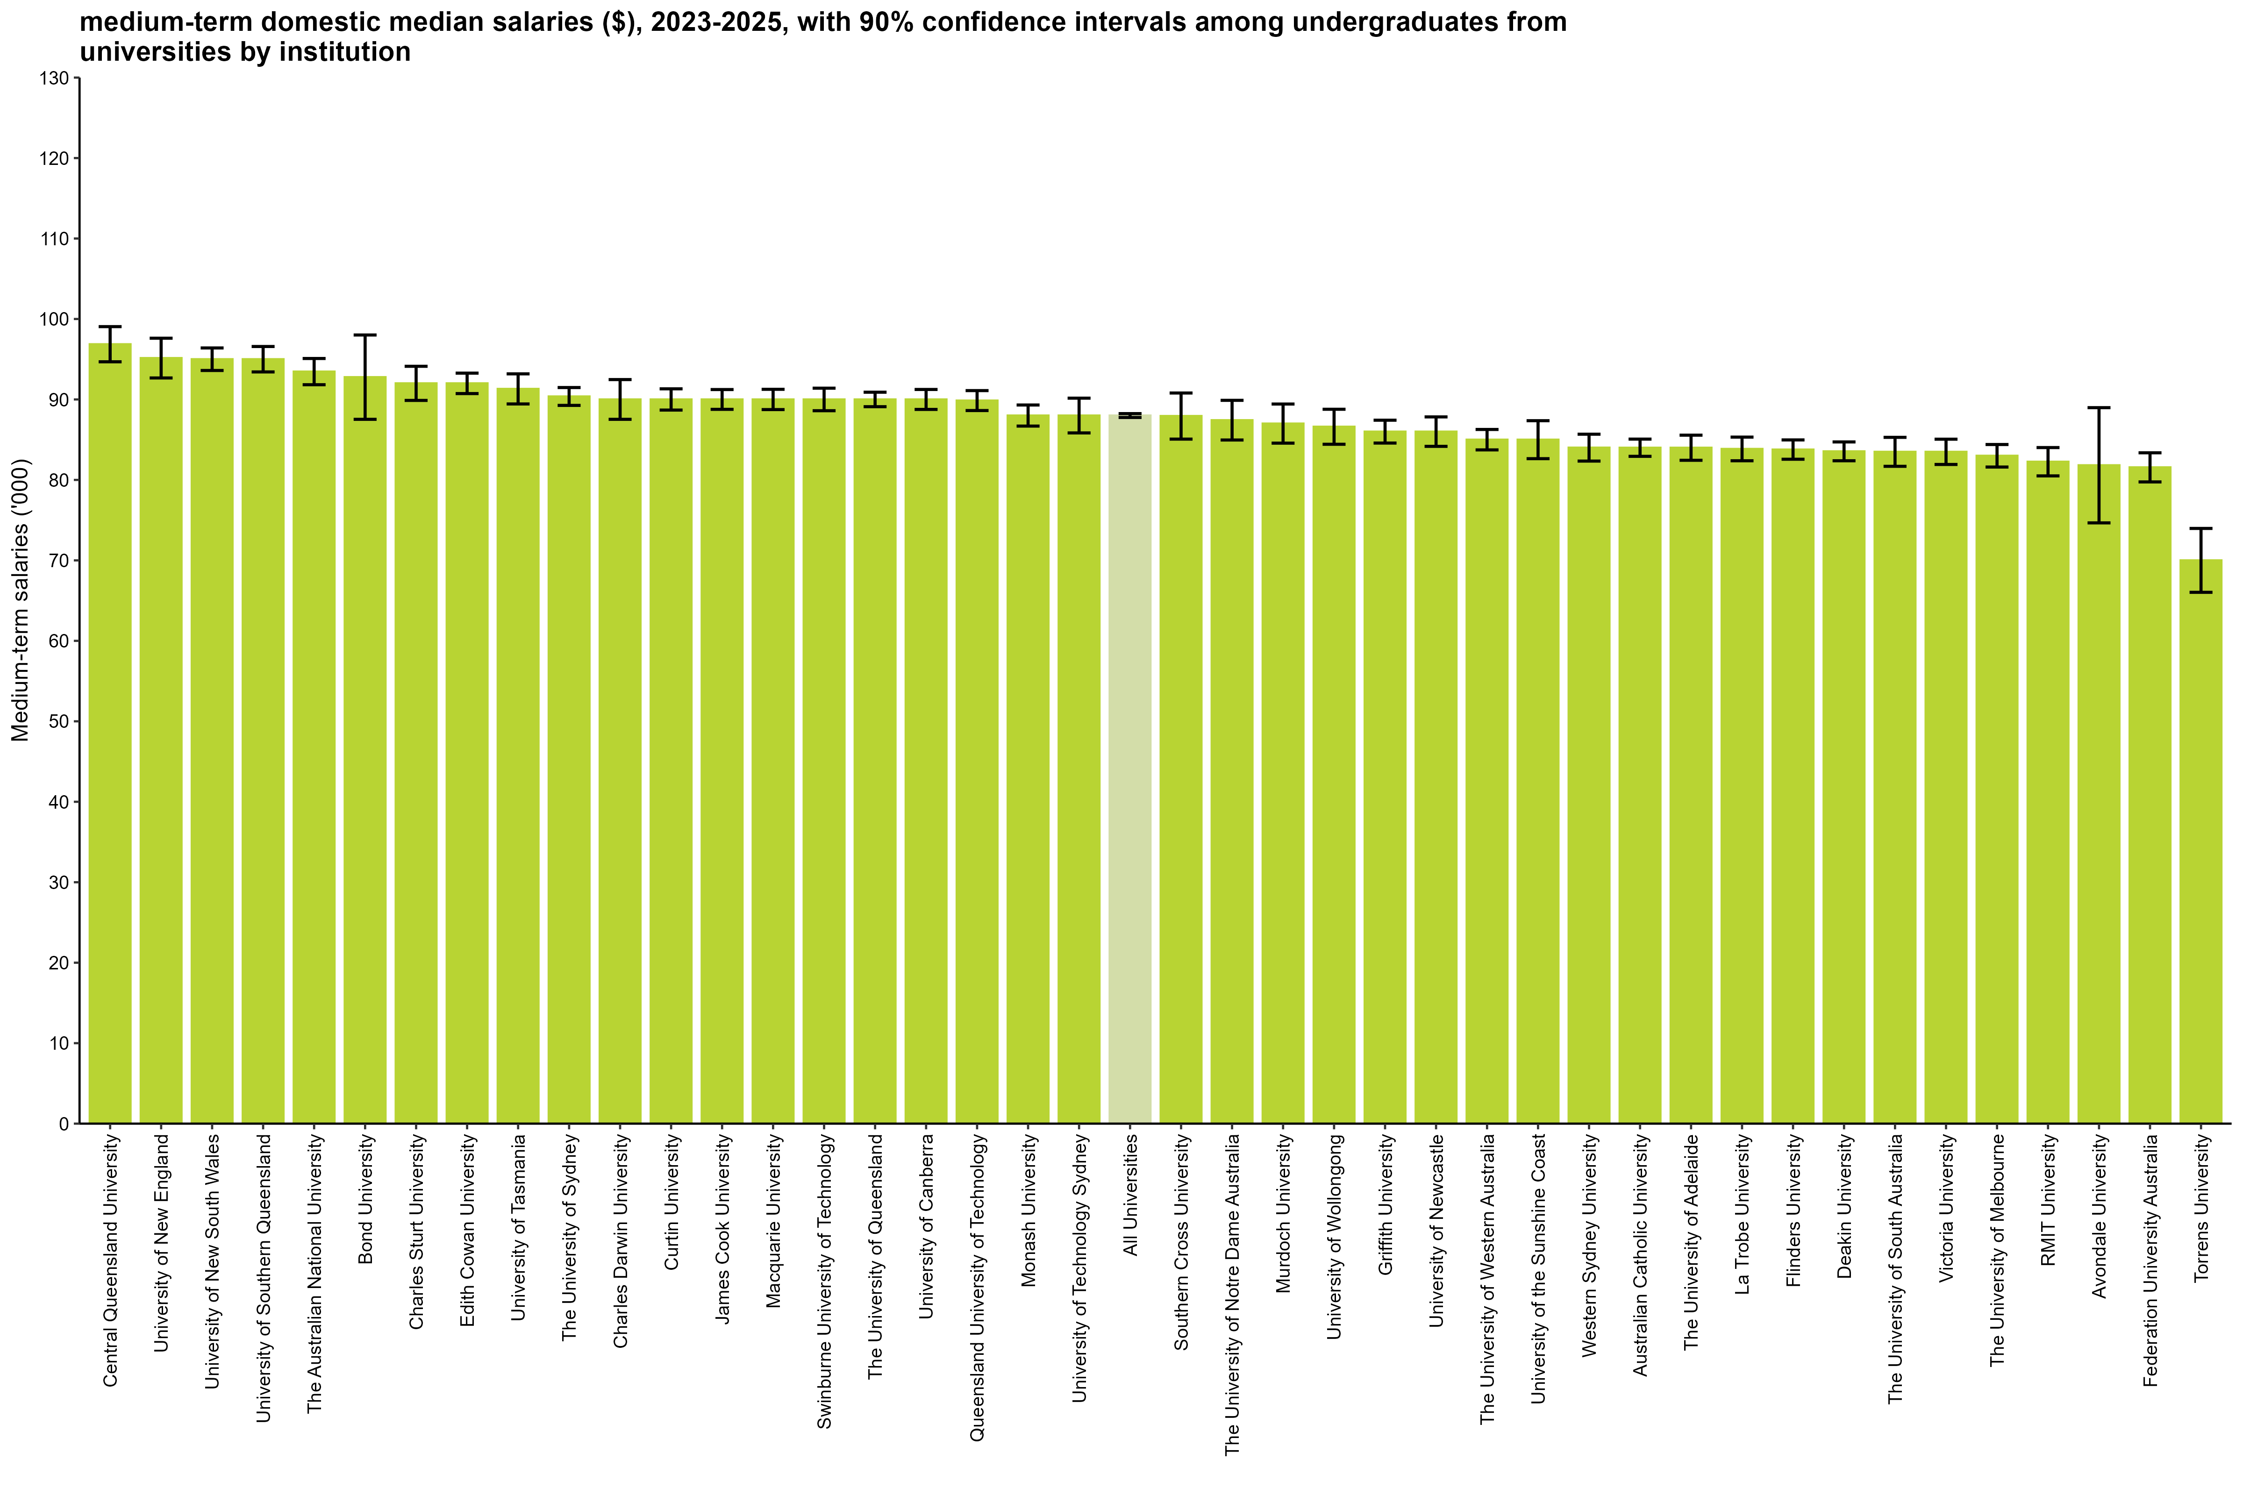

 |  | Salaries ($)
 | Central Queensland University | 96,900 (94,700, 99,000)
 | University of New England | 95,100 (92,700, 97,600)
 | University of New South Wales | 95,000 (93,600, 96,400)
 | University of Southern Queensland | 95,000 (93,400, 96,600)
 | The Australian National University | 93,500 (91,800, 95,100)
 | Bond University | 92,800 (87,500, 98,000)
 | Charles Sturt University | 92,000 (89,900, 94,100)
 | Edith Cowan University | 92,000 (90,700, 93,300)
 | University of Tasmania | 91,300 (89,400, 93,200)
 | The University of Sydney | 90,400 (89,300, 91,500)
 | Charles Darwin University | 90,000 (87,500, 92,500)
 | Curtin University | 90,000 (88,700, 91,300)
 | James Cook University | 90,000 (88,800, 91,200)
 | Macquarie University | 90,000 (88,700, 91,300)
 | Swinburne University of Technology | 90,000 (88,600, 91,400)
 | The University of Queensland | 90,000 (89,100, 90,900)
 | University of Canberra | 90,000 (88,800, 91,200)
 | Queensland University of Technology | 89,900 (88,600, 91,100)
 | Monash University | 88,000 (86,700, 89,300)
 | University of Technology Sydney | 88,000 (85,800, 90,200)
 | All Universities | 88,000 (87,800, 88,200)
 | Southern Cross University | 87,900 (85,100, 90,800)
 | The University of Notre Dame Australia | 87,400 (85,000, 89,900)
 | Murdoch University | 87,000 (84,600, 89,400)
 | University of Wollongong | 86,600 (84,400, 88,800)
 | Griffith University | 86,000 (84,600, 87,400)
 | University of Newcastle | 86,000 (84,200, 87,800)
 | The University of Western Australia | 85,000 (83,700, 86,300)
 | University of the Sunshine Coast | 85,000 (82,600, 87,400)
 | Western Sydney University | 84,000 (82,300, 85,700)
 | Australian Catholic University | 84,000 (82,900, 85,100)
 | The University of Adelaide | 84,000 (82,400, 85,600)
 | La Trobe University | 83,900 (82,400, 85,300)
 | Flinders University | 83,800 (82,600, 85,000)
 | Deakin University | 83,600 (82,400, 84,700)
 | The University of South Australia | 83,500 (81,700, 85,300)
 | Victoria University | 83,500 (81,900, 85,100)
 | The University of Melbourne | 83,000 (81,600, 84,400)
 | RMIT University | 82,300 (80,500, 84,000)
 | Avondale University | 81,800 (74,700, 89,000)
 | Federation University Australia | 81,600 (79,700, 83,400)
 | Torrens University | 70,000 (66,000, 74,000)
 | Australian University of Theology | n/a
 | University of Divinity | n/a

Column variables:
SALARYA(_L)
Column filters:
Salary: TRIMSAL(_L) = 1, FULLEMP(_L) = 1
Data for all columns is filtered to: ANALYSIS = 1 & E942 = 0, Undergraduate: LEVEL = 1, University: HEPTYPE = 1

Row variables:
E306

Note:
Australian University of Theology was a NUHEI prior to 2025.

SAL_PGC_UNI_1Y_INST_FIG
Medium-term domestic median salaries ($), 2025, with 90% confidence intervals among postgraduate coursework graduates from universities by institution
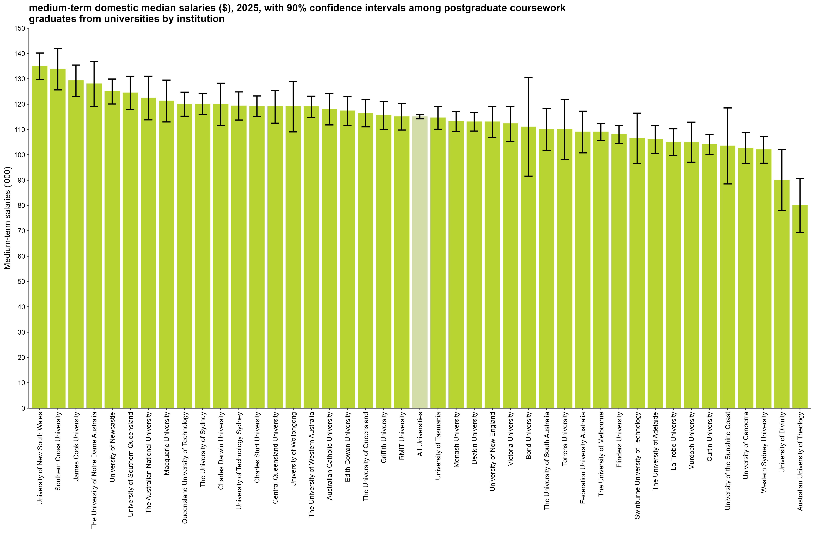

 |  | Salaries ($)
 | University of New South Wales | 135,000 (129,800, 140,200)
 | Southern Cross University | 133,700 (125,600, 141,900)
 | James Cook University | 129,300 (123,100, 135,400)
 | The University of Notre Dame Australia | 128,000 (119,200, 136,800)
 | University of Newcastle | 125,000 (120,100, 129,900)
 | University of Southern Queensland | 124,400 (117,800, 131,000)
 | The Australian National University | 122,400 (113,800, 131,000)
 | Macquarie University | 121,300 (113,000, 129,500)
 | Queensland University of Technology | 120,000 (115,200, 124,800)
 | The University of Sydney | 120,000 (115,900, 124,100)
 | Charles Darwin University | 119,900 (111,400, 128,300)
 | University of Technology Sydney | 119,300 (113,700, 124,800)
 | Charles Sturt University | 119,100 (115,000, 123,200)
 | Central Queensland University | 119,000 (112,500, 125,500)
 | University of Wollongong | 119,000 (109,100, 128,900)
 | The University of Western Australia | 119,000 (114,800, 123,200)
 | Australian Catholic University | 118,000 (111,800, 124,200)
 | Edith Cowan University | 117,300 (111,600, 123,100)
 | The University of Queensland | 116,400 (111,000, 121,800)
 | Griffith University | 115,500 (110,000, 121,000)
 | RMIT University | 115,000 (109,800, 120,200)
 | All Universities | 115,000 (114,200, 115,800)
 | University of Tasmania | 114,600 (110,100, 119,000)
 | Monash University | 113,100 (109,200, 117,000)
 | Deakin University | 113,000 (109,400, 116,600)
 | University of New England | 113,000 (106,900, 119,100)
 | Victoria University | 112,300 (105,300, 119,200)
 | Bond University | 111,000 (91,600, 130,400)
 | The University of South Australia | 110,000 (101,700, 118,300)
 | Torrens University | 110,000 (98,100, 121,900)
 | Federation University Australia | 109,000 (100,800, 117,200)
 | The University of Melbourne | 109,000 (105,700, 112,300)
 | Flinders University | 108,000 (104,300, 111,700)
 | Swinburne University of Technology | 106,500 (96,500, 116,500)
 | The University of Adelaide | 106,000 (100,500, 111,500)
 | La Trobe University | 105,000 (99,700, 110,300)
 | Murdoch University | 105,000 (97,100, 112,900)
 | Curtin University | 104,000 (100,000, 108,000)
 | University of the Sunshine Coast | 103,500 (88,500, 118,500)
 | University of Canberra | 102,600 (96,500, 108,800)
 | Western Sydney University | 102,000 (96,700, 107,300)
 | University of Divinity | 90,000 (78,000, 102,000)
 | Australian University of Theology | 80,000 (69,400, 90,600)
 | Avondale University | n/a

Column variables:
SALARYA(_L)
Column filters:
Salary: TRIMSAL(_L) = 1, FULLEMP(_L) = 1
Data for all columns is filtered to: ANALYSIS = 1 & E942 = 0, Postgraduate coursework: LEVEL = 2, University: HEPTYPE = 1

Row variables:
E306

Note:
Australian University of Theology was a NUHEI prior to 2025.

SAL_PGC_UNI_3YP_INST_FIG
Medium-term domestic median salaries ($), 2023-2025, with 90% confidence intervals among postgraduate coursework graduates from universities by institution
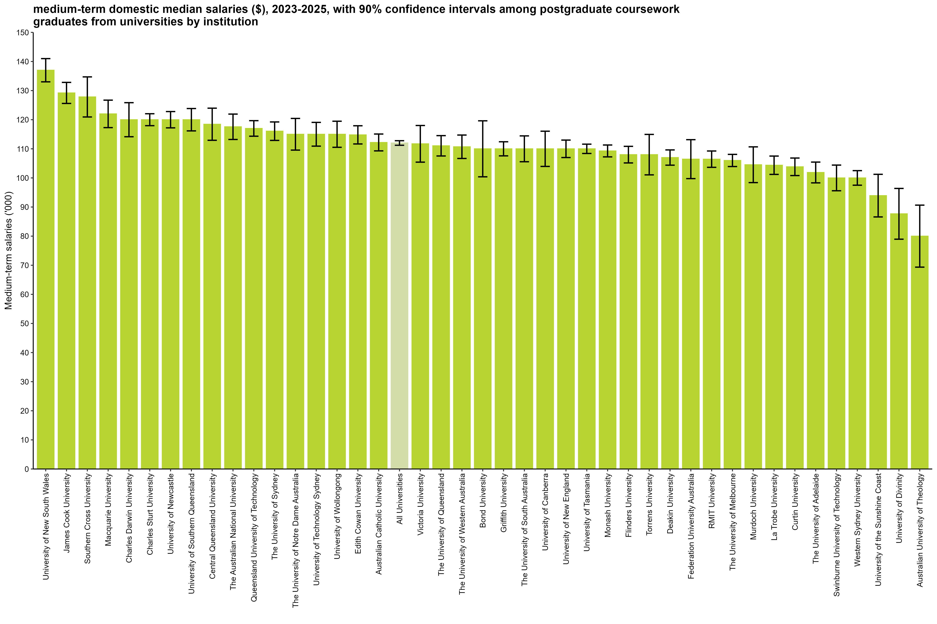

 |  | Salaries ($)
 | University of New South Wales | 137,000 (133,000, 141,000)
 | James Cook University | 129,200 (125,600, 132,800)
 | Southern Cross University | 127,800 (120,900, 134,700)
 | Macquarie University | 122,000 (117,300, 126,700)
 | Charles Darwin University | 120,000 (114,100, 125,900)
 | Charles Sturt University | 120,000 (118,000, 122,000)
 | University of Newcastle | 120,000 (117,200, 122,800)
 | University of Southern Queensland | 120,000 (116,200, 123,800)
 | Central Queensland University | 118,400 (112,900, 124,000)
 | The Australian National University | 117,600 (113,200, 121,900)
 | Queensland University of Technology | 117,000 (114,300, 119,700)
 | The University of Sydney | 116,100 (112,900, 119,200)
 | The University of Notre Dame Australia | 115,000 (109,600, 120,400)
 | University of Technology Sydney | 115,000 (110,900, 119,100)
 | University of Wollongong | 115,000 (110,500, 119,500)
 | Edith Cowan University | 114,800 (111,700, 117,900)
 | Australian Catholic University | 112,200 (109,300, 115,100)
 | All Universities | 112,000 (111,200, 112,800)
 | Victoria University | 111,700 (105,400, 118,000)
 | The University of Queensland | 111,000 (107,500, 114,500)
 | The University of Western Australia | 110,700 (106,700, 114,700)
 | Bond University | 110,000 (100,400, 119,600)
 | Griffith University | 110,000 (107,600, 112,400)
 | The University of South Australia | 110,000 (105,600, 114,400)
 | University of Canberra | 110,000 (104,000, 116,000)
 | University of New England | 110,000 (107,000, 113,000)
 | University of Tasmania | 110,000 (108,400, 111,600)
 | Monash University | 109,300 (107,200, 111,300)
 | Flinders University | 108,000 (105,100, 110,900)
 | Torrens University | 108,000 (101,100, 114,900)
 | Deakin University | 107,000 (104,400, 109,600)
 | Federation University Australia | 106,500 (99,800, 113,100)
 | RMIT University | 106,400 (103,600, 109,200)
 | The University of Melbourne | 106,000 (103,900, 108,100)
 | Murdoch University | 104,500 (98,400, 110,700)
 | La Trobe University | 104,400 (101,200, 107,500)
 | Curtin University | 103,800 (100,800, 106,800)
 | The University of Adelaide | 101,900 (98,300, 105,400)
 | Swinburne University of Technology | 100,000 (95,600, 104,400)
 | Western Sydney University | 100,000 (97,500, 102,500)
 | University of the Sunshine Coast | 93,900 (86,600, 101,200)
 | University of Divinity | 87,700 (79,000, 96,400)
 | Australian University of Theology | 80,000 (69,400, 90,600)
 | Avondale University | n/a

Column variables:
SALARYA(_L)
Column filters:
Salary: TRIMSAL(_L) = 1, FULLEMP(_L) = 1
Data for all columns is filtered to: ANALYSIS = 1 & E942 = 0, Postgraduate coursework: LEVEL = 2, University: HEPTYPE = 1

Row variables:
E306

Note:
Australian University of Theology was a NUHEI prior to 2025.

