FTE_UG_UNI_3YP_INST_FIG
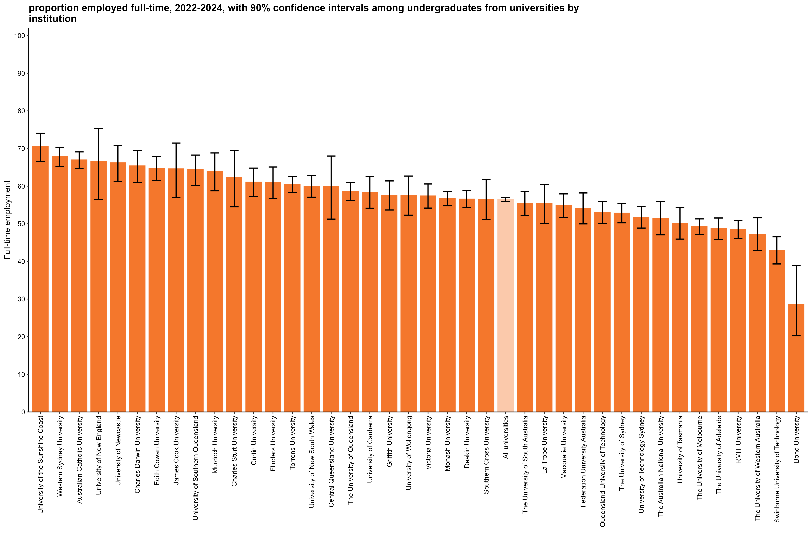
Proportion employed full-time, 2022-2024, with 90% confidence intervals among undergraduates from universities by institution
Back to INDEX

 |  | Full-time employment rate
 | University of the Sunshine Coast | 70.5 (66.6, 74.1)
 | Western Sydney University | 67.8 (65.2, 70.3)
 | Australian Catholic University | 67.0 (64.7, 69.1)
 | University of New England | 66.7 (56.5, 75.3)
 | University of Newcastle | 66.2 (61.2, 70.8)
 | Charles Darwin University | 65.4 (61.0, 69.5)
 | Edith Cowan University | 64.8 (61.5, 67.9)
 | James Cook University | 64.6 (57.1, 71.5)
 | University of Southern Queensland | 64.4 (60.2, 68.3)
 | Murdoch University | 63.9 (58.8, 68.8)
 | Charles Sturt University | 62.3 (54.5, 69.4)
 | Curtin University | 61.1 (57.3, 64.8)
 | Flinders University | 61.0 (56.8, 65.1)
 | Torrens University | 60.5 (58.4, 62.6)
 | University of New South Wales | 60.0 (57.1, 62.9)
 | Central Queensland University | 60.0 (51.3, 68.0)
 | The University of Queensland | 58.6 (56.1, 61.0)
 | University of Canberra | 58.4 (54.2, 62.5)
 | Griffith University | 57.6 (53.7, 61.4)
 | University of Wollongong | 57.6 (52.3, 62.7)
 | Victoria University | 57.4 (54.2, 60.6)
 | Monash University | 56.7 (54.8, 58.6)
 | Deakin University | 56.6 (54.3, 58.8)
 | Southern Cross University | 56.5 (51.2, 61.7)
 | All universities | 56.5 (55.9, 57.0)
 | The University of South Australia | 55.4 (52.2, 58.6)
 | La Trobe University | 55.3 (50.1, 60.4)
 | Macquarie University | 54.8 (51.7, 57.9)
 | Federation University Australia | 54.1 (50.0, 58.2)
 | Queensland University of Technology | 53.1 (50.1, 56.0)
 | The University of Sydney | 52.9 (50.3, 55.4)
 | University of Technology Sydney | 51.7 (48.9, 54.6)
 | The Australian National University | 51.5 (47.1, 55.9)
 | University of Tasmania | 50.2 (45.9, 54.4)
 | The University of Melbourne | 49.2 (47.2, 51.3)
 | The University of Adelaide | 48.7 (45.8, 51.5)
 | RMIT University | 48.5 (46.1, 50.9)
 | The University of Western Australia | 47.2 (42.9, 51.6)
 | Swinburne University of Technology | 42.9 (39.3, 46.5)
 | Bond University | 28.6 (20.3, 38.9)
 | Avondale University | n/a
 | The University of Notre Dame Australia | n/a
 | University of Divinity | n/a

Column variables:
AVAILFT
FULLEMP
YEAR

Column filters:
AVAILFT =1

Column notes:
The Agresti-Coull method is used to calculate 90% confidence intervals for proportions.
Estimates and confidence intervals (CIs) may become unreliable for very small sample sizes and proportions close to 0% or 100%.
CIs are not displayed when estimates are 0% or 100% or fall outside the CI range. Exercise caution when reporting and comparing proportions in these cases.
Bootstrapping on the median is used to estimate 90% confidence intervals for median salary.
Data for all columns is filtered to: ANALYSIS = 1, Undergraduate: LEVEL = 1, University: HEPTYPE = 1, e942 = 1

Row variables:
E306

SAL_UG_UNI_3YP_INST_FIG
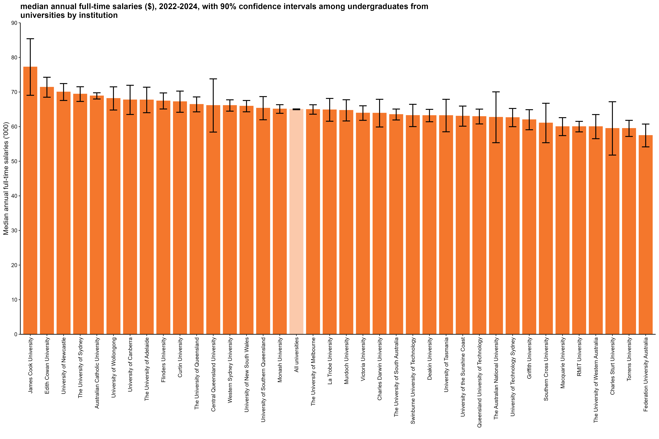
Median annual full-time salaries ($), 2022-2024, with 90% confidence intervals among undergraduates from universities by institution
Back to INDEX

 |  | Median annual full-time salaries ($)
 | James Cook University | 77,200 (69,100, 85,400)
 | Edith Cowan University | 71,400 (68,500, 74,300)
 | University of Newcastle | 70,000 (67,600, 72,400)
 | The University of Sydney | 69,400 (67,300, 71,500)
 | Australian Catholic University | 68,900 (68,000, 69,800)
 | University of Wollongong | 68,100 (64,800, 71,500)
 | University of Canberra | 67,700 (63,500, 71,900)
 | The University of Adelaide | 67,700 (64,000, 71,400)
 | Flinders University | 67,400 (65,100, 69,700)
 | Curtin University | 67,200 (64,100, 70,300)
 | The University of Queensland | 66,400 (64,300, 68,600)
 | Central Queensland University | 66,100 (58,400, 73,800)
 | Western Sydney University | 66,100 (64,500, 67,700)
 | University of New South Wales | 65,900 (64,300, 67,500)
 | University of Southern Queensland | 65,300 (62,000, 68,700)
 | Monash University | 65,100 (63,800, 66,300)
 | All universities | 65,000 (64,900, 65,100)
 | The University of Melbourne | 65,000 (63,600, 66,300)
 | La Trobe University | 64,900 (61,600, 68,100)
 | Murdoch University | 64,700 (61,600, 67,800)
 | Victoria University | 63,900 (61,800, 66,000)
 | Charles Darwin University | 63,900 (59,900, 67,900)
 | The University of South Australia | 63,500 (61,900, 65,100)
 | Swinburne University of Technology | 63,200 (60,000, 66,400)
 | Deakin University | 63,200 (61,400, 65,000)
 | University of Tasmania | 63,200 (58,500, 67,900)
 | University of the Sunshine Coast | 63,000 (60,100, 65,900)
 | Queensland University of Technology | 62,900 (60,800, 65,100)
 | The Australian National University | 62,700 (55,400, 70,000)
 | University of Technology Sydney | 62,600 (60,000, 65,200)
 | Griffith University | 62,000 (59,100, 64,900)
 | Southern Cross University | 61,000 (55,400, 66,700)
 | Macquarie University | 60,000 (57,400, 62,600)
 | RMIT University | 60,000 (58,500, 61,500)
 | The University of Western Australia | 60,000 (56,500, 63,500)
 | Charles Sturt University | 59,500 (51,800, 67,200)
 | Torrens University | 59,500 (57,200, 61,800)
 | Federation University Australia | 57,400 (54,200, 60,700)
 | Avondale University | n/a
 | Bond University | n/a
 | The University of Notre Dame Australia | n/a
 | University of Divinity | n/a
 | University of New England | n/a

Column variables:
FULLEMP
SALARYA
TRIMSAL_ALL
YEAR

Column filters:
FULLEMP = 1
TRIMSAL_ALL = 1

Column notes:
The Agresti-Coull method is used to calculate 90% confidence intervals for proportions.
Estimates and confidence intervals (CIs) may become unreliable for very small sample sizes and proportions close to 0% or 100%.
CIs are not displayed when estimates are 0% or 100% or fall outside the CI range. Exercise caution when reporting and comparing proportions in these cases.
Bootstrapping on the median is used to estimate 90% confidence intervals for median salary.
Data for all columns is filtered to: ANALYSIS = 1, Undergraduate: LEVEL = 1, University: HEPTYPE = 1, e942 = 1

Row variables:
E306

FTE_UG_NUHEI_3YP_INST_FIG
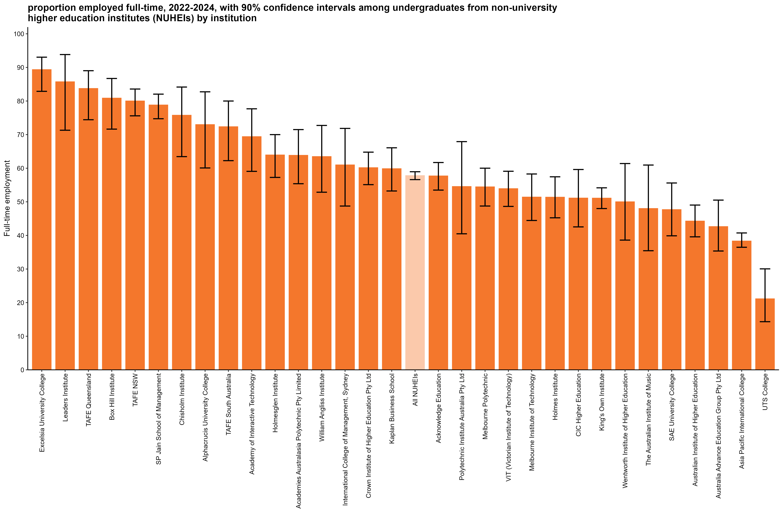
Proportion employed full-time, 2022-2024, with 90% confidence intervals among undergraduates from non-university higher education institutes (NUHEIs) by institution
Back to INDEX

 |  | Full-time employment rate
 | Excelsia University College | 89.3 (82.9, 93.0)
 | Leaders Institute | 85.7 (71.3, 93.8)
 | TAFE Queensland | 83.7 (74.4, 89.0)
 | Box Hill Institute | 80.9 (71.6, 86.7)
 | TAFE NSW | 80.0 (75.6, 83.6)
 | SP Jain School of Management | 78.8 (74.7, 82.0)
 | Chisholm Institute | 75.8 (63.5, 84.2)
 | Alphacrucis University College | 73.0 (60.1, 82.7)
 | TAFE South Australia | 72.3 (62.3, 80.0)
 | Academy of Interactive Technology | 69.4 (59.1, 77.7)
 | Holmesglen Institute | 63.9 (57.3, 70.0)
 | Academies Australasia Polytechnic Pty Limited | 63.8 (55.4, 71.5)
 | William Angliss Institute | 63.5 (52.9, 72.7)
 | International College of Management, Sydney | 61.0 (48.7, 71.8)
 | Crown Institute of Higher Education Pty Ltd | 60.2 (55.1, 64.8)
 | Kaplan Business School | 59.8 (53.2, 66.1)
 | All NUHEIs | 57.8 (56.6, 59.0)
 | Acknowledge Education | 57.7 (53.5, 61.7)
 | Polytechnic Institute Australia Pty Ltd | 54.5 (40.5, 67.9)
 | Melbourne Polytechnic | 54.4 (48.7, 60.0)
 | VIT (Victorian Institute of Technology) | 53.9 (48.6, 59.1)
 | Melbourne Institute of Technology | 51.4 (44.5, 58.3)
 | Holmes Institute | 51.4 (45.2, 57.4)
 | CIC Higher Education | 51.1 (42.5, 59.6)
 | King's Own Institute | 51.1 (48.0, 54.2)
 | Wentworth Institute of Higher Education | 50.0 (38.6, 61.4)
 | The Australian Institute of Music | 48.0 (35.4, 60.9)
 | SAE University College | 47.7 (39.9, 55.6)
 | Australian Institute of Higher Education | 44.3 (39.6, 49.0)
 | Australia Advance Education Group Pty Ltd | 42.6 (35.4, 50.5)
 | Asia Pacific International College | 38.3 (36.5, 40.7)
 | UTS College | 21.1 (14.3, 30.0)
 | ACAP University College | n/a
 | Adelaide Central School of Art
 | Adelaide Institute of Higher Education | n/a
 | Australasian College of Health and Wellness
 | Australian Academy of Music and Performing Arts
 | Australian College of Christian Studies | n/a
 | Australian College of Nursing
 | Australian Institute of Business Pty Ltd
 | Australian Institute of Management Education & Training
 | Australian Institute of Professional Counsellors
 | Australian University of Theology* | n/a
 | BBI - The Australian Institute of Theological Education
 | Campion College Australia
 | Chartered Accountants Australia and New Zealand
 | Christian Heritage College | n/a
 | Collarts (Australian College of the Arts) | n/a
 | Eastern College Australia
 | Endeavour College of Natural Health | n/a
 | Engineering Institute of Technology | n/a
 | Gestalt Therapy Brisbane
 | Governance Institute of Australia
 | HEPCO The Tax Institute Higher Education
 | Health Education & Training Institute
 | ICHM | n/a
 | ISN Psychology Pty Ltd
 | Ikon Institute of Australia | n/a
 | Institute of Health & Management Pty Ltd
 | Jazz Music Institute
 | Kaplan Higher Education Pty Ltd
 | LCI Melbourne | n/a
 | Le Cordon Bleu Australia | n/a
 | Leo Cussen Centre for Law
 | Lyons College | n/a
 | Marcus Oldham College | n/a
 | Montessori World Educational Institute (Australia)
 | Moore Theological College | n/a
 | Morling College
 | Nan Tien Institute
 | National Art School
 | National Institute of Organisation Dynamics Aust
 | Ozford Institute of Higher Education | n/a
 | Performing Arts Education
 | Perth Bible College | n/a
 | Sheridan Institute of Higher Education | n/a
 | Southern Cross Education Institute (Higher Education) | n/a
 | Stanley College | n/a
 | Sydney College of Divinity | n/a
 | Tabor College of Higher Education
 | The Australian College of Physical Education
 | The Cairnmillar Institute
 | The College of Law Limited
 | The Institute of Creative Arts and Technology | n/a
 | The Institute of Internal Auditors - Australia
 | The MIECAT Institute
 | UOW College | n/a
 | Whitehouse Institute of Design, Australia | n/a

Column variables:
AVAILFT
FULLEMP
YEAR

Column filters:
AVAILFT =1

Column notes:
The Agresti-Coull method is used to calculate 90% confidence intervals for proportions.
Estimates and confidence intervals (CIs) may become unreliable for very small sample sizes and proportions close to 0% or 100%.
CIs are not displayed when estimates are 0% or 100% or fall outside the CI range. Exercise caution when reporting and comparing proportions in these cases.
Bootstrapping on the median is used to estimate 90% confidence intervals for median salary.
Data for all columns is filtered to: ANALYSIS = 1, Undergraduate: LEVEL = 1, NUHEI: HEPTYPE = 2, e942 = 1

Row variables:
E306

Row notes:
* The Australian University of Theology was awarded university status in December 2024. Prior to this, the institution was known as the Australian College of Theology and was classified as a non-university higher education institution (NUHEI). Data for the 2024 GOS was collected when the institution was a NUHEI.

SAL_UG_NUHEI_3YP_INST_FIG
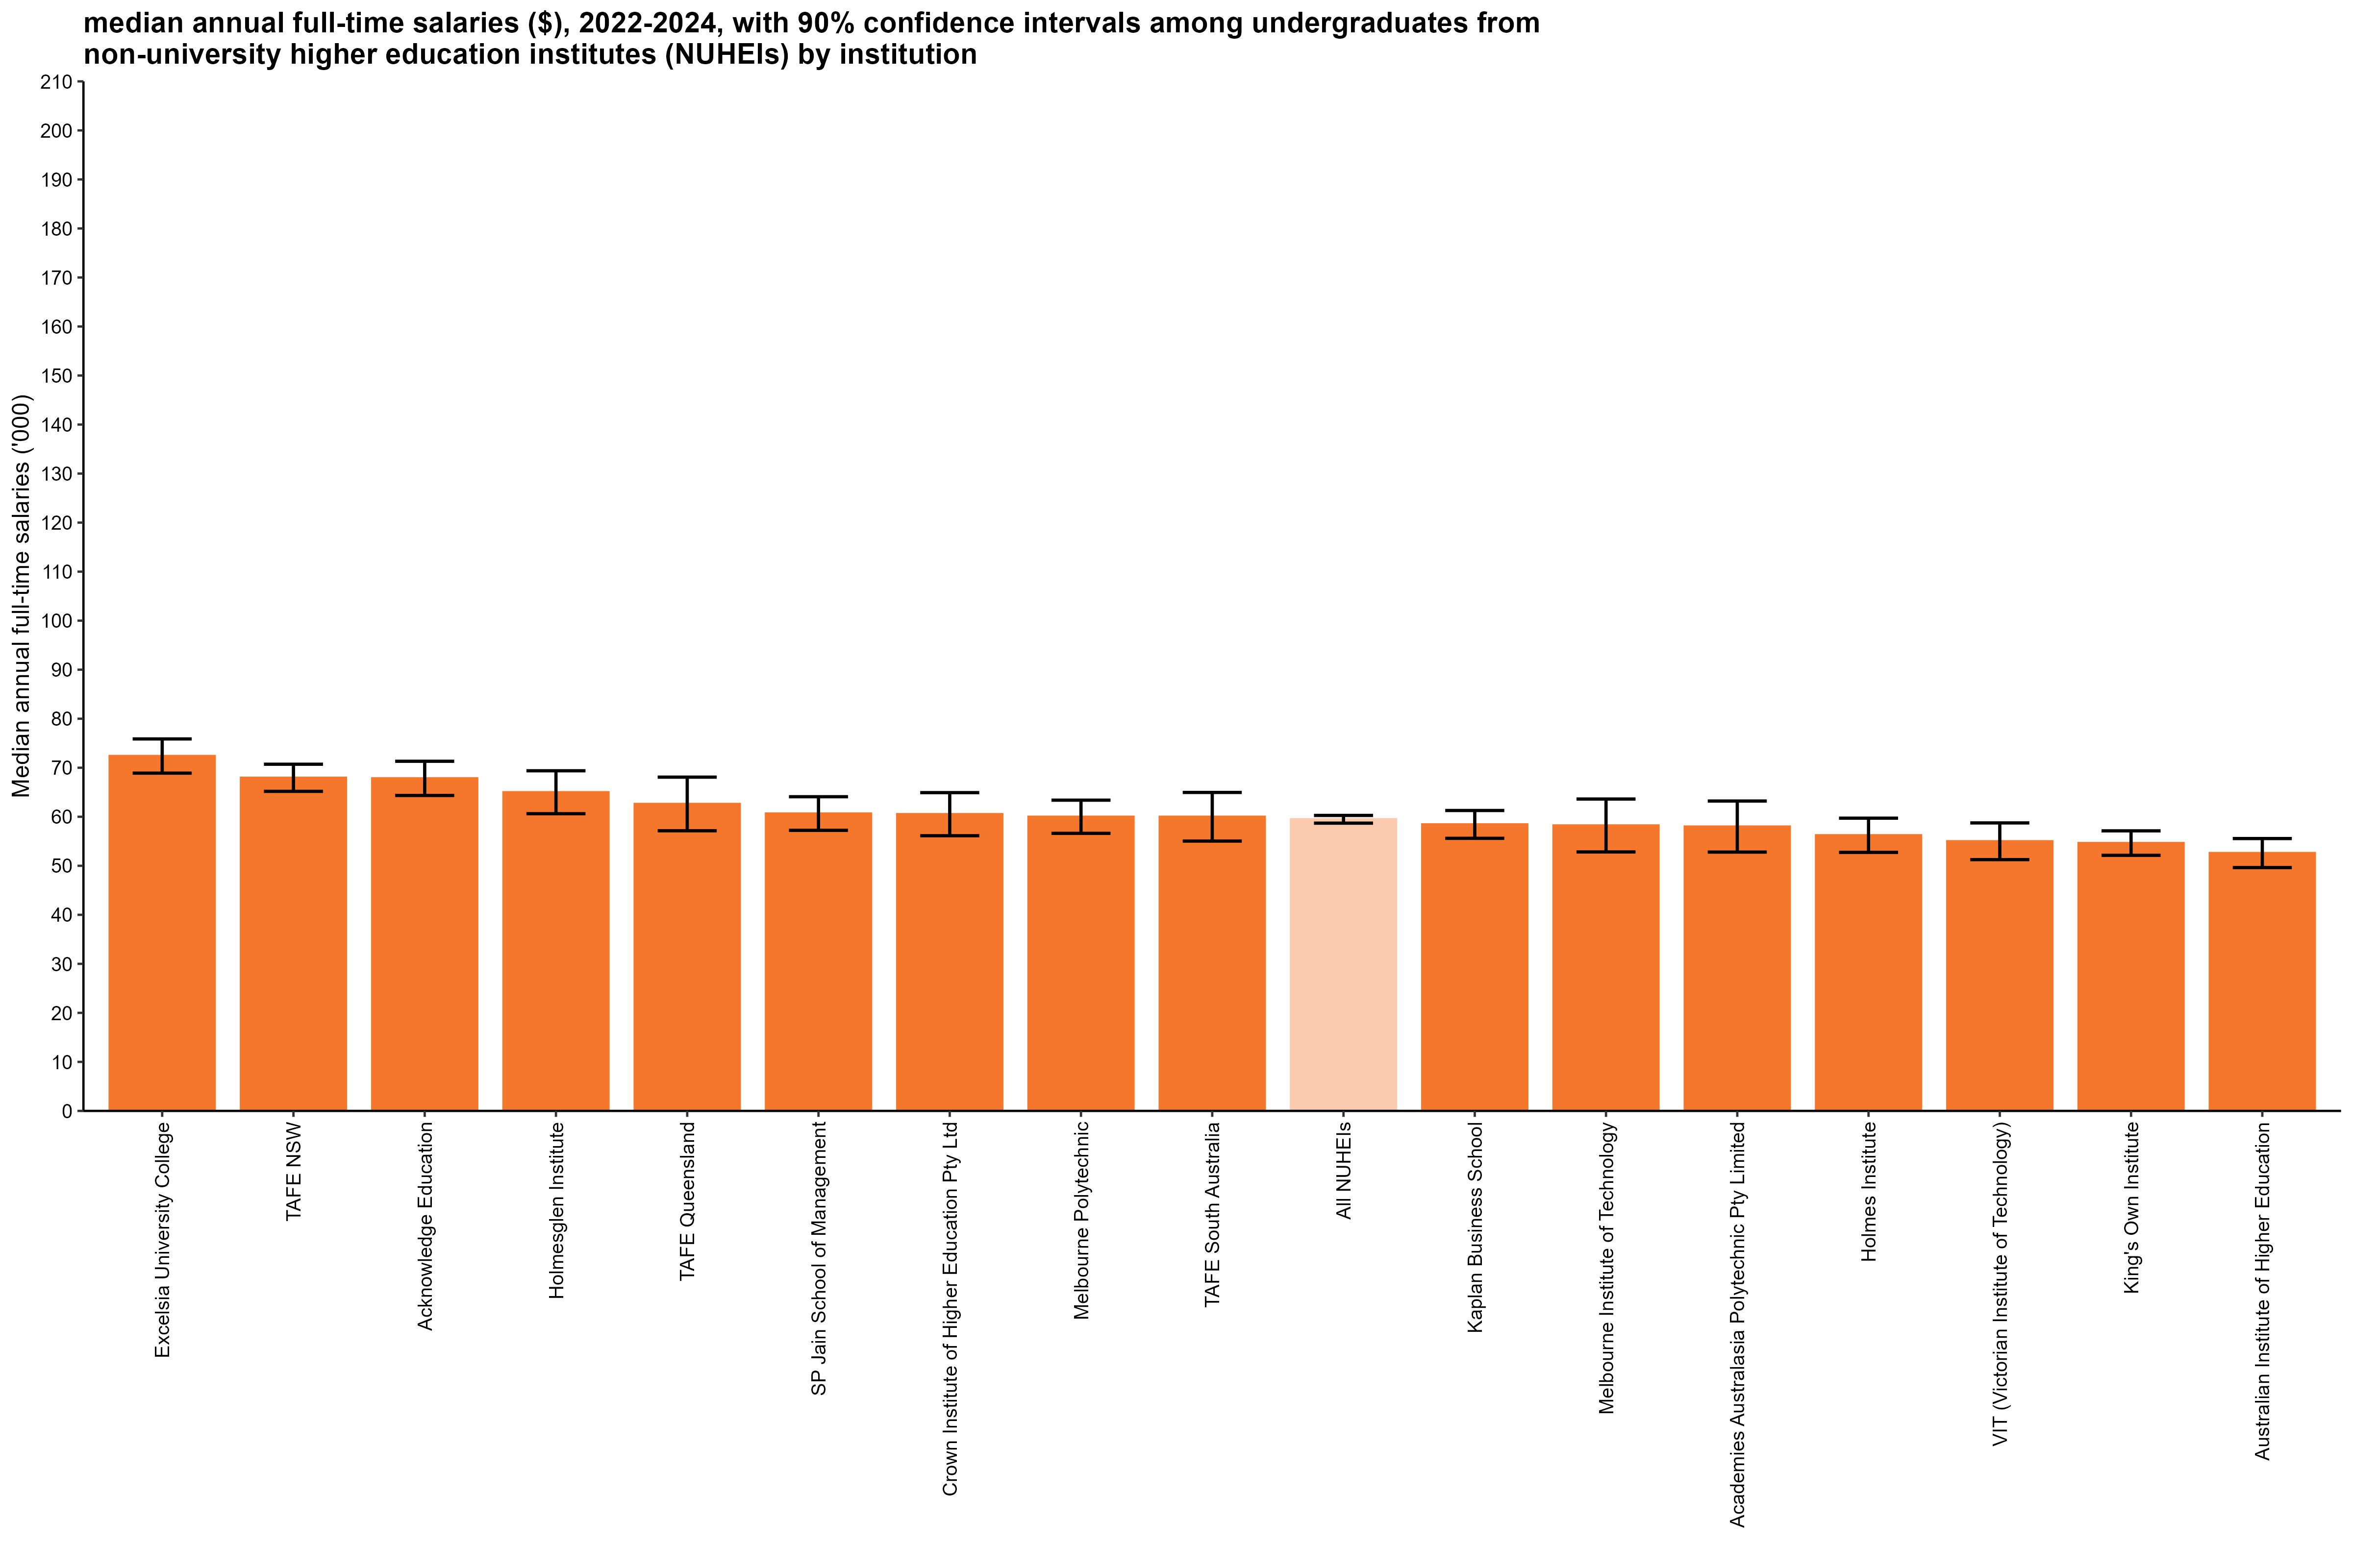
Median annual full-time salaries ($), 2022-2024, with 90% confidence intervals among undergraduates from non-university higher education institutes (NUHEIs) by institution
Back to INDEX

 |  | Median annual full-time salaries ($)
 | Excelsia University College | 72,400 (68,900, 75,900)
 | TAFE NSW | 67,900 (65,200, 70,700)
 | Acknowledge Education | 67,800 (64,300, 71,300)
 | Holmesglen Institute | 65,000 (60,600, 69,400)
 | TAFE Queensland | 62,600 (57,100, 68,100)
 | SP Jain School of Management | 60,700 (57,200, 64,100)
 | Crown Institute of Higher Education Pty Ltd | 60,500 (56,100, 64,900)
 | Melbourne Polytechnic | 60,000 (56,600, 63,400)
 | TAFE South Australia | 60,000 (55,000, 65,000)
 | All NUHEIs | 59,500 (58,700, 60,300)
 | Kaplan Business School | 58,400 (55,600, 61,300)
 | Melbourne Institute of Technology | 58,200 (52,800, 63,600)
 | Academies Australasia Polytechnic Pty Limited | 58,000 (52,800, 63,200)
 | Holmes Institute | 56,200 (52,700, 59,700)
 | VIT (Victorian Institute of Technology) | 55,000 (51,300, 58,700)
 | King's Own Institute | 54,600 (52,100, 57,100)
 | Australian Institute of Higher Education | 52,600 (49,600, 55,600)
 | ACAP University College | n/a
 | Academy of Interactive Technology | n/a
 | Adelaide Central School of Art
 | Adelaide Institute of Higher Education
 | Alphacrucis University College | n/a
 | Asia Pacific International College | n/a
 | Australasian College of Health and Wellness
 | Australia Advance Education Group Pty Ltd | n/a
 | Australian Academy of Music and Performing Arts
 | Australian College of Christian Studies | n/a
 | Australian College of Nursing
 | Australian Institute of Business Pty Ltd
 | Australian Institute of Management Education & Training
 | Australian Institute of Professional Counsellors
 | Australian University of Theology* | n/a
 | BBI - The Australian Institute of Theological Education
 | Box Hill Institute | n/a
 | CIC Higher Education | n/a
 | Campion College Australia
 | Chartered Accountants Australia and New Zealand
 | Chisholm Institute | n/a
 | Christian Heritage College | n/a
 | Collarts (Australian College of the Arts) | n/a
 | Eastern College Australia
 | Endeavour College of Natural Health | n/a
 | Engineering Institute of Technology | n/a
 | Gestalt Therapy Brisbane
 | Governance Institute of Australia
 | HEPCO The Tax Institute Higher Education
 | Health Education & Training Institute
 | ICHM | n/a
 | ISN Psychology Pty Ltd
 | Ikon Institute of Australia | n/a
 | Institute of Health & Management Pty Ltd
 | International College of Management, Sydney | n/a
 | Jazz Music Institute
 | Kaplan Higher Education Pty Ltd
 | LCI Melbourne | n/a
 | Le Cordon Bleu Australia | n/a
 | Leaders Institute | n/a
 | Leo Cussen Centre for Law
 | Lyons College | n/a
 | Marcus Oldham College | n/a
 | Montessori World Educational Institute (Australia)
 | Moore Theological College
 | Morling College
 | Nan Tien Institute
 | National Art School
 | National Institute of Organisation Dynamics Aust
 | Ozford Institute of Higher Education
 | Performing Arts Education
 | Perth Bible College | n/a
 | Polytechnic Institute Australia Pty Ltd | n/a
 | SAE University College | n/a
 | Sheridan Institute of Higher Education | n/a
 | Southern Cross Education Institute (Higher Education) | n/a
 | Stanley College | n/a
 | Sydney College of Divinity | n/a
 | Tabor College of Higher Education
 | The Australian College of Physical Education
 | The Australian Institute of Music | n/a
 | The Cairnmillar Institute
 | The College of Law Limited
 | The Institute of Creative Arts and Technology | n/a
 | The Institute of Internal Auditors - Australia
 | The MIECAT Institute
 | UOW College
 | UTS College | n/a
 | Wentworth Institute of Higher Education | n/a
 | Whitehouse Institute of Design, Australia | n/a
 | William Angliss Institute | n/a

Column variables:
FULLEMP
SALARYA
TRIMSAL_ALL
YEAR

Column filters:
FULLEMP = 1
TRIMSAL_ALL = 1

Column notes:
The Agresti-Coull method is used to calculate 90% confidence intervals for proportions.
Estimates and confidence intervals (CIs) may become unreliable for very small sample sizes and proportions close to 0% or 100%.
CIs are not displayed when estimates are 0% or 100% or fall outside the CI range. Exercise caution when reporting and comparing proportions in these cases.
Bootstrapping on the median is used to estimate 90% confidence intervals for median salary.
Data for all columns is filtered to: ANALYSIS = 1, Undergraduate: LEVEL = 1, NUHEI: HEPTYPE = 2, e942 = 1

Row variables:
E306

Row notes:
* The Australian University of Theology was awarded university status in December 2024. Prior to this, the institution was known as the Australian College of Theology and was classified as a non-university higher education institution (NUHEI). Data for the 2024 GOS was collected when the institution was a NUHEI.

FTE_PGC_UNI_3YP_INST_FIG
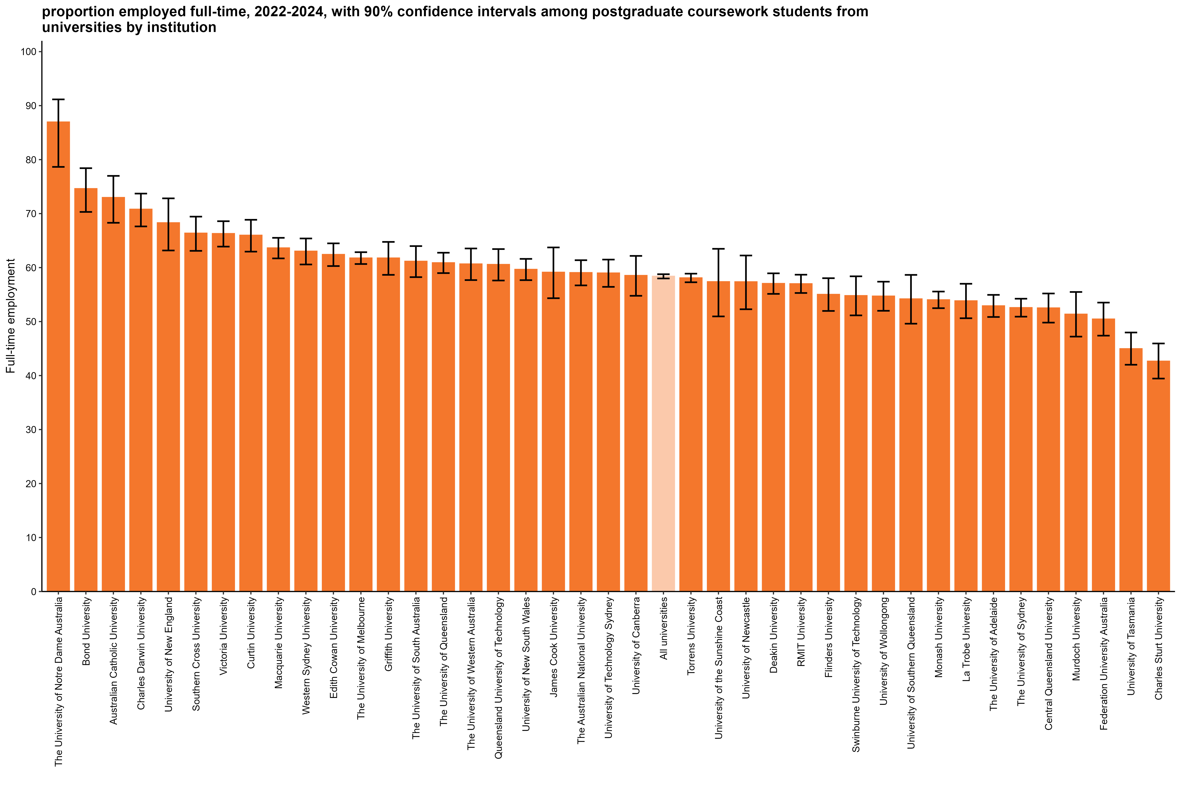
Proportion employed full-time, 2022-2024, with 90% confidence intervals among postgraduate coursework students from universities by institution
Back to INDEX

 |  | Full-time employment rate
 | The University of Notre Dame Australia | 87.0 (78.7, 91.2)
 | Bond University | 74.6 (70.3, 78.4)
 | Australian Catholic University | 73.0 (68.3, 77.0)
 | Charles Darwin University | 70.8 (67.6, 73.7)
 | University of New England | 68.3 (63.2, 72.8)
 | Southern Cross University | 66.4 (63.1, 69.4)
 | Victoria University | 66.3 (63.9, 68.6)
 | Curtin University | 66.0 (63.0, 68.9)
 | Macquarie University | 63.6 (61.7, 65.5)
 | Western Sydney University | 63.0 (60.6, 65.4)
 | Edith Cowan University | 62.4 (60.3, 64.5)
 | The University of Melbourne | 61.8 (60.7, 62.9)
 | Griffith University | 61.8 (58.7, 64.8)
 | The University of South Australia | 61.2 (58.2, 64.0)
 | The University of Queensland | 60.9 (59.0, 62.8)
 | The University of Western Australia | 60.7 (57.7, 63.5)
 | Queensland University of Technology | 60.6 (57.6, 63.4)
 | University of New South Wales | 59.7 (57.7, 61.6)
 | James Cook University | 59.1 (54.3, 63.7)
 | The Australian National University | 59.1 (56.7, 61.4)
 | University of Technology Sydney | 59.0 (56.4, 61.5)
 | University of Canberra | 58.5 (54.8, 62.2)
 | All universities | 58.4 (58.0, 58.8)
 | Torrens University | 58.1 (57.3, 58.9)
 | University of the Sunshine Coast | 57.4 (51.0, 63.5)
 | University of Newcastle | 57.4 (52.3, 62.2)
 | Deakin University | 57.0 (55.1, 58.9)
 | RMIT University | 57.0 (55.3, 58.7)
 | Flinders University | 55.0 (52.0, 58.0)
 | Swinburne University of Technology | 54.8 (51.1, 58.4)
 | University of Wollongong | 54.7 (52.0, 57.4)
 | University of Southern Queensland | 54.2 (49.6, 58.6)
 | Monash University | 54.0 (52.5, 55.6)
 | La Trobe University | 53.8 (50.6, 57.0)
 | The University of Adelaide | 52.9 (50.9, 54.9)
 | The University of Sydney | 52.6 (50.9, 54.2)
 | Central Queensland University | 52.5 (49.8, 55.2)
 | Murdoch University | 51.4 (47.2, 55.5)
 | Federation University Australia | 50.5 (47.4, 53.5)
 | University of Tasmania | 45.0 (42.0, 48.0)
 | Charles Sturt University | 42.7 (39.4, 45.9)
 | Avondale University | n/a
 | University of Divinity | n/a

Column variables:
AVAILFT
FULLEMP
YEAR

Column filters:
AVAILFT =1

Column notes:
The Agresti-Coull method is used to calculate 90% confidence intervals for proportions.
Estimates and confidence intervals (CIs) may become unreliable for very small sample sizes and proportions close to 0% or 100%.
CIs are not displayed when estimates are 0% or 100% or fall outside the CI range. Exercise caution when reporting and comparing proportions in these cases.
Bootstrapping on the median is used to estimate 90% confidence intervals for median salary.
Data for all columns is filtered to: ANALYSIS = 1, Postgraduate coursework: LEVEL = 2, University: HEPTYPE = 1, e942 = 1

Row variables:
E306

FTE_PGC_NUHEI_3YP_INST_FIG
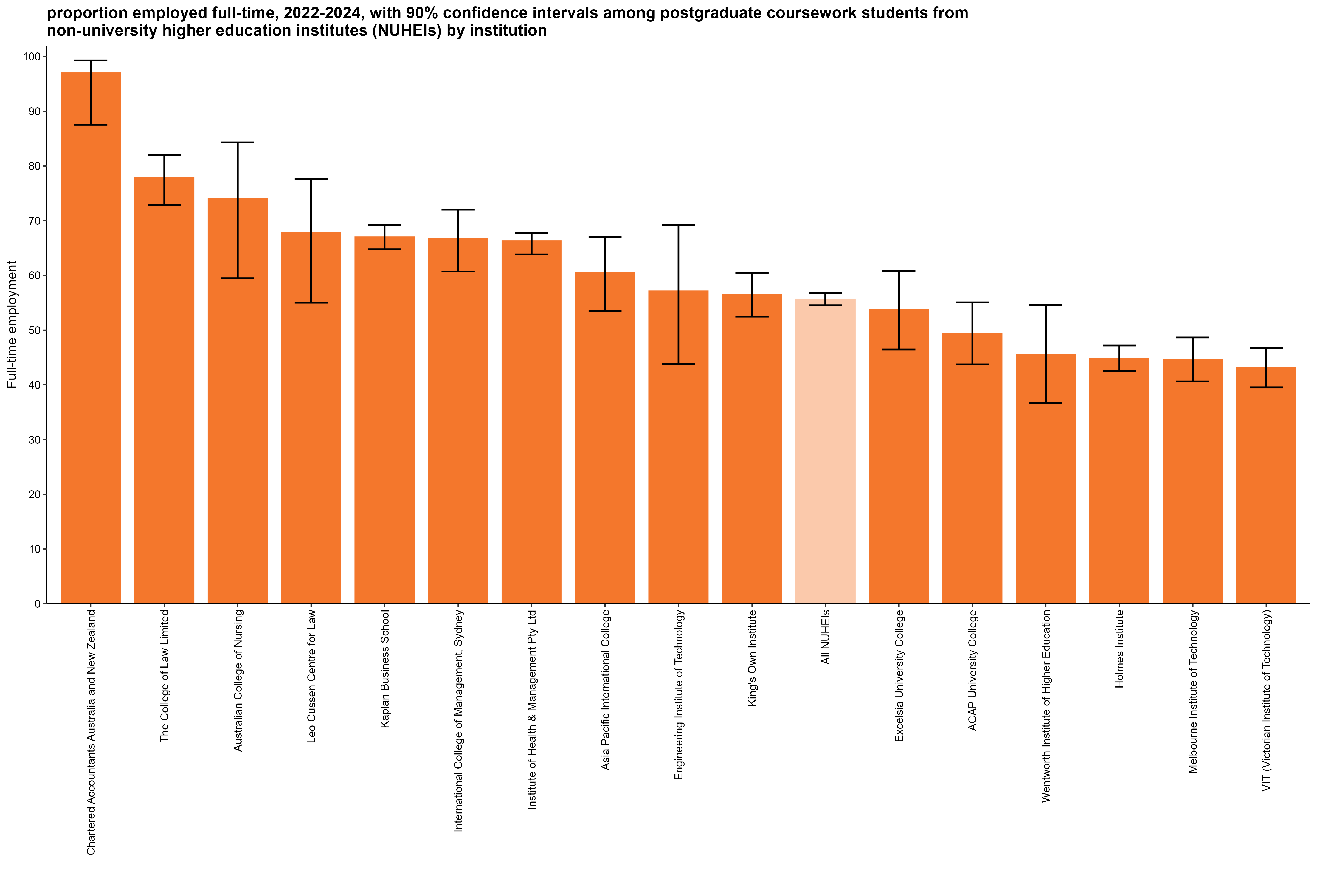
Proportion employed full-time, 2022-2024, with 90% confidence intervals among postgraduate coursework students from non-university higher education institutes (NUHEIs) by institution
Back to INDEX

 |  | Full-time employment rate
 | Chartered Accountants Australia and New Zealand | 97.0 (87.5, 99.3)
 | The College of Law Limited | 77.8 (72.9, 82.0)
 | Australian College of Nursing | 74.1 (59.5, 84.3)
 | Leo Cussen Centre for Law | 67.7 (55.0, 77.6)
 | Kaplan Business School | 67.0 (64.8, 69.2)
 | International College of Management, Sydney | 66.7 (60.7, 72.0)
 | Institute of Health & Management Pty Ltd | 66.3 (63.8, 67.7)
 | Asia Pacific International College | 60.4 (53.5, 67.0)
 | Engineering Institute of Technology | 57.1 (43.8, 69.2)
 | King's Own Institute | 56.5 (52.5, 60.5)
 | All NUHEIs | 55.7 (54.5, 56.8)
 | Excelsia University College | 53.7 (46.4, 60.8)
 | ACAP University College | 49.4 (43.7, 55.1)
 | Wentworth Institute of Higher Education | 45.5 (36.7, 54.6)
 | Holmes Institute | 44.9 (42.6, 47.2)
 | Melbourne Institute of Technology | 44.6 (40.6, 48.7)
 | VIT (Victorian Institute of Technology) | 43.1 (39.5, 46.8)
 | Academies Australasia Polytechnic Pty Limited
 | Academy of Interactive Technology
 | Acknowledge Education
 | Adelaide Central School of Art
 | Adelaide Institute of Higher Education | n/a
 | Alphacrucis University College | n/a
 | Australasian College of Health and Wellness
 | Australia Advance Education Group Pty Ltd
 | Australian Academy of Music and Performing Arts | n/a
 | Australian College of Christian Studies
 | Australian Institute of Business Pty Ltd | n/a
 | Australian Institute of Higher Education | n/a
 | Australian Institute of Management Education & Training
 | Australian Institute of Professional Counsellors
 | Australian University of Theology* | n/a
 | BBI - The Australian Institute of Theological Education | n/a
 | Box Hill Institute | n/a
 | CIC Higher Education | n/a
 | Campion College Australia
 | Chisholm Institute
 | Christian Heritage College | n/a
 | Collarts (Australian College of the Arts)
 | Crown Institute of Higher Education Pty Ltd
 | Eastern College Australia
 | Endeavour College of Natural Health
 | Gestalt Therapy Brisbane
 | Governance Institute of Australia | n/a
 | HEPCO The Tax Institute Higher Education | n/a
 | Health Education & Training Institute
 | Holmesglen Institute | n/a
 | ICHM | n/a
 | ISN Psychology Pty Ltd
 | Ikon Institute of Australia
 | Jazz Music Institute
 | Kaplan Higher Education Pty Ltd | n/a
 | LCI Melbourne
 | Le Cordon Bleu Australia | n/a
 | Leaders Institute
 | Lyons College
 | Marcus Oldham College
 | Melbourne Polytechnic | n/a
 | Montessori World Educational Institute (Australia)
 | Moore Theological College
 | Morling College | n/a
 | Nan Tien Institute | n/a
 | National Art School
 | National Institute of Organisation Dynamics Aust
 | Ozford Institute of Higher Education | n/a
 | Performing Arts Education
 | Perth Bible College
 | Polytechnic Institute Australia Pty Ltd | n/a
 | SAE University College
 | SP Jain School of Management
 | Sheridan Institute of Higher Education | n/a
 | Southern Cross Education Institute (Higher Education) | n/a
 | Stanley College
 | Sydney College of Divinity | n/a
 | TAFE NSW
 | TAFE Queensland
 | TAFE South Australia
 | Tabor College of Higher Education
 | The Australian College of Physical Education
 | The Australian Institute of Music | n/a
 | The Cairnmillar Institute | n/a
 | The Institute of Creative Arts and Technology
 | The Institute of Internal Auditors - Australia | n/a
 | The MIECAT Institute
 | UOW College
 | UTS College | n/a
 | Whitehouse Institute of Design, Australia
 | William Angliss Institute

Column variables:
AVAILFT
FULLEMP
YEAR

Column filters:
AVAILFT =1

Column notes:
The Agresti-Coull method is used to calculate 90% confidence intervals for proportions.
Estimates and confidence intervals (CIs) may become unreliable for very small sample sizes and proportions close to 0% or 100%.
CIs are not displayed when estimates are 0% or 100% or fall outside the CI range. Exercise caution when reporting and comparing proportions in these cases.
Bootstrapping on the median is used to estimate 90% confidence intervals for median salary.
Data for all columns is filtered to: ANALYSIS = 1, Postgraduate coursework: LEVEL = 2, NUHEI: HEPTYPE = 2, e942 = 1

Row variables:
E306

Row notes:
* The Australian University of Theology was awarded university status in December 2024. Prior to this, the institution was known as the Australian College of Theology and was classified as a non-university higher education institution (NUHEI). Data for the 2024 GOS was collected when the institution was a NUHEI.

FTE_PGR_UNI_3YP_INST_FIG
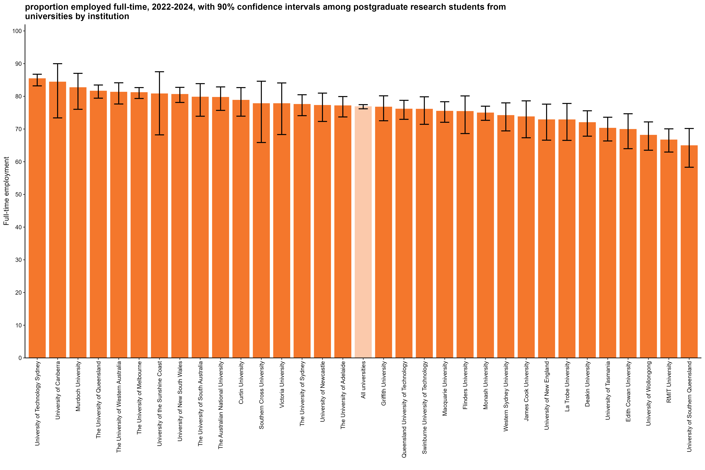
Proportion employed full-time, 2022-2024, with 90% confidence intervals among postgraduate research students from universities by institution
Back to INDEX

 |  | Full-time employment rate
 | University of Technology Sydney | 85.4 (83.2, 86.8)
 | University of Canberra | 84.4 (73.4, 90.0)
 | Murdoch University | 82.7 (76.0, 87.0)
 | The University of Queensland | 81.6 (79.4, 83.5)
 | The University of Western Australia | 81.3 (77.7, 84.1)
 | The University of Melbourne | 81.2 (79.3, 82.7)
 | University of the Sunshine Coast | 80.8 (68.2, 87.5)
 | University of New South Wales | 80.6 (78.1, 82.7)
 | The University of South Australia | 79.8 (73.9, 83.9)
 | The Australian National University | 79.7 (75.7, 82.9)
 | Curtin University | 78.8 (73.9, 82.7)
 | Southern Cross University | 77.8 (65.9, 84.6)
 | Victoria University | 77.8 (68.3, 84.1)
 | The University of Sydney | 77.5 (74.1, 80.5)
 | University of Newcastle | 77.2 (72.3, 81.0)
 | The University of Adelaide | 77.1 (73.7, 79.9)
 | All universities | 76.8 (76.2, 77.5)
 | Griffith University | 76.7 (72.5, 80.2)
 | Queensland University of Technology | 76.1 (73.0, 78.8)
 | Swinburne University of Technology | 76.1 (71.4, 79.9)
 | Macquarie University | 75.5 (72.1, 78.3)
 | Flinders University | 75.4 (68.6, 80.1)
 | Monash University | 74.9 (72.7, 77.0)
 | Western Sydney University | 74.1 (69.4, 78.0)
 | James Cook University | 73.8 (67.3, 78.6)
 | University of New England | 72.8 (66.6, 77.6)
 | La Trobe University | 72.8 (66.5, 77.8)
 | Deakin University | 72.0 (67.8, 75.6)
 | University of Tasmania | 70.3 (66.3, 73.6)
 | Edith Cowan University | 69.9 (64.0, 74.7)
 | University of Wollongong | 68.1 (63.5, 72.2)
 | RMIT University | 66.7 (63.0, 70.1)
 | University of Southern Queensland | 64.9 (58.3, 70.2)
 | Australian Catholic University | n/a
 | Avondale University
 | Bond University | n/a
 | Central Queensland University | n/a
 | Charles Darwin University | n/a
 | Charles Sturt University | n/a
 | Federation University Australia | n/a
 | The University of Notre Dame Australia | n/a
 | Torrens University | n/a
 | University of Divinity

Column variables:
AVAILFT
FULLEMP
YEAR

Column filters:
AVAILFT =1

Column notes:
The Agresti-Coull method is used to calculate 90% confidence intervals for proportions.
Estimates and confidence intervals (CIs) may become unreliable for very small sample sizes and proportions close to 0% or 100%.
CIs are not displayed when estimates are 0% or 100% or fall outside the CI range. Exercise caution when reporting and comparing proportions in these cases.
Bootstrapping on the median is used to estimate 90% confidence intervals for median salary.
Data for all columns is filtered to: ANALYSIS = 1, Postgraduate research: LEVEL = 3, University: HEPTYPE = 1, e942 = 1

Row variables:
E306

SAL_PGC_UNI_3YP_INST_FIG
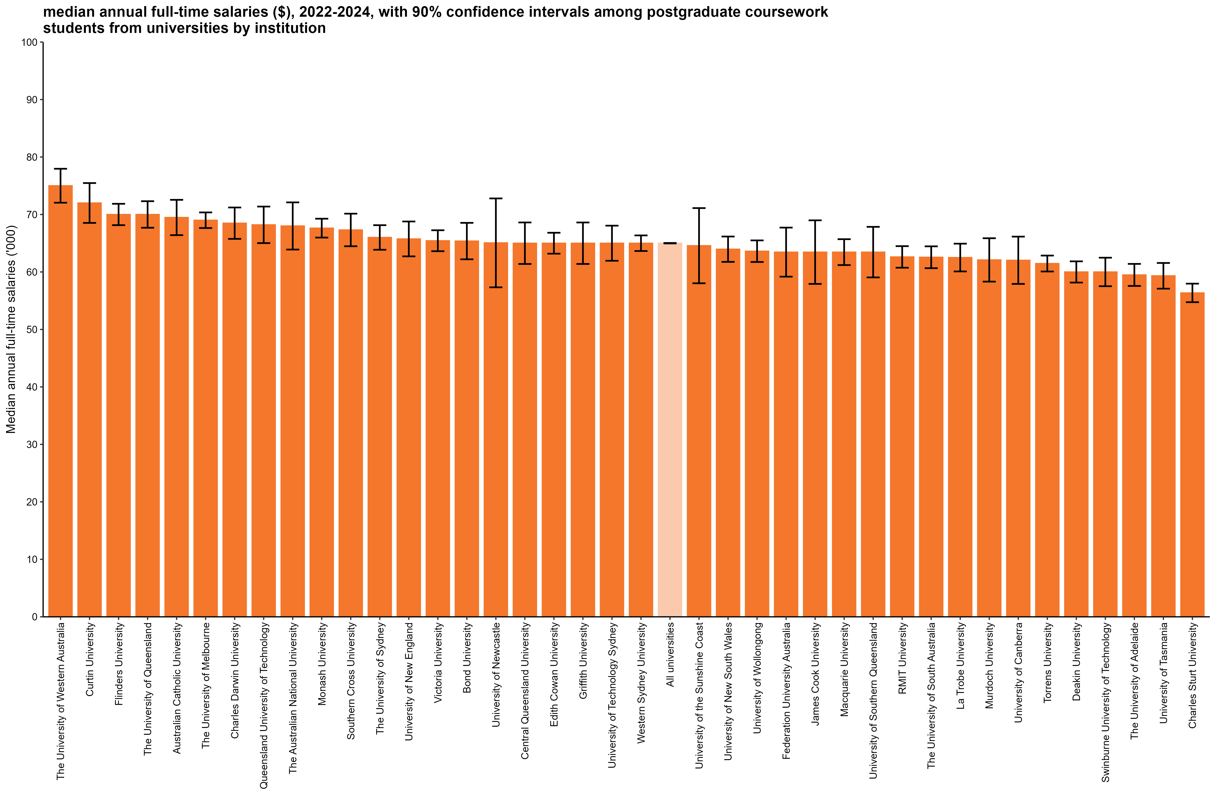
Median annual full-time salaries ($), 2022-2024, with 90% confidence intervals among postgraduate coursework students from universities by institution
Back to INDEX

 |  | Median annual full-time salaries ($)
 | The University of Western Australia | 75,000 (72,000, 78,000)
 | Curtin University | 72,000 (68,500, 75,500)
 | Flinders University | 70,000 (68,100, 71,900)
 | The University of Queensland | 70,000 (67,700, 72,300)
 | Australian Catholic University | 69,500 (66,400, 72,500)
 | The University of Melbourne | 69,000 (67,600, 70,400)
 | Charles Darwin University | 68,500 (65,800, 71,200)
 | Queensland University of Technology | 68,200 (65,000, 71,400)
 | The Australian National University | 68,000 (63,900, 72,100)
 | Monash University | 67,600 (66,000, 69,300)
 | Southern Cross University | 67,300 (64,500, 70,100)
 | The University of Sydney | 66,000 (63,900, 68,100)
 | University of New England | 65,700 (62,700, 68,800)
 | Victoria University | 65,400 (63,600, 67,300)
 | Bond University | 65,400 (62,200, 68,500)
 | University of Newcastle | 65,100 (57,300, 72,800)
 | Central Queensland University | 65,000 (61,400, 68,600)
 | Edith Cowan University | 65,000 (63,200, 66,800)
 | Griffith University | 65,000 (61,400, 68,600)
 | University of Technology Sydney | 65,000 (61,900, 68,100)
 | Western Sydney University | 65,000 (63,600, 66,400)
 | All universities | 65,000 (65,000, 65,000)
 | University of the Sunshine Coast | 64,600 (58,000, 71,100)
 | University of New South Wales | 64,000 (61,800, 66,200)
 | University of Wollongong | 63,600 (61,700, 65,500)
 | Federation University Australia | 63,400 (59,200, 67,700)
 | James Cook University | 63,400 (57,900, 69,000)
 | Macquarie University | 63,400 (61,200, 65,700)
 | University of Southern Queensland | 63,400 (59,100, 67,800)
 | RMIT University | 62,600 (60,700, 64,500)
 | The University of South Australia | 62,600 (60,700, 64,500)
 | La Trobe University | 62,500 (60,100, 64,900)
 | Murdoch University | 62,100 (58,300, 65,900)
 | University of Canberra | 62,000 (57,900, 66,100)
 | Torrens University | 61,500 (60,100, 62,900)
 | Deakin University | 60,000 (58,200, 61,800)
 | Swinburne University of Technology | 60,000 (57,500, 62,500)
 | The University of Adelaide | 59,500 (57,600, 61,400)
 | University of Tasmania | 59,300 (57,100, 61,600)
 | Charles Sturt University | 56,400 (54,700, 58,000)
 | Avondale University | n/a
 | The University of Notre Dame Australia | n/a
 | University of Divinity | n/a

Column variables:
FULLEMP
SALARYA
TRIMSAL_ALL
YEAR

Column filters:
FULLEMP = 1
TRIMSAL_ALL = 1

Column notes:
The Agresti-Coull method is used to calculate 90% confidence intervals for proportions.
Estimates and confidence intervals (CIs) may become unreliable for very small sample sizes and proportions close to 0% or 100%.
CIs are not displayed when estimates are 0% or 100% or fall outside the CI range. Exercise caution when reporting and comparing proportions in these cases.
Bootstrapping on the median is used to estimate 90% confidence intervals for median salary.
Data for all columns is filtered to: ANALYSIS = 1, Postgraduate coursework: LEVEL = 2, University: HEPTYPE = 1, e942 = 1

Row variables:
E306

SAL_PGR_UNI_3YP_INST_FIG
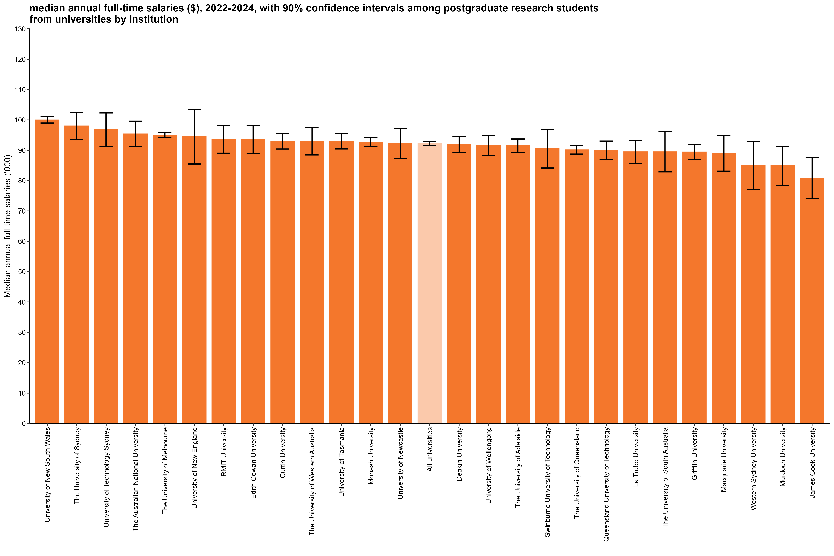
Median annual full-time salaries ($), 2022-2024, with 90% confidence intervals among postgraduate research students from universities by institution
Back to INDEX

 |  | Median annual full-time salaries ($)
 | University of New South Wales | 100,000 (98,900, 101,100)
 | The University of Sydney | 98,000 (93,500, 102,500)
 | University of Technology Sydney | 96,800 (91,300, 102,300)
 | The Australian National University | 95,400 (91,200, 99,600)
 | The University of Melbourne | 95,000 (94,100, 95,900)
 | University of New England | 94,500 (85,500, 103,500)
 | RMIT University | 93,600 (89,100, 98,100)
 | Edith Cowan University | 93,500 (88,800, 98,200)
 | Curtin University | 93,000 (90,400, 95,600)
 | The University of Western Australia | 93,000 (88,500, 97,500)
 | University of Tasmania | 93,000 (90,400, 95,600)
 | Monash University | 92,700 (91,200, 94,100)
 | University of Newcastle | 92,300 (87,400, 97,100)
 | All universities | 92,200 (91,600, 92,800)
 | Deakin University | 92,000 (89,400, 94,600)
 | University of Wollongong | 91,600 (88,400, 94,800)
 | The University of Adelaide | 91,500 (89,200, 93,700)
 | Swinburne University of Technology | 90,500 (84,100, 96,900)
 | The University of Queensland | 90,100 (88,700, 91,500)
 | Queensland University of Technology | 90,000 (87,000, 93,000)
 | La Trobe University | 89,500 (85,700, 93,300)
 | The University of South Australia | 89,500 (82,900, 96,100)
 | Griffith University | 89,500 (86,900, 92,000)
 | Macquarie University | 89,000 (83,100, 94,900)
 | Western Sydney University | 85,000 (77,200, 92,800)
 | Murdoch University | 84,900 (78,500, 91,300)
 | James Cook University | 80,800 (74,000, 87,600)
 | Australian Catholic University | n/a
 | Avondale University
 | Bond University | n/a
 | Central Queensland University | n/a
 | Charles Darwin University | n/a
 | Charles Sturt University | n/a
 | Federation University Australia | n/a
 | Flinders University | n/a
 | Southern Cross University | n/a
 | The University of Notre Dame Australia
 | Torrens University | n/a
 | University of Canberra | n/a
 | University of Divinity
 | University of Southern Queensland | n/a
 | University of the Sunshine Coast | n/a
 | Victoria University | n/a

Column variables:
FULLEMP
SALARYA
TRIMSAL_ALL
YEAR

Column filters:
FULLEMP = 1
TRIMSAL_ALL = 1

Column notes:
The Agresti-Coull method is used to calculate 90% confidence intervals for proportions.
Estimates and confidence intervals (CIs) may become unreliable for very small sample sizes and proportions close to 0% or 100%.
CIs are not displayed when estimates are 0% or 100% or fall outside the CI range. Exercise caution when reporting and comparing proportions in these cases.
Bootstrapping on the median is used to estimate 90% confidence intervals for median salary.
Data for all columns is filtered to: ANALYSIS = 1, Postgraduate research: LEVEL = 3, University: HEPTYPE = 1, e942 = 1

Row variables:
E306

