Json
SSIM Json Data Types
DB TypeN = SSIM_DT_TypeN_Json or 2
All Json data types have Bits set to SSIM_DTB_TextData
The Json data trypes are defined at https://www.json.org/

Name | DB SubTypeN | Description
Json.Number | SSIM_DT_SubTypeN_Json_Number | 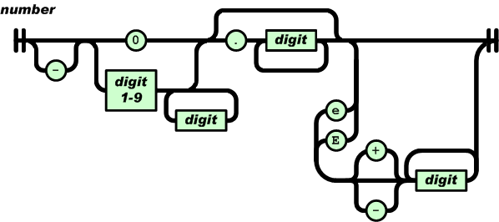 A number is a base 10 integer plus optional fractional (decimal) part and optional exponent, in text form
Json.String | SSIM_DT_SubTypeN_Json_String | 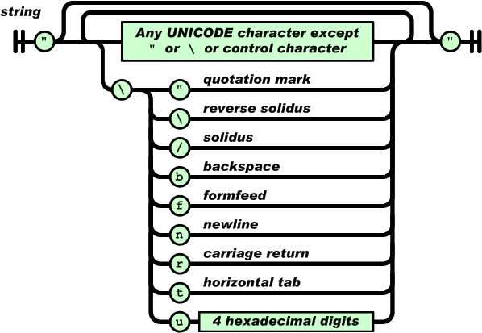 A string is a sequence of zero or more Unicode characters, wrapped in double quotes, using backslash escapes. A character is represented as a single character string. A string is very much like a C or Java string.
Json.Object | SSIM_DT_SubTypeN_Json_Oject | An object is an unordered set of name/value pairs. An object begins with { (left brace) and ends with } (right brace). Each name is followed by : (colon) and the name/value pairs are separated by , (comma).
Json.Array | SSIM_DT_SubTypeN_Json_Array | An array is an ordered collection of values. An array begins with [ (left bracket) and ends with ] (right bracket). Values are separated by , (comma).

Notes
a. A value can be a string in double quotes, or a number, or "true" or "false" or "null", or an object or an array. These structures can be nested.
b. For more re digits, hex digits, and ws (white space) see https://www.json.org/

