Door Locking
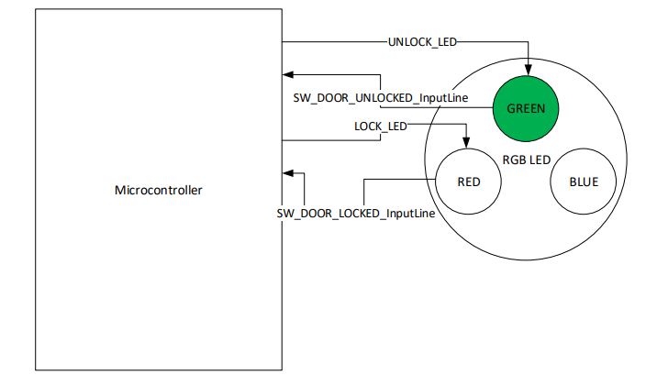
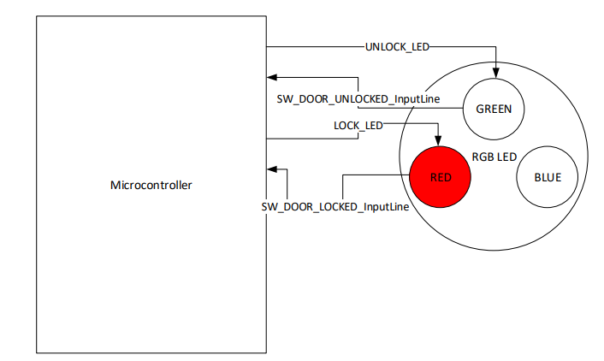
Door Locking

Door Locking function is used to control the corresponding Door Solenoid that is used to lock and unlock the corresponding Door.
Hardware - Software Requirements
Solenoid Behavior will be model with and RGB LED that will be used to indicate when the Door is LOCK or UNLOCK.
When RGB become Green (0,100,0), then it shall indicate Door is UNLOCK.
When RGB become Red (100,0,0), then it shall indicate Door is LOCK.
When RGB become any other value different from Green or Red, then it shall be considered invalid.
Door Locking Configuration
The Data Identifier $0180 (DID_0180) has the purpose to configurate the duration of the LED on time for Lock and Unlock actuations for Door Locking functionality.
DID_0180. UnlockBlinkTime resolution is 10 ms.
DID_0180. UnlockBlinkTime default value is 10 (100ms)
DID_0180. LockBlinkTime resolution is 10 ms.
DID_0180. LockBlinkTime default value is 10 (100ms)
Software Requirements
LOCK_DOOR_ACTUATION
LOCK_DOOR_ ACTUATION function is executed when the operation to lock the door is executed.
The sequence for LOCK_DOOR_ ACTUATION shall be first to turn off UNLOCK_LED, then to hold states during 100 milliseconds, and finally to turn on LOCK_LED.
UNLOCK_DOOR_ACTUATION
UNLOCK_DOOR_ ACTUATION function is executed when the operation to unlock the door is executed.
The sequence for LOCK_DOOR_ ACTUATION shall be first to turn off LOCK_LED, then to hold states during 100 milliseconds, and finally to turn on UNLOCK_LED.

Door Lock Status
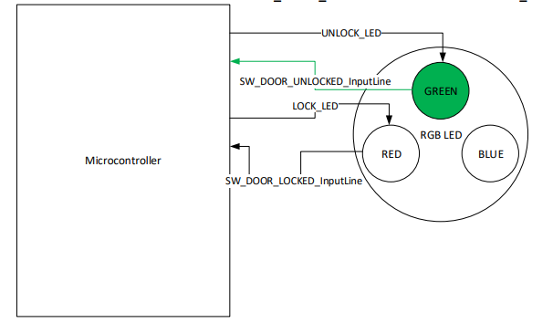
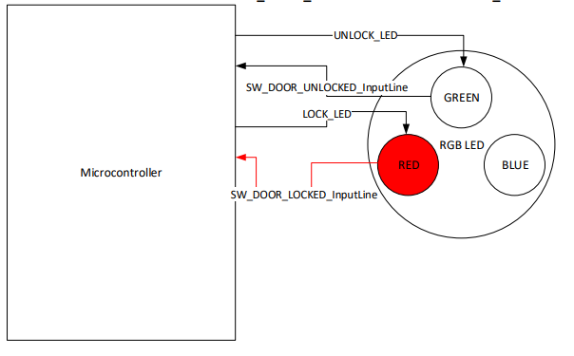
Door Lock Status

Door Lock Status Report
LOCK_DOOR_ACTUATION
If LOCK_BTN of the DCU transitions from BTN_NOT_PRESSED to BTN_PRESSED, then Driver Door shall transmit signal DCU_1.LockingReq (CAN frame DCU_1 Byte 1) with a value equal to 0x01 (LOCK_REQ) only once. After that, Driver Door shall set DCU_1.LockingReq (CAN frame DCU_1 Byte 1) back to 0x00 (NO_LOCKING_REQ) and keep it like this as long as there is no lock/unlock request from LOCK_BTN/UNLOCK_BTN.
If LOCK_BTN of the DCU transitions from BTN_NOT_PRESSED to BTN_PRESSED, then Passenger Door shall transmit signal DCU_2.LockingReq (CAN frame DCU_2 Byte 1) with a value equal to 0x01 (LOCK_REQ) only once. After that, Passenger Door shall set DCU_2.LockingReq (CAN frame DCU_2 Byte 1) back to 0x00 (NO_LOCKING_REQ) and keep it like this as long as there is no lock/unlock request from LOCK_BTN/UNLOCK_BTN.
UNLOCK_DOOR_ACTUATION
If UNLOCK_BTN of the DCU transitions from BTN_NOT_PRESSED to BTN_PRESSED, then Driver Door shall transmit signal DCU_1.LockingReq (CAN frame DCU_1 Byte 1) with a value equal to 0x02 (UNLOCK_REQ) only once. After that, Driver Door shall set DCU_1.LockingReq (CAN frame DCU_1 Byte 1) back to 0x00 (NO_LOCKING_REQ) and keep it like this as long as there is no lock/unlock request from LOCK_BTN/UNLOCK_BTN.
If UNLOCK_BTN of the DCU transitions from BTN_NOT_PRESSED to BTN_PRESSED, then Passenger Door shall transmit signal DCU_2.LockingReq (CAN frame DCU_2 Byte 1) with a value equal to 0x02 (UNLOCK_REQ) only once. After that, Passenger Door shall set DCU_2.LockingReq (CAN frame DCU_2 Byte 1) back to 0x00 (NO_LOCKING_REQ) and keep it like this as long as there is no lock/unlock request from LOCK_BTN/UNLOCK_BTN.
Door Lock Status Determination
DOOR_LOCKED
If SW_DOOR_LOCKED is determined as SW_ACTIVE, then Door shall be considered as Locked.
DOOR_UNLOCKED
If SW_DOOR_UNLOCKED is determined as SW_ACTIVE, then Door shall be considered as Unlocked.
DOOR_ERROR
If SW_DOOR_LOCKED and SW_DOOR_UNLOCKED are determined as SW_ACTIVE during 10 samples of 10 ms consecutively each, then Door Lock shall be considered as DOOR_ERROR.
If DOOR_LOCKED or DOOR_UNLOCKED status has been determined without a DOOR_ERROR after Door Locking functionality is re-enable after a power cycle (HW Diagnostics), then DOOR_ERROR shall not be considered present.
HW Diagnostics
If Door Lock is considered as DOOR_ERROR, then Door Locking functionality shall be disable until next power cycle. (Transition OFF -> RUN).
If Door is considered as DOOR_ERROR, the corresponding DTC for Driver Door Position Error Detected shall be set as DTC: 0xA00100.
If Door is considered as DOOR_ERROR, the corresponding DTC for Passenger Door Position Error Detected shall be set as DTC: 0xA00200.
If Door is considered as DOOR_ERROR, the corresponding DTC for RearRight Door Position Error Detected shall be set as DTC: 0xA00300.
If Door is considered as DOOR_ERROR, the corresponding DTC for RearLeft Door Position Error Detected shall be set as DTC: 0xA00400.
If DOOR_ERROR conditions are no longer detected, the corresponding DTC shall be clear.

