Window Control
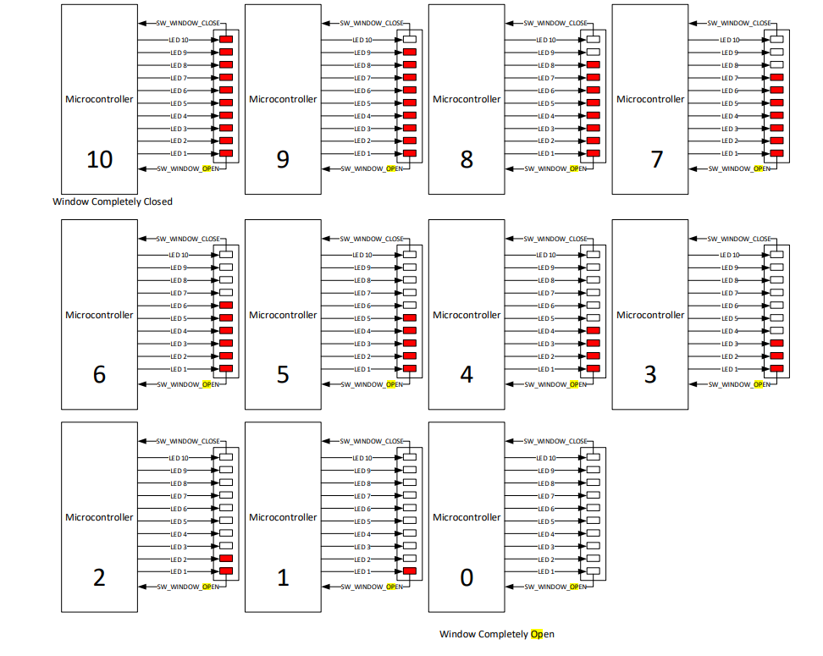
Window Control

Window Control function is used to control the corresponding Window DC motor that is used to Open and Close the corresponding Window.
Hardware - Software Requirements
Window behavior will be model with a 10 RED LED BAR that will be used to indicate window position and window operations.
Window behavior will be controlled using 10 digital outputs.
Window Actuation will be displayed as an animation with 500ms delay between transitions on the LED arrangement.
Window Animation to open the Window from CompletelyClose to CompletelyOpen is demonstrated when the LED arrangement transitions from ON to OFF in descendant order, from LED 10 to LED 1.
Window Animation to close the Window from CompletelyOpen to CompletelyClose is demonstrated when the LED arrangement transitions from OFF to ON in ascendant order, from LED 1 to LED 10.
Software Requirements
WindowOp is a signal that reports the Windows current Operation.
WINDOW_IDLE is the value that reports that the Window is not moving.
If there is not a Window Control Actuation on the Driver Door, then ECU shall report on the CAN frame DCU_1.WindowOp (CAN frame DCU_1 Byte 2) as WINDOW_IDLE value (0x00) .
If there is not a Window Control Actuation on the Passenger Door, then ECU shall report on the CAN frame DCU_2.WindowOp (CAN frame DCU_2 Byte 2) as WINDOW_IDLE value (0x00) .
If there is not a Window Control Actuation on the RearLeft Door, then ECU shall report on the CAN frame DCU_3.WindowOp (CAN frame DCU_3 Byte 2) as WINDOW_IDLE value (0x00) .
If there is not a Window Control Actuation on the RearRight Door, then ECU shall report on the CAN frame DCU_4.WindowOp (CAN frame DCU_4 Byte 2) as WINDOW_IDLE value (0x00) .
OPEN_WINDOW_ACTUATION
OPEN_WINDOW_ ACTUATION function is executed when the LED arrangement transitions from ON to OFF in descendant order, from LED 10 to LED 1.
Between every transition of the LED arrangement from ON to OFF, there shall be a 500ms delay.
Driver Door
If Driver Door WINDOW_POSITION (CAN frame DCU_1 Byte 0) is different than COMPLETELY_OPEN value (0x01) and WINDOW_POSITION (CAN frame DCU_1 Byte 0) is different than ERROR value (0x03), then OPEN_WINDOW_ACTUATION function shall be executed.
If there is an OPEN_WINDOW_ACTUATION on the Driver Door, then ECU shall report on the CAN frame DCU_1.WindowOp (CAN frame DCU_1 BYTE 2) as WINDOW_DOWN value (0x02).
If Driver Door WINDOW_POSITION (CAN frame DCU_1 Byte 0) is considered as COMPLETELY_OPEN value (0x01) and WINDOW_POSITION (CAN frame DCU_1 Byte 0) is considered as ERROR value (0x03), then OPEN_WINDOW_ACTUATION function shall stop.
Passenger Door
If Passenger Door WINDOW_POSITION (CAN frame DCU_2 Byte 0) is different than COMPLETELY_OPEN value (0x01) and WINDOW_POSITION (CAN frame DCU_2 Byte 0) is different than ERROR value (0x03), then OPEN_WINDOW_ACTUATION function shall be executed.
If there is an OPEN_WINDOW_ACTUATION on the Passenger Door, then ECU shall report on the CAN frame DCU_2.WindowOp (CAN frame DCU_2 BYTE 2) as WINDOW_DOWN value (0x02).
If Passenger Door WINDOW_POSITION (CAN frame DCU_2 Byte 0) is considered as COMPLETELY_OPEN value (0x01) and WINDOW_POSITION (CAN frame DCU_2 Byte 0) is considered as ERROR value (0x03), then OPEN_WINDOW_ACTUATION function shall stop.
RearLeft Door
If RearLeft Door WINDOW_POSITION (CAN frame DCU_3 Byte 0) is different than COMPLETELY_OPEN value (0x01) and WINDOW_POSITION (CAN frame DCU_3 Byte 0) is different than ERROR value (0x03), then OPEN_WINDOW_ACTUATION function shall be executed.
If there is an OPEN_WINDOW_ACTUATION on the RearLeft Door, then ECU shall report on the CAN frame DCU_3.WindowOp (CAN frame DCU_3 BYTE 2) as WINDOW_DOWN value (0x002).
If RearLeft Door WINDOW_POSITION (CAN frame DCU_3 Byte 0) is considered as COMPLETELY_OPEN value (0x01) and WINDOW_POSITION (CAN frame DCU_3 Byte 0) is considered as ERROR value (0x03), then OPEN_WINDOW_ACTUATION function shall stop.
RearRight Door
If RearRight Door WINDOW_POSITION (CAN frame DCU_4 Byte 0) is different than COMPLETELY_OPEN value (0x01) and WINDOW_POSITION (CAN frame DCU_4 Byte 0) is different than ERROR value (0x03), then OPEN_WINDOW_ACTUATION function shall be executed.
If there is an OPEN_WINDOW_ACTUATION on the RearRight Door, then ECU shall report on the CAN frame DCU_4.WindowOp (CAN frame DCU_4 BYTE 2) as WINDOW_DOWN value (0x02).
If RearRight Door WINDOW_POSITION (CAN frame DCU_4 Byte 0) is considered as COMPLETELY_OPEN value (0x01) and WINDOW_POSITION (CAN frame DCU_4 Byte 0) is considered as ERROR value (0x03), then OPEN_WINDOW_ACTUATION function shall stop.
GLOBAL_OPEN_WINDOW_ACTUATION
GLOBAL_OPEN_WINDOW_ACTUATION function is executed when the LED arrangement transitions from ON to OFF in descendant order, from LED 10 to LED 1.
Between every transition of the LED arrangement from ON to OFF, there shall be a 500ms delay.
Driver Door
If Driver Door WINDOW_POSITION (CAN frame DCU_1 Byte 0) is different than COMPLETELY_OPEN value (0x01) and WINDOW_POSITION (CAN frame DCU_1 Byte 0) is different than ERROR value (0x03), then GLOBAL_OPEN_WINDOW_ACTUATION function shall be executed.
If there is a GLOBAL_OPEN_WINDOW_ACTUATION on the Driver Door, then ECU shall report on the CAN frame DCU_1.WindowOp (CAN frame DCU_1 BYTE 2) as WINDOW_DOWN value (0x02).
If Driver Door WINDOW_POSITION (CAN frame DCU_1 Byte 0) is considered as COMPLETELY_OPEN value (0x01), then GLOBAL_OPEN_WINDOW_ACTUATION function shall stop.
Passenger Door
If Passenger Door WINDOW_POSITION (CAN frame DCU_2 Byte 0) is different than COMPLETELY_OPEN value (0x01) and WINDOW_POSITION (CAN frame DCU_2 Byte 0) is different than ERROR value (0x03), then GLOBAL_OPEN_WINDOW_ACTUATION function shall be executed.
If there is a GLOBAL_OPEN_WINDOW_ACTUATION on the Passenger Door, then ECU shall report on the CAN frame DCU_2.WindowOp (CAN frame DCU_2 BYTE 2) as WINDOW_DOWN value (0x02).
If Passenger Door WINDOW_POSITION (CAN frame DCU_2 Byte 0) is considered as COMPLETELY_OPEN value (0x01), then GLOBAL_OPEN_WINDOW_ACTUATION function shall stop.
RearLeft Door
If RearLeft Door WINDOW_POSITION (CAN frame DCU_3 Byte 0) is different than COMPLETELY_OPEN value (0x01) and WINDOW_POSITION (CAN frame DCU_3 Byte 0) is different than ERROR value (0x03), then GLOBAL_OPEN_WINDOW_ACTUATION function shall be executed.
If there is a GLOBAL_OPEN_WINDOW_ACTUATION on the RearLeft Door, then ECU shall report on the CAN frame DCU_3.WindowOp (CAN frame DCU_3 BYTE 2) as WINDOW_DOWN value (0x02).
If RearLeft Door WINDOW_POSITION (CAN frame DCU_3 Byte 0) is considered as COMPLETELY_OPEN value (0x01), then GLOBAL_OPEN_WINDOW_ACTUATION function shall stop.
RearRight Door
If RearRight Door WINDOW_POSITION (CAN frame DCU_4 Byte 0) is different than COMPLETELY_OPEN value (0x01) and WINDOW_POSITION (CAN frame DCU_4 Byte 0) is different than ERROR value (0x03), then GLOBAL_OPEN_WINDOW_ACTUATION function shall be executed.
If there is a GLOBAL_OPEN_WINDOW_ACTUATION on the RearRight Door, then ECU shall report on the CAN frame DCU_4.WindowOp (CAN frame DCU_4 BYTE 2) as WINDOW_DOWN value (0x02).
If RearRight Door WINDOW_POSITION (CAN frame DCU_4 Byte 0) is considered as COMPLETELY_OPEN value (0x01), then GLOBAL_OPEN_WINDOW_ACTUATION function shall stop.
CLOSE_WINDOW_ACTUATION
CLOSE_WINDOW_ACTUATION function is executed when the LED arrangement transitions from OFF to ON in ascendant order, from LED 1 to LED 10.
Between every transition of the LED arrangement from ON to OFF, there shall be a 500ms delay.
Driver Door
If Driver Door WINDOW_POSITION (CAN frame DCU_1 Byte 0) is different than COMPLETELY_CLOSE value (0x02) and WINDOW_POSITION (CAN frame DCU_1 Byte 0) is different than ERROR value (0x03), then CLOSE_WINDOW_ACTUATION function shall be executed.
If there is a CLOSE_WINDOW_ACTUATION on the Driver Door, then ECU shall report on the CAN frame DCU_1.WindowOp (CAN frame DCU_1 BYTE 2) as WINDOW_UP value (0x01).
If Driver Door WINDOW_POSITION (CAN frame DCU_1 Byte 0) is considered as COMPLETELY_CLOSE value (0x02) and WINDOW_POSITION (CAN frame DCU_1 Byte 0) is considered as ERROR value (0x03), then CLOSE_WINDOW_ACTUATION function shall stop.
Passenger Door
If Passenger Door WINDOW_POSITION (CAN frame DCU_2 Byte 0) is different than COMPLETELY_CLOSE value (0x02) and WINDOW_POSITION (CAN frame DCU_2 Byte 0) is different than ERROR value (0x03), then CLOSE_WINDOW_ACTUATION function shall be executed.
If there is a CLOSE_WINDOW_ACTUATION on the Passenger Door, then ECU shall report on the CAN frame DCU_2.WindowOp (CAN frame DCU_2 BYTE 2) as WINDOW_UP value (0x01).
If Passenger Door WINDOW_POSITION (CAN frame DCU_2 Byte 0) is considered as COMPLETELY_CLOSE value (0x02) and WINDOW_POSITION (CAN frame DCU_2 Byte 0) is considered as ERROR value (0x03), then CLOSE_WINDOW_ACTUATION function shall stop.
RearLeft Door
If RearLeft Door WINDOW_POSITION (CAN frame DCU_3 Byte 0) is different than COMPLETELY_CLOSE value (0x02) and WINDOW_POSITION (CAN frame DCU_3 Byte 0) is different than ERROR value (0x03), then CLOSE_WINDOW_ACTUATION function shall be executed.
If there is a CLOSE_WINDOW_ACTUATION on the RearLeft Door, then ECU shall report on the CAN frame DCU_3.WindowOp (CAN frame DCU_3 BYTE 2) as WINDOW_UP value (0x01).
If RearLeft Door WINDOW_POSITION (CAN frame DCU_3 Byte 0) is considered as COMPLETELY_CLOSE value (0x02) and WINDOW_POSITION (CAN frame DCU_3 Byte 0) is considered as ERROR value (0x03), then CLOSE_WINDOW_ACTUATION function shall stop.
RearRight Door
If RearRight Door WINDOW_POSITION (CAN frame DCU_4 Byte 0) is different than COMPLETELY_CLOSE value (0x02) and WINDOW_POSITION (CAN frame DCU_4 Byte 0) is different than ERROR value (0x03), then CLOSE_WINDOW_ACTUATION function shall be executed.
If there is a CLOSE_WINDOW_ACTUATION on the RearRight Door, then ECU shall report on the CAN frame DCU_4.WindowOp (CAN frame DCU_4 BYTE 2) as WINDOW_UP value (0x01).
If RearRight Door WINDOW_POSITION (CAN frame DCU_4 Byte 0) is considered as COMPLETELY_CLOSE value (0x02) and WINDOW_POSITION (CAN frame DCU_4 Byte 0) is considered as ERROR value (0x03), then CLOSE_WINDOW_ACTUATION function shall stop.
GLOBAL_CLOSE_WINDOW_ACTUATION
GLOBAL_CLOSE_WINDOW_ACTUATION function is executed when the LED arrangement transitions from OFF to ON in ascendant order, from LED 1 to LED 10.
Between every transition of the LED arrangement from ON to OFF, there shall be a 500ms delay.
Driver Door
If Driver Door WINDOW_POSITION (CAN frame DCU_1 Byte 0) is different than COMPLETELY_CLOSE value (0x02) and WINDOW_POSITION (CAN frame DCU_1 Byte 0) is different than ERROR value (0x03), then GLOBAL_CLOSE_WINDOW_ACTUATION function shall be executed.
If there is a GLOBAL_CLOSE_WINDOW_ACTUATION on the Driver Door, then ECU shall report on the CAN frame DCU_1.WindowOp (CAN frame DCU_1 BYTE 2) as WINDOW_UP value (0x01).
If Driver Door WINDOW_POSITION (CAN frame DCU_1 Byte 0) is considered as COMPLETELY_CLOSE value (0x02), then GLOBAL_CLOSE_WINDOW_ACTUATION function shall stop.
Passenger Door
If Passenger Door WINDOW_POSITION (frame DCU_2 Byte 0) is different than COMPLETELY_CLOSE value (0x02) and WINDOW_POSITION (CAN frame DCU_2 Byte 0) is different than ERROR value (0x03), then GLOBAL_CLOSE_WINDOW_ACTUATION function shall be executed.
If there is a GLOBAL_CLOSE_WINDOW_ACTUATION on the Passenger Door, then ECU shall report on the CAN frame DCU_2.WindowOp (CAN frame DCU_2 BYTE 2) as WINDOW_UP value (0x01).
If Passenger Door WINDOW_POSITION (CAN frame DCU_2 Byte 0) is considered as COMPLETELY_CLOSE value (0x02), then GLOBAL_CLOSE_WINDOW_ACTUATION function shall stop.
RearLeft Door
If RearLeft Door WINDOW_POSITION (CAN frame DCU_3 Byte 0) is different than COMPLETELY_CLOSE value (0x02) and WINDOW_POSITION (CAN frame DCU_3 Byte 0) is different than ERROR value (0x03), then GLOBAL_CLOSE_WINDOW_ACTUATION function shall be executed.
If there is a GLOBAL_CLOSE_WINDOW_ACTUATION on the RearLeft Door, then ECU shall report on the CAN frame DCU_3.WindowOp (CAN frame DCU_3 BYTE 2) as WINDOW_UP value (0x01).
If RearLeft Door WINDOW_POSITION (CAN frame DCU_3 Byte 0) is considered as COMPLETELY_CLOSE value (0x02), then GLOBAL_CLOSE_WINDOW_ACTUATION function shall stop.
RearRight Door
If RearRight Door WINDOW_POSITION (CAN frame DCU_4 Byte 0) is different than COMPLETELY_CLOSE value (0x02) and WINDOW_POSITION (CAN frame DCU_4 Byte 0) is different than ERROR value (0x03), then GLOBAL_CLOSE_WINDOW_ACTUATION function shall be executed.
If there is a GLOBAL_CLOSE_WINDOW_ACTUATION on the RearRight Door, then ECU shall report on the CAN frame DCU_4.WindowOp (CAN frame DCU_4 BYTE 2) as WINDOW_UP value (0x01).
If RearRight Door WINDOW_POSITION (CAN frame DCU_4 Byte 0) is considered as COMPLETELY_CLOSE value (0x02), then GLOBAL_CLOSE_WINDOW_ACTUATION function shall stop.
CANCEL_WINDOW_ACTUATION
CANCEL_WINDOW_ACTUATION function is executed when all the LED stop transitioning from ON to OFF or vice versa, showing the current position of the Window.
Driver Door
Only when there is a Window Control Actuation On Going on the Driver Door, then CANCEL_WINDOW_ACTUATION can be executed to abort current actuation.
If there is a CANCEL_WINDOW_ACTUATION on the Driver Door, then ECU shall report on the CAN frame DCU_1.WindowOp (CAN frame DCU_1 BYTE 2) as WINDOW_IDLE value (0x00).
Passenger Door
Only when there is a Window Control Actuation On Going on the Passenger Door, then CANCEL_WINDOW_ACTUATION can be executed to abort current actuation.
If there is a CANCEL_WINDOW_ACTUATION n the Passenger Door, then ECU shall report on the CAN frame DCU_2.WindowOp (CAN frame DCU_2 BYTE 2) as WINDOW_IDLE value (0x00).
RearLeft Door
Only when there is a Window Control Actuation On Going on the RearLeft Door, then CANCEL_WINDOW_ACTUATION can be executed to abort current actuation.
If there is a CANCEL_WINDOW_ACTUATION on the RearLeft Door, then ECU shall report on the CAN frame DCU_3.WindowOp (CAN frame DCU_3 BYTE 2) as WINDOW_IDLE value (0x00).
RearRight Door
Only when there is a Window Control Actuation On Going on the RearRight Door, then CANCEL_WINDOW_ACTUATION can be executed to abort current actuation.
If there is a CANCEL_WINDOW_ACTUATION on the RearRight Door, then ECU shall report on the CAN frame DCU_4.WindowOp (CAN frame DCU_4 BYTE 2) as WINDOW_IDLE value (0x00).

Manual Mode
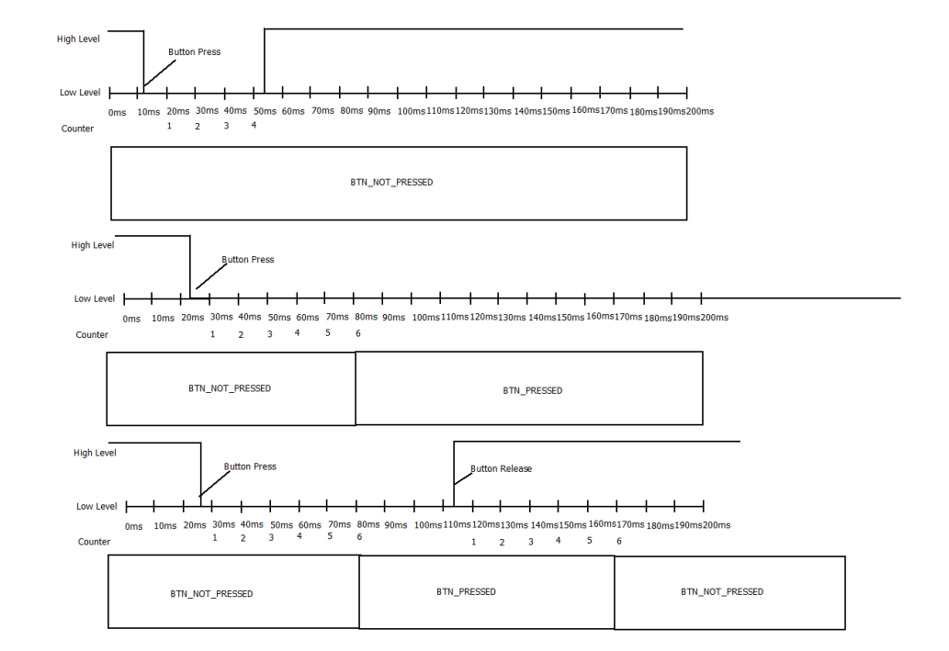
Manual Mode

All Doors are allowed to execute manual Window Control from its corresponding OPEN_BTN and CLOSE_BTN states.
WindowControl is signal used to control other Door Control Modules on the network.
WINDOW_NO_REQ is the value that indicates No Window Request.
WINDOW_UP_REQ is the value that indicates Window Close.
WINDOW_DOWN_REQ is the value that indicates Window Open.
RearWindowLock is a signal that reports the status to block the Window Control operation for Rear Windows.
REAR_WINDOW_UNBLOCK is the value that indicates that Rear Windows are allowed to operate.
REAR_WINDOW_BLOCK is the value that indicates that Rear Windows shall not operate.
Button Configuration
The Data Identifier $0111 (DID_0111) has the purpose to indicate the value for Stuck Button Detection.
DID_0111. StuckBtnCfg resolution is 10 ms.
DID_0111. StuckBtnCfg default value is 1000 (10 000ms)
DID_0111. LongBtnCfg resolution is 10 ms.
DID_0111. LongBtnCfg default value is 50 (500 ms)
Button HW Diagnostics
If Button is considered as STUCK, then that Button shall be ignored until next power cycle. (Transition OFF -> RUN).
Window Control Buttons Error
If Button is considered as STUCK, the corresponding DTC for Driver Door – Window Control Buttons Error shall be set as DTC: 0x901100.
If Button is considered as STUCK, the corresponding DTC for Passenger Door – Window Control Buttons Error Detected shall be set as DTC: 0x902100.
If Button is considered as STUCK, the corresponding DTC for RearRight Door – Window Control Buttons Error Detected shall be set as DTC: 0x903100.
If Button is considered as STUCK, the corresponding DTC for RearLeft Door – Window Control Buttons Error Detected shall be set as DTC: 0x904100.
Door Locking Buttons Error
If Button is considered as STUCK, the corresponding DTC for Driver Door – Door Locking Buttons Error shall be set as DTC: 0x901200.
If Button is considered as STUCK, the corresponding DTC for Passenger Door – Door Locking Buttons Error shall be set as DTC: 0x902200.

If BUTTONS are no longer considered as Stuck, then the corresponding DTC shall be clear.
Short Button Press
If a Button transitions from BTN_NOT_PRESSED to BTN_PRESSED and BTN_NOT_PRESSED within a time <= 500 milliseconds, then it shall be considered as a SHORT_BTN_PRESS.
OPEN_WINDOW_ACTUATION
If the OPEN_BTN state on Driver Door is equal to SHORT_BTN_PRESS, then Driver Door shall execute OPEN_WINDOW_ACTUATION.
If the OPEN_BTN state on Passenger Door is equal to SHORT_BTN_PRESS, then Passenger Door shall execute OPEN_WINDOW_ACTUATION.
If the OPEN_BTN state on RearLeft Door is equal to SHORT_BTN_PRESS and DCU_1.RearWindowLock (CAN frame DCU_1 Byte 3) is equal to REAR_WINDOW_UNBLOCK value (0x00), then RearLeft Door shall execute OPEN_WINDOW_ACTUATION.
If the OPEN_BTN state on RearRight Door is equal to SHORT_BTN_PRESS and DCU_1.RearWindowLock (CAN frame DCU_1 Byte 3) is equal to REAR_WINDOW_UNBLOCK value (0x00), then RearRight Door shall execute OPEN_WINDOW_ACTUATION.
CLOSE_WINDOW_ACTUATION
If the CLOSE_BTN state on Driver Door is equal to SHORT_BTN_PRESS, then Driver Door shall execute CLOSE_WINDOW_ACTUATION.
If the CLOSE_BTN state on Passenger Door is equal to SHORT_BTN_PRESS, then Passenger Door shall execute CLOSE_WINDOW_ACTUATION.
If the CLOSE_BTN state on RearLeft Door is equal to SHORT_BTN_PRESS and DCU_1.RearWindowLock (CAN frame DCU_1 Byte 3) is equal to REAR_WINDOW_UNBLOCK value (0x00), then RearLeft Door shall execute CLOSE_WINDOW_ACTUATION.
If the CLOSE_BTN state on RearRight Door is equal to SHORT_BTN_PRESS and DCU_1.RearWindowLock (CAN frame DCU_1 Byte 3) is equal to REAR_WINDOW_UNBLOCK value (0x00), then RearRight Door shall execute CLOSE_WINDOW_ACTUATION.
Long Button Press
If a Button transitions from BTN_NOT_PRESSED to BTN_PRESSED and BTN_NOT_PRESSED within a time > 500 milliseconds and <= 10 000 milliseconds, then it shall be considered as a LONG_BTN_PRESS.
GLOBAL_OPEN_WINDOW_ACTUATION
If the OPEN_BTN state on Driver Door is equal to LONG_BTN_PRESS, then Driver Door shall execute GLOBAL_OPEN_WINDOW_ACTUATION.
If the OPEN_BTN state on Passenger Door is equal to LONG_BTN_PRESS, then Passenger Door shall execute GLOBAL_OPEN_WINDOW_ACTUATION.
If the OPEN_BTN state on RearLeft Door is equal to LONG_BTN_PRESS and DCU_1.RearWindowLock (CAN frame DCU_1 Byte 3) is equal to REAR_WINDOW_UNBLOCK value (0x00), then RearLeft Door shall execute GLOBAL_OPEN_WINDOW_ACTUATION.
If the OPEN_BTN state on RearRight Door is equal to LONG_BTN_PRESS and DCU_1.RearWindowLock (CAN frame DCU_1 Byte 3) is equal to REAR_WINDOW_UNBLOCK value (0x00), then RearRightDoor shall execute GLOBAL_OPEN_WINDOW_ACTUATION.
GLOBAL_CLOSE_WINDOW_ACTUATION
If the CLOSE_BTN state on Driver Door is equal to LONG_BTN_PRESS, then Driver Door shall execute GLOBAL_CLOSE_WINDOW_ACTUATION.
If the CLOSE_BTN state on Passenger Door is equal to LONG_BTN_PRESS, then Passenger Door shall execute GLOBAL_CLOSE_WINDOW_ACTUATION.
If the CLOSE_BTN state on RearLeft Door is equal to LONG_BTN_PRESS and DCU_1.RearWindowLock (CAN frame DCU_1 Byte 3) is equal to REAR_WINDOW_UNBLOCK value (0x00), then RearLeft Door shall execute GLOBAL_CLOSE_WINDOW_ACTUATION.
If the CLOSE_BTN state on RearRight Door is equal to LONG_BTN_PRESS and DCU_1.RearWindowLock (CAN frame DCU_1 Byte 3) is equal to REAR_WINDOW_UNBLOCK value (0x00), then RearRight Door shall execute GLOBAL_CLOSE_WINDOW_ACTUATION.
Button Stuck
If a Button is equal to BTN_PRESSED > 10 000 milliseconds, then it shall be considered as a BTN_STUCK.
Window Control Report
WINDOW_UP_REQ
If PASSENGER_CLOSE_BTN state is equal to SHORT_BTN_PRESS or LONG_BTN_PRESS, then Driver Door shall report WINDOW_UP_REQ value (0x01) on WindowControl_Passenger bits position (Bit 4 y Bit 5) on the CAN frame DCU_1.WindowControl (CAN frame DCU_1 Byte 5).
If REARLEFT_CLOSE_BTN state is equal to SHORT_BTN_PRESS or LONG_BTN_PRESS, then Driver Door shall report WINDOW_UP_REQ value (0x01) on WindowControl_RearLeft bits position (Bit 2 y Bit 3) on the CAN frame DCU_1.WindowControl (CAN frame DCU_1 Byte 5).
If REARRIGHT_CLOSE_BTN state is equal to SHORT_BTN_PRESS or LONG_BTN_PRESS, then Driver Door shall report WINDOW_UP_REQ value (0x01) on WindowControl_RearRight bits position (Bit 0 y Bit 1) on the CAN frame DCU_1.WindowControl (CAN frame DCU_1 Byte 5).
WINDOW_DOWN_REQ
If PASSENGER_OPEN_BTN state is equal to SHORT_BTN_PRESS or LONG_BTN_PRESS, then Driver Door shall report WINDOW_DOWN_REQ value (0x02) on WindowControl_Passenger bits position (Bit 4 y Bit 5) on the CAN frame DCU_1.WindowControl (CAN frame DCU_1 Byte 5).
If REARLEFT_OPEN_BTN state is equal to SHORT_BTN_PRESS or LONG_BTN_PRESS, then Driver Door shall report WINDOW_DOWN_REQ value (0x02) on WindowControl_RearLeft bits position (Bit 2 y Bit 3) on the CAN frame DCU_1.WindowControl (CAN frame DCU_1 Byte 5).
If REARRIGHT_OPEN_BTN state is equal to SHORT_BTN_PRESS or LONG_BTN_PRESS, then Driver Door shall report WINDOW_DOWN_REQ value (0x02) on WindowControl_RearRight bits position (Bit 0 y Bit 1) on the CAN frame DCU_1.WindowControl (CAN frame DCU_1 Byte 5).
Rear Window Lock Report
REAR_WINDOW_UNBLOCK
While REAR_WINDOW_LOCK_BTN state is equal to BTN_NOT_PRESSED, then Driver Door shall report REAR_WINDOW_UNBLOCK value (0x00) on DCU_1.RearWindowLock bits position (CAN frame DCU_1 Byte 3).
REAR_WINDOW_BLOCK
While REAR_WINDOW_LOCK_BTN state is equal to BTN_PRESSED, then Driver Door shall report REAR_WINDOW_BLOCK value (0x01) on DCU_1.RearWindowLock bits position (CAN frame DCU_1 Byte 3).

Window Position
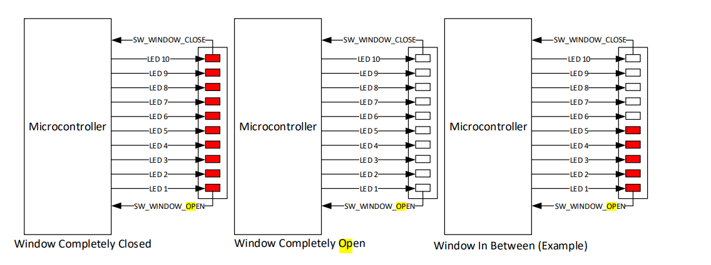
Window Position

Window Position Report
WindowPos is a signal that reports to the network the Window Position.
IN_BETWEEN value (0x00) indicates that Window is in between, which means the Window is not completely OPEN neither Completely CLOSE.
COMPLETELY_OPEN value (0x01) indicates that Window is Completely OPEN.
COMPLETELY_CLOSE value (0x02) indicates that Window is Completely CLOSE.
ERROR value (0x03) indicates that Window is on an ERROR state.
All Doors are allowed to execute Door Locking for Remote Operation from BCM request via CAN network.
For Driver Door, it shall report the determined Lock Status Via DCU_1.WindowPos (CAN frame DCU_1 Byte 0).
For Passenger Door, it shall report the determined Lock Status Via DCU_2.WindowPos (CAN frame DCU_2 Byte 0).
For RearLeft Door, it shall report the determined Lock Status Via DCU_3.WindowPos (CAN frame DCU_3 Byte 0).
For RearRight Door, it shall report the determined Lock Status Via DCU_4.WindowPos (CAN frame DCU_4 Byte 0).
Window Position Determination
WINDOW_IN_BETWEEN
If SW_WINDOW_OPEN is determined as SW_ACTIVE and SW_WINDOW_CLOSE is determined as SW_INACTIVE, then Window shall be considered as IN_BETWEEN.
WINDOW_COMPLETELY_OPEN
If SW_WINDOW_OPEN is determined as SW_INACTIVE and SW_WINDOW_CLOSE is determined as SW_INACTIVE, then Window shall be considered as COMPLETELY_OPEN.
WINDOW_COMPLETELY_CLOSE
If SW_WINDOW_OPEN is determined as SW_ACTIVE and SW_WINDOW_CLOSE is determined as SW_ACTIVE, then Window shall be considered as COMPLETELY_CLOSE.
WINDOW_ERROR
If SW_WINDOW_OPEN is determined as SW_INACTIVE and SW_WINDOW_CLOSE is determined as SW_ACTIVE during 10 samples of 10 milliseconds consecutively each, then Window shall be considered as WINDOW_ERROR.
If SW_WINDOW_OPEN is determined as SW_ACTIVE and SW_WINDOW_CLOSE is determined as SW_INACTIVE after Window Control functionality is re-enable after power cycle (See HW Diagnostics) , then WINDOW_ERROR shall not be considered as present.
HW Diagnostics
If window is considered as WINDOW_ERROR, then Window Control functionality shall be disable until next power cycle. (Transition OFF -> RUN).
If window is considered as WINDOW_ERROR, the corresponding DTC for Driver Window Position Error Detected shall be set as DTC: 0xB00100.
If window is considered as WINDOW_ERROR, the corresponding DTC for Passenger Window Position Error Detected shall be set as DTC: 0xB00200.
If window is considered as WINDOW_ERROR, the corresponding DTC for RearRight Window Position Error Detected shall be set as DTC: 0xB00300.
If window is considered as WINDOW_ERROR, the corresponding DTC for RearLeft Window Position Error Detected shall be set as DTC: 0xB00400.
If WINDOW_ERROR conditions are no longer detected, the corresponding DTC shall be clear.

