Numpy_Tour
Numpy

 | Arrays
 |  | zeros
 |  | ones
 |  | empty
 | Indexing
 |  | 0-based
 |  | :
 |  | :n
 |  | n:
 |  | m:n
 | Masks
 | Broadcasting

Pandas_Indexing
Pandas


 | iloc[[],[]]
 | iloc[:,[]]
 | iloc[[],:]

 | loc[[],[]]
 | loc[:,[]]
 | loc[[],:]

SQLite
SQL

 | SQLite


 | SQLite Studio

 | SQLiteonline
 | https://sqliteonline.com/

DataSet
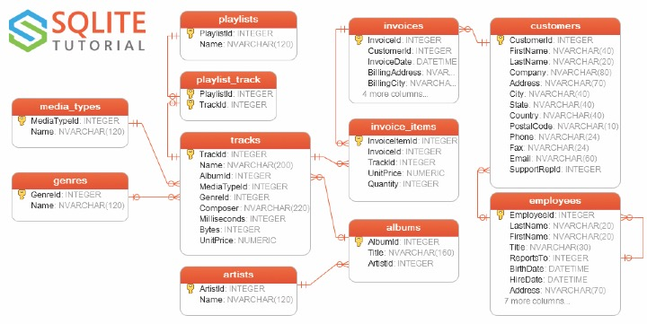
Chinook

Cardinality


C1


C2
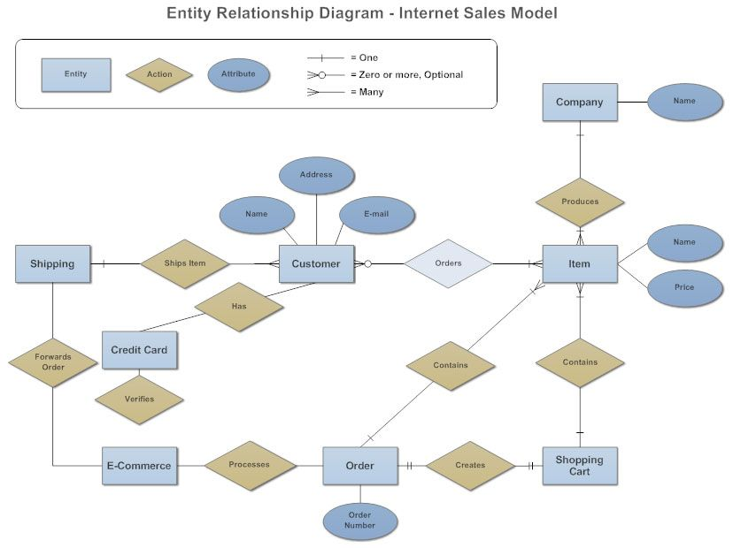

C3
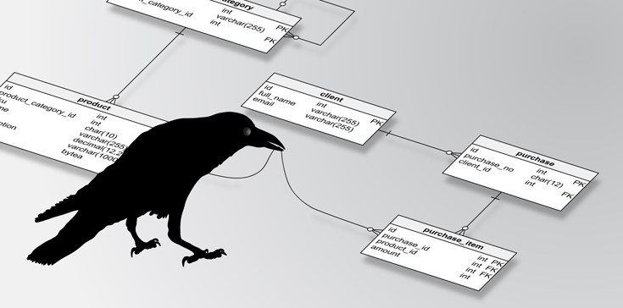

SQL_Advice
Define where your role ends and IT's role begins.

Get your data into your main programming language ASAP.
 | small data -> Excel
 | medium data -> R, Python
 | large data -> SEP



 | SQLiteonline
 | https://sqliteonline.com/

StarWars
Star Wars dplyr Questions

# List the different homeworlds
# Use the .unique(), Luke!

# How many different homeworlds are there?
# Use the .size, Luke! | 

# How many different eye colors are there?
# Use the .unique(), Luke!

# How many of each eye color are there?
# Use the .size(), Luke!

# How many of each of the different species are there on naboo?

# How many people are on each homeworld?
# Display in descending order.
# Use the .sort_values(<FIELD>,ascending=0), Luke!

# How many of each of the different species are there on each world?
# Display in alphabetical order of homeworld then descending order of the count.
# Use the .sort_index(), Luke!

# Create a new field BMI = mass/((height/100)^2)
# Display the name and BMI fields sorted by descending BMI

# What is the average BMI on each homework for each different eye_color?
# Display sorted by homeworld, eye_color and descending BMI values.

