OOP1
class bond():

 | __init__(self,face,ytm,couponrate,m):
 | ﻿bond(2e6,.03,.04,10)

﻿# Inputs
face = 2000000
ytm = .03
couponrate = .04
maturity = 10

SQLite
SQL

 | SQLite


 | SQLite Studio

 | SQLiteonline
 | https://sqliteonline.com/

DataSet
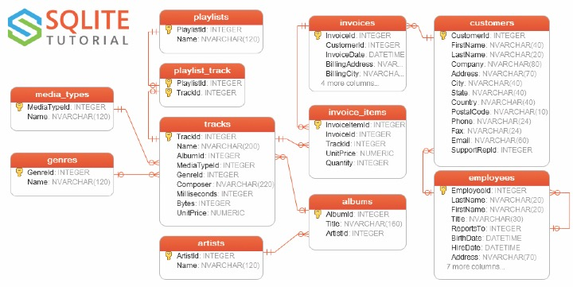
Chinook

SQL_Advice
Define where your role ends and IT's role begins.

Get your data into your main programming language ASAP.
 | small data -> Excel
 | medium data -> R, Python
 | large data -> SEP



 | SQLiteonline
 | https://sqliteonline.com/

SQL2Python
import pandas as pd
import sqlite3
conn = sqlite3.connect("chinook.db")
pd.read_sql_query("SELECT * from customers", conn)
q = """
select customers.City, genres.name
from customers
left join invoices
on customers.CustomerId = invoices.CustomerId
left join invoice_items
on invoices.invoiceid = invoice_items.invoiceid
left join tracks
on invoice_items.TrackId = tracks.TrackId
left join genres
on tracks.GenreId = genres.GenreId
order by 1
limit 100
"""
pd.read_sql_query(q, conn)
conn.close()

Study
Study! Study! Study!

﻿y = 0.03
face = 2000000
couponRate = 0.04
m = 10
Numpy
Recreate our bond work with Numpy.

Pandas
Recreate our dplyr starwars work with Pandas.

SQL
Using the Chinook data set…
Start at the customers table.
Join tables to work your way over to the genres table in order to answer the following.
In each City that customers live in, What are the names of different genres of music they listen to?
In each City, which genre is most popular?

StarWars
Star Wars dplyr Questions

# List the different homeworlds
# Use the .unique(), Luke!

# How many different homeworlds are there?
# Use the .size, Luke! | 

# How many different eye colors are there?
# Use the .unique(), Luke!

# How many of each eye color are there?
# Use the .size(), Luke!

# How many of each of the different species are there on naboo?

# How many people are on each homeworld?
# Display in descending order.
# Use the .sort_values(<FIELD>,ascending=0), Luke!

# How many of each of the different species are there on each world?
# Display in alphabetical order of homeworld then descending order of the count.
# Use the .sort_index(), Luke!

# Create a new field BMI = mass/((height/100)^2)
# Display the name and BMI fields sorted by descending BMI

# What is the average BMI on each homework for each different eye_color?
# Display sorted by homeworld, eye_color and descending BMI values.

