Array2Range1
Sub Print2d(x, r, c)
Dim m As Integer
Dim n As Integer
m = UBound(x, 1)
n = UBound(x, 2)
Dim rngTarget As Range
Set rngTarget = Range(Cells(r, c), Cells(r + m - 1, c + n - 1))
rngTarget.Value = x
End Sub

Array2Range2
Sub Print1d(x, r, c, Optional direction = 0)
Dim m As Integer
Dim n As Integer
m = UBound(x, 1)
n = 1
Dim rngTarget As Range
Set rngTarget = Range(Cells(r, c), Cells(r + m - 1, c + n - 1))
If direction = 0 Then
rngTarget.Value = Application.Transpose(x)
Else
Set rngTarget = Range(Cells(r, c), Cells(r + 1 - 1, c + m - 1))
rngTarget.Value = (x)
End If
End Sub

qFunctions
Option Explicit
Option Base 1
Function PriceBond(y, face, mat, m, optional ppy = 1)
PriceBond = <Return the answer>
End Function
' Notice the optional argument
' If no value is entered, then ppy = 1
' Your code must satisfy ppy = 1, ppy = 2, ppy not entered.
face | $2,000,000 | 1 | 0.97087378641 | 1 | 0.98522167488
ytm | 3% | 2 | 0.94259590913 | 2 | 0.97066174865
couponRate | 4% | 3 | 0.91514165935 | 3 | 0.95631699374
maturity | 10 | 4 | 0.88848704792 | 4 | 0.94218423029
paymentsPerYear | 2 | 5 | 0.86260878438 | 5 | 0.92826032541
 |  | 6 | 0.83748425668 | 6 | 0.91454219252
 |  | 7 | 0.81309151134 | 7 | 0.90102679066
 |  | 8 | 0.78940923431 | 8 | 0.8877111238
 |  | 9 | 0.76641673234 | 9 | 0.8745922402
 |  | 10 | 0.7440939149 | 10 | 0.86166723172
 |  |  | $2,170,604.06 | 11 | 0.84893323322
 |  |  |  | 12 | 0.8363874219
 |  |  |  | 13 | 0.82402701665
 |  |  |  | 14 | 0.81184927748
 |  |  |  | 15 | 0.79985150491
 |  |  |  | 16 | 0.78803103932
 |  |  |  | 17 | 0.77638526041
 |  |  |  | 18 | 0.76491158661
 |  |  |  | 19 | 0.7536074745
 |  |  |  | 20 | 0.74247041822
 |  |  |  |  | $2,171,686.39

qArrays1
Use loops to create a matrix multiplication.

1 | 2 | 3 | 1 | 2 | 3
 |  |  | 4 | 5 | 6
 |  |  | 7 | 8 | 9

 |  |  | 30 | 36 | 42
Option Explicit
Option Base 1
Sub test_MatMult()
Dim m, n, i, j As Integer
'Rnd is a random draw from 0 to 1
m = Round(Rnd * 5, 0) + 1
n = Round(Rnd * 5, 0) + 1
ReDim mat(m, n) As Integer
ReDim vec(m) As Integer
ReDim out(n) As Integer
For i = 1 To m
For j = 1 To n
mat(i, j) = (i - 1) * 3 + j
Next j
Next i
For i = 1 To m
vec(i) = i
Next i
out = MyMatMult(vec, mat)
End Sub
Function MyMatMult(vec, mat)
<vec and mat could be any size>
<identify the size of vec using ubound(vec,1)>
<identify the size of mat using ubound(mat,1)>
<identify the size of mat using ubound(mat,2)>
<calculate vec * mat>
n = ubound(vec, 1)
redim out(n) as double
MyMatMult = <Return the answer>
End Function
' Notice the use of ubound to discover the size of the vector.
' Notice the use of ubound to discover ths size of the matrix.

qArrays2
Road Trips
The data set below the picture represents 3 trips taken by 4 different people.
Each trip is stored as 11 latitude and longitude locations.
Read this data into VBA and represent it in a single high dimensional array.
The array should be of size 11x2x3x4.
Note that indexing will start at 0.
Create your work in a function called MyTripDataObj():
Function MyTripDataObj()
MyTripDataObj = <Your work>
End Function
Video1
Video2
Video3

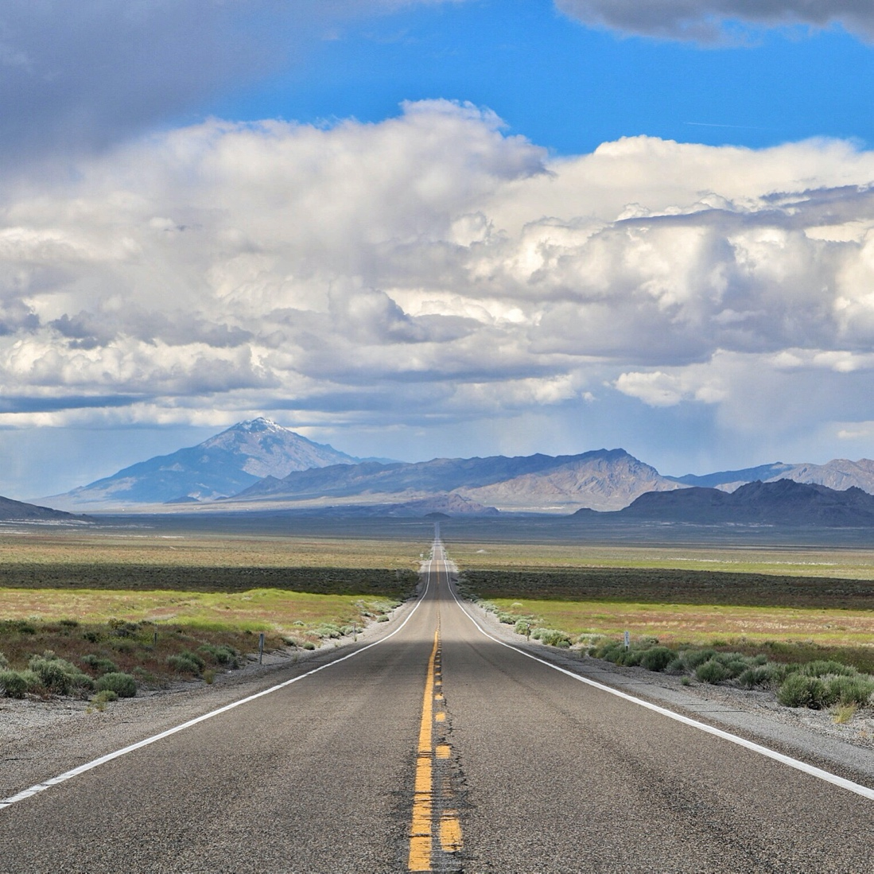

 | Organize the data below into a high dimensional object of your choice.
 | Here is an example.

 | Name | Alan | Alan | Bob | Bob | Charlie | Charlie | Dave | Dave | Alan | Alan | Bob | Bob | Charlie | Charlie | Dave | Dave | Alan | Alan | Bob | Bob | Charlie | Charlie | Dave | Dave
 | LatLong | lat | long | lat | long | lat | long | lat | long | lat | long | lat | long | lat | long | lat | long | lat | long | lat | long | lat | long | lat | long
 | Trip | 1.00 | 1.00 | 1.00 | 1.00 | 1.00 | 1.00 | 1.00 | 1.00 | 2.00 | 2.00 | 2.00 | 2.00 | 2.00 | 2.00 | 2.00 | 2.00 | 3.00 | 3.00 | 3.00 | 3.00 | 3.00 | 3.00 | 3.00 | 3.00
 | Coords00 | 0.00 | 0.00 | 0.00 | 0.00 | 0.00 | 0.00 | 0.00 | 0.00 | 0.00 | 0.00 | 0.00 | 0.00 | 0.00 | 0.00 | 0.00 | 0.00 | 0.00 | 0.00 | 0.00 | 0.00 | 0.00 | 0.00 | 0.00 | 0.00
 | Coords01 | -0.45 | 0.29 | 0.57 | -0.49 | -1.08 | 0.21 | 1.88 | 1.67 | -0.39 | -0.25 | 1.06 | -0.76 | 2.26 | 0.63 | 0.23 | -1.53 | 1.02 | 0.59 | -1.31 | -0.86 | 0.81 | -0.17 | 0.27 | 0.93
 | Coords02 | 1.02 | 1.02 | 2.12 | -1.97 | -1.40 | 0.14 | 2.06 | 1.41 | -1.33 | -0.10 | 1.35 | -0.24 | 4.08 | -0.97 | 2.02 | -2.40 | 1.61 | 0.35 | -1.47 | -0.92 | 1.13 | 0.23 | 2.06 | 1.26
 | Coords03 | 1.74 | 3.38 | 3.02 | -2.53 | -0.91 | 1.02 | 0.85 | 2.15 | -0.94 | 1.78 | -0.67 | -0.22 | 3.92 | -0.94 | 3.89 | -0.42 | 1.32 | 2.01 | -0.81 | -0.08 | 0.75 | 0.37 | 1.90 | 1.82
 | Coords04 | 1.52 | 3.48 | 3.20 | -3.21 | -2.12 | 2.14 | 0.00 | 1.60 | -1.27 | 2.31 | 0.39 | 0.53 | 2.98 | -1.59 | 2.96 | 1.20 | 1.12 | 2.48 | -0.01 | 0.46 | 2.49 | -0.30 | 2.36 | 0.77
 | Coords05 | 2.39 | 3.79 | 2.58 | -3.17 | -2.40 | 2.05 | 2.33 | 2.02 | -0.30 | 2.56 | 1.43 | -0.93 | 2.51 | -1.26 | 1.71 | 1.97 | -0.91 | 2.12 | -1.14 | 1.48 | 3.71 | 0.02 | 2.58 | -0.54
 | Coords06 | 2.71 | 3.97 | 2.67 | -2.92 | -2.30 | 1.58 | 0.19 | 3.66 | -0.87 | 3.09 | 2.03 | -1.70 | 3.30 | -0.64 | 3.22 | 1.87 | -2.43 | 2.89 | -1.78 | 0.31 | 2.88 | 1.19 | 2.14 | -0.37
 | Coords07 | 2.40 | 7.11 | 1.33 | -1.67 | -1.47 | 2.39 | -1.64 | 4.69 | -0.26 | 2.54 | 1.49 | -1.27 | 2.63 | -2.21 | 3.26 | 0.57 | -2.10 | 1.64 | -1.40 | -1.06 | 2.28 | 1.49 | 0.59 | 0.47
 | Coords08 | 2.77 | 8.27 | 2.41 | 0.20 | -1.15 | 1.71 | -1.70 | 5.67 | -1.07 | 2.66 | 0.84 | -0.67 | 2.34 | -1.62 | 3.73 | 0.11 | 0.02 | 3.37 | -0.85 | -1.48 | 1.34 | 0.33 | -0.98 | -1.12
 | Coords09 | 3.88 | 8.30 | 2.85 | -0.13 | -0.98 | 1.51 | -1.42 | 6.07 | -1.42 | 2.64 | -1.56 | 0.11 | 2.87 | -1.15 | 4.86 | 0.21 | -0.87 | 1.76 | -0.18 | -1.73 | 2.60 | 0.57 | 0.03 | -0.79
 | Coords10 | 4.38 | 8.30 | 3.28 | -1.61 | 0.60 | 3.10 | 0.46 | 6.11 | 0.01 | 2.24 | -1.53 | -0.02 | 5.54 | -1.62 | 5.36 | 0.76 | -1.48 | -0.69 | -0.54 | -1.78 | 4.14 | 2.28 | -0.53 | -2.83

qConditioning
fizz buzz

'Have this code run for any start and finish values
Option Explicit
Option Base 1
Function FizzBuzz(start, finish)
dim n as integer
n = finish - start + 1
ReDim charvec(1 To n)
FizzBuzz = charvec
End Function
1 | 1
2 | 2
3 | fizz
4 | 4
5 | buzz
6 | fizz
7 | 7
8 | 8
9 | fizz
10 | buzz
11 | 11
12 | fizz
13 | 13
14 | 14
15 | fizzbuzz

