dplyr1
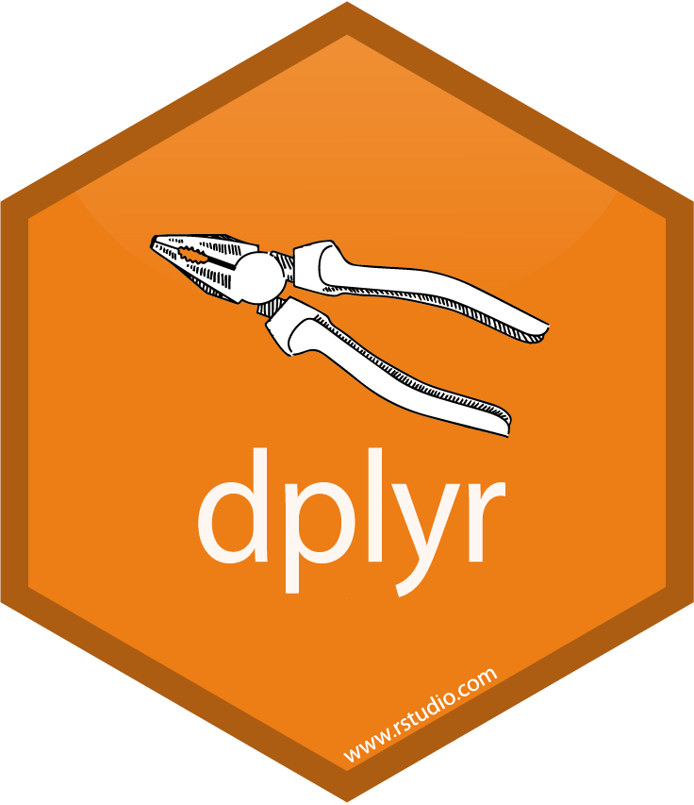
dplyr

Filter

Select

Arrange

Mutate

Summarize

Group_by

dplyr_db
joins

left join

right join

inner join

full join

library(readxl)
library(dplyr)
db1 <- read_excel("C4RM_Class9.xlsx", sheet = "dplyr_db1")
db2 <- read_excel("C4RM_Class9.xlsx", sheet = "dplyr_db2")
db3 <- read_excel("C4RM_Class9.xlsx", sheet = "dplyr_db3")
db4 <- read_excel("C4RM_Class9.xlsx", sheet = "dplyr_db4")

dplyr_sw1
name | height | mass | hair_color | skin_color | eye_color | birth_year | sex | gender | homeworld | species
Luke Skywalker | 172 | 77 | blond | fair | blue | 19 | male | masculine | Tatooine | Human | https://dplyr.tidyverse.org/reference/starwars.html
C-3PO | 167 | 75 | NA | gold | yellow | 112 | none | masculine | Tatooine | Droid
R2-D2 | 96 | 32 | NA | white, blue | red | 33 | none | masculine | Naboo | Droid
Darth Vader | 202 | 136 | none | white | yellow | 41.9 | male | masculine | Tatooine | Human
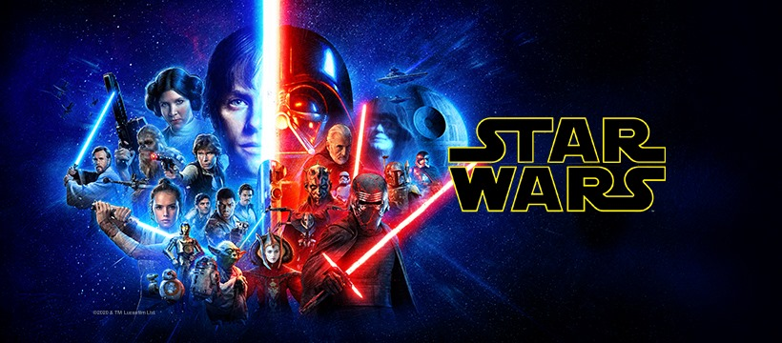
Leia Organa | 150 | 49 | brown | light | brown | 19 | female | feminine | Alderaan | Human
Owen Lars | 178 | 120 | brown, grey | light | blue | 52 | male | masculine | Tatooine | Human
Beru Whitesun lars | 165 | 75 | brown | light | blue | 47 | female | feminine | Tatooine | Human |  | 
R5-D4 | 97 | 32 | NA | white, red | red | NA | none | masculine | Tatooine | Droid
Biggs Darklighter | 183 | 84 | black | light | brown | 24 | male | masculine | Tatooine | Human
Obi-Wan Kenobi | 182 | 77 | auburn, white | fair | blue-gray | 57 | male | masculine | Stewjon | Human
Anakin Skywalker | 188 | 84 | blond | fair | blue | 41.9 | male | masculine | Tatooine | Human
Wilhuff Tarkin | 180 | NA | auburn, grey | fair | blue | 64 | male | masculine | Eriadu | Human
Chewbacca | 228 | 112 | brown | unknown | blue | 200 | male | masculine | Kashyyyk | Wookiee
Han Solo | 180 | 80 | brown | fair | brown | 29 | male | masculine | Corellia | Human
Greedo | 173 | 74 | NA | green | black | 44 | male | masculine | Rodia | Rodian
Jabba Desilijic Tiure | 175 | 1358 | NA | green-tan, brown | orange | 600 | hermaphroditic | masculine | Nal Hutta | Hutt
Wedge Antilles | 170 | 77 | brown | fair | hazel | 21 | male | masculine | Corellia | Human
Jek Tono Porkins | 180 | 110 | brown | fair | blue | NA | male | masculine | Bestine IV | Human
Yoda | 66 | 17 | white | green | brown | 896 | male | masculine | NA | Yoda's species
Palpatine | 170 | 75 | grey | pale | yellow | 82 | male | masculine | Naboo | Human
Boba Fett | 183 | 78.2 | black | fair | brown | 31.5 | male | masculine | Kamino | Human
IG-88 | 200 | 140 | none | metal | red | 15 | none | masculine | NA | Droid
Bossk | 190 | 113 | none | green | red | 53 | male | masculine | Trandosha | Trandoshan
Lando Calrissian | 177 | 79 | black | dark | brown | 31 | male | masculine | Socorro | Human
Lobot | 175 | 79 | none | light | blue | 37 | male | masculine | Bespin | Human
Ackbar | 180 | 83 | none | brown mottle | orange | 41 | male | masculine | Mon Cala | Mon Calamari
Mon Mothma | 150 | NA | auburn | fair | blue | 48 | female | feminine | Chandrila | Human
Arvel Crynyd | NA | NA | brown | fair | brown | NA | male | masculine | NA | Human
Wicket Systri Warrick | 88 | 20 | brown | brown | brown | 8 | male | masculine | Endor | Ewok
Nien Nunb | 160 | 68 | none | grey | black | NA | male | masculine | Sullust | Sullustan
Qui-Gon Jinn | 193 | 89 | brown | fair | blue | 92 | male | masculine | NA | Human
Nute Gunray | 191 | 90 | none | mottled green | red | NA | male | masculine | Cato Neimoidia | Neimodian
Finis Valorum | 170 | NA | blond | fair | blue | 91 | male | masculine | Coruscant | Human
Jar Jar Binks | 196 | 66 | none | orange | orange | 52 | male | masculine | Naboo | Gungan
Roos Tarpals | 224 | 82 | none | grey | orange | NA | male | masculine | Naboo | Gungan
Rugor Nass | 206 | NA | none | green | orange | NA | male | masculine | Naboo | Gungan
Ric Oli√© | 183 | NA | brown | fair | blue | NA | NA | NA | Naboo | NA
Watto | 137 | NA | black | blue, grey | yellow | NA | male | masculine | Toydaria | Toydarian
Sebulba | 112 | 40 | none | grey, red | orange | NA | male | masculine | Malastare | Dug
Quarsh Panaka | 183 | NA | black | dark | brown | 62 | NA | NA | Naboo | NA
Shmi Skywalker | 163 | NA | black | fair | brown | 72 | female | feminine | Tatooine | Human
Darth Maul | 175 | 80 | none | red | yellow | 54 | male | masculine | Dathomir | Zabrak
Bib Fortuna | 180 | NA | none | pale | pink | NA | male | masculine | Ryloth | Twi'lek
Ayla Secura | 178 | 55 | none | blue | hazel | 48 | female | feminine | Ryloth | Twi'lek
Dud Bolt | 94 | 45 | none | blue, grey | yellow | NA | male | masculine | Vulpter | Vulptereen
Gasgano | 122 | NA | none | white, blue | black | NA | male | masculine | Troiken | Xexto
Ben Quadinaros | 163 | 65 | none | grey, green, yellow | orange | NA | male | masculine | Tund | Toong
Mace Windu | 188 | 84 | none | dark | brown | 72 | male | masculine | Haruun Kal | Human
Ki-Adi-Mundi | 198 | 82 | white | pale | yellow | 92 | male | masculine | Cerea | Cerean
Kit Fisto | 196 | 87 | none | green | black | NA | male | masculine | Glee Anselm | Nautolan
Eeth Koth | 171 | NA | black | brown | brown | NA | male | masculine | Iridonia | Zabrak
Adi Gallia | 184 | 50 | none | dark | blue | NA | female | feminine | Coruscant | Tholothian
Saesee Tiin | 188 | NA | none | pale | orange | NA | male | masculine | Iktotch | Iktotchi
Yarael Poof | 264 | NA | none | white | yellow | NA | male | masculine | Quermia | Quermian
Plo Koon | 188 | 80 | none | orange | black | 22 | male | masculine | Dorin | Kel Dor
Mas Amedda | 196 | NA | none | blue | blue | NA | male | masculine | Champala | Chagrian
Gregar Typho | 185 | 85 | black | dark | brown | NA | male | masculine | Naboo | Human
Cord√© | 157 | NA | brown | light | brown | NA | female | feminine | Naboo | Human
Cliegg Lars | 183 | NA | brown | fair | blue | 82 | male | masculine | Tatooine | Human
Poggle the Lesser | 183 | 80 | none | green | yellow | NA | male | masculine | Geonosis | Geonosian
Luminara Unduli | 170 | 56.2 | black | yellow | blue | 58 | female | feminine | Mirial | Mirialan
Barriss Offee | 166 | 50 | black | yellow | blue | 40 | female | feminine | Mirial | Mirialan
Dorm√© | 165 | NA | brown | light | brown | NA | female | feminine | Naboo | Human
Dooku | 193 | 80 | white | fair | brown | 102 | male | masculine | Serenno | Human
Bail Prestor Organa | 191 | NA | black | tan | brown | 67 | male | masculine | Alderaan | Human
Jango Fett | 183 | 79 | black | tan | brown | 66 | male | masculine | Concord Dawn | Human
Zam Wesell | 168 | 55 | blonde | fair, green, yellow | yellow | NA | female | feminine | Zolan | Clawdite
Dexter Jettster | 198 | 102 | none | brown | yellow | NA | male | masculine | Ojom | Besalisk
Lama Su | 229 | 88 | none | grey | black | NA | male | masculine | Kamino | Kaminoan
Taun We | 213 | NA | none | grey | black | NA | female | feminine | Kamino | Kaminoan
Jocasta Nu | 167 | NA | white | fair | blue | NA | female | feminine | Coruscant | Human
Ratts Tyerell | 79 | 15 | none | grey, blue | unknown | NA | male | masculine | Aleen Minor | Aleena
R4-P17 | 96 | NA | none | silver, red | red, blue | NA | none | feminine | NA | Droid
Wat Tambor | 193 | 48 | none | green, grey | unknown | NA | male | masculine | Skako | Skakoan
San Hill | 191 | NA | none | grey | gold | NA | male | masculine | Muunilinst | Muun
Shaak Ti | 178 | 57 | none | red, blue, white | black | NA | female | feminine | Shili | Togruta
Grievous | 216 | 159 | none | brown, white | green, yellow | NA | male | masculine | Kalee | Kaleesh
Tarfful | 234 | 136 | brown | brown | blue | NA | male | masculine | Kashyyyk | Wookiee
Raymus Antilles | 188 | 79 | brown | light | brown | NA | male | masculine | Alderaan | Human
Sly Moore | 178 | 48 | none | pale | white | NA | NA | NA | Umbara | NA
Tion Medon | 206 | 80 | none | grey | black | NA | male | masculine | Utapau | Pau'an
Finn | NA | NA | black | dark | dark | NA | male | masculine | NA | Human
Rey | NA | NA | brown | light | hazel | NA | female | feminine | NA | Human
Poe Dameron | NA | NA | brown | light | brown | NA | male | masculine | NA | Human
BB8 | NA | NA | none | none | black | NA | none | masculine | NA | Droid
Captain Phasma | NA | NA | unknown | unknown | unknown | NA | NA | NA | NA | NA
Padm√© Amidala | 165 | 45 | brown | light | brown | 46 | female | feminine | Naboo | Human

qShiny_dplyr
Assignment | Example for selecting fields | Example of get() in order to use the fieldnames in dplyr in shiny
Create a shiny app that runs dplyr commands
Follow these steps
Upload a data set.
Create an interface for filtering:
Ask the user for a field
Ask the user for 'less than', 'equal to', 'greater than'
Filter that field for values the user asks for.
Note you will need to study and understand how to use updateSelectInput.
Sample code is displayed in the box to the right.
Study the following document to understand updateSelectInput
https://shiny.rstudio.com/reference/shiny/1.0.0/updateSelectInput.html
Create a second interface:
Ask the user for which fields to select.
Create a third interface that groups by an input of the users choice.
Create a fourth input that presents one of the following summary statistics:
min, mean, max, sd
There should be a display of the resulting data.
If the user uses group_by then the summary values should be displayed.
You can organize this however you like as long as output is displayed for the different user choices.
You have freedom to create the interface that you want.
In general the data should flow through each of the steps.
If the user does not select to do a next step, then nothing more needs to occur.
Be sure to study the req function in case it helps resolve cases where the user has not selected anything:
https://shiny.rstudio.com/articles/req.html
Study the code on the right to work learn how to update select
library(shiny)
ui <- fluidPage(
fileInput(inputId = 'filein', label= 'upload a file', accept = 'csv'),
selectInput(inputId = 'fieldnames',label = 'field names',choices = '',selected = '', multiple = T),
tableOutput(outputId = 'tabout')
)
server <- function(input, output, session) {
Obj_data = reactive({
df = read.csv(file = input$filein$datapath)
})
Obj_fieldnames = reactive({
names(Obj_data())
})
observe({
req(input$filein$datapath)
updateSelectInput(session = session, inputId = 'fieldnames', choices = Obj_fieldnames(), selected = Obj_fieldnames()[1])
})
output$tabout = renderTable(
Obj_data()
)
}
shinyApp(ui, server)
data('mpg',package = 'ggplot2')
fields = names(mpg)
library(dplyr)
library(shiny)
ui <- fluidPage(
sidebarLayout(
sidebarPanel(
selectInput(inputId = 'filter_field',label = 'select field to filter',choices = c('',fields),selected = ''),
numericInput(inputId = 'filter_number',label = 'select a value to filter for',value = 0)
),
mainPanel(
tableOutput(outputId = 'table')
)
)
)
server <- function(input, output, session) {
Obj_data = reactive({mpg})
Obj_data1 = reactive({
req(input$filter_field != '')
Obj_data() %>%
dplyr::filter(get(input$filter_field) == input$filter_number)
})
output$table = renderTable({
Obj_data1()
})
}
shinyApp(ui, server)

goToMyPage_dplyr = function(){
browseURL(url="<Your Shiny website address>")
}

SQL_CroseJoin
SQLite Online

CREATE TABLE ranks ( rank TEXT NOT NULL );
CREATE TABLE suits ( suit TEXT NOT NULL );
INSERT INTO ranks(rank) VALUES('2'),('3'),('4'),('5'),('6'),('7'),('8'),('9'),('10'),('J'),('Q'),('K'),('A');
INSERT INTO suits(suit) VALUES('Clubs'),('Diamonds'),('Hearts'),('Spades');
SELECT rank, suit FROM ranks CROSS JOIN suits ORDER BY suit;
Homework Given the data below, Run a cross join to show all combinations of shirts and pants. Save the work in a sql file named cross_join.sql
-- Tables
INSERT INTO shirts(color,size) VALUES ('white','small'), ('blue','medium'), ('red','large');
INSERT INTO pants(pattern,fabric) VALUES ('stripe','wool'), ('checkered','wool'), ('solid','linen');

