Numpy_Tour
Numpy
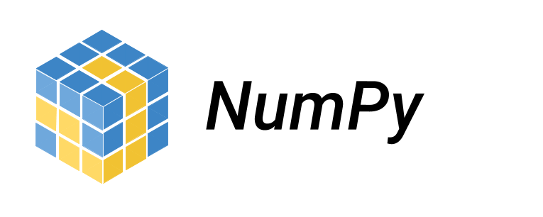
 | Arrays
 |  | zeros
 |  | ones
 |  | empty
 | Indexing
 |  | 0-based
 |  | :
 |  | :n
 |  | n:
 |  | m:n
 | Masks
 | Broadcasting

FunctionsAs1st


Functions as first class citizens

 | Aggregation functions

 | Passing functions to functions

 | Putting functions in lists

WhoAmI
# Identify yourself for grading
def WhoAmI():
return('djr2132')

getBondPrice
# No Loops! All vectorized code.
def getBondPrice(y, face, couponRate, m, ppy=1):
<Your work>
return(<Your work>)
# Test values
y = 0.03
face = 2000000
couponRate = 0.04
m = 10
 |  | t | pv | p | pv
face | $2,000,000 | 1 | 0.97087378641 | 1 | 0.98522167488
ytm | 3% | 2 | 0.94259590913 | 2 | 0.97066174865
couponRate | 4% | 3 | 0.91514165935 | 3 | 0.95631699374
maturity | 10 | 4 | 0.88848704792 | 4 | 0.94218423029
paymentsPerYear | 2 | 5 | 0.86260878438 | 5 | 0.92826032541
 |  | 6 | 0.83748425668 | 6 | 0.91454219252
 |  | 7 | 0.81309151134 | 7 | 0.90102679066
 |  | 8 | 0.78940923431 | 8 | 0.8877111238
 |  | 9 | 0.76641673234 | 9 | 0.8745922402
 |  | 10 | 0.7440939149 | 10 | 0.86166723172
 |  |  | $2,170,604.06 | 11 | 0.84893323322
 |  |  |  | 12 | 0.8363874219
 |  |  |  | 13 | 0.82402701665
 |  |  |  | 14 | 0.81184927748
 |  |  |  | 15 | 0.79985150491
 |  |  |  | 16 | 0.78803103932
 |  |  |  | 17 | 0.77638526041
 |  |  |  | 18 | 0.76491158661
 |  |  |  | 19 | 0.7536074745
 |  |  |  | 20 | 0.74247041822
 |  |  |  |  | $2,171,686.39

getBondDuration
# No Loops! All vectorized code.
def getBondDuration(y, face, couponRate, m, ppy=1):
<Your work>
return(<Your work>)
# Test values
y = 0.03
face = 2000000
couponRate = 0.04
m = 10
ppy = 1
 |  | t | pv | cf | pvcf | w
face | $2,000,000 | 1 | 0.97087378641 | $80,000 | $77,669.90 | $77,669.90
ytm | 3% | 2 | 0.94259590913 | $80,000 | $75,407.67 | $75,407.67
couponRate | 4% | 3 | 0.91514165935 | $80,000 | $73,211.33 | $73,211.33
maturity | 10 | 4 | 0.88848704792 | $80,000 | $71,078.96 | $71,078.96
 |  | 5 | 0.86260878438 | $80,000 | $69,008.70 | $69,008.70
 |  | 6 | 0.83748425668 | $80,000 | $66,998.74 | $66,998.74
Duration is a value weighted average of time. |  | 7 | 0.81309151134 | $80,000 | $65,047.32 | $65,047.32
It tells you when the cash flows. |  | 8 | 0.78940923431 | $80,000 | $63,152.74 | $63,152.74
 |  | 9 | 0.76641673234 | $80,000 | $61,313.34 | $61,313.34
 |  | 10 | 0.7440939149 | $2,080,000 | $1,547,715.34 | $1,547,715.34
 |  |  | $2,170,604.06

 |  |  |  |  | pvcf*t | w*t
 |  |  |  |  | 18468998 | 18468998

 |  |  |  |  | Spvcf | Sw
 |  |  |  |  | $2,170,604 | $2,170,604

 |  |  |  |  | Duration | Duration
 |  |  |  |  | $8.51 | $8.51

FizzBuzz
fizz buzz

# Have this code run for any start and finish values
# No Loops! All vectorized code.
def FizzBuzz(start, finish):
# <Your work>
return(<Your work>)
91 | 91
92 | 92
93 | fizz
94 | 94
95 | buzz
96 | fizz
97 | 97
98 | 98
Tools: Create point array for objects
start = 1
finish = 15+1
numvec = np.arange(start,finish)
objvec = np.array(numvec,dtype = object)
# Tools: Append to a list
myEmptyList = []
for i in range(1,5):
myEmptyList.append(i)
print(myEmptyList)
99 | fizz
100 | buzz
101 | 101 | <- Use dtype = object
102 | fizz
103 | 103
104 | 104
105 | fizzbuzz

