Basel III LCR
Liquidity Coverage Ratio (LCR)
https://www.bis.org/publ/bcbs238.pdf

$LCR=\frac{High−Quality Liquid Asset}{Net Cash Outflows in a 30Day Period}$ >= 100%

Assumption: Bank's ability to survive a 30-day period of liquidity disruption
 | 3 notch downgrade (e.g. AA- to A-),
 | Partial loss of deposits
 | Increased haircuts on secured funding
 | Increased collateral requirements
 | Drawdowns on lines of credit

HQLA Definition
Discount Factor | Description | Category
 | Federal Reserve bank balance
0% | Securities issued by sovereign entities | Level 1
 | US Gov't issued securities
15% | Securities issued or guaranteed by multilateral development banks | Level 2A
 | Securities issued by US Gov't sponsored enterprises
50% | Publicly traded common stock | Level 2B
 | Investment grade corporate debt by non financial sector corporation

Basel III NSFR
Net Stable Funding Ratio (NSFR)

$NSFR=\frac{Amount of Stable Funding}{Required Amount of Stable Funding}$ >= 100%

ASF Factors for Net Stable Funding Ratio |  | RSF Factors for Net Stable Funding Ratio
ASF Factor | Category | RSF Factor | Category
100% | Tier 1 and Tier 2 capital | 0% | Cash and short-term instruments (<1 yr)
 | Preferred stock and borrowing with a remaining maturity greater than 1 year | 5% | Claims on sovereign governments with a risk weight =0% (>1 yr)
90% | "Stable" demand deposits and term deposits | 20% | Corporate bonds rating AA or higher (>1 yr)
80% | "Less stable" demand deposits and term deposits |  | Claims on sovereigns with risk weight =20%
50% | Wholesale demand deposits | 50% | Gold, equities, and bond rated A
0% | All other liability and equity categories | 65% | Residential mortgages
 |  | 85% | Loans to retail and small business (<1 year)
 |  | 100% | All other assets

Basel III NSFR Example
NSFR Example |  |  | Hull p.387
 |  |  | Example 16.1
$NSFR=\frac{Amount of Stable Funding}{Required Amount of Stable Funding}$ >= 100%

Bank Balance Sheet
Cash | 5 | Retail Deposits (stable) | 40
Treasury Bond (>1yr) | 5 | Wholesale Deposits | 48
Mortgages | 20 | Tier 2 Capital | 4
Small Business Loans | 60 | Tier 1 Capital | 8
Fixed Assets | 10
 | 100 |  | 100

RSF Factors for Net Stable Funding Ratio |  | ASF Factors for Net Stable Funding Ratio
Category | RSF Factor | Category | ASF Factor
Cash and short-term instruments (<1 yr) | 0% | Tier 1 and Tier 2 capital | 100%
Claims on sovereign governments with a risk weight =0% (>1 yr) | 5% | Preferred stock and borrowing with a remaining maturity > 1yr
Corporate bonds rating AA or higher (>1 yr) | 20% | "Stable" demand deposits and term deposits | 90%
Claims on sovereigns with risk weight =20% |  | "Less stable" demand deposits and term deposits | 80%
Gold, equities, and bond rated A | 50% | Wholesale demand deposits | 50%
Residential mortgages | 65% | All other liability and equity categories | 0%
Loans to retail and small business (<1 year) | 85%
All other assets | 100%

Required Amount of Stable Funding | 74.25 | Amount of Stable Funding | 72

NSFR | 96.97%

Laddering

Laddered Maturities
https://en.wikipedia.org/wiki/Laddering | t | r | P | Cost | $vol | t | r | P | Cost | Pcum | Cost | $vol
 | 0.00 | 5.4% | 100 | 5.3912253104 | 1.0658375913 | 0.00 | 5.4% | 25 | 1.3478063276 | 25 |  | 0.55915194034
 | 0.25 | 6.8% |  |  |  | 0.25 | 6.8% | 25 | 1.6931011415 | 50
 | 0.50 | 3.6% |  |  |  | 0.50 | 3.6% | 25 | 0.89484862734 | 75
 | 0.75 | 5.5% |  |  |  | 0.75 | 5.5% | 25 | 1.3842825113 | 100
 | 1.00 | 4.7% | 100 | 4.6604512617 |  | 1.00 | 4.7% | 25 | 1.1651128154 | 100 | 5.3200386078
 | 1.25 | 3.7% |  |  |  | 1.25 | 3.7% | 25 | 0.91469950162 | 100
 | 1.50 | 5.5% |  |  |  | 1.50 | 5.5% | 25 | 1.3751641837 | 100
 | 1.75 | 4.9% |  |  |  | 1.75 | 4.9% | 25 | 1.2351931828 | 100
 | 2.00 | 4.8% | 100 | 4.8156516856 |  | 2.00 | 4.8% | 25 | 1.2039129214 | 100 | 4.6901696836
 | 2.25 | 3.8% |  |  |  | 2.25 | 3.8% | 25 | 0.95686580472 | 100
 | 2.50 | 4.6% |  |  |  | 2.50 | 4.6% | 25 | 1.1461955374 | 100
 | 2.75 | 3.6% |  |  |  | 2.75 | 3.6% | 25 | 0.89167855933 | 100
 | 3.00 | 5.0% | 100 | 5.0496458834 |  | 3.00 | 5.0% | 25 | 1.2624114708 | 100 | 4.1986528229
 | 3.25 | 5.4% |  |  |  | 3.25 | 5.4% | 25 | 1.3497507639 | 100
 | 3.50 | 4.2% |  |  |  | 3.50 | 4.2% | 25 | 1.0508663661 | 100
 | 3.75 | 5.9% |  |  |  | 3.75 | 5.9% | 25 | 1.4651782264 | 100
 | 4.00 | 6.5% | 100 | 6.4519982372 |  | 4.00 | 6.5% | 25 | 1.6129995593 | 100 | 5.1282068273
 | 4.25 | 5.1% |  |  |  | 4.25 | 5.1% | 25 | 1.2767608285 | 100
 | 4.50 | 4.5% |  |  |  | 4.50 | 4.5% | 25 | 1.1371437441 | 100
 | 4.75 | 4.4% |  |  |  | 4.75 | 4.4% | 25 | 1.0925323695 | 100
 | 5.00 | 7.7% | 100 | 7.707113721 |  | 5.00 | 7.7% | 25 | 1.9267784303 | 100 | 5.1194365013
 | 5.25 | 6.3% |  |  |  | 5.25 | 6.3% | 25 | 1.5792754047 | 100
 | 5.50 | 4.1% |  |  |  | 5.50 | 4.1% | 25 | 1.0176677283 | 100
 | 5.75 | 5.4% |  |  |  | 5.75 | 5.4% | 25 | 1.3598097997 | 100
 | 6.00 | 5.2% | 100 | 5.224678367 |  | 6.00 | 5.2% | 25 | 1.3061695917 | 100 | 5.8835313629
 | 6.25 | 4.7% |  |  |  | 6.25 | 4.7% | 25 | 1.1831716759 | 100
 | 6.50 | 5.1% |  |  |  | 6.50 | 5.1% | 25 | 1.2789412296 | 100
 | 6.75 | 5.8% |  |  |  | 6.75 | 5.8% | 25 | 1.4431509776 | 100
 | 7.00 | 4.6% | 100 | 4.5864151022 |  | 7.00 | 4.6% | 25 | 1.1466037755 | 100 | 5.2114334749
 | 7.25 | 3.2% |  |  |  | 7.25 | 3.2% | 25 | 0.80668612575 | 100
 | 7.50 | 3.4% |  |  |  | 7.50 | 3.4% | 25 | 0.859612812 | 100
 | 7.75 | 3.6% |  |  |  | 7.75 | 3.6% | 25 | 0.90357665997 | 100
 | 8.00 | 4.6% | 100 | 4.5826129095 |  | 8.00 | 4.6% | 25 | 1.1456532274 | 100 | 3.7164793733
 | 8.25 | 6.7% |  |  |  | 8.25 | 6.7% | 25 | 1.673528915 | 100
 | 8.50 | 5.5% |  |  |  | 8.50 | 5.5% | 25 | 1.3793525625 | 100
 | 8.75 | 6.5% |  |  |  | 8.75 | 6.5% | 25 | 1.621883132 | 100
 | 9.00 | 6.0% | 100 | 6.0360685429 |  | 9.00 | 6.0% | 25 | 1.5090171357 | 100 | 5.8204178368
 | 9.25 | 4.8% |  |  |  | 9.25 | 4.8% | 25 | 1.1978394123 | 100
 | 9.50 | 4.5% |  |  |  | 9.50 | 4.5% | 25 | 1.1134584592 | 100
 | 9.75 | 4.8% |  |  |  | 9.75 | 4.8% | 25 | 1.1934136095 | 100
 | 10.00 | 4.1% | 100 | 4.1288851506 |  | 10.00 | 4.1% | 25 | 1.0322212876 | 100 | 5.0137286167
 | 10.25 | 5.5% |  |  |  | 10.25 | 5.5% | 25 | 1.366456767 | 100
 | 10.50 | 4.4% |  |  |  | 10.50 | 4.4% | 25 | 1.1105489751 | 100
 | 10.75 | 4.0% |  |  |  | 10.75 | 4.0% | 25 | 1.0080592508 | 100
 | 11.00 | 3.4% | 100 | 3.4012634794 |  | 11.00 | 3.4% | 25 | 0.85031586984 | 100 | 4.5172862806
 | 11.25 | 5.2% |  |  |  | 11.25 | 5.2% | 25 | 1.3000687167 | 100
 | 11.50 | 4.1% |  |  |  | 11.50 | 4.1% | 25 | 1.0221988721 | 100
 | 11.75 | 5.4% |  |  |  | 11.75 | 5.4% | 25 | 1.3521373083 | 100
 | 12.00 | 5.7% | 100 | 5.6751115156 |  | 12.00 | 5.7% | 25 | 1.4187778789 | 100 | 4.5247207669
 | 12.25 | 5.1% |  |  |  | 12.25 | 5.1% | 25 | 1.2796861257 | 100
 | 12.50 | 3.2% |  |  |  | 12.50 | 3.2% | 25 | 0.7976852491 | 100
 | 12.75 | 6.9% |  |  |  | 12.75 | 6.9% | 25 | 1.7204387093 | 100
 | 13.00 | 4.6% | 100 | 4.5876762835 |  | 13.00 | 4.6% | 25 | 1.1469190709 | 100 | 5.216587963
 | 13.25 | 5.3% |  |  |  | 13.25 | 5.3% | 25 | 1.3278278009 | 100
 | 13.50 | 6.3% |  |  |  | 13.50 | 6.3% | 25 | 1.5627310506 | 100
 | 13.75 | 4.5% |  |  |  | 13.75 | 4.5% | 25 | 1.1171846844 | 100
 | 14.00 | 3.0% | 100 | 3.0087820411 |  | 14.00 | 3.0% | 25 | 0.75219551026 | 100 | 5.1546626068
 | 14.25 | 5.0% |  |  |  | 14.25 | 5.0% | 25 | 1.2378207201 | 100
 | 14.50 | 5.2% |  |  |  | 14.50 | 5.2% | 25 | 1.2944387475 | 100
 | 14.75 | 2.6% |  |  |  | 14.75 | 2.6% | 25 | 0.6389493181 | 100
 | 15.00 | 4.5% | 100 | 4.5461608645 |  | 15.00 | 4.5% | 25 | 1.1365402161 | 100 | 3.923404296
 | 15.25 | 5.2% |  |  |  | 15.25 | 5.2% | 25 | 1.3040266898 | 100
 | 15.50 | 4.0% |  |  |  | 15.50 | 4.0% | 25 | 0.99235664874 | 100
 | 15.75 | 6.4% |  |  |  | 15.75 | 6.4% | 25 | 1.5982249851 | 100
 | 16.00 | 4.7% | 100 | 4.6807859872 |  | 16.00 | 4.7% | 25 | 1.1701964968 | 100 | 5.0311485397
 | 16.25 | 5.9% |  |  |  | 16.25 | 5.9% | 25 | 1.4823201618 | 100
 | 16.50 | 5.3% |  |  |  | 16.50 | 5.3% | 25 | 1.3273979037 | 100
 | 16.75 | 3.4% |  |  |  | 16.75 | 3.4% | 25 | 0.85867066275 | 100
 | 17.00 | 4.0% | 100 | 3.9864665053 |  | 17.00 | 4.0% | 25 | 0.99661662633 | 100 | 4.838585225
 | 17.25 | 4.4% |  |  |  | 17.25 | 4.4% | 25 | 1.1078147174 | 100
 | 17.50 | 3.6% |  |  |  | 17.50 | 3.6% | 25 | 0.90349004155 | 100
 | 17.75 | 5.5% |  |  |  | 17.75 | 5.5% | 25 | 1.3698740989 | 100
 | 18.00 | 3.5% | 100 | 3.532919013 |  | 18.00 | 3.5% | 25 | 0.88322975324 | 100 | 4.3777954842
 | 18.25 | 6.9% |  |  |  | 18.25 | 6.9% | 25 | 1.7199685261 | 100
 | 18.50 | 6.6% |  |  |  | 18.50 | 6.6% | 25 | 1.63971118 | 100
 | 18.75 | 3.9% |  |  |  | 18.75 | 3.9% | 25 | 0.98065042845 | 100
 | 19.00 | 4.8% | 100 | 4.8298118286 |  | 19.00 | 4.8% | 25 | 1.2074529572 | 100 | 5.2235598878
 | 19.25 | 5.1% |  |  |  | 19.25 | 5.1% | 25 | 1.2664906905 | 100
 | 19.50 | 5.8% |  |  |  | 19.50 | 5.8% | 25 | 1.4557994856 | 100
 | 19.75 | 3.8% |  |  |  | 19.75 | 3.8% | 25 | 0.95253622257 | 100
 | 20.00 | 5.6% | 100 | 5.6198912257 |  | 20.00 | 5.6% | 25 | 1.4049728064 | 100 | 4.8822793558

Matz_Ch4_TextExample
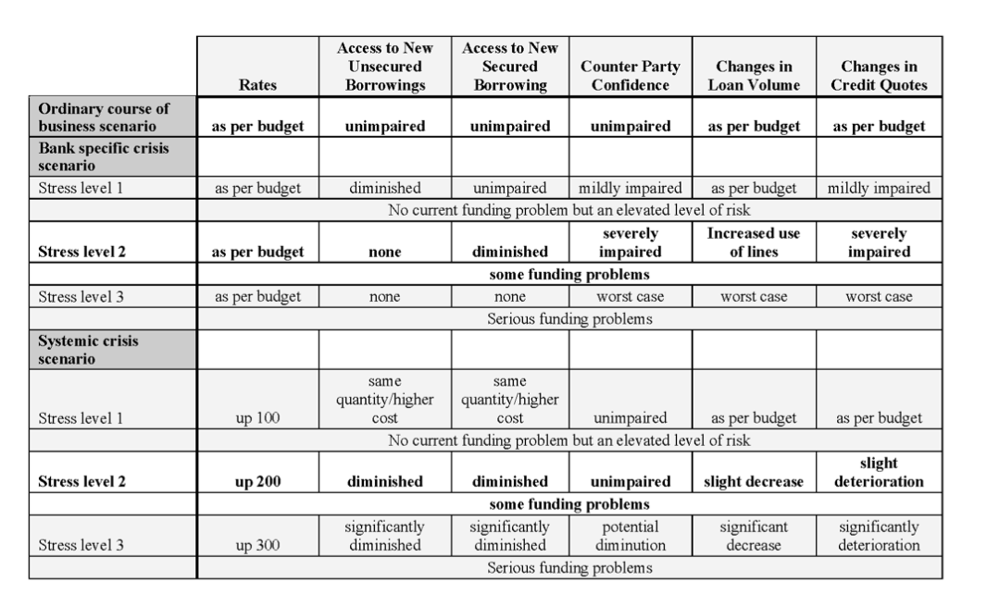
 | 8 Steps of Stress Testing

1 | Define scenarios
2 | For each scenario, define stresses |  | --->
 | For each scenario and stress …
3 | Estimate cash flows from customer behavior
4 | Add non-discretionary treasury cash flows
5 | Total the above two -> forecasted liquidity requirement
6 | Determine the amount of standby liquidity available -> counter balancing capacity
7 | Compare the quantity of forecasted need to the quantity of forecasted funds available.
8 | Communicate to management

 | Terminology
 | NOW Account
 |  | Negotiable Order of Withdrawal
 | MMDA
 |  | Money Market Deposit Account

