Basel_III_1
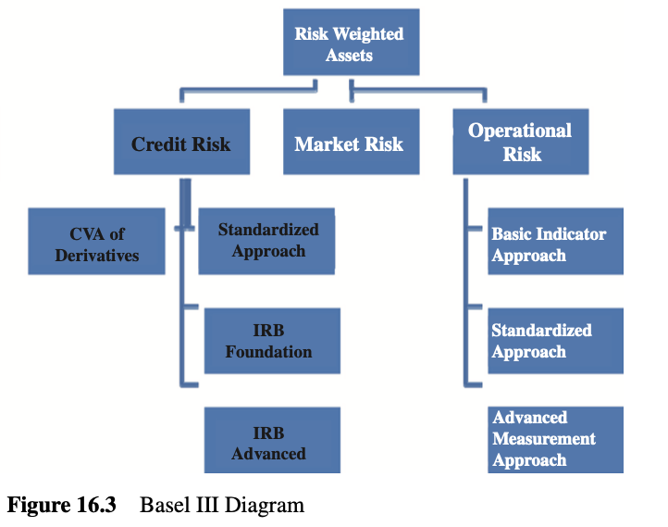
Advanced Credit Risk
p.296-299

HazardRate2PD
Spread to Hazard Rate
Risk Management and Financial Institutions. 6th Edition. Ch 17.6

 | avg_hazard_ratet = rate of defaut over next period given survival up to period t

 | avg_hazard_rate0 = rate of default over next period given survival up to period 0

 | P{Survival to period 0} = 100%

 | avg_hazard_rate0 = rate of default over next period, unconditional

 | PD0 = average_hazard_rate0

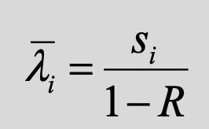
 | EL = PD * EAD * LGD
 | EL = PD * EAD * 1-R

 | EL / EAD = PD * EAD * 1-R / EAD
 | PD * 1-R = Expected Loss Rate
 | Expected Loss Rate = PD * 1-R
 | s1 = PD * 1-R
 | s1 / 1-R = PD
 | PD = s1 / 1-R

Default
Life After Default
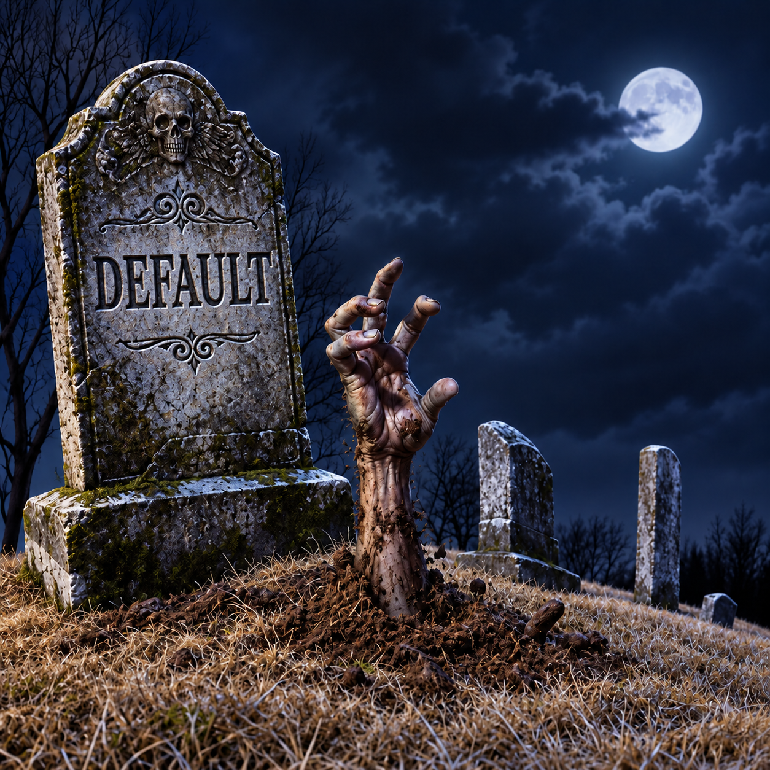
Even our definions are sometimes models.

Is 'default' the state of the company or the state of a particular bond?

It is common and effective to model default as the state of the company.

The probability of default can remain constant across bonds,
while the recovery rate varies with seniority.

Given bond-A with known credit spread and recovery rate,
and an assumed lower recovery rate for bond-B,
we can infer the spread for bond-B using the HazardRate2PD.

l = sA / (1-RA)
l = sB / (1-RB)

Solve for SB where other values are given.

CVA_1
CVA
 | Credit Value Adjustment (CVA)
 | Risk Management and Financial Institutions. 6th Edition. Ch 18.2
 | The amount by which a dealer must reduce the value of transactions because of counterparty default risk
 | An estimate of its expected loss from a default by the counterparty

 | Time | t0 | t1 | t2 | t3 | t4 | … |  | t10
 | PD |  | q1 | q2 | q3 | q4 | … |  | qn
 | PV Exposure |  | v1 | v2 | v3 | v4 | … |  | vn

 |  |  |  |  |  |  |  | qi = risk neutral probability inferred from credit spreads.

CVA$=LGD ×\sum_{i=0}^{n}{PDi × EEi }$
 |  |  |  |  |  |  |  | EEi = Expected Exposure at time i

CVA_2
CVA_q
 | Credit Value Adjustment (CVA) |  |  |  |  |  |  |  | Hull p.461-463

 | Time | t0 | t1 | t2 | t3 | t4 | … |  |  | t10
 | PD |  | q1 | q2 | q3 | q4 | … |  |  | qn
 | PV Exposure |  | v1 | v2 | v3 | v4 | … |  |  | vn

 |  |  |  |  |  |  |  | vi = Max(Vi-C, 0).
 |  |  |  |  |  |  |  | C = Collateral posted at previous period.
 |  |  |  |  |  |  |  | Vi = Value of Asset at time i.
CVA$=LGD ×\sum_{i=0}^{n}{PDi × EEi }$
 |  |  |  |  |  |  |  | EEi = Expected Exposure at time i

 |  |  |  |  |  |  |  | si is the credit spread for maturity ti
 |  |  |  |  |  |  |  | li is the average hazard rate up to time ti

 |  |  |  |  |  |  |  | qi = risk neutral probability infered from credit spreads.
 |  |  |  |  |  |  |  | qi = Incremental unconditional Probability of Default

DVA_2
DVA at Extremes
 | The ironic accounting benefit of DVA |  | Flash back to Morgan Stanley 3Q2011 disclosure
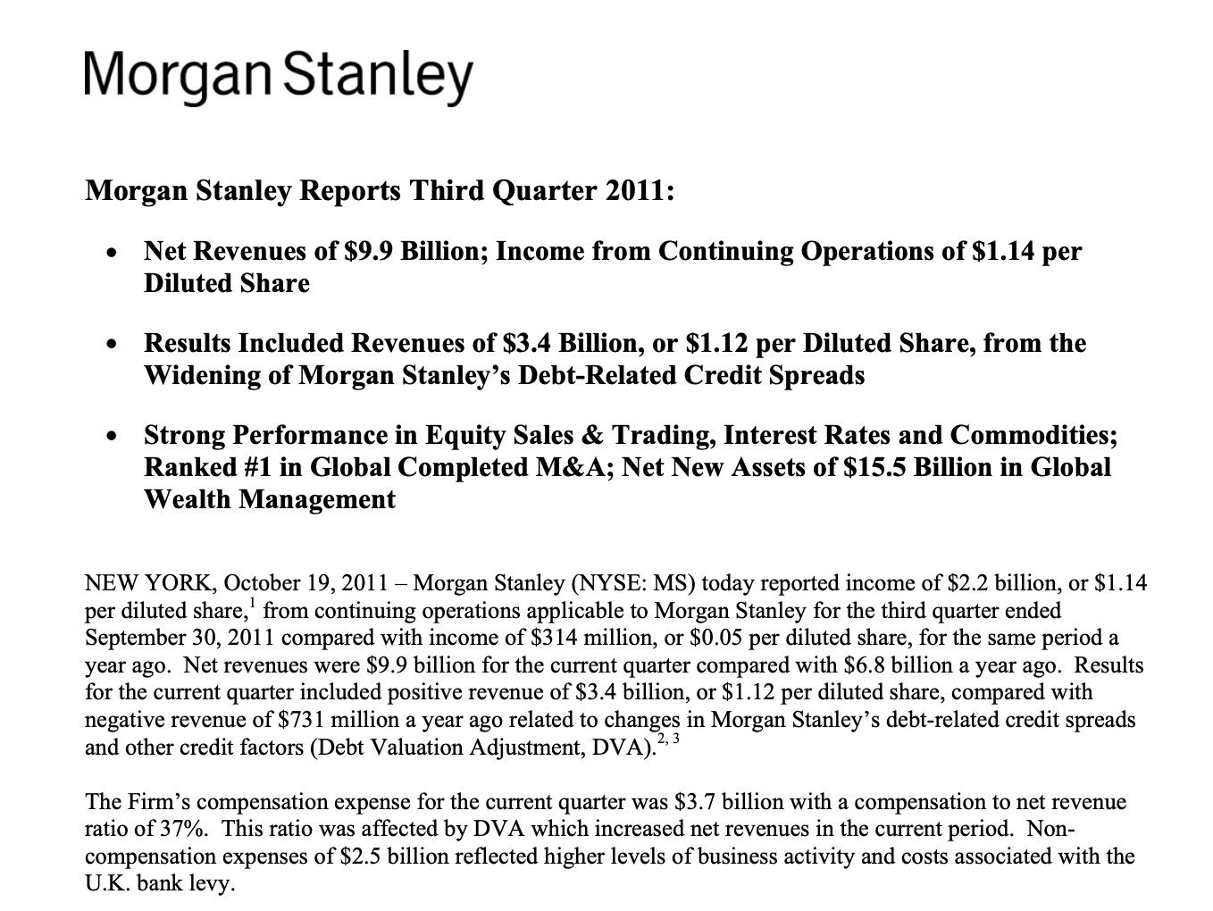
 | Banks | Credit spreads
 | Wells Fargo | 63 bps
 | JP Morgan | 81 bps
 | Citigroup | 179 bps
 | Bank of America | 266 bps
 | Morgan Stanley | 329 bps

WrongWayRisk_1
Risk Management and Financial Institutions. 6th Edition. Ch 18.5
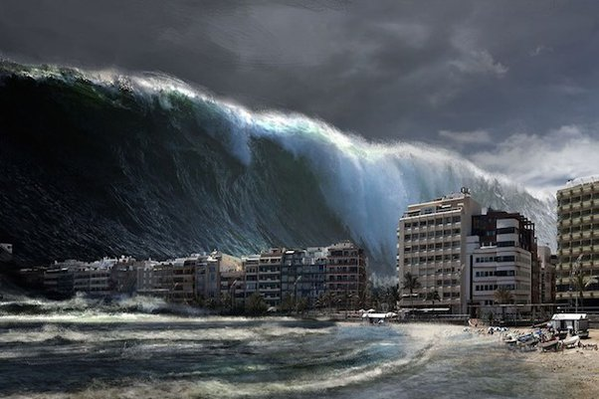
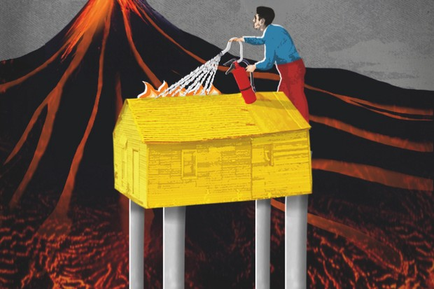

 | AAA Flood Insurance Co | AAA Volcano Insurance Company

CVA_DVA
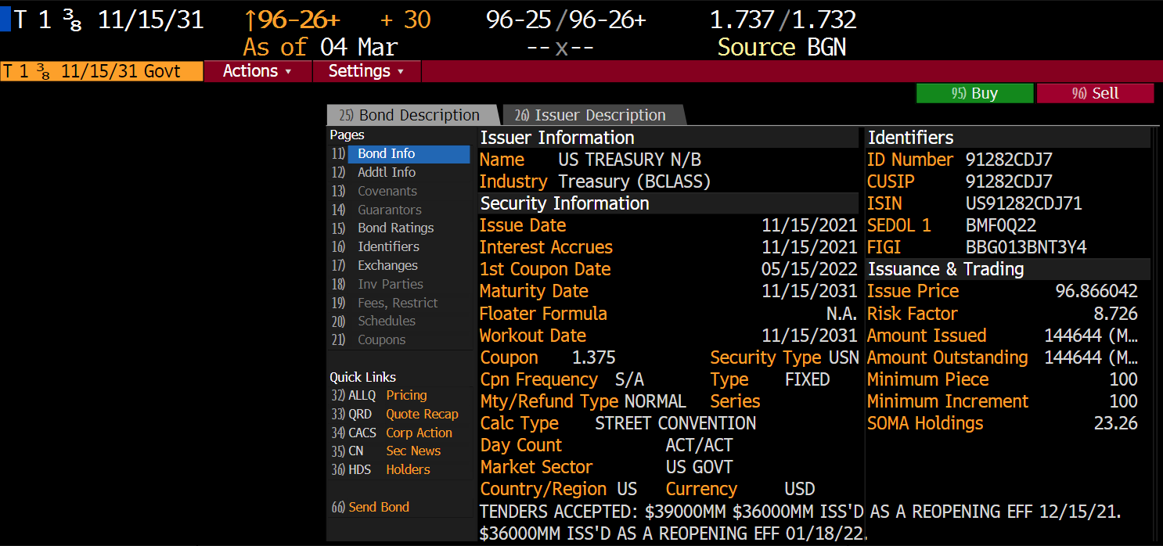
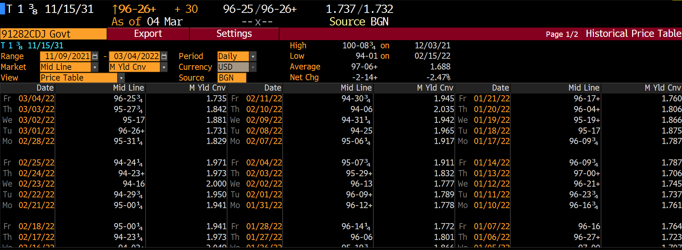
You are a credit analyst at Morgan Stanley (MS).
You have been asked to perform a Credit Value Adjustment for the following two option trades with Goldman Sachs (GS).
A market risk analyst has already estimated the counter party Expected Exposures in Bloomberg.
Use the information on your company, MS, your counterpary, GS, and the trades to estimate the values below.

CVA

DVA

Accounting value of the transactions with Goldman Sachs?

Long APPL Call option on 216,000 shares. | Short MSFT Put option on 74,500 shares.
The expected exposure is $5,000,399.92 | Your market risk analyst estimates the value to Morgan Stanley to be -$2,495,750.
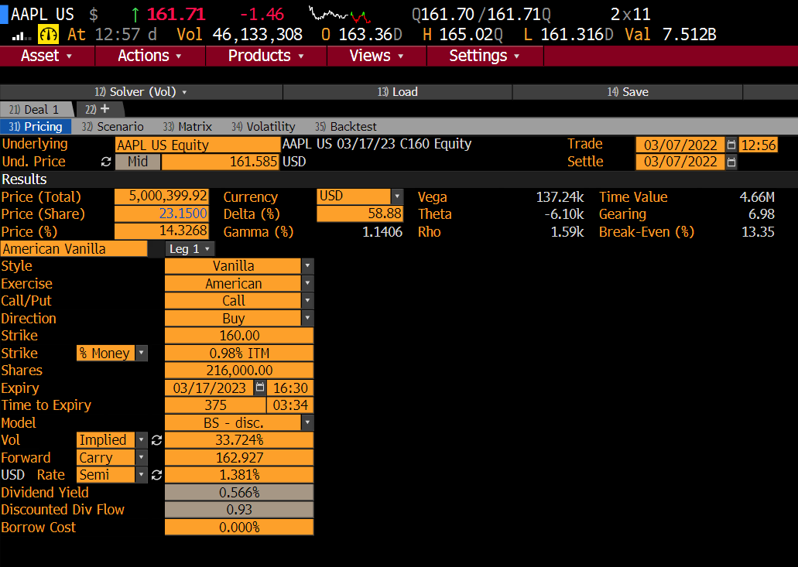


Goldman Sachs Bond
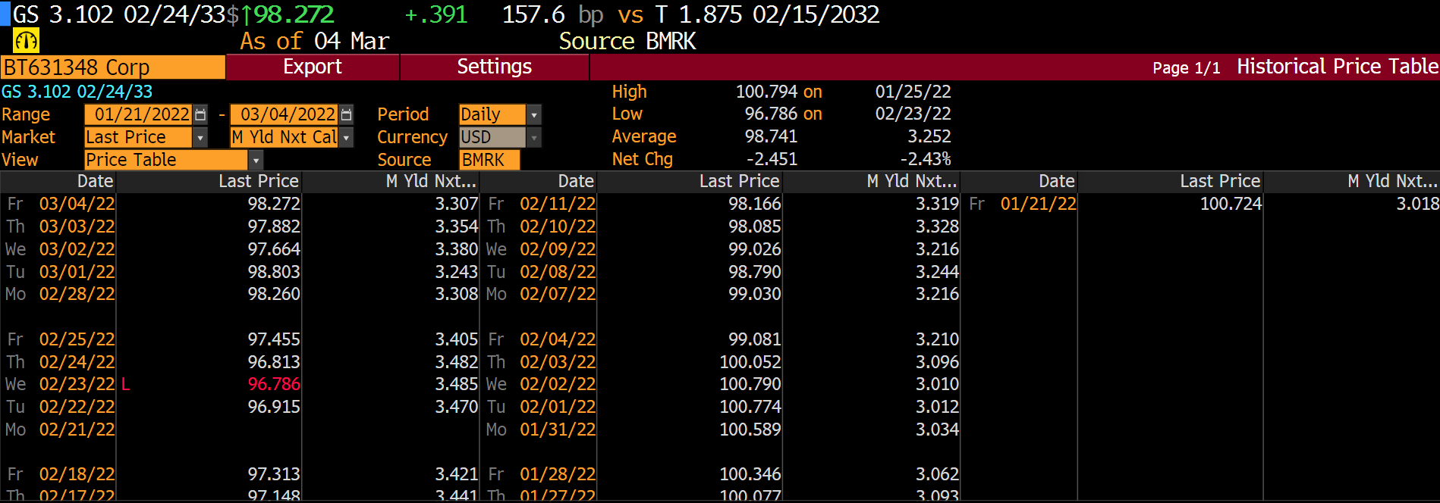

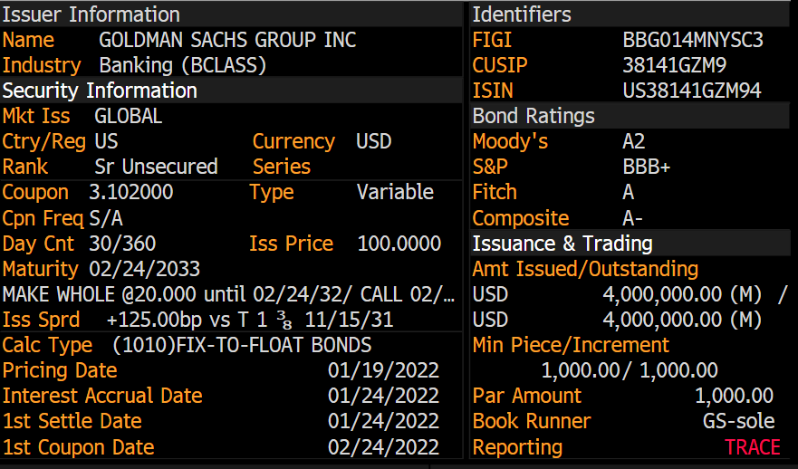

Morgan Stanley Bond



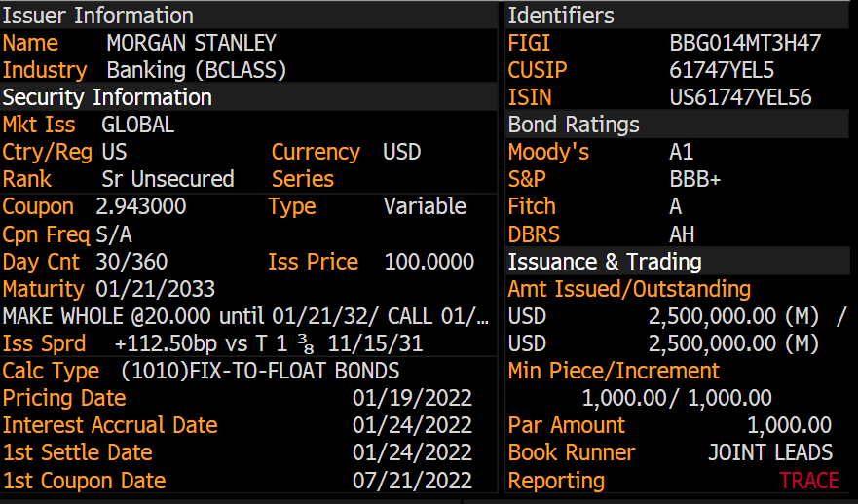

Reference Treasury

CreditRiskCaseStudy
Credit Risk Team Project
Pick 3 less common companies from the S&P 500.
That is, do not pick the usual Apple Amazon Google Microsoft ... Do some thing different.
For each company …
Estimate the probability of default of the company in 3 fundamentally different ways.
Compare the different estimates to each other.
What details can explain the differences between the estimates.
In addition to the 3 estimates, make one more assessment of PD under stressed conditions.
Describe how you have modeled the stressed PD.
Cite the sources for your data.
Display all calculations.

