CreditRisk
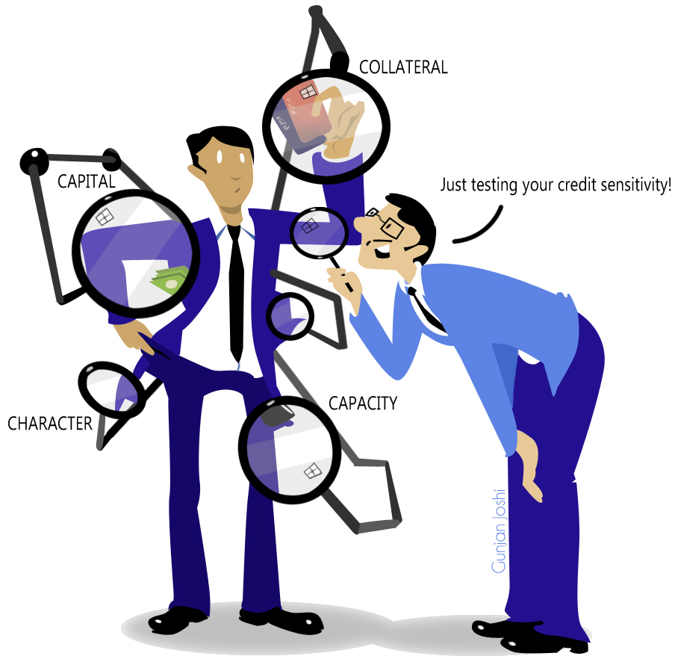

Credit Risk | The 4 C's | Measurement
Personal | Character | Individual
Corporate | Capacity | Portfolio
Market | Capital
 | Collateral
 | (Condition)

