CreditRisk
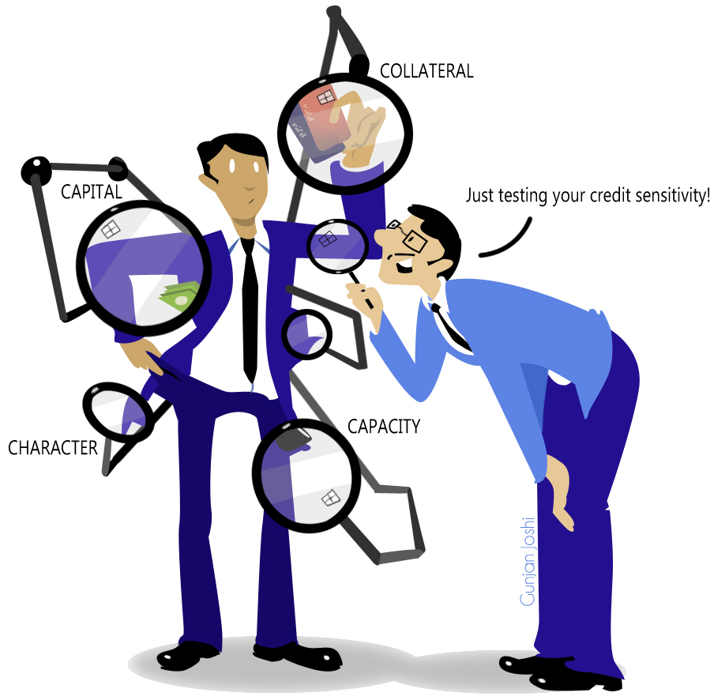
 |  | The 5 C's
 |  | Character | Credit score
 |  | Capacity | Total debt servicing
 |  | Capital | Net worth, debt to equity ratio, debt to assets
 |  | Collateral | E.g. Secured lending: Mortgage, Home Equity Line of Credit
 |  | Condition | Economy

Credit Risk | Measurement
Personal | Individual
Corporate | Financial Statements
Market | Portfolio

TurnOver

Turnover

My credit card has a $1000 limit.
I have purchased $10,000 over the year.
What is the minimun number of times I have used my card?

My car lot can only hold 20 cars.
Over the month, I sell 80 cars.
What's the implied amount of time, I have turned over my inventory?

Bonus:
There are up to 100,000 hairs on the human head.
There are at least 1,500,000 people in NYC.
At least how many people have the same number of hairs on their head?
https://en.wikipedia.org/wiki/Pigeonhole_principle

WordPlay

To Invest
vs
To Finance

What's the difference between 'finance' and 'investment'?

To invest is to allocate capital in order to get a return.
To finance is to raise capital in order to accomplish a task.

'How is that project financed?' means 'Where did the money come from?'.
'What are our investments?' asks 'What projects are we invested in?'.
'What are our finances?' asks 'Where did your money come from?'.

CDS

CDS
 | What's a Credit Default Swap (CDS)?

 |  | Recall that a swap is a fixed for floating exchange.
 |  | A CDS is the same but the floating leg is a an unlikely credit event.

 |  | Invented at JPM Morgan to insure Exxon after the Valdez Crisis (scroll down).
 |  | https://www.investopedia.com/terms/b/broad-index-synthetic-trust-offering.asp

 |  | The spread is the price.

 |  | A spread is the difference between risk free and risky loans.

 |  | http://www.investopedia.com/terms/c/creditdefaultswap.asp

Remember
Liquidity & Solvency Ratios
Current ratio = Current assets / Current liabilities
Quick ratio = (Current assets – Inventories) / Current liabilities
Debt to equity = Total debt / Total equity
Working capital
Working Capital = Current Assets - Current Liabilities
Have they been paying their obligations
Accountes Payable Turnover = Total Supplier Purchases / Average Accounts Payable
What is the level of demand as suggested by inventory clearing
Inventory Turnover = Cost of Goods Sold / Inventory
Loan covenants
Triggers
Ratings downgrade
Default on supplier
Low profit or revenue
May backfire if all counterparties make demands
CDS contracts are resellable
PD can be inferred from CDS prices.
Inferred PD over time is not necessarily constant.
You can infer CDS prices from a hazard rate.
PD is not necessarily constant over the life of a loan
EL = PD * EAD * LGD | LGD = (1-R)
What are the 5 C's of credit?

BonusMaterial1

Borrow money from pessimists; they don’t expect to get it back.

Don’t marry for money; you can borrow it cheaper.
Scottish Proverb

“A bank is a place that will lend you money if you can prove that you don’t need it."
Bob Hope

