Matz_Ch2
Loan to deposit ratios are not measures of liquidity risk
 | All assets other than loans assumed to be liquid.
 | Loans assumed to be illiquid.
 | No Benchmarks.
 | Matz page 2-4
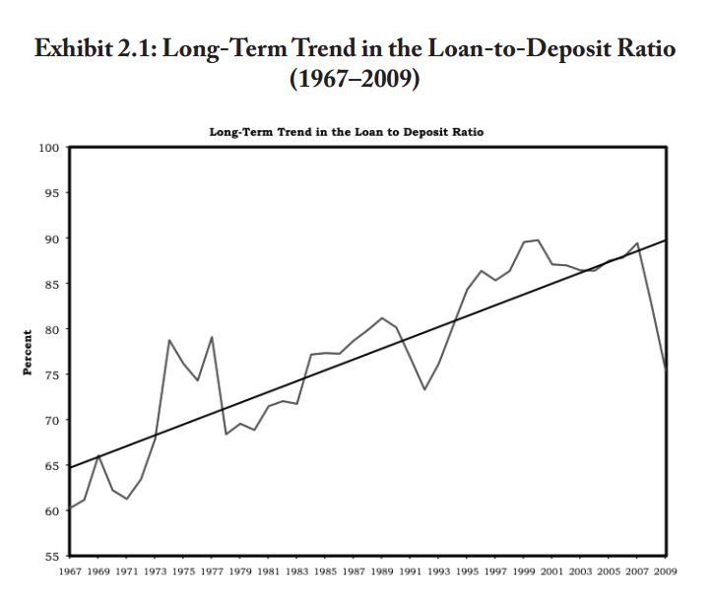

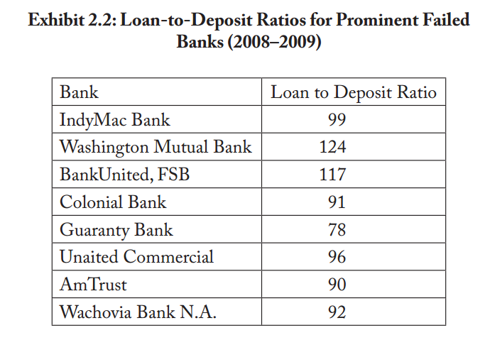

 | Matz page 2-7
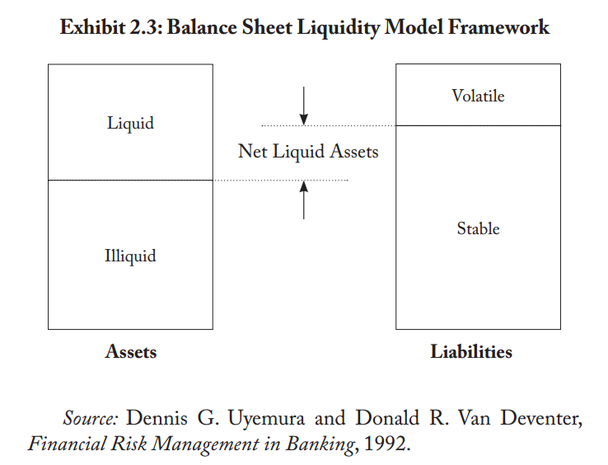

 | Deficiencies in liquidity ratios:
 |  | Historical
 |  | Single View
 |  | Exclude Off-Balance Sheet Exposures

 | Solutions
 |  | Understand cash flow sources and uses
 |  | Control in-flow and out-flow
 |  | Determine buffer size
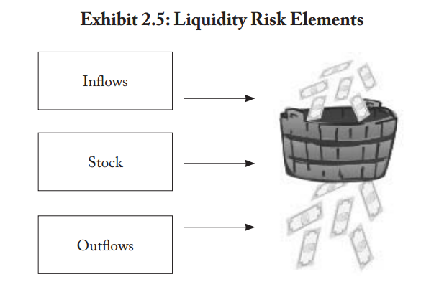

 | Tools
 |  | Cash flow forecasts
 |  | Be sure to display adjustments as an adjustment row.

Matz_Ch4_Stress
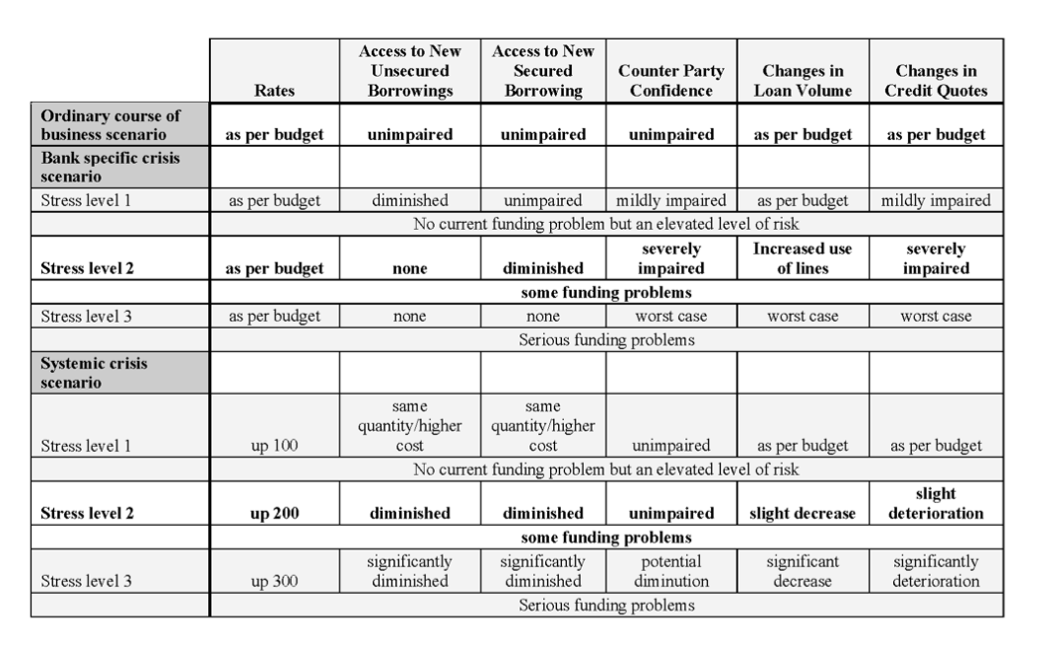
 | 8 Steps of Stress Testing

1 | Define scenarios
2 | For each scenario, define stresses
 | For each scenario and stress …
3 | Estimate cash flows from customer behavior
4 | Add non-discretionary treasury cash flows
5 | Total the above two -> forecasted liquidity requirement
6 | Determine the amount of standby liquidity available -> counter balancing capacity
7 | Compare the quantity of forecasted need to the quantity of forecasted funds available.
8 | Communicate to management

 |  |  | Rates | BorrowingAbility | Retail Deposits | LoanUtilization | Retail Mortgage Prepayment | Non-discretionary Treasury Cash Flows | Forecasted Liquidity Requirement | Standby Liquidity Available
 | Scenario A | Stress Level 1 | good | good | -100 | good | 50 | -123.00 | -173.00 | 180.00
 |  | Stress Level 2 | okay | okay | -115 | bad | 60 | -123.00 | -178.00 | 60.00
 |  | Stress Level 3 | bad | bad | -123 | bad | 60 | -123.00 | -186.00 | 30.00
 | Scenario B | Stress Level 1 | good | good | -100 | okay | 50 | -123.00 | -173.00 | 140.00
 |  | Stress Level 2 | okay | okay | -130 | okay | 70 | -123.00 | -183.00 | 90.00
 |  | Stress Level 3 | bad | bad | -135 | bad | 90 | -123.00 | -168.00 | 30.00
 | Scenario C | Stress Level 1 | okay | good | -110 | bad | 50 | -123.00 | -183.00 | 110.00
 |  | Stress Level 2 | bad | okay | -150 | bad | 90 | -123.00 | -183.00 | 60.00
 |  | Stress Level 3 | worse | bad | -200 | bad | 90 | -123.00 | -233.00 | 30.00

 |  |  |  |  |  |  | BorrowingAbility
 |  |  |  |  |  |  | good | 100
 |  |  |  |  |  |  | okay | 50
 |  |  |  |  |  |  | bad | 20

 |  |  |  |  |  |  | LoanUtilization
 |  |  |  |  |  |  | good | 80
 |  |  |  |  |  |  | okay | 40
 |  |  |  |  |  |  | bad | 10

Remember
Basel III Calculations
Note whether assets are unencumbered when considering liquidity.
Borrowing short term and investing long term is risky.
Capital during good times is not enough to cover capital required in bad times.
Loan to deposit ratios are not measures of liquidity risk
8 Steps in stress testing
1 Define scenarios and levels.
2 For each of them, identify contractual cash flows.
3 For each of them, identify cash flows from customers.
4 Add treasury cash flows.
5 Total the customer cash flows and the treasury cash flows.
6 Calculate the amount of liquid funds.
7 Compare need to availability.
8 Inform management.
Concepts in 'Concepts' tab
Liquidity VaR can be estimated using historical spreads.
Matz would not recommend that.
There are price-copiers in the market.

