Market Liquidity
Risk Management and Financial Institutions
5th Edition, Chapter 24, Page 541

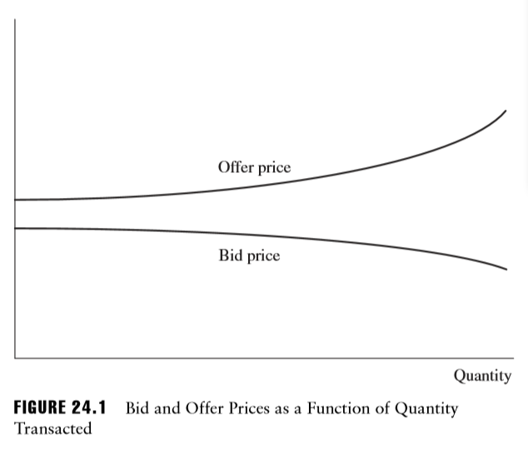

The dollar bid–offer spread is
 | p = Offer price - Bid price

The proportional bid–offer spread for an asset is defined as
 | s = (Offer price - Bid price)/mid-market price |  |  | where the mid-market price is halfway between the bid and the offer price.

Cost of liquiditation
In liquidating a position in an asset, a financial institution incurs a cost equal to
 | sα∕2 | where α is the dollar (mid-market) value of the position.

This reflects the fact that trades are not done at the mid-market price. A 'buy' trade is done at the offer price and a 'sell' trade is done at the bid price

Cost of liquiditation (Normal market condition)
One measure of the liquidity of a book is how much it would cost to liquidate the book in normal market conditions within a certain time.
Suppose that si is an estimate of the proportional bid–offer spread in normal market conditions for the ith financial instrument held by
a financial institution and αi isthedollar value ofthe position in the instrument.

Cost of liquiditation = |  |  | Suppose that a financial institution has bought 10 million shares of one company and 50 million ounces of a commodity.
 |  |  | The shares are bid $89.5, offer $90.5 and the commodity is bid $15, offer $15.1.
 |  |  | The mid-market value of the position in the shares is $90 × 10M = $900M.
 |  |  | The mid-market value of the position in the commodity is $15.05 × 50 = $752.50M.
 |  |  | The proportional bid–offer spread for the shares is 1/90 or 0.01111.
 |  |  | The proportional bid–offer spread for the commodity is 0.1/15.05 or 0.006645.

 |  |  | The cost of liquidation in a normal market is
 |  |  | $900M × 0.01111/2 + $752.5M × 0.006645/2 = $7.5M

Cost of liquiditation (Stressed market)
Another measure of liquidity is the cost of liquidation in stressed market conditions within a certain time period. Define μi and σi as the
the mean and standard deviation of the proportional bid–offer spread for the ith financial instrument held.
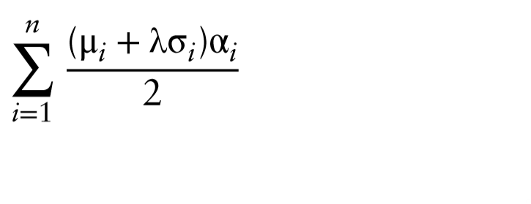
Cost of liquiditation = |  |  | Suppose that in previous example, the mean and standard deviation for the bid–offer spread for the shares
 |  |  | are $1.0 and $2.0, respectively. Suppose further that the mean and standard deviation for the bid–offer
 |  |  | spread for the commodity are both $0.1. The mean and standard deviation for the proportional bid–offer
 |  |  | spread for the shares are 0.01111 and 0.02222, respectively. The mean and standard deviation for the
 |  |  | proportional bid–offer spread for the commodity are both 0.006645. Assuming the spreads are normally
 |  |  | distributed, the cost of liquidation that we are 99% confident will not be exceeded is

 |  |  | 0.5×900×(0.01111+2.326×0.02222)+0.5×752.5×(0.006645+2.326×0.006645) = 36.58

Liquidity





 | Endogenous Liquidity | Exogenous Liquidity | Counterparty Risk | Credit Risk | Ops Risk

Treasuries | ? | ? | ? | Money Printing | ?
CD's | ? | ? | ? | Bancruptcy | ?
Bonds | Fire Sales / Squeeze | ? | ? | Default | Failed ALM
ABS | Fire Sales | Theoretical Pricing | Theoretical Pricing | Default | Due Diligence
Stocks | Penny Stocks | Penny Stocks | ? | ? | Insider Trading
ETF's | Probably Not | ? | ? | ? | ?
Preferred stock | Depends | ? | ? | ? | ?
Futures | You'd have to be big. | ? | The Exchange | Bankruptcy | The Exchange
OTC | Fire Sales / Squeeze | ? | The Counterparty | Default | ?
Commercial Real Estate | MarketRisk | ? | ? | Contract Fulfillment | ?
Private Equity | MarketRisk | ? | Depends | Depends | Failed LBO
Hedge Funds | Fire Sales / Squeeze | ? | Depends | Depends | Rogue Trader

LiquidityOtherThougths

The Dark Arts:
Price Copiers
 | Risk pricing as a competitive advantage
Credit lines unavailable to banks in trouble.
 | “See you in court”
 | AIG and Goldman
Capital during good times is not enough to cover capital required in bad times.
 | Optics can be a legitimate issue.
 | Stress tests Matz (Ch 6)
 | Liquidity buffers (Matz Ch 5)
 | CFP (Matz Ch 9)
Study the history of your industry
 | Stress testing should inspire research and planning:
 | Fire drills / war games / strategy sessions
Manage on the way down.
 | Given the above two concepts, strategize to increase liquidity as risk increases.
Contingency Funding Plans (CFP)
 | General requirements
 | Specific requirements

Q1_Calc
COMPANY J SUMMARY BALANCE SHEET |  |  | COMPANY J 2021 CASH FLOW FORECAST |  |  |  |  |  |  | COMPANY J FORECAST FUNDING MIX |  |  |  |  |  |  |  | COMPANY J FORECAST Q1 FUNDING MIX BREAKDOWN
 |  | US$ million |  |  | 2022 |  |  |  | 2023 |  |  |  | Q1 | Q2 | Q3 | Q4 | Q1 |  |  |  | Maturity Bucket
 | Assets | 31-Dec-21 | US$ million |  | Q1 | Q2 | Q3 | Q4 | Q1 |  |  | Cost |  | US$ mn | US$ mn | US$ mn | US$ mn |  |  | Q1 Funding | 30 days | 90 days | 1 year | 2 years | 5 years | >5 years |  | 30 days | 90 days | 1 year | 2 years | 5 years | >5 years
Current Assets |  | 470 | Inflows |  | 500 | 691 | 833 | 830 | 515 | Working Capital Employed |  |  | (460) | (654) | (800) | (640) | (545) | Accounts Payable |  | 135 | 54 | 54 | 27 |  |  |  | Commercial Paper
 | Cash & bank accounts | 50 |  | Sales | 450 | 600 | 750 | 650 | 400 |  | USA (60%) | - | (276) | (392) | (480) | (384) | (327) |  | USA | 81 | 32 | 32 | 16 |  |  |  | Supplier Credit
 | Inventories | 300 |  | Accounts receivable | 0 | 0 | 0 | 150 | 100 |  | Canada (10%) | - | (46) | (65) | (80) | (64) | (54) |  | Canada | 13 | 5 | 5 | 3 |  |  |  | Bond Issue
 | Accounts receivable | 100 |  | Inventories | 0 | 0 | 0 | 25 | 15 |  | EU (15%) | - | (69) | (98) | (120) | (96) | (82) |  | EU | 20 | 8 | 8 | 4 |  |  |  | Syndicated Bank Loan
 | Other current assets | 20 |  | Accounts payable | 50 | 66 | 83 | 0 | 0 |  | China (15%) | - | (69) | (98) | (120) | (96) | (82) |  | China | 20 | 8 | 8 | 4 |  |  |  | USA Bank 1
Fixed Assets |  | 750 |  | Asset sales | 0 | 25 | 0 | 5 | 0 | Short Term Debt |  |  | 380 | 420 | 420 | 245 | 215 | Short Term Debt |  | 380 | 228 | 76 | 76 |  |  |  | USA Bank 2
 | Property, plant & equipment | 750 |  | Other | 0 | 0 | 0 | 0 | 0 |  | USA | 2.50% | 228 | 252 | 252 | 147 | 129 |  | USA | 228 | 147 | 56 | 56 |  |  |  | USA Bank 3
 | Long term investments | 0 | Outflows |  | (697) | (864) | (899) | (651) | (488) |  | Canada | 3.00% | 38 | 42 | 42 | 25 | 22 |  | Canada | 38 | 23 | 8 | 8 |  |  |  | Canada Bank 1
 | Total Assets | 1,220 |  | Cost of goods sold | (248) | (330) | (413) | (358) | (220) |  | EU | 2.00% | 57 | 63 | 63 | 37 | 32 |  | EU | 57 | 34 | 11 | 11 |  |  |  | Canada Bank 2
 |  |  |  | Payroll | (160) | (163) | (162) | (157) | (163) |  | China | 7.00% | 57 | 63 | 63 | 37 | 32 |  | China | 57 | 24 | 1 | 1 |  |  |  | Canada Bank 3
 | Liabilities & Equity |  |  | Fixed expenses | (60) | (59) | (61) | (61) | (61) | Long Term Debt |  |  | 260 | 344 | 410 | 384 | 384 | Long Term Debt |  | 260 |  |  | 26 | 26 | 78 | 130 | EU Bank 1
Current Liabilities |  | 270 |  | Bank fees and interest | (12) | (15) | (16) | (12) | (11) |  | USA | 3.50% | 169 | 223 | 266 | 250 | 250 |  | USA | 169 |  |  | 17 | 17 | 51 | 85 | EU Bank 2
 | Accounts payable | 85 |  | Accounts receivable | (158) | (210) | (188) | 0 | 0 |  | Canada | 4.00% | 39 | 52 | 61 | 58 | 58 |  | Canada | 39 |  |  | 4 | 4 | 12 | 20 | EU Bank 3
 | Short term debt | 180 |  | Inventories | (37) | (50) | (41) | 0 | 0 |  | EU | 4.00% | 52 | 69 | 82 | 77 | 77 |  | EU | 52 |  |  | 5 | 5 | 16 | 26 | China Bank 1
 | Other current liabilities | 5 |  | Accounts payable | 0 | 0 | 0 | (15) | (20) |  | China | Not available |  |  |  |  |  |  | China | 0 |  |  |  |  |  |  | China Bank 2
 | Long term debt | 260 |  | Long term debt repayments | 0 | (16) | 0 | (26) | 0 | Undrawn Loan Commitments |  |  | 360 | 236 | 170 | 371 | 401 | Undrawn Loan Commitments |  | 360 |  |  |  |  |  |  | China Bank 3
 | Other non-current Liabilities | 15 |  | Capital expenditure | (23) | (22) | (19) | (23) | (12) |  | USA | 1.00% |  |  |  |  |  |  | USA | 234
Shareholder Equity |  | 675 |  | Other | 0 | 0 | 0 | 0 | 0 |  | Canada | 1.50% |  |  |  |  |  |  | Canada | 54
 | Total Liabilities & Equity | 1,220 | Net Cash Flow |  | (197) | (173) | (67) | 179 | 27 |  | EU | 1.50% |  |  |  |  |  |  | EU | 72
 |  |  |  | Beginning cash & bank accounts | 50 | 53 | 19 | 19 | 23 |  | China | Not available |  |  |  |  |  |  | China | 0
 |  |  |  | New long term debt | 0 | 100 | 66 |  |  | Total Available Funding |  |  | 1,000 | 1,000 | 1,000 | 1,000 | 1,000
 |  |  |  | New short term debt | 200 | 40 |  |  |  |  |  |  |  |  |  |  |  |  | Total | 1,000 | 228 | 76 | 102 | 26 | 78 | 130
 |  |  |  | Short term debt repayments | (0) |  |  | (175) | (30) |  |  | Undrawn loan commitments % total debt: | 56.3% | 30.9% | 20.5% | 58.9% | 66.9%
Funding by Maturity
Funding by Source
 | 30 days | 90 days | 1 year | 2 years | 5 years | >5 years
Commercial Paper
Supplier Credit
Bond Issue
Syndicated Bank Loan
USA Bank 1
USA Bank 2
USA Bank 3
Canada Bank 1
Canada Bank 2
Canada Bank 3
EU Bank 1
EU Bank 2
EU Bank 3
China Bank 1
China Bank 2
China Bank 3
 |  |  | Ending cash and bank accounts |  | 53 | 19 | 19 | 23 | 20 |  |  | % short term debt/total debt: | 59.4% | 55.0% | 50.6% | 38.9% | 35.9%
 |  |  |  | Ending short term debt | 380 | 420 | 420 | 245 | 215 |  |  | Weighted average cost of borrowing: | 3.4% | 3.4% | 3.4% | 3.5% | 3.5%
 |  |  |  | Ending long term debt | 260 | 344 | 410 | 384 | 384

Scroll to the right ->

LCS_MarketData
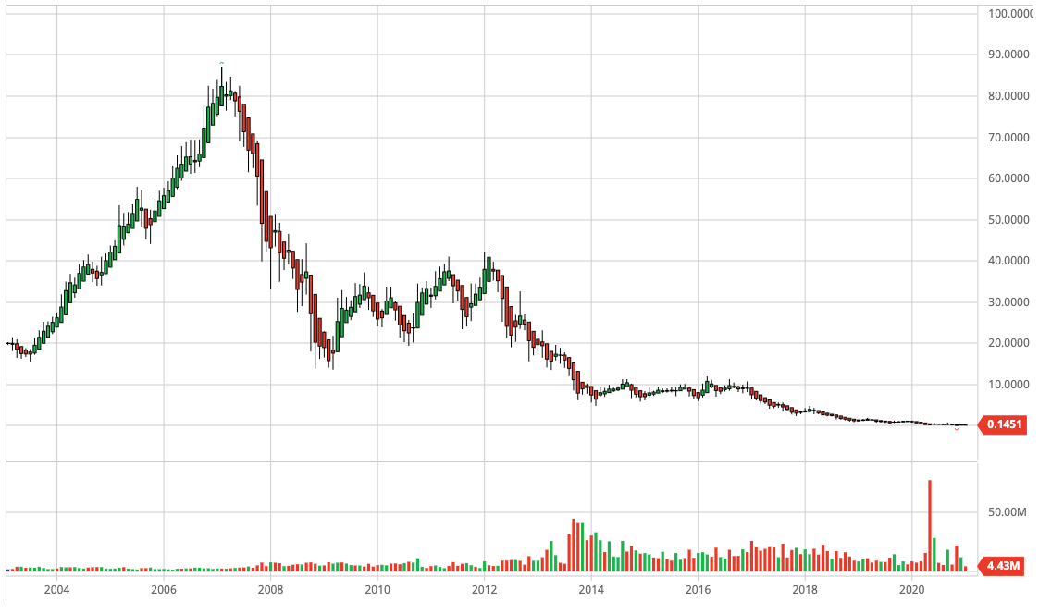
J.C. Penney Company stock performance (It is listed as private company now) | Date | Rating | Source
 | 2009-04-01 | Ba1 | Moody's
 | 2009-04-16 | BB | S&P
 | 2010-04-07 | BB+ | S&P
 | 2010-05-18 | Ba1 | Moody's
 | 2012-07-11 | B+ | S&P
 | 2012-08-10 | Ba3 | Moody's

LCS_Exhibit 7
Liquidity Case Study - Exhibit 7
J. C. Penney Company
Cash Balances: Q1 2010–Q4 2012
(in millions of dollars)

 | J. C. Penney Cash and Short-Term Investments
1Q 2010 | 2378
2Q 2010 | 2003
3Q 2010 | 1666
4Q 2010 | 2622
1Q 2011 | 1767
2Q 2011 | 1551
3Q 2011 | 1085
4Q 2011 | 1507
1Q 2012 | 839
2Q 2012 | 888
3Q 2012 | 525
4Q 2012 | 930

Data source: J. C. Penney quarterly reports.

