Intercon_Network1
Your friends have more friends than you!
https://www.alexirpan.com/2017/09/13/friendship-paradox.html
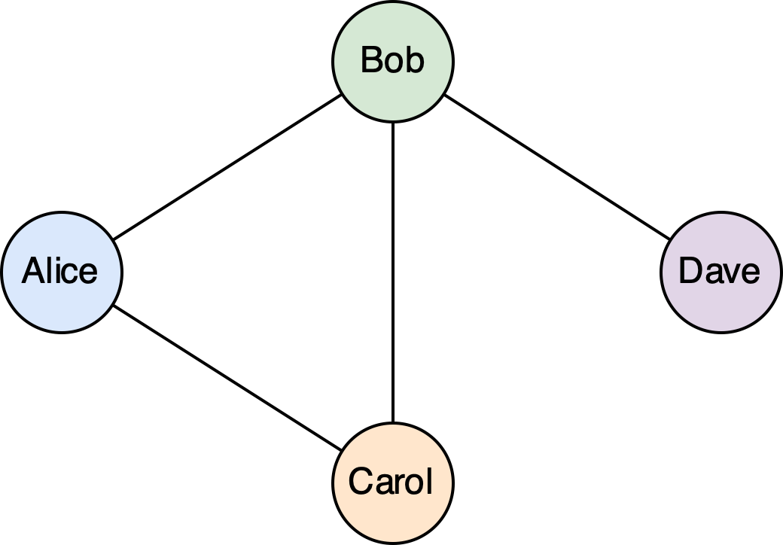

 |  | Alice | Bob | Carol | Dave | F | FoF
 | Alice | 0 | 1 | 1 | 0 | 2 | 5
 | Bob | 1 | 0 | 1 | 1 | 3 | 5
 | Carol | 1 | 1 | 0 | 0 | 2 | 5
 | Dave | 0 | 1 | 0 | 0 | 1 | 3
 |  |  |  |  |  | 2 | 2.25

Intercon_Network2
Bank Network Analysis
https://www.financialresearch.gov/briefs/files/OFRbr-2018-02-Network-Analysis.pdf
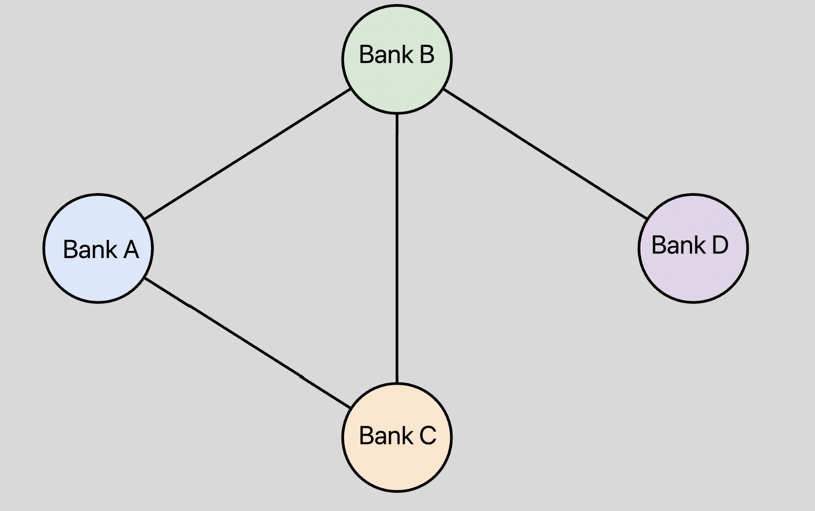

 |  | Adjacency Matrix
 |  | Alice | Bob | Carol | Dave | Degree Centrality
 | Alice | 0 | 1 | 1 | 0 | 2
 | Bob | 1 | 0 | 1 | 1 | 3
 | Carol | 1 | 1 | 0 | 0 | 2
 | Dave | 0 | 1 | 0 | 0 | 1

 |  | Distance Matix
 |  | Alice | Bob | Carol | Dave | Betweenness Centrality | Closeness Centrality
 | Alice | 0 | 1 | 1 | 2 | 67% | 1.33
 | Bob | 1 | 0 | 1 | 1 | 100% | 1.00
 | Carol | 1 | 1 | 0 | 2 | 67% | 1.33
 | Dave | 2 | 1 | 2 | 0 | 33% | 1.67

FinCrisisThoughts

Thinking about the Global Financial Crisis (GFC).
 | Blaming is not explaining.
 | Explaining is something like:
 |  | What was the situation?
 |  | What were the tradeoffs known to the actors?
 |  | What where the unknown tradeoffs?
 |  | Could the unknown tradeoffs been known?
 | Sensitivity to initial conditions / The butterfly effect.
 |  | https://en.wikipedia.org/wiki/Butterfly_effect

FinancialCrisisHistory
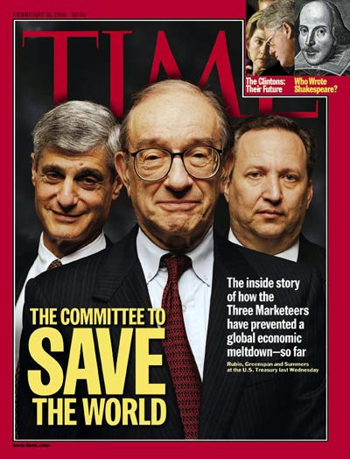
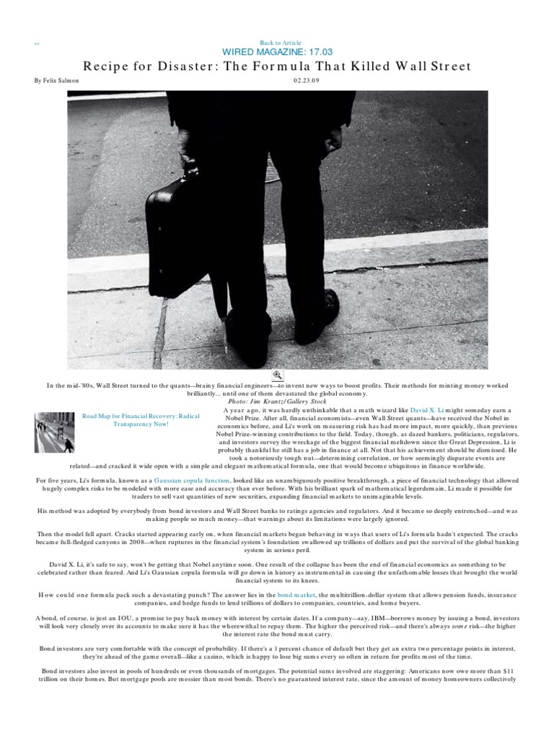
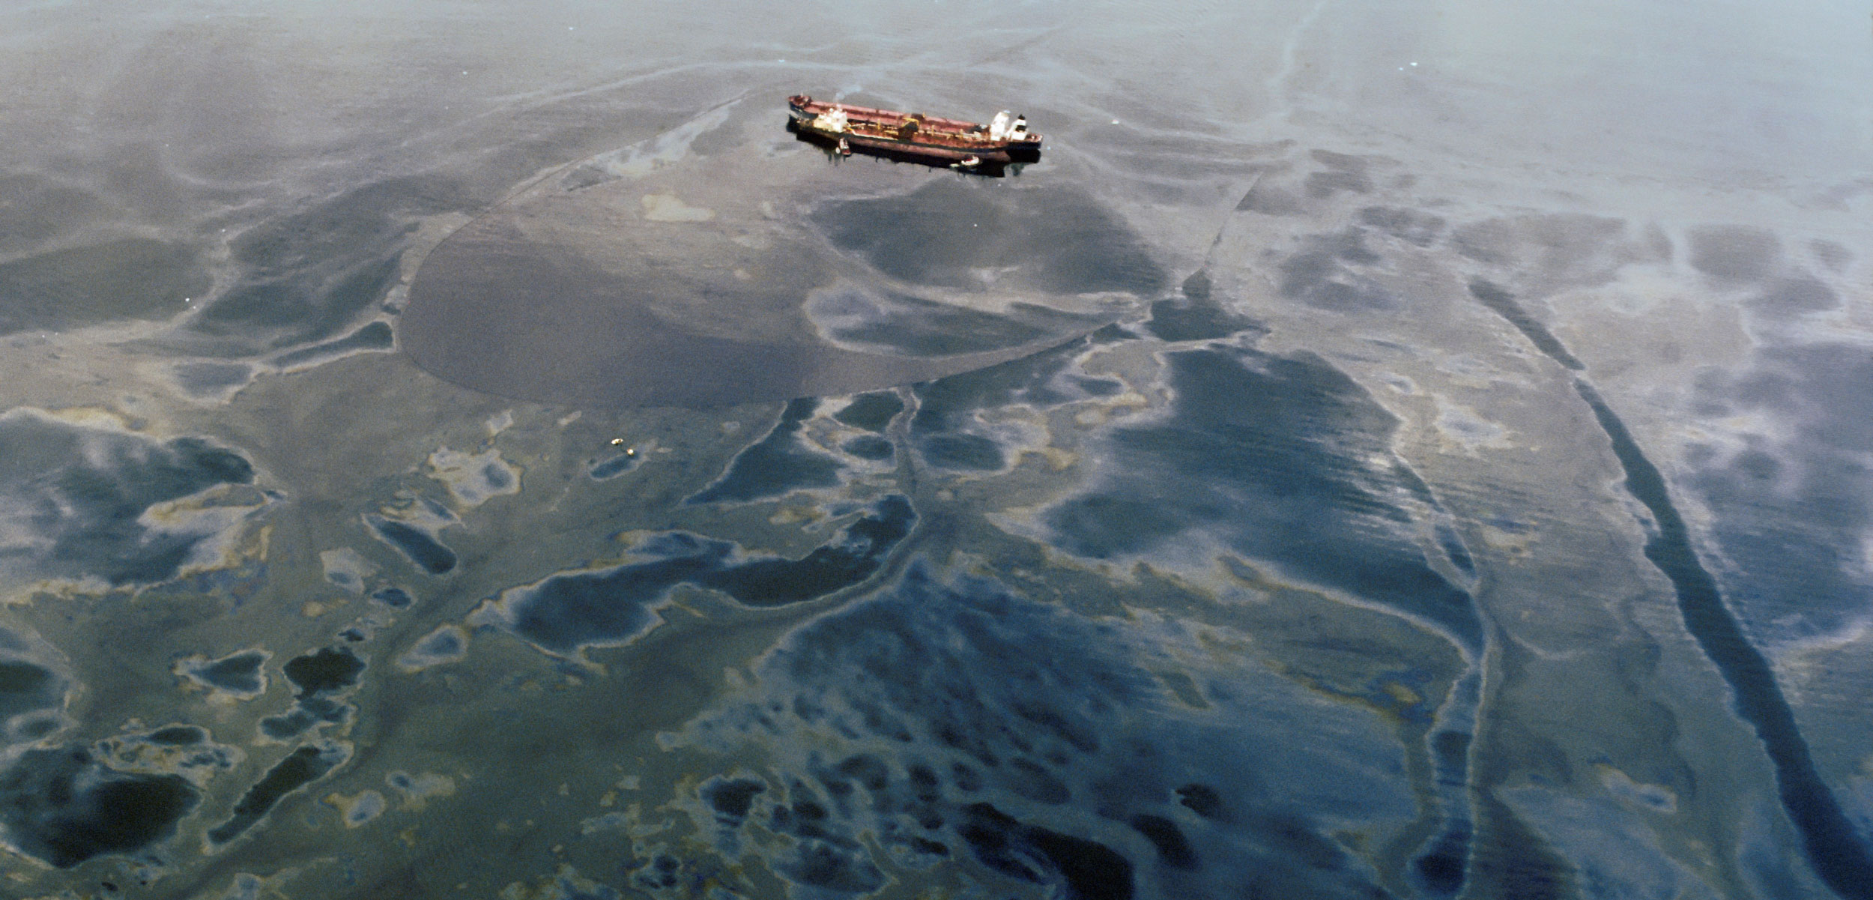
End of the cold war
Privitization and Globalization
Asian Tigers
 | Hong Kong, Singapore, South Korea, and Taiwan
LTCM
CDS / BISTRO
 | Exxon Valdez and JPMorgan
Internet Bubble
Global Savings Glut
Demand from China
Securitization
Housing Boom
 | The Big Short: CDO Origin
 | Fannie and Freddie
 | Monolines: Country Wide and New Century
CDO
 | The Big Short: CDO Risk
 | The Big Short: CDO Insurance
 | Optional: CDO Tranche Study
 |  | Excel File
 |  | Video 1
 |  | Video 2
AIG
 | Insure AAA
Warehouses

Bear Stearns
 | https://youtu.be/f5Is6d0BfXc
Lehman Brothers
 | Traders
 | CEO
 | Fraud
Board Meeting | https://youtu.be/Hhy7JUinlu0
firesale | https://youtu.be/RR4_mLmR1FE
repo | https://youtu.be/cUQiA4LtkmQ?t=48
JP Morgan
 | Dimon, Winters, Hancock
Merril
 | Paul Oneill
 | John Thane
Bank of America

It'sAllOpsRisk
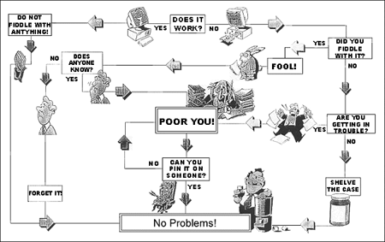
Theme of the day
 | What we think is market risk is operational risk.
 |  | Housing
 |  |  | Politics
 |  |  | Securitizations
 |  | AIG
 |  |  | Insuring AAA Tranches
 |  | Bear Stearns
 |  |  | Independent Hedge funds
 |  | Lehman Brothers
 |  |  | Traders
 |  |  | CEO
 |  |  | Fraud

 |  | JP Morgan
 |  |  | Dimon, Winters, Hancock
 |  | Merril
 |  |  | Paul Oneill
 |  |  | John Thane

Hull_2
Risk Management and Financial Institutions
John Hull
Ch 28.1

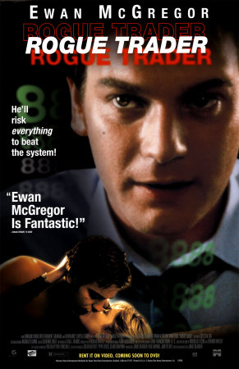
Impose robust limit controls
 | Rogue Trader
 | Separate Front, Middle, and Back office
 | http://www.nickleeson.com/
Set appropriate limits
 | Limits can be traded around
Design appropriate incentives
 | Principle-Agent Problem
 |  | Agency Costs
 | Management
 | Channel Stuffing
Beware of model risk
 | Blind trust in models
 | Model maintenance
 |  | Backtesting
 |  | Segmentation
Beware of reputation risk
 | Be careful what you sell
 | Goldman
 | New York Life
Manage funding liquidity risk
 | Monitor interconnected risk
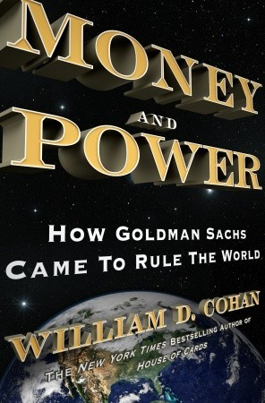
 | Scenario test

Thoughts

Risk management and stress testing:
Individual advice:
 | Know your industry so you can postulate scenarios!
 | When you start a job, get familiar with the terminology.

In terms of systemic risk,
The financial system became so sensitive that ordinary human failure was catastrophic.

Sensitivity from interconnectedness makes it possible for regular people making regular mistakes to do great harm.

TailWaggingTheWorld
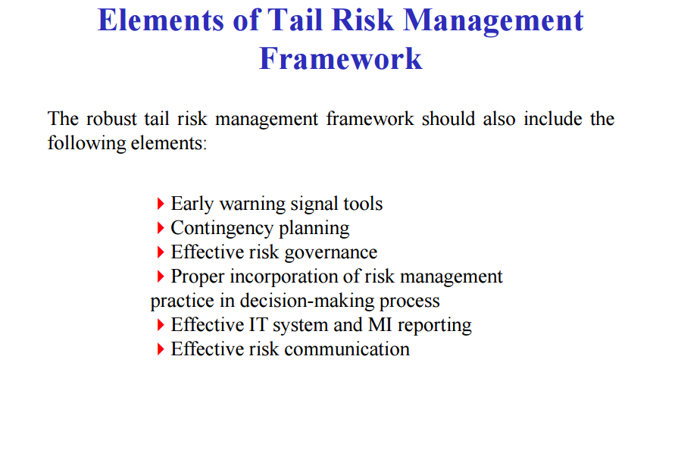
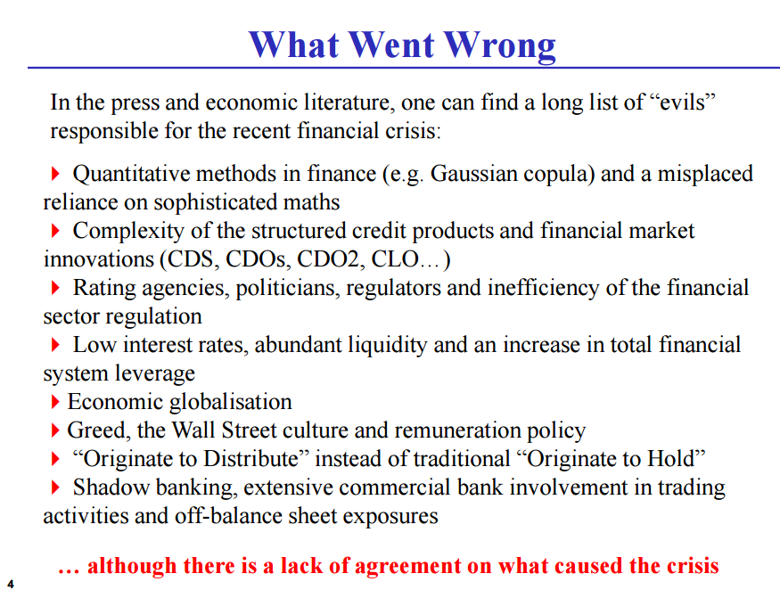

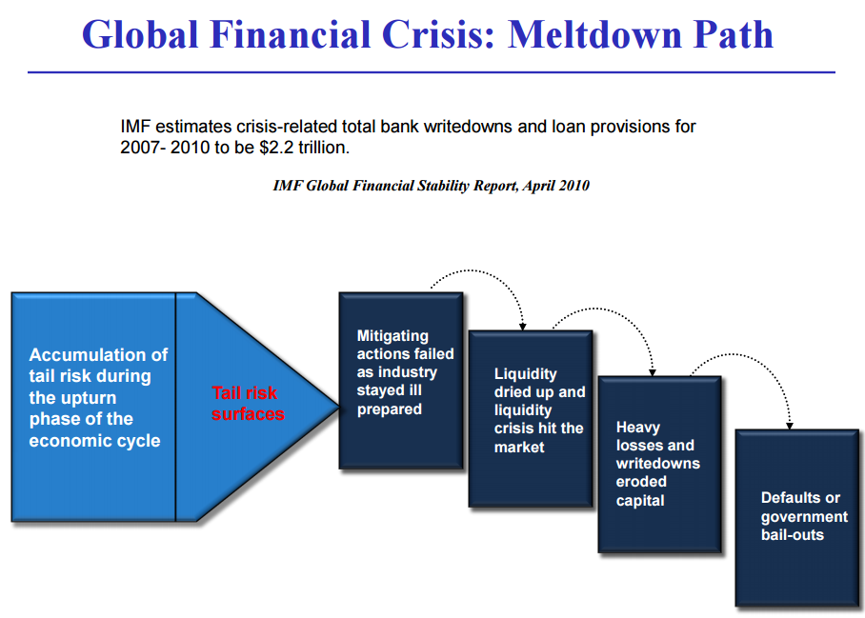

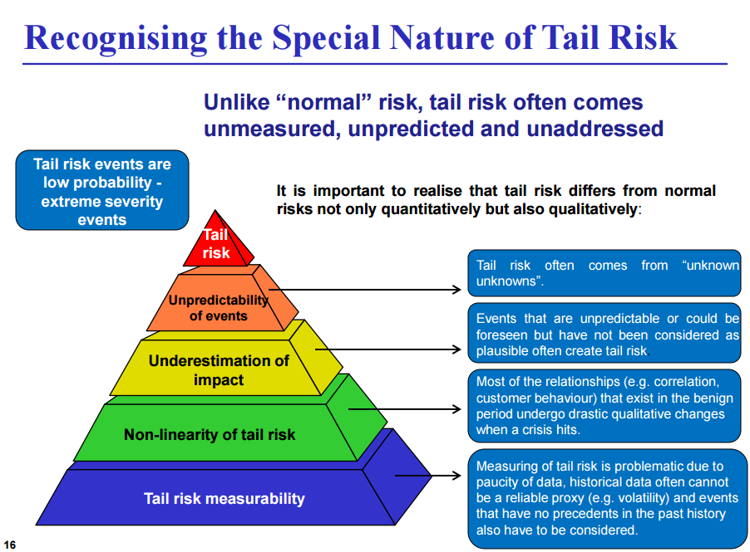

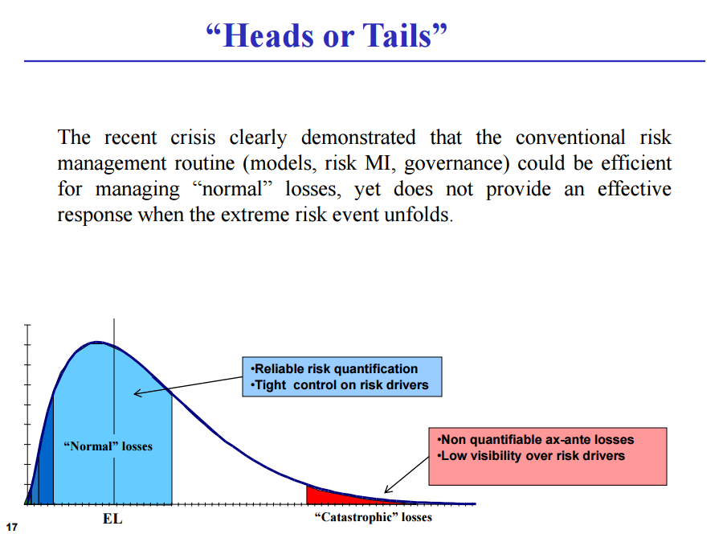

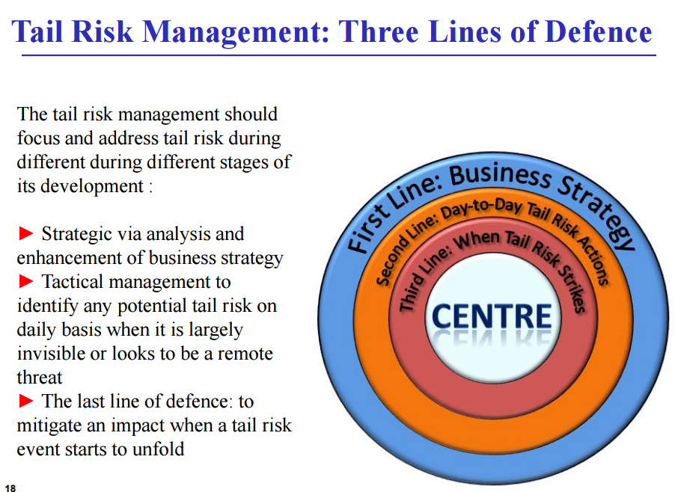

Three Lines of Defense in Risk Management
Risk Models
Model Validation
Auditing

