Class9
Liquidity Risk Management

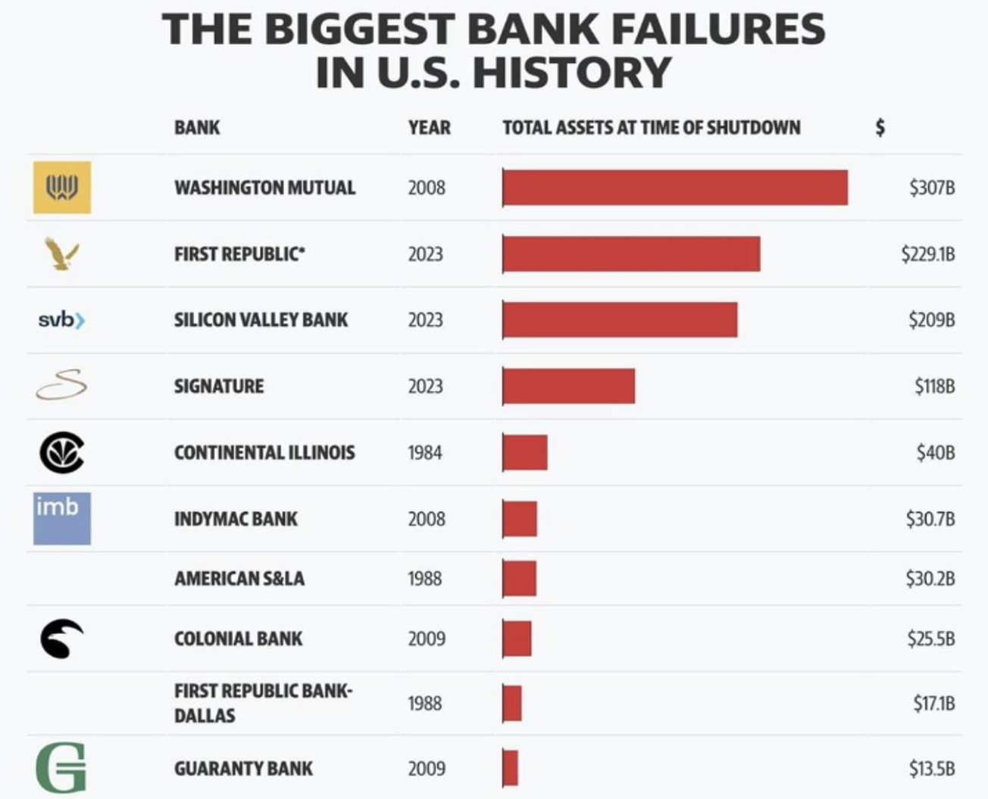
Basel III
 | Liquidity Coverage Ratio
 | Net Stable Funding Ratio

Laddering

Definition
 | Introduction

 | During the crisis, result was not driven by a result of shortage of capital, instead, a result of liquidty risk

 | "Solvency" vs "Liquidity"
 |  | Solvency
 |  |  | refers to a company having more assets than liabilities, so that the value of its equity is positive
 |  | Liquidity
 |  |  | refers to the ability to make cash payments as they become due/capacity to meet its cash/collateral obligations

 | What is liquidity risk?
 |  | Liquidity risk is a consequential risk, not triggered by credit or trading losses
 |  | Liquidity problems resulted from off-balance sheet commitments

 |  | Two principal types of market liquidity risk
 |  |  | Funding Liquidity
 |  |  | Investment Liquidity

Additional notes:
 | Liquidity Risk — Two Principal Types
 | 1. Funding Liquidity |  |  | 2. Investment Liquidity (usually called "market liquidity")
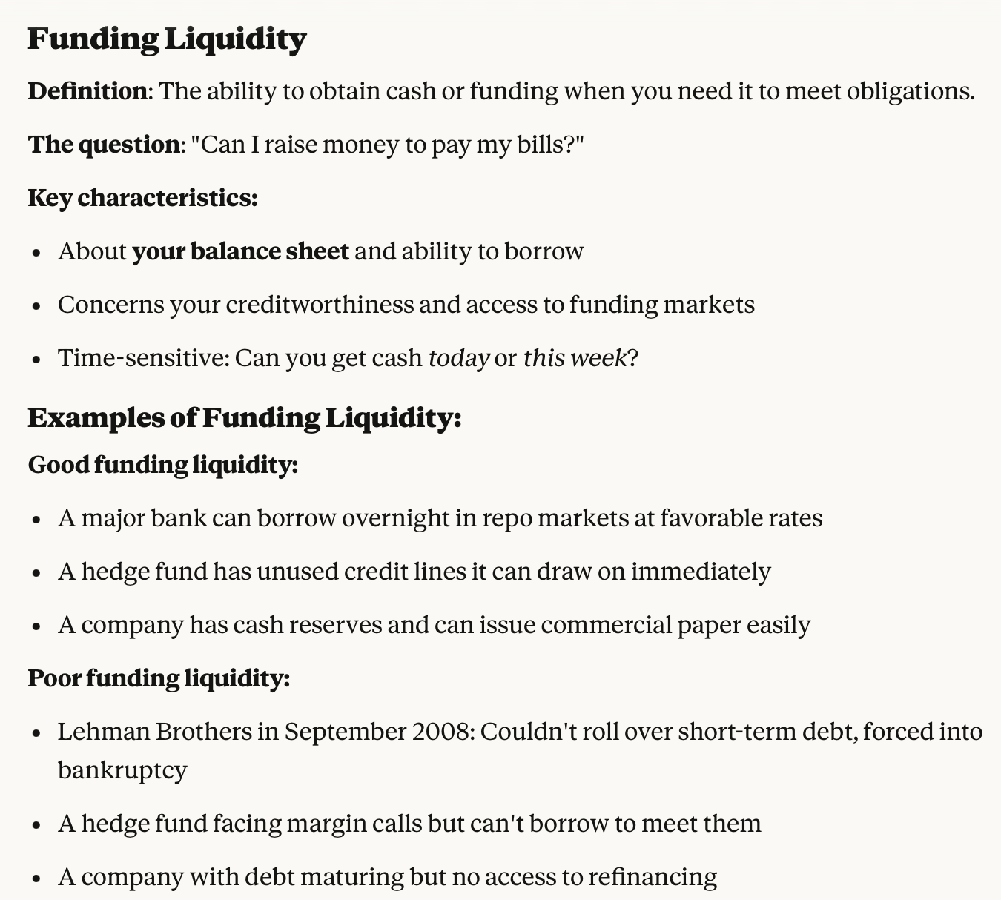
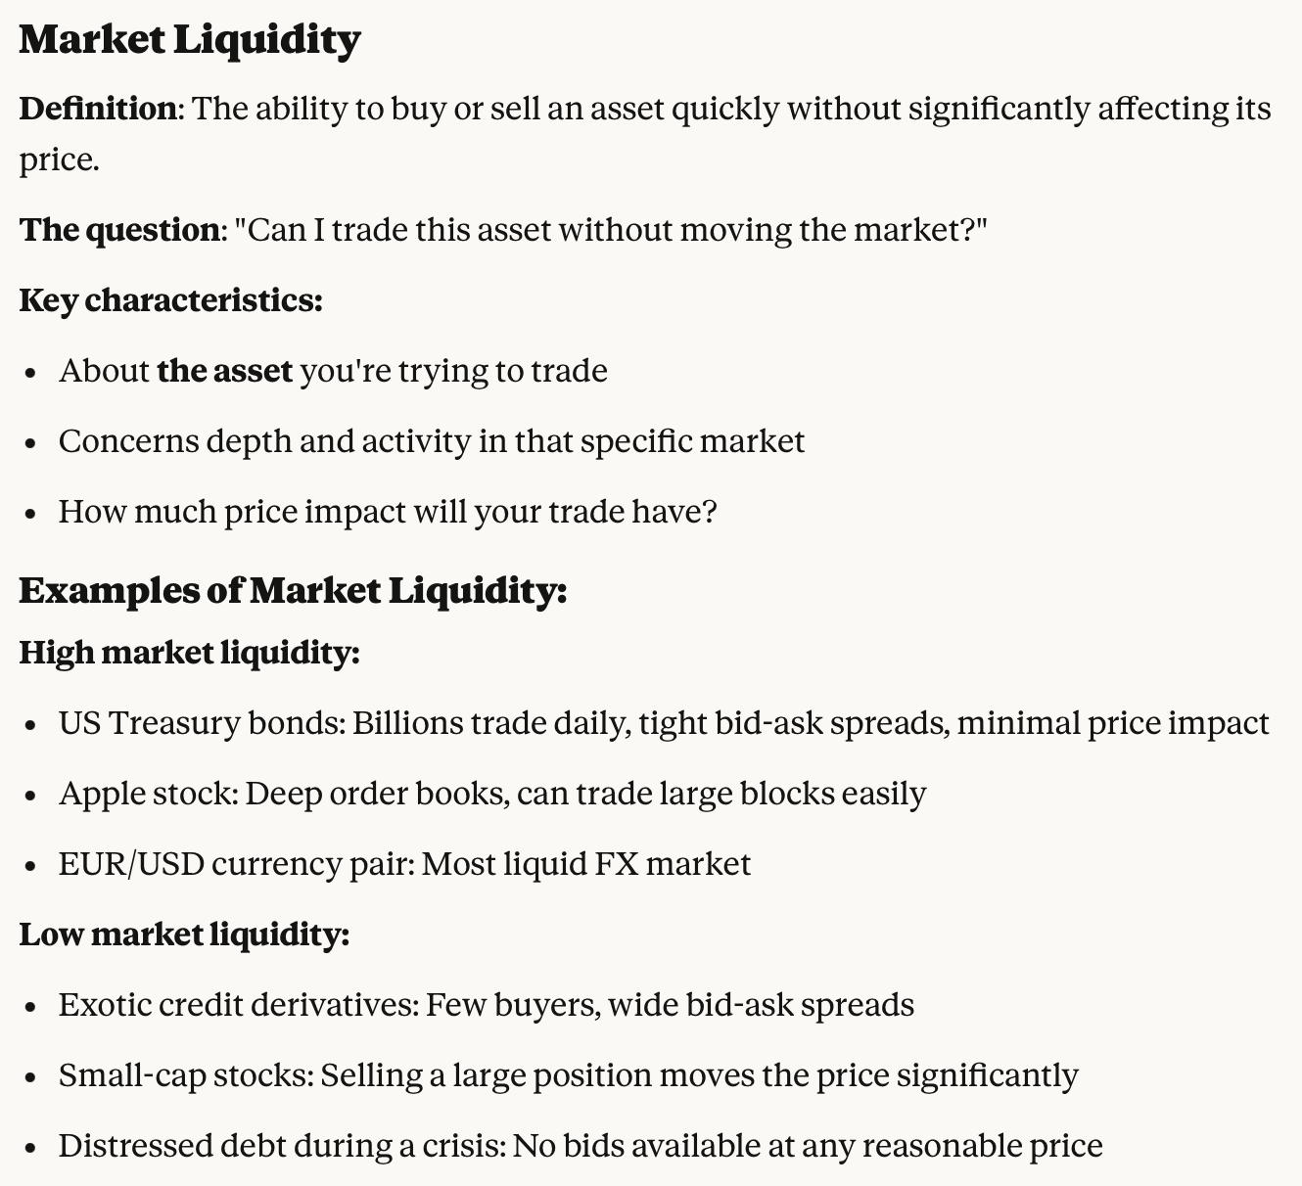
 |  |  |  |  | Drivers of funding liquidity
 |  |  |  |  | Your credit rating and reputation
 |  |  |  |  | Collateral you can pledge
 |  |  |  |  | Relationships with lenders
 |  |  |  |  | Market conditions (during crises,
 |  |  |  |  | funding dries up for everyone)

 |  |  |  |  | Drivers of market liquidity:
 |  |  |  |  | Number of active buyers and sellers
 |  |  |  |  | Trading volume and frequency
 |  |  |  |  | Bid-ask spreads
 |  |  |  |  | Market structure (exchange-traded vs. OTC)
 |  |  |  |  | *** Liquidity risk models are based on these and other market liquidity drivers

 |  |  |  |  | Risk managers need to stress test both types of liquidity risks

 | The 2008 Crisis Spiral: |  |  |  | Example: Long-Term Capital Management (1998)
 | 1. Market liquidity dries up: MBS becomes untradable, prices plummet |  |  |  | • LTCM had good funding liquidity initially (could borrow easily)
 | 2. This creates funding problems: Banks hold MBS as collateral, but lenders won't accept it or apply huge haircuts |  |  |  | • Made leveraged bets in illiquid markets (Russian bonds, mortgage spreads)
 | 3. Forced asset sales: Banks must sell assets to raise cash |  |  |  | • Markets moved against them → Needed to exit positions
 | 4. Market liquidity worsens: Forced selling depresses prices further |  |  |  | • But market liquidity disappeared → Couldn't sell without massive losses
 | 5. Funding pressures intensify: Lower asset values → more margin calls → need more funding |  |  |  | • This triggered funding liquidity crisis → Counterparties demanded more collateral
 | 6. Repeat until collapse |  |  |  | • Death spiral: Forced selling → Worse prices → More margin calls → More selling
x

Basel III LCR
 | Liquidity Coverage Ratio (LCR)
 | https://www.bis.org/publ/bcbs238.pdf

$LCR=\frac{High−Quality Liquid Asset}{Net Cash Outflows in a 30Day Period}$ >= 100%

 | Assumption: Bank's ability to survive a 30-day period of liquidity disruption
 |  | 3 notch downgrade (e.g. AA- to A-),
 |  | Partial loss of deposits
 |  | Increased haircuts on secured funding
 |  | Increased collateral requirements
 |  | Drawdowns on lines of credit

 | HQLA Definition
 | Discount Factor | Description | Category
 |  | Federal Reserve bank balance
 | 0% | Securities issued by sovereign entities | Level 1
 |  | US Gov't issued securities
 | 15% | Securities issued or guaranteed by multilateral development banks | Level 2A
 |  | Securities issued by US Gov't sponsored enterprises
 | 50% | Publicly traded common stock | Level 2B
 |  | Investment grade corporate debt by non financial sector corporation

Additional notes:
 | HQLA — High-Quality Liquid Assets
 | What is HQLA? | Assets held to cover 30 days of stressed net cash outflows. LCR = HQLA / Net 30-day Cash Outflows ≥ 100%
 | The Three Levels | Level 1 (0% haircut): Cash, central bank reserves, top-rated sovereign debt Level 2A (15%): High-grade corporate and covered bonds Level 2B (25–50%): Lower-grade corporates, select RMBS and equities
 | Key HQLA Challenges
 | Problem 1: Scarcity | Banks need large HQLA buffers, but much of the eligible supply is held by central banks and long-term investors, limiting market availability.
 | Problem 2: Procyclicality | In crises, downgrades, wider spreads and higher haircuts reduce HQLA values. Banks may then sell assets, further depressing prices and liquidity.
 | Example: March 2020 | A $100M BBB bond counted as $50M of Level 2B HQLA. A downgrade to BB removed its eligibility, cutting HQLA by $50M.
 | Problem 3: Opportunity Cost | HQLA usually yields less than loans, reducing profitability. Example: $15B earning 4.5% instead of 8.0% implies about $525M in annual foregone revenue.
 | Problem 4: “Wrong Assets” | Assets considered liquid in normal markets may become difficult to sell in a crisis. Sovereign, covered and corporate bonds have all experienced sharp price declines or frozen markets; cash and central bank reserves remain most reliable.
 | HQLA Levels
 | Level 1: Cash (physical cash/legal tender), Treasuries and central bank reserves (0% haircut; unlimited)
 | Level 2A: High-grade sovereign, covered and corporate bonds (15% haircut; max 40%)
 | Level 2B: RMBS, lower-grade corporates and index equities (25–50% haircut; max 15%)

x

Basel III NSFR
 | Net Stable Funding Ratio (NSFR)

$NSFR=\frac{Amount of Stable Funding}{Required Amount of Stable Funding}$ >= 100%

 | ASF Factors for Net Stable Funding Ratio |  | RSF Factors for Net Stable Funding Ratio
 | ASF Factor | Category | RSF Factor | Category
 | 100% | Tier 1 and Tier 2 capital | 0% | Cash and short-term instruments (<1 yr)
 |  | Preferred stock and borrowing with a remaining maturity greater than 1 year | 5% | Claims on sovereign governments with a risk weight =0% (>1 yr)
 | 90% | "Stable" demand deposits and term deposits | 20% | Corporate bonds rating AA or higher (>1 yr)
 | 80% | "Less stable" demand deposits and term deposits |  | Claims on sovereigns with risk weight =20%
 | 50% | Wholesale demand deposits | 50% | Gold, equities, and bond rated A
 | 0% | All other liability and equity categories | 65% | Residential mortgages
 |  |  | 85% | Loans to retail and small business (<1 year)
 |  |  | 100% | All other assets

Additional notes:
 | What is NSFR?
 | The Net Stable Funding Ratio is a Basel III liquidity requirement designed to ensure banks maintain stable funding over a one-year time horizon.

 | The Formula: NSFR = Available Stable Funding (ASF) / Required Stable Funding (RSF) ≥ 100%
 | The Goal: Force banks to fund their long-term, illiquid assets with stable, long-term funding sources — preventing dangerous maturity mismatches.

 | ASF (Available Stable Funding)
 | ASF measures how stable your funding sources are.
 | Each liability and equity item gets an ASF factor (0% to 100%) based on how reliable/stable it is during stress.
 | RSF (Required Stable Funding)
 | RSF measures how much stable funding your assets require.
 | Each asset gets an RSF factor (0% to 100%) based on how liquid/stable it is.
 | The Problem NSFR Solves
 | Pre-2008 Crisis Issue: Banks were funding long-term assets with short-term liabilities:
 | • Making 30-year mortgages
 | • Funding them with overnight wholesale borrowing
 | • When funding markets froze in 2008, solvent banks failed due to liquidity mismatch
 | Classic example:
 | • Assets: $100B in 5-year corporate loans (illiquid, can't sell quickly)
 | • Liabilities: $100B in overnight repo funding (must be rolled daily)
 | • Problem: If repo market freezes, bank can't refinance → forced asset sales at losses → failure
 | NSFR prevents this by requiring stable funding for illiquid assets.

x

Basel III NSFR Example
 | NSFR Example |  |  | Hull p.387
 |  |  |  | Example 16.1
$NSFR=\frac{Amount of Stable Funding}{Required Amount of Stable Funding}$ >= 100%

 | Bank Balance Sheet
 | Cash | 5 | Retail Deposits (stable) | 40
 | Treasury Bond (>1yr) | 5 | Wholesale Deposits | 48
 | Mortgages | 20 | Tier 2 Capital | 4
 | Small Business Loans | 60 | Tier 1 Capital | 8
 | Fixed Assets | 10
 |  | 100 |  | 100

 | RSF Factors for Net Stable Funding Ratio |  | ASF Factors for Net Stable Funding Ratio
 | Category | RSF Factor | Category | ASF Factor
 | Cash and short-term instruments (<1 yr) | 0% | Tier 1 and Tier 2 capital | 100%
 | Claims on sovereign governments with a risk weight =0% (>1 yr) | 5% | Preferred stock and borrowing with a remaining maturity > 1yr
 | Corporate bonds rating AA or higher (>1 yr) | 20% | "Stable" demand deposits and term deposits | 90%
 | Claims on sovereigns with risk weight =20% |  | "Less stable" demand deposits and term deposits | 80%
 | Gold, equities, and bond rated A | 50% | Wholesale demand deposits | 50%
 | Residential mortgages | 65% | All other liability and equity categories | 0%
 | Loans to retail and small business (<1 year) | 85%
 | All other assets | 100%

 | Required Amount of Stable Funding | 74.25 | Amount of Stable Funding | 72

 | NSFR | 96.97%

Additional notes:
 | Tier 1: Common equity + Additional Tier1 (perpetual instrument)
 | Tier 2: Subordinated debt with maturity > 1 year

x

Laddering

Laddered Maturities
https://en.wikipedia.org/wiki/Laddering | t | r | P | Cost | $vol | t | r | P | Cost | Pcum | Cost | $vol
 | 0.00 | 5.8% | 100 | 5.8401333011 | 0.83339636032 | 0.00 | 5.8% | 25 | 1.4600333253 | 25 |  | 0.36503387383
 | 0.25 | 5.6% |  |  |  | 0.25 | 5.6% | 25 | 1.4005078536 | 50
 | 0.50 | 3.2% |  |  |  | 0.50 | 3.2% | 25 | 0.80894222884 | 75
 | 0.75 | 5.0% |  |  |  | 0.75 | 5.0% | 25 | 1.2608589851 | 100
 | 1.00 | 4.8% | 100 | 4.8115324202 |  | 1.00 | 4.8% | 25 | 1.2028831051 | 100 | 4.9303423928
 | 1.25 | 4.8% |  |  |  | 1.25 | 4.8% | 25 | 1.2047854648 | 100
 | 1.50 | 3.1% |  |  |  | 1.50 | 3.1% | 25 | 0.78118212756 | 100
 | 1.75 | 5.1% |  |  |  | 1.75 | 5.1% | 25 | 1.2734160703 | 100
 | 2.00 | 5.5% | 100 | 5.5009306917 |  | 2.00 | 5.5% | 25 | 1.3752326729 | 100 | 4.4622667676
 | 2.25 | 5.3% |  |  |  | 2.25 | 5.3% | 25 | 1.3285636305 | 100
 | 2.50 | 5.2% |  |  |  | 2.50 | 5.2% | 25 | 1.3106476032 | 100
 | 2.75 | 4.8% |  |  |  | 2.75 | 4.8% | 25 | 1.1901542844 | 100
 | 3.00 | 5.0% | 100 | 4.9672421256 |  | 3.00 | 5.0% | 25 | 1.2418105314 | 100 | 5.2045981911
 | 3.25 | 5.5% |  |  |  | 3.25 | 5.5% | 25 | 1.3860138098 | 100
 | 3.50 | 6.7% |  |  |  | 3.50 | 6.7% | 25 | 1.6871002073 | 100
 | 3.75 | 2.5% |  |  |  | 3.75 | 2.5% | 25 | 0.6347119907 | 100
 | 4.00 | 3.2% | 100 | 3.2457280109 |  | 4.00 | 3.2% | 25 | 0.81143200273 | 100 | 4.9496365392
 | 4.25 | 4.5% |  |  |  | 4.25 | 4.5% | 25 | 1.1333840346 | 100
 | 4.50 | 5.1% |  |  |  | 4.50 | 5.1% | 25 | 1.2742948192 | 100
 | 4.75 | 5.0% |  |  |  | 4.75 | 5.0% | 25 | 1.246033032 | 100
 | 5.00 | 5.7% | 100 | 5.6913151362 |  | 5.00 | 5.7% | 25 | 1.4228287841 | 100 | 4.4651438886
 | 5.25 | 6.3% |  |  |  | 5.25 | 6.3% | 25 | 1.5788208614 | 100
 | 5.50 | 4.6% |  |  |  | 5.50 | 4.6% | 25 | 1.1475451045 | 100
 | 5.75 | 5.0% |  |  |  | 5.75 | 5.0% | 25 | 1.2425562035 | 100
 | 6.00 | 4.1% | 100 | 4.0675162843 |  | 6.00 | 4.1% | 25 | 1.0168790711 | 100 | 5.3917509535
 | 6.25 | 2.7% |  |  |  | 6.25 | 2.7% | 25 | 0.6714347119 | 100
 | 6.50 | 4.7% |  |  |  | 6.50 | 4.7% | 25 | 1.1766713645 | 100
 | 6.75 | 5.6% |  |  |  | 6.75 | 5.6% | 25 | 1.3978364753 | 100
 | 7.00 | 3.1% | 100 | 3.1393040592 |  | 7.00 | 3.1% | 25 | 0.78482601481 | 100 | 4.2628216228
 | 7.25 | 5.5% |  |  |  | 7.25 | 5.5% | 25 | 1.3738729091 | 100
 | 7.50 | 6.2% |  |  |  | 7.50 | 6.2% | 25 | 1.5389685299 | 100
 | 7.75 | 4.8% |  |  |  | 7.75 | 4.8% | 25 | 1.1912752078 | 100
 | 8.00 | 5.3% | 100 | 5.2784247994 |  | 8.00 | 5.3% | 25 | 1.3196061998 | 100 | 4.8889426615
 | 8.25 | 5.8% |  |  |  | 8.25 | 5.8% | 25 | 1.4617959694 | 100
 | 8.50 | 4.2% |  |  |  | 8.50 | 4.2% | 25 | 1.0447840519 | 100
 | 8.75 | 6.8% |  |  |  | 8.75 | 6.8% | 25 | 1.6886860691 | 100
 | 9.00 | 5.9% | 100 | 5.9120452685 |  | 9.00 | 5.9% | 25 | 1.4780113171 | 100 | 5.5148722902
 | 9.25 | 4.9% |  |  |  | 9.25 | 4.9% | 25 | 1.2233282696 | 100
 | 9.50 | 4.9% |  |  |  | 9.50 | 4.9% | 25 | 1.2300767762 | 100
 | 9.75 | 4.8% |  |  |  | 9.75 | 4.8% | 25 | 1.1930509921 | 100
 | 10.00 | 5.4% | 100 | 5.4009633876 |  | 10.00 | 5.4% | 25 | 1.3502408469 | 100 | 5.124467355
 | 10.25 | 4.5% |  |  |  | 10.25 | 4.5% | 25 | 1.1343477267 | 100
 | 10.50 | 5.3% |  |  |  | 10.50 | 5.3% | 25 | 1.3356602082 | 100
 | 10.75 | 4.7% |  |  |  | 10.75 | 4.7% | 25 | 1.1725333465 | 100
 | 11.00 | 4.2% | 100 | 4.220150534 |  | 11.00 | 4.2% | 25 | 1.0550376335 | 100 | 4.9927821283
 | 11.25 | 3.5% |  |  |  | 11.25 | 3.5% | 25 | 0.87059096772 | 100
 | 11.50 | 5.7% |  |  |  | 11.50 | 5.7% | 25 | 1.4239913792 | 100
 | 11.75 | 5.3% |  |  |  | 11.75 | 5.3% | 25 | 1.3314085103 | 100
 | 12.00 | 4.7% | 100 | 4.6818249196 |  | 12.00 | 4.7% | 25 | 1.1704562299 | 100 | 4.6810284908
 | 12.25 | 5.0% |  |  |  | 12.25 | 5.0% | 25 | 1.2391172627 | 100
 | 12.50 | 4.8% |  |  |  | 12.50 | 4.8% | 25 | 1.207508925 | 100
 | 12.75 | 3.4% |  |  |  | 12.75 | 3.4% | 25 | 0.85721521685 | 100
 | 13.00 | 5.2% | 100 | 5.1682050657 |  | 13.00 | 5.2% | 25 | 1.2920512664 | 100 | 4.4742976344
 | 13.25 | 5.1% |  |  |  | 13.25 | 5.1% | 25 | 1.2844772838 | 100
 | 13.50 | 4.8% |  |  |  | 13.50 | 4.8% | 25 | 1.2008362718 | 100
 | 13.75 | 5.2% |  |  |  | 13.75 | 5.2% | 25 | 1.308326473 | 100
 | 14.00 | 4.3% | 100 | 4.307092806 |  | 14.00 | 4.3% | 25 | 1.0767732015 | 100 | 5.0856912949
 | 14.25 | 3.3% |  |  |  | 14.25 | 3.3% | 25 | 0.83710045848 | 100
 | 14.50 | 5.4% |  |  |  | 14.50 | 5.4% | 25 | 1.3417423415 | 100
 | 14.75 | 7.3% |  |  |  | 14.75 | 7.3% | 25 | 1.8320919997 | 100
 | 15.00 | 6.1% | 100 | 6.1035821285 |  | 15.00 | 6.1% | 25 | 1.5258955321 | 100 | 5.0877080011
 | 15.25 | 3.2% |  |  |  | 15.25 | 3.2% | 25 | 0.79157663932 | 100
 | 15.50 | 5.7% |  |  |  | 15.50 | 5.7% | 25 | 1.4144803231 | 100
 | 15.75 | 5.6% |  |  |  | 15.75 | 5.6% | 25 | 1.3946884963 | 100
 | 16.00 | 6.1% | 100 | 6.1439710101 |  | 16.00 | 6.1% | 25 | 1.5359927525 | 100 | 5.1266409908
 | 16.25 | 4.7% |  |  |  | 16.25 | 4.7% | 25 | 1.1753690714 | 100
 | 16.50 | 4.8% |  |  |  | 16.50 | 4.8% | 25 | 1.2067648953 | 100
 | 16.75 | 2.0% |  |  |  | 16.75 | 2.0% | 25 | 0.51031785072 | 100
 | 17.00 | 4.7% | 100 | 4.7093254901 |  | 17.00 | 4.7% | 25 | 1.1773313725 | 100 | 4.4284445699
 | 17.25 | 3.8% |  |  |  | 17.25 | 3.8% | 25 | 0.95687294198 | 100
 | 17.50 | 3.9% |  |  |  | 17.50 | 3.9% | 25 | 0.97174991103 | 100
 | 17.75 | 5.4% |  |  |  | 17.75 | 5.4% | 25 | 1.3480368212 | 100
 | 18.00 | 5.0% | 100 | 4.9904039913 |  | 18.00 | 5.0% | 25 | 1.2476009978 | 100 | 4.4539910467
 | 18.25 | 5.0% |  |  |  | 18.25 | 5.0% | 25 | 1.244765479 | 100
 | 18.50 | 4.3% |  |  |  | 18.50 | 4.3% | 25 | 1.0770295199 | 100
 | 18.75 | 3.6% |  |  |  | 18.75 | 3.6% | 25 | 0.89891866854 | 100
 | 19.00 | 4.6% | 100 | 4.5780818791 |  | 19.00 | 4.6% | 25 | 1.1445204698 | 100 | 4.4683146652
 | 19.25 | 4.9% |  |  |  | 19.25 | 4.9% | 25 | 1.22515687 | 100
 | 19.50 | 5.2% |  |  |  | 19.50 | 5.2% | 25 | 1.2976558859 | 100
 | 19.75 | 3.6% |  |  |  | 19.75 | 3.6% | 25 | 0.89087882577 | 100
 | 20.00 | 5.0% | 100 | 5.0433933971 |  | 20.00 | 5.0% | 25 | 1.2608483493 | 100 | 4.5582120514

FRTB_IMA_Horizon_Calc
IMA1
IMA2
IMA3 | Notice how a 60 day horizon scaling can be broken into parts:
IMA4
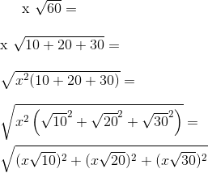

 |  | Where:
 |  | T is 10 days
 |  | ES(Qj) is the Expected Shortfall at horizon T where the subset of risk factors Qj
 |  | Factors Qj have liquidity horizons at least as long as LHj are simulated (with all other risk factors remaining constant)
 |  | LHj is the liquidity horizon in days for j

Matz_Ch4_TextExample
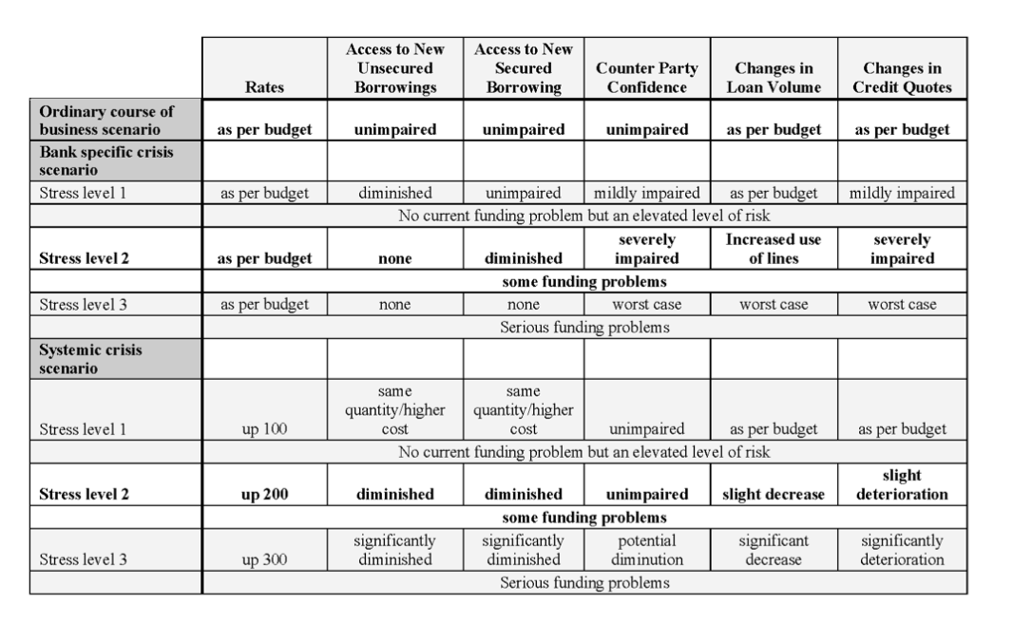
 | 8 Steps of Stress Testing

1 | Define scenarios
2 | For each scenario, define stresses |  | --->
 | For each scenario and stress …
3 | Estimate cash flows from customer behavior
4 | Add non-discretionary treasury cash flows
5 | Total the above two -> forecasted liquidity requirement
6 | Determine the amount of standby liquidity available -> counter balancing capacity
7 | Compare the quantity of forecasted need to the quantity of forecasted funds available.
8 | Communicate to management

 | Terminology
 | NOW Account
 |  | Negotiable Order of Withdrawal
 | MMDA
 |  | Money Market Deposit Account

