FinancialCrisisHistory
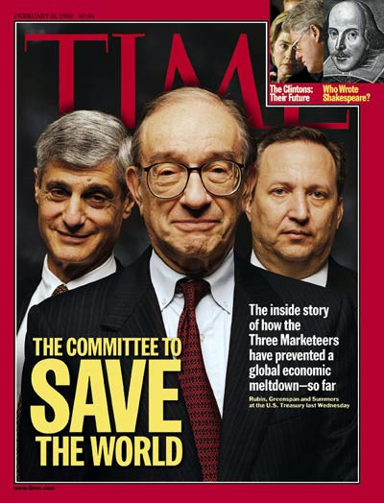
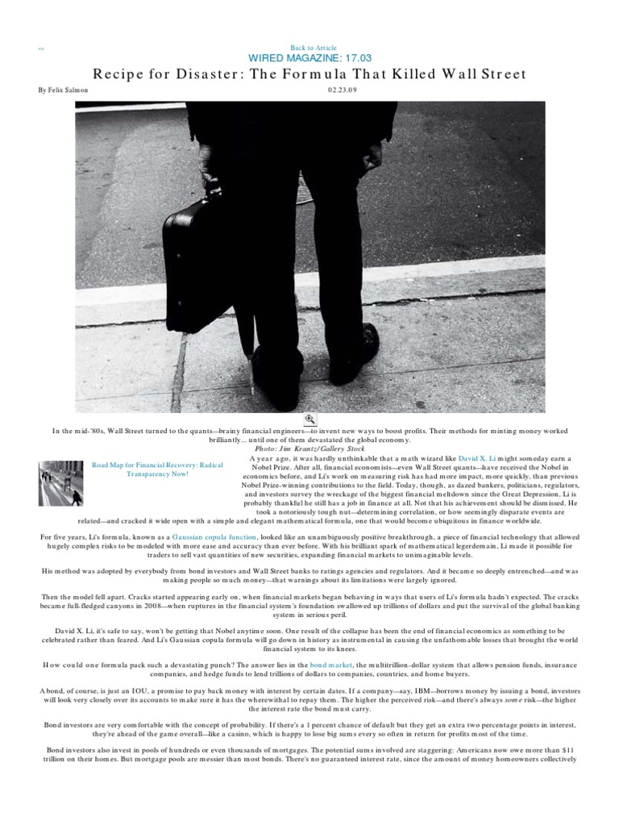

End of the cold war
Privitization and Globalization
Asian Tigers
 | Hong Kong, Singapore, South Korea, and Taiwan
LTCM
CDS / BISTRO
 | Exxon Valdez and JPMorgan
Internet Bubble
Global Savings Glut
Demand from China
Securitization
Housing Boom
 | https://youtu.be/psCF_AHuLM4?t=88
 | Fannie and Freddie
 | Monolines: Country Wide and New Century
CDO
 | https://youtu.be/3Ho8y6Xg3SM
 | https://youtu.be/A25EUhZGBws
AIG
 | Insure AAA
Warehouses

Bear Stearns
 | https://youtu.be/f5Is6d0BfXc
Lehman Brothers
 | Traders
 | CEO
 | Fraud
Board Meeting | https://youtu.be/Hhy7JUinlu0
firesale | https://youtu.be/RR4_mLmR1FE
repo | https://youtu.be/cUQiA4LtkmQ?t=48 | <-- Repo 105
JP Morgan
 | Dimon, Winters, Hancock
Merril
 | Paul Oneill
 | John Thane
Bank of America

StressTesting
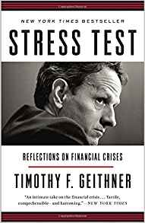
Systemic Stress Testing of Banks
https://papers.ssrn.com/sol3/papers.cfm?abstract_id=2041579
 | To get systemic sensitivity, need shared scenarios.
 | Need disclosure to market for market confidence
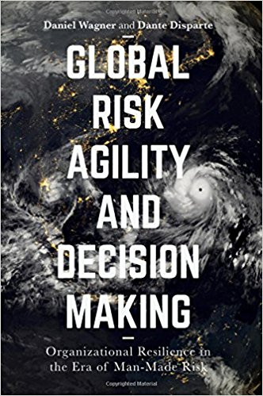
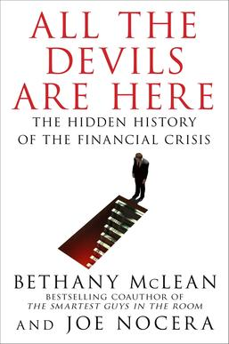
The Dog and the Frisbee
http://www.bis.org/review/r120905a.pdf
 | Heuristics
 |  | Free Markets
 |  |  | Regulatory Arbitrage
 |  | Biblical justice / Code of Hammurabi
 | Polarization
 |  | Fannie and Freddie Mac
 | Simplicity
 |  | Regulatory Arbitrage
 |  | Market Failure
 | My thoughts
 |  | Confusion is observable
 |  | Dogma is faster

