Ratings
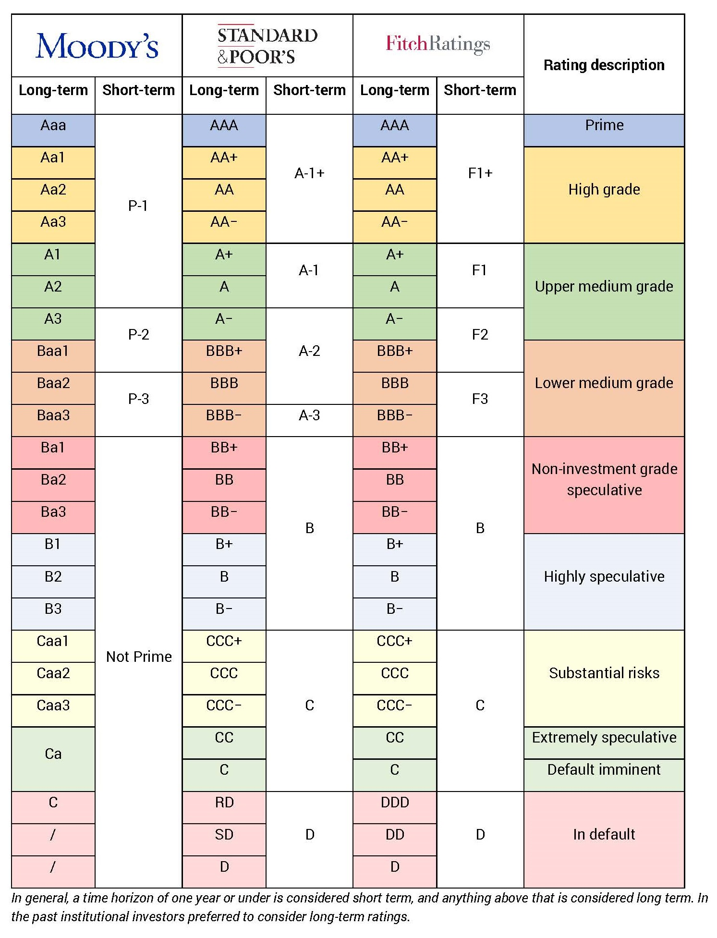

DurationNConvexity
 | Given the bond below …
 | Estimate the change in bond price 4 different ways.
A | Change in bond price for 1% increase in YTM, estimated using Duration only.
B | Change in bond price for 1% increase in YTM, estimated using Duration and Convexity.
C | Change in bond price after repricing for a 1% increase in YTM.
D | Change in bond price after repricing for a 1% point increase yield across the yield curve.

 | Face | 2000000 | Time | Yield
 | CouponRate | 4% | 1 | 0.9%
 | YTM | 3% | 2 | 1.6%
 | M | 10 | 3 | 2.0%
 |  |  | 4 | 2.2%
 |  |  | 5 | 2.4%
A |  |  | 6 | 2.6%
B |  |  | 7 | 2.8%
C |  |  | 8 | 2.9%
D |  |  | 9 | 3.0%
 |  |  | 10 | 3.1%

