CapitalModeling
How much food and material should you save in your closet for an emergency???

Power goes out for a day
 | Once every ten years

Power goes out in the whole city for a day
 | Once every 20 years


Power goes out in the whole city for 3 day
 | Once every 50 years


Power goes out for a week in the whole city
 | Once every 100 years

Power and transportation unavailable for a month
 | Once every 200 years

Power and transportation unavailable for a month
 | 1/500

…

…

Power and transportation unavailable for 3 months
 | 1/5000

…

…

Alien / Zombie / Nuclear Apocalypse
 | 1/10000

ModelBuildingApproach
 |  | Variance Covariance VaR (p.319-323)

Definition: |  | Hull called it a "Model-building" approach
 |  | The model is a multivariate joint distribution.
 |  | Historical data is used to estimate the parameters.
Assumption: |  | The value of a portfolio is linearly dependent on changes in the values of the underlying market variables
 |  | Daily changes in the underlying market variables are assumed to be normal.
$VaR=μ+σN^{−1}$(x)
Building blocks:

 |  | μ = mean
 |  | σ = Standard Deviation = volatility
 |  | X is the Confidence Level and N-1 is inverse cumulative normal distribution
 |  | Volatility (day) = Volatility (year) / square root of 252, i.e. number of trading days per year
$$σday=\frac{σyear}{\sqrt{252}}$$

Example: | What is the 10-day 99% VaR for $10m MSFT with 2% volatility per day?


 |  | Amount |  | = | $10,000,000
 |  | Mean (assuming) |  | = | 0.00
 |  | σ 1 day |  | = | 2%
 |  | Holding period |  | = | 10
 |  | volatility (1d Amt) |  | = | $200,000
 |  | volatility (10d Amt) |  | = | $632,456
 |  | Number of SD from mean |  | = | (2.33)
 |  | 1-day 99% VaR |  | = | $(465,270) | *
 |  | 10-day 99% VaR |  | = | $(1,471,312) | * | $1,471,312

 |  | *Based on the distribution, 99% would give us the loss amount. Industry standard is known to report VaR as a positive number
 |  | Although VaR presented as positive number, it is actually came from the loss tail value

Example: | What is the 10-day 99% VaR for $5m AT&T with 1% volatility per day?


 |  | Amount |  | = | $5,000,000
 |  | Mean (assuming) |  | = | 0
 |  | σ 1 day |  | = | 1%
 |  | Holding period |  | = | 10
 |  | volatility (1d Amt) |  | = | $50,000
 |  | volatility (10d Amt) |  | = | $158,114
 |  | Number of SD from mean |  | = | (2.33)
 |  | 1-day 99% VaR |  | = | $(116,317) | *
 |  | 10-day 99% VaR |  | = | $(367,828) | * | $367,828

Example: | What is the portfolio VaR based on two assets? Supposed the correlation between 2 assets returns is 0.3
$$σx+y=\sqrt{σx2+σy2+2ρσxσy}$$
 | Use the formula

 |  | Volatility σ x |  | = | $200,000
 |  | Volatility σ y |  | = | $50,000
 |  | Correlation 𝝆 |  | = | 0.3
 |  | SD of change in 1 day |  | = | $220,227
 |  | 10-day 99% VaR |  | = | (1,620,114) |  | 1,620,114

What if? |  | Aggregation of 2 assets' VaR |  | = | $1,839,139 | vs | 1,620,114
 |  | Diversification Benefits |  | = | $219,026

Tips | Changing the time horizon
 |  | if losses in successive days are independent, normally distributed, and have a mean of zero, the formulas are:
 |  |  | T-day VaR = 1-day VaR x √𝑻
 |  |  | T-day ES = 1-day ES x √𝑻

Non-Linearity
What does non-linearity mean?
It means that the rate of change is not constant.
Just like in calculus where you take the slope at a point because the slope is changing.

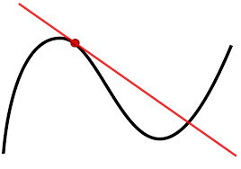

Since the slope is changing, you can't use it to forecast changes in y using big changes in x.
Just like you cant forecast the value of an option for big changes in its underlier.

ES_VaR
 |  | Variance Covariance VaR (p.319-323)

Definition: |  | Hull called it a "Model-building" approach
 |  | The model is a multivariate joint distribution.
 |  | Historical data is used to estimate the parameters.
Assumption: |  | The value of a portfolio is linearly dependent on changes in the values of the underlying market variables
 |  | Daily changes in the underlying market variables are assumed to be normal.
$VaR=μ+σN^{−1}$(x)
Building blocks:

 |  | μ = mean
 |  | σ = Standard Deviation = volatility
 |  | X is the Confidence Level and N-1 is inverse cumulative normal distribution
 |  | Volatility (day) = Volatility (year) / square root of 252, i.e. number of trading days per year
$$σday=\frac{σyear}{\sqrt{252}}$$

Example: | What is the 10-day 99% VaR for $10m MSFT with 2% volatility per day?

 |  | Amount |  | = | $10,000,000
 |  | Mean (assuming) |  | = | 0.00
 |  | σ 1 day |  | = | 2%
 |  | Holding period |  | = | 10
 |  | volatility (1d Amt) |  | = | $200,000
 |  | volatility (10d Amt) |  | = | $632,456
 |  | Number of SD from mean |  | = | (2.33)
 |  | 1-day 99% VaR |  | = | $(465,270) | *
 |  | 10-day 99% VaR |  | = | $(1,471,312) | * | $1,471,312

 |  | *Based on the distribution, 99% would give us the loss amount. Industry standard is known to report VaR as a positive number
 |  | Although VaR presented as positive number, it is actually came from the loss tail value

Example: | What is the 10-day 99% VaR for $5m AT&T with 1% volatility per day?

 |  | Amount |  | = | $5,000,000
 |  | Mean (assuming) |  | = | 0
 |  | σ 1 day |  | = | 1%
 |  | Holding period |  | = | 10
 |  | volatility (1d Amt) |  | = | $50,000
 |  | volatility (10d Amt) |  | = | $158,114
 |  | Number of SD from mean |  | = | (2.33)
 |  | 1-day 99% VaR |  | = | $(116,317) | *
 |  | 10-day 99% VaR |  | = | $(367,828) | * | $367,828

Example: | What is the portfolio VaR based on two assets? Supposed the correlation between 2 assets returns is 0.3
$$σx+y=\sqrt{σx2+σy2+2ρσxσy}$$
 | Use the formula

 |  | Volatility σ x |  | = | $200,000
 |  | Volatility σ y |  | = | $50,000
 |  | Correlation 𝝆 |  | = | 0.3
 |  | SD of change in 1 day |  | = | $220,227
 |  | 10-day 99% VaR |  | = | (1,620,114) |  | 1,620,114

What if? |  | Aggregation of 2 assets' VaR |  | = | $1,839,139 | vs | 1,620,114
 |  | Diversification Benefits |  | = | $219,026

Tips | Changing the time horizon
 |  | if losses in successive days are independent, normally distributed, and have a mean of zero, the formulas are:
 |  |  | T-day VaR = 1-day VaR x √𝑻
 |  |  | T-day ES = 1-day ES x √𝑻

 | Expected Shortfall (ES)
Assumption: |  | Normal distribution
 |  | when losses (gains) are normally distributed with mean μ and standard deviation σ,
 |  | Value at Risk (VaR) is the loss level that will not be exceeded with a specified probability, the formula is:
 |  |  | VaR = μ + σY

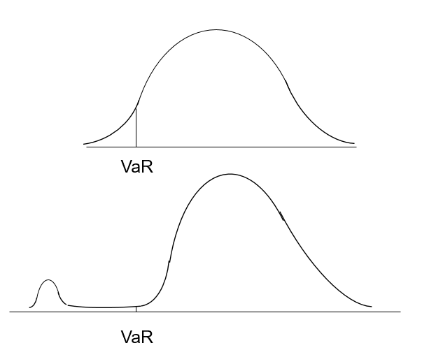
Definition: | Expected Shortfall (ES) is the expected loss given that the loss is greater than the VaR level
 |  | also called C-VaR and Tail Loss, the formula is:
$$ES=μ+σ\frac{e−Y2/2}{\sqrt{2π}(1−x)}$$

 |  | √T |  | = | 3.16228
 |  | exp -Y2/2 |  | = | 0.06681
 |  | √2π |  | = | 2.50663
 |  | 1-x |  | = | 0.01000

 | Expected Shortfall (ES) |  |  | Value at Risk (VaR)
MSFT |  | 1,685,629 | vs | $1,471,312
AT&T |  | 421,407 | vs | $367,828
MSFT + AT&T |  | 1,856,107 | vs | 1,620,114

