Q_D3
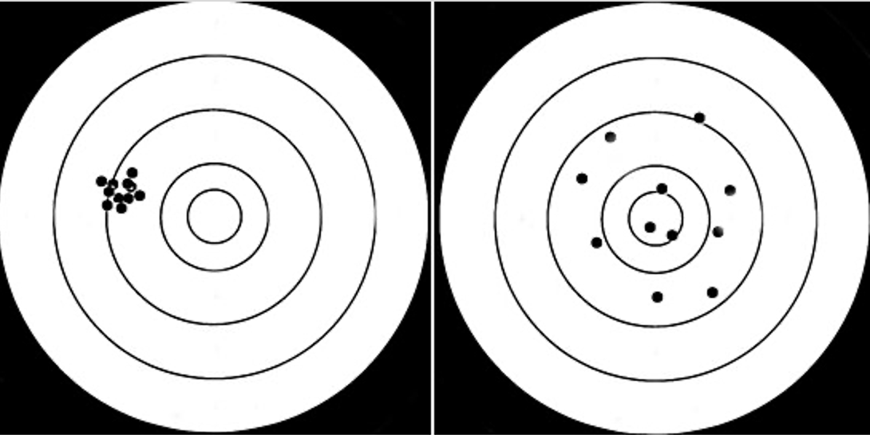
Which of these images displays more precision?

A | B

