Normal
Video
 | The normal distribution is a distribution that emerges in nature.
 | People's height and weight are normally distributed.
 | The distribution can emerge when you sum a bunch of small random draws.
 | A formal statement of this is the central limit theorem (CLT).
 | CLT states that the sum of independent random variables are normally distributed.
 | Casual examples of normally distributed data are:
 |  | height
 |  | weight
 |  | IQ
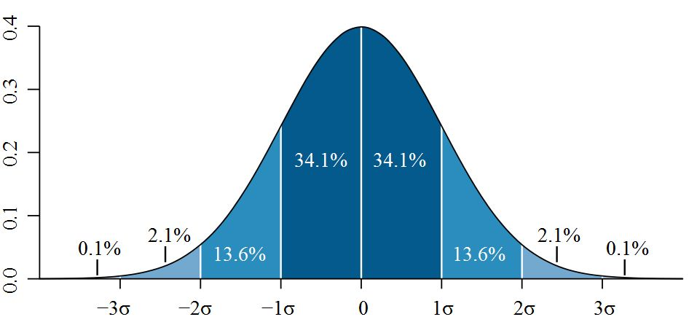
 |  | stock returns

 | Quantiles (Memorize!)
 | q | NORM.DIST(q,0,1,TRUE)
 | -3 | 0.13%
 | -2 | 2.28%
 | -1 | 15.87%
 | 0 | 50.00%
 | 1 | 84.13%
 | 2 | 97.72%
 | 3 | 99.87%

 | Simulation
 |  | NORM.INV(RAND(),0,1)
 |  | -0.087

ProgrammingAnswer_R
R Code
d1 = as.integer(runif(10000)*6,digits = 0) + 1
hist(d1,breaks = (1:12)/2)
sort(unique(d1))
table(d1)
d2 = as.integer(runif(10000)*6,digits = 0) + 1
d = d1+d2
hist(d)
table(d)
table(d)/10000
table(d)/10000*36
round(table(d)/10000*36)
cdf = cumsum(table(d)/10000)
u = runif(10000)
sims = sapply(u,FUN = function(x){(sum((x<=cdf)==T) +1)})
hist(sims,breaks = (1:24)/2)

